Guide
Guide update UM

Step 1: | Review the function list on new board
 | Review the difference between older board and new board with the same chip
 | Get overview of different
 | Get information for release day

Step 2: | Go to detail of each module
 | Get the newest version of AD on svn -> contact with tutor for help clone svn. All files are available at:

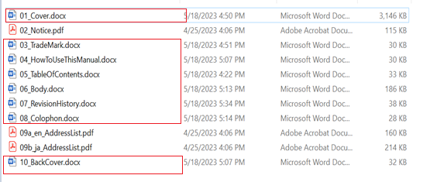
Step 3: | Download AD of module want to update to local PC
 | Ex: gpio module
 |  |  |  |  |  |  |  |  | We will update for

Step 4: | Open and edit each .doc file for update

 | Step 4.1 | Make sure you in reviewing mode
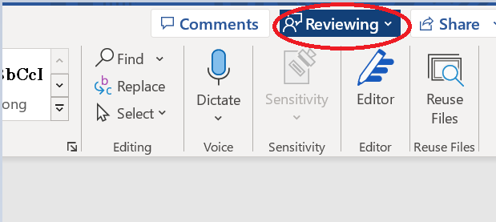

 | Step 4.2 | Before update: accept all change of previous version: Review -> Accept -> Accept All Changes
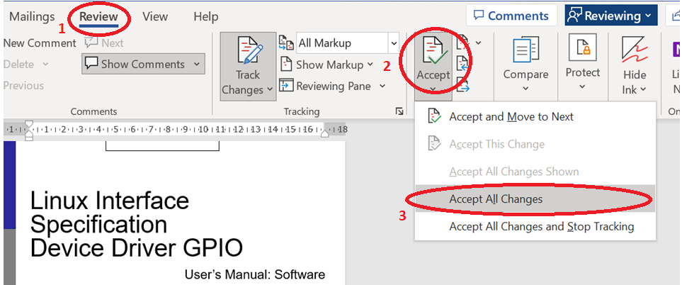

 |  | Update for each .doc file |  |  |  |  |  | S4 support was add into serries
 |  |  | * update Chip serries if needed
 |  |  | ex:

After update
 |  |  | * Always update release day and Revision at the end of each page
 |  |  | ex:

 |  |  | Revision | Release day
 |  |  |  |  |  |  |  | increase revision |  | update release day

Step 5: | If finish the update at each file. Change the info properties at each file
 | go to File ---> Info ---> Properties ---> Advanced Properties
 | The box below appear: Edit field "Category" and "Comments"
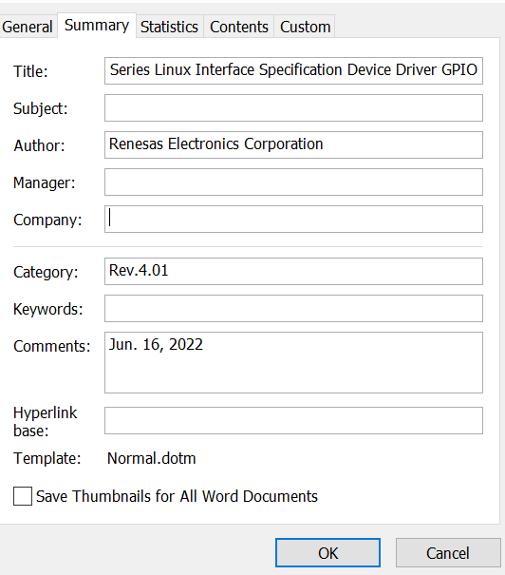
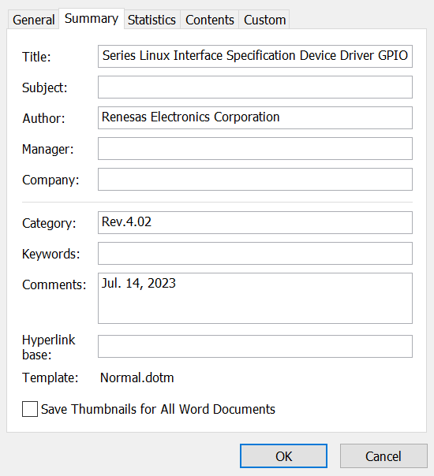

 |  |  |  |  | update revision

 |  |  |  |  | update release day

Step 6: | Repeat step 4-5 for each file .docx (01_cover.docx, 03_TradeMark.docx….)

 | *Note:
 |  | "06_body.docx": May be it have more change to update. Because of difference between old and new feature ( DT, channel support, and feature…..)
 |  | Make sure always increase version and update corectly release day.
 |  | "05_TableOfContents.docx": After edit all .docx file, need to update table of content.

Step 7: | After edit all docx file. Export all to PDF file and save in the same folder. Make sure in this folder have all PDF file 01->10
 | Note: For the 06_body.docx when export to pdf file, please export with option same as below
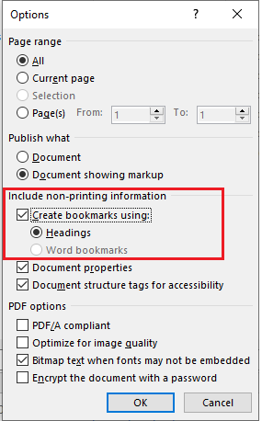

 |  |  |  |  |  | 3.1.0 | Dec. 25, 2023 |  | Add Kernel v5.19.194 support for H3, M3, M3N, E3.

 |  |  |  |  |  | Dec. 25, 2023

dir contain all PDF file in step 7
Step 8: | Ask tutor for get tool to merge all PDF files
 | name file: "create_pdf.sh"
 | edit "create_pdf.sh"

Name for output merge pdf file (UM: software)
Tiltle Name of merge PDF file.

Step 9: | run "create_pdf.sh" script
 | after that check in the same folder of tool "create_pdf.sh" got the pdf merged file (UM: software for the wanted module)

Step 10: | Please update folder UM including word files (show change) + pdf file

