Sheet1
Bài 1:
 | Mô tả trạng thái:
 | S0: | S→ ●NP VP
 |  | NP → ●ART N
 |  | NP → ●ART N PP
 |  | NP → ●NAME

 | S1 = goto(S0, ART): | NP → ART ●N
 |  | NP → ART ●N PP

 | S2 = goto(S0, NP): | S→ NP ●VP
 |  | VP → ●V NP
 |  | VP → ●V INF
 |  | VP → ●V PP
 |  | VP → ●V

 | S3 = goto(S0, NAME): | NP → NAME●

 | S4 = goto(S1, N): | NP → ART N●
 |  | NP → ART N ●PP
 |  | PP → ●P NP

 | S5 = goto(S2, VP): | S→ NP VP●

 | S6 = goto(S2, V): | VP → V ●NP
 |  | VP → V ●INF
 |  | VP → V ●PP
 |  | VP → V●
 |  | NP → ●ART N
 |  | NP → ●ART N PP
 |  | NP → ●NAME
 |  | INF → ●to VP
 |  | PP → ●P NP

 | S7 = goto(S4, PP) | NP → ART N PP●

 | S8 = goto(S4, P) | PP → P ●NP
 |  | NP → ●ART N
 |  | NP → ●ART N PP
 |  | NP → ●NAME

 | S9 = goto(S6, to) | INF → to ●VP
 |  | VP → ●V NP
 |  | VP → ●V INF
 |  | VP → ●V PP
 |  | VP → ●V

 | S10 = goto(S6, INF): | VP → V INF●

 | S11 = goto(S6, NP): | VP → V NP●

 | S12 = goto(S6, PP): | VP → V PP●

 | S13 = goto(S8, NP) | PP → P NP●

 | S14 = goto(S9, VP) | INF → to VP●

 | S15 = goto(S4, e) | NP → ART N●

 | S16 = goto(S6, e) | VP → V●

 | Bảng oracle: |  |  |  | Đồ thị truyền trạng thái:

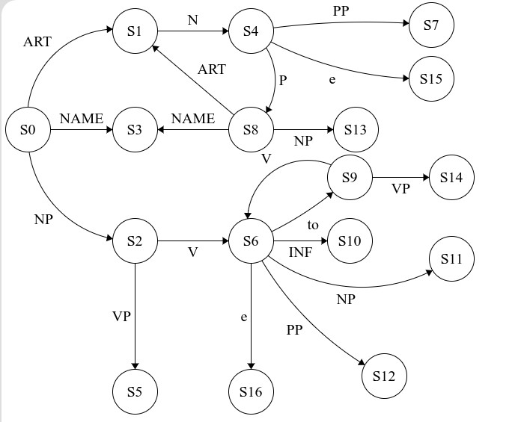
 | Trạng thái | Kí hiệu nhập trên stack | Hành vi | Tác vụ goto
 | S0 | ART | Đẩy | S1
 | S0 | NAME | Đẩy | S3
 | S0 | NP | Đẩy | S2
 | S0 | S | Đẩy | S0’
 | S0’ | □ | *Phân tích thành công | -------
 | S1 | N | Đẩy | S4
 | S2 | V | Đẩy | S6
 | S2 | VP | Đẩy | S5
 | S3 | ---- | Thu giảm (NP → NAME) | -------
 | S4 | e (ký hiệu rỗng khác PP) | Đẩy | S15
 | S4 | PP | Đẩy | S7
 | S4 | P | Đẩy | S8
 | S5 | ---- | Thu giảm (S → NP VP) | -------
 | S6 | to | Đẩy | S9
 | S6 | INF | Đẩy | S10
 | S6 | NP | Đẩy | S11
 | S6 | PP | Đẩy | S12
 | S7 | ---- | Thu giảm (NP → ART N PP) | -------
 | S8 | ART | Đẩy | S1
 | S8 | NP | Đẩy | S13
 | S8 | NAME | Đẩy | S3
 | S9 | VP | Đẩy | S14
 | S9 | V | Đẩy | S6
 | S10 | ---- | Thu giảm (VP → V INF) | -------
 | S11 | ---- | Thu giảm (VP → V NP) | -------
 | S12 | ---- | Thu giảm (VP → V PP) | -------
 | S13 | ---- | Thu giảm (PP → P NP) | -------
 | S14 | ---- | Thu giảm (INF → to VP) | -------
 | S15 | ---- | Thu giảm (NP → ART N) | -------
 | S16 | ---- | Thu giảm (VP → V) | --------

 | Phân tích câu:
 | Jack turned to sand
 | Bước | Stack phân tích: |  | Stack nhập
 | 1 | S0 |  | Jack turned to sand
 | 2 | S0 NAME S3 |  | turned to sand
 | 3 | S0 |  | NP turned to sand
 | 4 | S0 NP S2 |  | turned to sand
 | 5 | S0 NP S2 V S6 |  | to sand
 | 6 | S0 NP S2 V S6 to S9 |  | sand
 | 7 | S0 NP S2 V S6 to S9 V S6
 | 8 | S0 NP S2 V S6 to S9 V S6 e S16
 | 9 | S0 NP S2 V S6 to S9 |  | VP
 | 10 | S0 NP S2 V S6 to S9 VP S14
 | 11 | S0 NP S2 V S6 |  | INF
 | 12 | S0 NP S2 V S6 INF S10
 | 13 | S0 NP S2 |  | VP
 | 14 | S0 NP S2 VP S5
 | 15 | S0 |  | S
 | 16 | S0 S S0’

 | Jack turned to sand to board
 | Bước | Stack phân tích: |  | Stack nhập
 | 1 | S0 |  | Jack turned to sand to board
 | 2 | S0 NAME S3 |  | turned to sand to board
 | 3 | S0 |  | NP turned to sand to board
 | 4 | S0 NP S2 |  | turned to sand to board
 | 5 | S0 NP S2 V S6 |  | to sand to board
 | 6 | S0 NP S2 V S6 to S9 |  | sand to board
 | 7 | S0 NP S2 V S6 to S9 V S6 |  | to board
 | 8 | S0 NP S2 V S6 to S9 V S6 to S9 |  | board
 | 9 | S0 NP S2 V S6 to S9 V S6 to S9 V S6
 | 10 | S0 NP S2 V S6 to S9 V S6 to S9 V S6 e S16
 | 11 | S0 NP S2 V S6 to S9 V S6 to S9 |  | VP
 | 12 | S0 NP S2 V S6 to S9 V S6 to S9 VP S14
 | 13 | S0 NP S2 V S6 to S9 V S6 |  | INF
 | 14 | S0 NP S2 V S6 to S9 V S6 INF S10
 | 15 | S0 NP S2 V S6 to S9 |  | VP
 | 16 | S0 NP S2 V S6 to S9 VP S14
 | 17 | S0 NP S2 V S6 |  | INF
 | 18 | S0 NP S2 V S6 INF S10
 | 19 | S0 NP S2 |  | VP
 | 20 | S0 NP S2 VP S5
 | 21 | S0 |  | S
 | 22 | S0 S S0’

