NOPLAT SIMPLEST
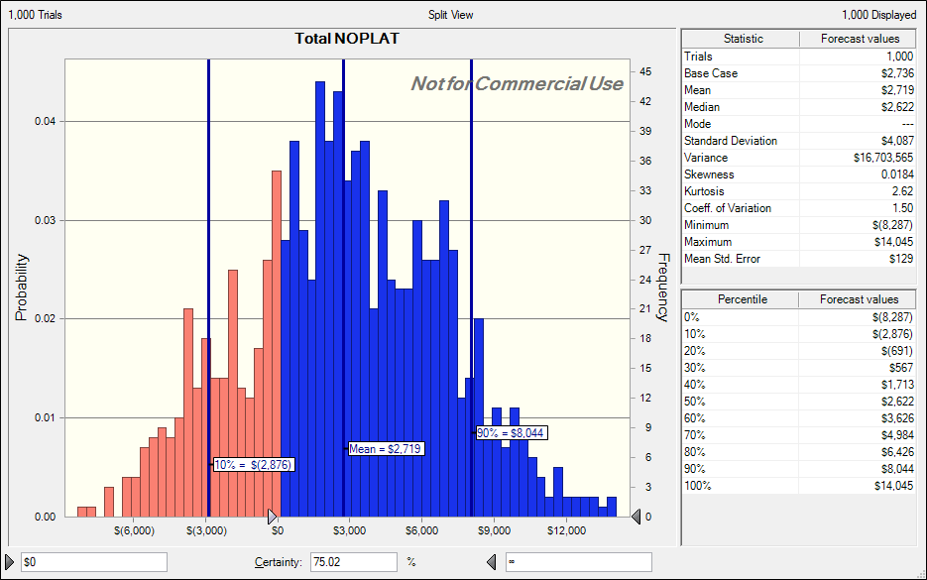
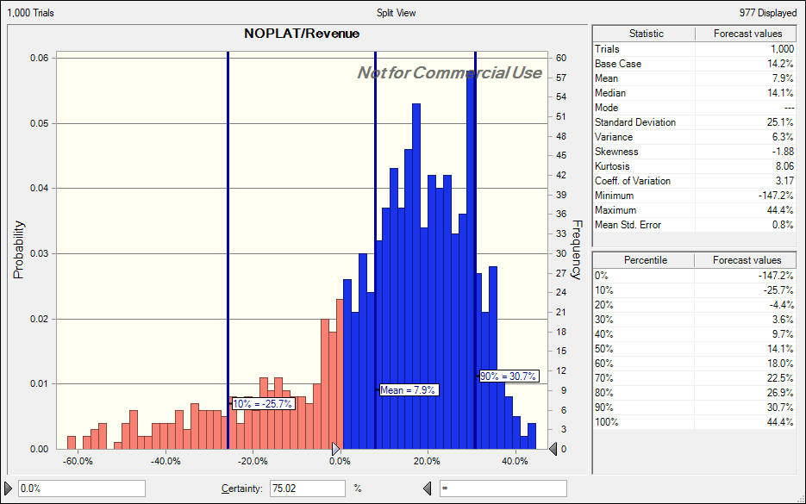
MENU
Simple NOPLAT example
Insight:
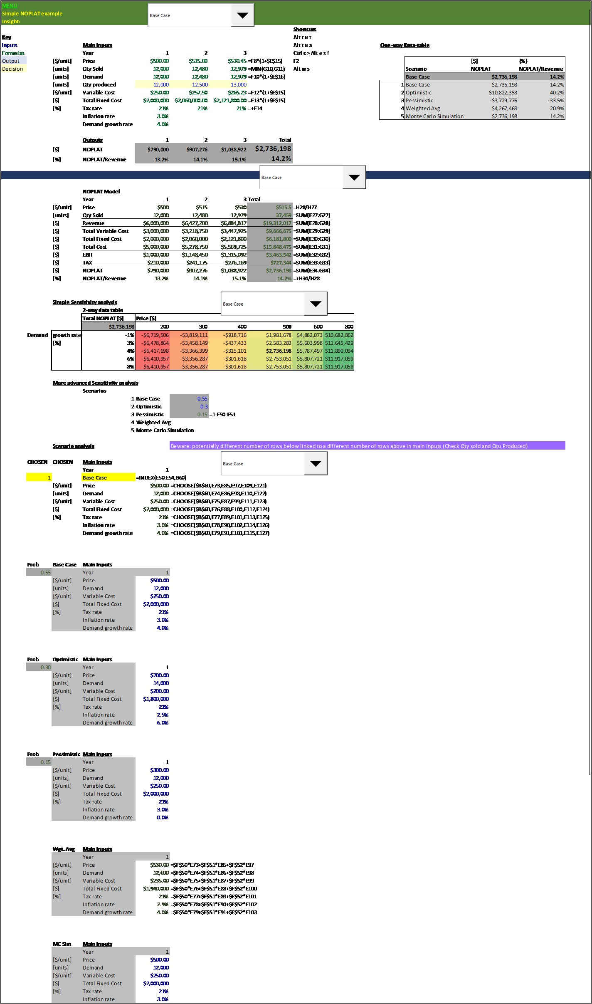
 |  |  |  |  |  |  |  | Shortcuts
Key |  |  |  |  |  |  |  | Alt t u t |  |  |  |  |  | {=TABLE(,A151)} |  | One-way data table on NOPLAT per period
Inputs |  |  | Main Inputs |  |  |  |  | Alt t u a |  |  | One-way Data-table |  |  | #N/A
Formulas |  |  | Year | 1 | 2 | 3 |  | Ctrl c > Alt e s f |  |  |  | FROZEN DT
Output |  | [$/unit] | Price | $500.00 | $515.00 | $530.45 | =F8*(1+$E$15) | F2 |  |  |  |  | [$] | {%} |  |  |  | [$ 000s] | [$ 000s] | [$ 000s]
Decision |  | [units] | Qty Sold | 12,000 | 12,480 | 12,979 | =MIN(G10,G11) | Alt w s |  |  |  | Scenario | NOPLAT | NOPLAT/Revenue |  |  | Scenario | NOPLAT1 | NOPLAT2 | NOPLAT3
 |  | [units] | Demand | 12,000 | 12,480 | 12,979 | =F10*(1+$E$16) |  |  |  |  | Base Case | $2,736,198 | 14.2% |  |  | Base Case | $790.00 | $907.28 | $1,038.92
FRozen dt
CAMERA SHOT |  | [units] | Qty produced | 12,000 | 12,500 | 13,000 |  |  |  |  | 1 | HI Revenue Growth ST | $2,736,198 | 14.2% |  | 1 | Base Case | $790.00 | $907.28 | $1,038.92
 |  | [$/unit] | Variable Cost | $250.00 | $257.50 | $265.23 | =F12*(1+$E$15) |  |  |  | 2 | HI Revenue Growth ST | -$4,094,819 | -38.2% |  | 2 | Pessimistic Case | -$1,228.50 | -$1,362.32 | -$1,504.00
 |  | [$] | Total Fixed Cost | $2,000,000 | $2,060,000.00 | $2,121,800.00 | =F13*(1+$E$15) |  |  |  | 3 | HI Revenue Growth ST | $10,847,046 | 40.7% |  | 3 | Optimistic Case | $3,360.00 | $3,613.40 | $3,873.65
 |  | [%] | Tax rate | 21% | 21% | 21% | =+F14 |  |  |  | 4 | HI Revenue Growth ST | $2,522,095 | 13.3% |  | 4 | Weighted Average | $722.94 | $838.71 | $960.45
 |  |  | Inflation rate | 3.0% |  |  |  |  |  |  | 5 | HI Revenue Growth ST | $2,736,198 | 14.2% |  | 5 | Monte Carlo | $790.00 | $907.28 | $1,038.92
 |  |  | Demand growth rate | 4.0%
 |  |  |  |  |  |  |  |  |  |  |  |  |  |  |  |  | VALUES Get statts from Cball SW after running Cball MC simulation
 |  |  | Outputs | 1 | 2 | 3 | Total |  |  |  |  |  |  |  |  | 2 | mean | $886.80 | $988.31 | $1,083.72 | =GetForeStat(U$15,$Q25)
 |  | [$] | NOPLAT | $790,000 | $907,276 | $1,038,922 | $2,736,198 |  |  |  |  |  |  |  |  | 5 | S. Dev | $1,262.98 | $1,346.22 | $1,432.60 | =GetForeStat(U$15,$Q26)
 |  | [%] | NOPLAT/Revenue | 13.2% | 14.1% | 15.1% | 14.2% |  |  |  |  |  |  |  |  | 10 | percentile 10 | -$792.27 | -$793.63 | -$831.14 | =getforepercent(U$15,$Q27)
 |  |  |  |  |  |  |  |  |  |  |  |  |  |  |  | 90 | percentile 90 | $2,590.74 | $2,795.35 | $3,012.39 | =getforepercent(U$15,$Q28)

 |  |  | NOPLAT Model |  |  |  |  |  |  |  |  |  |  |  |  |  | Get statts from Cball SW after running Cball MC simulation
 |  |  | Year | 1 | 2 | 3 | Total |  |  |  |  |  |  |  |  | 2 | mean | $871.40 | $974.03 | $1,065.41 | =@GetForeStat(U$15,$Q25)
 |  | [$/unit] | Price | $500 | $515 | $530 | $515.5 | =H28/H27 |  |  |  |  |  |  |  | 5 | S. Dev | $1,325.82 | $1,408.01 | $1,486.07 | =@GetForeStat(U$15,$Q26)
 |  | [units] | Qty Sold | 12,000 | 12,480 | 12,979 | 37,459 | =SUM(E27:G27) |  |  |  |  |  |  |  | 10 | percentile 10 | -$1,008.34 | -$1,020.15 | -$1,031.85 | =@getforepercent(U$15,$Q27)
 |  | [$] | Revenue | $6,000,000 | $6,427,200 | $6,884,817 | $19,312,017 | =SUM(E28:G28) |  |  |  |  |  |  |  | 90 | percentile 90 | $2,600.84 | $2,838.16 | $3,078.28 | =@getforepercent(U$15,$Q28)
 |  | [$] | Total Variable Cost | $3,000,000 | $3,218,750 | $3,447,925 | $9,666,675 | =SUM(E29:G29)
 |  | [$] | Total Fixed Cost | $2,000,000 | $2,060,000 | $2,121,800 | $6,181,800 | =SUM(E30:G30)
 |  | [$] | Total Cost | $5,000,000 | $5,278,750 | $5,569,725 | $15,848,475 | =SUM(E31:G31)
 |  | [$] | EBIT | $1,000,000 | $1,148,450 | $1,315,092 | $3,463,542 | =SUM(E32:G32)
 |  | [$] | TAX | $210,000 | $241,175 | $276,169 | $727,344 | =SUM(E33:G33)
 |  | [$] | NOPLAT | $790,000 | $907,276 | $1,038,922 | $2,736,198 | =SUM(E34:G34)
 |  | [%] | NOPLAT/Revenue | 13.2% | 14.1% | 15.1% | 14.2% | =+H34/H28

 |  | Simple Sensitivity analysis
 |  |  | 2-way data table
 |  |  | Total NOPLAT [$] | Price [$]
 |  |  | $2,736,198 | 200 | 300 | 400 | 500 | 600 | 800
 | Demand | growth rate | -1% | $2,736,198 | $2,736,198 | $2,736,198 | $2,736,198 | $2,736,198 | $2,736,198
frozen dt
 |  | [%] | 3% | $2,736,198 | $2,736,198 | $2,736,198 | $2,736,198 | $2,736,198 | $2,736,198
 |  |  | 4% | $2,736,198 | $2,736,198 | $2,736,198 | $2,736,198 | $2,736,198 | $2,736,198
 |  |  | 6% | $2,736,198 | $2,736,198 | $2,736,198 | $2,736,198 | $2,736,198 | $2,736,198
 |  |  | 8% | $2,736,198 | $2,736,198 | $2,736,198 | $2,736,198 | $2,736,198 | $2,736,198

 |  | More advanced Sensitivity analysis
 |  |  | Scenarios
 |  |  | 1 | Base Case | 0.55
 |  |  | 2 | Optimistic | 0.3
 |  |  | 3 | Pessimistic | 0.15 | =1-F50-F51
 |  |  | 4 | Weighted Avg
 |  |  | 5 | Monte Carlo Simulation

 |  | Scenario analysis |  |  | Beware: potentially different number of rows below linked to a different number of rows above in main inputs (Check Qty sold and Qtu Produced)

 | CHOSEN | CHOSEN | Main Inputs
 |  |  | Year | 1
 | 4 |  | Weighted Avg | =@INDEX(E50:E54,B60)
 |  | [$/unit] | Price | $530.00 | =CHOOSE($B$60,E73,E85,E97,E109,E121)
 |  | [units] | Demand | 12,525 | =CHOOSE($B$60,E74,E86,E98,E110,E122)
 |  | [$/unit] | Variable Cost | $238.00 | =CHOOSE($B$60,E75,E87,E99,E111,E123)
 |  | [$] | Total Fixed Cost | $1,955,000 | =CHOOSE($B$60,E76,E88,E100,E112,E124)
 |  | [%] | Tax rate | 23% | =CHOOSE($B$60,E77,E89,E101,E113,E125)
 |  |  | Inflation rate | 2.9% | =CHOOSE($B$60,E78,E90,E102,E114,E126)
 |  |  | Demand growth rate | 4.0% | =CHOOSE($B$60,E79,E91,E103,E115,E127)

 | Prob | Base Case | Main Inputs

 | Prob | Optimistic | Main Inputs

 | Prob | Pessimistic | Main Inputs

 |  | Wgt. Avg | Main Inputs

 |  | MC Sim | Main Inputs

 |  |  |  |  |  |  |  |  |  |  |  | Statt after running Cballl SW Mcarlo Sim |  | Total NOPLAT | NOPLAT/Revenue
Main Outputs |  |  |  |  |  |  |  |  |  |  |  | 2 | Mean | $3,001.83 | 9.45% | =+@GetForeStat(P$156,$M134)
 |  |  |  |  |  |  |  |  |  |  |  | 5 | SDEv | $4,164.49 | 24.09% | =+@GetForeStat(P$156,$M135)
 | NOPLAT | $2,736,198 |  |  |  |  |  |  |  |  |  | 10 | percentile 10 | -$2,824.36 | -25.41% | =@getforepercent(P$156,$M136)
 | NOPLAT/Revenue | 14.2% |  |  |  |  |  |  |  |  |  | 90 | percentile 90 | $8,535.56 | 32.82% | =@getforepercent(P$156,$M137)

 |  | 1 |  |  |  |  |  |  |  |  |  | VALUES Statt after running Cballl SW Mcarlo Sim |  | Total NOPLAT | NOPLAT/Revenue
 | Scenario Weight |  |  |  |  |  |  |  |  |  |  | 2 | Mean | $2,958.82 | 9.72% | =+GetForeStat(P$156,$M134)
 | Base | 0.55 |  | NOTE: MUST SET SCENARIO EVALUATED TO "MONTE CARLO" TO RUN CRYSTAL BALL |  |  |  |  |  |  |  | 5 | SDEv | $4,038.79 | 22.63% | =+GetForeStat(P$156,$M135)
 | Pessimistic | 0.25 |  |  |  |  |  |  |  |  |  | 10 | percentile 10 | -$2,417.59 | -21.44% | =getforepercent(P$156,$M136)
 | Optimistic | 0.20 | =1-C146-C145 |  |  |  |  |  |  |  |  | 90 | percentile 90 | $8,357.31 | 31.86% | =getforepercent(P$156,$M137)
 |  |  |  |  | Hi value=OPT; Lo value=Pess | Hi value=PESS; Lo value=OPT |  |  |  |  |  |  | one-way data-table | =H19/1000 | =H20 |  |  | Synthetic Tornado
 | =@INDEX(C152:C170,$A$151) | 2 | 3 | 4 | 5 | 6 | 7 | 8 | 9 | 10 |  |  | Main forecast/outcome/output | [Thousand $] | {%} |  |  | =O152-$O$152 | =O152/$O$152-1
 |  | Price | Demand | Variable Cost | Total Fixed Cost | Tax rate | Inflation rate | Demand growth rate | Var 1 | Var 2 |  |  | Implied Share Price | Total NOPLAT | NOPLAT/Revenue |  |  | Change vs Base [$] | Change vs Base [%] | fancy tornado range
1 | Base Case | $500 | 12,000 | $250 | $2,000,000 | 21.0% | 3.0% | 4% |  |  | <CHOSEN SCENARIO |  |  | $2,736 | 14.2%
1 | Base Case | $500 | 12,000 | $250 | $2,000,000 | 21.0% | 3.0% | 4% |  |  |  | Base Case | 1 | $2,736 | 14.2% |  |  | $0 | 0%
2 | Pessimistic Case | $300 | 11,500 | $270 | $2,100,000 | 35.0% | 3.5% | 0% |  |  |  | Pessimistic Case | 2 | $(4,095) | -38.2% |  |  | -$6,831 | -250%
3 | Optimistic Case | $700 | 14,000 | $200 | $1,800,000 | 20.0% | 1.5% | 6% |  |  |  | Optimistic Case | 3 | $10,847 | 40.7% |  |  | $8,111 | 296%
4 | Weighted Average | $490 | 12,275 | $245 | $1,985,000 | 24.3% | 2.8% | 3% |  |  |  | Weighted Average | 4 | $2,522 | 13.3% |  |  | -$214 | -8%
5 | Monte Carlo | $500 | 12,000 | $250 | $2,000,000 | 21.0% | 3.0% | 4% |  |  |  | Monte Carlo | 5 | $2,736 | 14.2% |  |  | $0 | 0%
6 | HI Price | $700 | 12,000 | $250 | $2,000,000 | 21.0% | 3.0% | 4% |  |  |  | HI Price | 6 | $8,839 | 32.7% |  |  | $6,103 | 223% | $12,205 | =O157-O158
7 | LO Price | $300 | 12,000 | $250 | $2,000,000 | 21.0% | 3.0% | 4% |  |  |  | LO Price | 7 | $(3,366) | -29.1% |  |  | -$6,103 | -223%
8 | HI Demand | $500 | 14,000 | $250 | $2,000,000 | 21.0% | 3.0% | 4% |  |  |  | HI Demand | 8 | $2,753 | 14.2% |  |  | $17 | 1% | $653 | =O159-O160
9 | LO Demand | $500 | 11,500 | $250 | $2,000,000 | 21.0% | 3.0% | 4% |  |  |  | LO Demand | 9 | $2,101 | 11.3% |  |  | -$636 | -23%
10 | HI Variable Cost | $500 | 12,000 | $270 | $2,000,000 | 21.0% | 3.0% | 4% |  |  |  | HI Variable Cost | 10 | $2,125 | 11.0% |  |  | -$611 | -22% | $(2,138) | =O161-O162
11 | LO Variable Cost | $500 | 12,000 | $200 | $2,000,000 | 21.0% | 3.0% | 4% |  |  |  | LO Variable Cost | 11 | $4,264 | 22.1% |  |  | $1,527 | 56%
12 | HI Total Fixed Cost | $500 | 12,000 | $250 | $2,100,000 | 21.0% | 3.0% | 4% |  |  |  | HI Total Fixed Cost | 12 | $2,492 | 12.9% |  |  | -$244 | -9% | $(733)
13 | LO Total Fixed Cost | $500 | 12,000 | $250 | $1,800,000 | 21.0% | 3.0% | 4% |  |  |  | LO Total Fixed Cost | 13 | $3,225 | 16.7% |  |  | $488 | 18%
14 | HI Tax rate | $500 | 12,000 | $250 | $2,000,000 | 35.0% | 3.0% | 4% |  |  |  | HI Tax rate | 14 | $2,251 | 11.7% |  |  | -$485 | -18% | $(520)
15 | LO Tax rate | $500 | 12,000 | $250 | $2,000,000 | 20.0% | 3.0% | 4% |  |  |  | LO Tax rate | 15 | $2,771 | 14.3% |  |  | $35 | 1%
16 | HI Inflation rate | $500 | 12,000 | $250 | $2,000,000 | 21.0% | 3.5% | 4% |  |  |  | HI Inflation rate | 16 | $2,751 | 14.2% |  |  | $15 | 1% | $58
17 | LO Inflation rate | $500 | 12,000 | $250 | $2,000,000 | 21.0% | 1.5% | 4% |  |  |  | LO Inflation rate | 17 | $2,693 | 14.2% |  |  | -$43 | -2%
18 | HI Demand growth rate | $500 | 12,000 | $250 | $2,000,000 | 21.0% | 3.0% | 6% |  |  |  | HI Demand growth rate | 18 | $2,753 | 14.2% |  |  | $17 | 1% | $622
19 | LO Demand growth rate | $500 | 12,000 | $250 | $2,000,000 | 21.0% | 3.0% | 0% |  |  |  | LO Demand growth rate | 19 | $2,131 | 11.5% |  |  | -$606 | -22%
20 | HI Var 1 | $500 | 12,000 | $250 | $2,000,000 | 21.0% | 3.0% | 4% |  |  |  | HI Var 1 | 20
21 | LO Var 1 | $500 | 12,000 | $250 | $2,000,000 | 21.0% | 3.0% | 4% |  |  |  | LO Var 1 | 21
22 | HI Var 2 | $500 | 12,000 | $250 | $2,000,000 | 21.0% | 3.0% | 4% |  |  |  | HI Var 2 | 22
23 | LO Var 2 | $500 | 12,000 | $250 | $2,000,000 | 21.0% | 3.0% | 4% |  |  |  | LO Var 2 | 23

 | For Monte Carlo Simulation's Assumptions
 |  | Price | Demand | Variable Cost | Total Fixed Cost | Tax rate | Inflation rate | Demand growth rate | Var 1 | Var 2
 | Bottom | $300 | $11,500 | $200 | $1,800,000 | 20.0% | 1.5% | 0.0%
 | Top | $700 | $14,000 | $270 | $2,100,000 | 35.0% | 3.5% | 6.0%

Report
 |  |  |  | Crystal Ball Report - Full
 |  |  |  | Simulation started on 9/30/2021 at 2:33 PM
 |  |  |  | Simulation stopped on 9/30/2021 at 2:38 PM

 | Run preferences:
 |  | Number of trials run | 1,000
 |  | Monte Carlo
 |  | Random seed
 |  | Precision control on
 |  | Confidence level | 95.00%

 | Run statistics:
 |  | Total running time (sec) | 310.12
 |  | Trials/second (average) | 3
 |  | Random numbers per sec | 23

 | Crystal Ball data:
 |  | Assumptions | 7
 |  | Correlations | 0
 |  | Correlation matrices | 0
 |  | Decision variables | 0
 |  | Forecasts | 5

 |  |  |  | Forecasts

Worksheet: [20210930_S2NOPLAT-FinModel_Stochastic_Class3.5_TrendChart_Cballformulas.xlsx]NOPLAT SIMPLEST

Forecast: NOPLAT/Revenue |  |  |  |  |  | Cell: P156

 | Summary:
 |  | Certainty level is 76.6%
 |  | Certainty range is from 0.0% to ∞
 |  | Entire range is from -110.8% to 45.6%
 |  | Base case is 14.2%
 |  | After 1,000 trials, the std. error of the mean is 0.7%

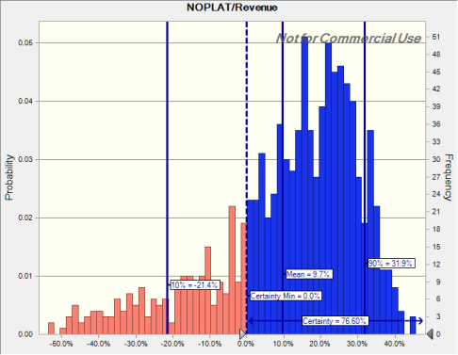

Forecast: NOPLAT/Revenue (cont'd) |  |  |  |  |  | Cell: P156

 | Statistics: |  | Forecast values
 |  | Trials | 1,000
 |  | Base Case | 14.2%
 |  | Mean | 9.7%
 |  | Median | 15.3%
 |  | Mode | ---
 |  | Standard Deviation | 22.6%
 |  | Variance | 5.1%
 |  | Skewness | -1.61
 |  | Kurtosis | 6.53
 |  | Coeff. of Variation | 2.33
 |  | Minimum | -110.8%
 |  | Maximum | 45.6%
 |  | Range Width | 156.4%
 |  | Mean Std. Error | 0.7%

 | Percentiles: |  | Forecast values
 |  | 0% | -110.8%
 |  | 10% | -21.4%
 |  | 20% | -3.7%
 |  | 30% | 4.4%
 |  | 40% | 10.4%
 |  | 50% | 15.3%
 |  | 60% | 19.7%
 |  | 70% | 23.3%
 |  | 80% | 26.8%
 |  | 90% | 31.9%
 |  | 100% | 45.6%

Forecast: NOPLAT1 |  |  |  |  |  | Cell: S15

 | Summary:
 |  | Certainty level is 75.6%
 |  | Certainty range is from $0.00 to ∞
 |  | Entire range is from -$2,266.42 to $4,385.00
 |  | Base case is $790.00
 |  | After 1,000 trials, the std. error of the mean is $39.94

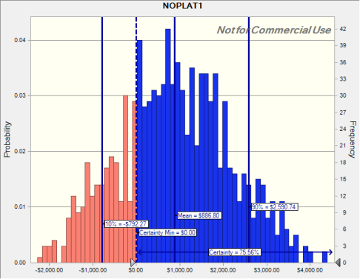

Forecast: NOPLAT1 (cont'd) |  |  |  |  |  | Cell: S15

 | Statistics: |  | Forecast values
 |  | Trials | 1,000
 |  | Base Case | $790.00
 |  | Mean | $886.80
 |  | Median | $856.59
 |  | Mode | ---
 |  | Standard Deviation | $1,262.98
 |  | Variance | $1,595,117.08
 |  | Skewness | 0.0548
 |  | Kurtosis | 2.56
 |  | Coeff. of Variation | 1.42
 |  | Minimum | -$2,266.42
 |  | Maximum | $4,385.00
 |  | Range Width | $6,651.42
 |  | Mean Std. Error | $39.94

 | Percentiles: |  | Forecast values
 |  | 0% | -$2,266.42
 |  | 10% | -$792.27
 |  | 20% | -$211.91
 |  | 30% | $176.53
 |  | 40% | $559.39
 |  | 50% | $855.87
 |  | 60% | $1,219.38
 |  | 70% | $1,582.19
 |  | 80% | $1,955.71
 |  | 90% | $2,590.74
 |  | 100% | $4,385.00

Forecast: NOPLAT2 |  |  |  |  |  | Cell: T15

 | Summary:
 |  | Certainty level is 76.8%
 |  | Certainty range is from $0.00 to ∞
 |  | Entire range is from -$2,330.46 to $4,769.78
 |  | Base case is $907.28
 |  | After 1,000 trials, the std. error of the mean is $42.57

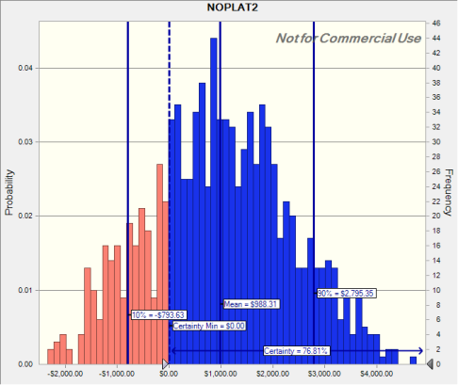

Forecast: NOPLAT2 (cont'd) |  |  |  |  |  | Cell: T15

 | Statistics: |  | Forecast values
 |  | Trials | 1,000
 |  | Base Case | $907.28
 |  | Mean | $988.31
 |  | Median | $959.61
 |  | Mode | ---
 |  | Standard Deviation | $1,346.22
 |  | Variance | $1,812,303.09
 |  | Skewness | 0.0632
 |  | Kurtosis | 2.57
 |  | Coeff. of Variation | 1.36
 |  | Minimum | -$2,330.46
 |  | Maximum | $4,769.78
 |  | Range Width | $7,100.24
 |  | Mean Std. Error | $42.57

 | Percentiles: |  | Forecast values
 |  | 0% | -$2,330.46
 |  | 10% | -$793.63
 |  | 20% | -$176.44
 |  | 30% | $227.42
 |  | 40% | $622.07
 |  | 50% | $954.56
 |  | 60% | $1,329.15
 |  | 70% | $1,722.47
 |  | 80% | $2,091.89
 |  | 90% | $2,795.35
 |  | 100% | $4,769.78

Forecast: NOPLAT3 |  |  |  |  |  | Cell: U15

 | Summary:
 |  | Certainty level is 77.1%
 |  | Certainty range is from $0.00 to ∞
 |  | Entire range is from -$2,395.75 to $5,174.26
 |  | Base case is $1,038.92
 |  | After 1,000 trials, the std. error of the mean is $45.30

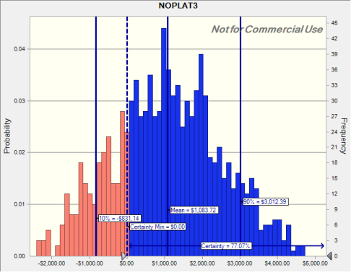

Forecast: NOPLAT3 (cont'd) |  |  |  |  |  | Cell: U15

 | Statistics: |  | Forecast values
 |  | Trials | 1,000
 |  | Base Case | $1,038.92
 |  | Mean | $1,083.72
 |  | Median | $1,057.75
 |  | Mode | ---
 |  | Standard Deviation | $1,432.60
 |  | Variance | $2,052,330.72
 |  | Skewness | 0.0771
 |  | Kurtosis | 2.58
 |  | Coeff. of Variation | 1.32
 |  | Minimum | -$2,395.75
 |  | Maximum | $5,174.26
 |  | Range Width | $7,570.01
 |  | Mean Std. Error | $45.30

 | Percentiles: |  | Forecast values
 |  | 0% | -$2,395.75
 |  | 10% | -$831.14
 |  | 20% | -$140.92
 |  | 30% | $276.21
 |  | 40% | $685.12
 |  | 50% | $1,056.06
 |  | 60% | $1,425.55
 |  | 70% | $1,871.61
 |  | 80% | $2,275.99
 |  | 90% | $3,012.39
 |  | 100% | $5,174.26

Forecast: Total NOPLAT |  |  |  |  |  | Cell: O156

 | Summary:
 |  | Certainty level is 76.6%
 |  | Certainty range is from $0 to ∞
 |  | Entire range is from $(6,993) to $14,329
 |  | Base case is $2,736
 |  | After 1,000 trials, the std. error of the mean is $128

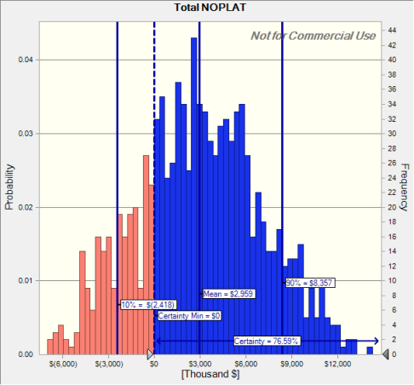

Forecast: Total NOPLAT (cont'd) |  |  |  |  |  | Cell: O156

 | Statistics: |  | Forecast values
 |  | Trials | 1,000 |  | 1
 |  | Base Case | $2,736
 |  | Mean | $2,959 |  | 2
 |  | Median | $2,882 |  | 3
 |  | Mode | --- |  | 4
 |  | Standard Deviation | $4,039 |  | 5
 |  | Variance | $16,311,814 |  | 6
 |  | Skewness | 0.0641 |  | 7
 |  | Kurtosis | 2.57 |  | 8
 |  | Coeff. of Variation | 1.36 |  | 9
 |  | Minimum | $(6,993) |  | 10
 |  | Maximum | $14,329 |  | 11
 |  | Range Width | $21,322 |  | 12
 |  | Mean Std. Error | $128 |  | 13

 | Percentiles: |  | Forecast values
 |  | 0% | $(6,993)
 |  | 10% | $(2,418)
 |  | 20% | $(539)
 |  | 30% | $686
 |  | 40% | $1,857
 |  | 50% | $2,861
 |  | 60% | $3,967
 |  | 70% | $5,142
 |  | 80% | $6,282
 |  | 90% | $8,357
 |  | 100% | $14,329

End of Forecasts
 |  |  |  | Assumptions

Worksheet: [20210930_S2NOPLAT-FinModel_Stochastic_Class3.5_TrendChart_Cballformulas.xlsx]NOPLAT SIMPLEST

Assumption: Demand |  |  |  |  |  | Cell: D156

 | Triangular distribution with parameters:
 |  | 10% | 11,500 |  | (=D179)
 |  | Likeliest | 12,000 |  | (=D152)
 |  | 90% | 14,000 |  | (=D180)

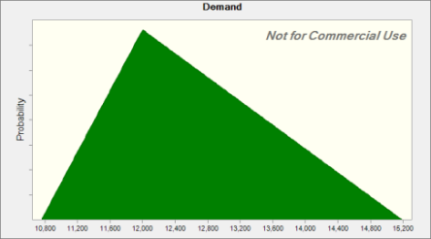

Assumption: Demand growth rate |  |  |  |  |  | Cell: I156

 | Triangular distribution with parameters:
 |  | 10% | 0% |  | (=I179)
 |  | Likeliest | 4% |  | (=I152)
 |  | 90% | 6% |  | (=I180)
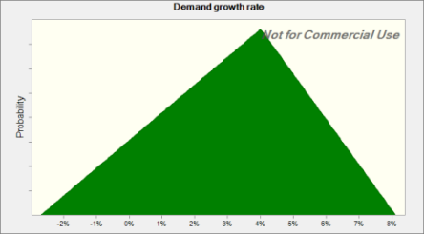

Assumption: Inflation rate |  |  |  |  |  | Cell: H156

 | Triangular distribution with parameters:
 |  | 10% | 1.5% |  | (=H179)
 |  | Likeliest | 3.0% |  | (=H152)
 |  | 90% | 3.5% |  | (=H180)

Assumption: Inflation rate (cont'd) |  |  |  |  |  | Cell: H156

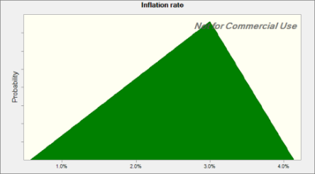

Assumption: Price |  |  |  |  |  | Cell: C156

 | Triangular distribution with parameters:
 |  | 10% | $300 |  | (=C179)
 |  | Likeliest | $500 |  | (=C152)
 |  | 90% | $700 |  | (=C180)
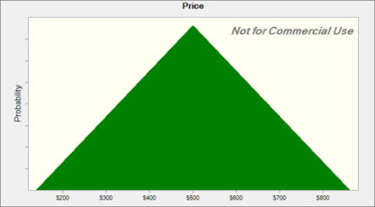

Assumption: Tax rate |  |  |  |  |  | Cell: G156

 | Triangular distribution with parameters:
 |  | 10% | 20.0% |  | (=G179)
 |  | Likeliest | 21.0% |  | (=G152)
 |  | 90% | 35.0% |  | (=G180)

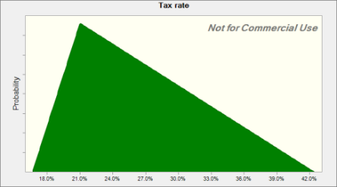

Assumption: Total Fixed Cost |  |  |  |  |  | Cell: F156

 | Triangular distribution with parameters:
 |  | 10% | $1,800,000 |  | (=F179)
 |  | Likeliest | $2,000,000 |  | (=F152)
 |  | 90% | $2,100,000 |  | (=F180)

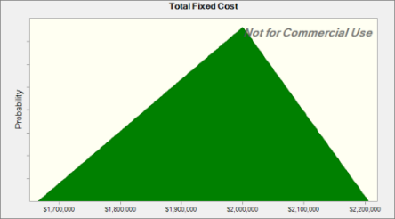

Assumption: Variable Cost |  |  |  |  |  | Cell: E156

 | Triangular distribution with parameters:
 |  | 10% | $200 |  | (=E179)
 |  | Likeliest | $250 |  | (=E152)
 |  | 90% | $270 |  | (=E180)

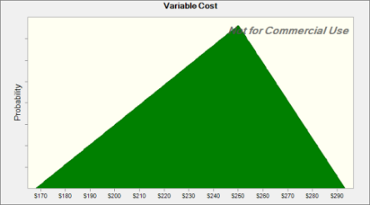

End of Assumptions
 |  |  |  | Trend Charts

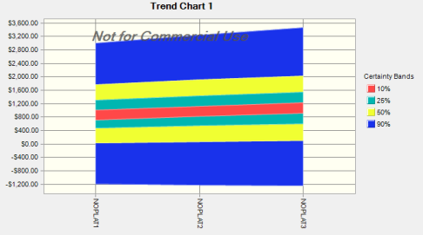

End of Trend Charts
 |  |  |  | Sensitivity Charts

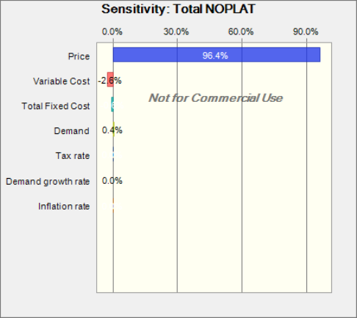

End of Sensitivity Charts

Report OLD
 |  |  |  | Crystal Ball Report - Full
 |  |  |  | Simulation started on 9/23/2021 at 3:08 PM
 |  |  |  | Simulation stopped on 9/23/2021 at 3:11 PM

 | Run preferences:
 |  | Number of trials run | 1,000
 |  | Monte Carlo
 |  | Random seed
 |  | Precision control on
 |  | Confidence level | 95.00%

 | Run statistics:
 |  | Total running time (sec) | 226.39
 |  | Trials/second (average) | 4
 |  | Random numbers per sec | 31

 | Crystal Ball data:
 |  | Assumptions | 7
 |  | Correlations | 0
 |  | Correlation matrices | 0
 |  | Decision variables | 0
 |  | Forecasts | 2

 |  |  |  | Forecasts

Worksheet: [20210923_S2_NOPLAT-FinModel_Stochastic_Class3.3_CntrlPanel_SyntheticTornado.xlsx]NOPLAT SIMPLEST

Forecast: NOPLAT/Revenue |  |  |  |  |  | Cell: P156

 | Summary:
 |  | Certainty level is 75.0%
 |  | Certainty range is from 0.0% to ∞
 |  | Entire range is from -147.2% to 44.4%
 |  | Base case is 14.2%
 |  | After 1,000 trials, the std. error of the mean is 0.8%

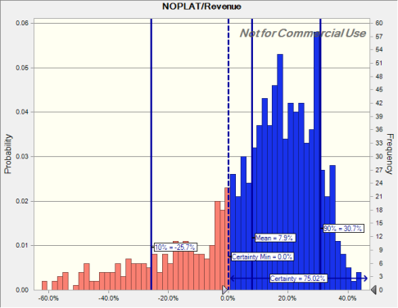

Forecast: NOPLAT/Revenue (cont'd) |  |  |  |  |  | Cell: P156

 | Statistics: |  | Forecast values
 |  | Trials | 1,000
 |  | Base Case | 14.2%
 |  | Mean | 7.9%
 |  | Median | 14.1%
 |  | Mode | ---
 |  | Standard Deviation | 25.1%
 |  | Variance | 6.3%
 |  | Skewness | -1.88
 |  | Kurtosis | 8.06
 |  | Coeff. of Variation | 3.17
 |  | Minimum | -147.2%
 |  | Maximum | 44.4%
 |  | Range Width | 191.7%
 |  | Mean Std. Error | 0.8%

 | Percentiles: |  | Forecast values
 |  | 0% | -147.2%
 |  | 10% | -25.7%
 |  | 20% | -4.4%
 |  | 30% | 3.6%
 |  | 40% | 9.7%
 |  | 50% | 14.1%
 |  | 60% | 18.0%
 |  | 70% | 22.5%
 |  | 80% | 26.9%
 |  | 90% | 30.7%
 |  | 100% | 44.4%

Forecast: Total NOPLAT |  |  |  |  |  | Cell: O156

 | Summary:
 |  | Certainty level is 75.0%
 |  | Certainty range is from $0 to ∞
 |  | Entire range is from $(8,287) to $14,045
 |  | Base case is $2,736
 |  | After 1,000 trials, the std. error of the mean is $129

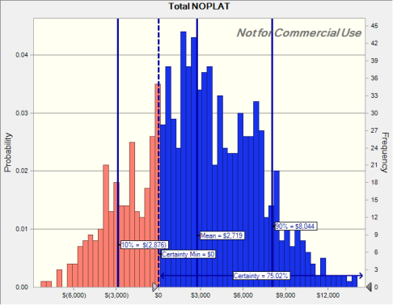

Forecast: Total NOPLAT (cont'd) |  |  |  |  |  | Cell: O156

 | Statistics: |  | Forecast values
 |  | Trials | 1,000
 |  | Base Case | $2,736
 |  | Mean | $2,719
 |  | Median | $2,622
 |  | Mode | ---
 |  | Standard Deviation | $4,087
 |  | Variance | $16,703,565
 |  | Skewness | 0.0184
 |  | Kurtosis | 2.62
 |  | Coeff. of Variation | 1.50
 |  | Minimum | $(8,287)
 |  | Maximum | $14,045
 |  | Range Width | $22,331
 |  | Mean Std. Error | $129

 | Percentiles: |  | Forecast values
 |  | 0% | $(8,287)
 |  | 10% | $(2,876)
 |  | 20% | $(691)
 |  | 30% | $567
 |  | 40% | $1,713
 |  | 50% | $2,622
 |  | 60% | $3,626
 |  | 70% | $4,984
 |  | 80% | $6,426
 |  | 90% | $8,044
 |  | 100% | $14,045

End of Forecasts
 |  |  |  | Assumptions

Worksheet: [20210923_S2_NOPLAT-FinModel_Stochastic_Class3.3_CntrlPanel_SyntheticTornado.xlsx]NOPLAT SIMPLEST

Assumption: Demand |  |  |  |  |  | Cell: D156

 | Triangular distribution with parameters:
 |  | 10% | 11,500 |  | (=D179)
 |  | Likeliest | 12,000 |  | (=D152)
 |  | 90% | 14,000 |  | (=D180)
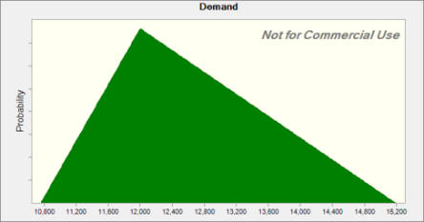

Assumption: Demand growth rate |  |  |  |  |  | Cell: I156

 | Triangular distribution with parameters:
 |  | 10% | 0% |  | (=I179)
 |  | Likeliest | 4% |  | (=I152)
 |  | 90% | 6% |  | (=I180)



Assumption: Inflation rate |  |  |  |  |  | Cell: H156

 | Triangular distribution with parameters:
 |  | 10% | 1.5% |  | (=H179)
 |  | Likeliest | 3.0% |  | (=H152)
 |  | 90% | 3.5% |  | (=H180)

Assumption: Inflation rate (cont'd) |  |  |  |  |  | Cell: H156



Assumption: Price |  |  |  |  |  | Cell: C156

 | Triangular distribution with parameters:
 |  | 10% | $300 |  | (=C179)
 |  | Likeliest | $500 |  | (=C152)
 |  | 90% | $700 |  | (=C180)
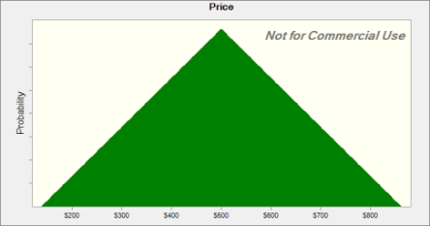

Assumption: Tax rate |  |  |  |  |  | Cell: G156

 | Triangular distribution with parameters:
 |  | 10% | 20.0% |  | (=G179)
 |  | Likeliest | 21.0% |  | (=G152)
 |  | 90% | 35.0% |  | (=G180)



Assumption: Total Fixed Cost |  |  |  |  |  | Cell: F156

 | Triangular distribution with parameters:
 |  | 10% | $1,800,000 |  | (=F179)
 |  | Likeliest | $2,000,000 |  | (=F152)
 |  | 90% | $2,100,000 |  | (=F180)

Assumption: Total Fixed Cost (cont'd) |  |  |  |  |  | Cell: F156



Assumption: Variable Cost |  |  |  |  |  | Cell: E156

 | Triangular distribution with parameters:
 |  | 10% | $200 |  | (=E179)
 |  | Likeliest | $250 |  | (=E152)
 |  | 90% | $270 |  | (=E180)


End of Assumptions
 |  |  |  | Sensitivity Charts

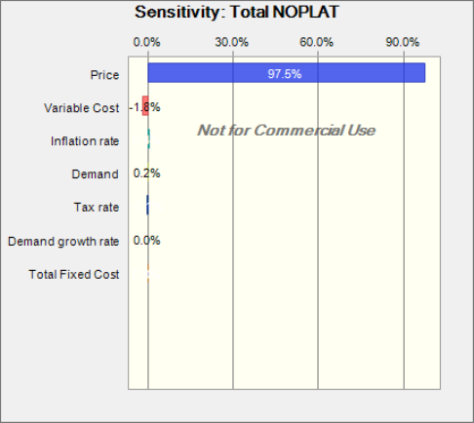

End of Sensitivity Charts

Tornado Chart
Total NOPLAT

Bar labels show the test range for each input variable

 | Total NOPLAT |  |  |  | Input
Input Variable | Downside | Upside | Range | Explained Variation1 | Downside | Upside | Base Case
Price | $1,520 | $4,379 | $2,858 | 69.06% | $450 | $550 | $500
Variable Cost | $3,634 | $2,264 | $1,370 | 84.93% | $216 | $264 | $240
Demand | $1,983 | $2,949 | $966 | 92.82% | 11,278 | 12,531 | 12,531
Total Fixed Cost | $3,399 | $2,500 | $899 | 99.64% | $1,769,403 | $2,162,603 | $1,966,003
Tax rate | $3,052 | $2,847 | $205 | 100.00% | 23.2% | 28.4% | 25.8%
Inflation rate | $2,941 | $2,958 | $17 | 100.00% | 2.4% | 2.9% | 2.7%
Demand growth rate | $2,949 | $2,949 | $0 | 100.00% | 3% | 3% | 3%
1 Explained Variation is cumulative

Run options:
Tornado method |  |  |  | Deviations (by percentage)
Test range |  |  |  | -10% to 10%
Test points |  |  |  | 5
Customize test ranges by variable |  |  |  | Off
Show top variables |  |  |  | 20
Base case for Crystal Ball variables |  |  |  | Median values

Spider Chart
Total NOPLAT

 |  | Total NOPLAT
Input Variable | Elasticity1 | -10.00% | -5.00% | 0.00% | 5.00% | 10.00%
Price | 5.17 | $1,520 | $2,235 | $2,949 | $3,664 | $4,379
Variable Cost | -2.38 | $3,634 | $3,292 | $2,949 | $2,607 | $2,264
Demand | 1.84 | $1,983 | $2,723 | $2,949 | $2,949 | $2,949
Total Fixed Cost | -1.54 | $3,399 | $3,174 | $2,949 | $2,725 | $2,500
Tax rate | -0.35 | $3,052 | $3,001 | $2,949 | $2,898 | $2,847
Inflation rate | 0.03 | $2,941 | $2,945 | $2,949 | $2,953 | $2,958
Demand growth rate | 0.00 | $2,949 | $2,949 | $2,949 | $2,949 | $2,949
1Elasticity is averaged across the entire test range

Run options:
Tornado method |  |  |  | Deviations (by percentage)
Test range |  |  |  | -10% to 10%
Test points |  |  |  | 5
Customize test ranges by variable |  |  |  | Off
Show top variables |  |  |  | 20
Base case for Crystal Ball variables |  |  |  | Median values

