Critical Issue
SQL Injection: Blind ( 11299 )

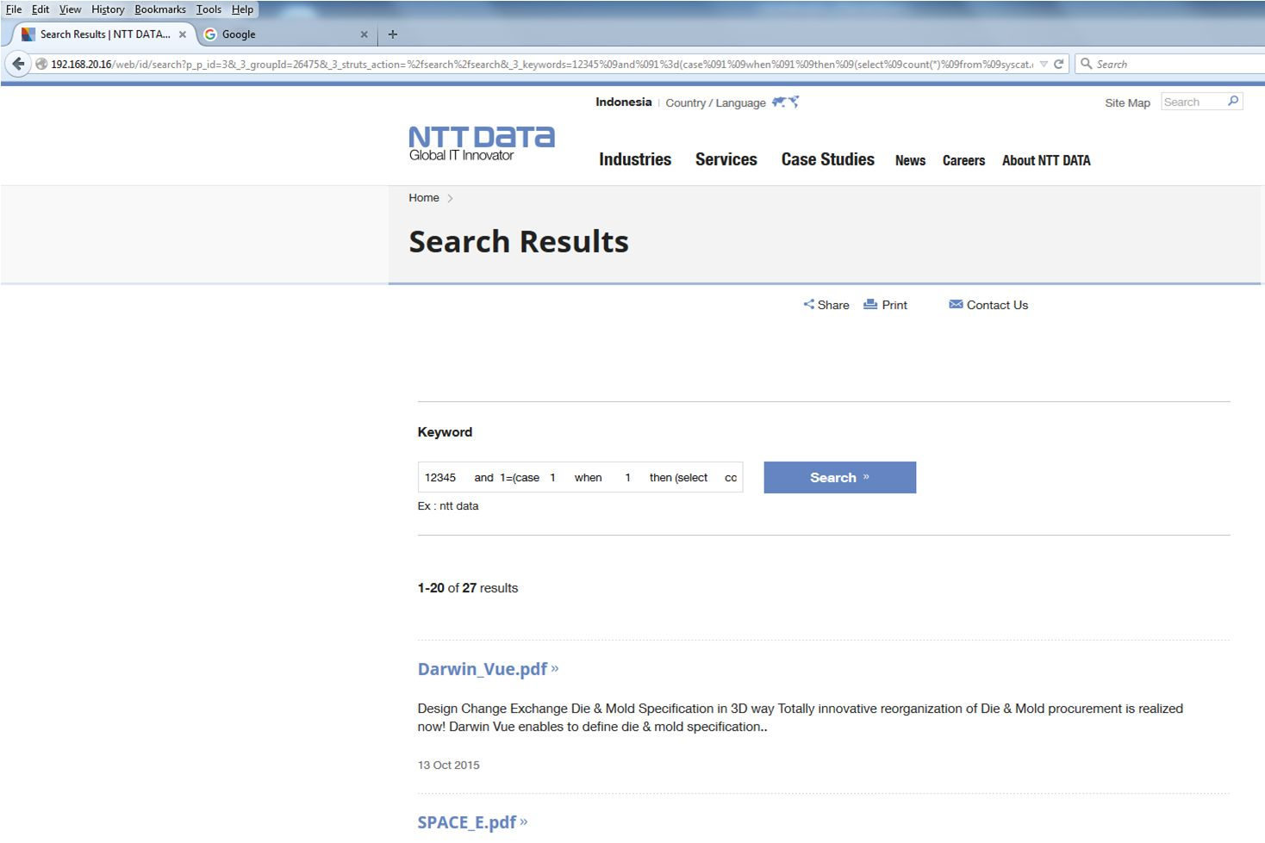

Normal search results

High Issue 708
Access Control: Unprotected File ( 708 )
 | http://192.168.20.16/ja/web/id/industries/banking-and-financial-services.bak
 | http://192.168.20.16/web/id/industries/unbanked-sector.bak
 | http://192.168.20.16/vi/web/id/services/vending-machine.bak
 | http://192.168.20.16/vi/web/id/about-ntt-data/corporate/our-way.bak

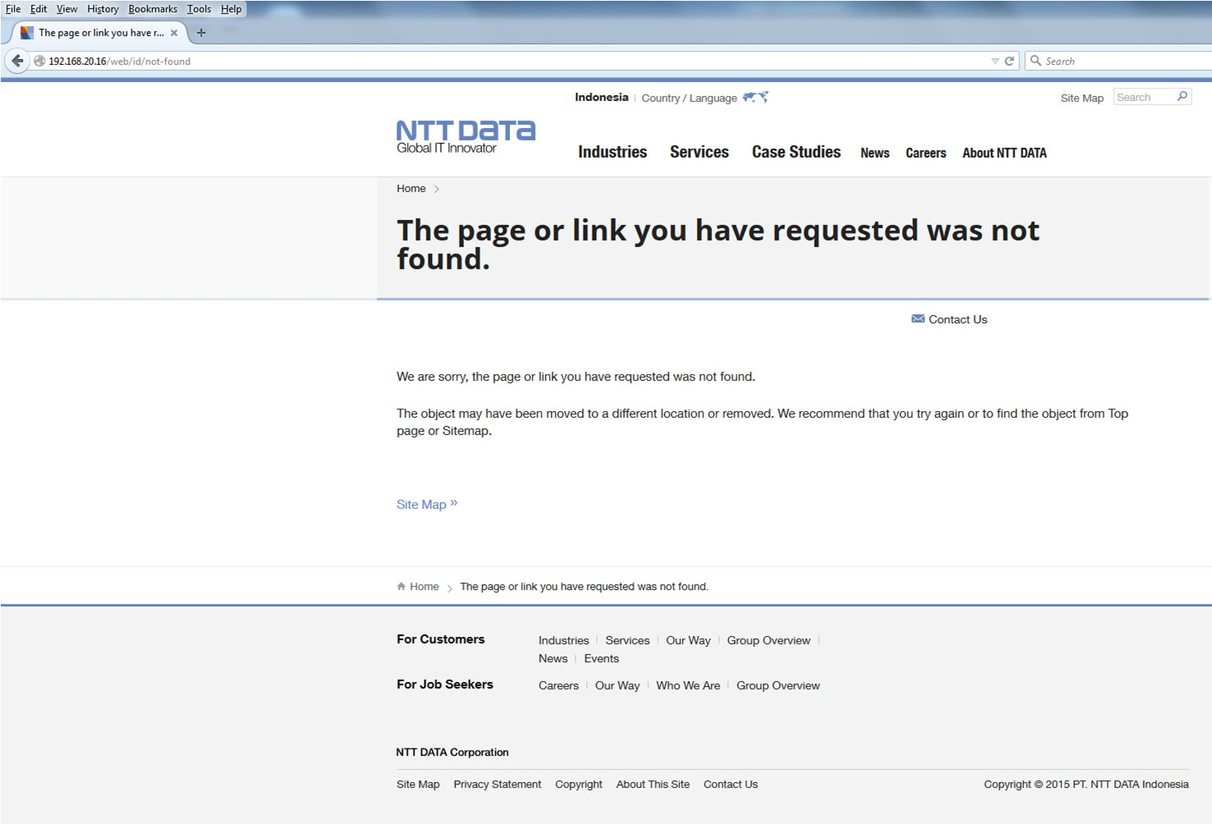

Not Found page is redirected

High Issue 709
Access Control: Unprotected File ( 709 )
 | http://192.168.20.16/vi/web/id/services/vending-machine.old
 | http://192.168.20.16/vi/web/id/careers/why-ntt-data.old

Not Found page is redirected

High Issue 3277
Session Hijacking ( 3277 )
 | http://192.168.20.16/htbin/ndCGI.exe/

Not Found page is redirected

