house_master_remarks
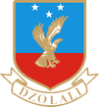

KETA SENIOR HIGH TECHNICAL SCHOOL
HOUSE MASTER REMARK DATA SHEET
ACADEMIC_YEAR | SEMESTER | STUDENT_ID | NAME | REMARK
2020/2021 | 1 | 111 | Helegah Raynard Dodzi

