house_master_remarks
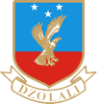

KETA SENIOR HIGH TECHNICAL SCHOOL
END OF TERM HOUSE MASTER REMARKS

