Legend
Targeted protein families: |  |  |  | Mutation location within GNAO1 catalytic domain, schematic:
shorthand | name | targeted by (direction, activity[uM]) | more info | See also the Supplementary Video. E = epilepsy, MD = movement disorder.
ABAT | 4-Aminobutyrate aminotransferase | vigabatrin(↓300K),vigabatrine(↓300K) | Wikipedia | 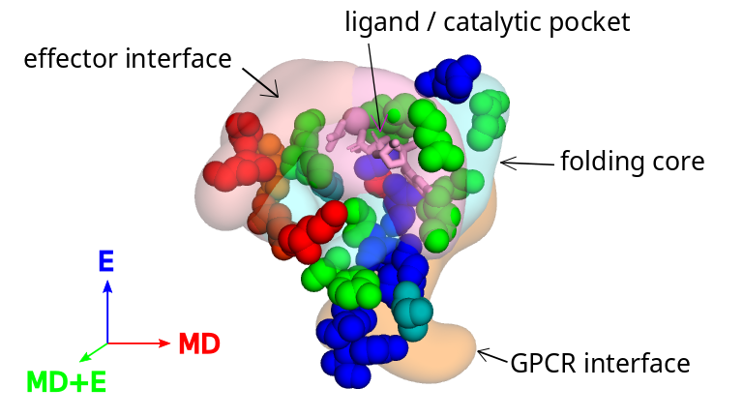
ADRA | alpha-adrenergic receptor | bromocriptine(?1),chlorpromazine(↓1),dexmedetomidine(↑1),risperidone(?1),amitriptyline(?4),haloperidol(?8),clonidine(↑23),trazodone(↓27),tiapride(↓779),levodopa(?2K),sinemet(?2K) | Wikipedia
AVPR1B | Vasopressin V1b receptor | carbamazepine(?10K) | Wikipedia
CA | Carbonic anhydrase | acetazolamide(↓1),topiramate(↓1),zonisamide(↓5),sulthiame(?6),lacosamide(?331),propofol(?19K) | Wikipedia
CACNA | Calcium voltage-gated channel subunit alpha | gabapentin(↓59) | Wikipedia
CHRM | Muscarinic acetylcholine receptor | amitriptyline(↓1),benzhexol(↓1),trihexyphenidyl(↓1),chlorpromazine(↓18),bethanechol(↑97),ketamine(?10K) | Wikipedia
CHRN | Neuronal acetylcholine receptor | curare(↓10K) | Wikipedia
CYP | Cytochrome P450 | midazolam(?2K),fosphenytoin(?8K),phenytoin(?8K) | Wikipedia
DRD | Dopamine receptor | pimozide(↓1),risperidone(↓1),chlorpromazine(↓2),haloperidol(↓2),pramipexole(↑2),bromocriptine(?4),tiapride(↓14),levodopa(↑34),sinemet(↑34),amitriptyline(?89),trazodone(?353),carbamazepine(?10K),ketamine(↑10K) | Wikipedia
GABBR | GABA-B receptor | baclofen(↑6K),vigabatrin(↑weak),vigabatrine(↑weak) | Wikipedia
GABR | GABA-A recptor | benzodiazepine(↑1),clonazepam(↑1),flunitrazepam(↑2),lorazepam(↑3),diazepam(↑8),clobazam(↑205) | Wikipedia
GLUTAMATE KAINATE | Kainate receptor | ketamine(?10K) | Wikipedia
GRI | Glutamate receptor ionotropic | ketamine(↓420) | Wikipedia
HRH | Histamine receptor | amitriptyline(↓1),chlorpromazine(↓3),risperidone(↓14),trazodone(↓42),ketamine(?10K),nitrazepam(?10K),carbamazepine(?55K) | Wikipedia
HTR | 5-HT2 receptor | pimozide(↓1),risperidone(↓1),amitriptyline(↓3),chlorpromazine(↓3),bromocriptine(?5),trazodone(?6),haloperidol(↓23),propofol(?950),carbamazepine(?10K),ketamine(?10K) | Wikipedia
KCN | Potassium voltage-gated channel | pimozide(↓18) | Wikipedia
KDM4E | Lysine-specific demethylase 4E | sinemet(?1K) | Uniprot
MTNR | Melatonin receptor | melatonin(↑1) | Wikipedia
NISCH | Nischarin | clonidine(?9),dexmedetomidine(?50) | Uniprot
NR3C | Glucocorticoid receptor | prednisolone(↑2),methylprednisolone(↑5),hydroaltesone(↑12),prednisone(↑521) | Wikipedia
OPR | Opioid receptor | fentanyl(↑2),ketamine(↑10K) | Wikipedia
SCN | Sodium channel | lamotrigine(↓17K),fosphenytoin(↓24K),phenytoin(↓24K),carbamazepine(↓32K),oxcarbazepine(?80K) | Wikipedia
SERPINA6 | Serine peptidase inhibitor | hydroaltesone(?13),prednisolone(?31) | NCBI
SIGMAR1 | Sigma-1 receptor | haloperidol(?1),benzhexol(?45),trihexyphenidyl(?45),ketamine(?10K) | Wikipedia
SLC | Solute carrier | amitriptyline(↓3),tetrabenazine(↓13),chlorpromazine(?19),pimozide(?69),trazodone(↓102),levodopa(↓323),sinemet(↓323),clonidine(↓550),midazolam(?3K),propofol(?9K),ketamine(↓10K),vigabatrin(↓weak),vigabatrine(↓weak) | Wikipedia
SV2A | Synaptic vesicle glycoprotein 2A | levetiracetam(↑10K) | Uniprot
TAAR1 | Trace amine-associated receptor 1 | levodopa(?422),sinemet(?422) | Uniprot
TMEM97 | Sigma-2 receptor | haloperidol(?14),trazodone(?536) | Wikipedia

Drugs referenced:
drug | generic_name | active moiety | DrugBank
acetazolamide | acetazolamide | acetazolamide | DB00819
amitriptyline | amitriptyline | amitriptyline | DB00321
baclofen | baclofen | baclofen | DB00181
benzhexol | trihexyphenidyl | trihexyphenidyl | DB00376
benzodiazepine | clonazepam | clonazepam | DB01068
bethanechol | bethanechol | bethanechol | DB01019
bromocriptine | bromocriptine | bromocriptine | DB01200
carbamazepine | carbamazepine | carbamazepine | DB00564
chlorpromazine | chlorpromazine | chlorpromazine | DB00477
clobazam | clobazam | clobazam | DB00349
clonazepam | clonazepam | clonazepam | DB01068
clonidine | clonidine | clonidine | DB00575
curare | pancuronium | pancuronium | DB01337
dexmedetomidine | dexmedetomidine | dexmedetomidine | DB00633
diazepam | diazepam | diazepam | DB00829
fentanyl | fentanyl | fentanyl | DB00813
flunitrazepam | flunitrazepam | flunitrazepam | DB01544
fosphenytoin | fosphenytoin | phenytoin | DB00252
gabapentin | gabapentin | gabapentin | DB00996
haloperidol | haloperidol | haloperidol | DB00502
hydroaltesone | hydrocortisone | hydrocortisone | DB00741
ketamine | ketamine | ketamine | DB01221
lacosamide | lacosamide | lacosamide | DB06218
lamotrigine | lamotrigine | lamotrigine | DB00555
levetiracetam | levetiracetam | levetiracetam | DB01202
levodopa | levodopa | dopamine | DB00988
lorazepam | lorazepam | lorazepam | DB00186
melatonin | melatonin | melatonin | DB01065
methylprednisolone | methylprednisolone | methylprednisolone | DB00959
midazolam | midazolam | midazolam | DB00683
nitrazepam | nitrazepam | nitrazepam | DB01595
oxcarbazepine | oxcarbazepine | eslicarbazepine | DB14575
phenytoin | phenytoin | phenytoin | DB00252
pimozide | pimozide | pimozide | DB01100
pramipexole | pramipexole | pramipexole | DB00413
prednisolone | prednisolone | prednisolone | DB00860
prednisone | prednisone | prednisone | DB00635
propofol | propofol | propofol | DB00818
risperidone | risperidone | risperidone | DB00734
sinemet | carbidopa | carbidopa | DB00190
sinemet | levodopa | dopamine | DB00988
sulthiame | sulthiame | sulthiame | DB08329
tetrabenazine | tetrabenazine | tetrabenazine | DB04844
tiapride | tiapride | tiapride | DB13025
topiramate | topiramate | topiramate | DB00273
trazodone | trazodone | trazodone | DB00656
trihexyphenidyl | trihexyphenidyl | trihexyphenidyl | DB00376
vigabatrin | vigabatrin | vigabatrin | DB01080
vigabatrine | vigabatrin | vigabatrin | DB01080
zonisamide | zonisamide | zonisamide | DB00909

