GNAO1 variants and therapy
protein position | identical in paralogues | nearest interface [Å] | location schematic | protein modification | frequency (gnomAD) | phenotype | symptom | effectiveness | drugs (direction, activity[uM]) | gender | pubmed
40 | yes | substrate:5.9; AC:8.6 | 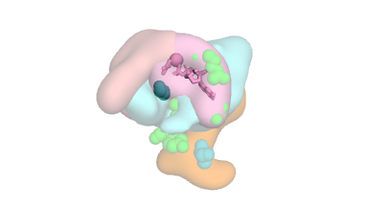 | G40W | none | focal epilepsy | epilepsy | effective | clobazam: GABR(↑205); phenobarbital | F | 30682224
 |  |  |  |  |  |  |  | ineffective | oxcarbazepine: SCN(?80K); levetiracetam: SV2A(↑10K)
 |  |  |  |  |  |  | movement disorder | effective
 |  |  |  |  |  |  |  | ineffective
 |  |  |  | G40R | none | EOEE | epilepsy | effective | clobazam: GABR(↑205); topiramate: CA(↓1); phenobarbital | M | 30682224
 |  |  |  |  |  |  |  | ineffective | levetiracetam: SV2A(↑10K)
 |  |  |  |  |  |  | movement disorder | effective
 |  |  |  |  |  |  |  | ineffective
 |  |  |  |  |  | EOEE; bilateral twitching in upper limbs | epilepsy | effective |  | F | 26485252
 |  |  |  |  |  |  |  | ineffective
 |  |  |  |  |  |  | movement disorder | effective
 |  |  |  |  |  |  |  | ineffective
 |  |  |  |  |  | EOEE | epilepsy | effective |  | M | 28817111
 |  |  |  |  |  |  |  | ineffective
 |  |  |  |  |  |  | movement disorder | effective
 |  |  |  |  |  |  |  | ineffective
 |  |  |  | G40E | none | EOEE; spastic quad | epilepsy | effective | levetiracetam: SV2A(↑10K) | M | 30682224
 |  |  |  |  |  |  |  | ineffective
 |  |  |  |  |  |  | movement disorder | effective
 |  |  |  |  |  |  |  | ineffective
 |  |  |  |  |  | EOEE; dystonia spasticity | epilepsy | effective | levetiracetam: SV2A(↑10K) | F | 30682224
 |  |  |  |  |  |  |  | ineffective
 |  |  |  |  |  |  | movement disorder | effective
 |  |  |  |  |  |  |  | ineffective
42 | no | substrate:2.8; RGS:6.7 | 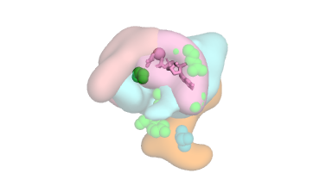 | G42R | none | EOEE; choreoathetosis | epilepsy | effective |  | M | 25590979
 |  |  |  |  |  |  |  | ineffective
 |  |  |  |  |  |  | movement disorder | effective
 |  |  |  |  |  |  |  | ineffective
45 | yes | substrate:2.6 | 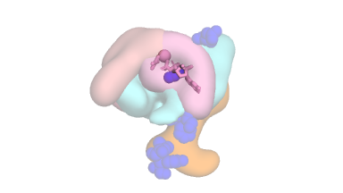 | G45E | none | EOEE, severe hypotonia | epilepsy | effective |  | F | 27343026
 |  |  |  |  |  |  |  | ineffective
 |  |  |  |  |  |  | movement disorder | effective
 |  |  |  |  |  |  |  | ineffective
47 | yes | substrate:1.3; RGS:6.4 | 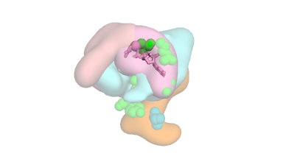 | S47G | none | focal seizures; dystonia | epilepsy | effective |  | M | 28357411
 |  |  |  |  |  |  |  | ineffective
 |  |  |  |  |  |  | movement disorder | effective | tetrabenazine: SLC(↓13)
 |  |  |  |  |  |  |  | ineffective
56 | yes | all > 10 | 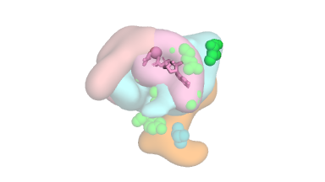 | I56T | none | focal seizures; dyskinetic tongue movements; upper limb dyskinesia | epilepsy | effective |  | F | 28357411
 |  |  |  |  |  |  |  | ineffective
 |  |  |  |  |  |  | movement disorder | effective
 |  |  |  |  |  |  |  | ineffective
174 | yes | substrate:7.2; RGS:9.9 | 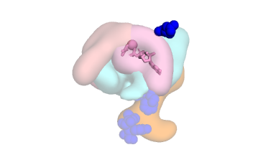 | D174G | none | EOEE, tonic seizures | epilepsy | effective |  | F | 23993195
 |  |  |  |  |  |  |  | ineffective
 |  |  |  |  |  |  | movement disorder | effective
 |  |  |  |  |  |  |  | ineffective
177 | no | substrate:3.5; RGS:9.7 | 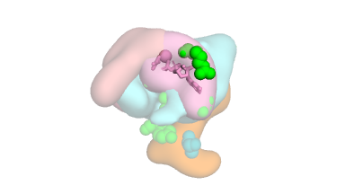 | R177P | none | myoclonic seizures, microcephaly, ataxia, spastic gait | epilepsy | effective | vigabatrin: ABAT(↓300K),GABBR(↑weak),SLC(↓weak); valproate | - | 31394400
 |  |  |  |  |  |  |  | ineffective
 |  |  |  |  |  |  | movement disorder | effective
 |  |  |  |  |  |  |  | ineffective
199 | no | gbeta:5.2; AC:8.6 |  | L199P | none | EOEE; orolingual dyskinesia | epilepsy | effective |  | F | 27072799
 |  |  |  |  |  |  |  | ineffective | clobazam: GABR(↑205); topiramate: CA(↓1); vigabatrin: ABAT(↓300K),GABBR(↑weak),SLC(↓weak); lacosamide: CA(?331); carbamazepine: DRD(?10K),HTR(?10K),AVPR1B(?10K),SCN(↓32K),HRH(?55K); hydroaltesone: NR3C(↑12),SERPINA6(?13); valproate; phenobarbital; zonisamide: CA(↓5); levetiracetam: SV2A(↑10K)
 |  |  |  |  |  |  | movement disorder | effective
 |  |  |  |  |  |  |  | ineffective
203 | yes | substrate:5.9; RGS:6.6; AC:8.1; gbeta:8.2 |  | G203R | none | EOEE; severe choreoathetosis | epilepsy | effective |  | F | 23993195
 |  |  |  |  |  |  |  | ineffective
 |  |  |  |  |  |  | movement disorder | effective
 |  |  |  |  |  |  |  | ineffective
 |  |  |  |  |  | seizures; chorea | epilepsy | effective | clobazam: GABR(↑205) | M | 28202424
 |  |  |  |  |  |  |  | ineffective | zonisamide: CA(↓5)
 |  |  |  |  |  |  | movement disorder | effective | clonazepam: GABR(↑1)
 |  |  |  |  |  |  |  | ineffective
 |  |  |  |  |  | EOEE; severe chorea | epilepsy | effective |  | F | 25966631
 |  |  |  |  |  |  |  | ineffective
 |  |  |  |  |  |  | movement disorder | effective
 |  |  |  |  |  |  |  | ineffective
 |  |  |  |  |  | spasmlike tonic seizures, myoclonic seizures, dyskinetic movements | epilepsy | effective | clobazam: GABR(↑205); sulthiame: CA(?6); levetiracetam: SV2A(↑10K); tiapride: DRD(↓14),ADRA(↓779) | F | 28628939
 |  |  |  |  |  |  |  | ineffective | levodopa: DRD(↑34),SLC(↓323),TAAR1(?422),ADRA(?2K)
 |  |  |  |  |  |  | movement disorder | effective
 |  |  |  |  |  |  |  | ineffective
 |  |  |  |  |  | bilateral tonic seizures, tonic–clonic generalized seizures, vegetative autonomic seizures; paroxysmal dystonias | epilepsy | effective | lamotrigine: SCN(↓17K); zonisamide: CA(↓5) | F | 28628939
 |  |  |  |  |  |  |  | ineffective | clobazam: GABR(↑205); topiramate: CA(↓1); methylprednisolone: NR3C(↑5); phenytoin: CYP(?8K),SCN(↓24K); vigabatrin: ABAT(↓300K),GABBR(↑weak),SLC(↓weak); lacosamide: CA(?331); oxcarbazepine: SCN(?80K); valproate; phenobarbital; levetiracetam: SV2A(↑10K)
 |  |  |  |  |  |  | movement disorder | effective | baclofen: GABBR(↑6K); benzodiazepine: GABR(↑1)
 |  |  |  |  |  |  |  | ineffective | trihexyphenidyl: CHRM(↓1),SIGMAR1(?45); gabapentin: CACNA(↓59)
 |  |  |  |  |  | EOEE; dystonia; paroxysmal ballism; chorea | epilepsy | effective | topiramate: CA(↓1) | F | 30642806
 |  |  |  |  |  |  |  | ineffective | carbamazepine: DRD(?10K),HTR(?10K),AVPR1B(?10K),SCN(↓32K),HRH(?55K); phenobarbital; benzodiazepine: GABR(↑1)
 |  |  |  |  |  |  | movement disorder | effective | clonazepam: GABR(↑1)
 |  |  |  |  |  |  |  | ineffective
 |  |  |  |  |  | EOEE; 4 limbs dyskinesia; chaotic spontaneous motility | epilepsy | effective | phenobarbital | M | 30642806
 |  |  |  |  |  |  |  | ineffective
 |  |  |  |  |  |  | movement disorder | effective | lorazepam: GABR(↑3); tetrabenazine: SLC(↓13); baclofen: GABBR(↑6K)
 |  |  |  |  |  |  |  | ineffective
 |  |  |  |  |  | EOEE; lack of psychomotor development | epilepsy | effective | vigabatrin: ABAT(↓300K),GABBR(↑weak),SLC(↓weak); topiramate: CA(↓1); levetiracetam: SV2A(↑10K) | F | 29429466
 |  |  |  |  |  |  |  | ineffective | valproate
 |  |  |  |  |  |  | movement disorder | effective
 |  |  |  |  |  |  |  | ineffective
204 | yes | substrate:5.0; RGS:6.4; AC:7.5 |  | G204R | none | EOEE; hypotonia; dystonic posturing; chorea; ballism | epilepsy | effective |  | M | 30103967
 |  |  |  |  |  |  |  | ineffective
 |  |  |  |  |  |  | movement disorder | effective | tetrabenazine: SLC(↓13); benzodiazepine: GABR(↑1)
 |  |  |  |  |  |  |  | ineffective | levodopa: DRD(↑34),SLC(↓323),TAAR1(?422),ADRA(?2K)
207 | yes | RGS:2.7; gbeta:4.5; AC:5.6 | 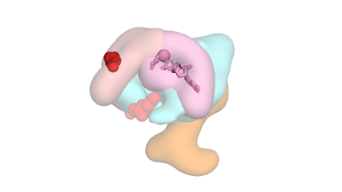 | S207Y | none | motor delays generalized dystonia | epilepsy | effective |  | M | 30682224
 |  |  |  |  |  |  |  | ineffective
 |  |  |  |  |  |  | movement disorder | effective | botox
 |  |  |  |  |  |  |  | ineffective | sinemet: DRD(↑34),SLC(↓323),TAAR1(?422),KDM4E(?1K),ADRA(?2K)
 |  |  |  | S207F | none | choreoathetosis dystonia bradykinesia | epilepsy | effective |  | F | 32044685
 |  |  |  |  |  |  |  | ineffective
 |  |  |  |  |  |  | movement disorder | effective
 |  |  |  |  |  |  |  | ineffective | levodopa: DRD(↑34),SLC(↓323),TAAR1(?422),ADRA(?2K); botox; trihexyphenidyl: CHRM(↓1),SIGMAR1(?45); tetrabenazine: SLC(↓13); clonazepam: GABR(↑1); pramipexole: DRD(↑2)
209 | yes | AC:3.4; gbeta:5.7; RGS:6.3; substrate:8.6 | 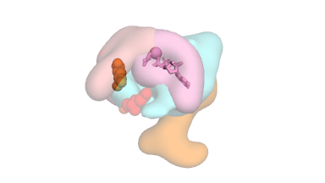 | R209C | none | (?) hypotonia | epilepsy | effective |  | F | 30682224
 |  |  |  |  |  |  |  | ineffective
 |  |  |  |  |  |  | movement disorder | effective
 |  |  |  |  |  |  |  | ineffective
 |  |  |  |  |  | GTCs; hyperkinetic | epilepsy | effective |  | M | 28357411
 |  |  |  |  |  |  |  | ineffective
 |  |  |  |  |  |  | movement disorder | effective
 |  |  |  |  |  |  |  | ineffective
 |  |  |  |  |  | focal seizures; complex stereotypies; dyskinetic motor pattern | epilepsy | effective |  | M | 28357411
 |  |  |  |  |  |  |  | ineffective
 |  |  |  |  |  |  | movement disorder | effective
 |  |  |  |  |  |  |  | ineffective
 |  |  |  |  |  | focal dyscognitive seizures; severe chorea patient 3 | epilepsy | effective |  | F | 25966631
 |  |  |  |  |  |  |  | ineffective
 |  |  |  |  |  |  | movement disorder | effective
 |  |  |  |  |  |  |  | ineffective
 |  |  |  |  |  | trunk hypotonia; generalized choreo-ballistic hyperkinesia | epilepsy | effective |  | F | 30642806
 |  |  |  |  |  |  |  | ineffective
 |  |  |  |  |  |  | movement disorder | effective | haloperidol: SIGMAR1(?1),DRD(↓2),ADRA(?8),TMEM97(?14),HTR(↓23); curare: CHRN(↓10K)
 |  |  |  |  |  |  |  | ineffective | midazolam: CYP(?2K),SLC(?3K); propofol: HTR(?950),SLC(?9K),CA(?19K); phenytoin: CYP(?8K),SCN(↓24K); baclofen: GABBR(↑6K); clonazepam: GABR(↑1); levodopa: DRD(↑34),SLC(↓323),TAAR1(?422),ADRA(?2K); tetrabenazine: SLC(↓13); clonidine: NISCH(?9),ADRA(↑23),SLC(↓550)
 |  |  |  |  |  | dystona w hyperkinetic features; orofacial dyskinesia | epilepsy | effective |  | F | 30103967
 |  |  |  |  |  |  |  | ineffective
 |  |  |  |  |  |  | movement disorder | effective
 |  |  |  |  |  |  |  | ineffective | trihexyphenidyl: CHRM(↓1),SIGMAR1(?45); tetrabenazine: SLC(↓13); levodopa: DRD(↑34),SLC(↓323),TAAR1(?422),ADRA(?2K)
 |  |  |  |  |  | tonic-clonic and partial complex frontal seizures; decreased muscle tone, dystonia, athetosis | epilepsy | effective | topiramate: CA(↓1); lamotrigine: SCN(↓17K); valproate | M | 30103967
 |  |  |  |  |  |  |  | ineffective | levetiracetam: SV2A(↑10K)
 |  |  |  |  |  |  | movement disorder | effective | tetrabenazine: SLC(↓13)
 |  |  |  |  |  |  |  | ineffective | botox; trihexyphenidyl: CHRM(↓1),SIGMAR1(?45); baclofen: GABBR(↑6K)
 |  |  |  |  |  | GTCs; chorea; dystonia; ballism; oro-facio-lingual dyskinesia | epilepsy | effective |  | F | 28668776
 |  |  |  |  |  |  |  | ineffective
 |  |  |  |  |  |  | movement disorder | effective | clonidine: NISCH(?9),ADRA(↑23),SLC(↓550); benzhexol: CHRM(↓1),SIGMAR1(?45)
 |  |  |  |  |  |  |  | ineffective | midazolam: CYP(?2K),SLC(?3K)
 |  |  |  |  |  | hyperkinetic movements; generalized disabling tremor | epilepsy | effective |  | F | 31190250
 |  |  |  |  |  |  |  | ineffective
 |  |  |  |  |  |  | movement disorder | effective | levodopa: DRD(↑34),SLC(↓323),TAAR1(?422),ADRA(?2K)
 |  |  |  |  |  |  |  | ineffective | trihexyphenidyl: CHRM(↓1),SIGMAR1(?45); clonazepam: GABR(↑1)
 |  |  |  |  |  | dystonic storm; chorea, ballismus, orofacial dyskinesia, dystonia | epilepsy | effective |  | M | 29661126
 |  |  |  |  |  |  |  | ineffective
 |  |  |  |  |  |  | movement disorder | effective | levodopa: DRD(↑34),SLC(↓323),TAAR1(?422),ADRA(?2K); clonazepam: GABR(↑1); bromocriptine: ADRA(?1),DRD(?4),HTR(?5)
 |  |  |  |  |  |  |  | ineffective | chlorpromazine: ADRA(↓1),DRD(↓2),HTR(↓3),HRH(↓3),CHRM(↓18),SLC(?19)
 |  |  |  | R209G | none | chorea | epilepsy | effective |  | F | 27068059
 |  |  |  |  |  |  |  | ineffective
 |  |  |  |  |  |  | movement disorder | effective | midazolam: CYP(?2K),SLC(?3K); propofol: HTR(?950),SLC(?9K),CA(?19K); dexmedetomidine: ADRA(↑1),NISCH(?50)
 |  |  |  |  |  |  |  | ineffective | clonidine: NISCH(?9),ADRA(↑23),SLC(↓550); clonazepam: GABR(↑1); valproate; bethanechol: CHRM(↑97)
 |  |  |  | R209H | none | chorea and ballismus | epilepsy | effective |  | M | 27068059
 |  |  |  |  |  |  |  | ineffective
 |  |  |  |  |  |  | movement disorder | effective | risperidone: HTR(↓1),DRD(↓1),ADRA(?1),HRH(↓14),H1-0(?14); benzodiazepine: GABR(↑1); dexmedetomidine: ADRA(↑1),NISCH(?50)
 |  |  |  |  |  |  |  | ineffective
 |  |  |  |  |  | dystonia; severe chorea | epilepsy | effective |  | M | 30838255
 |  |  |  |  |  |  |  | ineffective
 |  |  |  |  |  |  | movement disorder | effective | trihexyphenidyl: CHRM(↓1),SIGMAR1(?45); tetrabenazine: SLC(↓13)
 |  |  |  |  |  |  |  | ineffective
 |  |  |  |  |  | severe choreathetosis | epilepsy | effective |  | M | 26060304
 |  |  |  |  |  |  |  | ineffective
 |  |  |  |  |  |  | movement disorder | effective | valproate
 |  |  |  |  |  |  |  | ineffective | clonazepam: GABR(↑1)
 |  |  |  |  |  | severe choreathetosis | epilepsy | effective |  | M | 26060304
 |  |  |  |  |  |  |  | ineffective
 |  |  |  |  |  |  | movement disorder | effective
 |  |  |  |  |  |  |  | ineffective | clonidine: NISCH(?9),ADRA(↑23),SLC(↓550); clonazepam: GABR(↑1)
 |  |  |  |  |  | mobile dystonia with myoclonic jerks | epilepsy | effective |  | M | 27625011
 |  |  |  |  |  |  |  | ineffective
 |  |  |  |  |  |  | movement disorder | effective
 |  |  |  |  |  |  |  | ineffective
 |  |  |  | R209L | none | mobile dystonia with myoclonic jerks | epilepsy | effective |  | M | 27625011
 |  |  |  |  |  |  |  | ineffective
 |  |  |  |  |  |  | movement disorder | effective
 |  |  |  |  |  |  |  | ineffective
221 | no | GPCR:8.9; gbeta:9.0 | 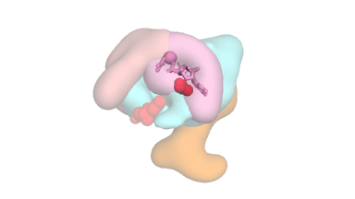 | A221D | none | dysarthia, dystonia, tremor and parkinsonsim | epilepsy | effective |  | F | 30682224
 |  |  |  |  |  |  |  | ineffective
 |  |  |  |  |  |  | movement disorder | effective | levodopa: DRD(↑34),SLC(↓323),TAAR1(?422),ADRA(?2K)
 |  |  |  |  |  |  |  | ineffective
227 | no | substrate:7.5 |  | A227V | none | EOEE (infantile spasms); hand stereotypies | epilepsy | effective | prednisone: NR3C(↑521) | F | 25966631
 |  |  |  |  |  |  |  | ineffective | clonazepam: GABR(↑1); valproate
 |  |  |  |  |  |  | movement disorder | effective
 |  |  |  |  |  |  |  | ineffective
228 | no | substrate:7.5 | 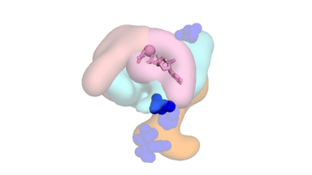 | L228P | none | EOEE, mild microcephaly, hypotonia | epilepsy | effective |  | F | 31054490
 |  |  |  |  |  |  |  | ineffective
 |  |  |  |  |  |  | movement disorder | effective
 |  |  |  |  |  |  |  | ineffective
231 | no | all > 10 |  | Y231C | none | EOEE; stereotypic spasm-like movements | epilepsy | effective |  | F | 28503590
 |  |  |  |  |  |  |  | ineffective | lamotrigine: SCN(↓17K); phenobarbitone; vigabatrine: ABAT(↓300K),GABBR(↑weak),SLC(↓weak)
 |  |  |  |  |  |  | movement disorder | effective
 |  |  |  |  |  |  |  | ineffective
233 | no | substrate:9.4 | 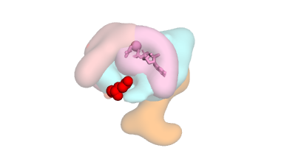 | Q233P | none | hypotonia; choreathetosis and orofacial dyskinesia | epilepsy | effective |  | F | 27278281
 |  |  |  |  |  |  |  | ineffective
 |  |  |  |  |  |  | movement disorder | effective | pimozide: DRD(↓1),HTR(↓1),KCN(↓18),SLC(?69); midazolam: CYP(?2K),SLC(?3K); fentanyl: OPR(↑2)
 |  |  |  |  |  |  |  | ineffective | clonazepam: GABR(↑1); haloperidol: SIGMAR1(?1),DRD(↓2),ADRA(?8),TMEM97(?14),HTR(↓23); carbamazepine: DRD(?10K),HTR(?10K),AVPR1B(?10K),SCN(↓32K),HRH(?55K); acetazolamide: CA(↓1); diazepam: GABR(↑8)
237 | yes | RGS:4.0; AC:8.0; substrate:8.4 | 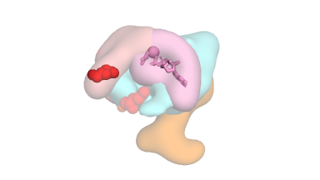 | E237K | none | global hypotonia; choreiform and dyskinetic movements | epilepsy | effective |  | F | 30642806
 |  |  |  |  |  |  |  | ineffective
 |  |  |  |  |  |  | movement disorder | effective
 |  |  |  |  |  |  |  | ineffective
 |  |  |  |  |  | severe hypotonia; ballism; dystonia | epilepsy | effective |  | M | 30103967
 |  |  |  |  |  |  |  | ineffective
 |  |  |  |  |  |  | movement disorder | effective
 |  |  |  |  |  |  |  | ineffective
 |  |  |  |  |  | dystonic and dyskinetic features; chorea | epilepsy | effective |  | M | 30103967
 |  |  |  |  |  |  |  | ineffective
 |  |  |  |  |  |  | movement disorder | effective
 |  |  |  |  |  |  |  | ineffective | trihexyphenidyl: CHRM(↓1),SIGMAR1(?45); tetrabenazine: SLC(↓13); clonazepam: GABR(↑1); pimozide: DRD(↓1),HTR(↓1),KCN(↓18),SLC(?69); amitriptyline: HRH(↓1),CHRM(↓1),SLC(↓3),HTR(↓3),ADRA(?4),DRD(?89)
 |  |  |  |  |  | chorea; hemiballism; dystonia; oro-facio-lingual dyskinesia | epilepsy | effective |  | M | 28668776
 |  |  |  |  |  |  |  | ineffective
 |  |  |  |  |  |  | movement disorder | effective | tetrabenazine: SLC(↓13); clonazepam: GABR(↑1); botox; phenobarbital
 |  |  |  |  |  |  |  | ineffective | levodopa: DRD(↑34),SLC(↓323),TAAR1(?422),ADRA(?2K); clobazam: GABR(↑205); ketamine: GRI(↓420),DRD(↑10K),OPR(↑10K),SLC(↓10K),CHRM(?10K),HTR(?10K),HRH(?10K),SIGMAR1(?10K),GLUTAMATE KAINATE(?10K); baclofen: GABBR(↑6K); clonidine: NISCH(?9),ADRA(↑23),SLC(↓550); diazepam: GABR(↑8); prednisolone: NR3C(↑2),SERPINA6(?31); dexmedetomidine: ADRA(↑1),NISCH(?50); benzhexol: CHRM(↓1),SIGMAR1(?45); midazolam: CYP(?2K),SLC(?3K)
 |  |  |  |  |  | hypotonia; dystonic features. | epilepsy | effective |  | F | 29935962
 |  |  |  |  |  |  |  | ineffective
 |  |  |  |  |  |  | movement disorder | effective
 |  |  |  |  |  |  |  | ineffective
246 | yes | AC:4.7; RGS:8.8 |  | E246G | none | GTCs and focal seizures; dystonia, spasticity | epilepsy | effective |  | M | 28357411
 |  |  |  |  |  |  |  | ineffective
 |  |  |  |  |  |  | movement disorder | effective | tetrabenazine: SLC(↓13)
 |  |  |  |  |  |  |  | ineffective
 |  |  |  | E246K | 2:100K | severe athetosis | epilepsy | effective |  | F | 25966631
 |  |  |  |  |  |  |  | ineffective
 |  |  |  |  |  |  | movement disorder | effective
 |  |  |  |  |  |  |  | ineffective
 |  |  |  |  |  | dystonia | epilepsy | effective |  | M | 28628939
 |  |  |  |  |  |  |  | ineffective
 |  |  |  |  |  |  | movement disorder | effective
 |  |  |  |  |  |  |  | ineffective
 |  |  |  |  |  | epilepsy | epilepsy | effective | oxcarbazepine: SCN(?80K); levetiracetam: SV2A(↑10K) | F | 28628939
 |  |  |  |  |  |  |  | ineffective
 |  |  |  |  |  |  | movement disorder | effective
 |  |  |  |  |  |  |  | ineffective
 |  |  |  |  |  | chorea; dystonia; hemiballism; oro-facio-lingual dyskinesia | epilepsy | effective |  | F | 28668776
 |  |  |  |  |  |  |  | ineffective
 |  |  |  |  |  |  | movement disorder | effective | tetrabenazine: SLC(↓13); phenobarbital
 |  |  |  |  |  |  |  | ineffective | levodopa: DRD(↑34),SLC(↓323),TAAR1(?422),ADRA(?2K); clobazam: GABR(↑205); botox; immunoglobulin; carbamazepine: DRD(?10K),HTR(?10K),AVPR1B(?10K),SCN(↓32K),HRH(?55K); clonidine: NISCH(?9),ADRA(↑23),SLC(↓550); biotin; acetazolamide: CA(↓1); nitrazepam: HRH(?10K); prednisolone: NR3C(↑2),SERPINA6(?31); lorazepam: GABR(↑3); benzhexol: CHRM(↓1),SIGMAR1(?45); midazolam: CYP(?2K),SLC(?3K)
 |  |  |  |  |  | chorea and ballismus | epilepsy | effective |  | M | 27068059
 |  |  |  |  |  |  |  | ineffective
 |  |  |  |  |  |  | movement disorder | effective
 |  |  |  |  |  |  |  | ineffective
 |  |  |  |  |  | chorea and ballismus | epilepsy | effective |  | F | 27068059
 |  |  |  |  |  |  |  | ineffective
 |  |  |  |  |  |  | movement disorder | effective | tetrabenazine: SLC(↓13)
 |  |  |  |  |  |  |  | ineffective | trazodone: HTR(?6),ADRA(↓27),HRH(↓42),SLC(↓102),DRD(?353),TMEM97(?536); clonidine: NISCH(?9),ADRA(↑23),SLC(↓550); clonazepam: GABR(↑1)
 |  |  |  |  |  | chorea and ballismus | epilepsy | effective |  | F | 27068059
 |  |  |  |  |  |  |  | ineffective
 |  |  |  |  |  |  | movement disorder | effective | clobazam: GABR(↑205); haloperidol: SIGMAR1(?1),DRD(↓2),ADRA(?8),TMEM97(?14),HTR(↓23); tetrabenazine: SLC(↓13); clonazepam: GABR(↑1); baclofen: GABBR(↑6K); diazepam: GABR(↑8)
 |  |  |  |  |  |  |  | ineffective | topiramate: CA(↓1); clonidine: NISCH(?9),ADRA(↑23),SLC(↓550); valproate; levetiracetam: SV2A(↑10K)
 |  |  |  |  |  | mild dyskinesia first, then generalized chorea | epilepsy | effective |  | M | 27068059
 |  |  |  |  |  |  |  | ineffective
 |  |  |  |  |  |  | movement disorder | effective | diazepam: GABR(↑8); tetrabenazine: SLC(↓13)
 |  |  |  |  |  |  |  | ineffective | oxcarbazepine: SCN(?80K); clonazepam: GABR(↑1)
 |  |  |  |  |  | dyskinesia, global developmental delays | epilepsy | effective |  | F | 29761117
 |  |  |  |  |  |  |  | ineffective
 |  |  |  |  |  |  | movement disorder | effective
 |  |  |  |  |  |  |  | ineffective
 |  |  |  |  |  | dystonia chorea ballismus hyperkynesia | epilepsy | effective |  | F | 31076915
 |  |  |  |  |  |  |  | ineffective
 |  |  |  |  |  |  | movement disorder | effective
 |  |  |  |  |  |  |  | ineffective | levodopa: DRD(↑34),SLC(↓323),TAAR1(?422),ADRA(?2K); trihexyphenidyl: CHRM(↓1),SIGMAR1(?45); tetrabenazine: SLC(↓13); clonazepam: GABR(↑1); baclofen: GABBR(↑6K); phenobarbital; nitrazepam: HRH(?10K); levetiracetam: SV2A(↑10K)
 |  |  |  |  |  | hyperkinetic spells; choreo-ballistic movements; dystonia | epilepsy | effective |  | F | 31076915
 |  |  |  |  |  |  |  | ineffective
 |  |  |  |  |  |  | movement disorder | effective | flunitrazepam: GABR(↑2)
 |  |  |  |  |  |  |  | ineffective | trihexyphenidyl: CHRM(↓1),SIGMAR1(?45); tetrabenazine: SLC(↓13); baclofen: GABBR(↑6K); pimozide: DRD(↓1),HTR(↓1),KCN(↓18),SLC(?69)
270 | yes | substrate:3.0 | 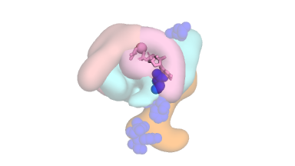 | A270H | none | EOEE, severe hypotonia | epilepsy | effective |  | F | 25262651
 |  |  |  |  |  |  |  | ineffective
 |  |  |  |  |  |  | movement disorder | effective
 |  |  |  |  |  |  |  | ineffective
273 | yes | substrate:1.2 | 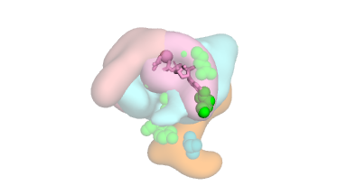 | D273V | none | EOEE; Dyskinesia | epilepsy | effective |  | F | 30682224
 |  |  |  |  |  |  |  | ineffective
 |  |  |  |  |  |  | movement disorder | effective | levodopa: DRD(↑34),SLC(↓323),TAAR1(?422),ADRA(?2K)
 |  |  |  |  |  |  |  | ineffective
 |  |  |  |  |  | EOEE; poor head and turn ctrl; axial hypotonia; lower limbs hypertonia; spasticity | epilepsy | effective | melatonin: MTNR(↑1),NQO2(?42); lamotrigine: SCN(↓17K); valproate | F | 30642806
 |  |  |  |  |  |  |  | ineffective
 |  |  |  |  |  |  | movement disorder | effective | trihexyphenidyl: CHRM(↓1),SIGMAR1(?45)
 |  |  |  |  |  |  |  | ineffective
275 | no | substrate:6.7 |  | F275S | none | EOEE, generalized hypotonia | epilepsy | effective |  | F | 25262651
 |  |  |  |  |  |  |  | ineffective
 |  |  |  |  |  |  | movement disorder | effective
 |  |  |  |  |  |  |  | ineffective
279 | no | all > 10 |  | I279N | none | EOEE; choreoathetoid movements, akathisia | epilepsy | effective |  | F | 30682224
 |  |  |  |  |  |  |  | ineffective
 |  |  |  |  |  |  | movement disorder | effective
 |  |  |  |  |  |  |  | ineffective
 |  |  |  |  |  | EOEE | epilepsy | effective |  | F | 23993195
 |  |  |  |  |  |  |  | ineffective
 |  |  |  |  |  |  | movement disorder | effective
 |  |  |  |  |  |  |  | ineffective
284 | no | all > 10 | 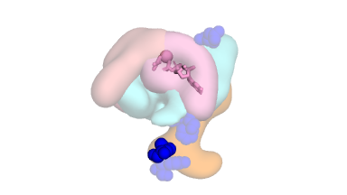 | L284S | none | EOEE | epilepsy | effective |  | F | 29961512
 |  |  |  |  |  |  |  | ineffective | clobazam: GABR(↑205); fosphenytoin: CYP(?8K),SCN(↓24K); immunoglobulin; prednisone: NR3C(↑521); pyridoxine; rufinamide; valproate; zonisamide: CA(↓5); acth; kd; levetiracetam: SV2A(↑10K)
 |  |  |  |  |  |  | movement disorder | effective
 |  |  |  |  |  |  |  | ineffective
291 | no | all > 10 |  | Y291N | none | EOEE | epilepsy | effective | lacosamide: CA(?331) | F | 30682224
 |  |  |  |  |  |  |  | ineffective
 |  |  |  |  |  |  | movement disorder | effective
 |  |  |  |  |  |  |  | ineffective
344 | no | GPCR:1.7 |  | I344del | none | one seizure; mild spasticity, dystonia, chorea, dysarthria | epilepsy | effective |  | F | 30682224
 |  |  |  |  |  |  |  | ineffective
 |  |  |  |  |  |  | movement disorder | effective | trihexyphenidyl: CHRM(↓1),SIGMAR1(?45)
 |  |  |  |  |  |  |  | ineffective
349 | no | GPCR:5.2; AC:8.5 |  | R349 G352 delinsQGCA | none | atypical staring spells; oromotor apraxia | epilepsy | effective | levetiracetam: SV2A(↑10K) | F | 30682224
 |  |  |  |  |  |  |  | ineffective
 |  |  |  |  |  |  | movement disorder | effective
 |  |  |  |  |  |  |  | ineffective

Legend
Targeted protein families: |  |  |  | Mutation location within GNAO1 catalytic domain, schematic:
shorthand | name | targeted by (direction, activity[uM]) | more info | See also the Supplementary Video. E = epilepsy, MD = movement disorder.
ABAT | 4-Aminobutyrate aminotransferase | vigabatrin(↓300K),vigabatrine(↓300K) | Wikipedia | 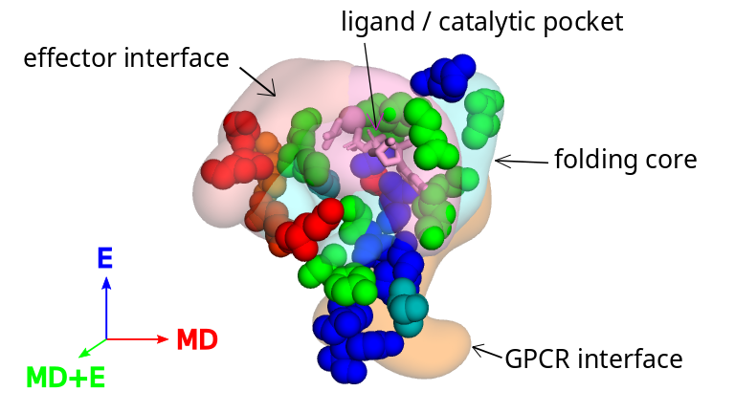
ADRA | alpha-adrenergic receptor | bromocriptine(?1),chlorpromazine(↓1),dexmedetomidine(↑1),risperidone(?1),amitriptyline(?4),haloperidol(?8),clonidine(↑23),trazodone(↓27),tiapride(↓779),levodopa(?2K),sinemet(?2K) | Wikipedia
AVPR1B | Vasopressin V1b receptor | carbamazepine(?10K) | Wikipedia
CA | Carbonic anhydrase | acetazolamide(↓1),topiramate(↓1),zonisamide(↓5),sulthiame(?6),lacosamide(?331),propofol(?19K) | Wikipedia
CACNA | Calcium voltage-gated channel subunit alpha | gabapentin(↓59) | Wikipedia
CHRM | Muscarinic acetylcholine receptor | amitriptyline(↓1),benzhexol(↓1),trihexyphenidyl(↓1),chlorpromazine(↓18),bethanechol(↑97),ketamine(?10K) | Wikipedia
CHRN | Neuronal acetylcholine receptor | curare(↓10K) | Wikipedia
CYP | Cytochrome P450 | midazolam(?2K),fosphenytoin(?8K),phenytoin(?8K) | Wikipedia
DRD | Dopamine receptor | pimozide(↓1),risperidone(↓1),chlorpromazine(↓2),haloperidol(↓2),pramipexole(↑2),bromocriptine(?4),tiapride(↓14),levodopa(↑34),sinemet(↑34),amitriptyline(?89),trazodone(?353),carbamazepine(?10K),ketamine(↑10K) | Wikipedia
GABBR | GABA-B receptor | baclofen(↑6K),vigabatrin(↑weak),vigabatrine(↑weak) | Wikipedia
GABR | GABA-A recptor | benzodiazepine(↑1),clonazepam(↑1),flunitrazepam(↑2),lorazepam(↑3),diazepam(↑8),clobazam(↑205) | Wikipedia
GLUTAMATE KAINATE | Kainate receptor | ketamine(?10K) | Wikipedia
GRI | Glutamate receptor ionotropic | ketamine(↓420) | Wikipedia
HRH | Histamine receptor | amitriptyline(↓1),chlorpromazine(↓3),risperidone(↓14),trazodone(↓42),ketamine(?10K),nitrazepam(?10K),carbamazepine(?55K) | Wikipedia
HTR | 5-HT2 receptor | pimozide(↓1),risperidone(↓1),amitriptyline(↓3),chlorpromazine(↓3),bromocriptine(?5),trazodone(?6),haloperidol(↓23),propofol(?950),carbamazepine(?10K),ketamine(?10K) | Wikipedia
KCN | Potassium voltage-gated channel | pimozide(↓18) | Wikipedia
KDM4E | Lysine-specific demethylase 4E | sinemet(?1K) | Uniprot
MTNR | Melatonin receptor | melatonin(↑1) | Wikipedia
NISCH | Nischarin | clonidine(?9),dexmedetomidine(?50) | Uniprot
NR3C | Glucocorticoid receptor | prednisolone(↑2),methylprednisolone(↑5),hydroaltesone(↑12),prednisone(↑521) | Wikipedia
OPR | Opioid receptor | fentanyl(↑2),ketamine(↑10K) | Wikipedia
SCN | Sodium channel | lamotrigine(↓17K),fosphenytoin(↓24K),phenytoin(↓24K),carbamazepine(↓32K),oxcarbazepine(?80K) | Wikipedia
SERPINA6 | Serine peptidase inhibitor | hydroaltesone(?13),prednisolone(?31) | NCBI
SIGMAR1 | Sigma-1 receptor | haloperidol(?1),benzhexol(?45),trihexyphenidyl(?45),ketamine(?10K) | Wikipedia
SLC | Solute carrier | amitriptyline(↓3),tetrabenazine(↓13),chlorpromazine(?19),pimozide(?69),trazodone(↓102),levodopa(↓323),sinemet(↓323),clonidine(↓550),midazolam(?3K),propofol(?9K),ketamine(↓10K),vigabatrin(↓weak),vigabatrine(↓weak) | Wikipedia
SV2A | Synaptic vesicle glycoprotein 2A | levetiracetam(↑10K) | Uniprot
TAAR1 | Trace amine-associated receptor 1 | levodopa(?422),sinemet(?422) | Uniprot
TMEM97 | Sigma-2 receptor | haloperidol(?14),trazodone(?536) | Wikipedia

Drugs referenced:
drug | generic_name | active moiety | DrugBank
acetazolamide | acetazolamide | acetazolamide | DB00819
amitriptyline | amitriptyline | amitriptyline | DB00321
baclofen | baclofen | baclofen | DB00181
benzhexol | trihexyphenidyl | trihexyphenidyl | DB00376
benzodiazepine | clonazepam | clonazepam | DB01068
bethanechol | bethanechol | bethanechol | DB01019
bromocriptine | bromocriptine | bromocriptine | DB01200
carbamazepine | carbamazepine | carbamazepine | DB00564
chlorpromazine | chlorpromazine | chlorpromazine | DB00477
clobazam | clobazam | clobazam | DB00349
clonazepam | clonazepam | clonazepam | DB01068
clonidine | clonidine | clonidine | DB00575
curare | pancuronium | pancuronium | DB01337
dexmedetomidine | dexmedetomidine | dexmedetomidine | DB00633
diazepam | diazepam | diazepam | DB00829
fentanyl | fentanyl | fentanyl | DB00813
flunitrazepam | flunitrazepam | flunitrazepam | DB01544
fosphenytoin | fosphenytoin | phenytoin | DB00252
gabapentin | gabapentin | gabapentin | DB00996
haloperidol | haloperidol | haloperidol | DB00502
hydroaltesone | hydrocortisone | hydrocortisone | DB00741
ketamine | ketamine | ketamine | DB01221
lacosamide | lacosamide | lacosamide | DB06218
lamotrigine | lamotrigine | lamotrigine | DB00555
levetiracetam | levetiracetam | levetiracetam | DB01202
levodopa | levodopa | dopamine | DB00988
lorazepam | lorazepam | lorazepam | DB00186
melatonin | melatonin | melatonin | DB01065
methylprednisolone | methylprednisolone | methylprednisolone | DB00959
midazolam | midazolam | midazolam | DB00683
nitrazepam | nitrazepam | nitrazepam | DB01595
oxcarbazepine | oxcarbazepine | eslicarbazepine | DB14575
phenytoin | phenytoin | phenytoin | DB00252
pimozide | pimozide | pimozide | DB01100
pramipexole | pramipexole | pramipexole | DB00413
prednisolone | prednisolone | prednisolone | DB00860
prednisone | prednisone | prednisone | DB00635
propofol | propofol | propofol | DB00818
risperidone | risperidone | risperidone | DB00734
sinemet | carbidopa | carbidopa | DB00190
sinemet | levodopa | dopamine | DB00988
sulthiame | sulthiame | sulthiame | DB08329
tetrabenazine | tetrabenazine | tetrabenazine | DB04844
tiapride | tiapride | tiapride | DB13025
topiramate | topiramate | topiramate | DB00273
trazodone | trazodone | trazodone | DB00656
trihexyphenidyl | trihexyphenidyl | trihexyphenidyl | DB00376
vigabatrin | vigabatrin | vigabatrin | DB01080
vigabatrine | vigabatrin | vigabatrin | DB01080
zonisamide | zonisamide | zonisamide | DB00909

