SupportingMaterials_list
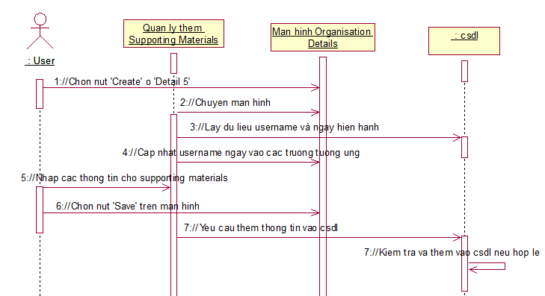
Fsoft Insight 2.0 | Process | Diagram ID | Diagame name | Created PIC | Create Date | Approved Date
 |  |  | Supporting Materials List | TrongNV | 25/8/2015

add_SupportingMaterials
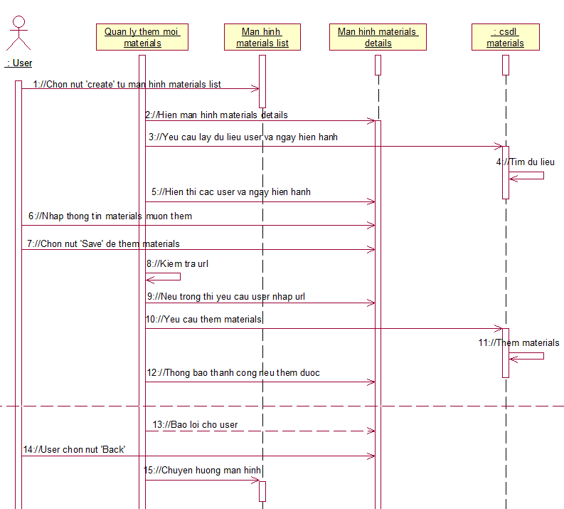
Fsoft Insight 2.0 | Process | Diagram ID | Diagame name | Created PIC | Create Date | Approved Date
 |  |  | Add Supporting Materials | TrongNV | 25/8/2015

admend_SupportingMaterials
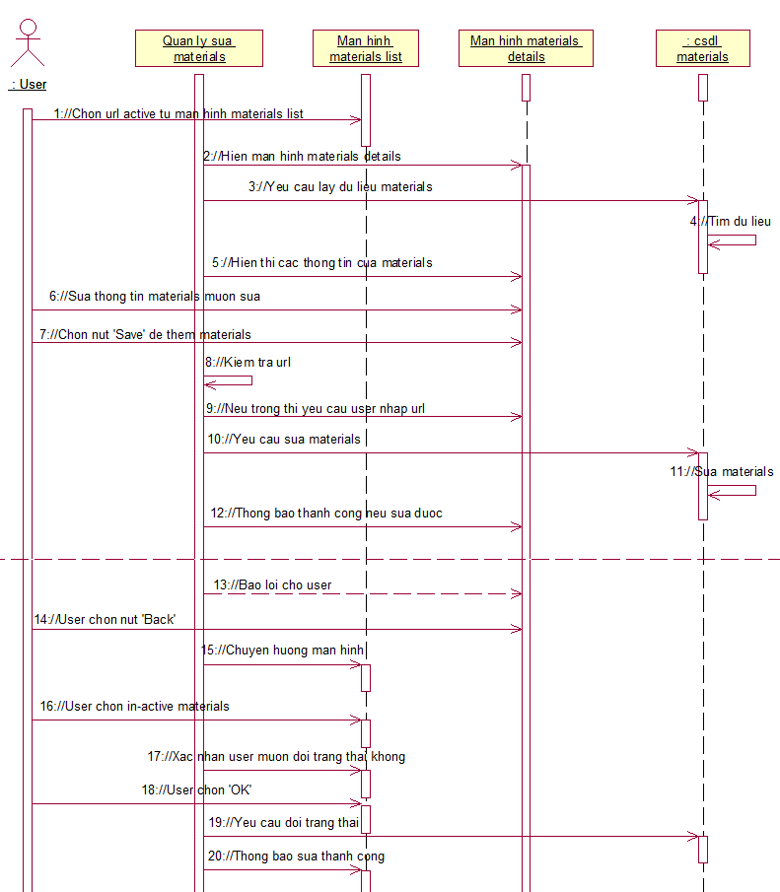
Fsoft Insight 2.0 | Process | Diagram ID | Diagame name | Created PIC | Create Date | Approved Date
 |  |  | Admend Supporting Materials | TrongNV | 25/8/2015

