Directorate_List
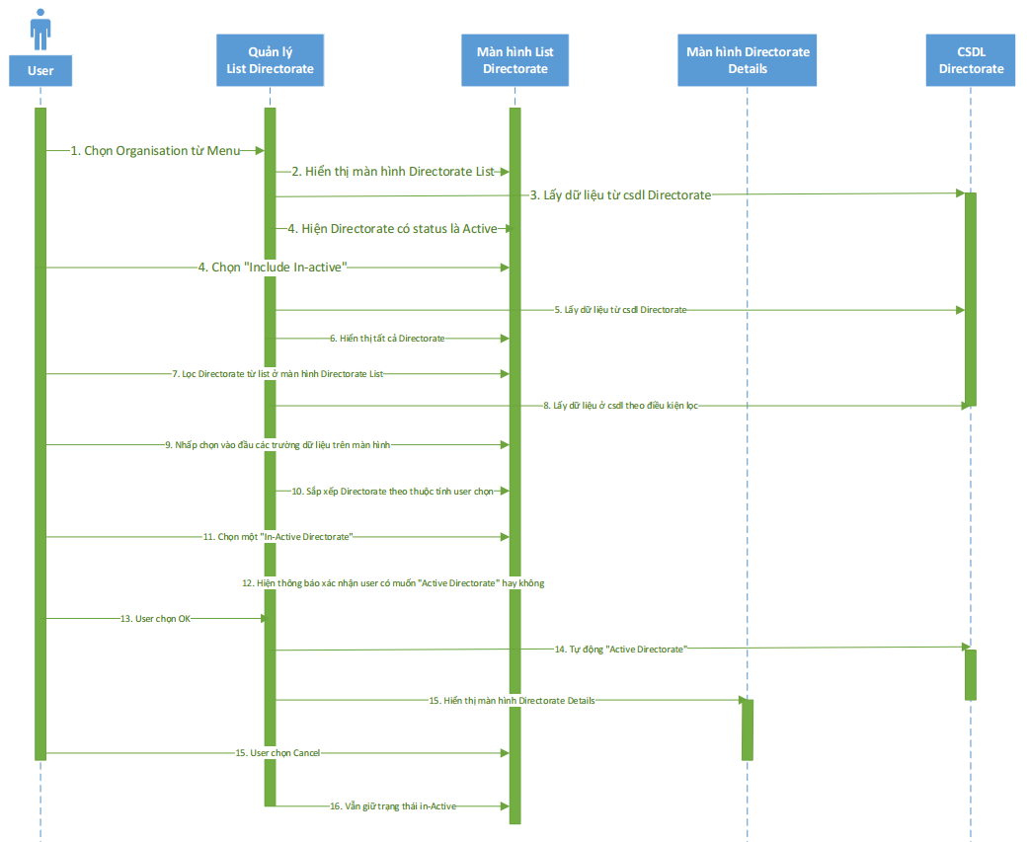
Fsoft Insight 2.0 | Process | Diagram ID | Diagame name | Created PIC | Create Date | Approved Date
 |  |  | Directorate List | VietNT | 2015-08-25 | DD/MM/YYYY

Add_Directorate
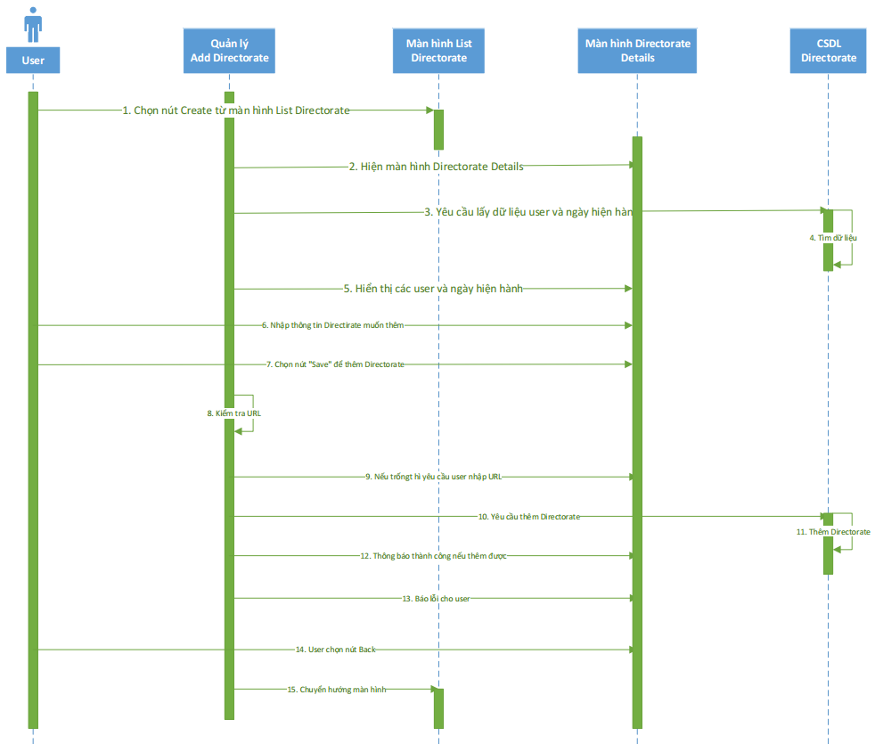
Fsoft Insight 2.0 | Process | Diagram ID | Diagame name | Created PIC | Create Date | Approved Date
 |  |  | Add Directorate | VietNT | 2015-08-25 | DD/MM/YYYY

Admend_Directorate
Fsoft Insight 2.0 | Process | Diagram ID | Diagame name | Created PIC | Create Date | Approved Date
 |  |  | Admend Directorate | VietNT | 2015-08-25 | DD/MM/YYYY



              

