Sheet1
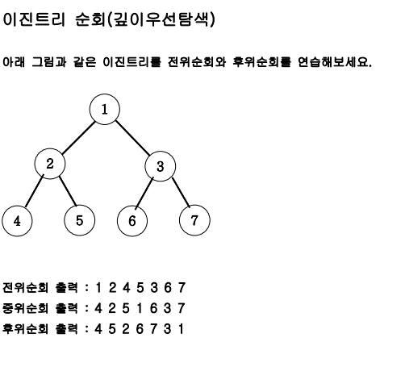
 | LT-> |  | LT-> |  | LT-> | DFS(null) | POP-> |  | 라인실행
 |  |  |  | DFS(4)-27 |  | DFS(4)-27 |  | DFS(4)-27 |  | DFS(4)-29
 |  | DFS(2)-27 |  | DFS(2)-27 |  | DFS(2)-27 |  | DFS(2)-27 |  | DFS(2)-27
DFS(1)-27 |  | DFS(1)-27 |  | DFS(1)-27 |  | DFS(1)-27 |  | DFS(1)-27 |  | DFS(1)-27

 | RT-> | DFS(null) | POP-> |  | POP-> |  | 라인실행 |  | RT->
DFS(4)-29 |  | DFS(4)-29 |  | DFS(4)-29 |  |  |  |  |  | DFS(5)-27
DFS(2)-27 |  | DFS(2)-27 |  | DFS(2)-27 |  | DFS(2)-27 |  | DFS(2)-29 |  | DFS(2)-29
DFS(1)-27 |  | DFS(1)-27 |  | DFS(1)-27 |  | DFS(1)-27 |  | DFS(1)-27 |  | DFS(1)-27

LT-> | DFS(null) | POP-> |  | 코드실행 |  | RT-> | DFS(null) | POP-> |  | POP->
 | DFS(5)-27 |  | DFS(5)-27 |  | DFS(5)-29 |  | DFS(5)-29 |  | DFS(5)-29
 | DFS(2)-29 |  | DFS(2)-29 |  | DFS(2)-29 |  | DFS(2)-29 |  | DFS(2)-29
 | DFS(1)-27 |  | DFS(1)-27 |  | DFS(1)-27 |  | DFS(1)-27 |  | DFS(1)-27

 | POP-> |  | 코드실행 |  | RT->

DFS(2)-29
DFS(1)-27 |  | DFS(1)-27 |  | DFS(1)-29

