MM
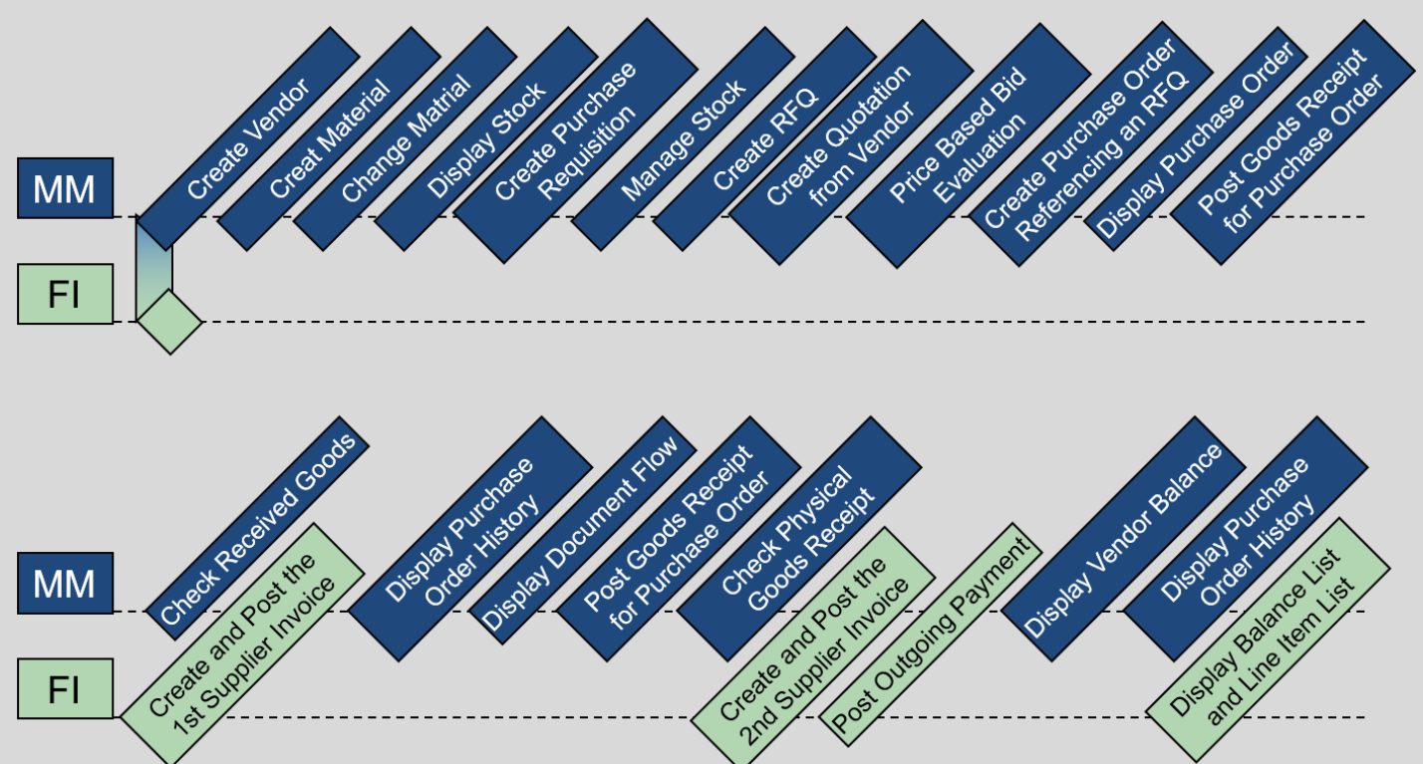
Step | Description | Doc No | Note
1 | Step 1: Create Vendor | 1003308
2 | Step 2: Create Material | CHLK1065 | Learn-065
3 | Step 3: Change Material
4 | Step 4: Display Stock
5 | Step 5: Create Purchase Requisition | 10000059
6 | Step 6: Manage Stock
7 | Step 7: Create RFQ | 6000000024 6000000025 6000000026 | Step 7-9 dùng ver3.2
8 | Step 8: Create Quotation from Vendor | hiện thông báo RFQ 6000000024 maintained | cập nhật báo giá từ vendor
9 | Step 9: Price Based Bid Evaluation | Accept RFQ 6000000024 | Reject 2 vendor RFQ 6000000025/26
10 | Step 10: Create Purchase Order Referencing an RFQ | 4500000020
11 | Step 11: Display Purchase Order
12 | Step 12: Post Goods Receipt for Purchase Order | 5000000059/2023 | post goods into Quality inspection (TG-trading goods)
13 | Step 13: Check Received Goods | 4900032115/2023 | post goods from Quality inspection to Unrestricted-used stock (for consumption)
14 | Step 14: Check Physical Goods Receipt
15 | Step 15: Create and Post the First Supplier Invoice | 5105600157/2023 | INVOICE00504-065
16 | Step 16: Display Purchase Order History
17 | Step 17: Display Document Flow
18 | Step 18: Post Goods Receipt for Purchase Order | 5000000093/2023 | Post goods cho line item 100 CHLK1 sau, giống step 12
19 | Step 19: Check Physical Goods Receipt |  | Giống step 14
20 | Step 20: Create and Post the Second Supplier Invoice | 5105600181/2023 | Giống step 15 INVOICE00515-065 | Hiện 2 invoice trong app: Supplier invoice Lists
21 | Step 21: Post Outgoing Payment | 1500000027
22 | Step 22: Display Vendor Balance
23 | Step 23: Display Purchase Order History |  | dò số Invoice step 15,20
24 | Step 24: Display Balance List and Line Item List

Step 1
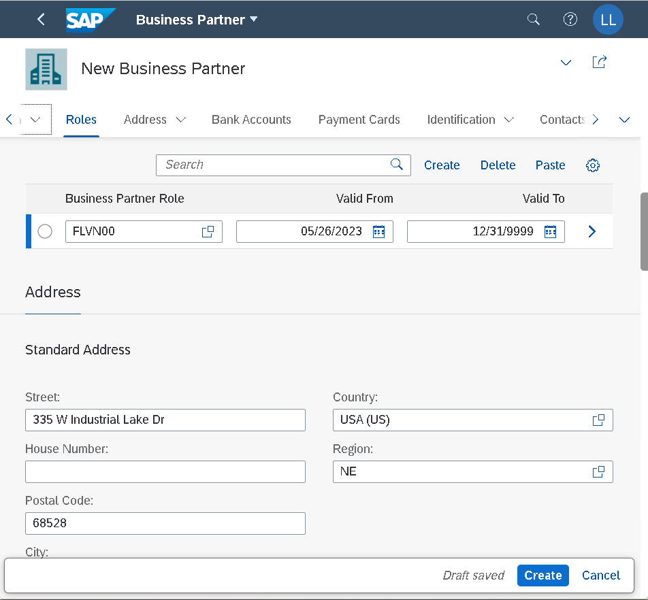

 |  | Create General info Vendor Master

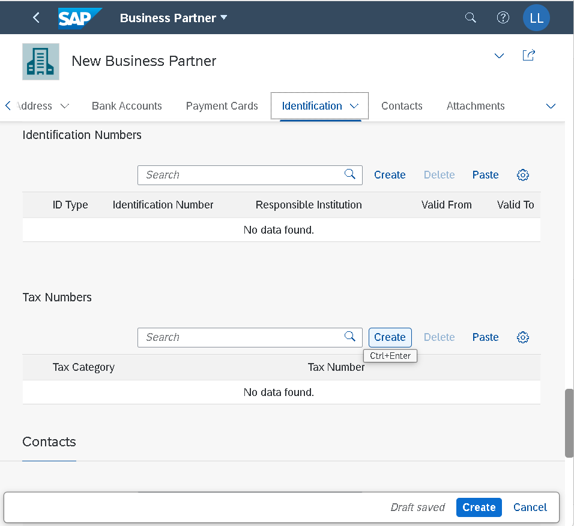

 | Create General info Vendor Master – a new BP (vendor) role

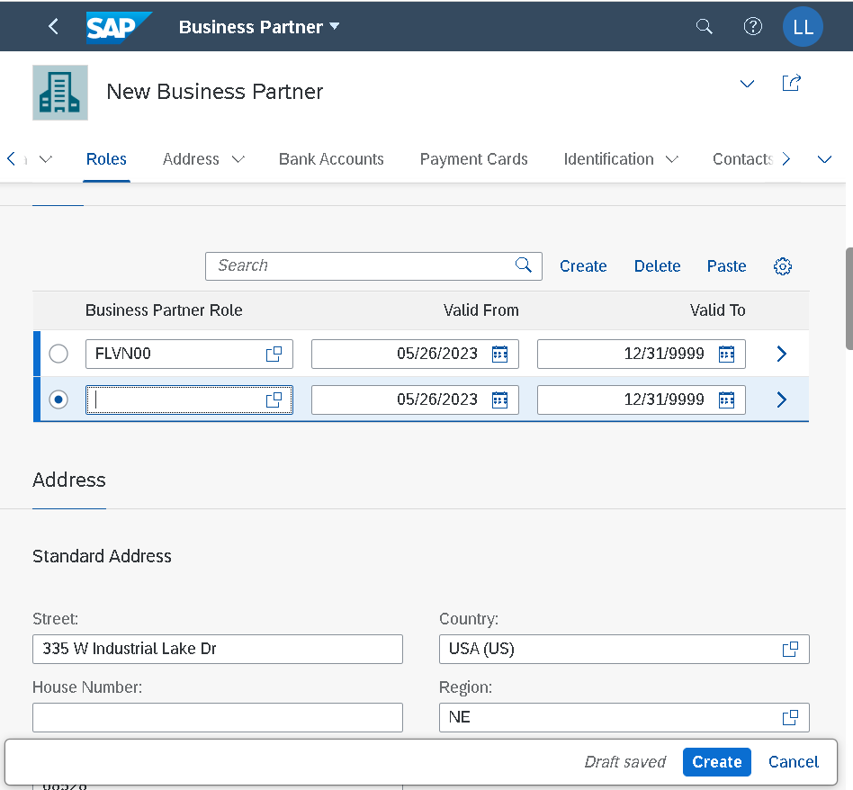
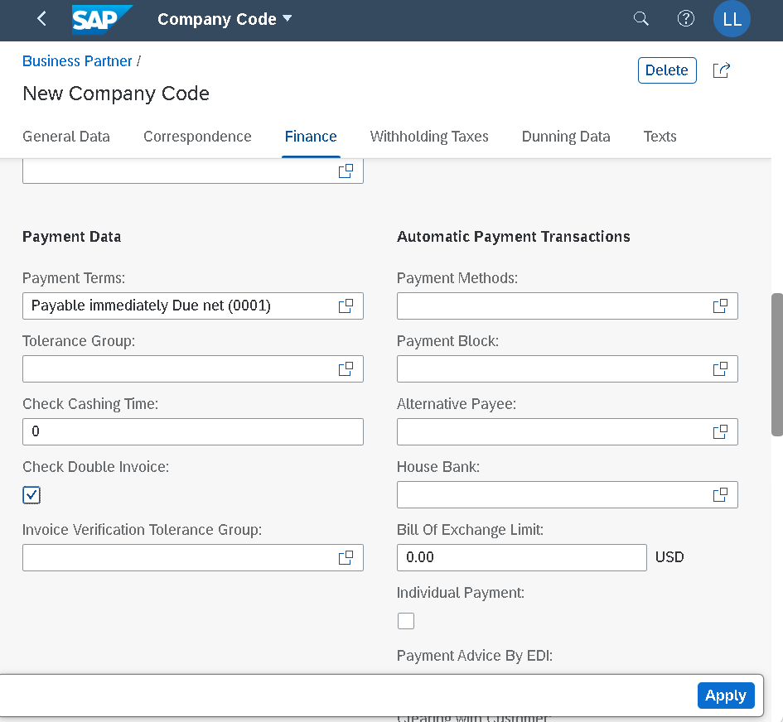

Create Pur.Org for Vendor Master

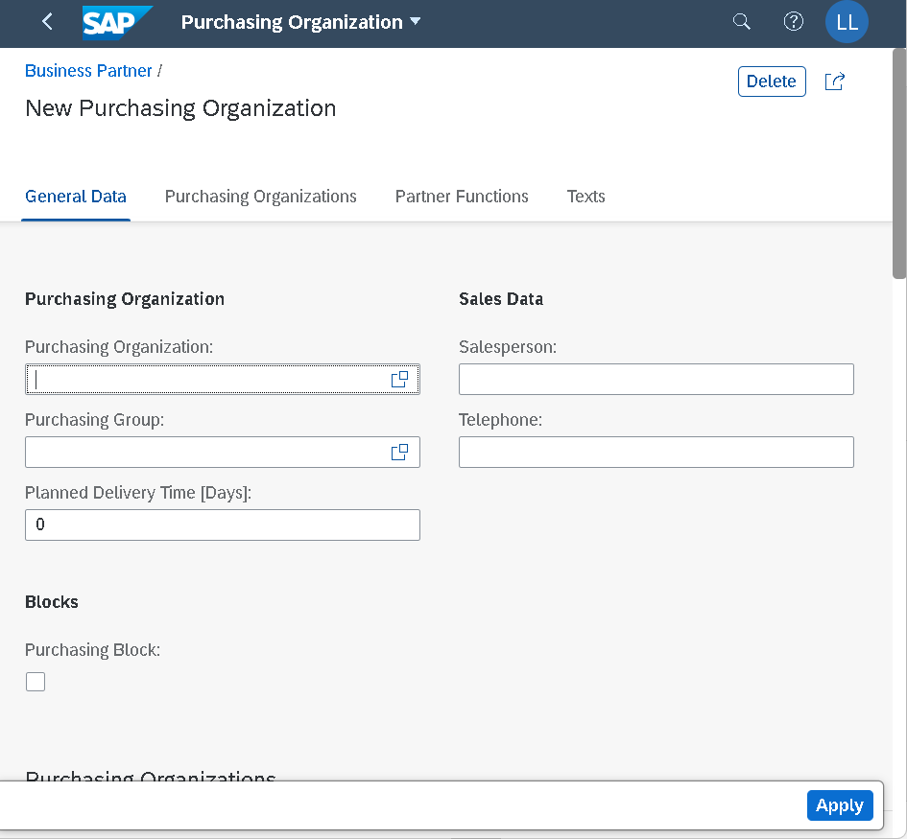
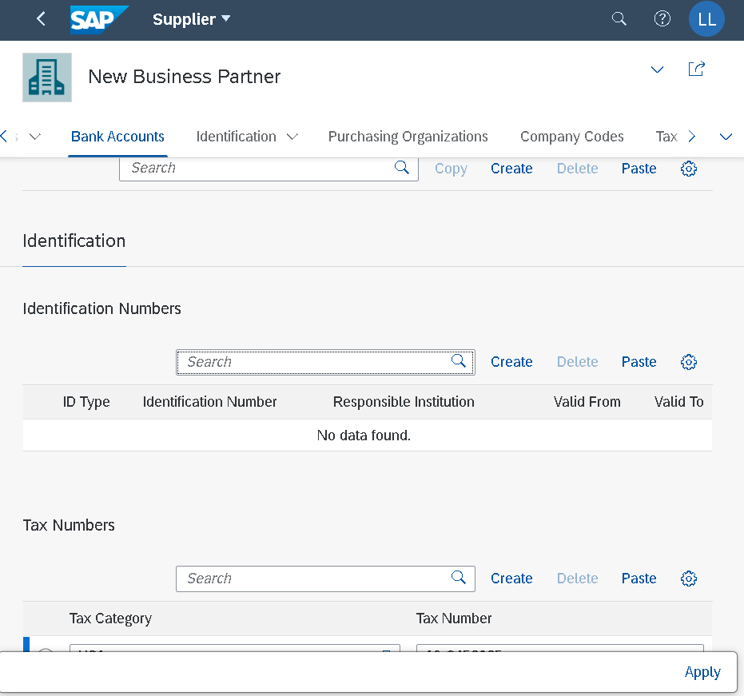

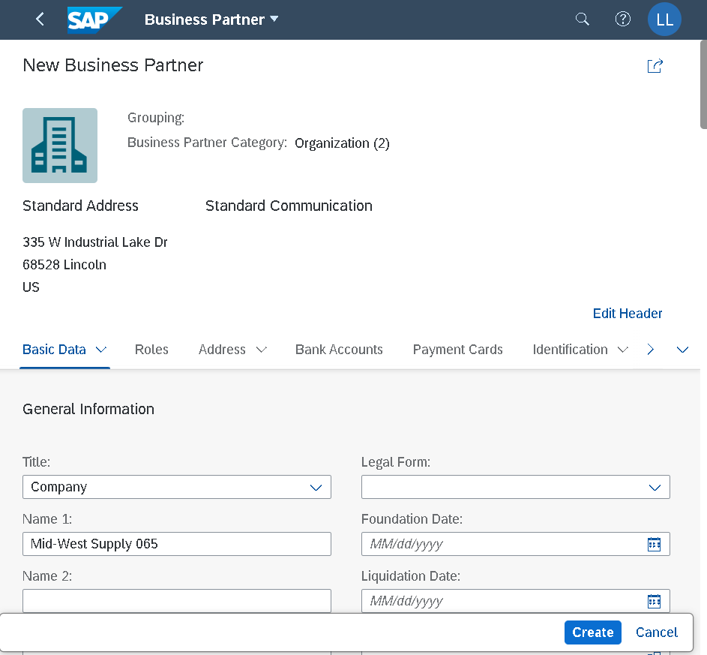

 |  |  | Create Doc number for Vendor BP: 1003308

Step 2
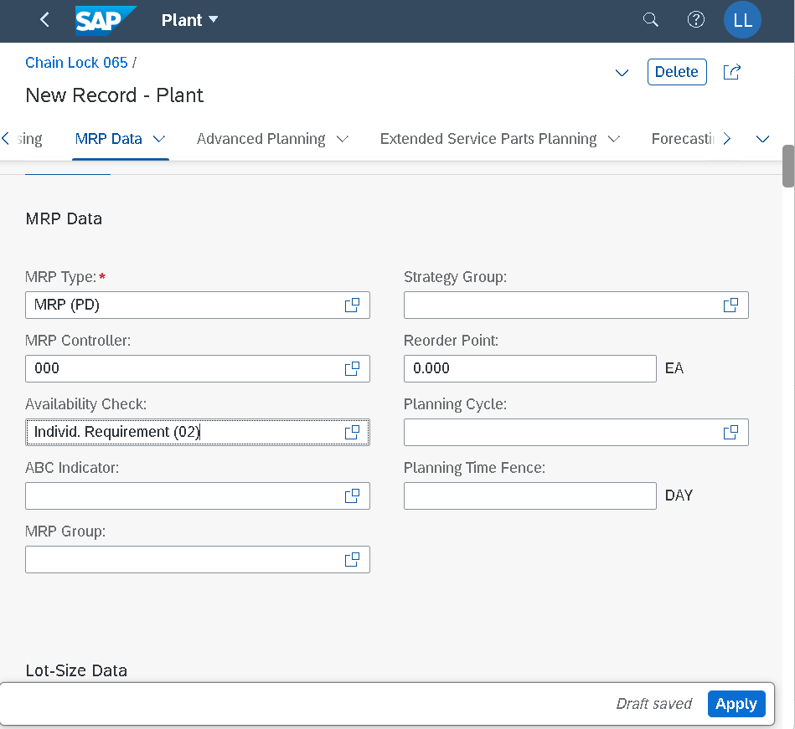
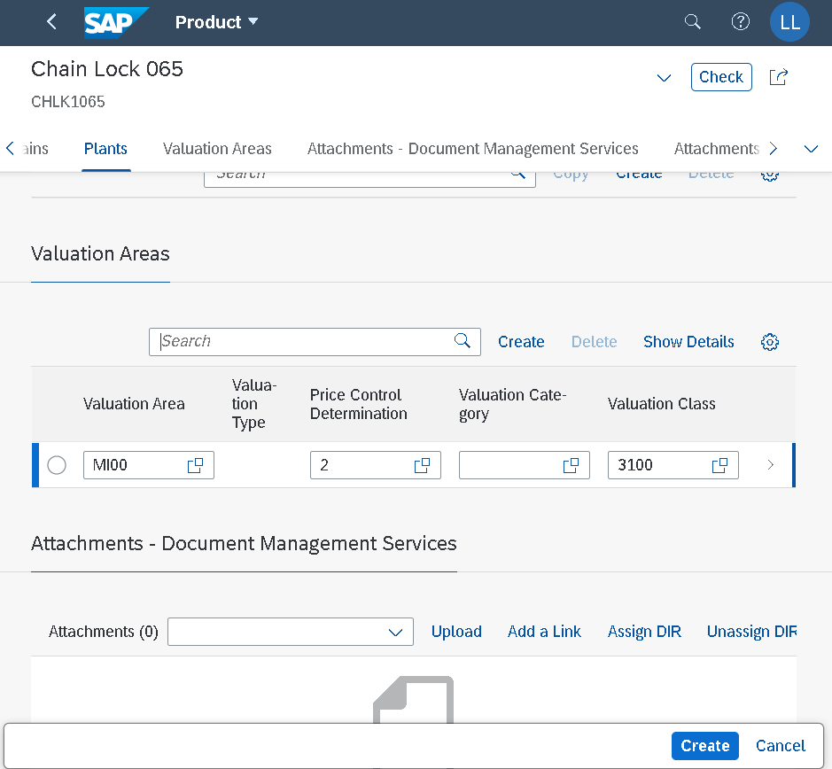
 | Create Material Master | CREATE BASIC DATA (general info)
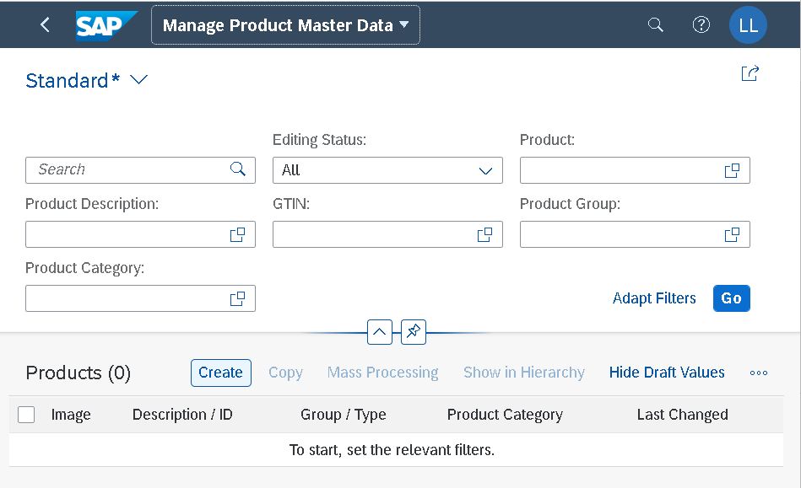
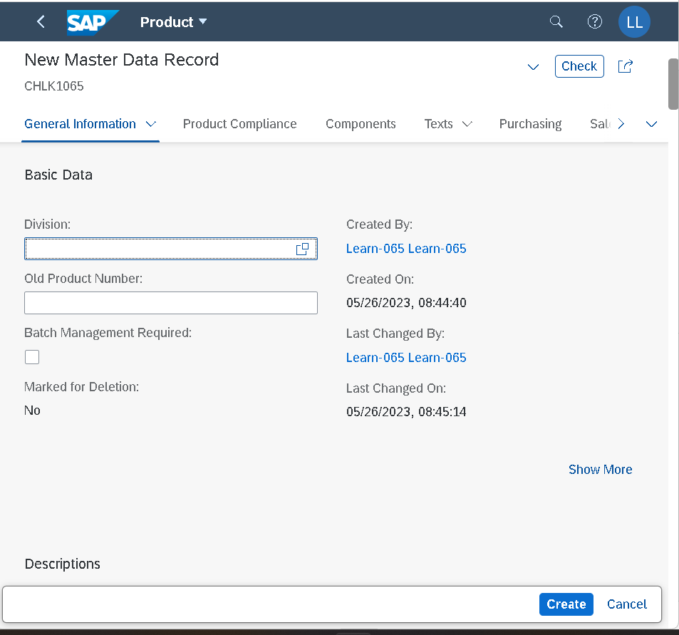

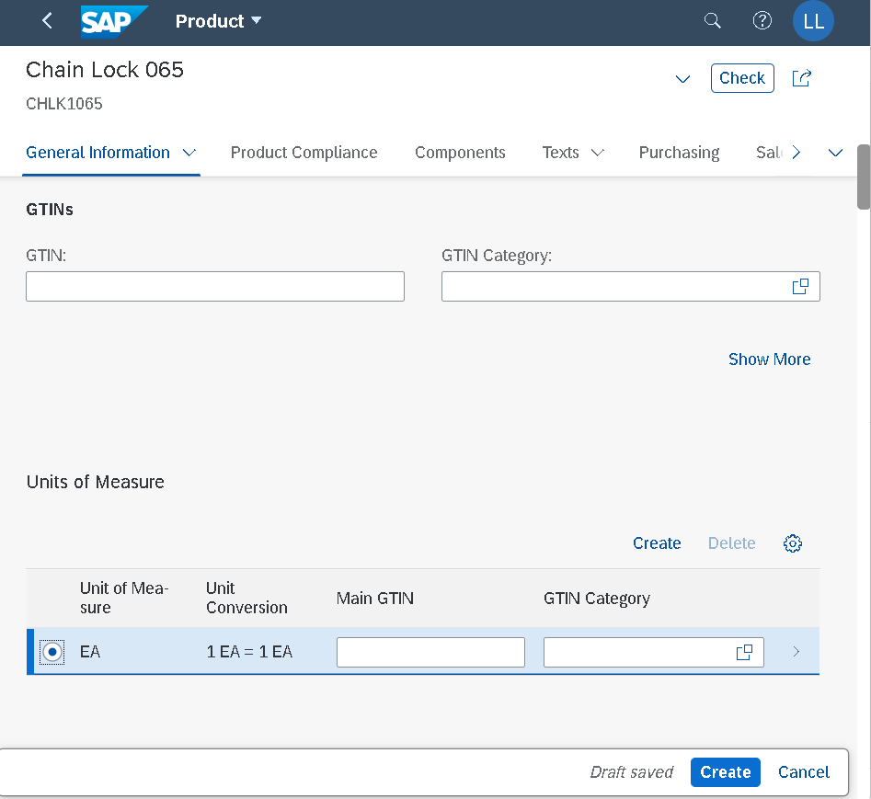
 | Basic data: unit measure, dimension, gross weight
 |  | Create Transport type, distribution channel, plant
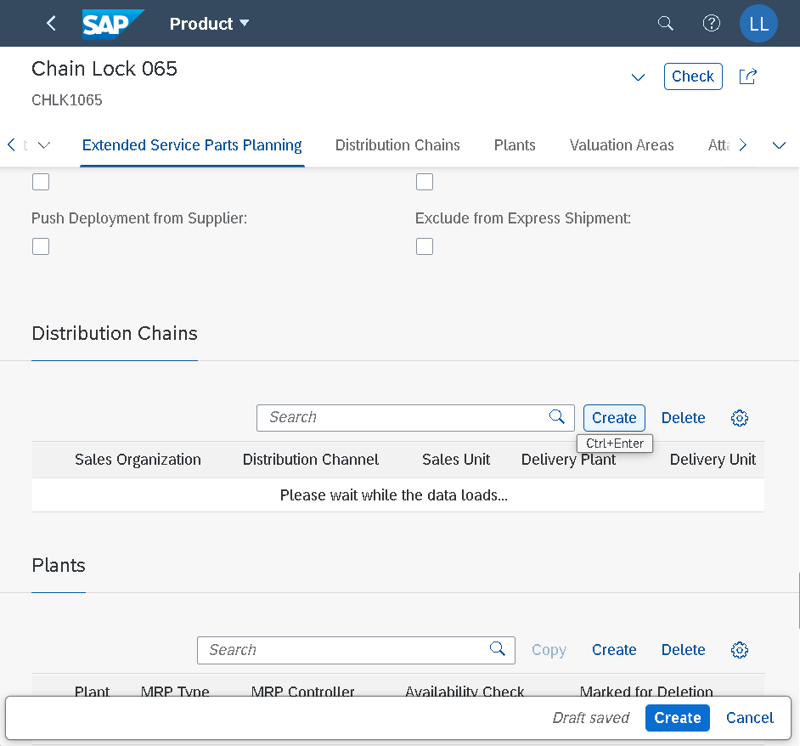

Create Purchasing org data – pur.group
Lot size: min 10 cái/lot - automatic generate order khi hết mức quy định |  | Bấm Create để kết thúc Material master

Step3
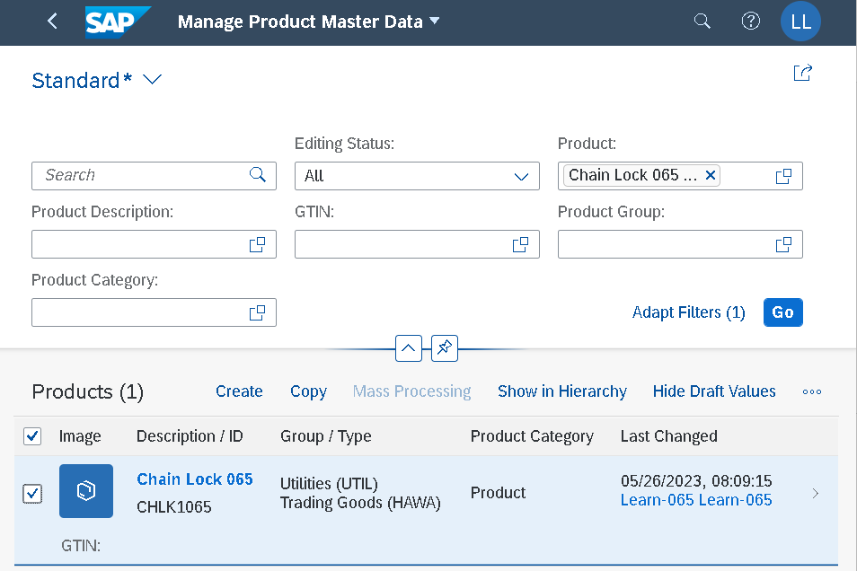

Step4
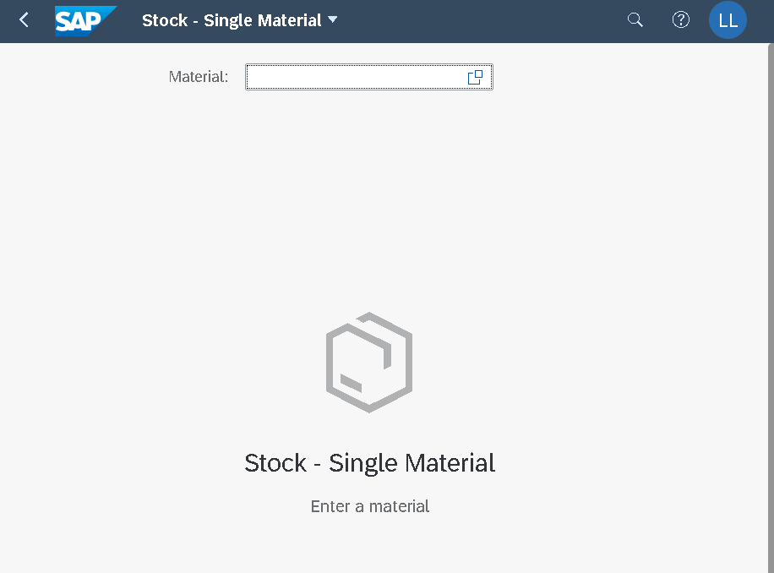

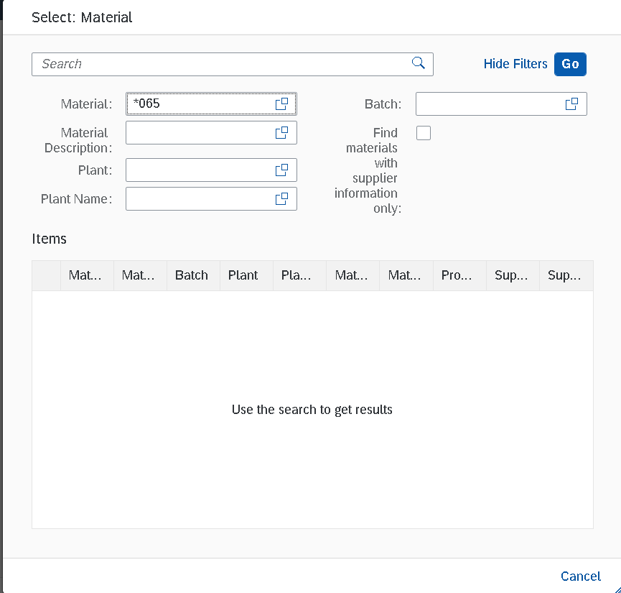

Search field : *065 => BẤM GO => TÌM MÃ CHLK1###
###=đuôi username

Step5
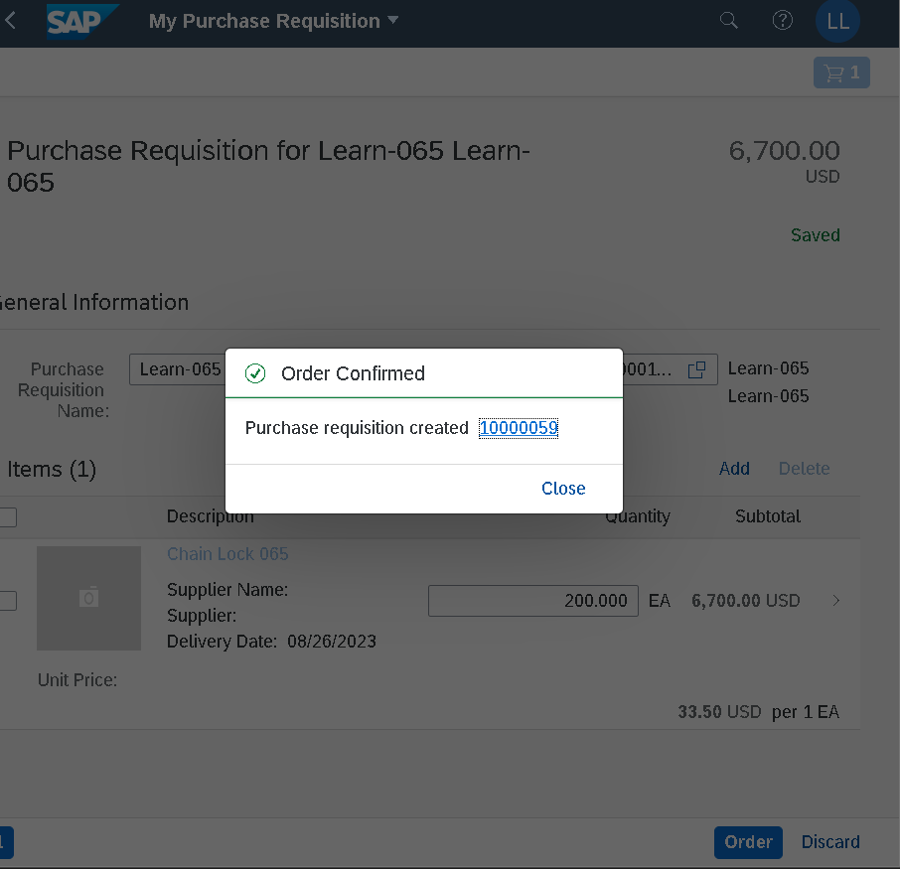
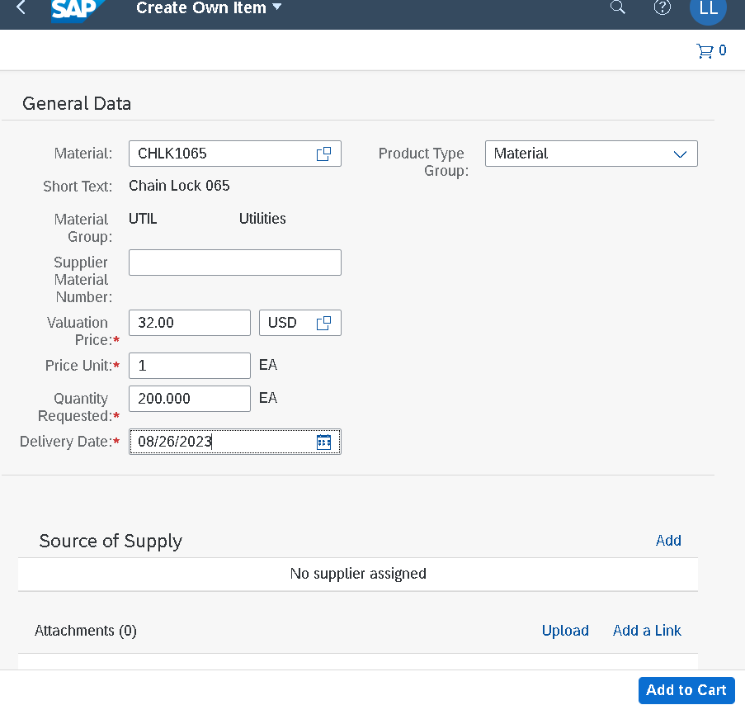

Add thêm ghi chú trong yêu cầu mua hàng: quotation từ vendor accepted on the 1st day of next month (mm/dd/yy)

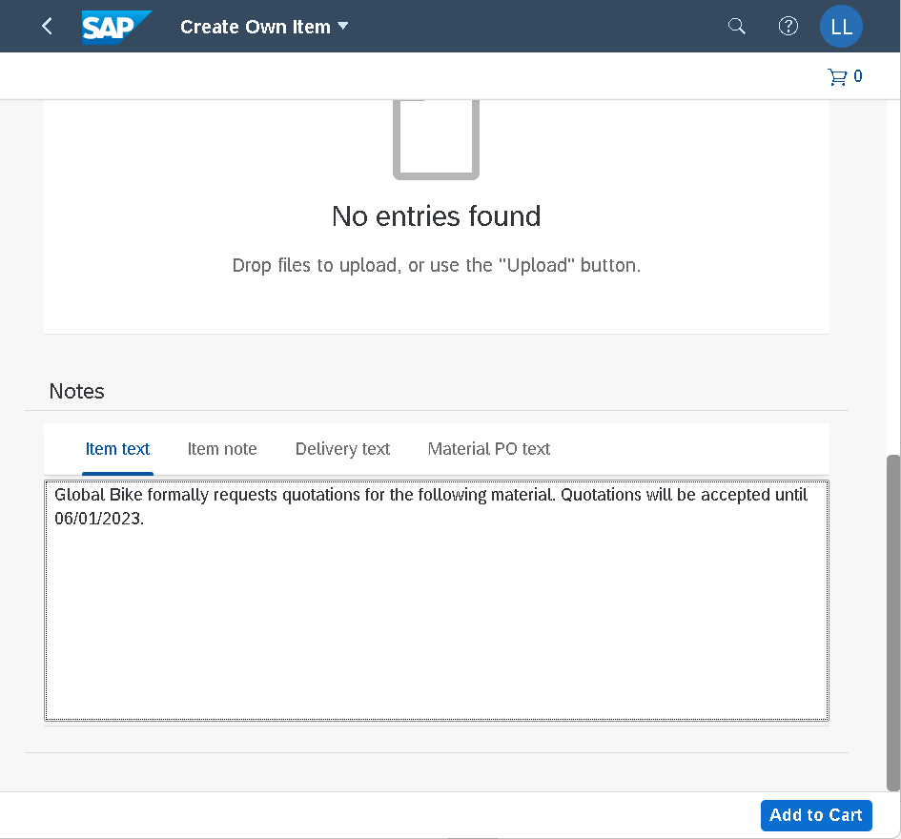

 | View cart: xem lại đơn PR, edit nếu cần

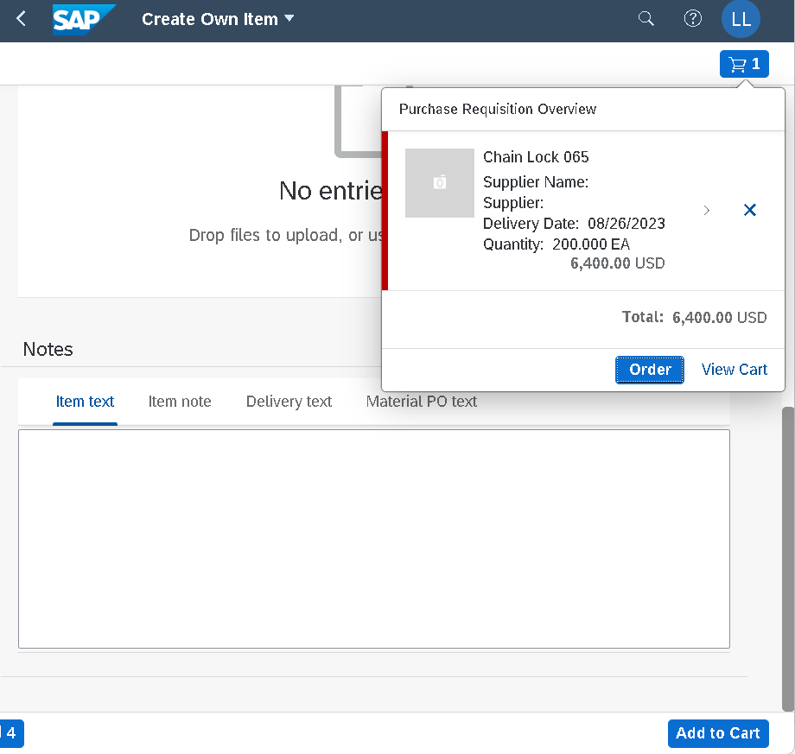
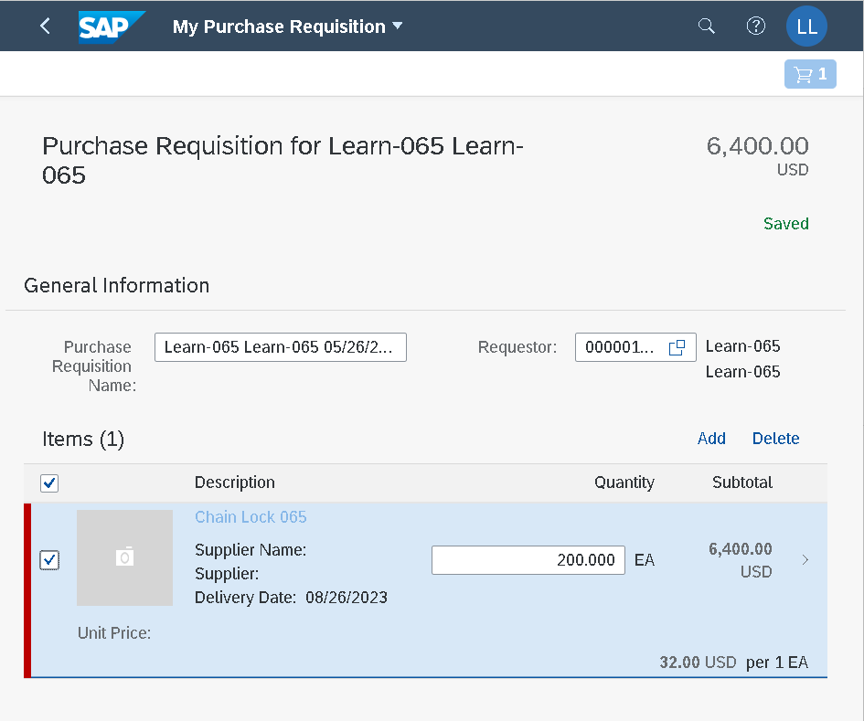

 | BẤM “ORDER” TO GENERATE DOC NUMBER

Step7
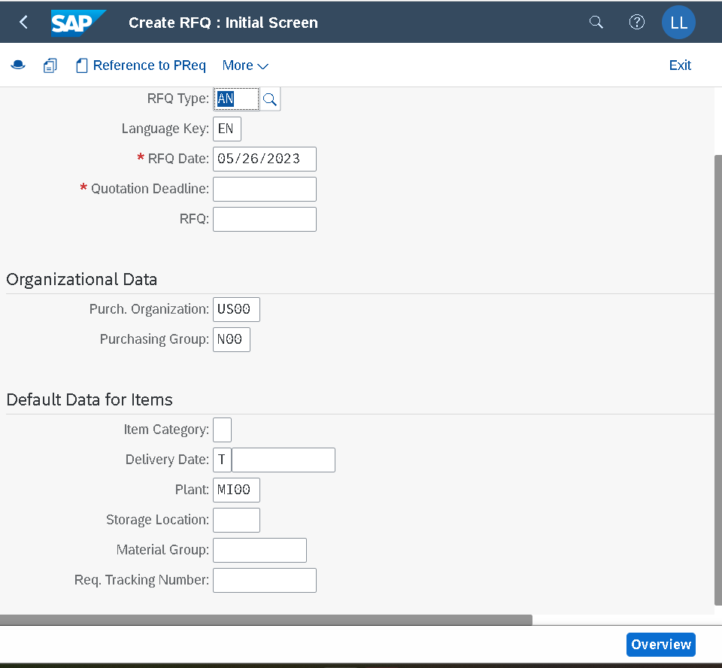
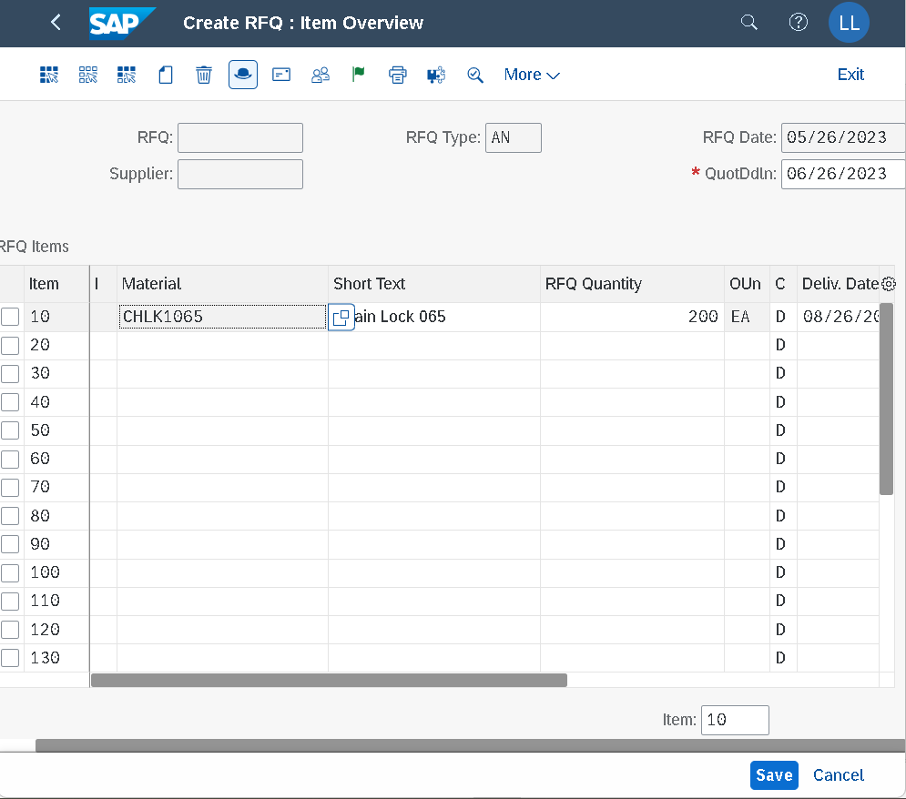

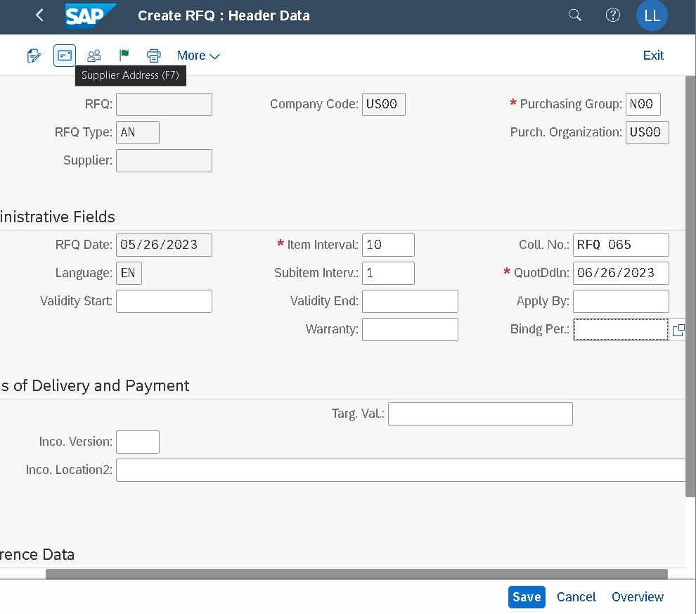
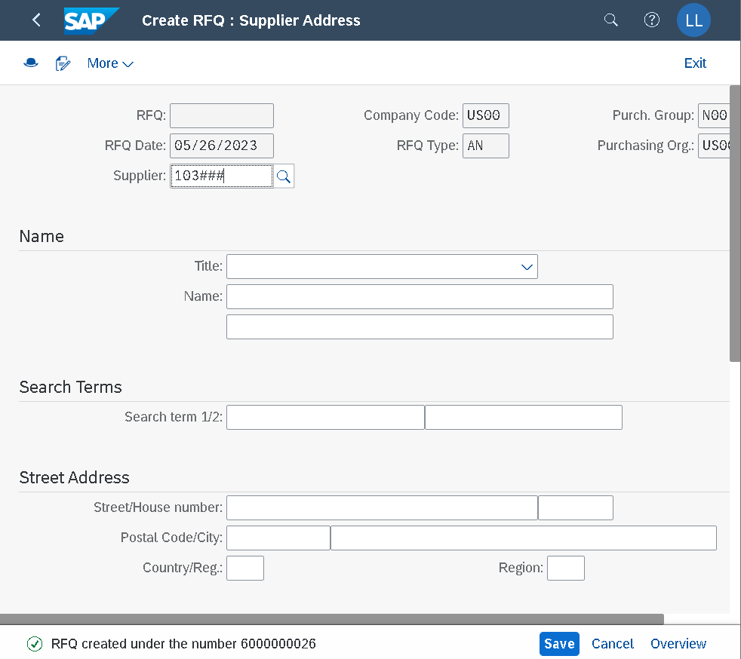

Step8
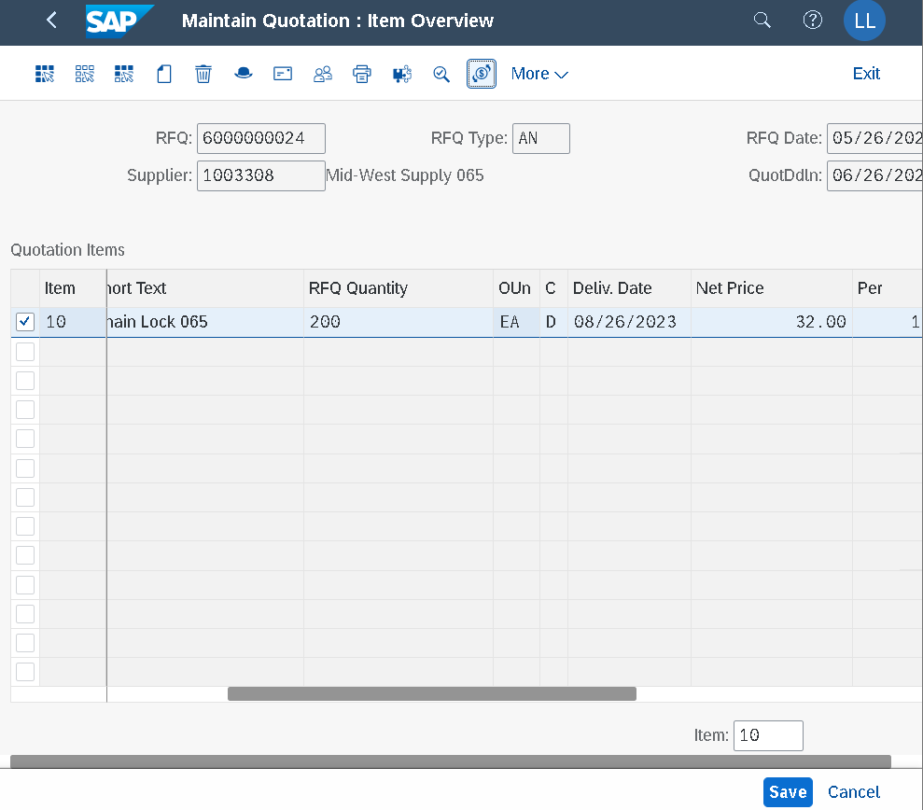

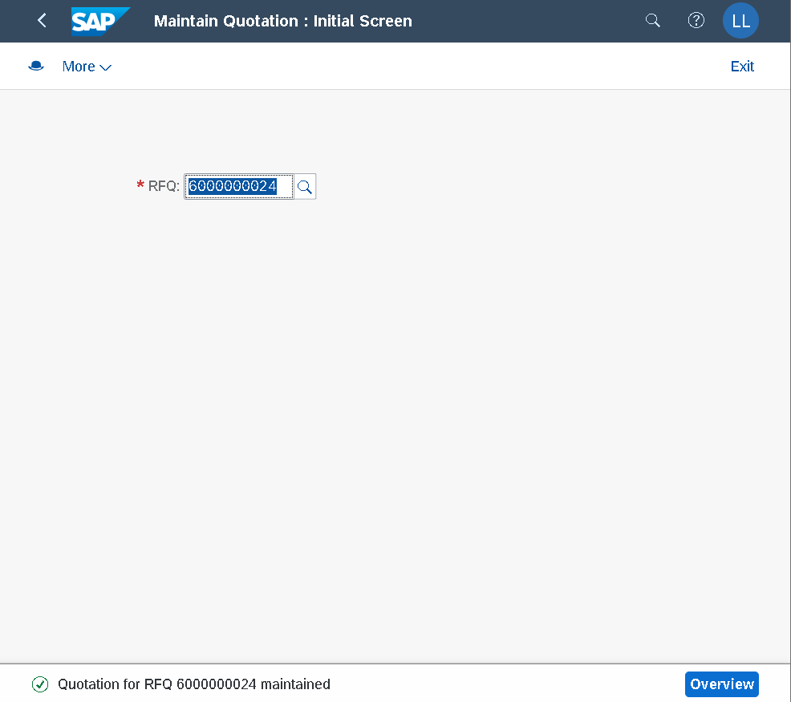

CẬP NHẬT THÀNH CÔNG BÁO GIÁ (Manage Quotations) GÁN VÀO RFQ vendor Mid-West (RFQ 6000000024)
Tương tự cho 2 Vendor
Dallas Bike Basics 103### (6000000025)
Spy Gear 107### (6000000026)

Step9
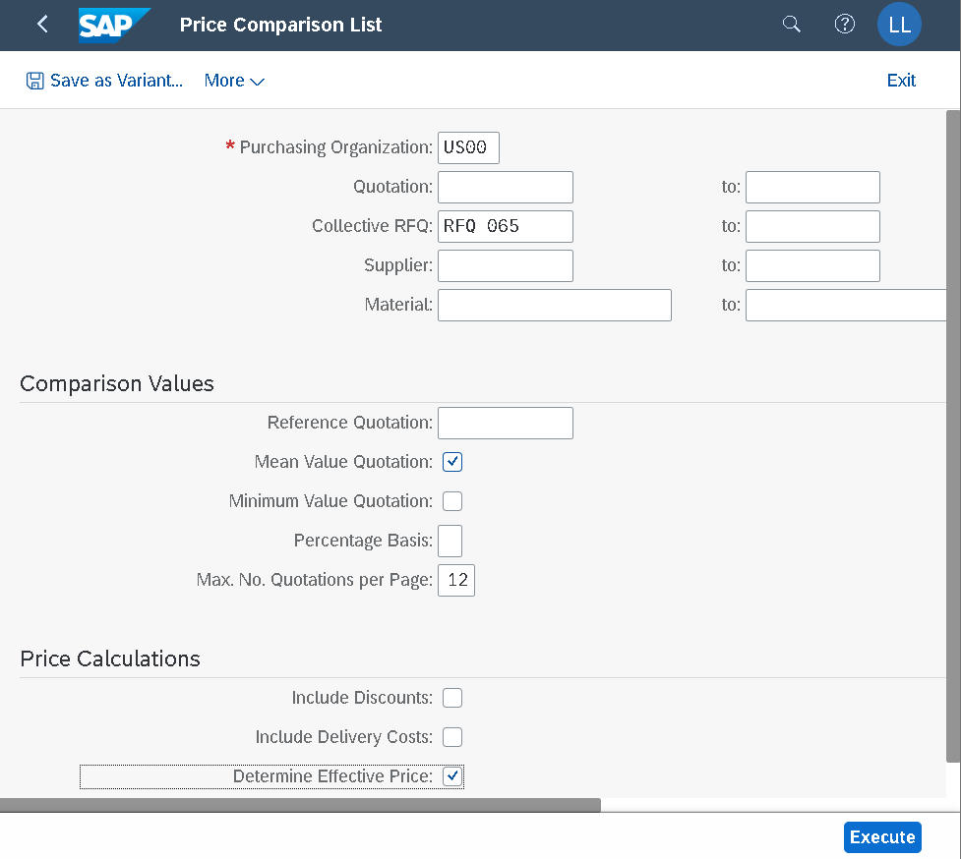

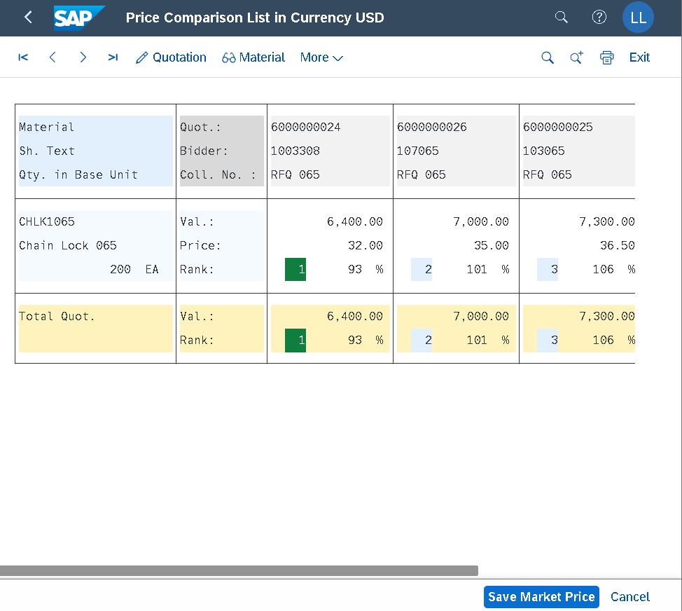

XẾP HẠNG VENDOR THEO RANK ITEM LOWEST TO HIGHEST PRICE (rank 1 là vendor giá thấp nhất) => Xanh 1 (accept) Xám 2-3 (reject)
Double click ô giá để tick chọn reject vendor giá cao (rank xám)

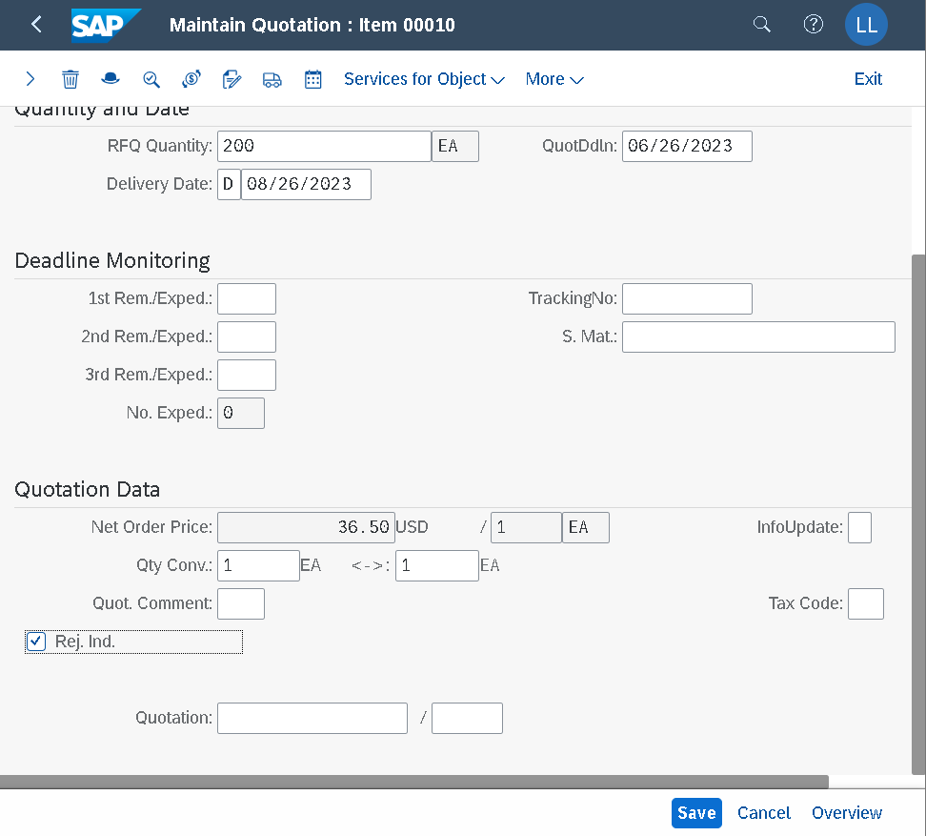

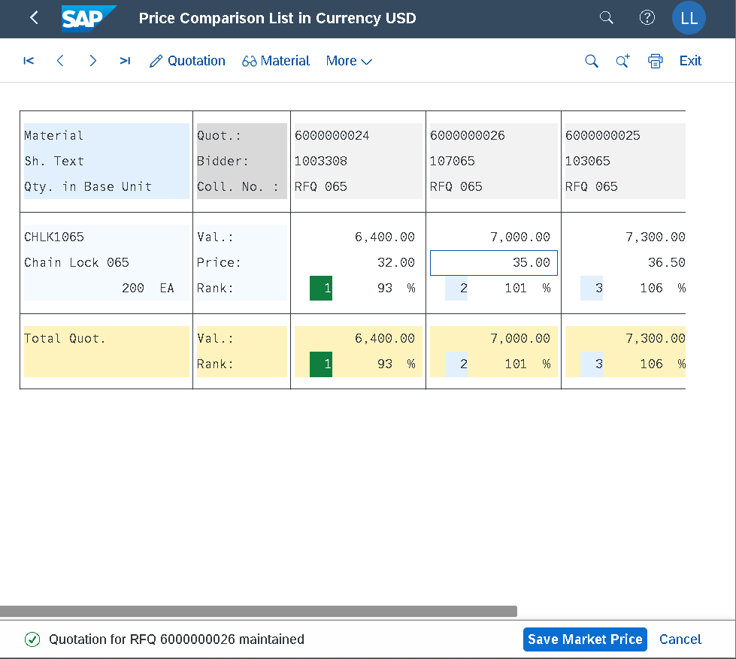

RFQ reject thành công
Bấm Exit để thoát cửa sổ

Step10
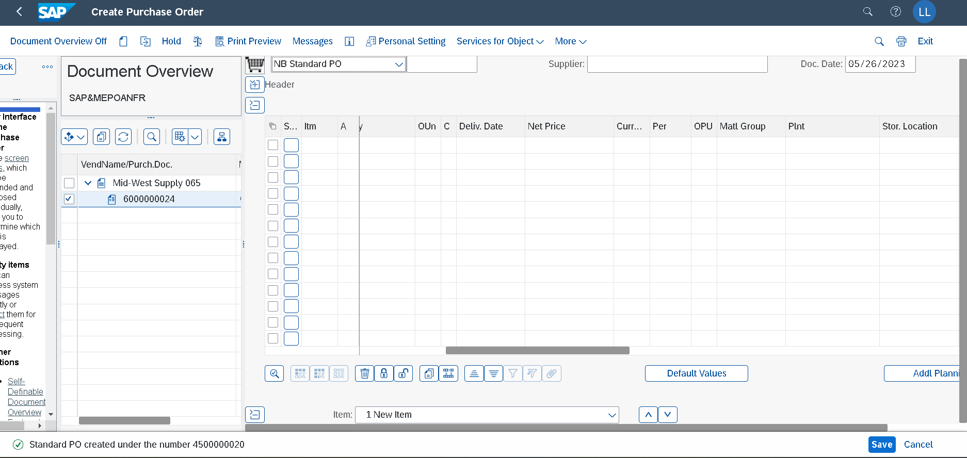
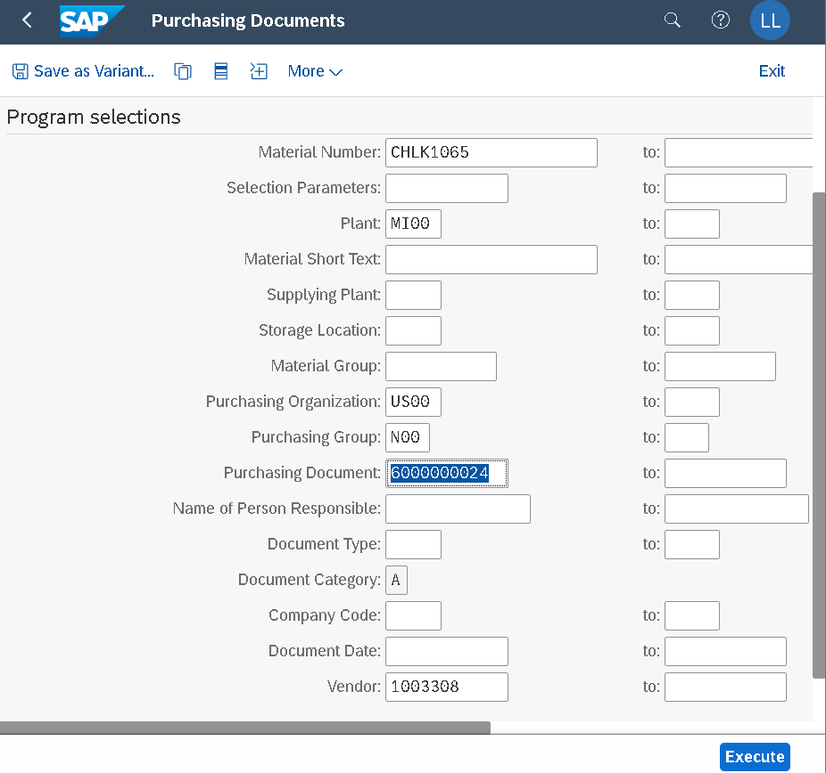

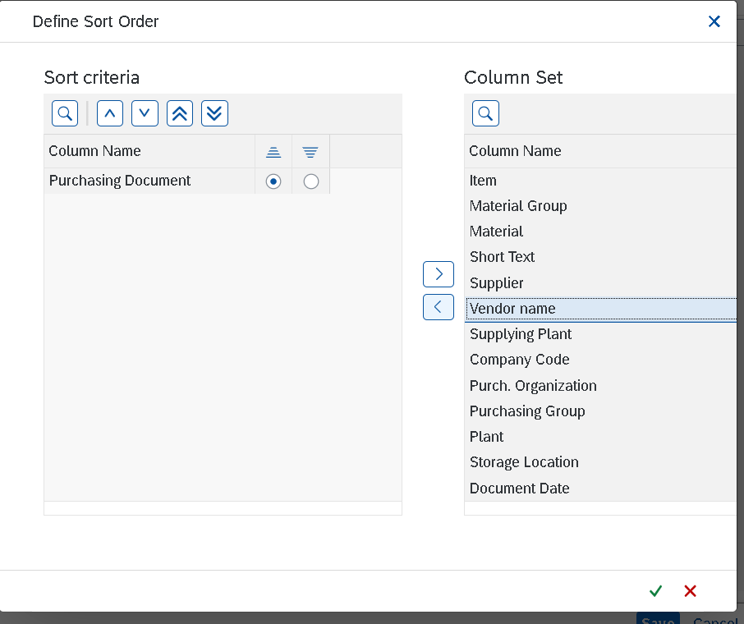
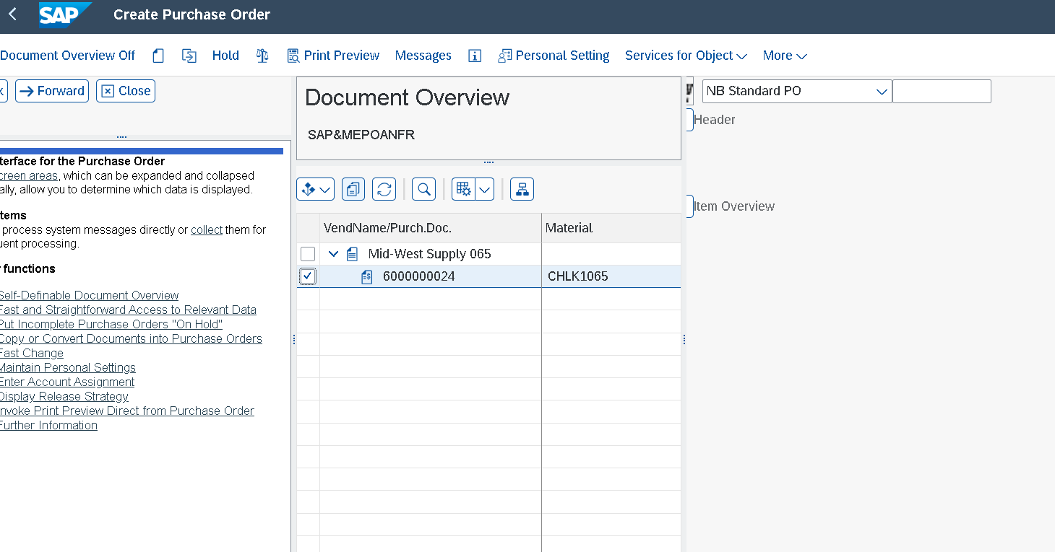

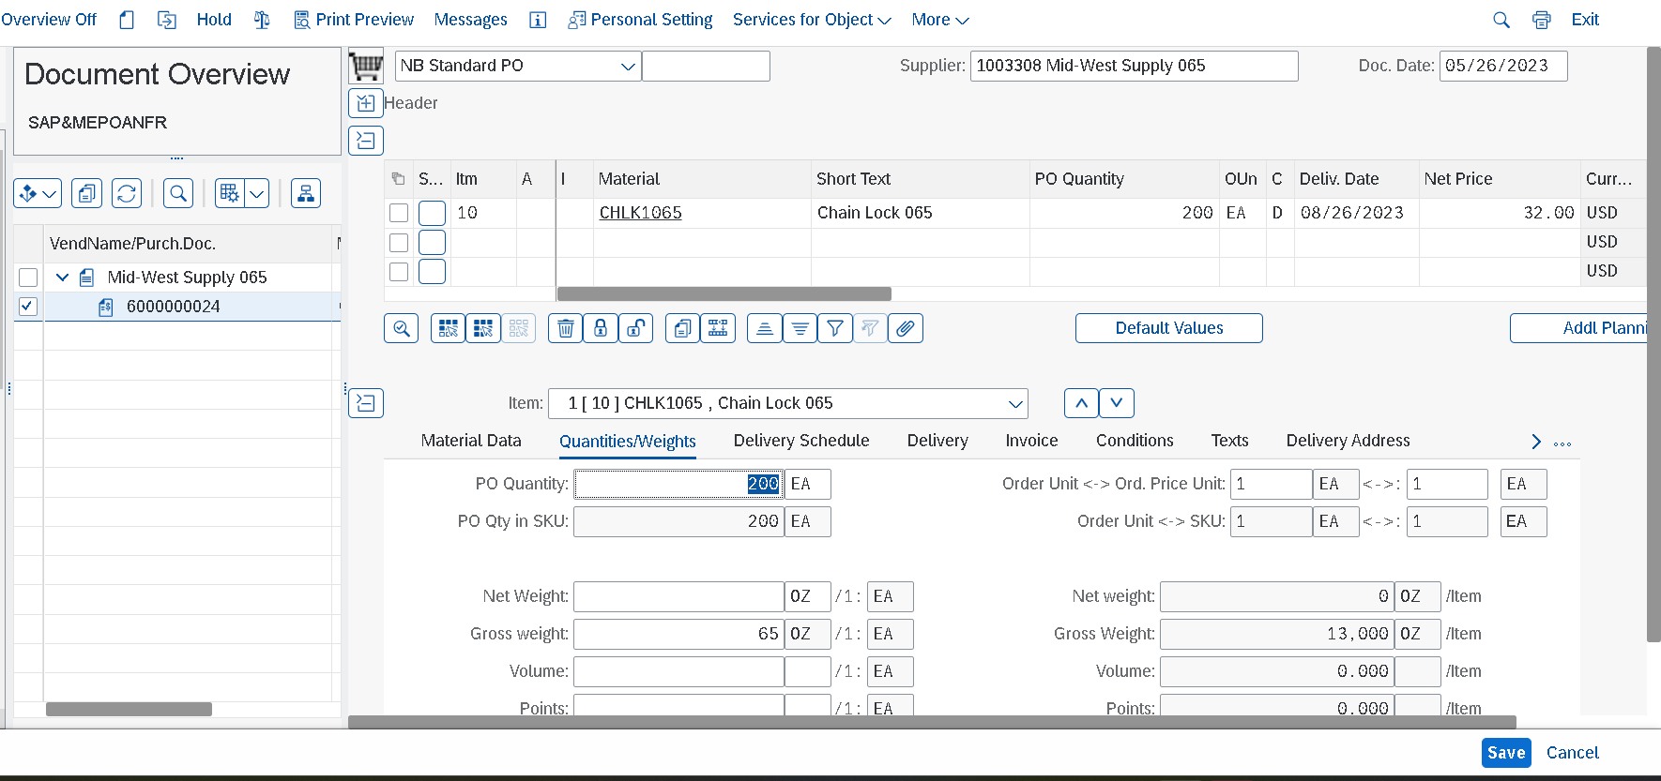

Sổ Header: Check Conditions/Gross Price
Sổ Item: check Material number CHLK1###, Quantity 200, three months from today as Deliv. Date, and the Net Price of 32.00
USD

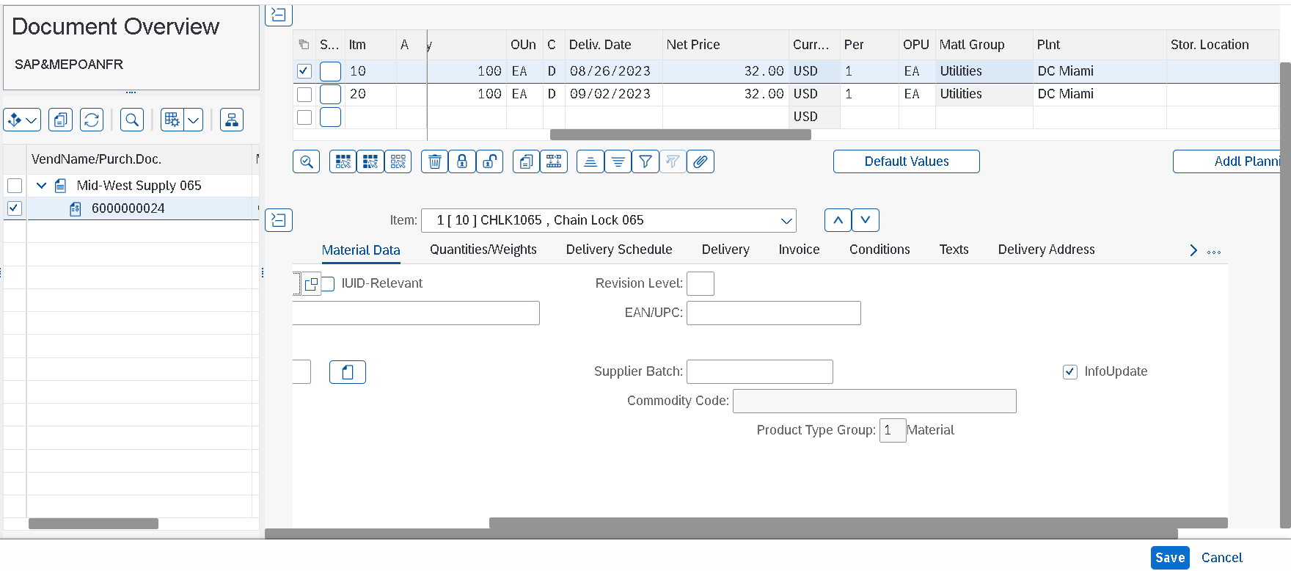

Sổ Item: item split – check Qty giảm 100. Delivery date của line dưới dời sau 1 week (2/9 từ 26/8)
Sổ Item details: Material data tab: tick InfoUpdate

Step11
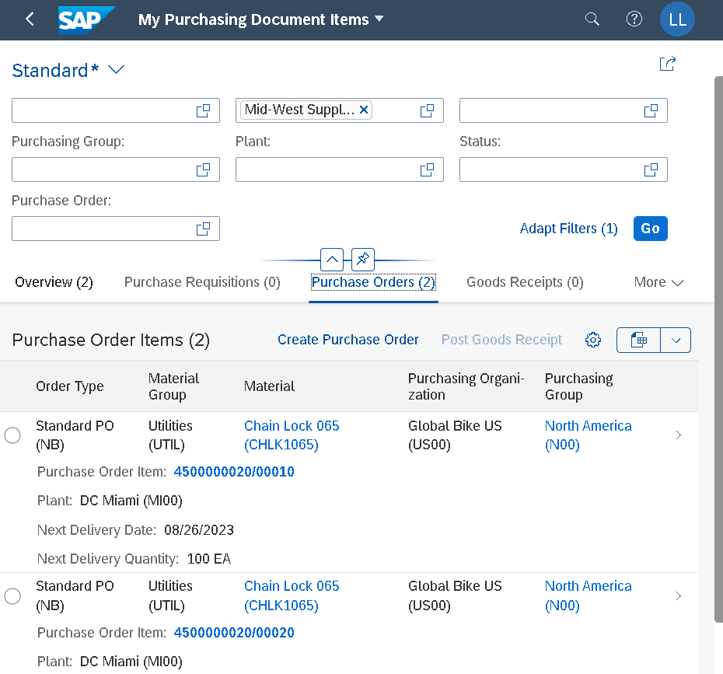

Step12
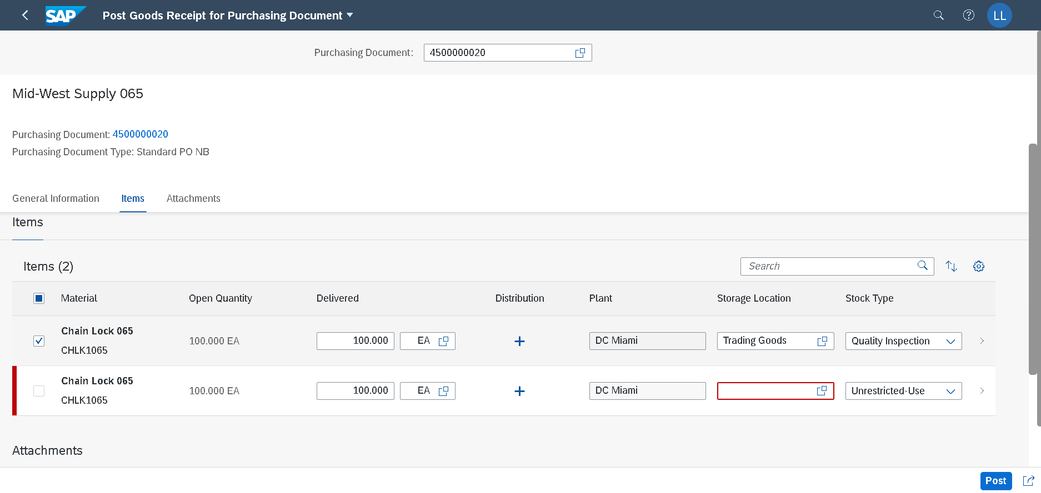

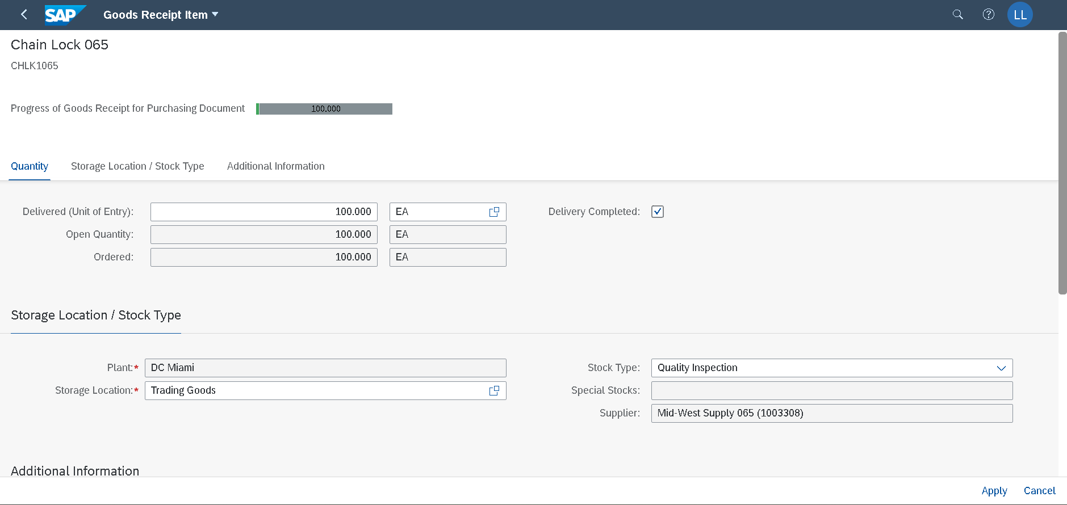

=> Post goods receipt Doc no. 5000000059/2023

Step13
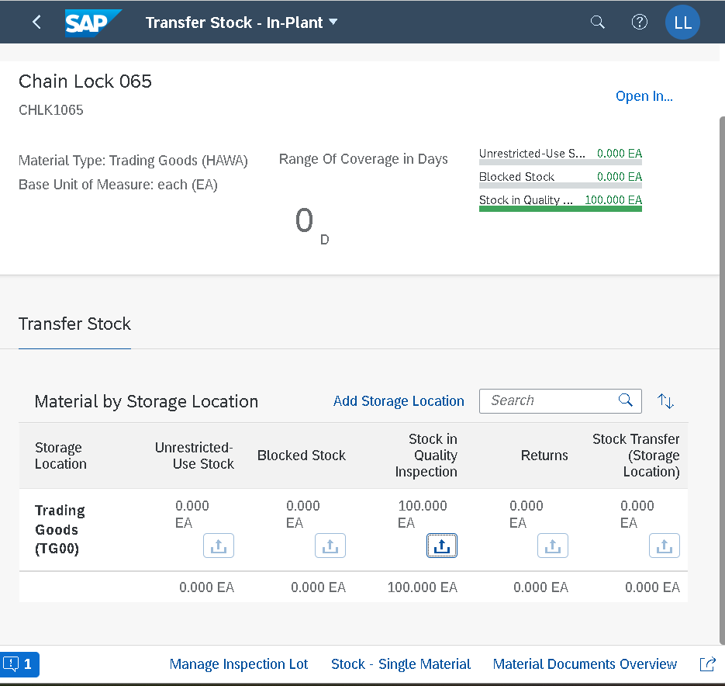
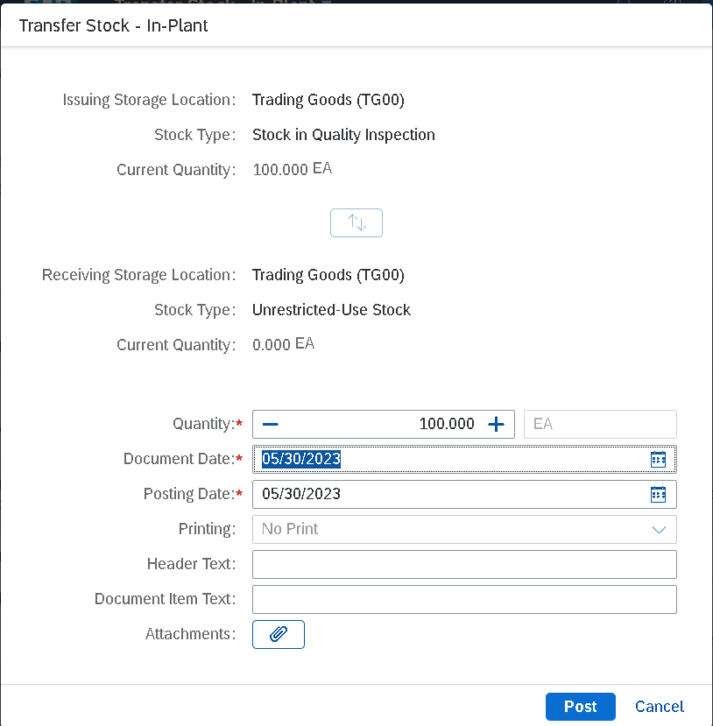
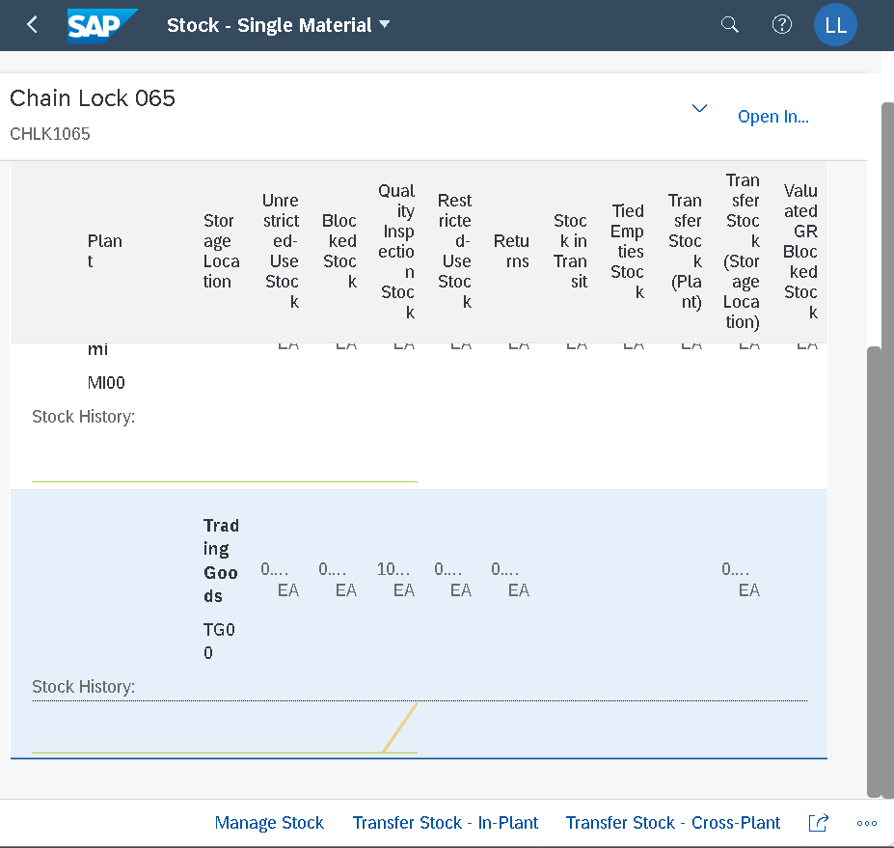

Post stock from Quality inspection (QI) to Unrestricted-used (UU)
You can only remove goods from unrestricted-use stock for consumption.
Therefore, you have to transfer post the goods.

Step14
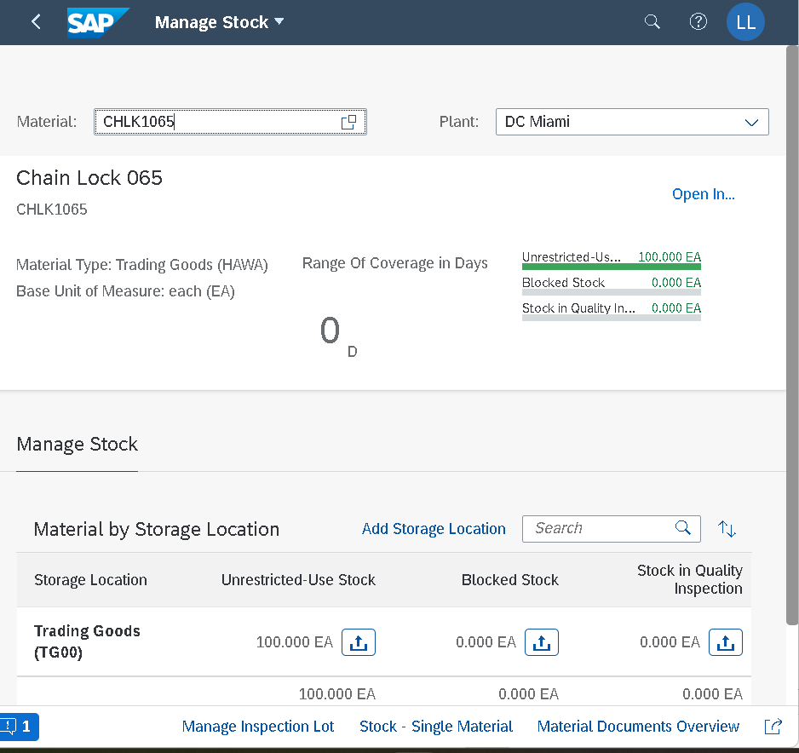

Confirm the physical receipt of the goods.
Stock-single material give you detailed information about the stock of the chain lock in the different plants

Step15
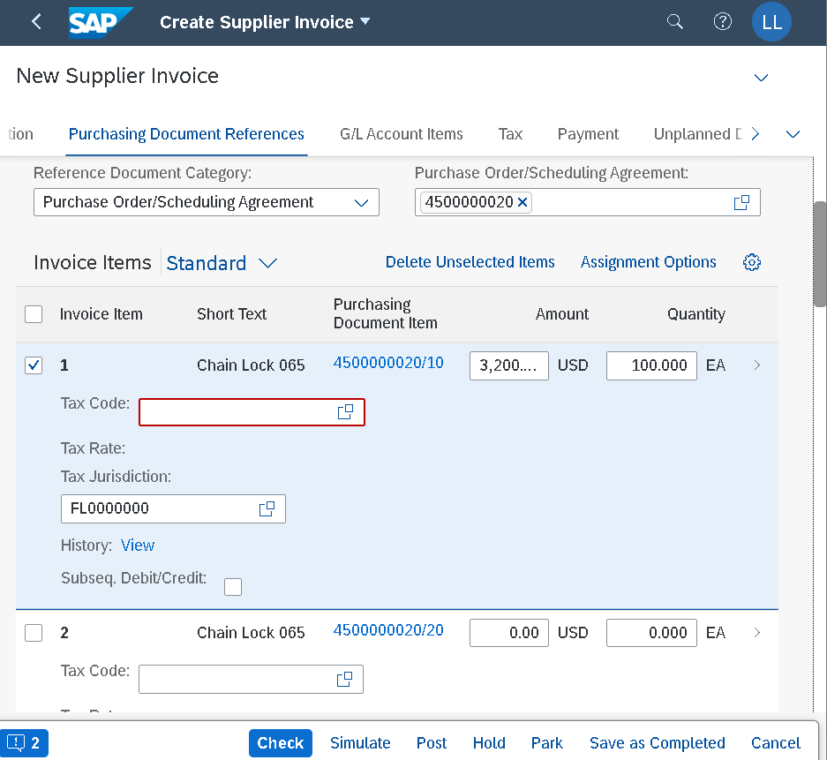
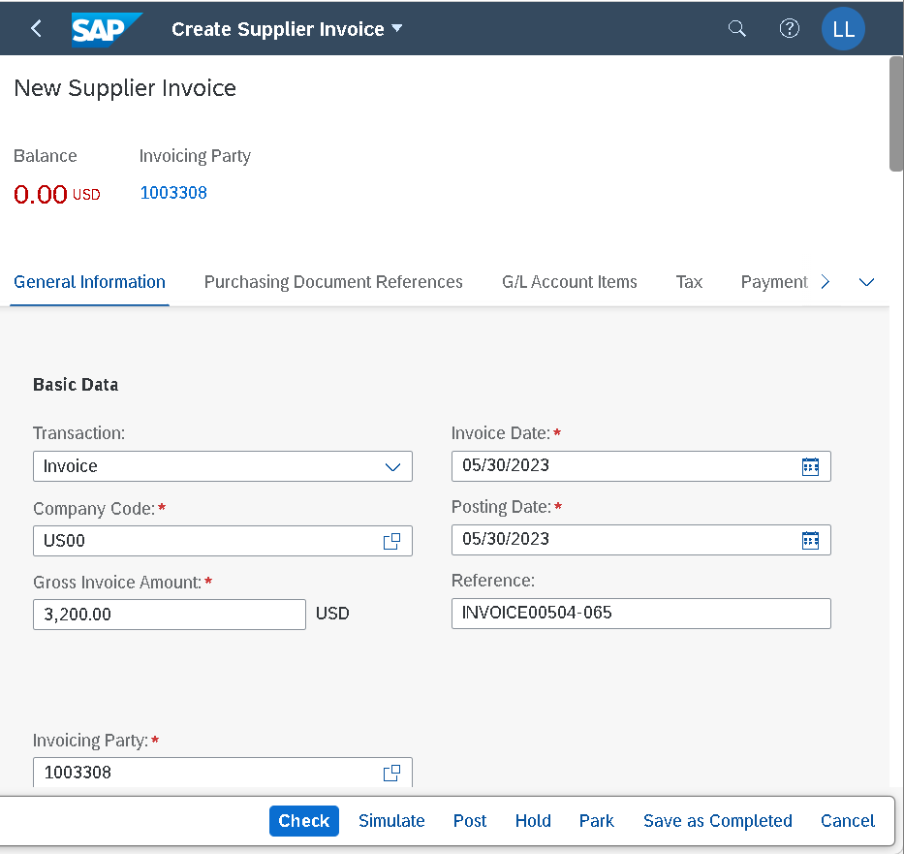
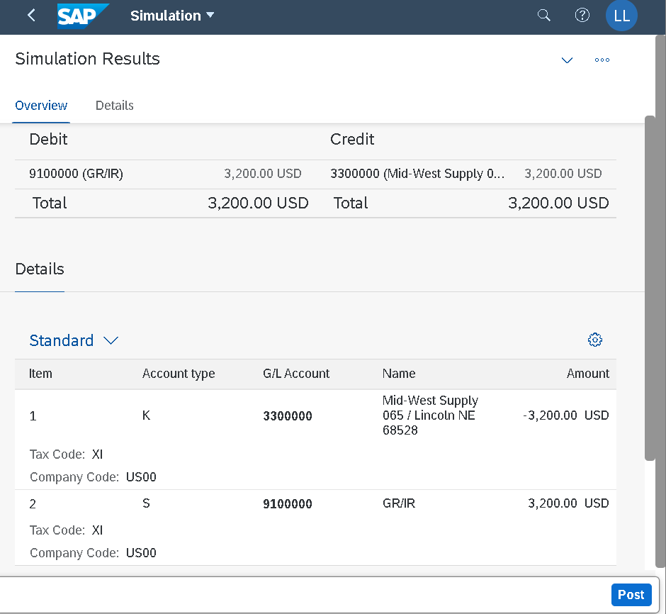
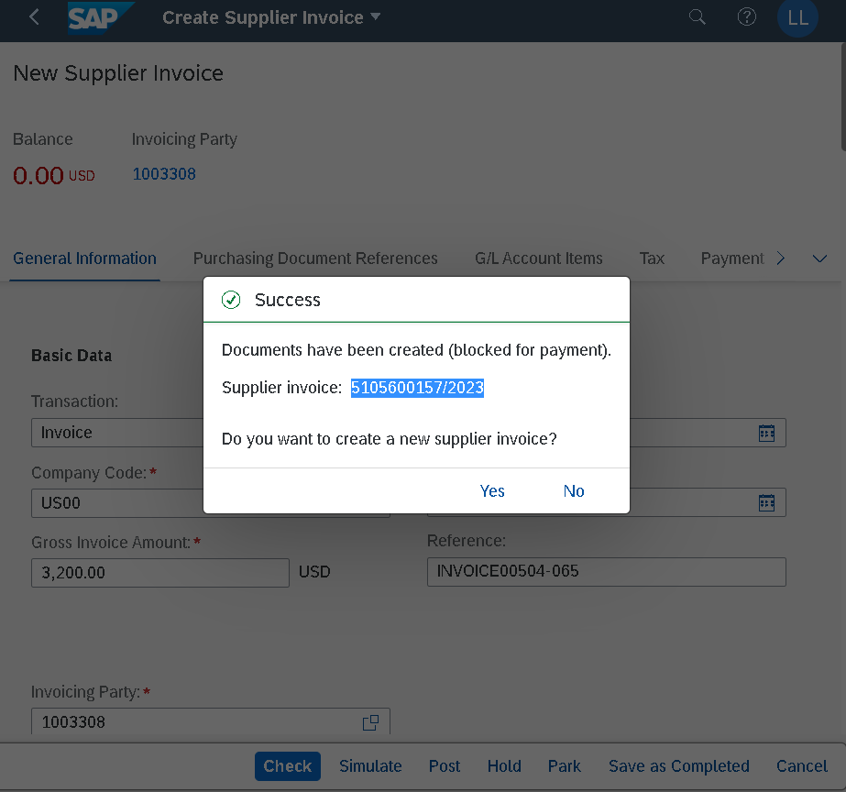
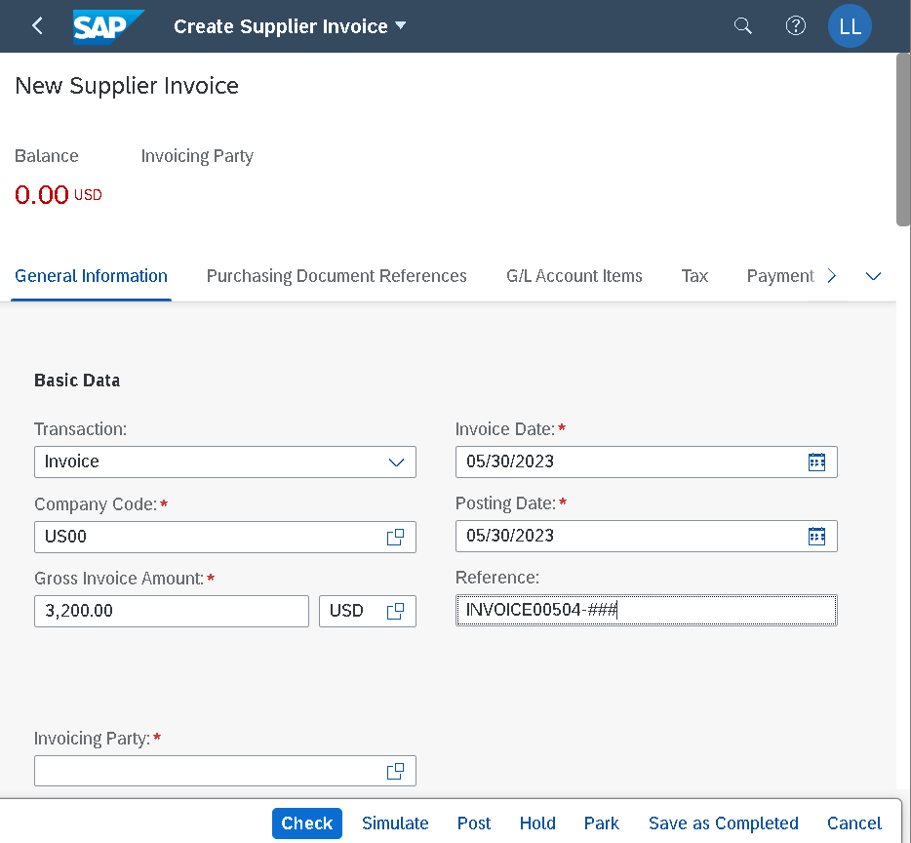

 | Create a supplier invoice

Nhập PO number đúng => tự động nhảy số Vendor number (1003308) trong ô Invoicing party |  | Simulate để xem lại Invoice, check gross amount, debit/credit G/L account

Step16





Material doc: 5000000059/2023 (Step 12)
Accounting/Financial doc: 5105600157/2023 (step 15)

Step17


Step18



Làm tương tự cho 100 cái line item Chainlock giống step 12
In step 12, you first posted the goods in quality inspection and then inspected them later. In this scenario, you inspect the goods directly at goods receipt so that you can use them directly.
Step 20: Create 2nd supplier invoice

Step20


Step21






Check balance in red (meaning payables)
Click Show items

