Palmer Penguins
March of the Penguins!

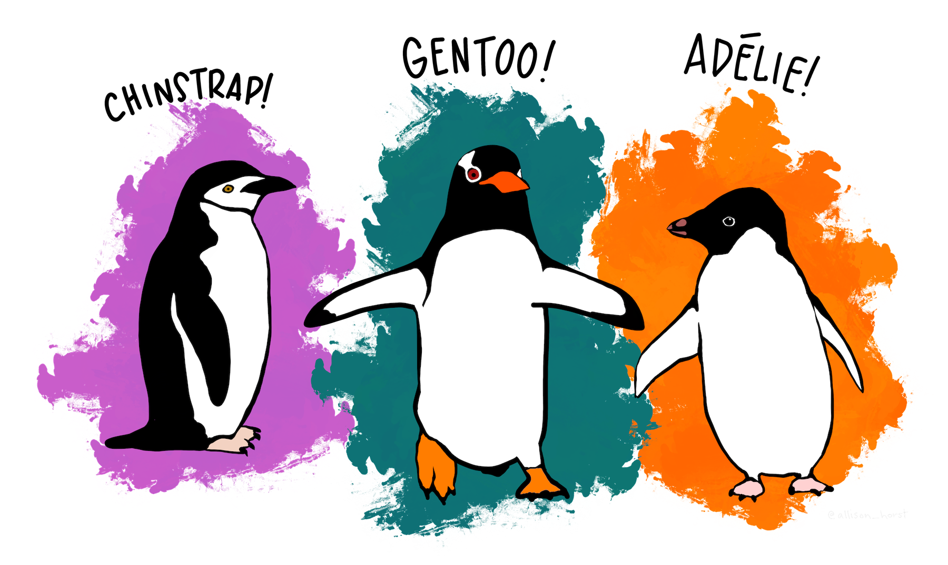

 | “Artwork by @allison_horst”

 |  | >>

Popularity
Dataset Popularity

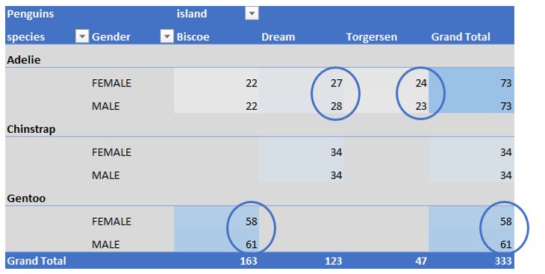
 | This dataset has become popular for Data Science training. It's allure it has naturally balanced categories which is beneficial when doing any type of predictive analytics. Just Googling Data Science and "class imbalance" will return over two million hits. To allow the student data scientist to focus on the algorithms and processes during the learning phase, a dataset with relatively balanced classes is ideal. This and, come on, penguins are adorable!

 |  | << | >>

Category EDA
Dataset Category Balance

Penguins by Species and Gender - Pre Adjustment
 | Total
FEMALE | 73
MALE | 73
FEMALE | 34
MALE | 34
FEMALE | 58
MALE | 61
 | The clean dataset contains 333 records across 3 penguin species including both female and male samples. The balance for the gender category is good with only species, Gentoo, showing a small discrepancy. Within the original dataset are 9 complete records except for the gender category, which is missing. Using linear discriminant analysis, the algorithm has predicted 3 of these 9 records as Gentoo females with prediction scores of 98.6, 98.9, and 99.9 respectively. These 3 records will be added to the dataset.

Penguins by Species and Gender - Post Adjustment
 | Total
FEMALE | 73
MALE | 73
FEMALE | 34
MALE | 34
FEMALE | 61
MALE | 61

 |  | << | >>

Penguin Size
 | Penguin Sizes

To illustrate the size of these birds, let's look across some of the measures for each of the three species. The scatterplots below show some comparison between weights and lengths of bills and flippers.

Penguin Size by Flipper Length and Body Mass
 | Gentoo | Adelie | Chinstrap
211 | 4500 | 0 | 0
230 | 5700 | 0 | 0
210 | 4450 | 0 | 0
218 | 5700 | 0 | 0
215 | 5400 | 0 | 0
210 | 4550 | 0 | 0
211 | 4800 | 0 | 0
219 | 5200 | 0 | 0
209 | 4400 | 0 | 0
215 | 5150 | 0 | 0
214 | 4650 | 0 | 0
216 | 5550 | 0 | 0
214 | 4650 | 0 | 0
213 | 5850 | 0 | 0
210 | 4200 | 0 | 0
217 | 5850 | 0 | 0
210 | 4150 | 0 | 0
221 | 6300 | 0 | 0
209 | 4800 | 0 | 0
222 | 5350 | 0 | 0
218 | 5700 | 0 | 0
215 | 5000 | 0 | 0
213 | 4400 | 0 | 0
215 | 5050 | 0 | 0
215 | 5000 | 0 | 0
215 | 5100 | 0 | 0
215 | 5650 | 0 | 0
210 | 4600 | 0 | 0
220 | 5550 | 0 | 0
222 | 5250 | 0 | 0
209 | 4700 | 0 | 0
207 | 5050 | 0 | 0
230 | 6050 | 0 | 0
220 | 5150 | 0 | 0
220 | 5400 | 0 | 0
213 | 4950 | 0 | 0
219 | 5250 | 0 | 0
208 | 4350 | 0 | 0
208 | 5350 | 0 | 0
208 | 3950 | 0 | 0
225 | 5700 | 0 | 0
210 | 4300 | 0 | 0
216 | 4750 | 0 | 0
222 | 5550 | 0 | 0
217 | 4900 | 0 | 0
210 | 4200 | 0 | 0
225 | 5400 | 0 | 0
213 | 5100 | 0 | 0
215 | 5300 | 0 | 0
210 | 4850 | 0 | 0
...
Flipper and Bill Length
 | Gentoo | Adelie | Chinstrap
211 | 46.1 | 0 | 0
230 | 50 | 0 | 0
210 | 48.7 | 0 | 0
218 | 50 | 0 | 0
215 | 47.6 | 0 | 0
210 | 46.5 | 0 | 0
211 | 45.4 | 0 | 0
219 | 46.7 | 0 | 0
209 | 43.3 | 0 | 0
215 | 46.8 | 0 | 0
214 | 40.9 | 0 | 0
216 | 49 | 0 | 0
214 | 45.5 | 0 | 0
213 | 48.4 | 0 | 0
210 | 45.8 | 0 | 0
217 | 49.3 | 0 | 0
210 | 42 | 0 | 0
221 | 49.2 | 0 | 0
209 | 46.2 | 0 | 0
222 | 48.7 | 0 | 0
218 | 50.2 | 0 | 0
215 | 45.1 | 0 | 0
213 | 46.5 | 0 | 0
215 | 46.3 | 0 | 0
215 | 42.9 | 0 | 0
215 | 46.1 | 0 | 0
215 | 47.8 | 0 | 0
210 | 48.2 | 0 | 0
220 | 50 | 0 | 0
222 | 47.3 | 0 | 0
209 | 42.8 | 0 | 0
207 | 45.1 | 0 | 0
230 | 59.6 | 0 | 0
220 | 49.1 | 0 | 0
220 | 48.4 | 0 | 0
213 | 42.6 | 0 | 0
219 | 44.4 | 0 | 0
208 | 44 | 0 | 0
208 | 48.7 | 0 | 0
208 | 42.7 | 0 | 0
225 | 49.6 | 0 | 0
210 | 45.3 | 0 | 0
216 | 49.6 | 0 | 0
222 | 50.5 | 0 | 0
217 | 43.6 | 0 | 0
210 | 45.5 | 0 | 0
225 | 50.5 | 0 | 0
213 | 44.9 | 0 | 0
215 | 45.2 | 0 | 0
210 | 46.6 | 0 | 0
...

 |  | << | >>

Flipper Size
Bill Lengths
 | Adelie | Chinstrap | Gentoo
32.1-35.1 | 10 | 0 | 0
35.1-38.1 | 48 | 0 | 0
38.1-41.1 | 56 | 1 | 1
41.1-44.1 | 27 | 5 | 15
44.1-47.1 | 5 | 19 | 42
47.1-50.1 | 0 | 13 | 42
50.1-53.1 | 0 | 26 | 17
53.1-56.1 | 0 | 3 | 4
56.1-59.1 | 0 | 1 | 0
59.1-62.1 | 0 | 0 | 1
No single measure isolates each the three penguin species. These three visualizations help isolate each species through scanning. Scanning the three visualizations allow you to deduce that Gentoos can be isolated primarily by weight and Adelies from Chinstraps based on bill lengths.

Penguin Flipper Lengths
 | Adelie | Chinstrap | Gentoo
172-173 | 1 | 0 | 0
174-175 | 1 | 0 | 0
176-177 | 1 | 0 | 0
178-179 | 3 | 1 | 0
180-181 | 9 | 2 | 0
182-183 | 5 | 0 | 0
184-185 | 15 | 1 | 0
186-187 | 16 | 6 | 0
188-189 | 11 | 2 | 0
190-191 | 28 | 6 | 0
192-193 | 14 | 7 | 0
194-195 | 14 | 8 | 0
196-197 | 11 | 9 | 0
198-199 | 8 | 6 | 0
200-201 | 3 | 7 | 0
202-203 | 3 | 5 | 1
204-205 | 1 | 2 | 0
206-207 | 0 | 2 | 1
208-209 | 1 | 0 | 12
210-211 | 1 | 3 | 12
212-213 | 0 | 1 | 12
214-215 | 0 | 0 | 18
216-217 | 0 | 0 | 13
218-219 | 0 | 0 | 10
220-221 | 0 | 0 | 13
222-223 | 0 | 0 | 8
224-225 | 0 | 0 | 7
226-227 | 0 | 0 | 1
228-229 | 0 | 0 | 6
230-231 | 0 | 0 | 8
Penguin Weights
 | Adelie | Chinstrap | Gentoo
2700-3199 | 20 | 2 | 0
3200-3699 | 51 | 30 | 0
3700-4199 | 49 | 29 | 2
4200-4699 | 23 | 6 | 24
4700-5199 | 3 | 1 | 40
5200-5699 | 0 | 0 | 36
5700-6199 | 0 | 0 | 16
6200-6699 | 0 | 0 | 1

 | << | >>

Conclusion
 | In Conclusion


This short visual exploration of the Palmer Penguin Dataset illustrates why this dataset is so popular within the data science community. The balanced classes along with a diverse dimensionality to the data makes it easy to understand what is occuring in a predictive model. This is especially the case for the classification algorithms.

Thank you to Allison Horst for the data and artwork in this report. Her Github site is a must visit.

Palmer Penguins Github

Horst, A. (n.d.). Palmerpenguins R Data Package. Palmer Penguins R Data Package. https://allisonhorst.github.io/palmerpenguins/

 |  | <<

