Title
March of the Penguins!

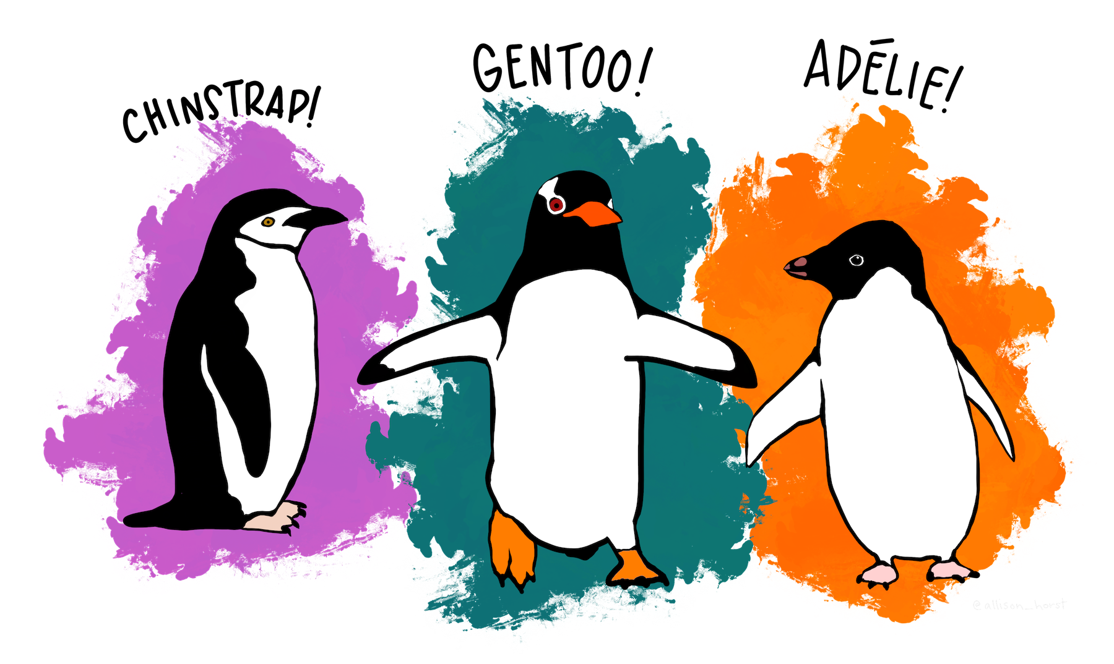

 | “Artwork by @allison_horst”

Category EDA
Dataset Category Balance

Penguins by Species and Gender - Pre Adjustment
 | Total
FEMALE | 73
MALE | 73
FEMALE | 34
MALE | 34
FEMALE | 58
MALE | 61
 | The clean dataset contains 333 records across 3 penguin species including both female and male samples. The balance for the gender category is good with only species, Gentoo, showing a small discrepency. Within the original dataset are 9 complete records except for the gender category, which is missing. Using linear discriminant analysis, the algorythm has predicted 3 of these 9 records as Gentoo females with prediction scores of 98.6, 98.9, and 99.9 respectively. These 3 records will be added to the dataset.

Penguins by Species and Gender - Post Adjustment
 | Total
FEMALE | 73
MALE | 73
FEMALE | 34
MALE | 34
FEMALE | 61
MALE | 61

Penguin Size
 | Penguin Sizes

To illustrate the size of these birds, let's look across some of the measures for each of the three species. The scatterplots below show some comparison between weights and lengths of bills and flippers.

Penguin Size by Flipper Length and Body Mass
 | Adelie | Gentoo | Chinstrap
181 | 3750 | 0 | 0
186 | 3800 | 0 | 0
195 | 3250 | 0 | 0
193 | 3450 | 0 | 0
190 | 3650 | 0 | 0
181 | 3625 | 0 | 0
195 | 4675 | 0 | 0
182 | 3200 | 0 | 0
191 | 3800 | 0 | 0
198 | 4400 | 0 | 0
185 | 3700 | 0 | 0
195 | 3450 | 0 | 0
197 | 4500 | 0 | 0
184 | 3325 | 0 | 0
194 | 4200 | 0 | 0
174 | 3400 | 0 | 0
180 | 3600 | 0 | 0
189 | 3800 | 0 | 0
185 | 3950 | 0 | 0
180 | 3800 | 0 | 0
187 | 3800 | 0 | 0
183 | 3550 | 0 | 0
187 | 3200 | 0 | 0
172 | 3150 | 0 | 0
180 | 3950 | 0 | 0
178 | 3250 | 0 | 0
178 | 3900 | 0 | 0
188 | 3300 | 0 | 0
184 | 3900 | 0 | 0
195 | 3325 | 0 | 0
196 | 4150 | 0 | 0
190 | 3950 | 0 | 0
180 | 3550 | 0 | 0
181 | 3300 | 0 | 0
184 | 4650 | 0 | 0
182 | 3150 | 0 | 0
195 | 3900 | 0 | 0
186 | 3100 | 0 | 0
196 | 4400 | 0 | 0
185 | 3000 | 0 | 0
190 | 4600 | 0 | 0
182 | 3425 | 0 | 0
190 | 3450 | 0 | 0
191 | 4150 | 0 | 0
186 | 3500 | 0 | 0
188 | 4300 | 0 | 0
190 | 3450 | 0 | 0
200 | 4050 | 0 | 0
187 | 2900 | 0 | 0
191 | 3700 | 0 | 0
...
Flipper and Bill Length
 | Adelie | Gentoo | Chinstrap
181 | 39.1 | 0 | 0
186 | 39.5 | 0 | 0
195 | 40.3 | 0 | 0
193 | 36.7 | 0 | 0
190 | 39.3 | 0 | 0
181 | 38.9 | 0 | 0
195 | 39.2 | 0 | 0
182 | 41.1 | 0 | 0
191 | 38.6 | 0 | 0
198 | 34.6 | 0 | 0
185 | 36.6 | 0 | 0
195 | 38.7 | 0 | 0
197 | 42.5 | 0 | 0
184 | 34.4 | 0 | 0
194 | 46 | 0 | 0
174 | 37.8 | 0 | 0
180 | 37.7 | 0 | 0
189 | 35.9 | 0 | 0
185 | 38.2 | 0 | 0
180 | 38.8 | 0 | 0
187 | 35.3 | 0 | 0
183 | 40.6 | 0 | 0
187 | 40.5 | 0 | 0
172 | 37.9 | 0 | 0
180 | 40.5 | 0 | 0
178 | 39.5 | 0 | 0
178 | 37.2 | 0 | 0
188 | 39.5 | 0 | 0
184 | 40.9 | 0 | 0
195 | 36.4 | 0 | 0
196 | 39.2 | 0 | 0
190 | 38.8 | 0 | 0
180 | 42.2 | 0 | 0
181 | 37.6 | 0 | 0
184 | 39.8 | 0 | 0
182 | 36.5 | 0 | 0
195 | 40.8 | 0 | 0
186 | 36 | 0 | 0
196 | 44.1 | 0 | 0
185 | 37 | 0 | 0
190 | 39.6 | 0 | 0
182 | 41.1 | 0 | 0
190 | 36 | 0 | 0
191 | 42.3 | 0 | 0
186 | 39.6 | 0 | 0
188 | 40.1 | 0 | 0
190 | 35 | 0 | 0
200 | 42 | 0 | 0
187 | 34.5 | 0 | 0
191 | 41.4 | 0 | 0
...

Flipper Size
Penguin Flipper Lengths
 | Adelie | Chinstrap | Gentoo
172-173 | 1 | 0 | 0
174-175 | 1 | 0 | 0
176-177 | 1 | 0 | 0
178-179 | 3 | 1 | 0
180-181 | 9 | 2 | 0
182-183 | 5 | 0 | 0
184-185 | 15 | 1 | 0
186-187 | 16 | 6 | 0
188-189 | 11 | 2 | 0
190-191 | 28 | 6 | 0
192-193 | 14 | 7 | 0
194-195 | 14 | 8 | 0
196-197 | 11 | 9 | 0
198-199 | 8 | 6 | 0
200-201 | 3 | 7 | 0
202-203 | 3 | 5 | 1
204-205 | 1 | 2 | 0
206-207 | 0 | 2 | 1
208-209 | 1 | 0 | 12
210-211 | 1 | 3 | 12
212-213 | 0 | 1 | 12
214-215 | 0 | 0 | 18
216-217 | 0 | 0 | 13
218-219 | 0 | 0 | 10
220-221 | 0 | 0 | 13
222-223 | 0 | 0 | 8
224-225 | 0 | 0 | 7
226-227 | 0 | 0 | 1
228-229 | 0 | 0 | 6
230-231 | 0 | 0 | 8

