Title
March of the Penguins!

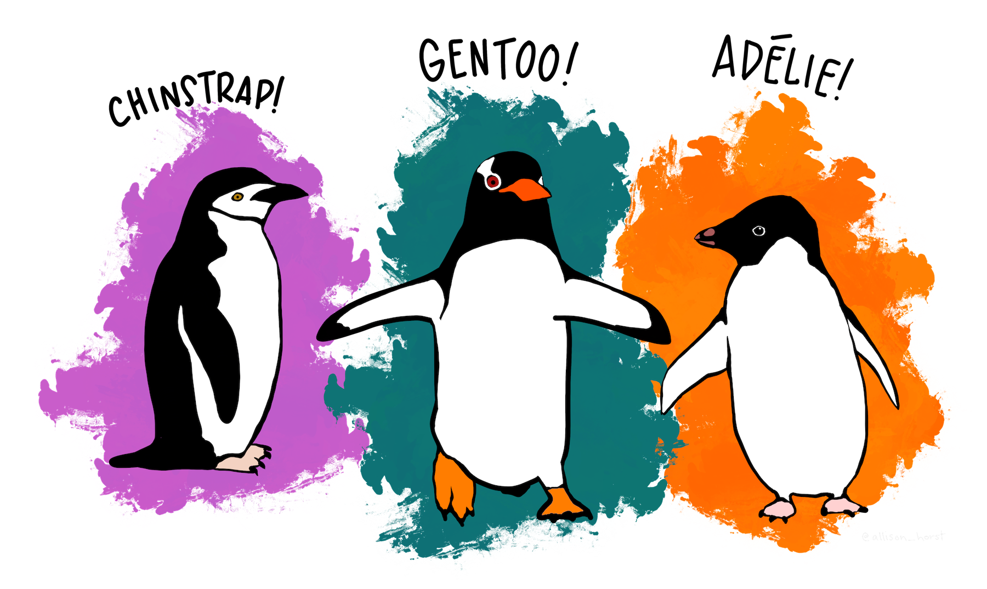

 | “Artwork by @allison_horst”

