Cover
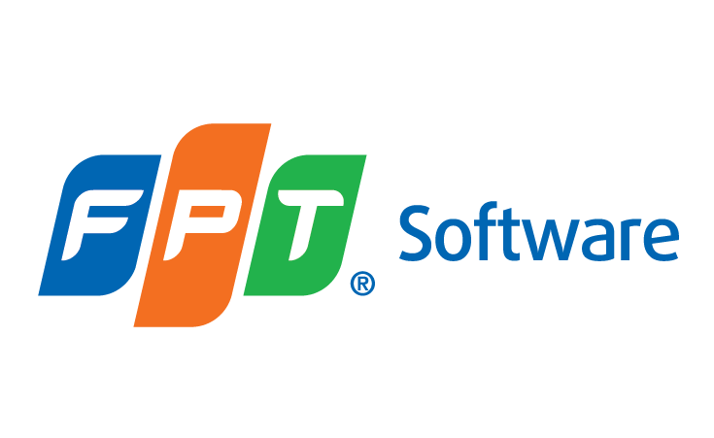

Report

INFORMATION SECURITY INTERNAL AUDIT

 | Document Code
 | Version | 1.2
 | Effective Date | 19/07/2021

