Bias Analysis
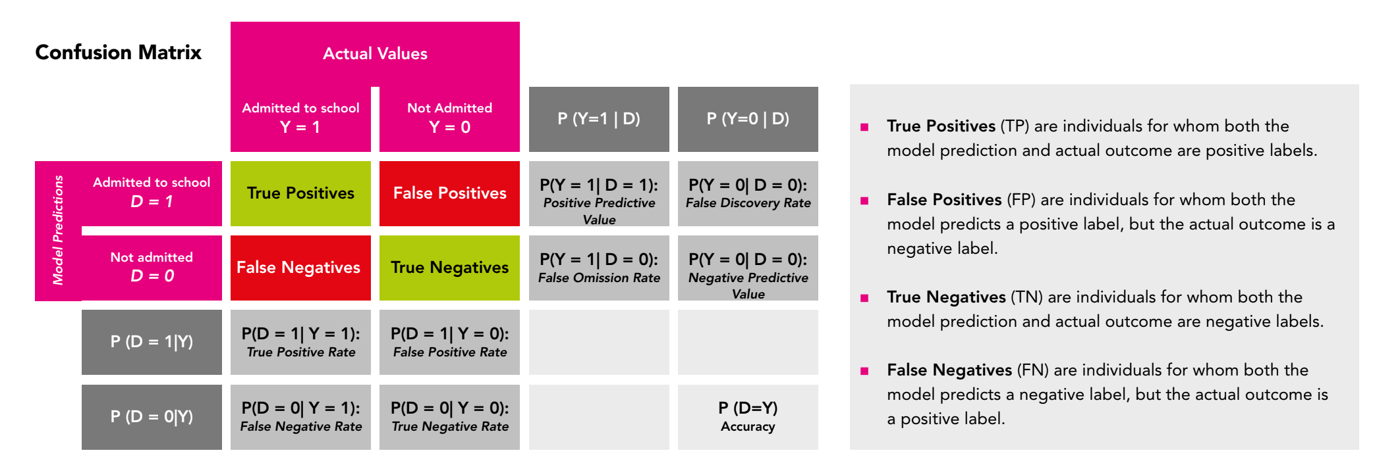
Step | Concepts
1.Selecting the scale of the bias analysis by choosing between individual and group-level fairness | Individual versus Group Fairness | With individual fairness, one evaluates whether the model produces similar results for persons who share similar characteristics. Suppose that two people with the same bank account history apply for a loan at their bank, and one of them receives his/her loan, while the other person’s application is denied. If we would assess why the model is producing different outcomes for these persons, we should evaluate the fairness on individual level. However, in practice, it is difficult to find a similarity metric that measures the degree of similarity between individuals (http://philsci-archive.pitt.edu/id/eprint/18889/contents). With group fairness, one evaluates whether the model treats groups of persons defined by sensitive characteristics worse when compared with other groups (Weerts, http://arxiv.org/abs/2105.05595). In other words, one evaluates the extent to which a particular group statistic differs across groups. It is suggested to focus on group fairness, since this level allows a wider range of fairness metrics that can be used.
1b. Collect required information | Requirements for the Bias Analysis | The following components are needed for fairness metrics on group level: - The results of the model: the performance metrics of the model are summarized on a confusion matrix. This confusion matrix is a table that compares the model’s predictions with the ground truth of the data. The confusion matrix not only shows the model’s performance, but also displays the type of errors that the model made, which are the False Positives and False Negatives. Based on the four categories of the confusion matrix, one can calculate several ratios that provide insights about the model’s performance on the protected groups. Figure 11 shows a confusion matrix and a selection of metrics that can be distilled from this table. - The groups within the dataset that will be compared with each other: these groups are characterized by a single or combination of attribute(s) from the dataset that link to sensitive information (see Figure 1). Having a feature such as “sex” may lead you to split the data into a group of men and a group of women to compare the model’s performance on these groups and seek large performance discrepancies that indicate bias. In practice, it is not a straightforward job to establish the groups of interest, because most features present in the dataset link to sensitive information in many complex ways through indirect bias. Some suggestions for establishing the groups in the dataset can be found in section Forming Groups from Datasets.
2. Choosing a fairness definition | / | One of the main challenges in the bias analysis is determining how fairness should be defined in each case. Each stakeholder may have a different understanding of fairness, which can be difficult when selecting a fairness metric. Here are some recommendations on selecting a suitable definition: - Organise a meeting with stakeholders to discuss their perspectives on what fairness means for them. These stakeholders involve data scientists, decision makers, and a repre- sentative sample of the persons who may be affected by the application of the model. Consider together with them how the different types of errors can harm individuals, groups of persons and society (Rodolfa et al., n.d.). - Make simulations of the model outcomes in different scenarios, for example by using different confusion matrix results. By simulating the disparities across groups, one can make fairness issues more tangible and visual, which often helps with establishing the fairness definition. - Dive into the fairness metric selection process discussed in the sections below. Choosing a fairness definition may go hand-in-hand with selecting a metric, with each metric having its own goals, opportunities and constraints. Specifically, the differences between the metrics will be helpful in defining the fairness definition. Note that the bias analysis also offers options to adopt multiple fairness definitions for different purposes. For example, one might select different scenarios or focus groups and translate back what a fair model would look like for these persons. However, when conducting the bias analysis for multiple objectives, it is important to make explicit how each objective links to a fairness definition and metric, and to keep the results of each bias analysis separate from each other. This is because the same results do not necessarily apply to all objectives.
3. Selecting a single or multiple fairness metrics that correspond with the adopted fairness definition | / | Fairness metrics can be used to compare the model’s performance across groups. Since there is an abundance of metrics available to measure the group disparities, the Fairness Tree displayed in Figure 13 can be used to navigate through the most important considerations when choosing a metric. The tree is based on the "Aequitas Fairness tree" (http://www.datasciencepublicpolicy.org/our-work/tools-guides/aequitas/) developed by University of Chicago; it is a good starting point to decide the scope of your bias analysis and find the right fairness metric(s). The fairness tree is part of the Aequitas open source bias audit toolkit containing tools to audit the predictions of AI systems and find biased outcomes. The main advantage of the fairness tree is that it allows both policy makers and data scientists to make an informed decision about the fairness definition and metric. In next sheet there the explanation of each number in the figure.
4. Defining the demographic groups of interest |  | After choosing the fairness metrics, one should compute the performance disparity across groups. However, establishing which groups will be compared and investigated for bias is often a difficult task. Some people belong to multiple vulnerable groups, e.g., women with a black skin colour or older people with a disability status, which increases the chance for intersectional bias. This type of bias occurs when a model produces more errors or assigns more undesired outcomes for people who belong to multiple disadvantaged demographic groups. Some suggestions for splitting the features into groups are: 1. Create groups based on top-down knowledge of sociotechnical context: the most important advice is to consult the domain experts to gain insight into the population for which the AI system is designed. 2. Create groups based on feature and error distributions: for the simpler features, it can help to create feature distribution plot to check the distribution of the feature values and to see which groups often helps to see if any ‘natural’ groups stand out. For the more complex features, the error distribution can also be informative. First, apply a feature importance method on the model to find out which features have the highest predictive value. Then, create error distribution plots for these features where the number or magnitude of errors is placed on the Y-axis and the feature values are placed on the X-axis (see Figure 16). The visualisations give insight in the error distribution amongst the features and can visualize which categories or values the model is underperforming for, hereby potentially hinting to a demographic group associated with these values.
5. Applying the fairness metrics on the groups to compare them and find the groups for which the model produces skewed and unfavourable results
6. Determining the bias decision thresholds that determine which actions policy makers should take based on the bias analysis results |  | After applying the fairness metrics on the demographic groups, one must analyse the results with stakeholders, with whom we establish the thresholds for the fairness metrics. These thresholds are needed to draw conclusions about the presence and magnitude of bias in the algorithm and to determine which actions should be taken to mitigate the bias. Determining the thresholds can be a complicated task, as the impact of the bias can vary by metric, by feature, and by demographic group. At this time, there are not yet widely accepted and implemented approaches available for determining this threshold. Instead, it will require a tailored approach in collaboration with your stakeholders

Tree concepts
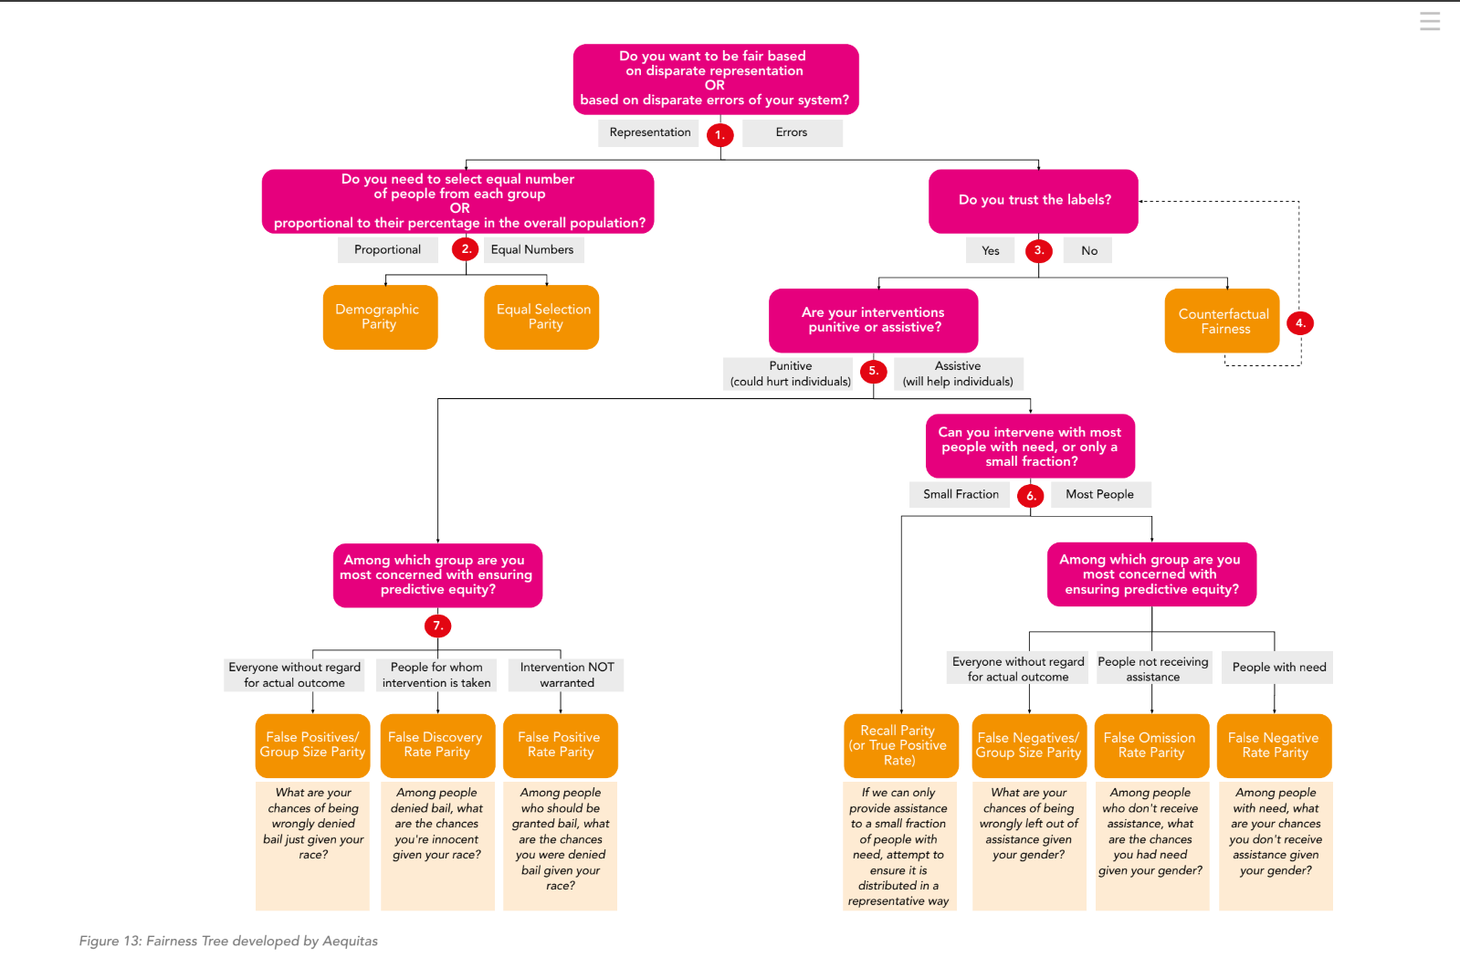
1. Disparate Representation versus Disparate Errors | The first decision concerns choosing between metrics to evaluate whether the model is fair based on disparate representation or on disparate errors. Representation-based metrics compare whether persons from both advantaged and disadvantaged groups have equal probability of being selected by the model, also named the selection rate. This method is often used to evaluate whether persons from different groups have equal access to be selected by the model for a desired service or good, such as a loan, insurance or admission to a school programme. These metrics are Demographic Parity and Equal Selection Rate Parity. Error-based metrics evaluate the difference in error rates across groups. Suppose to have a model that either denies or approves of a loan and one wants to know if there is a bias against women, e.g., women are more often wrongly denied a loan. Using error-based fairness metrics, one can compare the False Negatives Rate (FNR) between men and women and determine whether women have a substantially higher False Negative Rate than men. The error-based metrics include False Positives Rate Parity, False Negatives Rate Parity and False Omission Rate Parity.
3. Trusting the Labels | Returning to the Fairness Tree, there is a choice to be made that depends on whether one can trust the labels. Suppose to use a fraud prediction model. The dataset contains features, such as ‘transactions’ and ‘average spend’, and a label for each instance, such as ‘high risk’ or ‘low risk’. As Machine Learning models are trained on the dataset, the labels should be trustworthy to ensure that the correct patterns are learned. Generally, of most datasets we can say that we can trust the labels. If not, then other, more creative options should be sought to work with the faulty dataset, such as Counterfactual Fairness.
5. Punitive versus Assistive Interventions | The distinction between punitive and assistive interventions plays an important role in our bias analysis, as it helps with determining which type of errors (e.g., False Positives or False Negatives) are most harmful. When a model has interventions that are assistive in nature, people might be harmed when the model fails to intervene on them when they have need (Rodolfa et al., https://textbook.coleridgeinitiative.org/chap-bias.html#dealing-with-bias). A high rate of False Negatives is therefore undesirable, as it would mean that the model wrongly withholds this intervention from people. For example, for a model that decides who should receive a governmental subsidy, we could compare the False Negatives Rate across groups to see whether there is a large discrepancy between advantaged and disadvantaged groups. On the other hand, with punitive models, people are harmed by the intervention, which makes the False Positives more suitable to further explore during the bias analysis. Suppose we have a model that predicts which of the defendants who committed a crime are likely to reoffend. If our model produces substantially more False Positives for people with a non-Dutch ethnicity when compared with people with a Dutch ethnicity, we can say that the model discriminates against people with a non-Dutch ethnicity. For both the assistive and the punitive models, there are different metrics available, each of which can be used to find error rate disparities across groups. The main differences between these metrics can be attributed to the size of the intervention and the type of groups that are compared with each other. The Fairness Tree shows the following four metrics applicable for models with assistive interventions: - Group Size-Adjusted False Negatives (FN/GSP) - False Omission Rate (FOR) - False Negative Rate (FNR) - Recall/True Positives Parity
7. Models with Punitive Interventions | Three metrics fall under the scope of the punitive interventions, these are: - Group-Size Adjusted False Positives (FP/GSP) - False Discovery Rate Parity (FDR) - False Positive Rate Parity As discussed, for models with punitive interventions we often investigate the False Positives during the bias analysis to prevent that innocent people are picked out by the model for an undesired intervention.

