Framework
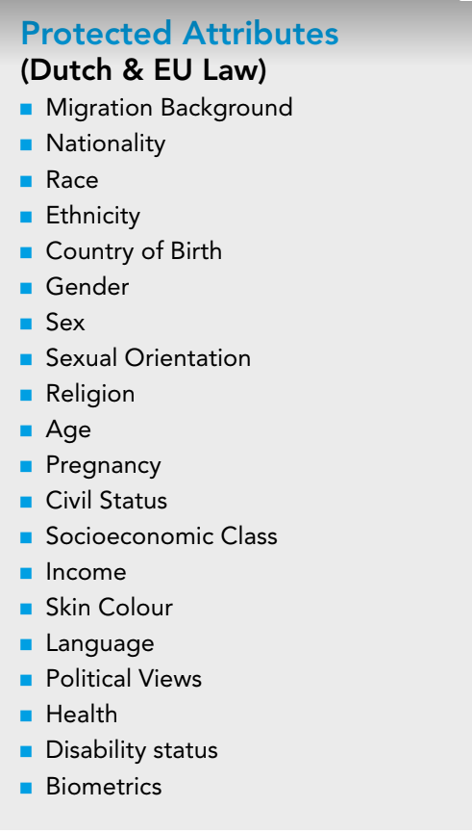
SDLC Phase | Threat | Sub-Threat | Description | Action
RE | Solutionist Trap | N.A. | the potential of technology as a means to solve a problem is often overestimated, leading to a higher risk of falling into the Solutionist trap. | To prevent the solutionist trap from happening and to create a more realistic view on whether the problem can indeed be solved or supported with a model, ask yourself the following questions: - How would using a predictive model offer a solution for the problem of interest? - Which other solutions are available to solve this problem? Why were these solutions not sufficient (anymore)? - Why should we use an AI technology to solve this problem? - How will we know if our project with AI technology is successful? How will the performance be measured in terms of organisation goals?
RE | Solutionist Trap | N.A. | the potential of technology as a means to solve a problem is often overestimated, leading to a higher risk of falling into the Solutionist trap. | Conduct an Artificial Intelligence Impact Assessment (AIIA) by following https://static1.squarespace.com/static/5b7877457c9327fa97fef427/t/5c368c611ae6cf01ea0fba53/1547078768062/Artificial+Intelligence+Impact+Assessment+-+English.pdf To answer previous questions
RE | Solutionist Trap | N.A. | the potential of technology as a means to solve a problem is often overestimated, leading to a higher risk of falling into the Solutionist trap. | Since many key choices are made during this phase that can introduce bias, it’s important to elaborate on these decisions. Moreover, during this phase we should establish who our stakeholders are, so we can educate them on the model development cycle. All these findings will be documented so that we can continuously evaluate these decisions during later phases. The discussions and documentation should at least cover the following topics: 1. Stakeholders: Describe the stakeholders who will be involved in the development and deployment of the model, such as the decision-makers and all the other people (in)directly affected by the system. It is important to involve stakeholders continuously throughout the lifecycle of the algorithm, since they all bring in their own valuable expertise and experiences about the problem. Using these multiple perspectives, we can minimise the risks observed. 2. Demographic Groups: Define the demographic groups which the AI system is likely to impact. These demographic groups can be formed by (combinations of) sensitive attributes, such as by race, gender, age, or disability. - In Figure there is an overview of all the sensitive attributes. - The use of personas can also help to better describe the demographic groups. These can be created in collaboration with stakeholders and verified by domain experts who have experience with the population of interest. See also this introduction on personas website (https://www.interaction-design.org/literature/article/personas-why-and-how-you-should-use-them) for more information about how to create these descriptions. 3. Fairness Definitions and Metrics: it is recommended considering the fairness of the algorithm as early as possible. More specifically for this stage, we can begin to think about what fairness definition and metrics would be applicable to our algorithm. The sheet "Tree metrics" can be used as guidance. - Discuss with stakeholders: Which types of mistakes are you more willing to make?
RE | Abstraction Traps | N.A. | The main risks arising during this phase is incorrectly translating the problem to a predictive model. For example, we might oversimplify the problem and the context that we want to solve using algorithms, resulting in an abstraction trap. We can also encounter the portability trap which occurs when we fail to translate the problem into a predictive algorithm, leading to an oversimplified and unrepresentative model. | Discuss with domain experts whether the translation of the problem formulation into a model is modelling the socio-technical context adequately. Map out all the possible factors that may have an impact on the algorithm and discuss with domain experts which of these factors can be left out and which can be included. As for the portability trap, make explicit what the differences are between the initial and the new context when reusing a model, and map how this may (negatively) affect the outcomes of the model.
RE | Ripple Effect Trap | N.A. | The introduction of a new technology in a work process often changes the social dynamics within the system in which it operates. For example, the new technology might impact the power dynamics within the system due to the changed roles and responsibilities of employees. The effects of the changed dynamics can be harmful when not anticipated beforehand. | Pay sufficient attention to how the model can affect the behaviour, perception and expertise of all actors whose work is somehow involved with the newly introduced model, and investigate the relative power dynamics between the actors in the system.
RE | Construct Validity Bias | N.A. | This complex bias occurs when we use features or target variables that are difficult to measure because they are unobservable constructs, such as socio-economic status or fraudulent behaviour, resulting in a mismatch between the real-world problem and the model. When using unobservable constructs as features or predict a target, there is a high risk of ending up with a model that poorly represents these concepts. | Inspecting an AI system for traces of construct validity bias is not an easy task. We need to gain deep insight into how proxy variables (including the target variable) are constructed. A way to mitigate this type of bias is by collecting multiple measures to form the target variable. In addition, the conceptualization framework of construct validity in What is Construct Validity? (https://fairlearn.org/v0.7.0/user_guide/fairness_in_machine_learning.html#what-is-construct-validity) offers a starting point to evaluate the construct validity of your variables.
Design | Historical bias | N.A. | This type of bias is caused by data that reflects the human biases, prejudices and other effects of societal or historical inequities, leading to representation and allocation harm. | We identified the following mitigation techniques: - Analyse which unjust patterns are embedded in the dataset in collaboration with domain experts. Based on the demographic groups defined in the first phase, further research can be done to investigate how these groups are represented in the dataset. - Additionally, since historical bias is often caused by problematic distributions of the features and/or the target variable for the minority groups in the dataset, we could improve these distributions with over and undersampling techniques. These sampling techniques can be used to systematically over or undersample the features and the target for minority groups, for example by assigning more desired target labels to minority groups which increases the probability that they receive a desired outcome by the model. For more information, see the mitigation techniques for representation bias. - Inspect the decisions and interventions that result from the outcomes of the model, especially when they have a punitive nature. Discuss with stakeholders how to extend the set of decisions and interventions with more assistive actions. For example, for loan eligibility models, extend the decision space with options to offer different interest rates and payment terms (https://www.annualreviews.org/doi/10.1146/annurev-statistics-042720-125902).
Design | Statistical bias | N.A. | Statistical bias stems from a mismatch between the sample used to train a predictive model and the world as it currently is (https://doi.org/10.1145/3465416.3483305). | /
Design | Statistical bias | Representation bias | This type of bias occurs when some groups are underrepresented in the dataset, leading the model to not generalize well for these groups and eventually causing quality-of-service harm (https://github.com/pyladiesams/ml-fairness-beginner-nov2021/blob/master/workshop/measuringgroupfairness.ipynb). The underrepresentation of demographic groups in the dataset is often caused by selection bias, where a sample is selected as dataset in a way that is irreflective of the real-world distribution. | To prevent representation bias: - Be aware of your own blind spots as a data scientist and consult domain experts; - Develop the model with a diverse team; - Ensure your dataset contains sufficient instances of minority groups. The population selected for the algorithm’s training should have similar distributions and proportions for all subgroups and for each protected attribute. Data visualisation techniques can be helpful to gain more insight into the differences between the data of the minority groups and the majority group.
Design | Statistical bias | Representation bias | This type of bias occurs when some groups are underrepresented in the dataset, leading the model to not generalize well for these groups and eventually causing quality-of-service harm (https://github.com/pyladiesams/ml-fairness-beginner-nov2021/blob/master/workshop/measuringgroupfairness.ipynb). The underrepresentation of demographic groups in the dataset is often caused by selection bias, where a sample is selected as dataset in a way that is irreflective of the real-world distribution. | To mitigate representation bias: - Collect additional data to mitigate the dataset imbalance; - Find ways to deal with sampling errors. Consider pre-processing mitigation algorithms like methods to reweigh the instances of the dataset such that people from unprivileged groups with favourable labels get assigned higher weights while privileged people with favourable labels are assigned lower weights. - Use sampling techniques to obtain balanced dataset, for example with oversampling, undersampling and stratified sampling. These sampling techniques are only conducted on the training set: the validation and test set remain untouched. For a Python package about dealing with imbalanced data, we recommend the Imbalanced-Learn package and reading through the corresponding paper (https://jmlr.org/papers/v18/16-365.html)
Design | Statistical bias | Measurement bias | Measurement bias occurs when the data contains systematic patterns of measurement errors which are greater for some groups than for others, leading to a greater magnitude of errors for these groups and resulting in quality-of-service harm. | To mitigate the risk of measurement bias, re-evaluate the measurement or annotation process from a more context-aware perspective. Consult domain experts to provide more background information about all the factors that are related to the target variable, and select together which features are less prone to measurement errors. See also the proposed mitigation techniques of Omitted Variable Bias. If there is some information available about the ground truth of the data, then this information will be valuable in assessing the model for measurement bias.
Design | Statistical bias | Measurement bias | Measurement bias occurs when the data contains systematic patterns of measurement errors which are greater for some groups than for others, leading to a greater magnitude of errors for these groups and resulting in quality-of-service harm. | DATASHEET: It is important to describe the choices behind the data collection and sampling process in detail, as this gives insight into the distribution of the sampled population and can be used to find traces of representation bias. The datasheets introduced by Gebru et al. (https://doi.org/10.1145/3458723) can be useful here: this tool helps with documenting the key information about the dataset). The datasheet includes information about the following dataset properties: - The source of the dataset; - The timeframe over which the data was collected; - The collection, aggregation or curation process of the dataset, which also includes the used software, hardware, or infrastructure to collect and process the data; - The (pre)processing techniques used to prepare the dataset for the model training phase.
Design | Statistical bias | Measurement bias | Measurement bias occurs when the data contains systematic patterns of measurement errors which are greater for some groups than for others, leading to a greater magnitude of errors for these groups and resulting in quality-of-service harm. | FEATURE REVIEW: In the Feature Review, the relevant characteristics of the dataset features are documented and evaluated for potential links to direct or indirect bias. This descriptive analysis is compiled in collaboration with domain experts and end users to gain more insight about the features and business rules that shape the AI system. Specifically, the Feature Overview helps with determining: - Which features have a larger risk for direct or indirect bias; - To which sensitive attributes each feature is linked. These sensitive attributes help with determining the demographic groups who will be evaluated during the bias analysis. The Feature Review is one of the key documents of the Fairness Pipeline and the bias analysis (which should be done through the dedicated sheet, if not aready done in RE phase). Therefore, make sure to schedule sufficient time with stakeholders to fill in the document. For each feature, include the following information: - What is the source of this feature? - What does this feature tell us? How can it be interpreted? - How is the information behind the feature currently used in the work process? - Is there any legal, academic or common-sense justification for the link between this feature and the target variable? If so, how credible, strong and actual is this support? - To which protected attributes is it linked? (See Figure above for an overview of the protected attributes) - To which demographic groups does this feature link? - Will this feature be evaluated during the bias analysis? If so, will it be analysed for indirect or direct bias? Make sure to continuously update the information in this overview, as it will be often used in the subsequent phases to describe the results of the applied Fairness Pipeline tools.
Development | Learning Bias | N.A. | Learning bias occurs when the model prioritizes some objective, e.g., accuracy, that damages a fairness-related outcome. | Mitigation techniques should target the defined learning objectives and associated learning processes. Moreover, since this bias can amplify performance disparities on underrepresented groups, it is important to ensure there is no representation bias. With a more representative and balanced dataset, the model will be less prone to only preserving information about the majority group.
Development | Aggregation Bias | N.A. | There is a greater risk for aggregation bias when a single model is applied on data consisting of (demographic) groups with distinct distributions that should be treated differently. In other words, the model wrongly assumes that the data distribution is homogeneous. | - Adjust the objective function to include the group differences in the data. In some cases, incorporating information about group differences into the design of the model can lead to a simpler function that the model can learn, which in turn can improve performance across groups. A branch to look into are coupled learning methods such as multitask learning, which modify the parameters of the model objective to also consider the group differences (https://doi.org/10.1145/3465416.3483305). - Adjust the training data to fit the objective function better, for example with data transformation techniques such as the Fair Representation Learning method introduced by (https://proceedings.mlr.press/v28/zemel13.html).
Development | Omitted Variable Bias | N.A. | This type of bias occurs when a single or multiple important features are left out of the model (https://doi.org/10.1145/3194770.3194776). | To mitigate this risk, use feature importance methods to evaluate the relationship between each feature and the target variable. The Permutation Feature Importance method is one of the techniques that could be used (https://christophm.github.io/interpretable-ml-book/pdp.html). This method measures the increase in the prediction error of the model after permuting the feature’s values. Consult this source for a more detailed explanation about Permutation Feature Importance.
Development | Omitted Variable Bias | N.A. | This type of bias occurs when a single or multiple important features are left out of the model (https://doi.org/10.1145/3194770.3194776). | It is crucial to diagnose the model and the generated outcomes for presence of bias and to grasp why the model arrived at its outcomes. The more transparent the model is, the easier this process will be, so make sure to look into methods for increasing transparency and understandability of the model. When prioritizing transparency and understandability, the most straightforward option is to choose human-interpretable models, such as regression models, decision trees, Naïve Bayes Classifiers and K-Nearest Neighbours. The open-source book “Interpretable Machine Learning” by Christoph Molnar (Learning”) is a recommended read for learning more about how to select interpretable models, or how to implement model-agnostic methods in more complex algorithmes to understand the decisions generated by the model.
Development | Omitted Variable Bias | N.A. | This type of bias occurs when a single or multiple important features are left out of the model (https://doi.org/10.1145/3194770.3194776). | Feature Importance Methods: After training the model, feature importance methods such as Permutation Feature Importance or SHAP can be used to calculate the relative importance of each feature. These results should be communicated with the domain exports and end users to evaluate whether the most predictive values are proxies for indirect bias and whether these features are indeed essential for solving the problem in the real world. If stakeholders do not recognize the most predictive features being essential for the real-world problem, it is advisable to re-evaluate the features and the functioning of the model. By doing so, the risk that the model produces harmful and erroneous outcomes is minimized. Finally, make sure to register the feature importance results in the Feature Review.
Development | Omitted Variable Bias | N.A. | This type of bias occurs when a single or multiple important features are left out of the model (https://doi.org/10.1145/3194770.3194776). | Explore Counterfactuals: With counterfactuals, we change the values of sensitive attributes (or features linking to sensitive information) and observe whether the model outcome changes positively or negatively. Suppose, for example, we inspect a model that determines eligibility for a life insurance, and we include a feature that indirectly links to nationality, such as history of foreign travel. If changing the value of this feature from Italy to Lebanon increases the insurance rate significantly, the model might be biased against nationality, ethnicity or migration background. To experiment with counterfactuals, Google's What-If Tool offers a wide range of possibilities to probe your model and investigate which counterfactuals are present. The insights obtained from exploring counterfactuals can, for example, help with determining whether the decision space of the model should be extended with more interventions.
Development | Wrong assumptions behind Evaluations | N.A. | Generally, model evaluations are based on three underlying assumptions: - Decisions can be evaluated as an aggregation of separately evaluated individual decisions. This includes assuming that outcomes are not affected by the decisions for others, an assumption known as no interference. - All individuals can be considered symmetrically, i.e., identically. This assumes, for example, that the harm of denying a loan to someone who could repay is equal across all people. - Decisions are evaluated simultaneously. This means that they are evaluated in a batch as opposed to serially, and therefore they do not consider potentially important temporal dynamics. | Evaluate you decisions w.r.t. the Threat description.
Testing | Evaluation bias | N.A. | Evaluation bias occurs when the evaluation metrics are inappropriate for the model and dataset, hereby disguising the model’s performance for smaller-sized demographic groups. | Use disaggregated evaluation metrics on smaller groups of data to gain more insight in the model’s performance on minority groups. These subgroup metrics can also be used to compare the performance of groups with each other to find performance disparities, which often indicate various kinds of biases that we discussed. For example, both accuracy and precision could be calculated and compared for the self-defined groups. Keep in mind that selecting smaller-sized groups and metrics is always application-dependent, and it often requires intersectional analysis and privacy considerations. Therefore, input should be sought from domain experts and affected populations who understand the usage and consequences of the model (https://doi.org/10.1145/3465416.3483305). Tools such as the Fairness Tree can assist in selecting these appropriate metrics. Besides reporting the performance of models on more granular subsets of data, we also recommend to closely inspect the data distribution for dataset imbalances that cause the model to underperform for certain subpopulations. If the subgroup evaluation metrics indicate a disparity in performance, then considering new ways to generate more representative data could be helpful to mitigate the evaluation bias, which are mentioned at the solution strategies for representation bias.
Testing | Evaluation bias | N.A. | Evaluation bias occurs when the evaluation metrics are inappropriate for the model and dataset, hereby disguising the model’s performance for smaller-sized demographic groups. | Bias Analysis: It is one of the most important actions of the Fairness Pipeline. Here, fairness metrics are used to compare the model’s performance across demographic groups and to find the groups for which the model is substantially underperforming, hereby possibly indicating bias. As the bias analysis is a very intense and elaborate process, consult the dedicated Excel sheet. Based on the obtained results from the bias analysis, it is recommended to return to previous phases to solve the underlying problems causing the bias.
Testing | Evaluation bias | N.A. | Evaluation bias occurs when the evaluation metrics are inappropriate for the model and dataset, hereby disguising the model’s performance for smaller-sized demographic groups. | Bias Scenario Simulations: An useful exercise within the bias analysis is to create realistic simulations of unfavorable outcomes for demographic groups and to discuss the follow-up steps of these results with stakeholders. The simulations can be made using different confusion matrix outcomes for demographic groups, thereby highlighting how the model performs differently for advantaged versus disadvantaged groups. Simulating different scenarios helps with establishing the fairness definition, metrics and with determining suitable follow-up steps to mitigate the bias for the disadvantaged group.
Deployment | Automation Bias | N.A. | When people prefer the results generated by algorithms over those of humans, we speak of automation bias. It is crucial to remain critical when using automated systems. | The people who process or work with the results of the models must therefore be properly trained to be able to critically evaluate the generated outcomes. It is also important that the deployed models have a high degree of interpretability and understandability, so that reasoning errors can be detected more quickly in the model.
Deployment | Deployment Bias | N.A. | Deployment bias occurs when decision-makers and other end users behave unexpectedly with the AI system, hereby resulting in unfair outcomes and interventions (https://doi.org/10.1145/3465416.3483305). | The mitigation strategies that we mention are identical to those to mitigate automation bias: they are aimed at educating the stakeholders about the AI system and informing them about the potential risks and harms when deploying the model into the real world. It’s also important to keep in mind that most issues caused by automation and deployment bias can be traced back to the abstraction and framing traps that we discussed in the first phase of the model development cycle.
Deployment | Reinforcing Feedback Loop | N.A. | This type of bias occurs when the output of a biased model is used to retrain the model, hereby creating a harmful feedback mechanism that amplifies historical bias. | Based on an actual case of a reinforcing feedback loop in predictive policing where arrest data was used to train the model and police officers were concentrating on already overly policed communities, researchers found that incorporating community-driven data was a suitable mitigation strategy to reduce the feedback effects. The community-driven data consisted of residents who reported on crimes. Adding data from other sources seems therefore as a suitable solution to prevent the amplification of certain undesired patterns in the model and data. - Since the bias is likely to be caused by measurement errors, we recommend considering the mitigation strategies discussed at Measurement Bias. - Add also the “neutral” labels to the new dataset. That is, in fraud detection models, add also the people to the dataset who were checked for fraud and who did not commit fraud.
Deployment | Lack of explanatory capabilities | N.A. | if the results of the model cannot easily be understood or interpreted, it is difficult to assess its fairness, hereby making a system vulnerable for biases (https://doi.org/10.1007/978-3-030-77211-6_1). | Visualisations and User Interfaces: First, to educate stakeholders about the functioning of the AI systems, create intuitive visualisations and user interfaces that give insight into how the model arrived at its outcome, including: - Reporting and visualising which features and values played an important role for generated decision, for example with SHAP (https://proceedings.neurips.cc/paper/2017/) or Partial Dependence Plots (https://christophm.github.io/interpretable-ml-book/pdp.html) - With how much certainty the outcome was generated. This guides end users to use their own judgments more when the model generates an outcome with low certainty. - Additional information to support the stakeholders’ judgments.
Deployment | Lack of explanatory capabilities | N.A. | if the results of the model cannot easily be understood or interpreted, it is difficult to assess its fairness, hereby making a system vulnerable for biases (https://doi.org/10.1007/978-3-030-77211-6_1). | Model Cards: Despite all our actions in the Fairness Pipeline, each model will continue to have vulnerabilities that could potentially lead to discriminatory behavior against minority groups. The eradication of biases is a continuous process in which human biases are interwoven into the data and the model development process in complicated ways. It is therefore crucial to be transparent about these vulnerabilities, so that policy makers can take these risks into account when they write policies about the use of the model. Model cards are useful tools to document the most important information of the data, the model and its performance comprehensively. Model cards are short documents (one or two pages) that report the model’s performance for the demographic groups in the dataset and summarize the ethical, inclusive and fair considerations of the model (https://doi.org/10.1145/3287560.3287596). See also the Model Card Prompts in the Appendix for an overview of the components that can be included on model cards.
Deployment | Lack of explanatory capabilities | N.A. | if the results of the model cannot easily be understood or interpreted, it is difficult to assess its fairness, hereby making a system vulnerable for biases (https://doi.org/10.1007/978-3-030-77211-6_1). | Monitoring Plan: Finally, we want ensure that the model’s functioning can be monitored, and feedback can be provided to prevent the bias caused by a reinforcement feedback loop. This can be done with a monitoring plan describing the responsibilities and tasks of employees in monitoring the AI system after deployment. These responsibilities include: - Handling complaints of people on the AI system. Everyone should be able to report discriminatory or biased practices, and the appointed employees should investigate these cases; - Registering the errors of the model.

Bias Analysis
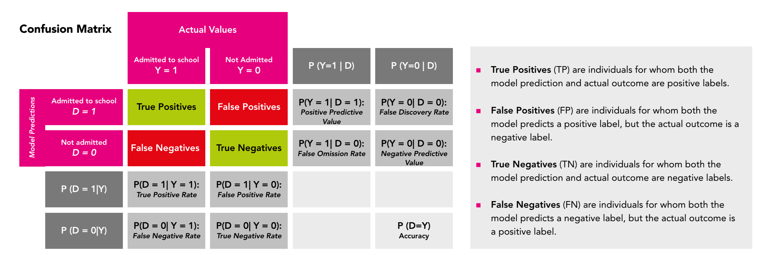
Step | Concepts | Description
1.Selecting the scale of the bias analysis by choosing between individual and group-level fairness | Individual versus Group Fairness | With individual fairness, one evaluates whether the model produces similar results for persons who share similar characteristics. Suppose that two people with the same bank account history apply for a loan at their bank, and one of them receives his/her loan, while the other person’s application is denied. If we would assess why the model is producing different outcomes for these persons, we should evaluate the fairness on individual level. However, in practice, it is difficult to find a similarity metric that measures the degree of similarity between individuals (http://philsci-archive.pitt.edu/id/eprint/18889/contents). With group fairness, one evaluates whether the model treats groups of persons defined by sensitive characteristics worse when compared with other groups (Weerts, http://arxiv.org/abs/2105.05595). In other words, one evaluates the extent to which a particular group statistic differs across groups. It is suggested to focus on group fairness, since this level allows a wider range of fairness metrics that can be used.
1b. Collect required information | Requirements for the Bias Analysis | The following components are needed for fairness metrics on group level: - The results of the model: the performance metrics of the model are summarized on a confusion matrix. This confusion matrix is a table that compares the model’s predictions with the ground truth of the data. The confusion matrix not only shows the model’s performance, but also displays the type of errors that the model made, which are the False Positives and False Negatives. Based on the four categories of the confusion matrix, one can calculate several ratios that provide insights about the model’s performance on the protected groups. Figure 11 shows a confusion matrix and a selection of metrics that can be distilled from this table. - The groups within the dataset that will be compared with each other: these groups are characterized by a single or combination of attribute(s) from the dataset that link to sensitive information (see Figure 1). Having a feature such as “sex” may lead you to split the data into a group of men and a group of women to compare the model’s performance on these groups and seek large performance discrepancies that indicate bias. In practice, it is not a straightforward job to establish the groups of interest, because most features present in the dataset link to sensitive information in many complex ways through indirect bias. Some suggestions for establishing the groups in the dataset can be found in section Forming Groups from Datasets.
2. Choosing a fairness definition | / | One of the main challenges in the bias analysis is determining how fairness should be defined in each case. Each stakeholder may have a different understanding of fairness, which can be difficult when selecting a fairness metric. Here are some recommendations on selecting a suitable definition: - Organise a meeting with stakeholders to discuss their perspectives on what fairness means for them. These stakeholders involve data scientists, decision makers, and a representative sample of the persons who may be affected by the application of the model. Consider together with them how the different types of errors can harm individuals, groups of persons and society (Rodolfa et al., n.d.). - Make simulations of the model outcomes in different scenarios, for example by using different confusion matrix results. By simulating the disparities across groups, one can make fairness issues more tangible and visual, which often helps with establishing the fairness definition. - Dive into the fairness metric selection process discussed in the sections below. Choosing a fairness definition may go hand-in-hand with selecting a metric, with each metric having its own goals, opportunities and constraints. Specifically, the differences between the metrics will be helpful in defining the fairness definition. Note that the bias analysis also offers options to adopt multiple fairness definitions for different purposes. For example, one might select different scenarios or focus groups and translate back what a fair model would look like for these persons. However, when conducting the bias analysis for multiple objectives, it is important to make explicit how each objective links to a fairness definition and metric, and to keep the results of each bias analysis separate from each other. This is because the same results do not necessarily apply to all objectives.
3. Selecting a single or multiple fairness metrics that correspond with the adopted fairness definition | / | Fairness metrics can be used to compare the model’s performance across groups. Since there is an abundance of metrics available to measure the group disparities, the Fairness Tree displayed in sheet "Tree concepts" can be used to navigate through the most important considerations when choosing a metric. The tree is based on the "Aequitas Fairness tree" (http://www.datasciencepublicpolicy.org/our-work/tools-guides/aequitas/) developed by University of Chicago; it is a good starting point to decide the scope of your bias analysis and find the right fairness metric(s). The fairness tree is part of the Aequitas open source bias audit toolkit containing tools to audit the predictions of AI systems and find biased outcomes. The main advantage of the fairness tree is that it allows both policy makers and data scientists to make an informed decision about the fairness definition and metric. In next sheet there the explanation of each number in the figure.
4. Defining the demographic groups of interest |  | After choosing the fairness metrics by consulting the sheet "Tree Concepts", one should compute the performance disparity across groups. However, establishing which groups will be compared and investigated for bias is often a difficult task. Some people belong to multiple vulnerable groups, e.g., women with a black skin colour or older people with a disability status, which increases the chance for intersectional bias. This type of bias occurs when a model produces more errors or assigns more undesired outcomes for people who belong to multiple disadvantaged demographic groups. Some suggestions for splitting the features into groups are: 1. Create groups based on top-down knowledge of sociotechnical context: the most important advice is to consult the domain experts to gain insight into the population for which the AI system is designed. 2. Create groups based on feature and error distributions: for the simpler features, it can help to create feature distribution plot to check the distribution of the feature values and to see which groups often helps to see if any ‘natural’ groups stand out. For the more complex features, the error distribution can also be informative. First, apply a feature importance method on the model to find out which features have the highest predictive value. Then, create error distribution plots for these features where the number or magnitude of errors is placed on the Y-axis and the feature values are placed on the X-axis (see Figure 16). The visualisations give insight in the error distribution amongst the features and can visualize which categories or values the model is underperforming for, hereby potentially hinting to a demographic group associated with these values.
5. Applying the fairness metrics on the groups to compare them and find the groups for which the model produces skewed and unfavourable results
6. Determining the bias decision thresholds that determine which actions policy makers should take based on the bias analysis results |  | After applying the fairness metrics on the demographic groups, one must analyse the results with stakeholders, with whom we establish the thresholds for the fairness metrics. These thresholds are needed to draw conclusions about the presence and magnitude of bias in the algorithm and to determine which actions should be taken to mitigate the bias. Determining the thresholds can be a complicated task, as the impact of the bias can vary by metric, by feature, and by demographic group. At this time, there are not yet widely accepted and implemented approaches available for determining this threshold. Instead, it will require a tailored approach in collaboration with your stakeholders

Tree concepts
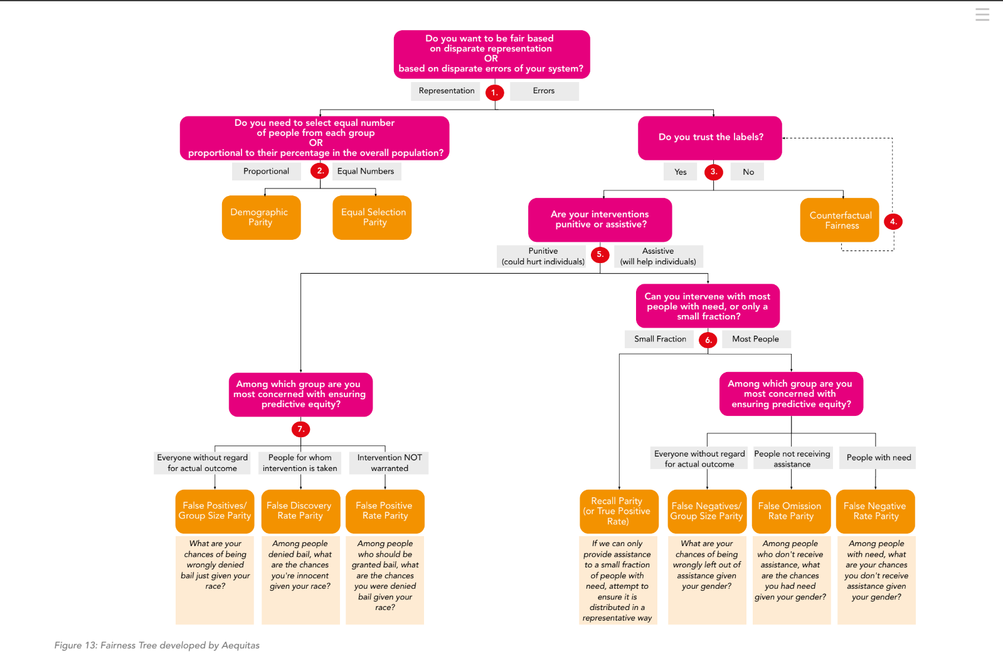
1. Disparate Representation versus Disparate Errors | The first decision concerns choosing between metrics to evaluate whether the model is fair based on disparate representation or on disparate errors. Representation-based metrics compare whether persons from both advantaged and disadvantaged groups have equal probability of being selected by the model, also named the selection rate. This method is often used to evaluate whether persons from different groups have equal access to be selected by the model for a desired service or good, such as a loan, insurance or admission to a school programme. These metrics are Demographic Parity and Equal Selection Rate Parity. Error-based metrics evaluate the difference in error rates across groups. Suppose to have a model that either denies or approves of a loan and one wants to know if there is a bias against women, e.g., women are more often wrongly denied a loan. Using error-based fairness metrics, one can compare the False Negatives Rate (FNR) between men and women and determine whether women have a substantially higher False Negative Rate than men. The error-based metrics include False Positives Rate Parity, False Negatives Rate Parity and False Omission Rate Parity.
3. Trusting the Labels | Returning to the Fairness Tree, there is a choice to be made that depends on whether one can trust the labels. Suppose to use a fraud prediction model. The dataset contains features, such as ‘transactions’ and ‘average spend’, and a label for each instance, such as ‘high risk’ or ‘low risk’. As Machine Learning models are trained on the dataset, the labels should be trustworthy to ensure that the correct patterns are learned. Generally, of most datasets we can say that we can trust the labels. If not, then other, more creative options should be sought to work with the faulty dataset, such as Counterfactual Fairness.
5. Punitive versus Assistive Interventions | The distinction between punitive and assistive interventions plays an important role in our bias analysis, as it helps with determining which type of errors (e.g., False Positives or False Negatives) are most harmful. When a model has interventions that are assistive in nature, people might be harmed when the model fails to intervene on them when they have need (Rodolfa et al., https://textbook.coleridgeinitiative.org/chap-bias.html#dealing-with-bias). A high rate of False Negatives is therefore undesirable, as it would mean that the model wrongly withholds this intervention from people. For example, for a model that decides who should receive a governmental subsidy, we could compare the False Negatives Rate across groups to see whether there is a large discrepancy between advantaged and disadvantaged groups. On the other hand, with punitive models, people are harmed by the intervention, which makes the False Positives more suitable to further explore during the bias analysis. Suppose we have a model that predicts which of the defendants who committed a crime are likely to reoffend. If our model produces substantially more False Positives for people with a non-Dutch ethnicity when compared with people with a Dutch ethnicity, we can say that the model discriminates against people with a non-Dutch ethnicity. For both the assistive and the punitive models, there are different metrics available, each of which can be used to find error rate disparities across groups. The main differences between these metrics can be attributed to the size of the intervention and the type of groups that are compared with each other. The Fairness Tree shows the following four metrics applicable for models with assistive interventions: - Group Size-Adjusted False Negatives (FN/GSP) - False Omission Rate (FOR) - False Negative Rate (FNR) - Recall/True Positives Parity
7. Models with Punitive Interventions | Three metrics fall under the scope of the punitive interventions, these are: - Group-Size Adjusted False Positives (FP/GSP) - False Discovery Rate Parity (FDR) - False Positive Rate Parity As discussed, for models with punitive interventions we often investigate the False Positives during the bias analysis to prevent that innocent people are picked out by the model for an undesired intervention.

