Sheet1
List of clusters with the illustrative spatial representation of high (red) and low (white) expression, binary designation and main gametogenic processes
Hermaphrodite clusters
# | Diagram | Binary designation | Sections with higher levels | Sections with lower levels | Gametogenic processes
1 | 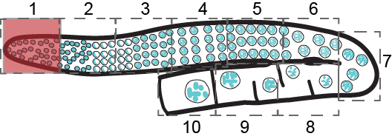 | 1000000000 | 1 | 2-10 | Proliferation/mitosis
2 | 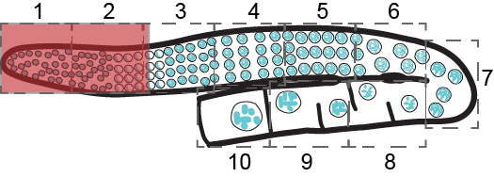 | 1100000000 | 1-2 | 3-10 | Proliferation/mitosis and leptotene zygotene
3 | 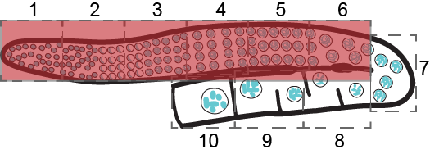 | 1111110000 | 1-6 | 7-10 | Proliferation/mitosis and leptotene - diplotene
4 | 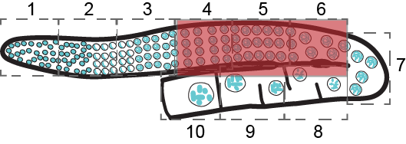 | 0001110000 | 4-6 | 1-3, 7-10 | Pachytene - diplotene
5 | 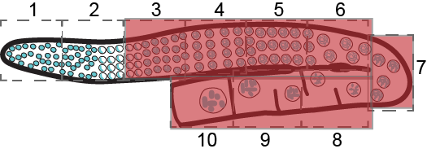 | 0011111111 | 3-10 | 1-2 | Prophase I
6 | 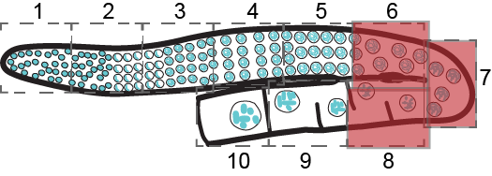 | 0000011100 | 6-8 | 1-5, 9-10 | Diplotene – early diakinesis
7 |  | 0000001111 | 7-10 | 1-6 | Late diplotene - diakinesis

# | 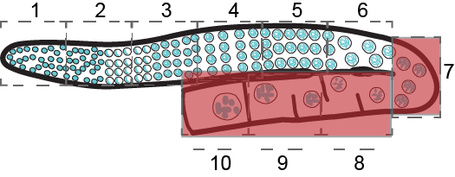 Diagram | Binary designation | Sections with higher levels | Sections with lower levels | Gametogenic processes
1 | 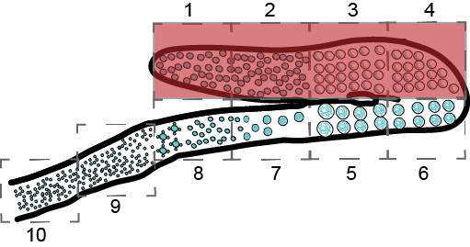 | 1111000000 | 1-4 | 5-10 | Proliferation/mitosis and leptotene zygotene
2 | 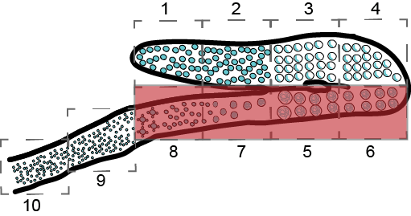 | 0000111100 | 5-8 | 1-4, 9-10 | Late prophase I and divisions
3 | 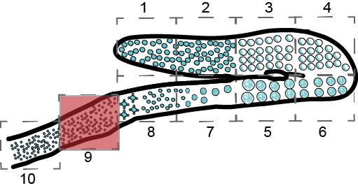 | 0000000010 | 9 | 1-8, 10 | Early spermiogenesis
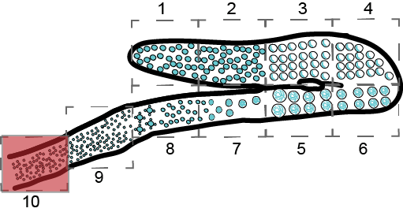
4 |  | 0000000001 | 10 | 1-9 | Early spermiogenesis / Sperm

