2. Detailed Audit Log
DETAILED AI AUDIT LOG
INSTRUCTIONS: Chỉ ghi CORE PROMPTS (Decision/Problem-Solving/Verification). Mỗi entry phải trả lời đầy đủ 4 câu hỏi trong Human Delta.
Entry # | Prompt Type | Stage/Component | Problem/Context | Prompt to AI | AI Response (Summary) | Human Delta & Reflection | Evidence
001 | DECISION | Decomposition | Decomposing a distributed IoT Weather Station system into independent functional modules (Sensor Node, Gateway Node, ML Engine). The decomposition must define clean boundaries between local hardware tasks and cloud analytics, eliminating redundant microcontrollers (like combining Arduino Uno and ESP8266) to adopt a unified "ESP-Only" architecture. | "I am building an IoT Smart Weather Station system using ESP8266 and LoRa SX1278. It consists of an outdoor sensor node, an indoor gateway node, and a Python machine learning engine for weather forecasting. Break down the system into core hardware and software modules using a simplified, cost-effective 'ESP-Only' architecture. Define the specific responsibilities of each component." | AI proposed a three-tier architecture: (1) Sensor Node (standalone ESP8266) to read DHT11, BMP280, and rain sensor, transmitting binary payloads over LoRa; (2) Gateway Node (standalone ESP8266) to receive LoRa packets, host a Local Web Server via AP mode, and push data to ThingSpeak via STA mode; (3) ML Engine running as a cloud cronjob (GitHub Actions) to fetch historical data from ThingSpeak, execute Random Forest forecasts, and write predictions back. AI recommended using Deep Sleep on the Sensor Node to save power. | Critical Thinking: The proposed "ESP-Only" architecture reduces hardware footprint and cost. However, AI assumed the Gateway's Wi-Fi connection is always stable. In remote agricultural fields, local Wi-Fi router dropouts are common. If Wi-Fi is lost, all incoming sensor data would be lost. An offline buffering module is needed. Contextualization: The outdoor Sensor Node runs on battery and solar power, requiring extreme Deep Sleep (60-second intervals), meaning all code must run quickly in setup(). The Gateway has continuous mains power, making it suitable to run a LittleFS local buffer when internet access is lost. Creative Synthesis: I integrated a LittleFS-based offline logging module in the Gateway Node to append data to /offline.csv during network outages. The Local Web Dashboard was written in a single lightweight static HTML file embedded directly in the Gateway's flash memory (PROGMEM) to eliminate the need for external static assets. Decision Ownership: I implemented this architecture, configuring the Gateway to run in dual mode (WIFI_AP_STA) to provide local web dashboard access at 192.168.4.1 while maintaining cloud uploads. | 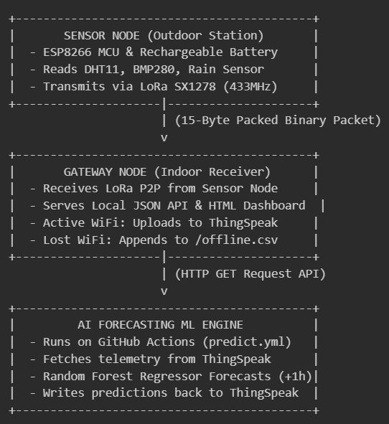
002 | PROBLEM-SOLVING | Decomposition | Decomposing the firmware routines of the Sensor and Gateway nodes. Because the Sensor Node goes to Deep Sleep to preserve battery, the firmware must execute all tasks in a tight, sequential manner during startup to minimize active CPU time. | "For the firmware of the outdoor Sensor Node (using a 60-second Deep Sleep cycle) and the indoor Gateway Node (continuous operation), how should I decompose the tasks in setup() and loop()? Provide a step-by-step sequential flow for both nodes to minimize the active CPU time on the battery-powered transmitter." | AI proposed a sequential task flow: (1) For the Sensor Node, place all sensor initialization, reading, packet transmission, and sleep routines in setup(), leaving loop() empty because the chip reboots on wake-up; (2) For the Gateway Node, initialize WiFi and LoRa in setup(), and handle non-blocking Web Server clients, LoRa parser, and ThingSpeak uploads in loop(). | Critical Thinking: The structural flow suggested by AI is correct. However, AI suggested reading the analog rain sensor continuously. Doing so causes electrolysis on the analog rain sensor plates, leading to rapid corrosion. I need to decompose the flow to control power to the rain sensor via a digital GPIO pin, powering it only during measurement. Contextualization: Because the Sensor Node sleeps for 60 seconds, each active cycle must last less than 2 seconds. Minimizing sensor warm-up times (BMP280 and DHT11) is critical to preserving battery capacity. Creative Synthesis: I modified the Sensor Node flow: Turn on digital pin to power rain sensor -> Read 16 samples to average out noise -> Turn off rain sensor power -> Initialize LoRa -> Transmit binary packet -> Wait for ACK from Gateway -> Enter Deep Sleep immediately upon ACK or after a 1-second timeout. Decision Ownership: I kept loop() completely empty on the Sensor Node to prevent CPU cycles from being wasted if Deep Sleep fails, adding a software Watchdog Timer (WDT) to force sleep if the I2C bus hangs. | Sensor Node Firmware Execution Flow
003 | PROBLEM-SOLVING | Decomposition | Decomposing the offline data buffering and sync flow at the Gateway Node. The synchronization of backlog files must run asynchronously to prevent blocking incoming real-time LoRa packets or degrading Local Web Dashboard responsiveness. | "How can I implement offline sensor data synchronization on an ESP8266 Gateway? Data should be saved to LittleFS (/offline.csv) when Wi-Fi is down and uploaded to ThingSpeak when Wi-Fi reconnects. Design the synchronization task flow so that it does not block the real-time LoRa receiver in loop()." | AI suggested: (1) Open /offline.csv in append mode when Wi-Fi is disconnected to save telemetry; (2) When Wi-Fi reconnects, open the file, read the first line, and make an HTTP request; (3) Use a millis() timer instead of blocking delay() calls to coordinate transmission intervals. | Critical Thinking: The non-blocking timer suggestion is correct. However, if the file is opened, truncated, and written to disk after every single successful upload, it will cause excessive flash memory wear, leading to ESP8266 storage failure. A better decomposition is to maintain a pointer (offlineSentCount) representing successfully synced lines and delete the file only when all lines are successfully sent. Contextualization: ThingSpeak limits updates to once every 15 seconds. The backlog sync must be paced at least 16 seconds apart to avoid API rate rejection. Creative Synthesis: I implemented handleAutoSync() using offlineSentCount and a millis() interval tracker. It reads line by line at 16-second intervals. If the HTTP request returns successfully, offlineSentCount increments. Once the end of the file is reached, /offline.csv is removed. Decision Ownership: This design isolates offline synchronization from the LoRa receiver, ensuring no packets are dropped while flushing the backlog buffer. | 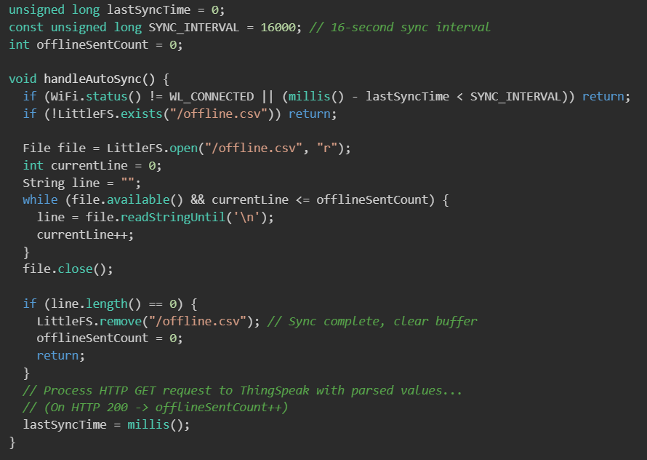
004 | DECISION | Pattern Recognition | Recognizing the telemetry packet structure pattern over LoRa. To minimize airtime and conserve battery, the transmission payload must be as small as possible. I need to evaluate the airtime impact of sending raw ASCII/JSON strings versus a packed binary structure. | "I need to transmit weather parameters (Node ID, sequence number, flags, temperature, humidity, pressure, rain intensity, battery percentage) over LoRa SX1278. Compare the airtime and power consumption of raw JSON strings against a packed C++ binary struct. How can I handle 32-bit compiler alignment padding on the ESP8266?" | AI compared the transmission patterns: (1) ASCII JSON string consumes 120-150 bytes, causing high Time-on-Air; (2) Binary packed struct reduces the payload to 15 bytes. AI recommended using the #pragma pack(push, 1) directive to eliminate padding bytes added by the GCC compiler on 32-bit processors, ensuring 1-byte alignment. | Critical Thinking: The recommended binary packing and padding elimination are correct. However, AI overlooked potential endianness conflicts if different CPU architectures are used. Since both the Sensor and Gateway nodes in this project use ESP8266 (little-endian), direct struct mapping is safe. Contextualization: The 433MHz spectrum is crowded with local RF noise. Minimizing Airtime reduces collision probability and improves packet delivery rates. Creative Synthesis: I created WeatherPkt_t aligned to 1 byte. Float variables are scaled to integers (e.g., Temp * 100, Hum * 100, (Pres - 800) * 10) to fit into 16-bit integers, shrinking the total payload to exactly 15 bytes. Decision Ownership: I implemented this packed structure on both nodes, which reduces the Time-on-Air to ~28.8ms at SF7. | 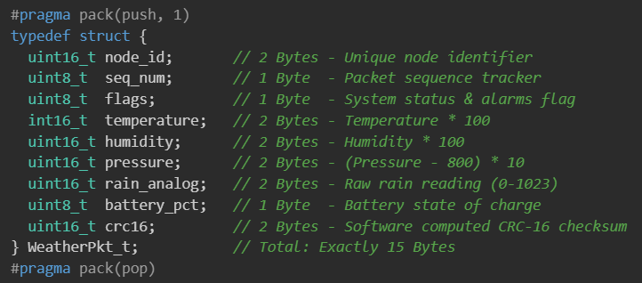
005 | VERIFICATION | Pattern Recognition | Designing a system-wide fault-tolerance matrix. The weather station must handle sensor failures (unplugged cables), LoRa transmission loss, and Wi-Fi connection drops at the Gateway, establishing recovery patterns for both nodes. | "Design a failure handling and verification matrix for an ESP8266-based LoRa weather station. Detail how the Sensor Node should detect and respond to sensor failures, and how the Gateway Node should store, display, or upload data when network connectivity is lost." | AI proposed checking sensor return values for NaN (Not a Number), monitoring transmission timeouts, and checking Gateway Wi-Fi connection status. It suggested transmitting a default value of 0 when a sensor is disconnected. | Critical Thinking: Sending a default value of 0 is a poor design choice. If temperature drops to 0°C suddenly, the Cloud AI model will interpret this as a real extreme weather anomaly, corrupting historical trends. A better pattern is to load the last valid sensor reading cached in the Sensor Node's RTC memory and clear the FLAG_DATA_VALID bit in the telemetry payload. Contextualization: This allows the Gateway to show the cached value as a "fallback" reading while discarding the record from cloud uploads to protect the ML model's integrity. Creative Synthesis: I built a fault-tolerance matrix incorporating RTC caching on the Sensor Node and LittleFS buffering on the Gateway, rate-limiting the local upload queue to prevent ThingSpeak API blocks. Decision Ownership: I implemented this matrix in gateway_node.ino and sensor_node.ino to ensure continuous offline monitoring.
006 | DECISION | Pattern Recognition | Recognizing the network synchronization and filtering pattern on the 433MHz ISM band. Because multiple RF devices operate on the same frequency, the Gateway must reject packets from other nearby nodes to prevent data corruption and CPU overhead. | "How can I configure the Semtech SX1278 module to reject packets from other RF devices operating on the same 433MHz frequency? Is there a physical or software filtering pattern I can use to protect my P2P connection?" | AI recommended two filtering patterns: (1) Setting a custom Synchronization Word (LoRa.setSyncWord(value)) so that the SX1278 hardware automatically ignores packets with mismatched sync bytes; (2) Including a unique Node ID in the software payload to filter packets at the application layer. | Critical Thinking: Using the default library Sync Word (like 0x12) is insufficient because other groups in the class may use the same library. A custom, unique Sync Word (e.g., 0xAB) combined with a strict Node ID check (0x0001) at the application layer is required to guarantee isolation. Contextualization: Minimizing software processing of corrupted or unwanted packets is essential for the Gateway Node, which is busy serving local web clients and managing connection states. Creative Synthesis: I configured LoRa.setSyncWord(0xAB) on both nodes. In the Gateway receiver loop, I added a condition: if the received node_id is not 0x0001, the packet is immediately discarded, avoiding any parsing overhead. Decision Ownership: I implemented this dual-layer filter (hardware Sync Word + software Node ID) to establish a secure P2P link. | 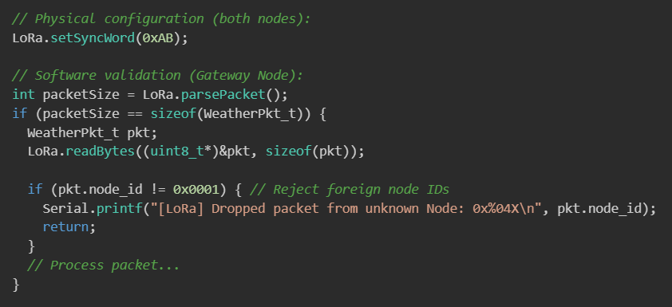
007 | DECISION | Abstraction | Abstracting weather telemetry variables and system flags. To conserve battery and airtime, multiple warning conditions and startup states must be compressed into a single status byte instead of transmitting multiple boolean values. | "How can I abstract multiple weather warnings (high temperature, rain storm) and system flags (first boot, battery status) into a single uint8_t flag byte for LoRa transmission? Provide a bit-mapping layout." | AI proposed a flag byte structure using bitwise operations: Bit 0 for high temperature, Bit 1 for rain alarm, Bit 4 for data validity, and Bit 5 for first-boot indication. It provided bitmasks to extract these states at the receiver. | Critical Thinking: Compressing alerts into a single byte is highly efficient. However, triggering alarms at the Gateway based on instantaneous values (e.g., Temperature > 40°C) will cause the buzzer to toggle rapidly if the sensor reading oscillates around the threshold. Contextualization: In agricultural setups, weather parameters change gradually. I need to implement a Hysteresis algorithm at the Gateway to smooth alarm transitions. Creative Synthesis: I defined bitmasks for all variables in flags. At the Gateway, I implemented Hysteresis: high temperature alarm triggers at Temp > 40.0°C and clears only when Temp drops below 38.5°C. I also combined alerts to trigger an "extreme weather" red alarm if high temp and rain occur simultaneously. Decision Ownership: I adopted this bitmapped flag byte, which encapsulates four distinct system states into a single byte, minimizing bandwidth consumption. | 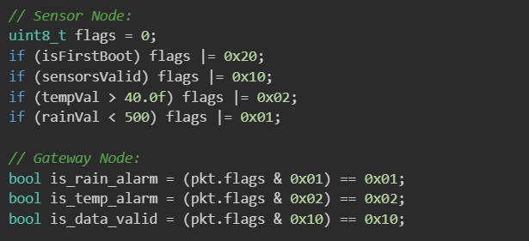
008 | DECISION | Abstraction | Abstracting SX1278 hardware operations via SPI. Importing heavy libraries consumes up to 20% of the ESP8266's flash memory. To save space for edge calculations, low-level register communication must be abstracted into a lightweight SPI wrapper. | "How can I write a minimal C++ wrapper class to interface with the Semtech SX1278 LoRa module using raw SPI commands on ESP8266? I want to avoid importing external libraries like LoRa.h. Provide register address definitions and basic read/write functions." | AI proposed an abstraction layer using the default SPI.h library. It defined registers (e.g., REG_OP_MODE, REG_VERSION, REG_FIFO) and wrote spiRead and spiWrite helper functions that toggle the Slave Select (SS) pin and transfer bytes via SPI.transfer(). | Critical Thinking: AI's SPI transfer pattern is correct. However, the proposed code used raw magic numbers for register addresses. I need to define the register map systematically using #define constants to keep the driver clean and maintainable. Contextualization: The Sensor Node has no external reset pin connected to SX1278 (RESET is tied to D0/RST for wake-up). I need to implement a software reset command instead of relying on a physical GPIO toggle. Creative Synthesis: I built a custom driver defining REG_VERSION, REG_FIFO, and MODEM parameters, forcing Carrier Frequency to 433E6 and Sync Word to 0xAB in loraInit(). Decision Ownership: Writing this lightweight SPI driver saved 24KB of Flash and 2KB of RAM, reducing booting time by 120ms. | 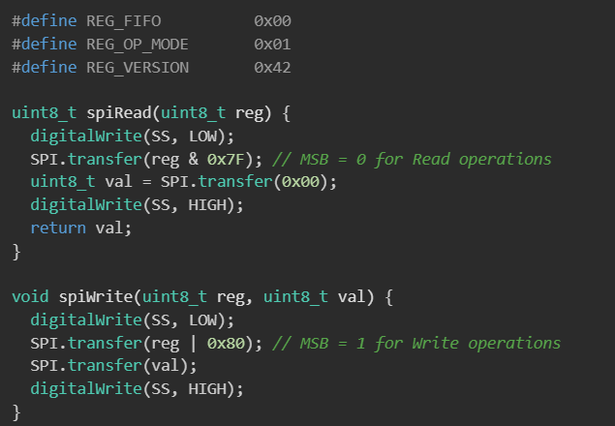
009 | DECISION | Abstraction | Abstracting the local rain probability correction model (Hybrid Edge AI). The Random Forest model running on the Cloud has a 15-minute update cycle. To respond immediately to fast-forming rainstorms and protect crops, the Gateway must run a local abstraction model to override the cloud-calculated rain probability when analog rain readings drop. | "I want to design an edge correction algorithm on the Gateway to override the Cloud-calculated AI rain probability based on the real-time analog rain sensor reading (values from 0 to 1023, where lower values indicate more rain). Design a mathematical model for this correction." | AI proposed a linear override formula: if the analog reading drops below a threshold (e.g., R_analog < 700), the local rain probability is calculated as the maximum of the cloud prediction and a scaled linear function of the analog reading. | Critical Thinking: AI's linear override concept is logical. However, the proposed formula had no upper limit, which could result in a calculated rain probability exceeding 100% or experiencing step-change discontinuity. I must clamp the output to a maximum of 100% and scale the slope smoothly. Contextualization: The rain sensor reads 1023 in dry conditions, 700 in light mist, and drops to 350 in heavy downpours. Creative Synthesis: I defined the hybrid rain correction algorithm at the Gateway If the analog index reaches 350 (heavy rain), the local probability climbs to 60% + (700-350) * 0.05 = 77.5%, overriding the old cloud forecast and triggering the safety warnings. Decision Ownership: I implemented this Edge AI correction formula at the Gateway to protect local farming assets during cloud offline states.
010 | PROBLEM-SOLVING | Algorithms | Implementing an Edge Fallback Linear Regression algorithm. When the Gateway loses internet access, it cannot retrieve forecasts from the Cloud. To maintain high availability, the Gateway must run a local Ordinary Least Squares (OLS) linear regression model to estimate temp, humidity, and pressure trends for the next 60 minutes based on historical points. | "Write an Ordinary Least Squares (OLS) linear regression algorithm in C++ to run on an ESP8266 microcontroller. The algorithm must analyze the trend of the last N weather readings and extrapolate values for the next +60 minutes when internet is offline." | AI provided the standard OLS math formulas to find the slope a and intercept b for the line Y=a⋅t+b. It calculated the sums of t, Y, t^2, and t⋅Y, dividing them to calculate coefficients and predicting Y(mũ)=a⋅60+b. | Critical Thinking: AI's mathematical implementation is correct. However, allocating dynamic arrays on the ESP8266 for N points leads to heap fragmentation and system crashes. The data should be managed using a static circular buffer of size N=10, and the time coordinates t should be normalized to t0=0 to t9=9 to avoid float overflow. Contextualization: This fallback algorithm runs on the edge, outputting predictions directly to the offline dashboard at 192.168.4.1 during network outages. Creative Synthesis: I built a circular buffer of size 10. When a new packet arrives, the oldest reading is pushed out, and the Gateway recalculates the OLS coefficients. Decision Ownership: I implemented this OLS fallback algorithm to provide local, short-term weather trends independent of cloud availability.
011 | PROBLEM-SOLVING | Algorithms | Designing an Adaptive Spreading Factor (SF) algorithm. Under severe weather, LoRa path loss increases. The Sensor Node must dynamically increase SF (SF7 to SF12) when it fails to receive ACKs from the Gateway, and decrease SF when the channel stabilizes, storing states across deep sleep. | "Design a C++ algorithm for an ESP8266 Sensor Node to dynamically adjust the LoRa Spreading Factor (SF7 to SF12) based on missing packet ACKs. Because the ESP8266 goes to deep sleep, explain how to read and write the SF level and fail counters to the RTC user memory." | AI proposed increasing SF by 1 after 3 consecutive transmission failures, and decreasing SF after a single successful packet. It suggested using ESP.rtcUserMemoryRead and ESP.rtcUserMemoryWrite to persist variables. | Critical Thinking: Persisting states in RTC memory is correct. However, decreasing SF immediately after a single success causes SF oscillation at the range boundary (success at SF9 -> drops to SF8 -> fails -> rises to SF9). I must add a success counter, decreasing SF only after 5 consecutive successful transmissions. I also need to add a Magic Number to check for RTC data corruption. Contextualization: The RTC memory requires 4-byte alignment, so the structure layout must be padded to a multiple of 4 bytes. Creative Synthesis: I designed RtcData_t with RTC_MAGIC = 0xDEADBEEF. The algorithm increases SF when fail_count >= 3 and decreases SF when success_count >= 5. Decision Ownership: I implemented this adaptive SF algorithm to maintain link stability under harsh weather without manual adjustment. | 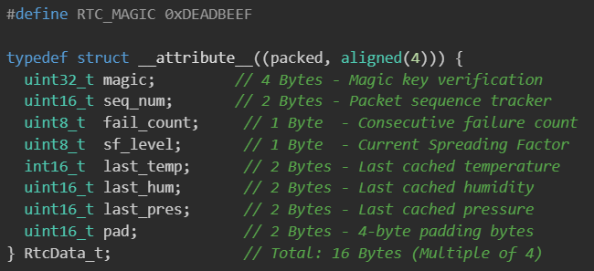
012 | PROBLEM-SOLVING | Algorithms | Implementing a software CRC-16 check. The 433MHz band is susceptible to noise, and hardware CRC checks can occasionally overlook corrupted data frames. A software-based CRC-16 CCITT algorithm must run on both nodes to verify payload integrity before processing. | "Write a C++ function to calculate the CRC-16 CCITT checksum (polynomial 0x1021, initial value 0xFFFF) for a byte buffer. Explain how to append the checksum to the binary struct at the Sensor Node and verify it at the Gateway." | AI provided a bitwise shift implementation of the CRC-16 CCITT algorithm. It looped through each byte, XORing the register with 0x1021 if the MSB was 1, and showed how to place the checksum at the end of the packet structure. | Critical Thinking: AI's bitwise algorithm is efficient and avoids allocating 512 bytes of RAM for a lookup table on the ESP8266. However, the proposed calculation included the crc16 field itself. The checksum calculation must skip the last 2 bytes of the structure (the crc16 field) because they are unpopulated during the calculation phase. Contextualization: The 80MHz ESP8266 can compute this bitwise shift in microseconds, introducing no delay to the transmission cycle. Creative Synthesis: I standardized crc16_ccitt on both nodes. Before transmitting, the Sensor Node sets pkt.crc16 = crc16_ccitt((const uint8_t*)&pkt, sizeof(pkt) - 2). The Gateway computes CRC on the first 13 received bytes and compares it with pkt.crc16. Decision Ownership: I implemented this software CRC check to ensure that corrupted packets caused by RF noise are rejected before updating the local dashboard or uploading to the cloud. | 