Tabelle1
ID_system | Category | Dim | GWP_prod | GWP_disp | Source Emissions | Confirmed 1 | description emissions | Dim_Cost | Cost | Source Cost | description cost | RSL | Source RSL
Pellets | Conversion | kgCO2-eq/kW | 84.90 | 0.96 | KBOB 2022, 31.001 | to be done! | Standart boiler | CHF/kW |  |  |  | 20 | SIA 2032 (2020)
Wood | Conversion | kgCO2-eq/kW | 84.90 | 0.96 | KBOB 2022, 31.001 | to be done! | Standart boiler | CHF/kW |  |  |  | 20 | SIA 2032 (2020)
ASHP | Conversion | kgCO2-eq/kW | 454.29 | 117.71 | KBOB 2022, 31.019 | - | ASHP of 7 kW | CHF/kW |  |  |  | 20 | SIA 2032 (2020)
GSHP | Conversion | kgCO2-eq/kW | 770.71 | 99.45 | KBOB 2022, 31.017, 31.016, http://www.erdsondenoptimierung.ch/index.php?id=269463 | - | including the borehole , see comment in box | CHF/kW |  |  |  | 20 | SIA 2032 (2020)
electric | Conversion | kgCO2-eq/kW | 120.00 | 0.41 | KBOB 2022, 31.023 | - | assumption: radiators only 31.023, with 0.054kW/m2 heating power, according to SIA 2024_2021 Bestandeswert (conservative assumption) | CHF/kW |  |  |  | 20 | SIA 2032 (2020)
Natural Gas | Conversion | kgCO2-eq/kW | 84.90 | 0.96 | KBOB 2022, 31.001 | to be done! | Standart boiler | CHF/kW |  |  |  | 20 | SIA 2032 (2020)
Oil | Conversion | kgCO2-eq/kW | 84.90 | 0.96 | KBOB 2022, 31.001 | to be done! | Standart boiler | CHF/kW |  |  |  | 20 | SIA 2032 (2020)
district | Conversion | kgCO2-eq/kW | 42.45 | 0.48 | KBOB 2022, 31.001, own estimation | to be done! | overestimation, as there is only a "Übergabestation" and no burner, hence only half of the embodied emission of a burner(assumption) is counted | CHF/kW |  |  |  | 20 | SIA 2032 (2020)
m-Si | PV | kgCO2-eq/kWp |  |  | Aktualisierte Daten von Treeze | - |  | CHF/kW |  |  |  | 30 | SIA 2032 (2020)
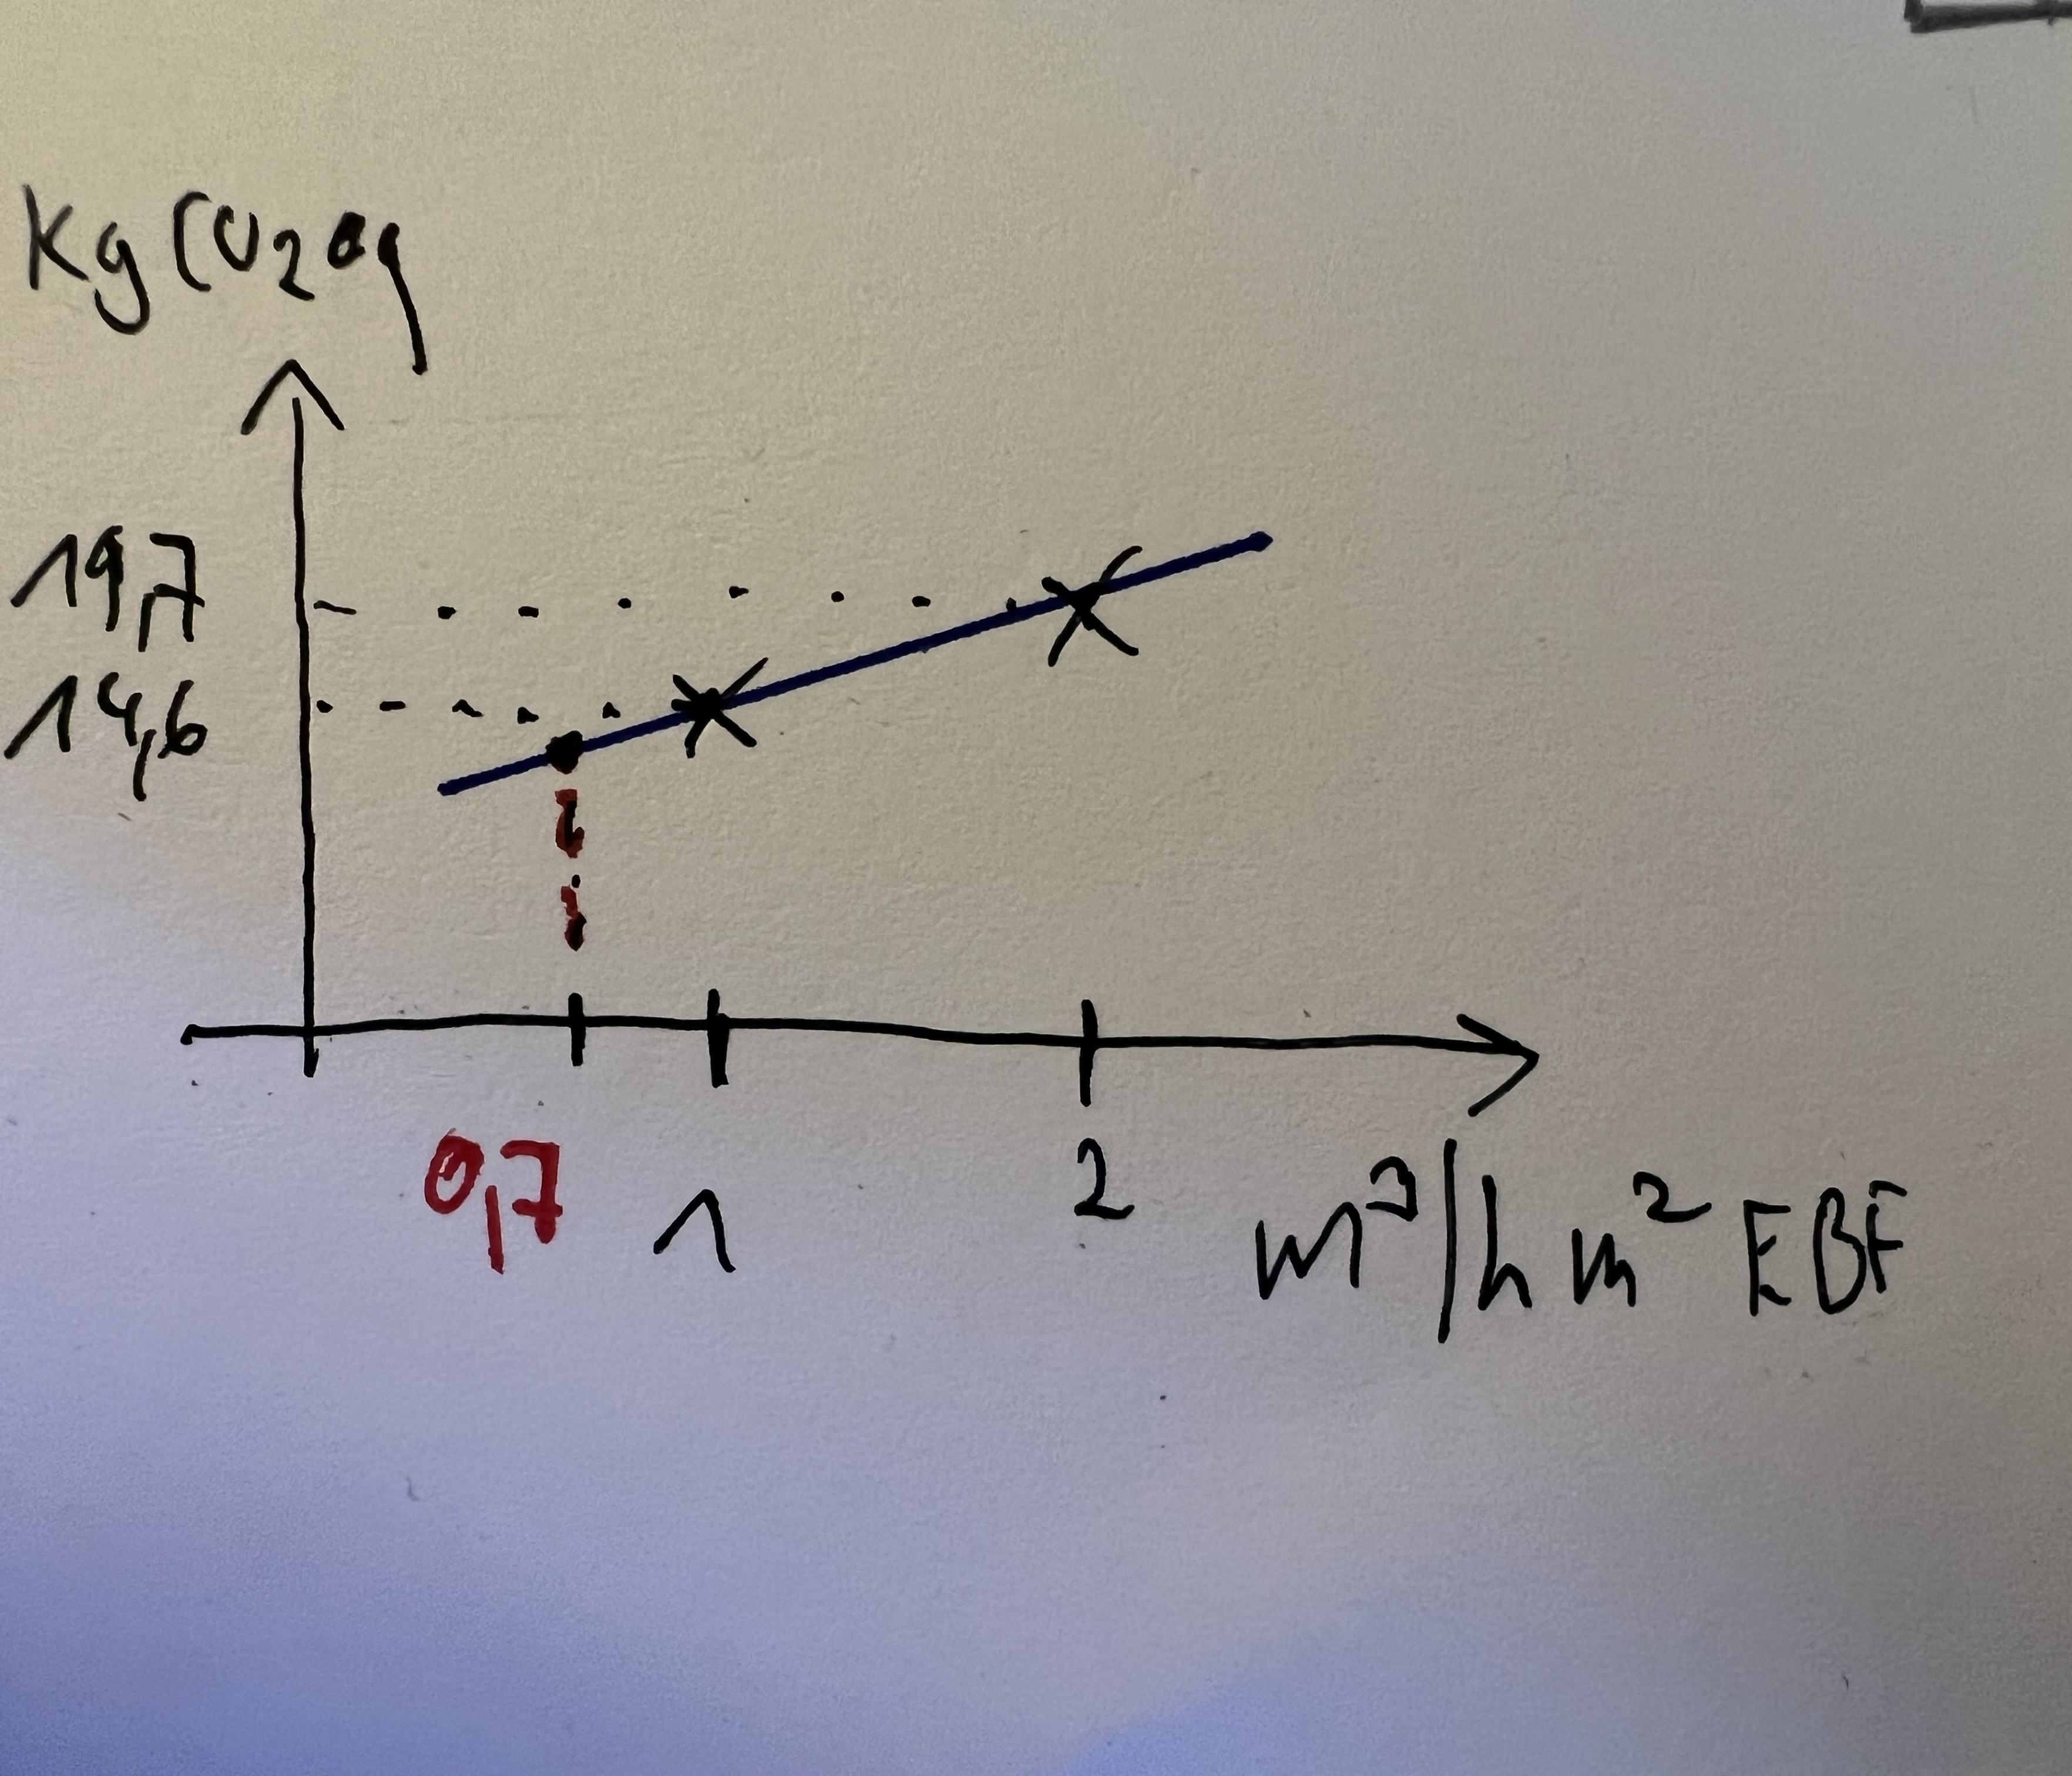
hydronic heat distribution office | Distribution | kgCO2-eq/m2 |  |  |  | - |  | CHF/m2 |  |  |  | 60 | CRB: 60
hydronic heat distribution residential | Distribution | kgCO2-eq/m2 | 2.77 | 0.70 | KBOB 2022, 31.022 |  |  | CHF/m2 |  |  |  | 60 | CRB: 60
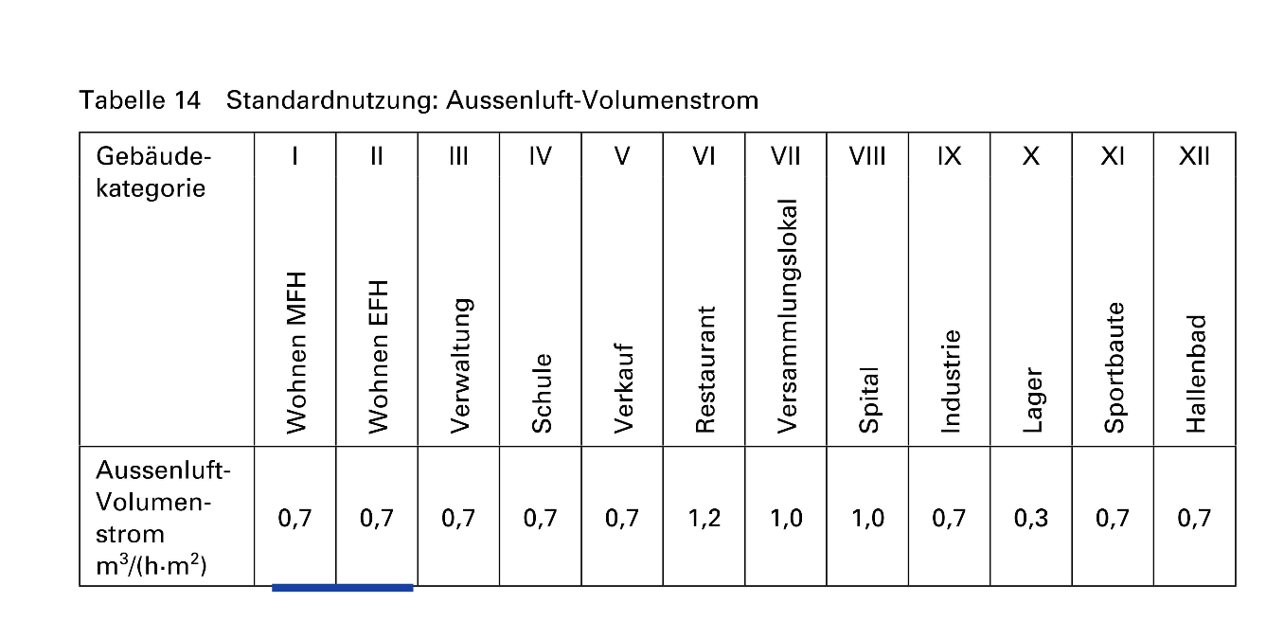
floor heating | Emission | kgCO2-eq/m2 | 3.02 | 2.04 | KBOB 2022, 31.024 | - | per EBF | CHF/m2 |  |  |  | 60 | CRB: 60
radiator | Emission | kgCO2-eq/m2 | 6.48 | 0.02 | KBOB 2022, 31.023 |  | per EBF | CHF/m2 |  |  |  | 60 | CRB: 60
ceiling heating | Emission | kgCO2-eq/m2 | 5.65 | 0.13 | KBOB 2022, 31.025 |  | per EBF | CHF/m2 |  |  |  | 30 | SIA 2032 (2020)
air | Distribution and Emission | kgCO2-eq/m2 |  |  |  |  | per EBF | CHF/m2 |  |  |  | 30 | SIA 2032 (2020)
mechanical ventilation | Ventilation | (kgCO2-eq/m2)/(m3/hm2) | 9.5,5.1 | 0.301,0.087 | KBOB 2022, 32.005, 32.011 | - | according to linear interpolation between those two values of KBOB,. First value y-axies cut, second value slope. Linearization beween 1 and 2 h3/m2h, Since typical sizeing is 1.5 for residential, according to HSLU 2021 | CHF/m2 |  |  |  | 30 | SIA 2032 (2020)
window ventilation | Ventilation | kgCO2-eq/egal |  |  |  | - |  |  |  |  |  | 30 | SIA 2032 (2020)
None | General | kgCO2-eq/egal | 0 | 0 | None | - | Dummy, when a System "None" is chosen | CHF |  |  |  | 30 | egal
battery | Battery | kgCO2-eq/egal | 0 | 0 |  |  | Dummy , no Battery included! |  |  |  |  | 30 | egal
Natural Gas old | Conversion | kgCO2-eq/kW | 0.00 | 0.96 | KBOB 2022, 31.001 | to be done! | Standart boiler | CHF/kW |  |  |  | 20 | SIA 2032 (2020)
Oil old | Conversion | kgCO2-eq/kW | 0.00 | 0.96 | KBOB 2022, 31.001 | to be done! | Standart boiler | CHF/kW |  |  |  | 20 | SIA 2032 (2020)
hydronic heat distribution residential old | Distribution | kgCO2-eq/m2 | 0.00 | 0.70 | KBOB 2022, 31.022 |  |  | CHF/m2 |  |  |  | 60 | CRB: 60
floor heating old | Emission | kgCO2-eq/m2 | 0.00 | 2.04 | KBOB 2022, 31.024 | - | per EBF | CHF/m2 |  |  |  | 60 | CRB: 60
radiator old | Emission | kgCO2-eq/m2 | 0.00 | 0.02 | KBOB 2022, 31.023 |  | per EBF | CHF/m2 |  |  |  | 60 | CRB: 60

Comment:
- All yellow lines must be checked or updated, since not up to date any more! (Values of Linus Work)
Old systems: they only have the emissions of disposal, but actually this is not accounted anyway! (28.6.2024)
- The fix RSL according to norms are only used in the non probabilistic case. For the global SA these values are replaced with the statistically collected data.
- The grey lines are not used, since no PV included and no office buildings
- The assigned RSL is overwirtten in the Robust Assessment of Interventions under Uncertainty, since Data form the DUREE database used
GSHP:
Borehole: kgCO2-eq per m: prod: 39.60, disp: 2.55
Capacity per meter: 0.04kW/m according to http://www.erdsondenoptimierung.ch/index.php?id=269463
-> 25m per kW
-> 990 / 63.75 co2 eq per kwh prod/EoL
Device: GSHP 7kW: kgCO2-eq per kw: prod: 276, dips. 67.8
Since for the RSL typically not deterministic values are used, but no data of the duree db for the borehole is avaliable, a weighed approach based on SIA (Norm) RSL is used. Hence the HP and the borehole were taken as one system, but only a fraction of the borehole is accounted, based on the proportion RSL_HP/RSL_Borehole
The Norm values align with the Duree mean values typically!
RSL HP -> 20years, RSL Borehole 40 years,
GWP_tot = GWP_HP + GWP_Borehole * (RSL_HP/RSL_Borehole)
CHANGE 31.8. (beforehand weighted RSL approach, but this does not work probabilistically )
=( (1930+473)/7)*20/(1266+131)+((29.6+2.55)/0.04)*40/(1266+131)

MECH_VENT:
1 m3/m2h -> 14.6 / 0.388
2 m3/m2h -> 19.7 / 0.475
Linerization between 1 and 2 since typical sizeing for 1.5 m3/m2h. The embodied_emission_calculation.py automatically calculated the impact, based on the given capacity.
first value in cell: y-axis value, second value slope
9.5, 5.1
0.301, 0.087
old values: 18.67142857 , 0.517 wrong results for capacites != 0.7 m3/m2h!!! 15.8. 2024

