Input_data_casestudy_examples
Casestudy | window_orientations | height_floors | window_to_wall_ratio_old | floors_ag_old | floors_bg_old | width_old | length_old | heated_fraction_ag_old | fraction_partitions_old | window_type_old | wall_type_ag_old | roof_type_old | ceiling_to_basement_type_old | ceiling_type_old | wall_type_bg_old | slab_basement_type_old | partitions_type_old | tilted_roof_type_old | infiltration_volume_flow_old | thermal_bridge_add_on_old | heat_capacity_per_energyreferencearea_old | heating_system_old | heating_system_dhw_old | heat_emission_system_old | heat_distribution_old
Garden_city_herrlig | N,E,S,W | 2.85 | 0.2 | 3 | 1 | 10 | 30 | 0.95 | 0.03 | window_dbl_1.4_wood_0.95_as_of_1990 | int_finishing_plaster_conventional,wall_ag_single_masonary_40_50,empty_layer,cement_plasterd_facade_20_70 | int_finishing_plaster_conventional,ceiling_to_attic_woodbeams_old,empty_layer,roof_ext_finishing_to_attic_cold | flooring_parquet_glued,ceiling_core_eREN_6,empty_layer,empty_layer | int_finishing_plaster_conventional,ceiling_core_eREN_6,empty_layer,flooring_parquet_glued | empty_layer,wall_bg_concrete_40_60,empty_layer,empty_layer | empty_layer,slab_basement_eREN_3,empty_layer,empty_layer | int_finishing_plaster_conventional,core_partitions_20_70,empty_layer,int_finishing_plaster_conventional | empty_layer,generic_tilted_roof_cold_core,empty_layer,generic_tilted_roof_tiles | 0.3 | 15 | 0.15 | Natural Gas old | same | radiator old | hydronic old
30s_Kanzleistrasse | NE,SE,SW,NW | 2.85 | 0.2 | 4 | 1 | 46 | 10 | 0.95 | 0.03 | window_dbl_3.0_wood_0.9_prior_to_1980 | int_finishing_plaster_conventional,exterior_wall_ag_core_eREN_3,empty_layer,cement_plasterd_facade_20_70 | int_finishing_plaster_conventional,roof_ceiling_eREN3,empty_layer,empty_layer | flooring_parquet_glued,ceiling_core_eREN_3,empty_layer,empty_layer | int_finishing_plaster_conventional,ceiling_core_eREN_3,empty_layer,flooring_parquet_glued | empty_layer,exterior_wall_bg_core_eREN_3,empty_layer,empty_layer | empty_layer,slab_basement_eREN_3,empty_layer,empty_layer | int_finishing_plaster_conventional,core_partitions_20_70,empty_layer,int_finishing_plaster_conventional | empty_layer,generic_tilted_roof_cold_core,empty_layer,generic_tilted_roof_tiles | 0.3 | 15 | 0.15 | Natural Gas old | same | radiator old | hydronic old
60s_Salzweg | N,E,S,W | 2.85 | 0.23 | 4 | 1 | 13.8 | 75 | 0.95 | 0.03 | window_dbl_3.0_wood_0.9_prior_to_1980 | int_finishing_plaster_conventional,exterior_wall_ag_core_eREN_4,empty_layer,cement_plasterd_facade_20_70 | int_finishing_plaster_conventional,roof_ceiling_eREN_6,generic_minimal_insulation,flat_roof_exterior_surface_old | flooring_parquet_glued,ceiling_core_eREN_6,empty_layer,empty_layer | int_finishing_plaster_conventional,ceiling_core_eREN_6,empty_layer,flooring_parquet_glued | empty_layer,wall_bg_eREN_4,empty_layer,empty_layer | empty_layer,slab_basement_eREN_6,empty_layer,empty_layer | int_finishing_plaster_conventional,core_partitions_20_70,empty_layer,int_finishing_plaster_conventional |  | 0.3 | 15 | 0.15 | Natural Gas old | same | radiator old | hydronic old
60s_Salzweg_ren | N,E,S,W | 2.85 | 0.23 | 4 | 1 | 13.8 | 75 | 0.95 | 0.03 | window_dbl_1.4_wood_0.95_as_of_1990 | int_finishing_plaster_conventional,exterior_wall_ag_core_eREN_4,insulation_rockwool_10_old,facade_rockwool_cementfiber_panel_old | int_finishing_plaster_conventional,roof_ceiling_eREN_6,insulation_rockwool_10_old,flat_roof_exterior_surface_old | flooring_parquet_glued,ceiling_core_eREN_6,insulation_rockwool_10_old,ceiling_to_basement_rockwool_old | int_finishing_plaster_conventional,ceiling_core_eREN_6,empty_layer,flooring_parquet_glued | empty_layer,wall_bg_eREN_4,empty_layer,empty_layer | empty_layer,slab_basement_eREN_6,empty_layer,empty_layer | int_finishing_plaster_conventional,core_partitions_20_70,empty_layer,int_finishing_plaster_conventional |  | 0.3 | 15 | 0.15 | Natural Gas old | same | radiator old | hydronic old
70_s_Lerchenberg | NE,SE,SW,NW | 2.85 | 0.23 | 4 | 1 | 63 | 9.6 | 0.95 | 0.03 | window_dbl_3.0_wood_0.9_prior_to_1980 | int_finishing_plaster_conventional,exterior_wall_ag_core_eREN_6,empty_layer,cement_plasterd_facade_20_70 | int_finishing_plaster_conventional,roof_ceiling_eREN_6,roof_insulaion_eREN4,flat_roof_exterior_surface_old | flooring_parquet_glued,ceiling_core_eREN_6,generic_minimal_insulation,empty_layer | int_finishing_plaster_conventional,ceiling_core_eREN_6,empty_layer,flooring_parquet_glued | empty_layer,exterior_wall_bg_core_eREN_6,empty_layer,empty_layer | empty_layer,slab_basement_eREN_6,empty_layer,empty_layer | int_finishing_plaster_conventional,core_partitions_20_70,empty_layer,int_finishing_plaster_conventional |  | 0.3 | 15 | 0.15 | Natural Gas old | same | radiator old | hydronic old
eRen4 | NE,SE,SW,NW | 2.85 | 0.18 | 4 | 1 | 12.7 | 25.5 | 0.95 | 0.03 | window_dbl_3.0_wood_0.9_prior_to_1980 | int_finishing_plaster_conventional,exterior_wall_ag_core_eREN_4,empty_layer,cement_plasterd_facade_20_70 | int_finishing_plaster_conventional,roof_ceiling_eREN4,roof_insulaion_eREN4,roof_ext_finishing_to_attic_cold | flooring_parquet_glued,ceiling_core_eREN_4,empty_layer,empty_layer | int_finishing_plaster_conventional,ceiling_core_eREN_4,empty_layer,flooring_parquet_glued | empty_layer,wall_bg_eREN_4,empty_layer,empty_layer | empty_layer,slab_basement_eREN_4,empty_layer,empty_layer | int_finishing_plaster_conventional,core_partitions_20_70,empty_layer,int_finishing_plaster_conventional | empty_layer,generic_tilted_roof_cold_core,empty_layer,generic_tilted_roof_tiles | 0.3 | 15 | 0.18 | Natural Gas old | same | radiator old | hydronic old

GENERAL COMMENT:
NAMING ARCHETYPES:
INTERWAR PERIOD: 30s_Kanzleistrasse
POSTWAR PERIOD: Garden_city_herrlig
BOOM PERIOD: 60s_Salzweg
BOOM PERIOD REN: 60s_Salzweg_ren
POST-BOOM PERIOD: 70_s_Lerchenberg
case study for validation: eRen4
IMPORTANT: FOR THE INTERNAL FINISHINGS ONLY MATERIALS WITH ENTRIES "old_component" != True ARE ALLOUDED! (for correctly counting the number of replacements. All "old_components" which are not changed are reused for one RSL. That the option " interior_renovation_at_intervention" properly works in case of 'interior_renovation_at_intervention'==True
no "old_component" is allound to be assigend for a interior finishing layer.)

Geometry_casestudy_examples
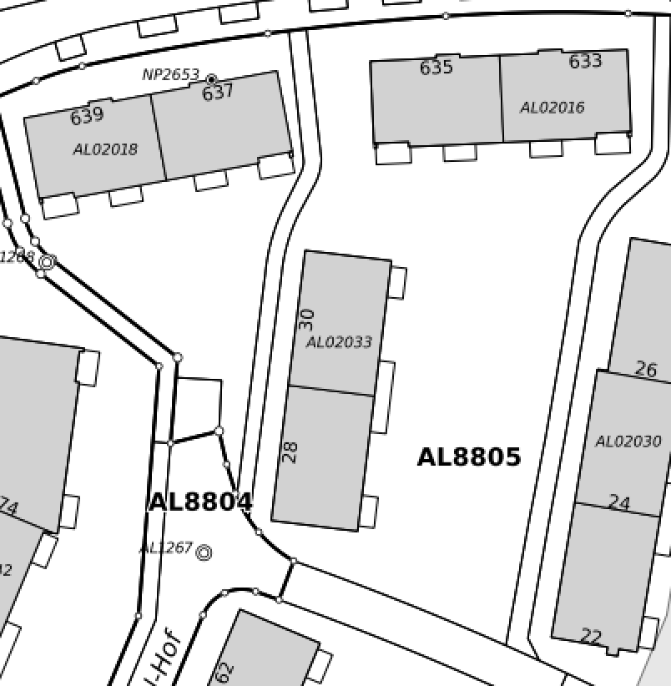

Garden_city_herrlig | Mix between eren4 and acc. Klöti et. al 1944

BASE AREA | 300
Orientation | ["N", "E", "S", "W"]
WWR | 0.2 | eRen /
width | 10 | N/S
length | 30 | W/E
floor_ag | 3
floor_bg | 1
ceiling_heigt | 2.85
EBF_Uilizain_factor | 0.95
heat_capacity_per_energyreferencearea_old | 0.15
infiltratino rate old | 0.3
thermal bridge factor | 15 | according Streicher et.al 2018, Analysis of space heating demand in the Swiss residential building stock: Element-based bottom-up model of archetype buildings

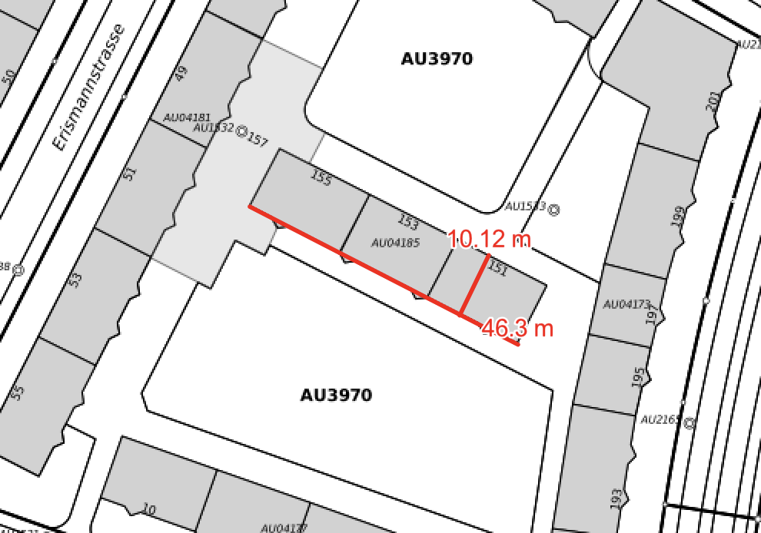

30s_kanzeistrasse | like eRen3

BASE AREA | 460
Orientation | ["NE", "SE", "SW", "NW"]
WWR | 0.2
width | 46 | (NE / SW)
length | 10 | (NW/SE)
floor_ag | 4
floor_bg | 1
ceiling_heigt | 2.85
EBF_Uilizain_factor | 0.95
heat_capacity_per_energyreferencearea_old | 0.15
infiltratino rate old | 0.3
thermal bridge factor | 15 | according Streicher et.al 2018, Analysis of space heating demand in the Swiss residential building stock: Element-based bottom-up model of archetype buildings

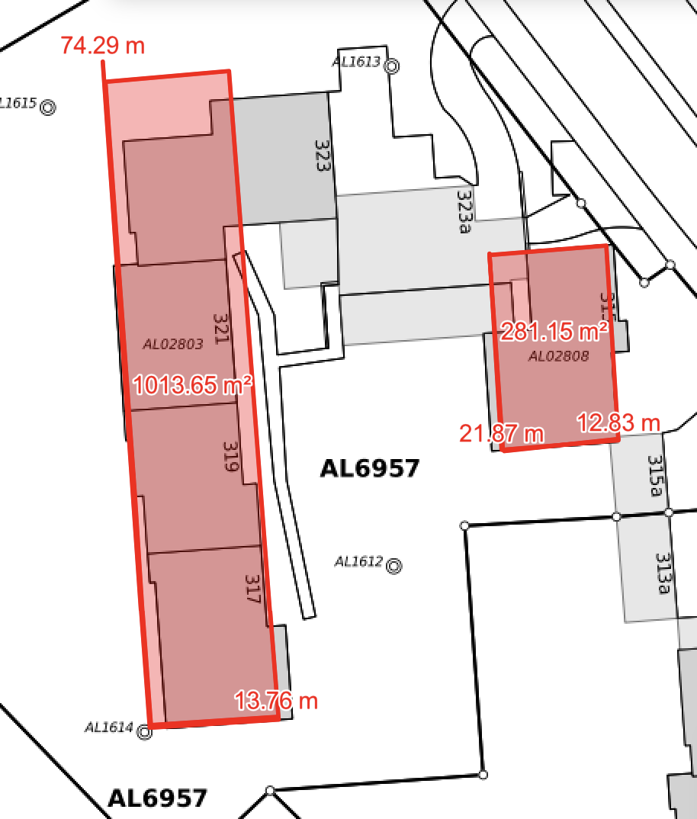
60s_Salzweg | like eRen4, but with massive concrete ceilings and flat roof

BASE AREA
Orientation | ["N", "E", "S", "W"]
WWR | 0.23 | accoring to Streicher et. al 2018, Assessment of the current thermal performance level of the Swiss residential building stock: Statistical analysis of energy performance certificates
width | 13.8 | N/S
length | 75 | W/E
floor_ag | 4
floor_bg | 1
ceiling_heigt | 2.85
EBF_Uilizain_factor | 0.95
heat_capacity_per_energyreferencearea_old | 0.15
infiltratino rate old | 0.3
thermal bridge factor | 15 | according Streicher et.al 2018, Analysis of space heating demand in the Swiss residential building stock: Element-based bottom-up model of archetype buildings

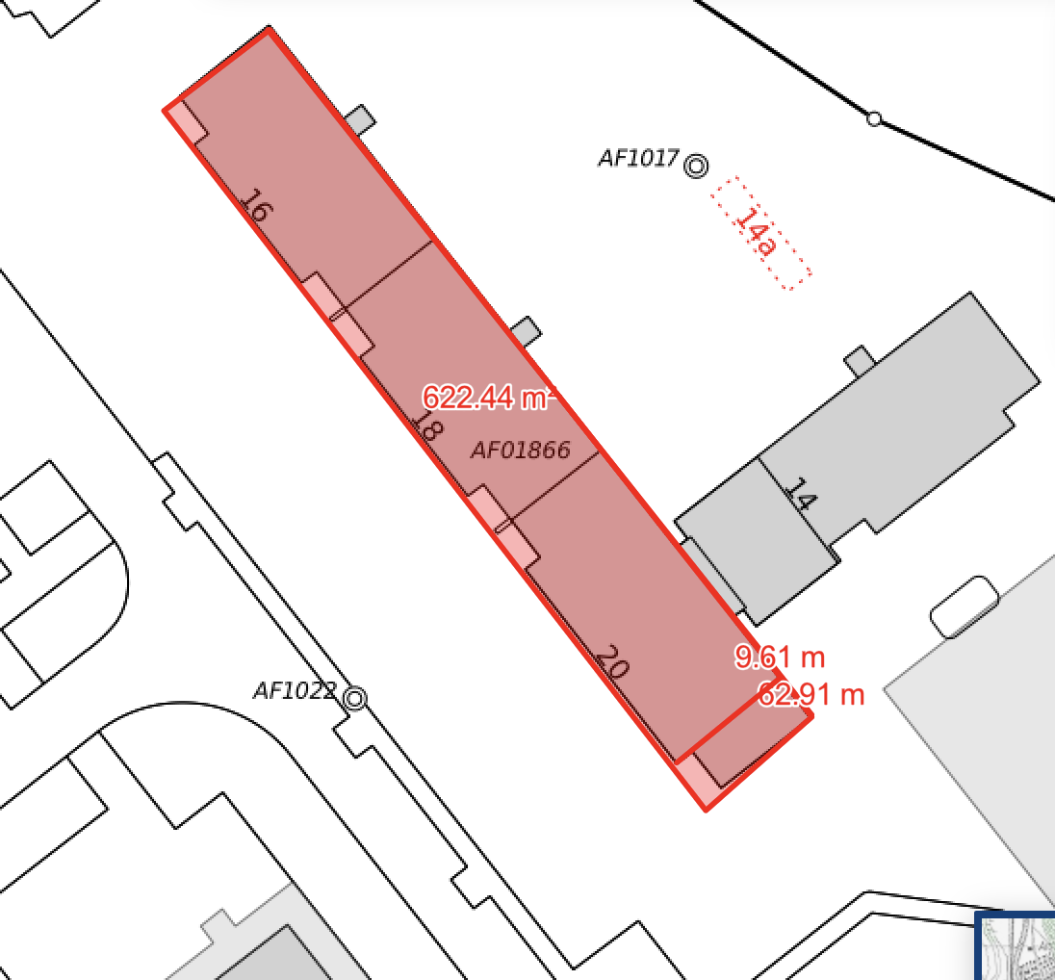

70s_Lerchenweg | like eRen4, but with massive concrete ceilings and flat roof

BASE AREA | 622
Orientation | ["NE", "SE", "SW", "NW"]
WWR | 0.23 | accoring to Streicher et. al 2018, Assessment of the current thermal performance level of the Swiss residential building stock: Statistical analysis of energy performance certificates
width | 63 | (NE / SW)
length | 9.6 | (NW/SE)
floor_ag | 4
floor_bg | 1
ceiling_heigt | 2.85
EBF_Uilizain_factor | 0.95
heat_capacity_per_energyreferencearea_old | 0.15
infiltratino rate old | 0.3
thermal bridge factor | 15 | according Streicher et.al 2018, Analysis of space heating demand in the Swiss residential building stock: Element-based bottom-up model of archetype buildings

mat_composition_casestudy_4
ID_Construction | Category | group | Material | ID_EPD | density | thickness | lamda_value | u_value | g_value | GWP_prod_kg | GWP_disp_kg | C_BIO_kg | CO2_Bio_kg | GWP_prod | GWP_disp | CO2_bio_stored | GWP_Bio | RSL | Rotation_time_bio | Cost | functional_unit | Literature | Note | Literature_Biogenic | Old_component

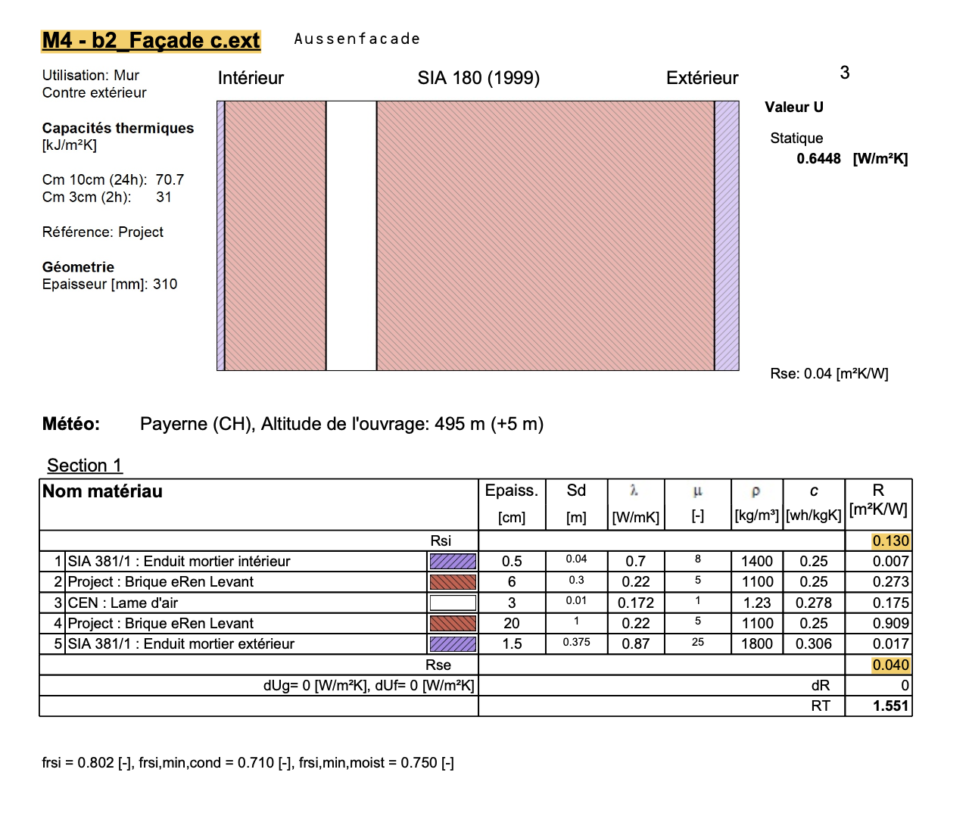
 |  |  | Material | ID_EPD | density | thickness | lamda_value | u-value | g-value | GWP_prod_kg | GWP_disp_kg | C_BIO_kg | CO2_Bio_kg | GWP_prod | GWP_disp | CO2_Bio_stored | GWP_Bio | RSL | Rotation_time | Cost | functional_unit | Literature | Note | Literature_Biogenic
 |  |  |  |  | Kg/m3 | m | W/mK | W/m2K |  | KgCO2eq/kg | KgCO2eq/kg | KgC/kg | KgCO/kg | KgCO2eq/fu | KgCO2eq/fu | KgCO2/fu | KgCO2eq/fu | years | years | CHF/ref | fu

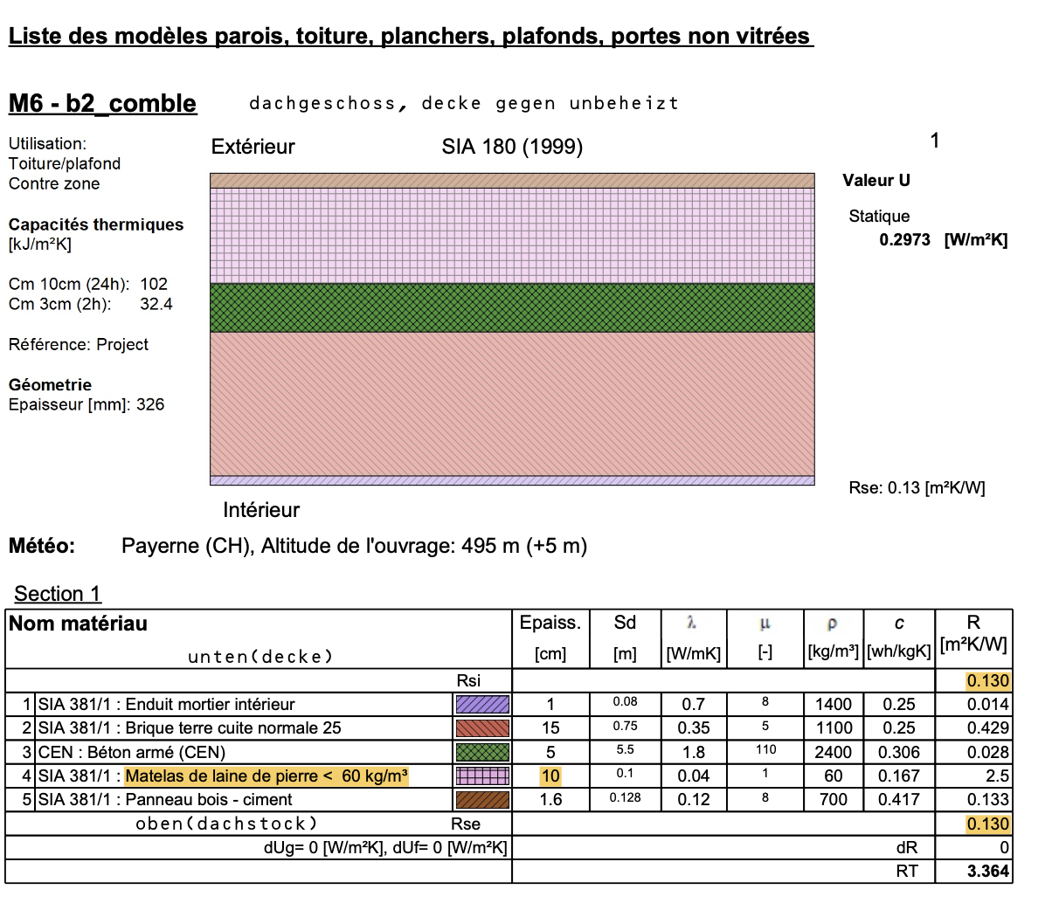
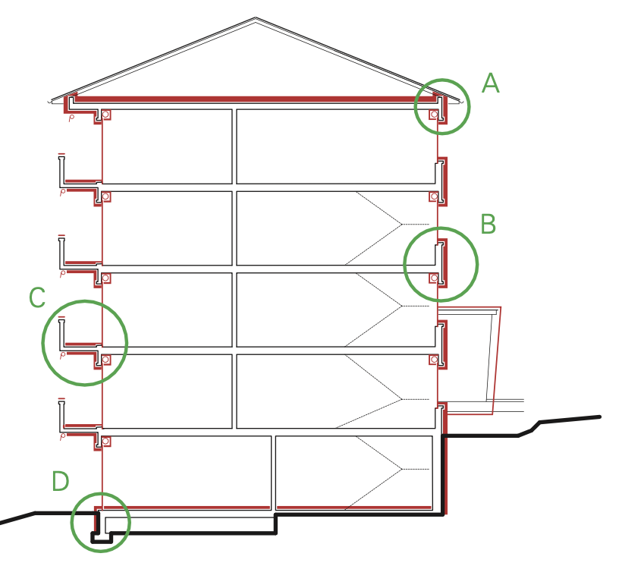
 |  | Exterior:Wall:eRen4 | Hohlziegel eRen 4 | 02.001 | 1100 | 0.06 | 0.22 | 3.6666666667 |  | 0.254 | 0.01270 | 0 | 0 | 16.76400 | 0.83820 | 0 |  |  |  | 0 |  | eRen/ KBOB
 |  | Exterior:Wall:eRen4 | Air Layer stationary |  | 0 | 0.03 | 0.172 | 5.7333333333 |  | 0 |  | 0 | 0 | 0.00000 | 0.00000 | 0 |  |  |  | 0 |  | eRen/ KBOB
 |  | Exterior:Wall:eRen4 | Hohlziegel eRen 4 | 02.001 | 1100 | 0.2 | 0.22 | 1.1 |  | 0.254 | 0.01270 | 0 | 0 | 55.88000 | 2.79400 | 0 |  |  |  | 0 |  | eRen/ KBOB
exterior_wall_ag_core_eREN_4 | wall_ag | BJ 1940-1970 | Double layer maisonary wall (hollow bricks) 30cm with air gap (3cm) |  |  |  |  | 0.73733437256 |  |  |  |  |  | 0.00 | 3.63220 | 0 |  | RSP |  | 0 | m2 | eRen/ KBOB |  |  | True

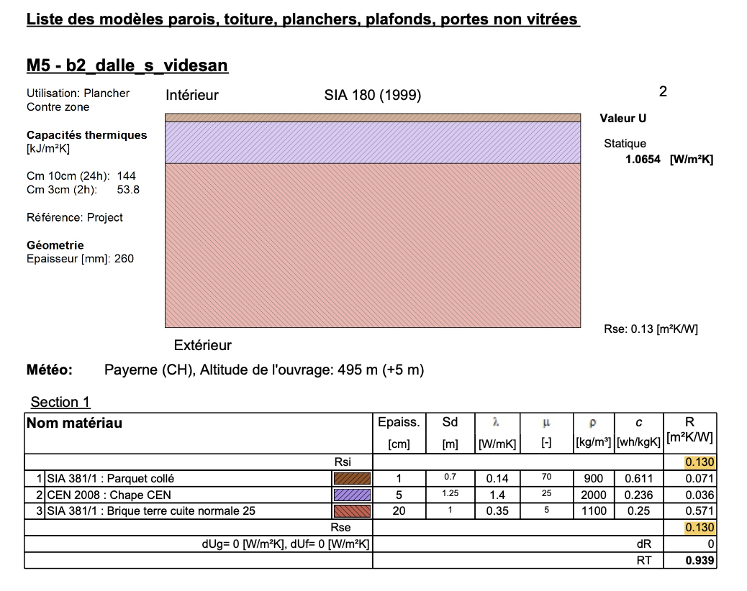
 |  | Roof:insulation:eRen4 | Steinwolle 60kg/m3 | 10.008 | 60 | 0.1 | 0.04 | 0.4 |  | 1.13 | 0.0592 | 0.0000 | 0 | 6.78000 | 0.35520 | 0 |  |  |  | 0 |  | eRen/ KBOB
roof_insulaion_eREN4 | insulation | BJ 1940-1970 | Cold roof:10 cm rockwool insulation with wooden cover |  |  |  |  | 0.4 |  |  |  |  |  | 6.78 | 0.36 | 0 |  | 30 | 80 | 0 | m2 | eRen/ KBOB |  |  | True

 |  | Roof:ceiling:eRen4 | Backstein SIA 381/1 (für Hourdis Decke ) | 02.001 | 1100 | 0.15 | 0.35 | 2.3333333333 |  | 0.254 | 0.01270 | 0 | 0 | 41.91000 | 2.09550 | 0 |  |  |  | 0 |  | eRen/ KBOB | Hourdis Decke
 |  | Roof:ceiling:eRen4 | Beton Träger (für Hourdis Decke ) | 01.042 | 2400 | 0.05 | 1.8 | 36 |  | 0.1650 | 0.01210 | 0 | 0 | 19.80000 | 1.45200 | 0 |  |  |  | 0 |  | eRen/ KBOB | Hourdis Decke
roof_ceiling_eREN4 | roof_type | BJ 1940-1970 | Cold roof: 20cm Hourdis ceiling to cold roof: concrete /bricks |  |  |  |  | 2.1913043478 |  |  |  |  |  | 0.00 | 3.54750 | 0.00 |  | RSP |  | 0 | m2 | eRen/ KBOB | Assumption 1/4 of volume is concrete |  | True

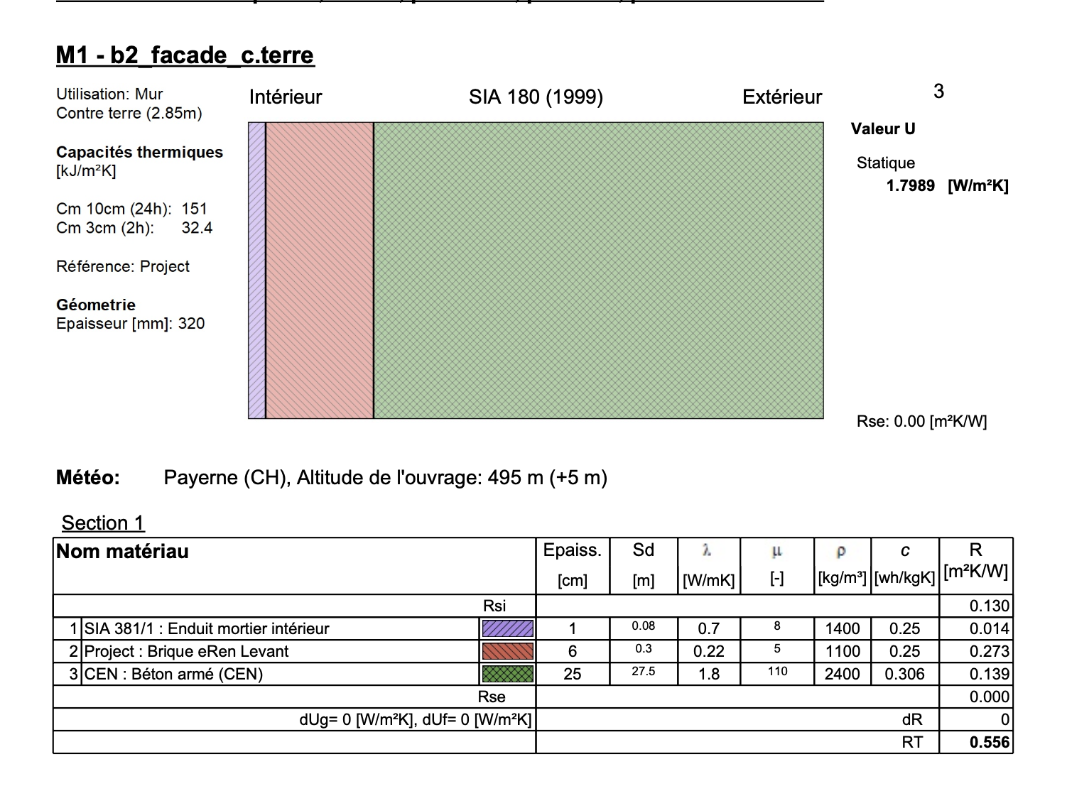
 |  | ceiling:core:eRen4 | Unterlagsboden Anhydrit, 50 mm | 04.005 | 2000 | 0.05 | 0.8 | 16 |  | 0.0784 | 0.0127 | 0 | 0 | 7.84000 | 1.27000 | 0 |  |  |  |  |  | eRen/ KBOB | Hourdis Decke
 |  | ceiling:core:eRen4 | Backstein SIA 381/1 (für Hourdis Decke ) | 02.001 | 1100 | 0.1875 | 0.35 | 1.8666666667 |  | 0.254 | 0.01270 | 0 | 0 | 52.38750 | 2.61938 | 0 |  |  |  | 0 |  | eRen/ KBOB | Hourdis Decke
 |  | ceiling:core:eRen4 | Beton Träger (für Hourdis Decke ) | 01.042 | 2400 | 0.0625 | 1.8 | 28.8 |  | 0.1650 | 0.01210 | 0 | 0 | 24.75000 | 1.81500 | 0 |  |  |  | 0 |  | eRen/ KBOB | Hourdis Decke
ceiling_core_eREN_4 | ceiling_ag | BJ 1940-1970 |  |  |  |  |  | 1.7530434783 |  |  |  |  |  | 0.00 | 5.70 | 0.00 |  | RSP |  |  | m2 | eRen/ KBOB | Assumption 1/4 of volume is concrete |  | True

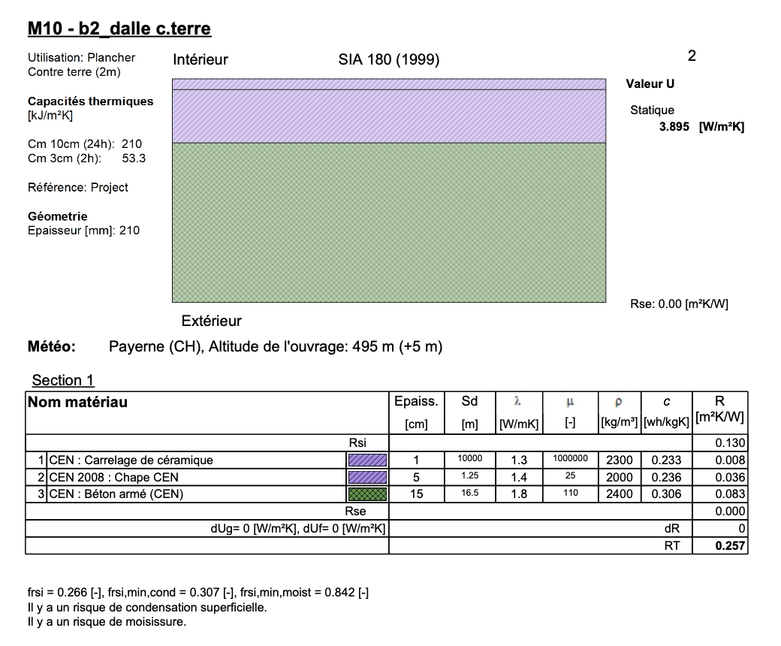
 |  |  | Backstein | 02.001 | 1100 | 0.06 | 0.35 | 5.8333333333 |  | 0.254 | 0.01270 | 0 | 0 | 16.76400 | 0.83820 | 0 |  |  |  | 0 |  | eRen/ KBOB
 |  |  | Beton armé CEM | 01.002 | 2300 | 0.25 | 2.3 | 9.2 |  | 0.0887 | 0.0126 | 0 | 0 | 51.00250 | 7.24500 | 0 |  |  |  | 0 |  | eRen/ KBOB | Assumption 60kg Fe/m2, stripe foundation
 |  |  | Armierungsstahl | 06.003 | 60 | 0.25 |  | 1E+100 |  | 0.773 | 0.0122 | 0 | 0 | 11.59500 | 0.18300 | 0 |  |  |  | 0 |  | eRen/ KBOB
wall_bg_eREN_4 | wall_bg | BJ 1940-1970 |  |  |  |  |  | 3.5698447894 |  |  |  |  |  | 0.00 | 8.27 | 0.00 |  | RSP |  |  | m2 | eRen/ KBOB |  |  | True

 |  |  | Unterlagsboden Anhydrit, 50 mm | 04.005 | 2000 | 0.05 | 0.8 | 16 |  | 0.0784 | 0.0127 | 0 | 0 | 7.84000 | 1.27000 | 0
 |  |  | Beton armé CEM | 01.002 | 2300 | 0.15 | 2.3 | 15.333333333 |  | 0.0887 | 0.0126 | 0 | 0 | 30.60150 | 4.34700 | 0 |  |  |  | 0 |  | eRen/ KBOB | Assumption 80kg Fe/m2
 |  |  | Armierungsstahl | 06.003 | 80 | 0.15 |  | 1E+100 |  | 0.773 | 0.0122 | 0 | 0 | 9.27600 | 0.14640 | 0 |  |  |  | 0 |  | eRen/ KBOB
slab_basement_eREN_4 | slab_basement | BJ 1940-1970 |  |  |  |  |  | 7.829787234 |  |  |  |  |  | 0.00 | 5.76 | 0.00 |  | RSP |  |  | m2 | eRen/ KBOB |  |  | True

Comment: Since this is the original Consturction, only GWP disposal and C_BIO are caluclated.
Threrfore the most similar material of KBOB (ID_EPD) was choosen.
Denstiy, thickness and lamda values are according to the report of e-Ren

mat_composition_old_generic
ID_Construction | Category | group | Material | ID_EPD | density | thickness | lamda_value | u_value | g_value | GWP_prod_kg | GWP_disp_kg | C_BIO_kg | CO2_Bio_kg | GWP_prod | GWP_disp | CO2_bio_stored | GWP_Bio | RSL | Rotation_time_bio | Cost | functional_unit | Literature | Note | Literature_Biogenic | Old_component

 | Windows
 |  |  | Material | ID_EPD | density | thickness | lamda_value | u-value | g-value | GWP_prod_kg | GWP_disp_kg | C_BIO_kg | CO2_Bio_kg | GWP_prod | GWP_disp | CO2_Bio_stored | GWP_Bio | RSL | Rotation_time | Cost | functional_unit | Literature | Note | Literature_Biogenic
 |  |  |  |  | Kg/m3 | m | W/mK | W/m2K |  | KgCO2eq/kg | KgCO2eq/kg | KgC/kg | KgCO/kg | KgCO2eq/fu | KgCO2eq/fu | KgCO2/fu | KgCO2eq/fu | years | years | CHF/ref | fu
 |  |  | Verglasung 2-fach, Ug-Wert 1.4 W/m2K | 05.001 |  |  |  | 1.4 |  |  |  |  | 0 | 40.7 | 3.60 | 0 |  |  |  |  | m2 |  | per glass area
 |  |  | Fensterrahmen Holz | 05.005 |  |  |  | 1.9 |  |  |  |  | 0 | 30 | 5.9 | 27 |  |  |  |  | m2 |  | per area of the total window ("Maueröffnung"))
window_dbl_1.4_wood_0.95_as_of_1990 | window | 2-IV-IR ab 1990 | (Already renovated once) |  |  |  |  | 1.45 | 0.62 |  |  |  |  | 66.93 | 9.13 | 27.45 |  | 30 | 80 |  | m2 | KBOB, SIA 380/1 TAB 19, Standart Uf values according to "Merkblat Fenster" 2021 of Konforenz Kantonale Energiedirektoren EnDK,https://www.fensterbuenter.ch/__/frontend/handler/document.php?id=115&type=42 | 90% glass fraction, total U-value calculated on areal decomposition, data acording to Merkblatt Fenster: Das Fenster in der Energieberechnung EnFK | Jürgen Zell et. al. 2020, SwissStandSim: ein klimasensitives, einzelbaum- basiertes Waldwachstumsmodell | True

 |  |  | Material | ID_EPD | density | thickness | lamda_value | u-value | g-value | GWP_prod_kg | GWP_disp_kg | C_BIO_kg | CO2_Bio_kg | GWP_prod | GWP_disp | CO2_Bio_stored | GWP_Bio | RSL | Rotation_time | Cost | functional_unit | Literature | Note | Literature_Biogenic
 |  |  |  |  | Kg/m3 | m | W/mK | W/m2K |  | KgCO2eq/kg | KgCO2eq/kg | KgC/kg | KgCO/kg | KgCO2eq/fu | KgCO2eq/fu | KgCO2/fu | KgCO2eq/fu | years | years | CHF/ref | fu
 |  |  | Verglasung 2-fach, Ug-Wert 3 W/m2K | 05.001 |  |  |  | 3 |  |  |  |  | 0 | 40.7 | 3.60 | 0 |  |  |  |  | m2 |  | per glass area
 |  |  | Fensterrahmen Holz | 05.005 |  |  |  | 1.9 |  |  |  |  | 0 | 30 | 5.9 | 27 |  |  |  |  | m2 |  | per area of the total window ("Maueröffnung"))
window_dbl_3.0_wood_0.9_prior_to_1980 | window | DV bis 1980 | (Original) |  |  |  |  | 2.89 | 0.75 |  |  |  |  | 66.93 | 9.13 | 27.45 |  | 30 | 80 |  | m2 | KBOB, SIA 380/1 TAB 19, Standart Uf values according to "Merkblat Fenster" 2021 of Konforenz Kantonale Energiedirektoren EnDK,https://www.fensterbuenter.ch/__/frontend/handler/document.php?id=115&type=42 | 90% glass fraction, total U-value calculated on areal decomposition, data acording to Merkblatt Fenster: Das Fenster in der Energieberechnung EnFK and eREN4 | Jürgen Zell et. al. 2020, SwissStandSim: ein klimasensitives, einzelbaum- basiertes Waldwachstumsmodell | True

 | Partitions
 |  |  | Material | ID_EPD | density | thickness | lamda_value | u-value | g-value | GWP_prod_kg | GWP_disp_kg | C_BIO_kg | CO2_Bio_kg | GWP_prod | GWP_disp | CO2_Bio_stored | GWP_Bio | RSL | Rotation_time | Cost | functional_unit | Literature | Note | Literature_Biogenic
 |  |  |  |  | Kg/m3 | m | W/mK | W/m2K |  | KgCO2eq/kg | KgCO2eq/kg | KgC/kg | KgCO/kg | KgCO2eq/fu | KgCO2eq/fu | KgCO2/fu | KgCO2eq/fu | years | years | CHF/ref | fu
 |  |  | Backstein | 02.001 | 1100 | 0.12 | 0.35 | 2.91666667 |  | 0.254 | 0.01270 | 0 | 0 | 33.528 | 1.6764 | 0 |  |  |  | 0 |  | eRen/ KBOB | Assumption, 12cm maisonary
core_partitions_20_70 | partitions_core | BJ 1920-1970 |  |  |  |  |  | 2.91666667 |  |  |  |  |  | 0 | 1.68 | 0 |  | RSP |  |  | m2 | eRen/ KBOB |  |  | True

 | Plasterd Exterior Finishing
 |  |  | Material | ID_EPD | density | thickness | lamda_value | u-value | g-value | GWP_prod_kg | GWP_disp_kg | C_BIO_kg | CO2_Bio_kg | GWP_prod | GWP_disp | CO2_Bio_stored | GWP_Bio | RSL | Rotation_time | Cost | functional_unit | Literature | Note | Literature_Biogenic
 |  |  |  |  | Kg/m3 | m | W/mK | W/m2K |  | KgCO2eq/kg | KgCO2eq/kg | KgC/kg | KgCO/kg | KgCO2eq/fu | KgCO2eq/fu | KgCO2/fu | KgCO2eq/fu | years | years | CHF/ref | fu
 |  |  | Zementputz | 04.009 | 1800 | 0.015 | 0.8 | 53.333333333 |  | 0.248 | 0.013 | 0 | 0 | 6.696 | 0.3429 | 0 |  |  |  |  |  | eRen/ KBOB
cement_plasterd_facade_20_70 | facade_plasterd | BJ 1920-1970 |  |  |  |  |  | 53.333333333 |  |  |  |  |  | 6.696 | 0.3429 | 0 |  | RSP |  |  | m2 | eRen/ KBOB |  |  | True

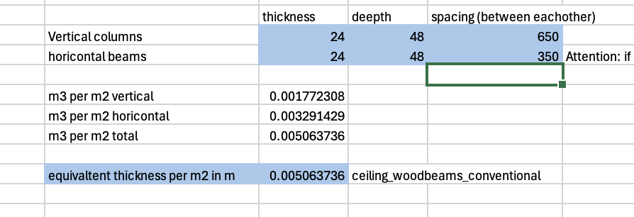
 | Cold Tilted Roof Generic

 |  |  | Material | ID_EPD | density | thickness | lamda_value | u-value | g-value | GWP_prod_kg | GWP_disp_kg | C_BIO_kg | CO2_Bio_kg | GWP_prod | GWP_disp | CO2_Bio_stored | GWP_Bio | RSL | Rotation_time | Cost | functional_unit | Literature | Note | Literature_Biogenic
 |  |  |  |  | Kg/m3 | m | W/mK | W/m2K |  | KgCO2eq/kg | KgCO2eq/kg | KgC/kg | KgCO/kg | KgCO2eq/fu | KgCO2eq/fu | KgCO2/fu | KgCO2eq/fu | years | years | CHF/ref | fu
 |  |  | Kreuz Lattung 24x48, spacing 650mm and 360mm, Massivholz Fichte / Tanne / Lärche, kammergetr., gehobelt | 07.011 | 465 | 0.0067909148145 | 0.15 | 22.088334797 |  | 0.134 | 0.0390 | 0 | 1.65066 | 0.42314190209 | 0.12315324016 | 5.2124135232
 |  |  | Balken Massiv 120x200mm, spacing 650mm, Massivholz Fichte / Tanne / Lärche, kammergetr., gehobelt | 07.011 | 465 | 0.049522679181 |  | 1E+100 |  | 0.134 | 0.0390 | 0 | 1.65066 | 3.0857581398 | 0.89809378695 | 38.011474112
 |  |  | Balken Massiv Tragkonstruktion (Assumption) | 07.011 | 465 | 0.04 | 0.172 | 1E+100 |  | 0.134 | 0.0390 | 0 | 1.65066 | 2.4924 | 0.7254 | 30.702276 |  |  |  |  |  |  | Assumtion
generic_tilted_roof_cold_core | tilted_roof_core | BJ 1920-1970 |  |  |  |  |  |  |  |  |  |  |  | 0 | 1.7466470271 | 73.926163635 |  | RSP | 80 |  | m2 | KBOB, Josef Kolb: Bois sytemes constrictives Planung Tonziegeldach: Ziegelindustrie Schweiz, https://ziegelindustrie.ch/wp-content/uploads/2024/02/Fachinfo_ZICH-Tonziegeldach.pdf, E. Klöti 1944, Sozialer Siedlungs und Wohnungsbau | Assumption 40° tilt (scale of areas) | Jürgen Zell et. al. 2020, SwissStandSim: ein klimasensitives, einzelbaum- basiertes Waldwachstumsmodell, minimla amounts of straw are conted like wood (= conservative) | True

 |  |  | Material | ID_EPD | load per m2 | factor | lamda_value | u-value | g-value | GWP_prod_kg | GWP_disp_kg | C_BIO_kg | CO2_Bio_kg | GWP_prod | GWP_disp | CO2_Bio_stored | GWP_Bio | RSL | Rotation_time | Cost | functional_unit | Literature | Note | Literature_Biogenic
 |  |  |  |  | Kg/m2 |  | W/mK | W/m2K |  | KgCO2eq/kg | KgCO2eq/kg | KgC/kg | KgCO/kg | KgCO2eq/fu | KgCO2eq/fu | KgCO2/fu | KgCO2eq/fu | years | years | CHF/ref | fu
 |  |  | Ziegel | 02.001 | 48 | 1.3420780266 |  |  |  | 0.254 | 0.01270 | 0 | 0 | 16.3626153 | 0.81813076501 | 0 |  |  |  |  |  | eRen/ KBOB | Falzziegel, 48kg/m2
generic_tilted_roof_tiles | tilted_roof_exterior | BJ 1920-1970 |  |  |  |  |  |  |  |  |  |  |  | 16.3626153 | 0.81813076501 | 0 |  | 40 |  |  | m2 | KBOB, Planung Tonziegeldach: Ziegelindustrie Schweiz, https://ziegelindustrie.ch/wp-content/uploads/2024/02/Fachinfo_ZICH-Tonziegeldach.pdf | Assumption 40° tilt (scale of areas) |  | True
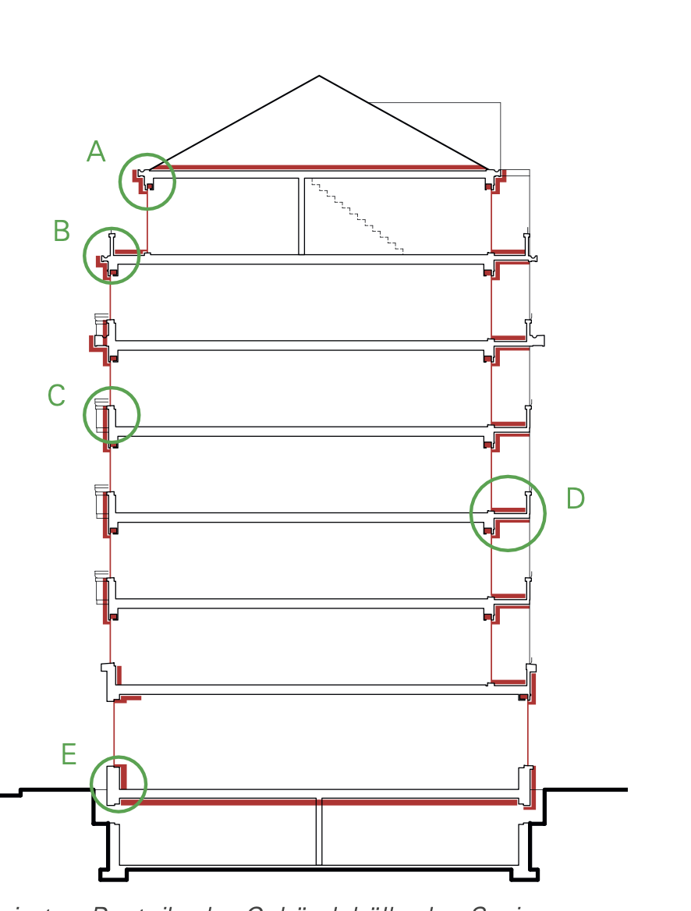
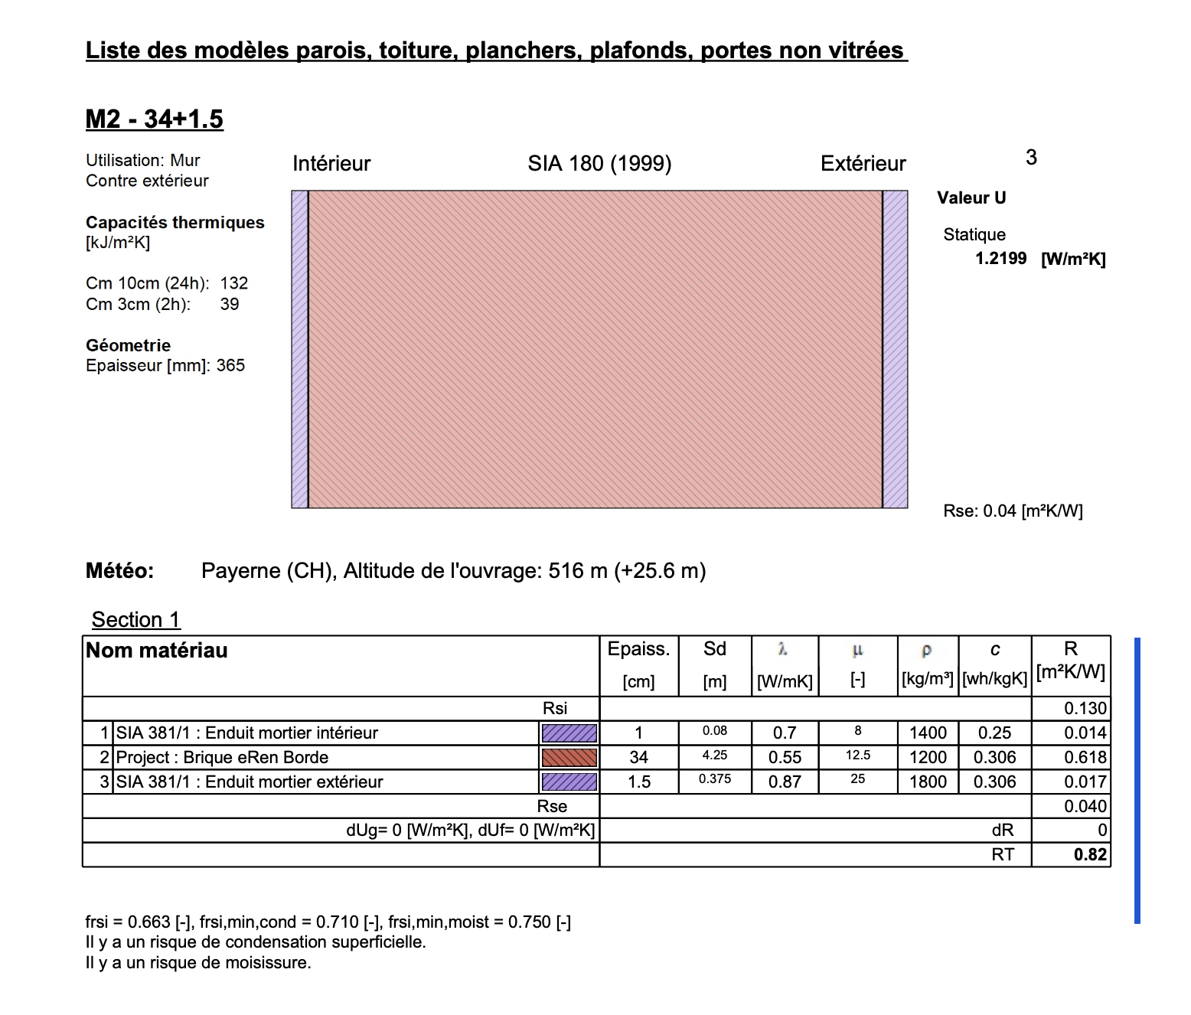
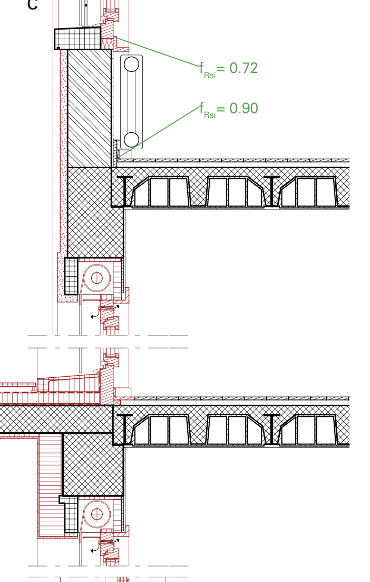
 | eRen3, typical for 1920-1940
 |  |  | Material | ID_EPD | density | thickness | lamda_value | u-value | g-value | GWP_prod_kg | GWP_disp_kg | C_BIO_kg | CO2_Bio_kg | GWP_prod | GWP_disp | CO2_Bio_stored | GWP_Bio | RSL | Rotation_time | Cost | functional_unit | Literature | Note | Literature_Biogenic
 |  |  |  |  | Kg/m3 | m | W/mK | W/m2K |  | KgCO2eq/kg | KgCO2eq/kg | KgC/kg | KgCO/kg | KgCO2eq/fu | KgCO2eq/fu | KgCO2/fu | KgCO2eq/fu | years | years | CHF/ref | fu
 |  |  | Hohlziegel (Zementstein) eRen 3 | 02.007 | 1200 | 0.34 | 0.55 | 1.6176470588 |  | 0.114 | 0.01270 | 0 | 0 | 46.512 | 5.1816 | 0 |  |  |  |  |  | eRen/ KBOB
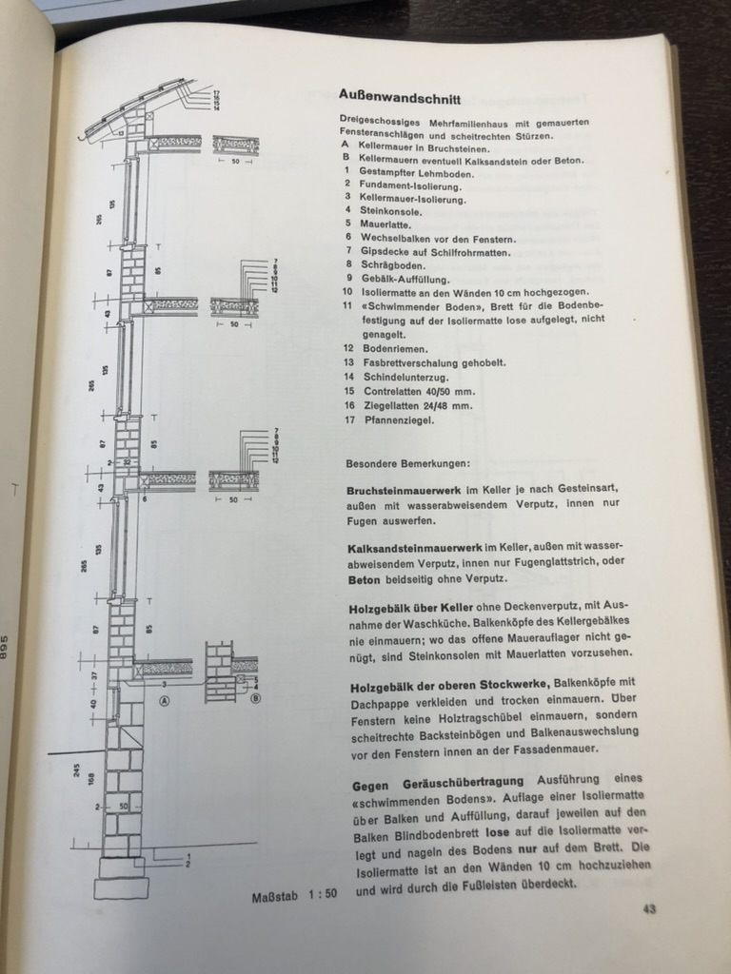
exterior_wall_ag_core_eREN_3 | wall_ag | BJ 1920-1940 | Gross Hohlziegel (Zementstein) eRen 3 |  |  |  |  | 1.6176470588 |  |  |  |  |  | 0 | 5.1816 | 0 |  | RSP |  |  | m2 | KBOB, eREN |  |  | True

 |  |  | Material | ID_EPD | density | thickness | lamda_value | u-value | g-value | GWP_prod_kg | GWP_disp_kg | C_BIO_kg | CO2_Bio_kg | GWP_prod | GWP_disp | CO2_Bio_stored | GWP_Bio | RSL | Rotation_time | Cost | functional_unit | Literature | Note | Literature_Biogenic
 |  |  |  |  | Kg/m3 | m | W/mK | W/m2K |  | KgCO2eq/kg | KgCO2eq/kg | KgC/kg | KgCO/kg | KgCO2eq/fu | KgCO2eq/fu | KgCO2/fu | KgCO2eq/fu | years | years | CHF/ref | fu
 |  |  | Kalksandstein | 02.002 | 1,400 | 0.4 | 2.3 | 5.75 |  | 0.149 | 0.01270 | 0 | 0 | 83.44 | 7.112 | 0
 |  |  | Rundkies (Sickerbett) | 03.012 | 2,000 | 0.1 |  | 1E+100 |  | 0.00305 | 0.01260 | 0 | 0 | 0.61 | 2.52 | 0
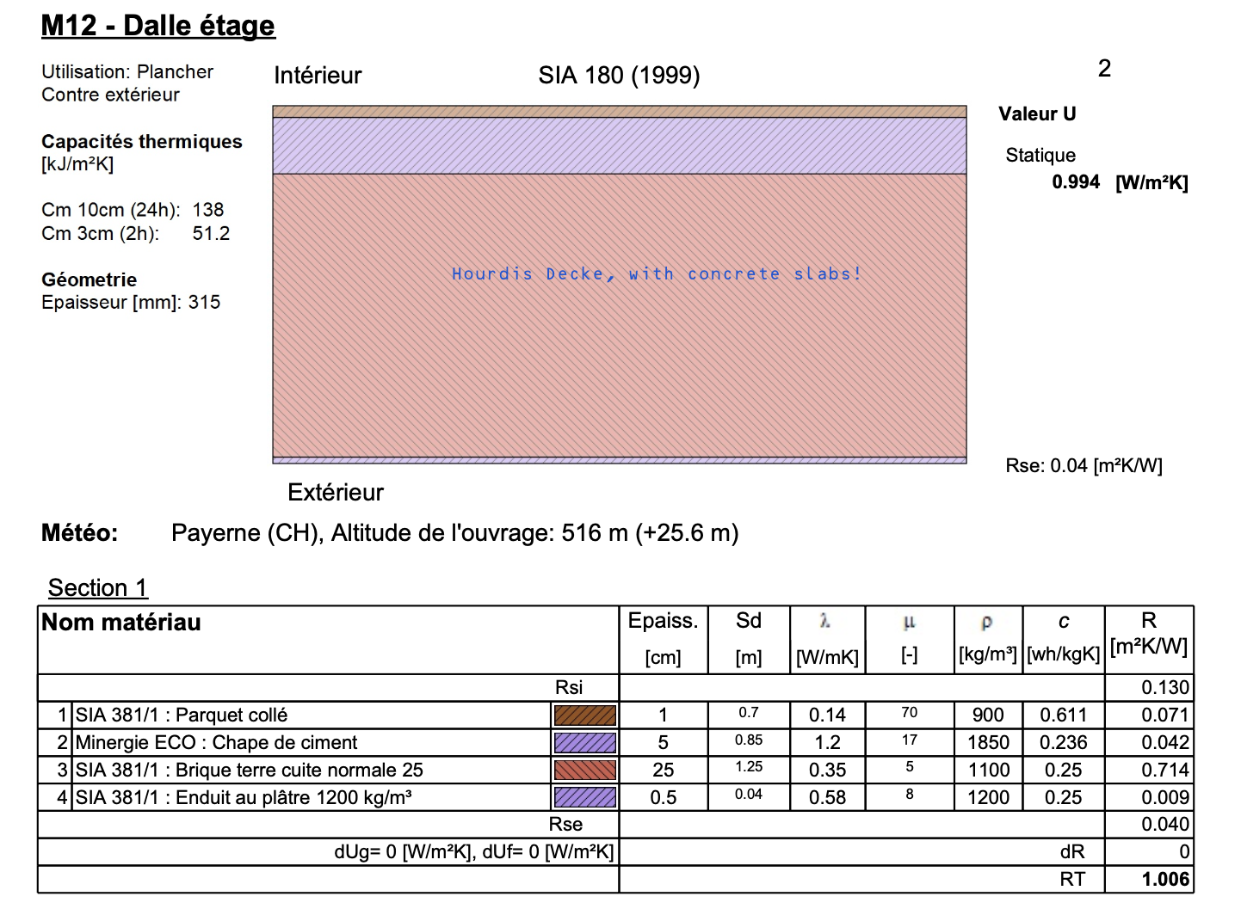
exterior_wall_bg_core_eREN_3 | wall_ag | BJ 1920-1940 | Streifenfundament eRen 3 |  |  |  |  | 5.75 |  |  |  |  |  | 0 | 9.632 | 0 |  | RSP |  |  | m2 | KBOB, eRen, E. Klöti 1944, Sozialer Siedlungs und Wohnungsbau | Assumption, kalksandstein stripe foundation |  | True

 |  |  | Material | ID_EPD | density | thickness | lamda_value | u-value | g-value | GWP_prod_kg | GWP_disp_kg | C_BIO_kg | CO2_Bio_kg | GWP_prod | GWP_disp | CO2_Bio_stored | GWP_Bio | RSL | Rotation_time | Cost | functional_unit | Literature | Note | Literature_Biogenic
 |  |  |  |  | Kg/m3 | m | W/mK | W/m2K |  | KgCO2eq/kg | KgCO2eq/kg | KgC/kg | KgCO/kg | KgCO2eq/fu | KgCO2eq/fu | KgCO2/fu | KgCO2eq/fu | years | years | CHF/ref | fu
 |  |  | Backstein (für Hourdis Decke ) | 02.001 | 1100 | 0.1875 | 0.35 | 1.8666666667 |  | 0.254 | 0.01270 | 0 | 0 | 52.3875 | 2.619375 | 0 |  |  |  |  |  | eRen/ KBOB | Hourdis Decke
 |  |  | Beton Träger (für Hourdis Decke ) | 01.042 | 2400 | 0.0625 | 2.3 | 36.8 |  | 0.165 | 0.012 | 0 | 0 | 24.75 | 1.815 | 0 |  |  |  |  |  | eRen/ KBOB | Hourdis Decke
 |  |  | Unterlagsboden Zement, 50 mm | 04.006 | 1850 | 0.05 | 1.2 | 24 |  | 0.107 | 0.01270 | 0 | 0 | 9.8975 | 1.17475 | 0 |  |  |  |  |  | eRen/ KBOB | Hourdis Decke
ceiling_core_eREN_3 | ceiling_ag | BJ 1920-1940 | Horudis Decke 25cm with screed |  |  |  |  | 1.654109589 |  |  |  |  |  | 0 | 5.609125 | 0 |  | RSP |  |  | m2 | eRen/ KBOB | Assumtpion 1/4 of cieling are concrete beams |  | True

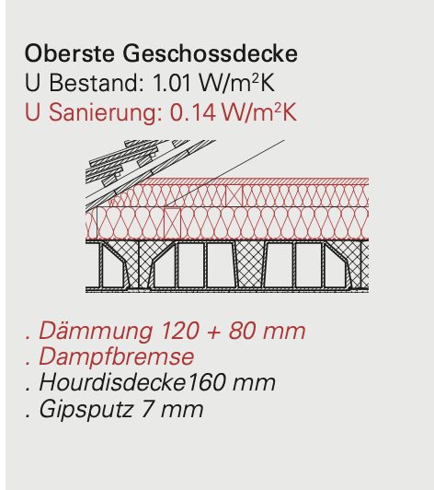
 |  |  | Material | ID_EPD | density | thickness | lamda_value | u-value | g-value | GWP_prod_kg | GWP_disp_kg | C_BIO_kg | CO2_Bio_kg | GWP_prod | GWP_disp | CO2_Bio_stored | GWP_Bio | RSL | Rotation_time | Cost | functional_unit | Literature | Note | Literature_Biogenic
 |  |  |  |  | Kg/m3 | m | W/mK | W/m2K |  | KgCO2eq/kg | KgCO2eq/kg | KgC/kg | KgCO/kg | KgCO2eq/fu | KgCO2eq/fu | KgCO2/fu | KgCO2eq/fu | years | years | CHF/ref | fu
 |  |  | Beton armé CEM | 01.002 | 2300 | 0.08 | 2.3 | 28.75 |  | 0.089 | 0.013 | 0 | 0 | 16.3208 | 2.3184 | 0 |  |  |  |  |  | eRen/ KBOB
 |  |  | Armierungsstahl | 06.003 | 60 | 0.08 |  | 1E+100 |  | 0.773 | 0.01220 | 0 | 0 | 3.7104 | 0.05856 | 0 |  |  |  |  |  | eRen/ KBOB | Assumption 60kg Fe/m2, since a non loadbearing ceiling, it's a stripe foundation
slab_basement_eREN_3 | slab_basement | BJ 1920-1940 |  |  |  |  |  | 28.75 |  |  |  |  |  | 0 | 2.37696 | 0 |  | RSP |  |  | m2 | eRen/ KBOB | Non loadbearing, minimal |  | True

 |  |  | Material | ID_EPD | density | thickness | lamda_value | u-value | g-value | GWP_prod_kg | GWP_disp_kg | C_BIO_kg | CO2_Bio_kg | GWP_prod | GWP_disp | CO2_Bio_stored | GWP_Bio | RSL | Rotation_time | Cost | functional_unit | Literature | Note | Literature_Biogenic
 |  |  |  |  | Kg/m3 | m | W/mK | W/m2K |  | KgCO2eq/kg | KgCO2eq/kg | KgC/kg | KgCO/kg | KgCO2eq/fu | KgCO2eq/fu | KgCO2/fu | KgCO2eq/fu | years | years | CHF/ref | fu
 |  | Roof:ceiling:eRen4 | Backstein (für Hourdis Decke ) | 02.001 | 1100 | 0.12 | 0.35 | 2.9166666667 |  | 0.254 | 0.013 | 0 | 0 | 33.528 | 1.6764 | 0 |  |  |  |  |  | eRen/ KBOB | Hourdis Decke
 |  | Roof:ceiling:eRen4 | Beton Träger (für Hourdis Decke ) | 01.042 | 2400 | 0.04 | 2.3 | 57.5 |  | 0.165 | 0.01210 | 0 | 0 | 15.84 | 1.1616 | 0 |  |  |  |  |  | eRen/ KBOB | Hourdis Decke
roof_ceiling_eREN3 | cold_roof_core | BJ 1920-1940 | Cold roof: 16cm Hourdis ceiling to cold roof: concrete /bricks |  |  |  |  | 2.775862069 |  |  |  |  |  | 0 | 2.838 | 0 |  | RSP |  | 0 | m2 | eRen/ KBOB | Assumtpion 1/4 of cieling are concrete beams |  | True

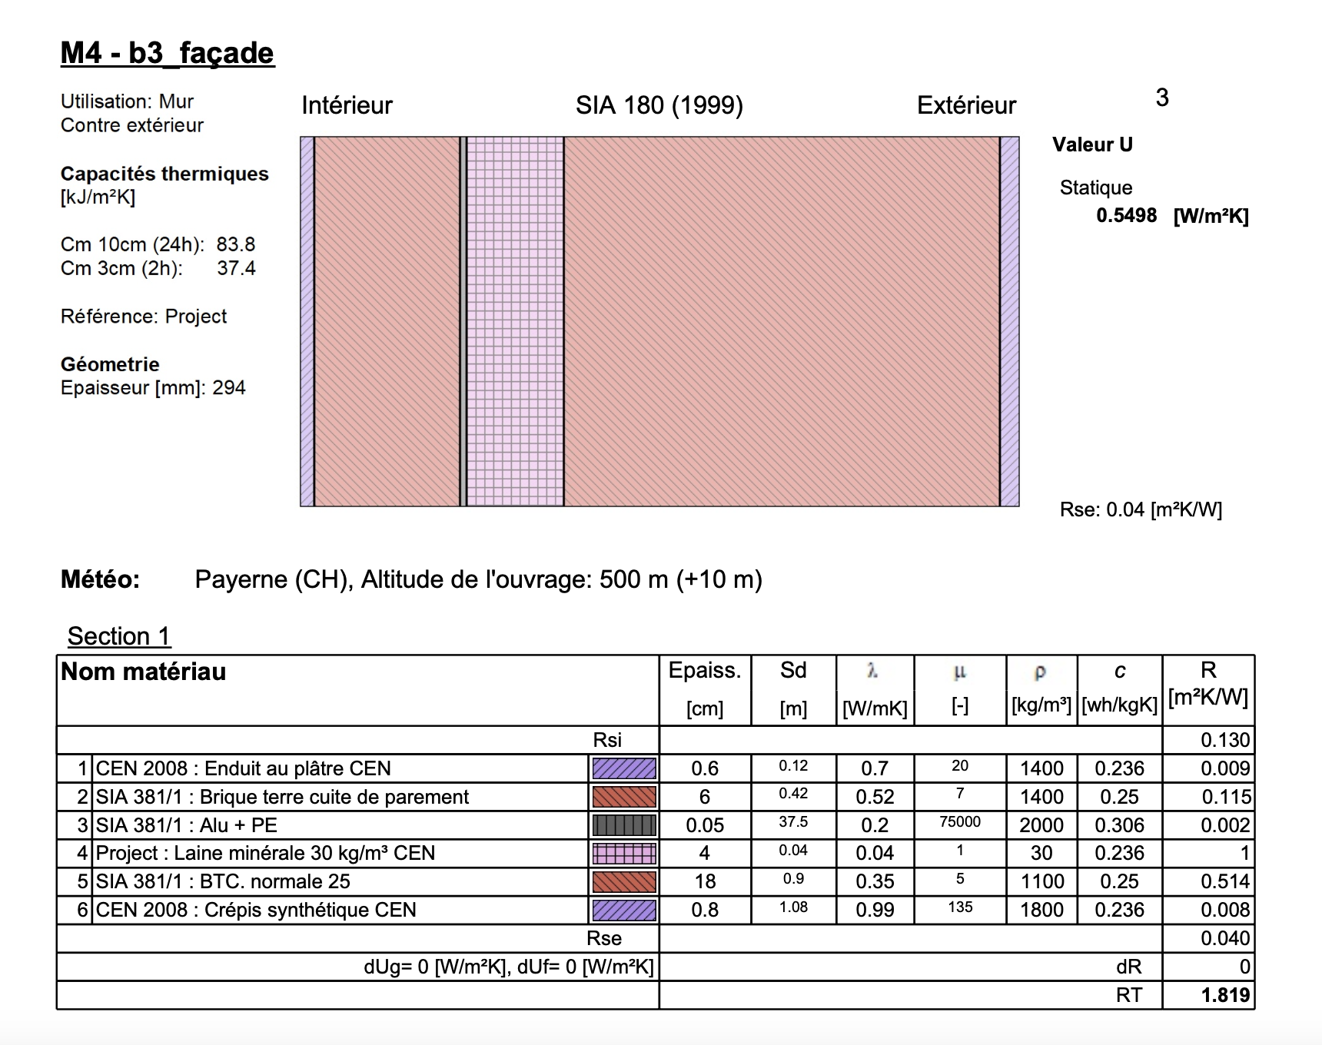
 | eRen6, typical for 1970-1980 -> Similar like eRen4, except ceiling consturctions and exterior walls
 | Attention Roof insulation in eREN4, they are the same
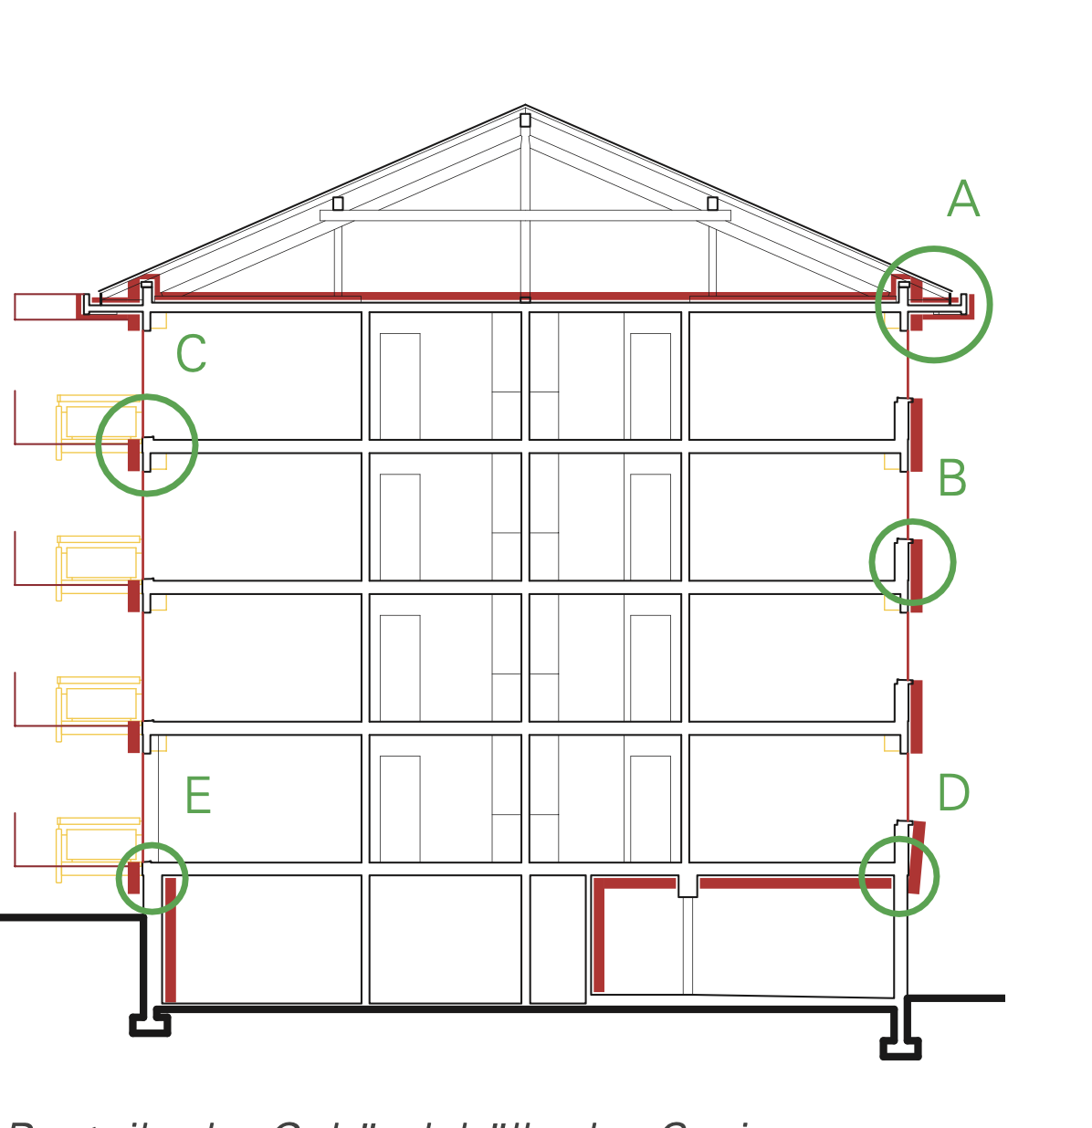
 |  |  | Material | ID_EPD | density | thickness | lamda_value | u-value | g-value | GWP_prod_kg | GWP_disp_kg | C_BIO_kg | CO2_Bio_kg | GWP_prod | GWP_disp | CO2_Bio_stored | GWP_Bio | RSL | Rotation_time | Cost | functional_unit | Literature | Note | Literature_Biogenic
 |  |  |  |  | Kg/m3 | m | W/mK | W/m2K |  | KgCO2eq/kg | KgCO2eq/kg | KgC/kg | KgCO/kg | KgCO2eq/fu | KgCO2eq/fu | KgCO2/fu | KgCO2eq/fu | years | years | CHF/ref | fu
 |  |  | Backstein, Loadbearing, inside | 02.001 | 1400 | 0.06 | 0.52 | 8.6666666667 |  | 0.254 | 0.01270 | 0 | 0 | 21.336 | 1.0668 | 0 |  |  |  |  |  | eRen/ KBOB
 |  |  | Dampfbremse Polyethylen (PE) | 09.002 | 920 | 0.00014 |  | 1E+100 |  | 2.75 | 2.67 | 0 | 0 | 0.3542 | 0.343896 | 0
 |  |  | Steinwolle 30 [Kg/m3] | 10.008 | 30 | 0.04 | 0.034 | 0.85 |  | 1.13 | 0.0592 | 0.0000 | 0 | 1.356 | 0.07104 | 0
 |  |  | Backstein, Loadbearing outside | 02.001 | 1100 | 0.18 | 0.35 | 1.9444444444 |  | 0.254 | 0.01270 | 0 | 0 | 50.292 | 2.5146 | 0 |  |  |  |  |  | eRen/ KBOB
exterior_wall_ag_core_eREN_6 | wall_ag | BJ 1970-1980 | Double layer maisonary with 4cm insulation |  |  |  |  | 0.55366665474 |  |  |  |  |  | 0 | 3.996336 | 0 |  | RSP |  |  | m2 | KBOB, eREN |  |  | True
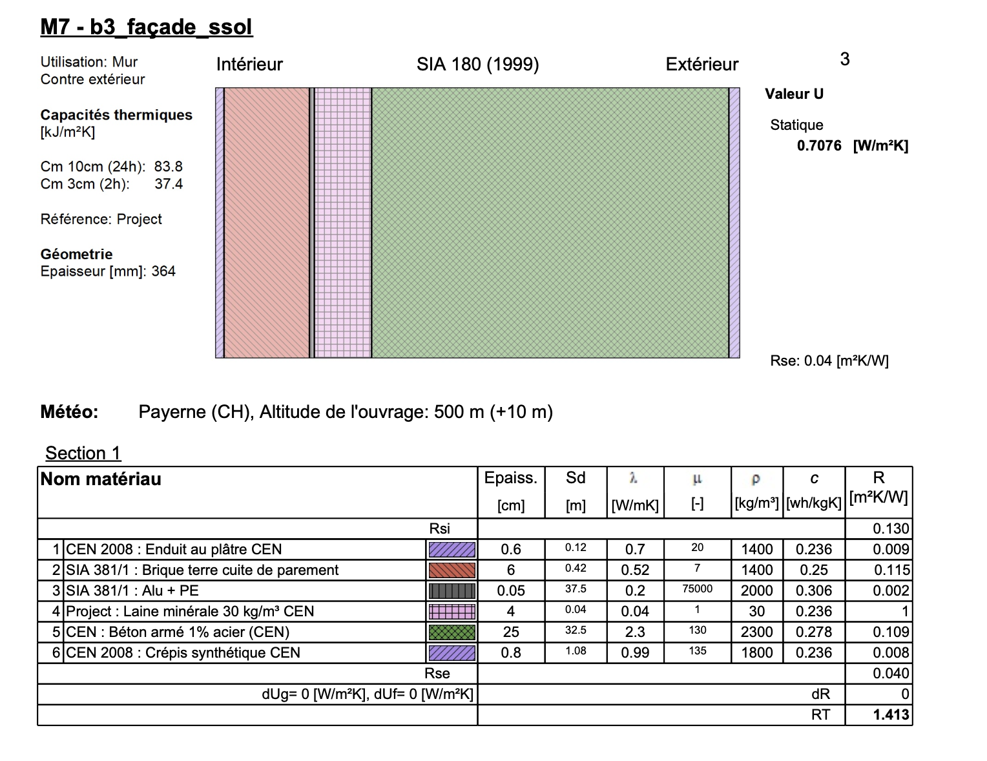
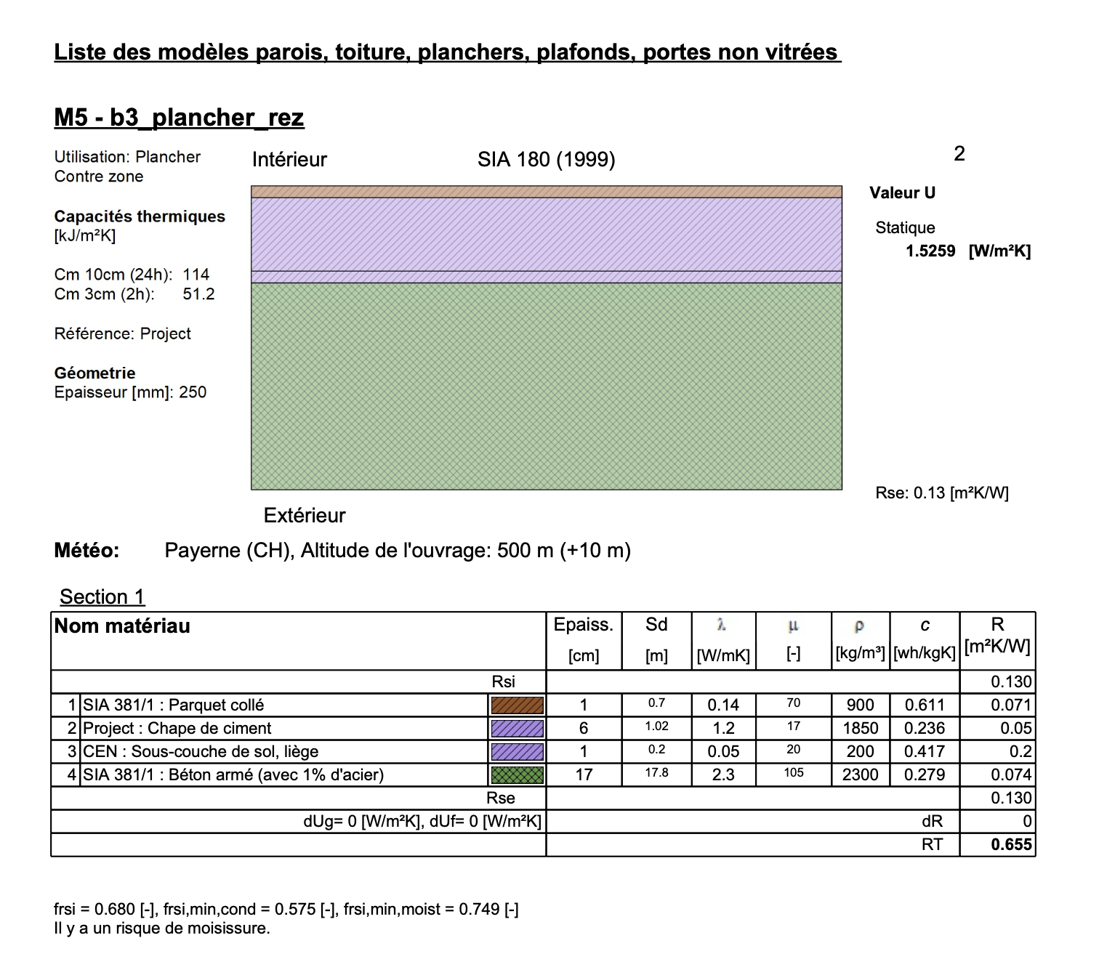
 |  |  | Material | ID_EPD | density | thickness | lamda_value | u-value | g-value | GWP_prod_kg | GWP_disp_kg | C_BIO_kg | CO2_Bio_kg | GWP_prod | GWP_disp | CO2_Bio_stored | GWP_Bio | RSL | Rotation_time | Cost | functional_unit | Literature | Note | Literature_Biogenic
 |  |  |  |  | Kg/m3 | m | W/mK | W/m2K |  | KgCO2eq/kg | KgCO2eq/kg | KgC/kg | KgCO/kg | KgCO2eq/fu | KgCO2eq/fu | KgCO2/fu | KgCO2eq/fu | years | years | CHF/ref | fu
 |  |  | Hochbaubeton | 01.002 | 2300 | 0.25 | 2.3 | 9.2 |  | 0.089 | 0.013 | 0 | 0 | 51.0025 | 7.245 | 0 |  |  |  |  |  |  | Hochbaubeton NPK C, CEMII/B CH mix
 |  |  | Armierungsstahl | 06.003 | 60 | 0.25 |  | 1E+100 |  | 0.773 | 0.0122 | 0 | 0 | 11.595 | 0.183 | 0 |  |  |  |  |  |  | 60Kg per m3 beton
 |  |  | Steinwolle 30 [Kg/m3] | 10.008 | 30 | 0.04 | 0.034 | 0.85 |  | 1.13 | 0.0592 | 0.0000 | 0 | 1.356 | 0.07104 | 0
 |  |  | Dampfbremse Polyethylen (PE) | 09.002 | 920 | 0.00014 |  | 1E+100 |  | 2.75 | 2.67 | 0 | 0 | 0.3542 | 0.343896 | 0
 |  |  | Backstein, Loadbearing, inside | 02.001 | 1400 | 0.06 | 0.52 | 8.6666666667 |  | 0.254 | 0.01270 | 0 | 0 | 21.336 | 1.0668 | 0 |  |  |  |  |  | eRen/ KBOB
exterior_wall_bg_core_eREN_6 | wall_bg | BJ 1970-1980 | Double layer maisonary/concrete with 4cm insulation |  |  |  |  | 0.71400477595 |  |  |  |  |  | 0 | 8.909736 | 0 |  | RSP |  |  | m2 | KBOB, eREN |  |  | True

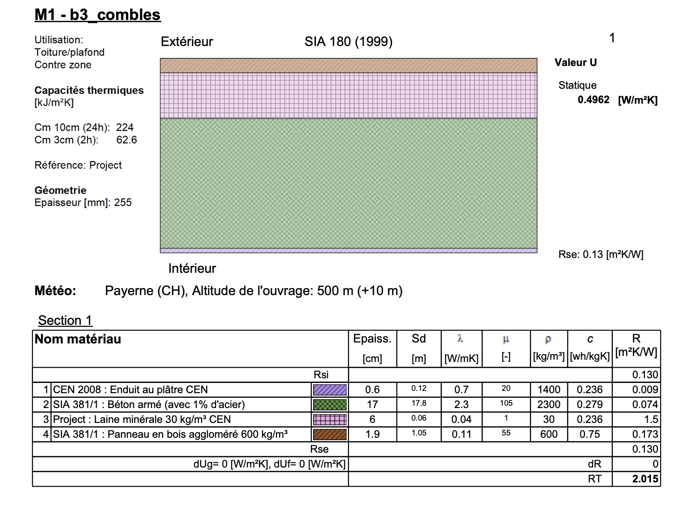
 |  |  | Material | ID_EPD | density | thickness | lamda_value | u-value | g-value | GWP_prod_kg | GWP_disp_kg | C_BIO_kg | CO2_Bio_kg | GWP_prod | GWP_disp | CO2_Bio_stored | GWP_Bio | RSL | Rotation_time | Cost | functional_unit | Literature | Note | Literature_Biogenic
 |  |  |  |  | Kg/m3 | m | W/mK | W/m2K |  | KgCO2eq/kg | KgCO2eq/kg | KgC/kg | KgCO/kg | KgCO2eq/fu | KgCO2eq/fu | KgCO2/fu | KgCO2eq/fu | years | years | CHF/ref | fu
 |  |  | Unterlagsboden Zement | 04.006 | 1850 | 0.06 | 1.2 | 20 |  | 0.107 | 0.01270 | 0 | 0 | 11.877 | 1.4097 | 0 |  |  |  |  |  | eRen/ KBOB | Hourdis Decke
 |  |  | Kork ϼ 120 [kg/m3] (Trittschalldämmung) | 10.002 | 120 | 0.01 | 0.04 | 4 |  | 1.07 | 0.039 | 0.496 | 1.81536 | 1.284 | 0.04644 | 2.178432
 |  |  | Hochbaubeton | 01.002 | 2300 | 0.17 | 2.3 | 13.529411765 |  | 0.089 | 0.013 | 0 | 0 | 34.6817 | 4.9266 | 0 |  |  |  |  |  |  | Hochbaubeton NPK C, CEMII/B CH mix
 |  |  | Armierungsstahl | 06.003 | 90 | 0.17 |  | 1E+100 |  | 0.773 | 0.0122 | 0 | 0 | 11.8269 | 0.18666 | 0 |  |  |  |  |  |  | 90Kg per m3 beton
ceiling_core_eREN_6 | ceiling_ag_bg | BJ 1970-1980 |  |  |  |  |  | 2.6744186047 |  |  |  |  |  | 0 | 6.5694 | 2.178432 |  | RSP | 10 |  | m2 | eRen/ KBOB |  |  | True

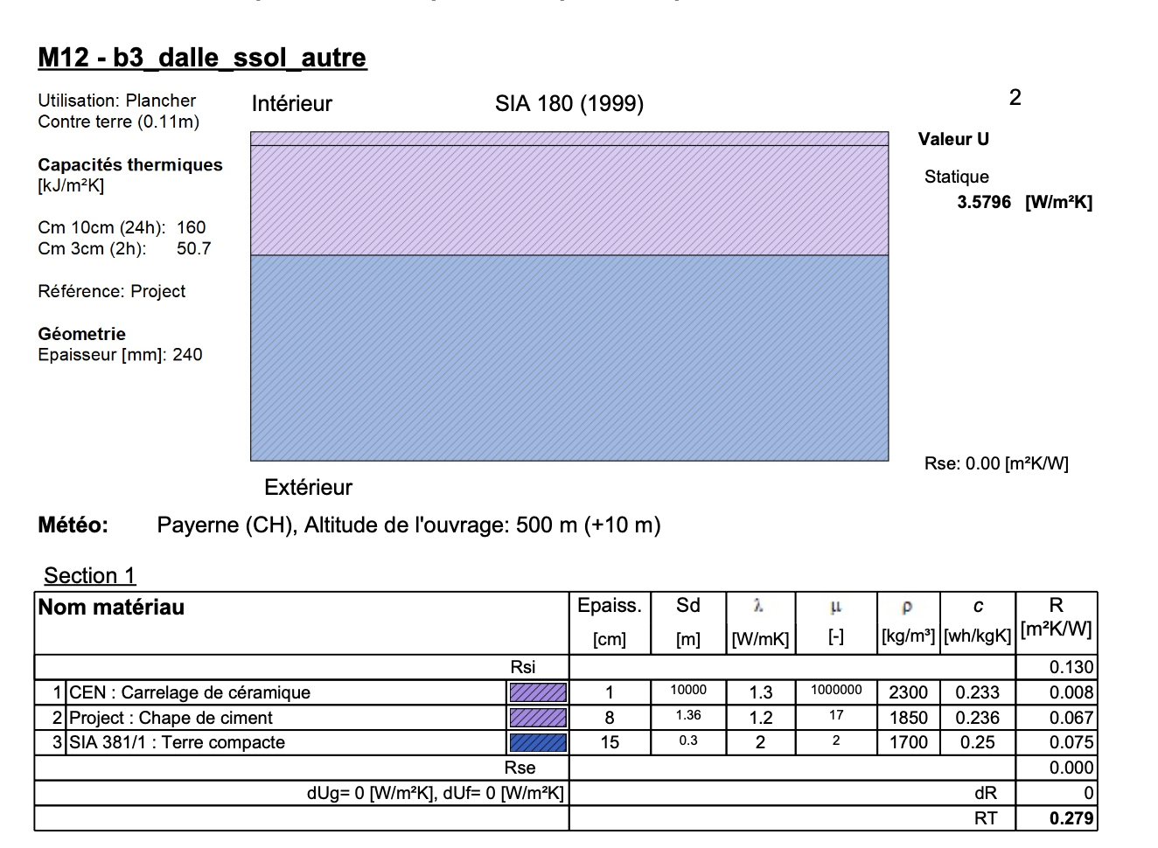
 |  |  | Material | ID_EPD | density | thickness | lamda_value | u-value | g-value | GWP_prod_kg | GWP_disp_kg | C_BIO_kg | CO2_Bio_kg | GWP_prod | GWP_disp | CO2_Bio_stored | GWP_Bio | RSL | Rotation_time | Cost | functional_unit | Literature | Note | Literature_Biogenic
 |  |  |  |  | Kg/m3 | m | W/mK | W/m2K |  | KgCO2eq/kg | KgCO2eq/kg | KgC/kg | KgCO/kg | KgCO2eq/fu | KgCO2eq/fu | KgCO2/fu | KgCO2eq/fu | years | years | CHF/ref | fu
 |  |  | Hochbaubeton | 01.002 | 2300 | 0.17 | 2.3 | 13.529411765 |  | 0.089 | 0.013 | 0 | 0 | 34.6817 | 4.9266 | 0 |  |  |  |  |  |  | Hochbaubeton NPK C, CEMII/B CH mix
 |  |  | Armierungsstahl | 06.003 | 90 | 0.17 |  | 1E+100 |  | 0.773 | 0.0122 | 0 | 0 | 11.8269 | 0.18666 | 0 |  |  |  |  |  |  | 90Kg per m3 beton
roof_ceiling_eREN_6 | cold_roof_core | BJ 1970-1980 |  |  |  |  |  | 13.529411765 |  |  |  |  |  | 0 | 5.11326 | 0 |  | RSP |  |  | m2 | eRen/ KBOB | ATTENTION, INSULATION OF EREN 4 MUST BE TAKEN (6CM GALSSWOOL) |  | True

 |  |  | Material | ID_EPD | density | thickness | lamda_value | u-value | g-value | GWP_prod_kg | GWP_disp_kg | C_BIO_kg | CO2_Bio_kg | GWP_prod | GWP_disp | CO2_Bio_stored | GWP_Bio | RSL | Rotation_time | Cost | functional_unit | Literature | Note | Literature_Biogenic
 |  |  |  |  | Kg/m3 | m | W/mK | W/m2K |  | KgCO2eq/kg | KgCO2eq/kg | KgC/kg | KgCO/kg | KgCO2eq/fu | KgCO2eq/fu | KgCO2/fu | KgCO2eq/fu | years | years | CHF/ref | fu
 |  |  | Unterlagsboden Zement | 04.006 | 1850 | 0.08 | 1.2 | 15 |  | 0.107 | 0.01270 | 0 | 0 | 15.836 | 1.8796 | 0 |  |  |  |  |  | eRen/ KBOB | Hourdis Decke
 |  |  | Stampflehm unterboden | 03.020 | 2000 | 0.15 | 0.8 | 5.3333333333 |  | 0.02 | 0.00115 | 0 | 0 | 5.49 | 0.345 | 0
slab_basement_eREN_6 | slab_basement | BJ 1970-1980 |  |  |  |  |  | 3.9344262295 |  |  |  |  |  | 0 | 2.2246 | 0 |  | RSP |  |  | m2 | eRen/ KBOB |  |  | True

 | Other old Material compositions
 |  |  | Material | ID_EPD | density | thickness | lamda_value | u-value | g-value | GWP_prod_kg | GWP_disp_kg | C_BIO_kg | CO2_Bio_kg | GWP_prod | GWP_disp | CO2_Bio_stored | GWP_Bio | RSL | Rotation_time | Cost | functional_unit | Literature | Note | Literature_Biogenic
 |  |  |  |  | Kg/m3 | m | W/mK | W/m2K |  | KgCO2eq/kg | KgCO2eq/kg | KgC/kg | KgCO/kg | KgCO2eq/fu | KgCO2eq/fu | KgCO2/fu | KgCO2eq/fu | years | years | CHF/ref | fu
 |  |  | Hohlbackstein | 02.001 | 1100 | 0.32 | 0.35 | 1.09375 |  | 0.254 | 0.01270 | 0 | 0 | 89.408 | 4.4704 | 0
 |  |  | Zementputz | 04.009 | 1800 | 0.015 | 0.8 | 53.333333333 |  | 0.248 | 0.013 | 0 | 0 | 6.696 | 0.3429 | 0
wall_ag_single_masonary_40_50 | wall_ag | BJ 1940-1950 | Hohlbackstein massivmauerwerk |  |  |  |  | 1.0717703349 |  |  |  |  |  | 0 | 4.8133 | 0 |  | RSP |  |  | m2 | KBOB, eREN, E. Klöti 1944, Sozialer Siedlungs und Wohnungsbau |  |  | True

 |  |  | Material | ID_EPD | density | thickness | lamda_value | u-value | g-value | GWP_prod_kg | GWP_disp_kg | C_BIO_kg | CO2_Bio_kg | GWP_prod | GWP_disp | CO2_Bio_stored | GWP_Bio | RSL | Rotation_time | Cost | functional_unit | Literature | Note | Literature_Biogenic
 |  |  |  |  | Kg/m3 | m | W/mK | W/m2K |  | KgCO2eq/kg | KgCO2eq/kg | KgC/kg | KgCO/kg | KgCO2eq/fu | KgCO2eq/fu | KgCO2/fu | KgCO2eq/fu | years | years | CHF/ref | fu
 |  |  | Hochbaubeton | 01.002 | 2300 | 0.32 | 2.3 | 7.1875 |  | 0.089 | 0.013 | 0 | 0 | 65.2832 | 9.2736 | 0 |  |  |  |  |  |  | Hochbaubeton NPK C, CEMII/B CH mix
 |  |  | Armierungsstahl | 06.003 | 60 | 0.32 |  | 1E+100 |  | 0.773 | 0.0122 | 0 | 0 | 14.8416 | 0.23424 | 0 |  |  |  |  |  |  | 60Kg per m3 beton
wall_bg_concrete_40_60 | wall_ag | BJ 1940-1960 | Hohlbackstein massivmauerwerk |  |  |  |  | 7.1875 |  |  |  |  |  | 0 | 9.50784 | 0 |  | RSP |  |  | m2 | KBOB, eREN, E. Klöti 1944, Sozialer Siedlungs und Wohnungsbau | Stripe Foundation concrete |  | True

 |  |  | Material | ID_EPD | density | thickness | lamda_value | u-value | g-value | GWP_prod_kg | GWP_disp_kg | C_BIO_kg | CO2_Bio_kg | GWP_prod | GWP_disp | CO2_Bio_stored | GWP_Bio | RSL | Rotation_time | Cost | functional_unit | Literature | Note | Literature_Biogenic
 |  |  |  |  | Kg/m3 | m | W/mK | W/m2K |  | KgCO2eq/kg | KgCO2eq/kg | KgC/kg | KgCO/kg | KgCO2eq/fu | KgCO2eq/fu | KgCO2/fu | KgCO2eq/fu | years | years | CHF/ref | fu
 |  |  | Diagonal Boarding: Massivholz Bretter Fichte / Tanne / Lärche, kammergetr., gehobelt | 07.011 | 465 | 0.02 | 0.15 | 7.5 |  | 0.134 | 0.0390 | 0 | 1.65066 | 1.2462 | 0.3627 | 15.351138
 |  |  | Balken Massiv 120x200mm, spacing 650mm, Massivholz Fichte / Tanne / Lärche, kammergetr., gehobelt | 07.011 | 465 | 0.0369 |  | 1E+100 |  | 0.134 | 0.0390 | 0 | 1.65066 | 2.299239 | 0.6691815 | 28.32284961
 |  |  | Stroh (Schüttung zwischen Balken) | 10.015 | 100 | 0.06 | 0.05 | 0.83333333333 |  | 0.096 | 0.0000 | 0 | 1.34688 | 0.5736 | 0 | 8.08128
 |  |  | Lattung 30x60, spacing 650mm, Massivholz Fichte / Tanne / Lärche, kammergetr., gehobelt | 07.011 | 465 | 0.0027692307692 | 0.172 | 1E+100 |  | 0.134 | 0.0390 | 0 | 1.65066 | 0.17255076923 | 0.05022 | 2.1255421846
 |  |  | Schilfgewebe(assumptino self emissions like straw!) | 10.015 | 100 | 0.005 | 0.5 | 1E+100 |  | 0.10 | 0.0000 | 0.3680 | 1.34688 | 0.0478 | 0 | 0.67344
 |  |  | Gips-/Weissputz | 04.001 | 1100 | 0.015 | 0.7 | 46.666666667 |  | 0.14 | 0.01270 | 0 | 0 | 2.277 | 0.20955 | 0
ceiling_to_attic_woodbeams_old | cold_roof_core |  |  |  |  |  |  | 0.75 |  |  |  |  |  | 0 | 1.0821015 | 54.554249795 |  | RSP | 80 |  | m2 | KBOB, eREN, E. Klöti 1944, Sozialer Siedlungs und Wohnungsbau | Rotation time of wood (and not straw) is choosen, since wood dominant | Jürgen Zell et. al. 2020, SwissStandSim: ein klimasensitives, einzelbaum- basiertes Waldwachstumsmodell, minimla amounts of straw are conted like wood (= conservative) | True

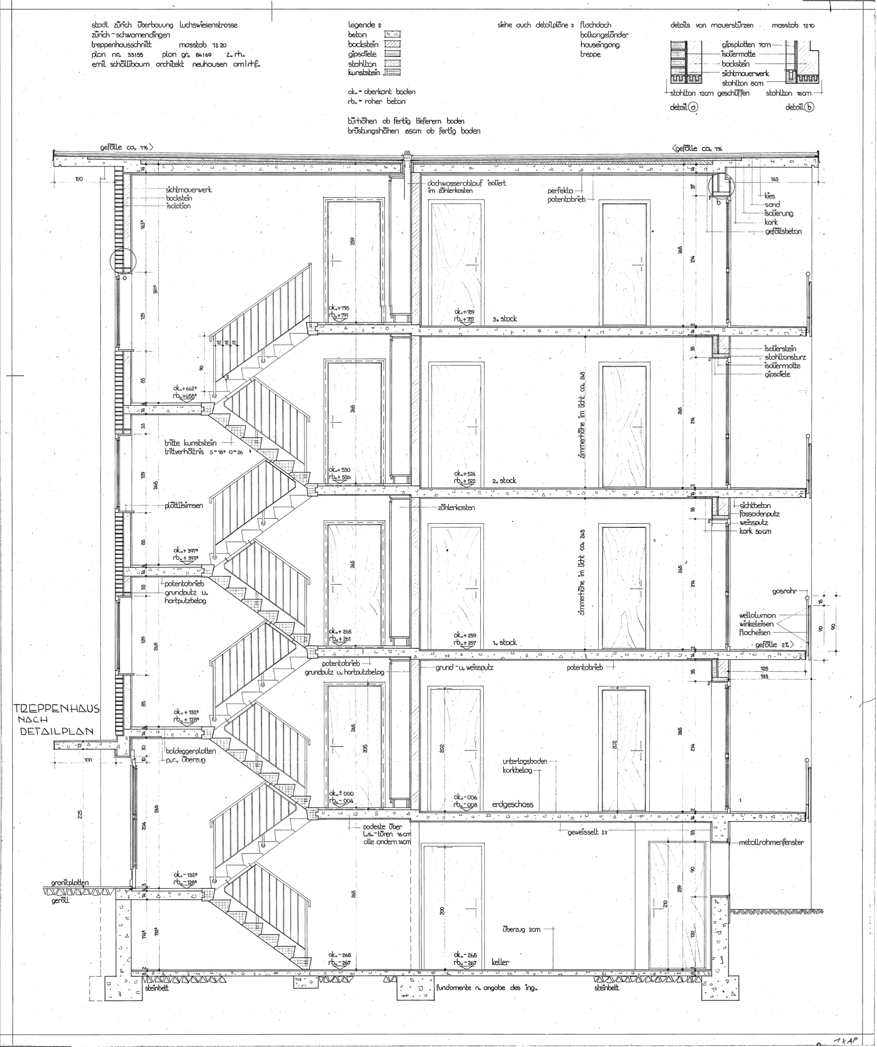
 |  |  | Material | ID_EPD | density | thickness | lamda_value | u-value | g-value | GWP_prod_kg | GWP_disp_kg | C_BIO_kg | CO2_Bio_kg | GWP_prod | GWP_disp | CO2_Bio_stored | GWP_Bio | RSL | Rotation_time | Cost | functional_unit | Literature | Note | Literature_Biogenic
 |  |  |  |  | Kg/m3 | m | W/mK | W/m2K |  | KgCO2eq/kg | KgCO2eq/kg | KgC/kg | KgCO/kg | KgCO2eq/fu | KgCO2eq/fu | KgCO2/fu | KgCO2eq/fu | years | years | CHF/ref | fu
 |  |  | Kies gebrochen | 03.011 | 2000 | 0.04 | 2 | 50 |  | 0.00500 | 0.01260 | 0 | 0 | 0.4 | 1.008 | 0
 |  |  | Rundkies (Sickerbett) | 03.012 | 2,000 | 0.04 | 2 | 50 |  | 0.00305 | 0.01260 | 0 | 0 | 0.244 | 1.008 | 0
 |  |  | Polyethylenvlies (PE) 2x 0.003 | 09.008 | 920 | 0.006 |  | 1E+100 |  | 2.96 | 2.67 | 0 | 0 | 16.3392 | 14.7384 | 0
 |  |  | Dichtungsbahn Polyolefin (FPO) | 09.005 | 1000 | 0.0032 |  | 1E+100 |  | 2.52 | 2.67 | 0 | 0 | 8.064 | 8.544 | 0
flat_roof_exterior_surface_old | flat_roof_ext_surface |  |  |  |  |  |  | 25 |  |  |  |  |  | 25.0472 | 25.2984 | 0 |  | 30 | 80 |  | m2 | KBOB, https://www.bauteilkatalog.ch/kataloge/bauteil.aspx/ubt-52/ | This assembly is used for all beam roof constructions (wood/steel) and load bearing insulation on slab roof constructions |  | True

 |  |  | Material | ID_EPD | density | thickness | lamda_value | u-value | g-value | GWP_prod_kg | GWP_disp_kg | C_BIO_kg | CO2_Bio_kg | GWP_prod | GWP_disp | CO2_Bio_stored | GWP_Bio | RSL | Rotation_time | Cost | functional_unit | Literature | Note | Literature_Biogenic
 |  |  |  |  | Kg/m3 | m | W/mK | W/m2K |  | KgCO2eq/kg | KgCO2eq/kg | KgC/kg | KgCO/kg | KgCO2eq/fu | KgCO2eq/fu | KgCO2/fu | KgCO2eq/fu | years | years | CHF/ref | fu
 |  |  | Kork ϼ 120 [kg/m3] 2cm | 10.002 | 120 | 0.02 | 0.04 | 2 |  | 1.07 | 0.039 | 0.496 | 1.81536 | 2.568 | 0.09288 | 4.356864
generic_minimal_insulation | insulation |  | typically used in flat roof constructions |  |  |  |  | 2 |  |  |  |  |  | 2.568 | 0.09288 | 4.356864 |  | 30 | 10 |  | m2 | KBOB, Siedlung Luchswiesenstrasse |  | Jürgen Zell et. al. 2020, SwissStandSim: ein klimasensitives, einzelbaum- basiertes Waldwachstumsmodell | True

 | Old thermal Renovations -> 10 cm rockwool

 |  |  | Material | ID_EPD | density | thickness | lamda_value | u-value | g-value | GWP_prod_kg | GWP_disp_kg | C_BIO_kg | CO2_Bio_kg | GWP_prod | GWP_disp | CO2_Bio_stored | GWP_Bio | RSL | Rotation_time | Cost | functional_unit | Literature | Note | Literature_Biogenic
 |  |  |  |  | Kg/m3 | m | W/mK | W/m2K |  | KgCO2eq/kg | KgCO2eq/kg | KgC/kg | KgCO/kg | KgCO2eq/fu | KgCO2eq/fu | KgCO2/fu | KgCO2eq/fu | years | years | CHF/ref | fu
 |  |  | Steinwolle 50 [Kg/m3] | 10.008 | 50 | 0.1 | 0.034 | 0.34 |  | 1.13 | 0.0592 | 0.0000 | 0 | 5.65 | 0.296 | 0
 |  |  | 1x Holzlatte 40/60mm (Latte, 1 linear meter per m2) | 07.009 | 485 | 0.0024 | 0.13 |  |  | 0.0904 | 0.03900 | 0 | 1.51158 | 0.1052256 | 0.045396 | 1.75947912 |  |  |  |  |  |  | Massivholz Fichte / Tanne / Lärche, luftgetrocknet, rau, assumtion no contributino to u value
insulation_rockwool_10_old | insulation |  |  |  |  |  |  | 0.34 |  |  |  |  |  | 5.7552256 | 0.341396 | 1.75947912 |  | 30 | 80 |  | m2 | KBOB, Siedlung Luchswiesenstrasse, https://www.bauteilkatalog.ch/kataloge/bauteil.aspx/ubt-52/, https://www.flumroc.ch/produkte/bauprodukte/detail/flumroc-daemmplatte-duo | Spacer elements (Aluminium/Plastic) to fix crossbar on the wall are not taken into account! | Jürgen Zell et. al. 2020, SwissStandSim: ein klimasensitives, einzelbaum- basiertes Waldwachstumsmodell | True
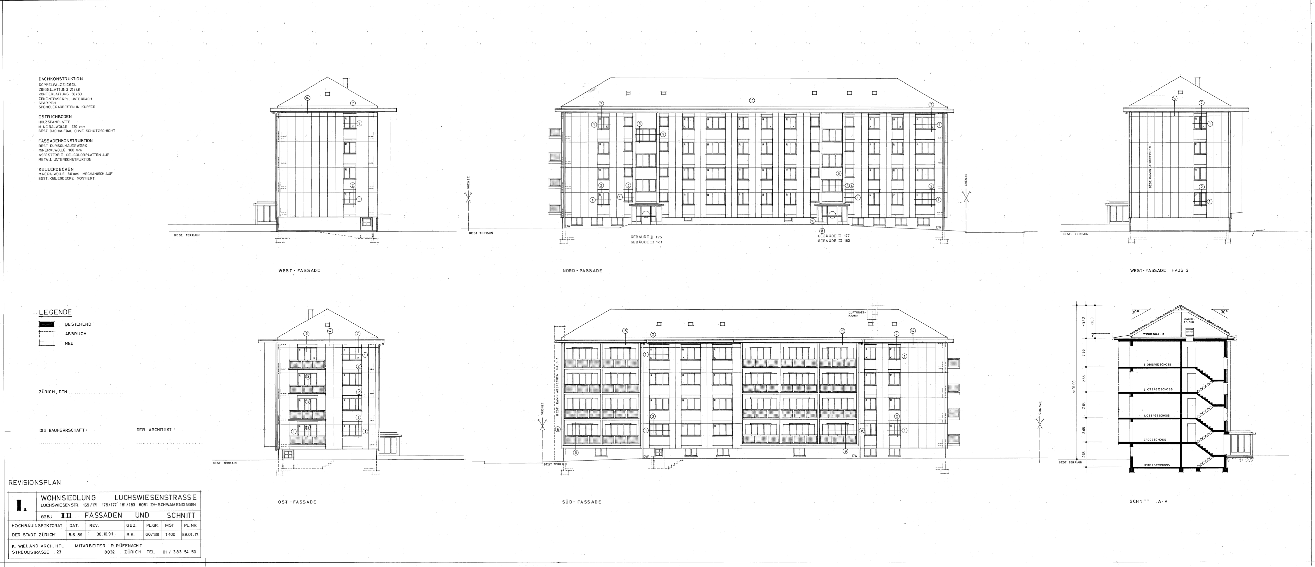
 |  |  | Material | ID_EPD | density | thickness | lamda_value | u-value | g-value | GWP_prod_kg | GWP_disp_kg | C_BIO_kg | CO2_Bio_kg | GWP_prod | GWP_disp | CO2_Bio_stored | GWP_Bio | RSL | Rotation_time | Cost | functional_unit | Literature | Note | Literature_Biogenic
 |  |  |  |  | Kg/m3 | m | W/mK | W/m2K |  | KgCO2eq/kg | KgCO2eq/kg | KgC/kg | KgCO/kg | KgCO2eq/fu | KgCO2eq/fu | KgCO2/fu | KgCO2eq/fu | years | years | CHF/ref | fu
 |  |  | Faserzement-Wellplatte | 03.004 | 1800 | 0.0088888888889 | 0.8 |  |  | 0.636 | 0.0132 | 0 | 0 | 10.176 | 0.2112 | 0 |  |  |  |  |  |  | Eternit Profil 5, 16 Kg/m2
 |  |  | Holzlatte 40/60mm (for ventilated facade, 1.5 linear meter per m2) | 07.009 | 485 | 0.0036 | 0.13 |  |  | 0.0904 | 0.03900 | 0 | 1.51158 | 0.1578384 | 0.068094 | 2.63921868 |  |  |  |  |  |  | Massivholz Fichte / Tanne / Lärche, luftgetrocknet, rau
 |  |  | Kraftpapier (wind blockage) | 09.006 | 650 | 0.0005 | 0.7 |  |  | 1.61 | 0.0580 | 0 | 1.47864 | 0.52325 | 0.01885 | 0.480558 |  |  |  |  |  |  | Assumption same rotation time, since wood
facade_rockwool_cementfiber_panel_old | facade_ventilated |  |  |  |  |  |  |  |  |  |  |  |  | 10.8570884 | 0.298144 | 3.11977668 |  | 30 | 80 |  | m2 | KBOB, Siedlng Luchsweisenstrasse https://www.bauteilkatalog.ch/kataloge/bauteil.aspx/ubt-52/ | no contribution to the u value, since ventilated | Jürgen Zell et. al. 2020, SwissStandSim: ein klimasensitives, einzelbaum- basiertes Waldwachstumsmodell | True

 |  |  | Material | ID_EPD | density | thickness | lamda_value | u-value | g-value | GWP_prod_kg | GWP_disp_kg | C_BIO_kg | CO2_Bio_kg | GWP_prod | GWP_disp | CO2_Bio_stored | GWP_Bio | RSL | Rotation_time | Cost | functional_unit | Literature | Note | Literature_Biogenic
 |  |  |  |  | Kg/m3 | m | W/mK | W/m2K |  | KgCO2eq/kg | KgCO2eq/kg | KgC/kg | KgCO/kg | KgCO2eq/fu | KgCO2eq/fu | KgCO2/fu | KgCO2eq/fu | years | years | CHF/ref | fu
 |  |  | Holzbretter (Tanne) | 07.009 | 500 | 0.016 | 0.12 | 7.5 |  | 0.0904 | 0.03900 | 0 | 1.51158 | 0.7232 | 0.312 | 12.09264 |  |  |  | 0 |  | eRen/ KBOB
roof_ext_finishing_to_attic_cold | facade_ventilated |  |  |  |  |  |  | 7.5 |  |  |  |  |  | 0.7232 | 0.312 | 12.09264 |  | 30 | 80 |  | m2 | KBOB, eREN |  | Jürgen Zell et. al. 2020, SwissStandSim: ein klimasensitives, einzelbaum- basiertes Waldwachstumsmodell | True

 |  |  | Material | ID_EPD | density | thickness | lamda_value | u-value | g-value | GWP_prod_kg | GWP_disp_kg | C_BIO_kg | CO2_Bio_kg | GWP_prod | GWP_disp | CO2_Bio_stored | GWP_Bio | RSL | Rotation_time | Cost | functional_unit | Literature | Note | Literature_Biogenic
 |  |  |  |  | Kg/m3 | m | W/mK | W/m2K |  | KgCO2eq/kg | KgCO2eq/kg | KgC/kg | KgCO/kg | KgCO2eq/fu | KgCO2eq/fu | KgCO2/fu | KgCO2eq/fu | years | years | CHF/ref | fu
 |  |  | Gipsfaserplatte | 03.007 | 1,200 | 0.0125 | 0.32 | 25.6 |  | 0.533 | 0.0186 | 0 | 0.164334 | 7.995 | 0.279 | 2.46501 |  |  |  |  |  |  | Fermacell is a producer
 |  |  | Holzlatte 40/60mm (to mount gypsium plates, 1.5 linear meter per m2) | 07.009 | 485 | 0.0036 | 0.13 | 36.111111111 |  | 0.0904 | 0.03900 | 0 | 1.51158 | 0.1578384 | 0.068094 | 2.63921868 |  |  |  |  |  |  | Massivholz Fichte / Tanne / Lärche, luftgetrocknet, rau
 |  |  | Kraftpapier | 09.006 | 650 | 0.0005 | 0.7 | 1400 |  | 1.61 | 0.0580 | 0 | 1.47864 | 0.52325 | 0.01885 | 0.480558 |  |  |  |  |  |  | Assumption same rotation time, since wood
ceiling_to_basement_rockwool_old | facade_ventilated |  |  |  |  |  |  | 14.821601262 |  |  |  |  |  | 8.6760884 | 0.365944 | 5.58478668 |  | 30 | 80 |  | m2 | KBOB, https://www.bauteilkatalog.ch/kataloge/bauteil.aspx/ubt-52/ |  |  | True

Denstiy, thickness and lamda values are according to the report of e-Ren or other plans/sections
Threrfore the most similar material of KBOB (ID_EPD) was choosen.

