Explanation_and_custom_mat
Explanation: General Information
Except form the Windows all construction configurations containt 4 layer: interior_finishing, core, insulation, exterior_finishing
This configurations are composed form this database, which contains all "new" material assemblies. The original building construction materials are not specified in this database.
The U-Value does not contain h_e and h_i; this is calculated auomatically in the model, since it is a composition of serveral layers
If the total u value field is emty, this layer does not contribute to the u-value (e.g. ventilated facade / roof). In the programm automatically inf. will be assigned
All LCAI values (GWP100) are, if not further specified, sourced in KBOB 2022.
In this sheed custom materials (Not from KBOB are specified.)
Detailed Documentation, how the layers are composed then in the program:
"wall_type_ag": ['int_finishing','wall_ag_core,'insulation','ext_finishing'],
"roof_type": ['int_finishing','roof_flat_core','insulation','ext_finishing'],
"ceiling_to_basement_type": ['flooring','ceiling_core','insulation','ext_finishing_(to_basement)'],
"ceiling_type": ['int_finishing','ceiling_core','empty_layer','flooring'],
"wall_type_bg": ['empty_layer','wall_bg_core','empty_layer','empty_layer'],
"slab_basement_type": ['empty_layer','slab_to_basement_core','empty_layer','empty_layer'],
"partitions_type": ['int_finishing','wall_partitions_core', 'empty_layer','int_finishing']
"tilted_roof_type": ['empty_layer','construction_tilted_roof','empty_layer','ext_finishing'], Alternatily if there is no tilted roof it can be set to None
Important comments:
bold entries does not have to be filled, they are assigned automatically via rules in the envelop_assignment.xslx
actually the basement is cold, therefore no interior finishings are assigned.
important order: always form interior to exterior! For ceilings (except ceiling_to_basement): from the bottom to the top
- The assigned RSL is overwirtten in the Robust Assessment of Interventions under Uncertainty, since Data form the DUREE database used
- If RSL = RSP, the building's refrence service life value given in the program is used.

CUSTOM MATERIALS
Material | EPD SOURCE | density | thickness | lamda_value | u_value | g_value | GWP_prod_kg | GWP_disp_kg | C_BIO_kg | CO2_Bio_kg | GWP_prod | GWP_disp | CO2_bio_stored | GWP_Bio | RSL | Rotation_time_bio | Cost | functional_unit | Literature | Note | Literature_Biogenic
 |  | Kg/m3 | m | W/mK | W/m2K |  | KgCO2eq/kg | KgCO2eq/kg | KgC/kg | KgCO/kg | KgCO2eq/fu | KgCO2eq/fu | KgCO2/fu | KgCO2eq/fu | years | years | CHF/ref | fu
Armierungsgitter Glasfaser Marmoran Plus KA60: 200g/m2 -> 0.000444mm "flat thickness
https://www.ch.weber/files/ch/2022-06/Armierungsgitter_Standard_PLUS_KA60_DE.pdf
https://ecoquery.ecoinvent.org/3.10/cutoff/dataset/8360/impact_assessment
Assumtion disposal: 10% of production,
Material | EPD SOURCE | density | thickness | lamda_value | u-value | g-value | GWP_prod_kg | GWP_disp_kg | C_BIO_kg | CO2_Bio_kg | GWP_prod | GWP_disp | CO2_Bio_stored | GWP_Bio | RSL | Rotation_time | Cost | functional_unit | Literature | Note | Literature_Biogenic
 |  | Kg/m3 | m | W/mK | W/m2K |  | KgCO2eq/kg | KgCO2eq/kg | KgC/kg | KgCO/kg | KgCO2eq/fu | KgCO2eq/fu | KgCO2/fu | KgCO2eq/fu | years | years | CHF/ref | fu
Armierungsgittergewebe Glasfaser | Ecoinvent_8360 | 450 | 0.00044444444444 |  | 1E+100 |  | 2.14 | 0.0191 | 0 | 0 | 0.428 | 0.00382 | 0 |  |  |  |  |  | https://ecoquery.ecoinvent.org/3.10/cutoff/dataset/8360/impact_assessment, https://www.ch.weber/files/ch/2022-06/Armierungsgitter_Standard_PLUS_KA60_DE.pdf | Disposal emissions like for Flachglas unbeschichtet (KBOB ID 03.005)
Kunststoffputz (Dispersionsputz) | KBOBO: 04.003 | 1,540 | 0.0025555555556 | 0.7 | 273.91304348 |  | 0.957 | 0.01270 | 0 | 0 | 3.7663266667 | 0.049981555556 | 0
Eingebettetes Armierungsgittergewebe Dispersionsputz d 3mm [m2] | CUSTOM_1 |  |  |  | 273.91304348 |  |  |  |  |  | 4.1943266667 | 0.053801555556 | 0 |  | 30 |  |  | m2
Armierungsgitter Glasfaser Marmoran Plus KA60: 200g/m2 -> 0.000444mm "flat thickness
https://www.ch.weber/files/ch/2022-06/Armierungsgitter_Standard_PLUS_KA60_DE.pdf
https://ecoquery.ecoinvent.org/3.10/cutoff/dataset/8360/impact_assessment
Assumtion disposal: 10% of production,
Material | EPD SOURCE | density | thickness | lamda_value | u-value | g-value | GWP_prod_kg | GWP_disp_kg | C_BIO_kg | CO2_Bio_kg | GWP_prod | GWP_disp | CO2_Bio_stored | GWP_Bio | RSL | Rotation_time | Cost | functional_unit | Literature | Note | Literature_Biogenic
 |  | Kg/m3 | m | W/mK | W/m2K |  | KgCO2eq/kg | KgCO2eq/kg | KgC/kg | KgCO/kg | KgCO2eq/fu | KgCO2eq/fu | KgCO2/fu | KgCO2eq/fu | years | years | CHF/ref | fu
Armierungsgittergewebe Glasfaser | Ecoinvent_8360 | 450 | 0.00044444444444 |  | 1E+100 |  | 2.14 | 0.0191 | 0 | 0 | 0.428 | 0.00382 | 0 |  |  |  |  |  | https://ecoquery.ecoinvent.org/3.10/cutoff/dataset/8360/impact_assessment, https://www.ch.weber/files/ch/2022-06/Armierungsgitter_Standard_PLUS_KA60_DE.pdf | Disposal emissions like for Flachglas unbeschichtet (KBOB ID 03.005)
Gips-/Weissputz | 04.001 | 1100 | 0.0025555555556 | 0.7 | 273.91304348 |  | 0.14 | 0.01270 | 0 | 0 | 0.39355555556 | 0.035701111111 | 0
Eingebettetes Armierungsgittergewebe Weissputz d 3mm [m2] | CUSTOM_2 |  |  |  | 273.91304348 |  |  |  |  |  | 0.82155555556 | 0.039521111111 | 0 |  | 30 |  |  | m2

xps
ID_Construction | Category | group | Material | ID_EPD | density | thickness | lamda_value | u_value | g_value | GWP_prod_kg | GWP_disp_kg | C_BIO_kg | CO2_Bio_kg | GWP_prod | GWP_disp | CO2_bio_stored | GWP_Bio | RSL | Rotation_time_bio | Cost | functional_unit | Literature | Note | Literature_Biogenic
 |  |  |  |  | Kg/m3 | m | W/mK | W/m2K |  | KgCO2eq/kg | KgCO2eq/kg | KgC/kg | KgCO/kg | KgCO2eq/fu | KgCO2eq/fu | KgCO2/fu | KgCO2eq/fu | years | years | CHF/ref | fu

 |  |  | Material | ID_EPD | density | thickness | lamda_value | u-value | g-value | GWP_prod_kg | GWP_disp_kg | C_BIO_kg | CO2_Bio_kg | GWP_prod | GWP_disp | CO2_Bio_stored | GWP_Bio | RSL | Rotation_time | Cost | functional_unit | Literature | Note | Literature_Biogenic
 |  |  |  |  | Kg/m3 | m | W/mK | W/m2K |  | KgCO2eq/kg | KgCO2eq/kg | KgC/kg | KgCO/kg | KgCO2eq/fu | KgCO2eq/fu | KgCO2/fu | KgCO2eq/fu | years | years | CHF/ref | fu
 |  |  | Eingebettetes Armierungsgittergewebe Dispersionsputz d 3mm [m2] | CUSTOM_1 |  | 0.003 |  | 273.91304348 |  |  |  |  | 0 | 4.1943266667 | 0.053801555556 | 0 |  |  |  |  | m2 |  | per m2
 |  |  | Kunststoffputz (Dispersionsputz) | 4.003 | 1,540 | 0.002 | 0.7 | 350 |  | 0.957 | 0.01270 | 0 | 0 | 2.94756 | 0.039116 | 0
facade_xps | facade_plasterd |  |  |  |  |  |  | 153.65853659 |  |  |  |  |  | 7.1418866667 | 0.092917555556 | 0 |  | 30 |  |  | m2 | KBOB, https://www.bauteilkatalog.ch/kataloge/bauteil.aspx/ubt-77/

 |  |  | Material | ID_EPD | density | thickness | lamda_value | u-value | g-value | GWP_prod_kg | GWP_disp_kg | C_BIO_kg | CO2_Bio_kg | GWP_prod | GWP_disp | CO2_Bio_stored | GWP_Bio | RSL | Rotation_time | Cost | functional_unit | Literature | Note | Literature_Biogenic
 |  |  |  |  | Kg/m3 | m | W/mK | W/m2K |  | KgCO2eq/kg | KgCO2eq/kg | KgC/kg | KgCO/kg | KgCO2eq/fu | KgCO2eq/fu | KgCO2/fu | KgCO2eq/fu | years | years | CHF/ref | fu
 |  |  | Eingebettetes Armierungsgittergewebe Weissputz d 3mm [m2] | CUSTOM_2 |  | 0.003 |  | 273.91304348 |  |  |  |  |  | 0.82155555556 | 0.039521111111 | 0 |  |  |  |  | m2 |  | per m2
 |  |  | Gips-/Weissputz | 04.001 | 1100 | 0.009 | 0.7 | 77.777777778 |  | 0.14 | 0.01270 | 0 | 0 | 1.3662 | 0.12573 | 0
ceiling_to_basement_xps | facade_plasterd |  |  |  |  | 0.012 |  | 60.576923077 |  |  |  |  |  | 2.1877555556 | 0.16525111111 | 0 |  | 30 |  |  | m2 | KBOB, https://www.bauteilkatalog.ch/kataloge/bauteil.aspx/ubt-77/

 |  |  | Material | ID_EPD | density | thickness | lamda_value | u-value | g-value | GWP_prod_kg | GWP_disp_kg | C_BIO_kg | CO2_Bio_kg | GWP_prod | GWP_disp | CO2_Bio_stored | GWP_Bio | RSL | Rotation_time | Cost | functional_unit | Literature | Note | Literature_Biogenic
 |  |  |  |  | Kg/m3 | m | W/mK | W/m2K |  | KgCO2eq/kg | KgCO2eq/kg | KgC/kg | KgCO/kg | KgCO2eq/fu | KgCO2eq/fu | KgCO2/fu | KgCO2eq/fu | years | years | CHF/ref | fu
 |  |  | Baukleber/Einbettmörtel organisch | 04.002 | 1670 | 0.003 | 0.8 | 266.66666667 |  | 0.76 | 0.01270 | 0 | 0 | 3.82764 | 0.063627 | 0 |  |  |  |  |  | KBOB,https://www.bauteilkatalog.ch/kataloge/bauteil.aspx/ubt-77/
 |  |  | XPS 30 [Kg/m3] | 10.005 | 30 | 0.08 | 0.036 | 0.45 |  | 11.3 | 3.09 | 0.00 | 0 | 27.12 | 7.416 | 0 |  |  |  |  |  | KBOB, https://www.bauteilkatalog.ch/kataloge/bauteil.aspx/ubt-77/
insulation_xps_8 | insulation |  |  |  |  |  |  | 0.44924190429 |  |  |  |  |  | 30.94764 | 7.479627 | 0 |  | 30 |  |  | m2 | KBOB, https://www.bauteilkatalog.ch/kataloge/bauteil.aspx/ubt-77/

 |  |  | Material | ID_EPD | density | thickness | lamda_value | u-value | g-value | GWP_prod_kg | GWP_disp_kg | C_BIO_kg | CO2_Bio_kg | GWP_prod | GWP_disp | CO2_Bio_stored | GWP_Bio | RSL | Rotation_time | Cost | functional_unit | Literature | Note | Literature_Biogenic
 |  |  |  |  | Kg/m3 | m | W/mK | W/m2K |  | KgCO2eq/kg | KgCO2eq/kg | KgC/kg | KgCO/kg | KgCO2eq/fu | KgCO2eq/fu | KgCO2/fu | KgCO2eq/fu | years | years | CHF/ref | fu
 |  |  | Baukleber/Einbettmörtel organisch | 04.002 | 1670 | 0.003 | 0.8 | 266.66666667 |  | 0.76 | 0.01270 | 0 | 0 | 3.82764 | 0.063627 | 0 |  |  |  |  |  | KBOB,https://www.bauteilkatalog.ch/kataloge/bauteil.aspx/ubt-77/
 |  |  | XPS 30 [Kg/m3] | 10.005 | 30 | 0.16 | 0.036 | 0.225 |  | 11.3 | 3.09 | 0.00 | 0 | 54.24 | 14.832 | 0 |  |  |  |  |  | KBOB, https://www.bauteilkatalog.ch/kataloge/bauteil.aspx/ubt-77/
insulation_xps_16 | insulation |  |  |  |  |  |  | 0.2248103163 |  |  |  |  |  | 58.06764 | 14.895627 | 0 |  | 30 |  |  | m2 | KBOB, https://www.bauteilkatalog.ch/kataloge/bauteil.aspx/ubt-77/

 |  |  | Material | ID_EPD | density | thickness | lamda_value | u-value | g-value | GWP_prod_kg | GWP_disp_kg | C_BIO_kg | CO2_Bio_kg | GWP_prod | GWP_disp | CO2_Bio_stored | GWP_Bio | RSL | Rotation_time | Cost | functional_unit | Literature | Note | Literature_Biogenic
 |  |  |  |  | Kg/m3 | m | W/mK | W/m2K |  | KgCO2eq/kg | KgCO2eq/kg | KgC/kg | KgCO/kg | KgCO2eq/fu | KgCO2eq/fu | KgCO2/fu | KgCO2eq/fu | years | years | CHF/ref | fu
 |  |  | Baukleber/Einbettmörtel organisch | 04.002 | 1670 | 0.003 | 0.8 | 266.66666667 |  | 0.76 | 0.01270 | 0 | 0 | 3.82764 | 0.063627 | 0 |  |  |  |  |  | KBOB,https://www.bauteilkatalog.ch/kataloge/bauteil.aspx/ubt-77/
 |  |  | XPS 30 [Kg/m3] | 10.005 | 30 | 0.24 | 0.036 | 0.15 |  | 11.3 | 3.09 | 0.00 | 0 | 81.36 | 22.248 | 0 |  |  |  |  |  | KBOB, https://www.bauteilkatalog.ch/kataloge/bauteil.aspx/ubt-77/
insulation_xps_24 | insulation |  |  |  |  |  |  | 0.14991567243 |  |  |  |  |  | 85.18764 | 22.311627 | 0 |  | 30 |  |  | m2 | KBOB, https://www.bauteilkatalog.ch/kataloge/bauteil.aspx/ubt-77/

 |  |  | Material | ID_EPD | density | thickness | lamda_value | u-value | g-value | GWP_prod_kg | GWP_disp_kg | C_BIO_kg | CO2_Bio_kg | GWP_prod | GWP_disp | CO2_Bio_stored | GWP_Bio | RSL | Rotation_time | Cost | functional_unit | Literature | Note | Literature_Biogenic
 |  |  |  |  | Kg/m3 | m | W/mK | W/m2K |  | KgCO2eq/kg | KgCO2eq/kg | KgC/kg | KgCO/kg | KgCO2eq/fu | KgCO2eq/fu | KgCO2/fu | KgCO2eq/fu | years | years | CHF/ref | fu
 |  |  | Baukleber/Einbettmörtel organisch | 04.002 | 1670 | 0.003 | 0.8 | 266.66666667 |  | 0.76 | 0.01270 | 0 | 0 | 3.82764 | 0.063627 | 0 |  |  |  |  |  | KBOB,https://www.bauteilkatalog.ch/kataloge/bauteil.aspx/ubt-77/
 |  |  | XPS 30 [Kg/m3] | 10.005 | 30 | 0.32 | 0.036 | 0.1125 |  | 11.3 | 3.09 | 0.00 | 0 | 108.48 | 29.664 | 0 |  |  |  |  |  | KBOB, https://www.bauteilkatalog.ch/kataloge/bauteil.aspx/ubt-77/
insulation_xps_32 | insulation |  |  |  |  |  |  | 0.11245255908 |  |  |  |  |  | 112.30764 | 29.727627 | 0 |  | 30 |  |  | m2 | KBOB, https://www.bauteilkatalog.ch/kataloge/bauteil.aspx/ubt-77/

 |  |  | Material | ID_EPD | density | thickness | lamda_value | u-value | g-value | GWP_prod_kg | GWP_disp_kg | C_BIO_kg | CO2_Bio_kg | GWP_prod | GWP_disp | CO2_Bio_stored | GWP_Bio | RSL | Rotation_time | Cost | functional_unit | Literature | Note | Literature_Biogenic
 |  |  |  |  | Kg/m3 | m | W/mK | W/m2K |  | KgCO2eq/kg | KgCO2eq/kg | KgC/kg | KgCO/kg | KgCO2eq/fu | KgCO2eq/fu | KgCO2/fu | KgCO2eq/fu | years | years | CHF/ref | fu
 |  |  | Baukleber/Einbettmörtel organisch | 04.002 | 1670 | 0.003 | 0.8 | 266.66666667 |  | 0.76 | 0.01270 | 0 | 0 | 3.82764 | 0.063627 | 0 |  |  |  |  |  | KBOB,https://www.bauteilkatalog.ch/kataloge/bauteil.aspx/ubt-77/
 |  |  | XPS 30 [Kg/m3] | 10.005 | 30 | 0.64 | 0.036 | 0.05625 |  | 11.3 | 3.09 | 0.00 | 0 | 216.96 | 59.328 | 0 |  |  |  |  |  | KBOB, https://www.bauteilkatalog.ch/kataloge/bauteil.aspx/ubt-77/
insulation_xps_64 | insulation |  |  |  |  |  |  | 0.056238137268 |  |  |  |  |  | 220.78764 | 59.391627 | 0 |  | 30 |  |  | m2 | KBOB, https://www.bauteilkatalog.ch/kataloge/bauteil.aspx/ubt-77/

 |  |  | Material | ID_EPD | density | thickness | lamda_value | u-value | g-value | GWP_prod_kg | GWP_disp_kg | C_BIO_kg | CO2_Bio_kg | GWP_prod | GWP_disp | CO2_Bio_stored | GWP_Bio | RSL | Rotation_time | Cost | functional_unit | Literature | Note | Literature_Biogenic
 |  |  |  |  | Kg/m3 | m | W/mK | W/m2K |  | KgCO2eq/kg | KgCO2eq/kg | KgC/kg | KgCO/kg | KgCO2eq/fu | KgCO2eq/fu | KgCO2/fu | KgCO2eq/fu | years | years | CHF/ref | fu
 |  |  | Baukleber/Einbettmörtel organisch | 04.002 | 1670 | 0.003 | 0.8 | 266.66666667 |  | 0.76 | 0.01270 | 0 | 0 | 3.82764 | 0.063627 | 0 |  |  |  |  |  | KBOB,https://www.bauteilkatalog.ch/kataloge/bauteil.aspx/ubt-77/
 |  |  | XPS 30 [Kg/m3] | 10.005 | 30 | 0.48 | 0.036 | 0.075 |  | 11.3 | 3.09 | 0.00 | 0 | 162.72 | 44.496 | 0 |  |  |  |  |  | KBOB, https://www.bauteilkatalog.ch/kataloge/bauteil.aspx/ubt-77/
insulation_xps_48 | insulation |  |  |  |  |  |  | 0.074978912181 |  |  |  |  |  | 166.54764 | 44.559627 | 0 |  | 30 |  |  | m2 | KBOB, https://www.bauteilkatalog.ch/kataloge/bauteil.aspx/ubt-77/

Explanation:

rockwool
ID_Construction | Category | group | Material | ID_EPD | density | thickness | lamda_value | u_value | g_value | GWP_prod_kg | GWP_disp_kg | C_BIO_kg | CO2_Bio_kg | GWP_prod | GWP_disp | CO2_bio_stored | GWP_Bio | RSL | Rotation_time_bio | Cost | functional_unit | Literature | Note | Literature_Biogenic
 |  |  |  |  | Kg/m3 | m | W/mK | W/m2K |  | KgCO2eq/kg | KgCO2eq/kg | KgC/kg | KgCO/kg | KgCO2eq/fu | KgCO2eq/fu | KgCO2/fu | KgCO2eq/fu | years | years | CHF/ref | fu

 |  |  | Material | ID_EPD | density | thickness | lamda_value | u-value | g-value | GWP_prod_kg | GWP_disp_kg | C_BIO_kg | CO2_Bio_kg | GWP_prod | GWP_disp | CO2_Bio_stored | GWP_Bio | RSL | Rotation_time | Cost | functional_unit | Literature | Note | Literature_Biogenic
 |  |  |  |  | Kg/m3 | m | W/mK | W/m2K |  | KgCO2eq/kg | KgCO2eq/kg | KgC/kg | KgCO/kg | KgCO2eq/fu | KgCO2eq/fu | KgCO2/fu | KgCO2eq/fu | years | years | CHF/ref | fu
 |  |  | Faserzement-Wellplatte | 03.004 | 1800 | 0.0088888888889 | 0.8 |  |  | 0.636 | 0.0132 | 0 | 0 | 10.176 | 0.2112 | 0 |  |  |  |  |  |  | Eternit Profil 5, 16 Kg/m2
 |  |  | Holzlatte 40/60mm (for ventilated facade, 1.5 linear meter per m2) | 07.009 | 485 | 0.0036 | 0.13 |  |  | 0.0904 | 0.03900 | 0 | 1.51158 | 0.1578384 | 0.068094 | 2.63921868 |  |  |  |  |  |  | Massivholz Fichte / Tanne / Lärche, luftgetrocknet, rau
 |  |  | Kraftpapier (wind blockage) | 09.006 | 650 | 0.0005 | 0.7 |  |  | 1.61 | 0.0580 | 0 | 1.47864 | 0.52325 | 0.01885 | 0.480558 |  |  |  |  |  |  | Assumption same rotation time, since wood
facade_rockwool_cementfiber_panel | facade_ventilated |  |  |  |  |  |  |  |  |  |  |  |  | 10.8570884 | 0.298144 | 3.11977668 |  | 30 | 80 |  | m2 | KBOB, https://www.bauteilkatalog.ch/kataloge/bauteil.aspx/ubt-52/ | no contribution to the u value, since ventilated | Jürgen Zell et. al. 2020, SwissStandSim: ein klimasensitives, einzelbaum- basiertes Waldwachstumsmodell

 |  |  | Material | ID_EPD | density | thickness | lamda_value | u-value | g-value | GWP_prod_kg | GWP_disp_kg | C_BIO_kg | CO2_Bio_kg | GWP_prod | GWP_disp | CO2_Bio_stored | GWP_Bio | RSL | Rotation_time | Cost | functional_unit | Literature | Note | Literature_Biogenic
 |  |  |  |  | Kg/m3 | m | W/mK | W/m2K |  | KgCO2eq/kg | KgCO2eq/kg | KgC/kg | KgCO/kg | KgCO2eq/fu | KgCO2eq/fu | KgCO2/fu | KgCO2eq/fu | years | years | CHF/ref | fu
 |  |  | Gipsfaserplatte | 03.007 | 1,200 | 0.0125 | 0.32 | 25.6 |  | 0.533 | 0.0186 | 0 | 0.164334 | 7.995 | 0.279 | 2.46501 |  |  |  |  |  |  | Fermacell is a producer
 |  |  | Holzlatte 40/60mm (to mount gypsium plates, 1.5 linear meter per m2) | 07.009 | 485 | 0.0036 | 0.13 | 36.111111111 |  | 0.0904 | 0.03900 | 0 | 1.51158 | 0.1578384 | 0.068094 | 2.63921868 |  |  |  |  |  |  | Massivholz Fichte / Tanne / Lärche, luftgetrocknet, rau
 |  |  | Kraftpapier | 09.006 | 650 | 0.0005 | 0.7 | 1400 |  | 1.61 | 0.0580 | 0 | 1.47864 | 0.52325 | 0.01885 | 0.480558 |  |  |  |  |  |  | Assumption same rotation time, since wood
ceiling_to_basement_rockwool | facade_ventilated |  |  |  |  |  |  | 14.821601262 |  |  |  |  |  | 8.6760884 | 0.365944 | 5.58478668 |  | 30 | 80 |  | m2 | KBOB, https://www.bauteilkatalog.ch/kataloge/bauteil.aspx/ubt-52/

 |  |  | Material | ID_EPD | density | thickness | lamda_value | u-value | g-value | GWP_prod_kg | GWP_disp_kg | C_BIO_kg | CO2_Bio_kg | GWP_prod | GWP_disp | CO2_Bio_stored | GWP_Bio | RSL | Rotation_time | Cost | functional_unit | Literature | Note | Literature_Biogenic
 |  |  |  |  | Kg/m3 | m | W/mK | W/m2K |  | KgCO2eq/kg | KgCO2eq/kg | KgC/kg | KgCO/kg | KgCO2eq/fu | KgCO2eq/fu | KgCO2/fu | KgCO2eq/fu | years | years | CHF/ref | fu
 |  |  | Steinwolle 50 [Kg/m3] | 10.008 | 50 | 0.08 | 0.034 | 0.425 |  | 1.13 | 0.0592 | 0.0000 | 0 | 4.52 | 0.2368 | 0
 |  |  | 1x Holzlatte 40/60mm (Latte, 1 linear meter per m2) | 07.009 | 485 | 0.0024 | 0.13 |  |  | 0.0904 | 0.03900 | 0 | 1.51158 | 0.1052256 | 0.045396 | 1.75947912 |  |  |  |  |  |  | Massivholz Fichte / Tanne / Lärche, luftgetrocknet, rau, assumtion no contributino to u value
insulation_rockwool_8 | insulation |  |  |  |  |  |  | 0.425 |  |  |  |  |  | 4.6252256 | 0.282196 | 1.75947912 |  | 30 | 80 |  | m2 | KBOB, https://www.bauteilkatalog.ch/kataloge/bauteil.aspx/ubt-52/, https://www.flumroc.ch/produkte/bauprodukte/detail/flumroc-daemmplatte-duo | Spacer elements (Aluminium/Plastic) to fix crossbar on the wall are not taken into account! | Jürgen Zell et. al. 2020, SwissStandSim: ein klimasensitives, einzelbaum- basiertes Waldwachstumsmodell

 |  |  | Material | ID_EPD | density | thickness | lamda_value | u-value | g-value | GWP_prod_kg | GWP_disp_kg | C_BIO_kg | CO2_Bio_kg | GWP_prod | GWP_disp | CO2_Bio_stored | GWP_Bio | RSL | Rotation_time | Cost | functional_unit | Literature | Note | Literature_Biogenic
 |  |  |  |  | Kg/m3 | m | W/mK | W/m2K |  | KgCO2eq/kg | KgCO2eq/kg | KgC/kg | KgCO/kg | KgCO2eq/fu | KgCO2eq/fu | KgCO2/fu | KgCO2eq/fu | years | years | CHF/ref | fu
 |  |  | Steinwolle 50 [Kg/m3] | 10.008 | 50 | 0.16 | 0.034 | 0.2125 |  | 1.13 | 0.0592 | 0.0000 | 0 | 9.04 | 0.4736 | 0
 |  |  | 1x Holzlatte 80/60mm (Latte, 1 linear meter per m2) | 07.009 | 485 | 0.0048 | 0.13 |  |  | 0.0904 | 0.03900 | 0 | 1.51158 | 0.2104512 | 0.090792 | 3.51895824 |  |  |  |  |  |  | Massivholz Fichte / Tanne / Lärche, luftgetrocknet, rau, assumtion no contributino to u value
insulation_rockwool_16 | insulation |  |  |  |  |  |  | 0.2125 |  |  |  |  |  | 9.2504512 | 0.564392 | 3.51895824 |  | 30 | 80 |  | m2 | KBOB, https://www.bauteilkatalog.ch/kataloge/bauteil.aspx/ubt-52/, https://www.flumroc.ch/produkte/bauprodukte/detail/flumroc-daemmplatte-duo | Spacer elements (Aluminium/Plastic) to fix crossbar on the wall are not taken into account! | Jürgen Zell et. al. 2020, SwissStandSim: ein klimasensitives, einzelbaum- basiertes Waldwachstumsmodell

 |  |  | Material | ID_EPD | density | thickness | lamda_value | u-value | g-value | GWP_prod_kg | GWP_disp_kg | C_BIO_kg | CO2_Bio_kg | GWP_prod | GWP_disp | CO2_Bio_stored | GWP_Bio | RSL | Rotation_time | Cost | functional_unit | Literature | Note | Literature_Biogenic
 |  |  |  |  | Kg/m3 | m | W/mK | W/m2K |  | KgCO2eq/kg | KgCO2eq/kg | KgC/kg | KgCO/kg | KgCO2eq/fu | KgCO2eq/fu | KgCO2/fu | KgCO2eq/fu | years | years | CHF/ref | fu
 |  |  | Steinwolle 50 [Kg/m3] | 10.008 | 50 | 0.24 | 0.034 | 0.14166666667 |  | 1.13 | 0.0592 | 0.0000 | 0 | 13.56 | 0.7104 | 0
 |  |  | 1x Holzlatte 80/60mm (Latte, 1 linear meter per m2) | 07.009 | 485 | 0.0048 | 0.13 |  |  | 0.0904 | 0.03900 | 0 | 1.51158 | 0.2104512 | 0.090792 | 3.51895824 |  |  |  |  |  |  | Massivholz Fichte / Tanne / Lärche, luftgetrocknet, rau, assumtion no contributino to u value
insulation_rockwool_24 | insulation |  |  |  |  |  |  | 0.14166666667 |  |  |  |  |  | 13.7704512 | 0.801192 | 3.51895824 |  | 30 | 80 |  | m2 | KBOB, https://www.bauteilkatalog.ch/kataloge/bauteil.aspx/ubt-52/, https://www.flumroc.ch/produkte/bauprodukte/detail/flumroc-daemmplatte-duo | Spacer elements (Aluminium/Plastic) to fix crossbar on the wall are not taken into account! | Jürgen Zell et. al. 2020, SwissStandSim: ein klimasensitives, einzelbaum- basiertes Waldwachstumsmodell

 |  |  | Material | ID_EPD | density | thickness | lamda_value | u-value | g-value | GWP_prod_kg | GWP_disp_kg | C_BIO_kg | CO2_Bio_kg | GWP_prod | GWP_disp | CO2_Bio_stored | GWP_Bio | RSL | Rotation_time | Cost | functional_unit | Literature | Note | Literature_Biogenic
 |  |  |  |  | Kg/m3 | m | W/mK | W/m2K |  | KgCO2eq/kg | KgCO2eq/kg | KgC/kg | KgCO/kg | KgCO2eq/fu | KgCO2eq/fu | KgCO2/fu | KgCO2eq/fu | years | years | CHF/ref | fu
 |  |  | Steinwolle 50 [Kg/m3] | 10.008 | 50 | 0.32 | 0.034 | 0.10625 |  | 1.13 | 0.0592 | 0.0000 | 0 | 18.08 | 0.9472 | 0
 |  |  | 1x Holzlatte 80/60mm (Latte, 1 linear meter per m2) | 07.009 | 485 | 0.0048 | 0.13 |  |  | 0.0904 | 0.03900 | 0 | 1.51158 | 0.2104512 | 0.090792 | 3.51895824 |  |  |  |  |  |  | Massivholz Fichte / Tanne / Lärche, luftgetrocknet, rau, assumtion no contributino to u value
insulation_rockwool_32 | insulation |  |  |  |  |  |  | 0.10625 |  |  |  |  |  | 18.2904512 | 1.037992 | 3.51895824 |  | 30 | 80 |  | m2 | KBOB, https://www.bauteilkatalog.ch/kataloge/bauteil.aspx/ubt-52/, https://www.flumroc.ch/produkte/bauprodukte/detail/flumroc-daemmplatte-duo | Spacer elements (Aluminium/Plastic) to fix crossbar on the wall are not taken into account! | Jürgen Zell et. al. 2020, SwissStandSim: ein klimasensitives, einzelbaum- basiertes Waldwachstumsmodell

 |  |  | Material | ID_EPD | density | thickness | lamda_value | u-value | g-value | GWP_prod_kg | GWP_disp_kg | C_BIO_kg | CO2_Bio_kg | GWP_prod | GWP_disp | CO2_Bio_stored | GWP_Bio | RSL | Rotation_time | Cost | functional_unit | Literature | Note | Literature_Biogenic
 |  |  |  |  | Kg/m3 | m | W/mK | W/m2K |  | KgCO2eq/kg | KgCO2eq/kg | KgC/kg | KgCO/kg | KgCO2eq/fu | KgCO2eq/fu | KgCO2/fu | KgCO2eq/fu | years | years | CHF/ref | fu
 |  |  | Steinwolle 50 [Kg/m3] | 10.008 | 50 | 0.64 | 0.034 | 0.053125 |  | 1.13 | 0.0592 | 0.0000 | 0 | 36.16 | 1.8944 | 0
 |  |  | 1x Holzlatte 80/60mm (Latte, 1 linear meter per m2) | 07.009 | 485 | 0.0048 | 0.13 |  |  | 0.0904 | 0.03900 | 0 | 1.51158 | 0.2104512 | 0.090792 | 3.51895824 |  |  |  |  |  |  | Massivholz Fichte / Tanne / Lärche, luftgetrocknet, rau, assumtion no contributino to u value
insulation_rockwool_64 | insulation |  |  |  |  |  |  | 0.053125 |  |  |  |  |  | 36.3704512 | 1.985192 | 3.51895824 |  | 30 | 80 |  | m2 | KBOB, https://www.bauteilkatalog.ch/kataloge/bauteil.aspx/ubt-52/, https://www.flumroc.ch/produkte/bauprodukte/detail/flumroc-daemmplatte-duo | Spacer elements (Aluminium/Plastic) to fix crossbar on the wall are not taken into account! | Jürgen Zell et. al. 2020, SwissStandSim: ein klimasensitives, einzelbaum- basiertes Waldwachstumsmodell

 |  |  | Material | ID_EPD | density | thickness | lamda_value | u-value | g-value | GWP_prod_kg | GWP_disp_kg | C_BIO_kg | CO2_Bio_kg | GWP_prod | GWP_disp | CO2_Bio_stored | GWP_Bio | RSL | Rotation_time | Cost | functional_unit | Literature | Note | Literature_Biogenic
 |  |  |  |  | Kg/m3 | m | W/mK | W/m2K |  | KgCO2eq/kg | KgCO2eq/kg | KgC/kg | KgCO/kg | KgCO2eq/fu | KgCO2eq/fu | KgCO2/fu | KgCO2eq/fu | years | years | CHF/ref | fu
 |  |  | Steinwolle 50 [Kg/m3] | 10.008 | 50 | 0.48 | 0.034 | 0.070833333333 |  | 1.13 | 0.0592 | 0.0000 | 0 | 27.12 | 1.4208 | 0
 |  |  | 1x Holzlatte 80/60mm (Latte, 1 linear meter per m2) | 07.009 | 485 | 0.0048 | 0.13 |  |  | 0.0904 | 0.03900 | 0 | 1.51158 | 0.2104512 | 0.090792 | 3.51895824 |  |  |  |  |  |  | Massivholz Fichte / Tanne / Lärche, luftgetrocknet, rau, assumtion no contributino to u value
insulation_rockwool_48 | insulation |  |  |  |  |  |  | 0.070833333333 |  |  |  |  |  | 27.3304512 | 1.511592 | 3.51895824 |  | 30 | 80 |  | m2 | KBOB, https://www.bauteilkatalog.ch/kataloge/bauteil.aspx/ubt-52/, https://www.flumroc.ch/produkte/bauprodukte/detail/flumroc-daemmplatte-duo | Spacer elements (Aluminium/Plastic) to fix crossbar on the wall are not taken into account! | Jürgen Zell et. al. 2020, SwissStandSim: ein klimasensitives, einzelbaum- basiertes Waldwachstumsmodell

Explanation:
IMPORTANT: Spacer elements (Plastic screws) to fix crossbar on the wall are not taken into account!

straw
ID_Construction | Category | group | Material | ID_EPD | density | thickness | lamda_value | u_value | g_value | GWP_prod_kg | GWP_disp_kg | C_BIO_kg | CO2_Bio_kg | GWP_prod | GWP_disp | CO2_bio_stored | GWP_Bio | RSL | Rotation_time_bio | Cost | functional_unit | Literature | Note | Literature_Biogenic
 |  |  |  |  | Kg/m3 | m | W/mK | W/m2K |  | KgCO2eq/kg | KgCO2eq/kg | KgC/kg | KgCO/kg | KgCO2eq/fu | KgCO2eq/fu | KgCO2/fu | KgCO2eq/fu | years | years | CHF/ref | fu

 |  |  | Material | ID_EPD | density | thickness | lamda_value | u-value | g-value | GWP_prod_kg | GWP_disp_kg | C_BIO_kg | CO2_Bio_kg | GWP_prod | GWP_disp | CO2_Bio_stored | GWP_Bio | RSL | Rotation_time | Cost | functional_unit | Literature | Note | Literature_Biogenic
 |  |  |  |  | Kg/m3 | m | W/mK | W/m2K |  | KgCO2eq/kg | KgCO2eq/kg | KgC/kg | KgCO/kg | KgCO2eq/fu | KgCO2eq/fu | KgCO2/fu | KgCO2eq/fu | years | years | CHF/ref | fu
 |  |  | Sumpfkalkputz | 04.016 | 1350 | 0.005 | 0.8 | 160 |  | 0.4970 | 0.01270 | 0 | 0 | 3.35475 | 0.085725 | 0
 |  |  | Lehmputz | 04.004 | 1,800 | 0.02 | 0.5 | 25 |  | 0.020 | 0.01270 | 0 | 0 | 0.702 | 0.4572 | 0
 |  |  | Schilf_gewebe(assumption same emissions like straw!) | 10.015 | 100 | 0.005 | 0.5 | 100 |  | 0.10 | 0.0000 | 0.3680 | 1.34688 | 0.0478 | 0 | 0.67344 |  |  |  |  |  |  | The reed fabric is only necessary as an adhesive base on certain substrates;conservative assumption
facade_straw | facade_plasterd |  |  |  |  |  |  | 17.777777778 |  |  |  |  |  | 4.10455 | 0.542925 | 0.67344 |  | 30 | 1 |  | m2 | KBOB

 |  |  | Material | ID_EPD | density | thickness | lamda_value | u-value | g-value | GWP_prod_kg | GWP_disp_kg | C_BIO_kg | CO2_Bio_kg | GWP_prod | GWP_disp | CO2_Bio_stored | GWP_Bio | RSL | Rotation_time | Cost | functional_unit | Literature | Note | Literature_Biogenic
 |  |  |  |  | Kg/m3 | m | W/mK | W/m2K |  | KgCO2eq/kg | KgCO2eq/kg | KgC/kg | KgCO/kg | KgCO2eq/fu | KgCO2eq/fu | KgCO2/fu | KgCO2eq/fu | years | years | CHF/ref | fu
 |  |  | Kraftpapier (Windblockage) | 09.006 | 650 | 0.0005 | 0.7 | 1E+100 |  | 1.61 | 0.0580 | 0 | 1.47864 | 0.52325 | 0.01885 | 0.480558 |  |  |  |  |  |  | Assumption same rotation time, since wood
 |  |  | 1x Holzlatte 24/48mm (Latte, 2 linear meter per m2) Massivholz Fichte / Tanne / Lärche, kammergetr., gehobelt | 07.011 | 465 | 0.00576 |  | 1E+100 |  | 0.134 | 0.0390 | 0 | 1.65066 | 0.3589056 | 0.1044576 | 4.421127744 |  |  |  |  |  |  | No contirbution of the frame to the u value, the space is filled with insulation: simplification!
 |  |  | Täfer, Massivholz Fichte / Tanne / Lärche, luftgetrocknet, sägerauh | 07.009 | 485 | 0.02 | 0.13 | 6.5 |  | 0.0904 | 0.03900 | 0 | 1.51158 | 0.87688 | 0.3783 | 14.662326
ceiling_to_basement_straw | facade_plasterd |  |  |  |  |  |  | 6.5 |  |  |  |  |  | 1.2357856 | 0.4827576 | 19.083453744 |  | 30 | 80 |  | m2 | KBOB

 |  |  | Material | ID_EPD | density | thickness | lamda_value | u-value | g-value | GWP_prod_kg | GWP_disp_kg | C_BIO_kg | CO2_Bio_kg | GWP_prod | GWP_disp | CO2_Bio_stored | GWP_Bio | RSL | Rotation_time | Cost | functional_unit | Literature | Note | Literature_Biogenic
 |  |  |  |  | Kg/m3 | m | W/mK | W/m2K |  | KgCO2eq/kg | KgCO2eq/kg | KgC/kg | KgCO/kg | KgCO2eq/fu | KgCO2eq/fu | KgCO2/fu | KgCO2eq/fu | years | years | CHF/ref | fu
 |  |  | Strohballenwand | 10.015 | 100 | 0.08 | 0.05 | 0.625 |  | 0.10 | 0.0000 | 0.3680 | 1.34688 | 0.7648 | 0 | 10.77504
insulation_straw_8 | insulation |  |  |  |  |  |  | 0.625 |  |  |  |  |  | 0.7648 | 0 | 10.77504 |  | 30 | 1 |  | m2 | KBOB, Ubakus: BauStroh (for u value) | Fixation (wire) of Straw on the wall is not included

 |  |  | Material | ID_EPD | density | thickness | lamda_value | u-value | g-value | GWP_prod_kg | GWP_disp_kg | C_BIO_kg | CO2_Bio_kg | GWP_prod | GWP_disp | CO2_Bio_stored | GWP_Bio | RSL | Rotation_time | Cost | functional_unit | Literature | Note | Literature_Biogenic
 |  |  |  |  | Kg/m3 | m | W/mK | W/m2K |  | KgCO2eq/kg | KgCO2eq/kg | KgC/kg | KgCO/kg | KgCO2eq/fu | KgCO2eq/fu | KgCO2/fu | KgCO2eq/fu | years | years | CHF/ref | fu
 |  |  | Strohballenwand | 10.015 | 100 | 0.16 | 0.05 | 0.3125 |  | 0.10 | 0.0000 | 0.3680 | 1.34688 | 1.5296 | 0 | 21.55008
insulation_straw_16 | insulation |  |  |  |  |  |  | 0.3125 |  |  |  |  |  | 1.5296 | 0 | 21.55008 |  | 30 | 1 |  | m2 | KBOB, Ubakus: BauStroh (for u value) | Fixation (wire) of Straw on the wall is not included

 |  |  | Material | ID_EPD | density | thickness | lamda_value | u-value | g-value | GWP_prod_kg | GWP_disp_kg | C_BIO_kg | CO2_Bio_kg | GWP_prod | GWP_disp | CO2_Bio_stored | GWP_Bio | RSL | Rotation_time | Cost | functional_unit | Literature | Note | Literature_Biogenic
 |  |  |  |  | Kg/m3 | m | W/mK | W/m2K |  | KgCO2eq/kg | KgCO2eq/kg | KgC/kg | KgCO/kg | KgCO2eq/fu | KgCO2eq/fu | KgCO2/fu | KgCO2eq/fu | years | years | CHF/ref | fu
 |  |  | Strohballenwand | 10.015 | 100 | 0.24 | 0.05 | 0.20833333333 |  | 0.10 | 0.0000 | 0.3680 | 1.34688 | 2.2944 | 0 | 32.32512
insulation_straw_24 | insulation |  |  |  |  |  |  | 0.20833333333 |  |  |  |  |  | 2.2944 | 0 | 32.32512 |  | 30 | 1 |  | m2 | KBOB, Ubakus: BauStroh (for u value) | Fixation (wire) of Straw on the wall is not included

 |  |  | Material | ID_EPD | density | thickness | lamda_value | u-value | g-value | GWP_prod_kg | GWP_disp_kg | C_BIO_kg | CO2_Bio_kg | GWP_prod | GWP_disp | CO2_Bio_stored | GWP_Bio | RSL | Rotation_time | Cost | functional_unit | Literature | Note | Literature_Biogenic
 |  |  |  |  | Kg/m3 | m | W/mK | W/m2K |  | KgCO2eq/kg | KgCO2eq/kg | KgC/kg | KgCO/kg | KgCO2eq/fu | KgCO2eq/fu | KgCO2/fu | KgCO2eq/fu | years | years | CHF/ref | fu
 |  |  | Strohballenwand | 10.015 | 100 | 0.32 | 0.05 | 0.15625 |  | 0.10 | 0.0000 | 0.3680 | 1.34688 | 3.0592 | 0 | 43.10016
insulation_straw_32 | insulation |  |  |  |  |  |  | 0.15625 |  |  |  |  |  | 3.0592 | 0 | 43.10016 |  | 30 | 1 |  | m2 | KBOB, Ubakus: BauStroh (for u value) | Fixation (wire) of Straw on the wall is not included

 |  |  | Material | ID_EPD | density | thickness | lamda_value | u-value | g-value | GWP_prod_kg | GWP_disp_kg | C_BIO_kg | CO2_Bio_kg | GWP_prod | GWP_disp | CO2_Bio_stored | GWP_Bio | RSL | Rotation_time | Cost | functional_unit | Literature | Note | Literature_Biogenic
 |  |  |  |  | Kg/m3 | m | W/mK | W/m2K |  | KgCO2eq/kg | KgCO2eq/kg | KgC/kg | KgCO/kg | KgCO2eq/fu | KgCO2eq/fu | KgCO2/fu | KgCO2eq/fu | years | years | CHF/ref | fu
 |  |  | Strohballenwand | 10.015 | 100 | 0.64 | 0.05 | 0.078125 |  | 0.10 | 0.0000 | 0.3680 | 1.34688 | 6.1184 | 0 | 86.20032
insulation_straw_64 | insulation |  |  |  |  |  |  | 0.078125 |  |  |  |  |  | 6.1184 | 0 | 86.20032 |  | 30 | 1 |  | m2 | KBOB, Ubakus: BauStroh (for u value) | Fixation (wire) of Straw on the wall is not included

 |  |  | Material | ID_EPD | density | thickness | lamda_value | u-value | g-value | GWP_prod_kg | GWP_disp_kg | C_BIO_kg | CO2_Bio_kg | GWP_prod | GWP_disp | CO2_Bio_stored | GWP_Bio | RSL | Rotation_time | Cost | functional_unit | Literature | Note | Literature_Biogenic
 |  |  |  |  | Kg/m3 | m | W/mK | W/m2K |  | KgCO2eq/kg | KgCO2eq/kg | KgC/kg | KgCO/kg | KgCO2eq/fu | KgCO2eq/fu | KgCO2/fu | KgCO2eq/fu | years | years | CHF/ref | fu
 |  |  | Strohballenwand | 10.015 | 100 | 0.48 | 0.05 | 0.10416666667 |  | 0.10 | 0.0000 | 0.3680 | 1.34688 | 4.5888 | 0 | 64.65024
insulation_straw_48 | insulation |  |  |  |  |  |  | 0.10416666667 |  |  |  |  |  | 4.5888 | 0 | 64.65024 |  | 30 | 1 |  | m2 | KBOB, Ubakus: BauStroh (for u value) | Fixation (wire) of Straw on the wall is not included

Explanation:
IMPORTANT: Wire to fix staw at the original wall is not taken into account

windows
ID_Construction | Category | group | Material | ID_EPD | density | thickness | lamda_value | u_value | g_value | GWP_prod_kg | GWP_disp_kg | C_BIO_kg | CO2_Bio_kg | GWP_prod | GWP_disp | CO2_bio_stored | GWP_Bio | RSL | Rotation_time_bio | Cost | functional_unit | Literature | Note | Literature_Biogenic
 |  |  |  |  | Kg/m3 | m | W/mK | W/m2K |  | KgCO2eq/kg | KgCO2eq/kg | KgC/kg | KgCO/kg | KgCO2eq/fu | KgCO2eq/fu | KgCO2/fu | KgCO2eq/fu | years | years | CHF/ref | fu
 | Wood Metal Windows
 |  |  | Material | ID_EPD | density | thickness | lamda_value | u-value | g-value | GWP_prod_kg | GWP_disp_kg | C_BIO_kg | CO2_Bio_kg | GWP_prod | GWP_disp | CO2_Bio_stored | GWP_Bio | RSL | Rotation_time | Cost | functional_unit | Literature | Note | Literature_Biogenic
 |  |  |  |  | Kg/m3 | m | W/mK | W/m2K |  | KgCO2eq/kg | KgCO2eq/kg | KgC/kg | KgCO/kg | KgCO2eq/fu | KgCO2eq/fu | KgCO2/fu | KgCO2eq/fu | years | years | CHF/ref | fu
 |  |  | Isolierverglasung 2-fach, Ug-Wert 1.1 W/m2K, Dicke 24 mm 3 | 05.001 |  |  |  | 1.1 |  |  |  |  | 0 | 40.7 | 3.60 | 0 |  |  |  |  | m2 |  | per glass area
 |  |  | Fensterrahmen Holz-Metall | 05.006 |  |  |  | 1.4 |  |  |  |  | 0 | 59 | 7.1 | 23 |  |  |  |  | m2 |  | per area of the total window ("Maueröffnung"))
window_dbl_1.1_wood_metal_75 | window |  |  |  |  |  |  | 1.175 | 0.55 |  |  |  |  | 89.125 | 9.81 | 22.875 |  | 30 | 80 |  | m2 | KBOB, SIA 380/1 TAB 19, Standart Uf values according to "Merkblat Fenster" 2021 of Konforenz Kantonale Energiedirektoren EnDK,https://www.fensterbuenter.ch/__/frontend/handler/document.php?id=115&type=42 | 75% glass fraction, total U-value calculated on areal decomposition | Jürgen Zell et. al. 2020, SwissStandSim: ein klimasensitives, einzelbaum- basiertes Waldwachstumsmodell

 |  |  | Material | ID_EPD | density | thickness | lamda_value | u-value | g-value | GWP_prod_kg | GWP_disp_kg | C_BIO_kg | CO2_Bio_kg | GWP_prod | GWP_disp | CO2_Bio_stored | GWP_Bio | RSL | Rotation_time | Cost | functional_unit | Literature | Note | Literature_Biogenic
 |  |  |  |  | Kg/m3 | m | W/mK | W/m2K |  | KgCO2eq/kg | KgCO2eq/kg | KgC/kg | KgCO/kg | KgCO2eq/fu | KgCO2eq/fu | KgCO2/fu | KgCO2eq/fu | years | years | CHF/ref | fu
 |  |  | Isolierverglasung 3-fach, Ug-Wert 0.6 W/m2K, Dicke 40 mm 3 | 05.012 |  |  |  | 0.6 |  |  |  |  | 0 | 62.1 | 5.70 | 0 |  |  |  |  | m2 |  | per glass area
 |  |  | Fensterrahmen Holz-Metall | 05.006 |  |  |  | 1.4 |  |  |  |  | 0 | 59 | 7.1 | 23 |  |  |  |  | m2 |  | per area of the total window ("Maueröffnung"))
window_trpl_0.6_wood_metal_75 | window |  |  |  |  |  |  | 0.8 | 0.5 |  |  |  |  | 105.175 | 11.385 | 22.875 |  | 30 | 80 |  | m2 | KBOB, SIA 380/1 TAB 19, Standart Uf values according to "Merkblat Fenster" 2021 of Konforenz Kantonale Energiedirektoren EnDK,https://www.fensterbuenter.ch/__/frontend/handler/document.php?id=115&type=42 | 75% glass fraction, total U-value calculated on areal decomposition | Jürgen Zell et. al. 2020, SwissStandSim: ein klimasensitives, einzelbaum- basiertes Waldwachstumsmodell

 |  |  | Material | ID_EPD | density | thickness | lamda_value | u-value | g-value | GWP_prod_kg | GWP_disp_kg | C_BIO_kg | CO2_Bio_kg | GWP_prod | GWP_disp | CO2_Bio_stored | GWP_Bio | RSL | Rotation_time | Cost | functional_unit | Literature | Note | Literature_Biogenic
 |  |  |  |  | Kg/m3 | m | W/mK | W/m2K |  | KgCO2eq/kg | KgCO2eq/kg | KgC/kg | KgCO/kg | KgCO2eq/fu | KgCO2eq/fu | KgCO2/fu | KgCO2eq/fu | years | years | CHF/ref | fu
 |  |  | Isolierverglasung 2-fach, Ug-Wert 1.1 W/m2K, Dicke 24 mm 3 | 05.001 |  |  |  | 1.1 |  |  |  |  | 0 | 40.7 | 3.60 | 0 |  |  |  |  | m2 |  | per glass area
 |  |  | Fensterrahmen Holz-Metall | 05.006 |  |  |  | 1.4 |  |  |  |  | 0 | 59 | 7.1 | 23 |  |  |  |  | m2 |  | per area of the total window ("Maueröffnung"))
window_dbl_1.1_wood_metal_9 | window |  |  |  |  |  |  | 1.13 | 0.55 |  |  |  |  | 95.23 | 10.35 | 22.875 |  | 30 | 80 |  | m2 | KBOB, SIA 380/1 TAB 19, Standart Uf values according to "Merkblat Fenster" 2021 of Konforenz Kantonale Energiedirektoren EnDK,https://www.fensterbuenter.ch/__/frontend/handler/document.php?id=115&type=42 | 90% glass fraction, total U-value calculated on areal decomposition | Jürgen Zell et. al. 2020, SwissStandSim: ein klimasensitives, einzelbaum- basiertes Waldwachstumsmodell

 |  |  | Material | ID_EPD | density | thickness | lamda_value | u-value | g-value | GWP_prod_kg | GWP_disp_kg | C_BIO_kg | CO2_Bio_kg | GWP_prod | GWP_disp | CO2_Bio_stored | GWP_Bio | RSL | Rotation_time | Cost | functional_unit | Literature | Note | Literature_Biogenic
 |  |  |  |  | Kg/m3 | m | W/mK | W/m2K |  | KgCO2eq/kg | KgCO2eq/kg | KgC/kg | KgCO/kg | KgCO2eq/fu | KgCO2eq/fu | KgCO2/fu | KgCO2eq/fu | years | years | CHF/ref | fu
 |  |  | Isolierverglasung 3-fach, Ug-Wert 0.6 W/m2K, Dicke 40 mm 3 | 05.012 |  |  |  | 0.6 |  |  |  |  | 0 | 62.1 | 5.70 | 0 |  |  |  |  | m2 |  | per glass area
 |  |  | Fensterrahmen Holz-Metall | 05.006 |  |  |  | 1.4 |  |  |  |  | 0 | 59 | 7.1 | 23 |  |  |  |  | m2 |  | per area of the total window ("Maueröffnung"))
window_trpl_0.6_wood_metal_9 | window |  |  |  |  |  |  | 0.68 | 0.5 |  |  |  |  | 114.49 | 12.24 | 22.875 |  | 30 | 80 |  | m2 | KBOB, SIA 380/1 TAB 19, Standart Uf values according to "Merkblat Fenster" 2021 of Konforenz Kantonale Energiedirektoren EnDK,https://www.fensterbuenter.ch/__/frontend/handler/document.php?id=115&type=42 | 90% glass fraction, total U-value calculated on areal decomposition | Jürgen Zell et. al. 2020, SwissStandSim: ein klimasensitives, einzelbaum- basiertes Waldwachstumsmodell

 | Wooden Windows
 |  |  | Material | ID_EPD | density | thickness | lamda_value | u-value | g-value | GWP_prod_kg | GWP_disp_kg | C_BIO_kg | CO2_Bio_kg | GWP_prod | GWP_disp | CO2_Bio_stored | GWP_Bio | RSL | Rotation_time | Cost | functional_unit | Literature | Note | Literature_Biogenic
 |  |  |  |  | Kg/m3 | m | W/mK | W/m2K |  | KgCO2eq/kg | KgCO2eq/kg | KgC/kg | KgCO/kg | KgCO2eq/fu | KgCO2eq/fu | KgCO2/fu | KgCO2eq/fu | years | years | CHF/ref | fu
 |  |  | Isolierverglasung 2-fach, Ug-Wert 1.1 W/m2K, Dicke 24 mm 3 | 05.001 |  |  |  | 1.1 |  |  |  |  | 0 | 40.7 | 3.60 | 0 |  |  |  |  | m2 |  | per glass area
 |  |  | Fensterrahmen Holz | 05.005 |  |  |  | 1.4 |  |  |  |  | 0 | 30 | 5.9 | 27 |  |  |  |  | m2 |  | per area of the total window ("Maueröffnung"))
window_dbl_1.1_wood_75 | window |  |  |  |  |  |  | 1.175 | 0.55 |  |  |  |  | 60.825 | 8.59 | 27.45 |  | 30 | 80 |  | m2 | KBOB, SIA 380/1 TAB 19, Standart Uf values according to "Merkblat Fenster" 2021 of Konforenz Kantonale Energiedirektoren EnDK,https://www.fensterbuenter.ch/__/frontend/handler/document.php?id=115&type=42 | 75% glass fraction, total U-value calculated on areal decomposition | Jürgen Zell et. al. 2020, SwissStandSim: ein klimasensitives, einzelbaum- basiertes Waldwachstumsmodell

 |  |  | Material | ID_EPD | density | thickness | lamda_value | u-value | g-value | GWP_prod_kg | GWP_disp_kg | C_BIO_kg | CO2_Bio_kg | GWP_prod | GWP_disp | CO2_Bio_stored | GWP_Bio | RSL | Rotation_time | Cost | functional_unit | Literature | Note | Literature_Biogenic
 |  |  |  |  | Kg/m3 | m | W/mK | W/m2K |  | KgCO2eq/kg | KgCO2eq/kg | KgC/kg | KgCO/kg | KgCO2eq/fu | KgCO2eq/fu | KgCO2/fu | KgCO2eq/fu | years | years | CHF/ref | fu
 |  |  | Isolierverglasung 3-fach, Ug-Wert 0.6 W/m2K, Dicke 40 mm 3 | 05.012 |  |  |  | 0.6 |  |  |  |  | 0 | 62.1 | 5.70 | 0 |  |  |  |  | m2 |  | per glass area
 |  |  | Fensterrahmen Holz | 05.005 |  |  |  | 1.4 |  |  |  |  | 0 | 30 | 5.9 | 27 |  |  |  |  | m2 |  | per area of the total window ("Maueröffnung"))
window_trpl_0.6_wood_75 | window |  |  |  |  |  |  | 0.8 | 0.5 |  |  |  |  | 76.875 | 10.165 | 27.45 |  | 30 | 80 |  | m2 | KBOB, SIA 380/1 TAB 19, Standart Uf values according to "Merkblat Fenster" 2021 of Konforenz Kantonale Energiedirektoren EnDK,https://www.fensterbuenter.ch/__/frontend/handler/document.php?id=115&type=42 | 75% glass fraction, total U-value calculated on areal decomposition | Jürgen Zell et. al. 2020, SwissStandSim: ein klimasensitives, einzelbaum- basiertes Waldwachstumsmodell

 |  |  | Material | ID_EPD | density | thickness | lamda_value | u-value | g-value | GWP_prod_kg | GWP_disp_kg | C_BIO_kg | CO2_Bio_kg | GWP_prod | GWP_disp | CO2_Bio_stored | GWP_Bio | RSL | Rotation_time | Cost | functional_unit | Literature | Note | Literature_Biogenic
 |  |  |  |  | Kg/m3 | m | W/mK | W/m2K |  | KgCO2eq/kg | KgCO2eq/kg | KgC/kg | KgCO/kg | KgCO2eq/fu | KgCO2eq/fu | KgCO2/fu | KgCO2eq/fu | years | years | CHF/ref | fu
 |  |  | Isolierverglasung 2-fach, Ug-Wert 1.1 W/m2K, Dicke 24 mm 3 | 05.001 |  |  |  | 1.1 |  |  |  |  | 0 | 40.7 | 3.60 | 0 |  |  |  |  | m2 |  | per glass area
 |  |  | Fensterrahmen Holz | 05.005 |  |  |  | 1.4 |  |  |  |  | 0 | 30 | 5.9 | 27 |  |  |  |  | m2 |  | per area of the total window ("Maueröffnung"))
window_dbl_1.1_wood_9 | window |  |  |  |  |  |  | 1.13 | 0.55 |  |  |  |  | 66.93 | 9.13 | 27.45 |  | 30 | 80 |  | m2 | KBOB, SIA 380/1 TAB 19, Standart Uf values according to "Merkblat Fenster" 2021 of Konforenz Kantonale Energiedirektoren EnDK,https://www.fensterbuenter.ch/__/frontend/handler/document.php?id=115&type=42 | 90% glass fraction, total U-value calculated on areal decomposition | Jürgen Zell et. al. 2020, SwissStandSim: ein klimasensitives, einzelbaum- basiertes Waldwachstumsmodell

 |  |  | Material | ID_EPD | density | thickness | lamda_value | u-value | g-value | GWP_prod_kg | GWP_disp_kg | C_BIO_kg | CO2_Bio_kg | GWP_prod | GWP_disp | CO2_Bio_stored | GWP_Bio | RSL | Rotation_time | Cost | functional_unit | Literature | Note | Literature_Biogenic
 |  |  |  |  | Kg/m3 | m | W/mK | W/m2K |  | KgCO2eq/kg | KgCO2eq/kg | KgC/kg | KgCO/kg | KgCO2eq/fu | KgCO2eq/fu | KgCO2/fu | KgCO2eq/fu | years | years | CHF/ref | fu
 |  |  | Isolierverglasung 3-fach, Ug-Wert 0.6 W/m2K, Dicke 40 mm 3 | 05.012 |  |  |  | 0.6 |  |  |  |  | 0 | 62.1 | 5.70 | 0 |  |  |  |  | m2 |  | per glass area
 |  |  | Fensterrahmen Holz | 05.005 |  |  |  | 1.4 |  |  |  |  | 0 | 30 | 5.9 | 27 |  |  |  |  | m2 |  | per area of the total window ("Maueröffnung"))
window_trpl_0.6_wood_9 | window |  |  |  |  |  |  | 0.68 | 0.5 |  |  |  |  | 86.19 | 11.02 | 27.45 |  | 30 | 80 |  | m2 | KBOB, SIA 380/1 TAB 19, Standart Uf values according to "Merkblat Fenster" 2021 of Konforenz Kantonale Energiedirektoren EnDK,https://www.fensterbuenter.ch/__/frontend/handler/document.php?id=115&type=42 | 90% glass fraction, total U-value calculated on areal decomposition | Jürgen Zell et. al. 2020, SwissStandSim: ein klimasensitives, einzelbaum- basiertes Waldwachstumsmodell

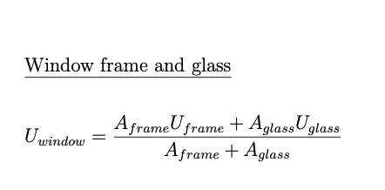
U value caluculation, according formula on the right.
GWP calculations:
GWP_frame_per_m2 + glass_fraction*GWP_Glass_per_m2
Since the frame has the functional unit total window area and the glass only the glass area
Assumptions:
Wood Windows: Fichte / Tanne, Rotation time: 80 year, mean according to Jürgen Zell et. al. 2020, SwissStandSim: ein klimasensitives, einzelbaum- basiertes Waldwachstumsmodell
g value form SIA 380/1 TAB 19
Attention: Check in the SIA 380/1 model the "Fensterrahmen Abminderungsfaktor" -> it is set to 0.95, so actually in the sensitivity analysis only the 0.9 windows are used. 28.6.2024

constructions_bg
ID_Construction | Category | group | Material | ID_EPD | density | thickness | lamda_value | u_value | g_value | GWP_prod_kg | GWP_disp_kg | C_BIO_kg | CO2_Bio_kg | GWP_prod | GWP_disp | CO2_bio_stored | GWP_Bio | RSL | Rotation_time_bio | Cost | functional_unit | Literature | Note | Literature_Biogenic
 |  |  |  |  | Kg/m3 | m | W/mK | W/m2K |  | KgCO2eq/kg | KgCO2eq/kg | KgC/kg | KgCO/kg | KgCO2eq/fu | KgCO2eq/fu | KgCO2/fu | KgCO2eq/fu | years | years | CHF/ref | fu

 |  |  | Material | ID_EPD | density | thickness | lamda_value | u-value | g-value | GWP_prod_kg | GWP_disp_kg | C_BIO_kg | CO2_Bio_kg | GWP_prod | GWP_disp | CO2_Bio_stored | GWP_Bio | RSL | Rotation_time | Cost | functional_unit | Literature | Note | Literature_Biogenic
 |  |  |  |  | Kg/m3 | m | W/mK | W/m2K |  | KgCO2eq/kg | KgCO2eq/kg | KgC/kg | KgCO/kg | KgCO2eq/fu | KgCO2eq/fu | KgCO2/fu | KgCO2eq/fu | years | years | CHF/ref | fu
 |  |  | Hochbaubeton: NPK C, CEMII/B CH-mix | treeze.ch | 2300 | 0.25 | 2.3 | 9.2 |  | 0.0904 | 0.0126 | 0 | 0 | 51.98 | 7.245 | 0 |  |  |  |  |  |  | Hochbaubeton NPK C, CEMII/B CH mix
 |  |  | Armierungsstahl | 06.003 | 80 | 0.25 |  | 1E+100 |  | 0.773 | 0.0122 | 0 | 0 | 15.46 | 0.244 | 0 |  |  |  |  |  |  | 80Kg per m3 beton
 |  |  | Magerbeton (ohne Bewehrung) | 01.001 | 2150 | 0.1 | 2.3 | 23 |  | 0.0502 | 0.01260 | 0 | 0 | 10.793 | 2.709 | 0
slab_to_basement_conventional_cold_25 | slab_basement |  |  |  |  |  |  | 6.5714285714 |  |  |  |  |  | 78.233 | 10.198 | 0 |  | RSP |  |  | m2 | KBOB,https://www.bauteilkatalog.ch/kataloge/bauteil.aspx/ubt-89/ | Hochbaubeton NPK C, CEMII/B CH mix

 |  |  | Material | ID_EPD | density | thickness | lamda_value | u-value | g-value | GWP_prod_kg | GWP_disp_kg | C_BIO_kg | CO2_Bio_kg | GWP_prod | GWP_disp | CO2_Bio_stored | GWP_Bio | RSL | Rotation_time | Cost | functional_unit | Literature | Note | Literature_Biogenic
 |  |  |  |  | Kg/m3 | m | W/mK | W/m2K |  | KgCO2eq/kg | KgCO2eq/kg | KgC/kg | KgCO/kg | KgCO2eq/fu | KgCO2eq/fu | KgCO2/fu | KgCO2eq/fu | years | years | CHF/ref | fu
 |  |  | Hochbaubeton NPK C, CEMIII/B | treeze.ch | 2300 | 0.25 | 2.3 | 9.2 |  | 0.0480 | 0.0126 | 0 | 0 | 27.6 | 7.245 | 0 |  |  |  |  |  |  | Hochbaubeton NPK C, CEMIII/B
 |  |  | Armierungsstahl | 06.003 | 80 | 0.25 |  | 1E+100 |  | 0.773 | 0.0122 | 0 | 0 | 15.46 | 0.244 | 0 |  |  |  |  |  |  | 80Kg per m3 beton
 |  |  | Magerbeton (ohne Bewehrung) | 01.001 | 2150 | 0.1 | 2.3 | 23 |  | 0.0502 | 0.01260 | 0 | 0 | 10.793 | 2.709 | 0
slab_to_basement_lowco2_cold_25 | slab_basement |  |  |  |  |  |  | 6.5714285714 |  |  |  |  |  | 53.853 | 10.198 | 0 |  | RSP |  |  | m2 | KBOB,https://www.bauteilkatalog.ch/kataloge/bauteil.aspx/ubt-89/ | Hochbaubeton NPK C, CEMIII/B

 |  |  | Material | ID_EPD | density | thickness | lamda_value | u-value | g-value | GWP_prod_kg | GWP_disp_kg | C_BIO_kg | CO2_Bio_kg | GWP_prod | GWP_disp | CO2_Bio_stored | GWP_Bio | RSL | Rotation_time | Cost | functional_unit | Literature | Note | Literature_Biogenic
 |  |  |  |  | Kg/m3 | m | W/mK | W/m2K |  | KgCO2eq/kg | KgCO2eq/kg | KgC/kg | KgCO/kg | KgCO2eq/fu | KgCO2eq/fu | KgCO2/fu | KgCO2eq/fu | years | years | CHF/ref | fu
 |  |  | Hochbaubeton: NPK C, CEMII/B CH-mix | treeze.ch | 2300 | 0.25 | 2.3 | 9.2 |  | 0.0904 | 0.0126 | 0 | 0 | 51.98 | 7.245 | 0 |  |  |  |  |  |  | Hochbaubeton NPK C, CEMII/B CH mix
 |  |  | Armierungsstahl | 06.003 | 60 | 0.25 |  | 1E+100 |  | 0.773 | 0.0122 | 0 | 0 | 11.595 | 0.183 | 0 |  |  |  |  |  |  | 60Kg per m3 beton
 |  |  | Dichtungsbahn bituminös | 09.003 | 1,100 | 0.002 |  | 1E+100 |  | 1.000 | 2.33 | 0 | 0 | 2.2 | 5.126 | 0
 |  |  | Sickerplatte 60mm (EPS) | 10.004 | 18 | 0.06 | 0.035 | 0.58333333333 |  | 4.51 | 3.09 | 0.00 | 0 | 4.8708 | 3.3372 | 0 |  |  |  |  |  |  | 1.08 kg/m2, according to Bauteilkatalog
wall_bg_concrete_conventional_cold_18 | wall_bg |  |  |  |  |  |  | 0.54855195911 |  |  |  |  |  | 70.6458 | 15.8912 | 0 |  | RSP |  |  | m2 | KBOB,https://www.bauteilkatalog.ch/kataloge/bauteil.aspx/ubt-101/ | Hochbaubeton NPK C, CEMII/B CH mix

 |  |  | Material | ID_EPD | density | thickness | lamda_value | u-value | g-value | GWP_prod_kg | GWP_disp_kg | C_BIO_kg | CO2_Bio_kg | GWP_prod | GWP_disp | CO2_Bio_stored | GWP_Bio | RSL | Rotation_time | Cost | functional_unit | Literature | Note | Literature_Biogenic
 |  |  |  |  | Kg/m3 | m | W/mK | W/m2K |  | KgCO2eq/kg | KgCO2eq/kg | KgC/kg | KgCO/kg | KgCO2eq/fu | KgCO2eq/fu | KgCO2/fu | KgCO2eq/fu | years | years | CHF/ref | fu
 |  |  | Hochbaubeton NPK C, CEMIII/B | treeze.ch | 2300 | 0.25 | 2.3 | 9.2 |  | 0.0480 | 0.0126 | 0 | 0 | 27.6 | 7.245 | 0 |  |  |  |  |  |  | Hochbaubeton NPK C, CEMIII/B
 |  |  | Armierungsstahl | 06.003 | 60 | 0.25 |  | 1E+100 |  | 0.773 | 0.0122 | 0 | 0 | 11.595 | 0.183 | 0 |  |  |  |  |  |  | 80Kg per m3 beton
 |  |  | Dichtungsbahn bituminös | 09.003 | 1,100 | 0.002 |  | 1E+100 |  | 1.000 | 2.33 | 0 | 0 | 2.2 | 5.126 | 0
 |  |  | Rundkies (Sickerbett) | 03.012 | 2,000 | 0.1 |  | 1E+100 |  | 0.00305 | 0.01260 | 0 | 0 | 0.61 | 2.52 | 0
wall_bg_concrete_lowco2_cold_18 | wall_bg |  |  |  |  |  |  | 9.2 |  |  |  |  |  | 42.005 | 15.074 | 0 |  | RSP |  |  | m2 | KBOB,https://www.bauteilkatalog.ch/kataloge/bauteil.aspx/ubt-101/ | Hochbaubeton NPK C, CEMIII/B

Explanation:
Only NPK C concrete was used, since it is below ground

constructions_ag
ID_Construction | Category | group | Material | ID_EPD | density | thickness | lamda_value | u_value | g_value | GWP_prod_kg | GWP_disp_kg | C_BIO_kg | CO2_Bio_kg | GWP_prod | GWP_disp | CO2_bio_stored | GWP_Bio | RSL | Rotation_time_bio | Cost | functional_unit | Literature | Note | Literature_Biogenic
 |  |  |  |  | Kg/m3 | m | W/mK | W/m2K |  | KgCO2eq/kg | KgCO2eq/kg | KgC/kg | KgCO/kg | KgCO2eq/fu | KgCO2eq/fu | KgCO2/fu | KgCO2eq/fu | years | years | CHF/ref | fu
 | Conventional Materials
 |  |  | Material | ID_EPD | density | thickness | lamda_value | u-value | g-value | GWP_prod_kg | GWP_disp_kg | C_BIO_kg | CO2_Bio_kg | GWP_prod | GWP_disp | CO2_Bio_stored | GWP_Bio | RSL | Rotation_time | Cost | functional_unit | Literature | Note | Literature_Biogenic
 |  |  |  |  | Kg/m3 | m | W/mK | W/m2K |  | KgCO2eq/kg | KgCO2eq/kg | KgC/kg | KgCO/kg | KgCO2eq/fu | KgCO2eq/fu | KgCO2/fu | KgCO2eq/fu | years | years | CHF/ref | fu
 |  |  | Backstein BN 18 | 02.001 | 900 | 0.18 | 0.44 | 2.4444444444 |  | 0.254 | 0.01270 | 0 | 0 | 41.148 | 2.0574 | 0
wall_masonry_BN18 | wall_ag |  |  |  |  |  |  | 2.4444444444 |  |  |  |  |  | 41.148 | 2.0574 | 0 |  | RSP |  |  | m2 | KBOB,https://www.bauteilkatalog.ch/kataloge/bauteil.aspx/ubt-77/

 |  |  | Material | ID_EPD | density | thickness | lamda_value | u-value | g-value | GWP_prod_kg | GWP_disp_kg | C_BIO_kg | CO2_Bio_kg | GWP_prod | GWP_disp | CO2_Bio_stored | GWP_Bio | RSL | Rotation_time | Cost | functional_unit | Literature | Note | Literature_Biogenic
 |  |  |  |  | Kg/m3 | m | W/mK | W/m2K |  | KgCO2eq/kg | KgCO2eq/kg | KgC/kg | KgCO/kg | KgCO2eq/fu | KgCO2eq/fu | KgCO2/fu | KgCO2eq/fu | years | years | CHF/ref | fu
 |  |  | Backstein BN 18 | 02.001 | 900 | 0.15 | 0.44 | 2.9333333333 |  | 0.254 | 0.01270 | 0 | 0 | 34.29 | 1.7145 | 0
 |  |  | Backstein KS 12 | 02.001 | 1400 | 0.12 | 1 | 8.3333333333 |  | 0.149 | 0.01270 | 0 | 0 | 25.032 | 2.1336 | 0
wall_masonry_doubleshell_BN15_KS_12 | wall_ag |  |  |  |  |  |  | 2.1696252465 |  |  |  |  |  | 59.322 | 3.8481 | 0 |  | RSP |  |  | m2 | KBOB,https://www.bauteilkatalog.ch/kataloge/bauteil.aspx/ubt-139/

 |  |  | Material | ID_EPD | density | thickness | lamda_value | u-value | g-value | GWP_prod_kg | GWP_disp_kg | C_BIO_kg | CO2_Bio_kg | GWP_prod | GWP_disp | CO2_Bio_stored | GWP_Bio | RSL | Rotation_time | Cost | functional_unit | Literature | Note | Literature_Biogenic
 |  |  |  |  | Kg/m3 | m | W/mK | W/m2K |  | KgCO2eq/kg | KgCO2eq/kg | KgC/kg | KgCO/kg | KgCO2eq/fu | KgCO2eq/fu | KgCO2/fu | KgCO2eq/fu | years | years | CHF/ref | fu
 |  |  | Hochbaubeton (ohne Bewehrung) | 01.002 | 2300 | 0.18 | 2.3 | 12.777777778 |  | 0.0887 | 0.0126 | 0 | 0 | 36.7218 | 5.2164 | 0
 |  |  | Armierungsstahl | 06.003 | 60 | 0.18 |  |  |  | 0.773 | 0.0122 | 0 | 0 | 8.3484 | 0.13176 | 0 |  |  |  |  |  |  | 60 Kg per m3 beton
wall_concrete_conventional_18cm_60Fe | wall_ag |  |  |  |  |  |  | 12.777777778 |  |  |  |  |  | 45.0702 | 5.34816 | 0 |  | RSP |  |  | m2 | KBOB, https://www.bauteilkatalog.ch/kataloge/bauteil.aspx/id-_1007383324/navid-3/ngid-4/lng-de/ | Entspricht NPK C, CEM II B-CH Mix "KBOB Standart Hochbau Beton"

 |  |  | Material | ID_EPD | density | thickness | lamda_value | u-value | g-value | GWP_prod_kg | GWP_disp_kg | C_BIO_kg | CO2_Bio_kg | GWP_prod | GWP_disp | CO2_Bio_stored | GWP_Bio | RSL | Rotation_time | Cost | functional_unit | Literature | Note | Literature_Biogenic
 |  |  |  |  | Kg/m3 | m | W/mK | W/m2K |  | KgCO2eq/kg | KgCO2eq/kg | KgC/kg | KgCO/kg | KgCO2eq/fu | KgCO2eq/fu | KgCO2/fu | KgCO2eq/fu | years | years | CHF/ref | fu
 |  |  | NPK B, CEMIII/B | treeze.ch | 2210 | 0.18 | 2.3 | 12.777777778 |  | 0.0470 | 0.0126 | 0 | 0 | 18.6966 | 5.01228 | 0
 |  |  | Armierungsstahl | 06.003 | 60 | 0.18 |  |  |  | 0.773 | 0.0122 | 0 | 0 | 8.3484 | 0.13176 | 0 |  |  |  |  |  |  | 60 Kg per m3 beton
wall_concrete_lowco2_18cm_60Fe | wall_ag |  |  |  |  |  |  | 12.777777778 |  |  |  |  |  | 27.045 | 5.14404 | 0 |  | RSP |  |  | m2 | KBOB, https://www.bauteilkatalog.ch/kataloge/bauteil.aspx/id-_1007383324/navid-3/ngid-4/lng-de/,https://rechner.umweltchemie.ch/HTMLBetonsorten22d_v6/Oekobilanzrechner_Betonsorten_Planende_2022_deutsch_v6_UVEK2022.htm | Entspricht NPK B, CEM III-B

 |  |  | Material | ID_EPD | density | thickness | lamda_value | u-value | g-value | GWP_prod_kg | GWP_disp_kg | C_BIO_kg | CO2_Bio_kg | GWP_prod | GWP_disp | CO2_Bio_stored | GWP_Bio | RSL | Rotation_time | Cost | functional_unit | Literature | Note | Literature_Biogenic
 |  |  |  |  | Kg/m3 | m | W/mK | W/m2K |  | KgCO2eq/kg | KgCO2eq/kg | KgC/kg | KgCO/kg | KgCO2eq/fu | KgCO2eq/fu | KgCO2/fu | KgCO2eq/fu | years | years | CHF/ref | fu
 |  |  | Unterlagsboden Anhydrit, 60 mm | 04.005 | 2000 | 0.06 | 0.8 | 13.333333333 |  | 0.0784 | 0.0127 | 0 | 0 | 9.408 | 1.524 | 0
 |  |  | Polyethylenfolie (PE) | 09.007 | 920 | 0.0001 |  | 1E+100 |  | 2.75 | 2.67 | 0 | 0 | 0.253 | 0.24564 | 0
 |  |  | Glaswolle ϼ 100 [kg/m3] (Trittschalldämmung) | 10.001 | 100 | 0.02 | 0.04 | 2 |  | 1.04 | 0.0592 | 0.0000 | 0 | 2.08 | 0.1184 | 0
 |  |  | Hochbaubeton (ohne Bewehrung) | 01.002 | 2300 | 0.24 | 2.3 | 9.5833333333 |  | 0.0887 | 0.0126 | 0 | 0 | 48.9624 | 6.9552 | 0
 |  |  | Armierungsstahl | 06.003 | 90 | 0.24 |  |  |  | 0.773 | 0.0122 | 0 | 0 | 16.6968 | 0.26352 | 0 |  |  |  |  |  |  | 90 Kg per m3 beton
ceiling_concrete_conventional_24cm_90Fe | ceiling_ag_bg |  |  |  |  |  |  | 1.472 |  |  |  |  |  | 77.4002 | 9.10676 | 0 |  | RSP |  |  | m2 | KBOB,https://www.bauteilkatalog.ch/kataloge/bauteil.aspx/ubt-54/ | Entspricht NPK C, CEM II B-CH Mix "KBOB Standart Hochbau Beton", mit Anhydrit unterboden

 |  |  | Material | ID_EPD | density | thickness | lamda_value | u-value | g-value | GWP_prod_kg | GWP_disp_kg | C_BIO_kg | CO2_Bio_kg | GWP_prod | GWP_disp | CO2_Bio_stored | GWP_Bio | RSL | Rotation_time | Cost | functional_unit | Literature | Note | Literature_Biogenic
 |  |  |  |  | Kg/m3 | m | W/mK | W/m2K |  | KgCO2eq/kg | KgCO2eq/kg | KgC/kg | KgCO/kg | KgCO2eq/fu | KgCO2eq/fu | KgCO2/fu | KgCO2eq/fu | years | years | CHF/ref | fu
 |  |  | Unterlagsboden Anhydrit, 60 mm | 04.005 | 2000 | 0.06 | 0.8 | 13.333333333 |  | 0.0784 | 0.0127 | 0 | 0 | 9.408 | 1.524 | 0
 |  |  | Polyethylenfolie (PE) | 09.007 | 920 | 0.0001 |  | 1E+100 |  | 2.75 | 2.67 | 0 | 0 | 0.253 | 0.24564 | 0
 |  |  | Glaswolle ϼ 100 [kg/m3] (Trittschalldämmung) | 10.001 | 100 | 0.02 | 0.04 | 2 |  | 1.04 | 0.0592 | 0.0000 | 0 | 2.08 | 0.1184 | 0
 |  |  | NPK B, CEMIII/B | treeze.ch | 2210 | 0.24 | 2.3 | 9.5833333333 |  | 0.0470 | 0.0126 | 0 | 0 | 24.9288 | 6.68304 | 0
 |  |  | Armierungsstahl | 06.003 | 90 | 0.24 |  |  |  | 0.773 | 0.0122 | 0 | 0 | 16.6968 | 0.26352 | 0 |  |  |  |  |  |  | 90 Kg per m3 beton
ceiling_concrete_lowco2_24cm_90Fe | ceiling_ag_bg |  |  |  |  |  |  | 1.472 |  |  |  |  |  | 53.3666 | 8.8346 | 0 |  | RSP |  |  | m2 | KBOB,https://www.bauteilkatalog.ch/kataloge/bauteil.aspx/ubt-54/ | Entspricht NPK B, CEM III-B Beton, mit Anhydrit unterboden

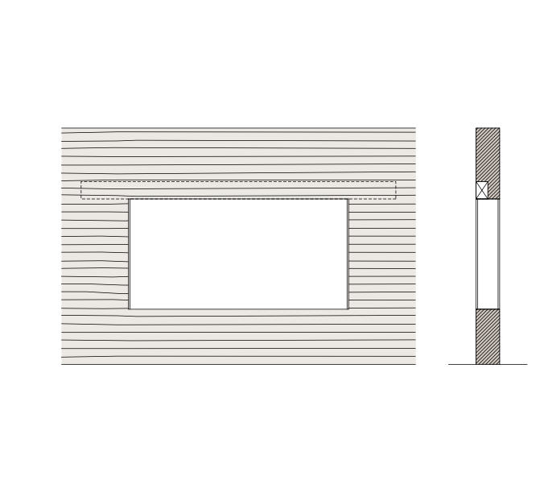
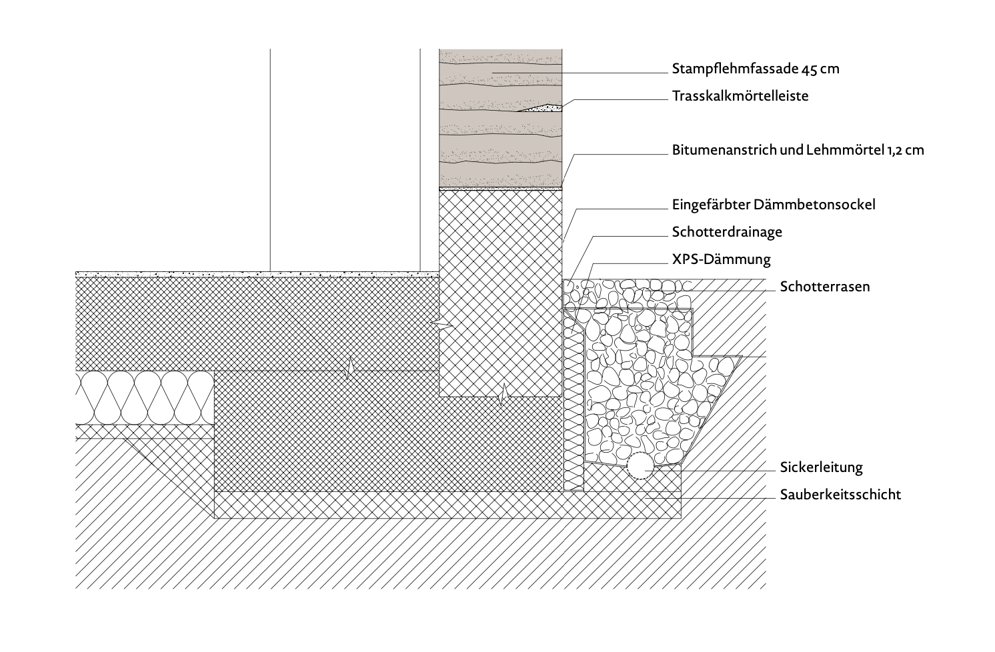
 | Non Conventional Materials
 |  |  | Material | ID_EPD | density | thickness | lamda_value | u-value | g-value | GWP_prod_kg | GWP_disp_kg | C_BIO_kg | CO2_Bio_kg | GWP_prod | GWP_disp | CO2_Bio_stored | GWP_Bio | RSL | Rotation_time | Cost | functional_unit | Literature | Note | Literature_Biogenic
 |  |  |  |  | Kg/m3 | m | W/mK | W/m2K |  | KgCO2eq/kg | KgCO2eq/kg | KgC/kg | KgCO/kg | KgCO2eq/fu | KgCO2eq/fu | KgCO2/fu | KgCO2eq/fu | years | years | CHF/ref | fu
 |  |  | Stampflehm | 03.020 | 2000 | 0.4 | 0.8 | 2 |  | 0.02 | 0.00115 | 0 | 0 | 14.64 | 0.92 | 0 |  |  |  |  |  |  | The wall thickness is higher in the buttom storeis and lower in the top stories, value is a mean
 |  |  | Fensterstrutz 120x200, 0.25m per m2, Betonfertigteil, Normalbeton, ab Werk | 01.042 | 2,500 | 0.006 | 2.3 | 1E+100 |  | 0.1650 | 0.01210 | 0 | 0 | 2.475 | 0.1815 | 0 |  |  |  |  |  |  | The wall thickness is higher in the buttom storeis and lower in the top stories, value is a mean
wall_rammed_earth_50 | wall_ag |  |  |  |  |  |  | 2 |  |  |  |  |  | 17.115 | 1.1015 | 0 |  | RSP |  |  | m2 | KBOB, Martin Rauch Gebaute Erde Gestalten & Konstruieren mit Stampflehm, 2015 | The wall thickness is higher in the buttom storeis and lower in the top stories, value is a mean. Rammed earth walls can not be loadbearing for high buildings!

 | Materials for model validation
 |  |  | Material | ID_EPD | density | thickness | lamda_value | u-value | g-value | GWP_prod_kg | GWP_disp_kg | C_BIO_kg | CO2_Bio_kg | GWP_prod | GWP_disp | CO2_Bio_stored | GWP_Bio | RSL | Rotation_time | Cost | functional_unit | Literature | Note | Literature_Biogenic
 |  |  |  |  | Kg/m3 | m | W/mK | W/m2K |  | KgCO2eq/kg | KgCO2eq/kg | KgC/kg | KgCO/kg | KgCO2eq/fu | KgCO2eq/fu | KgCO2/fu | KgCO2eq/fu | years | years | CHF/ref | fu
 |  |  | Baukleber/Einbettmörtel organisch | 04.002 | 1670 | 0.003 | 0.8 | 266.6666667 |  | 0.76 | 0.01300 | 0 | 0 | 3.82764 | 0.063627 | 0 |  |  |  |  |  | KBOB,https://www.bauteilkatalog.ch/kataloge/bauteil.aspx/ubt-77/
 |  |  | EPS 40 [Kg/m3] | 10.005 | 40 | 0.24 | 0.036 | 0.15 |  | 4.5100 | 3.09000 | 0 | 0 | 43.296 | 29.664 | 0 |  |  |  |  |  | KBOB, https://www.bauteilkatalog.ch/kataloge/bauteil.aspx/ubt-77/
insulation_eps_24 | insulation |  |  |  |  |  |  | 0.149915672 |  |  |  |  |  | 47.12364 | 29.727627 | 0 |  | 30 |  |  | m2 | KBOB, https://www.bauteilkatalog.ch/kataloge/bauteil.aspx/ubt-77/ | For Modelvalidation (Galamshina et. Al. 2024)

constructions_ag_wood
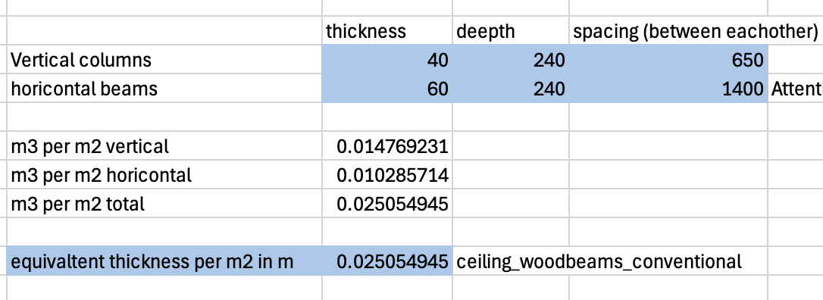
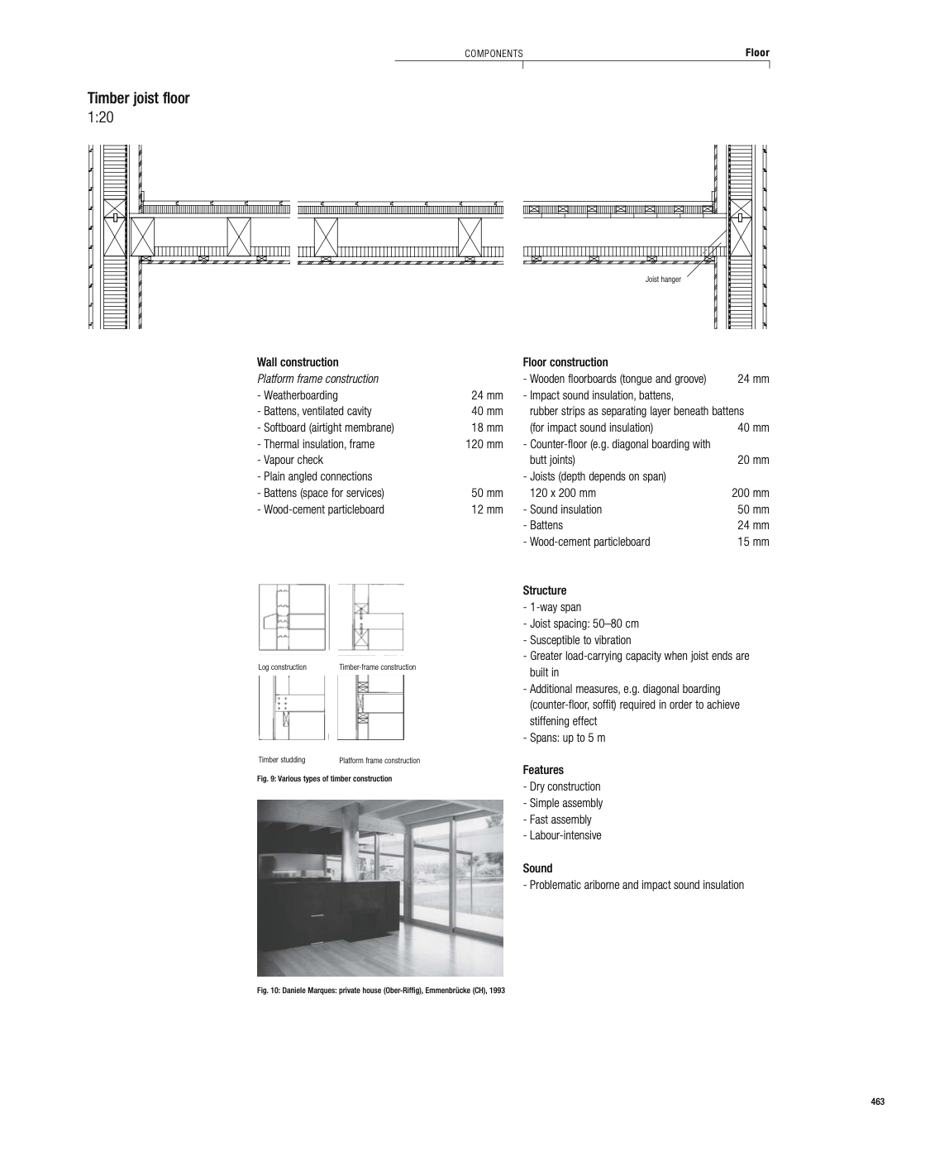
ID_Construction | Category | group | Material | ID_EPD | density | thickness | lamda_value | u_value | g_value | GWP_prod_kg | GWP_disp_kg | C_BIO_kg | CO2_Bio_kg | GWP_prod | GWP_disp | CO2_bio_stored | GWP_Bio | RSL | Rotation_time_bio | Cost | functional_unit | Literature | Note | Literature_Biogenic
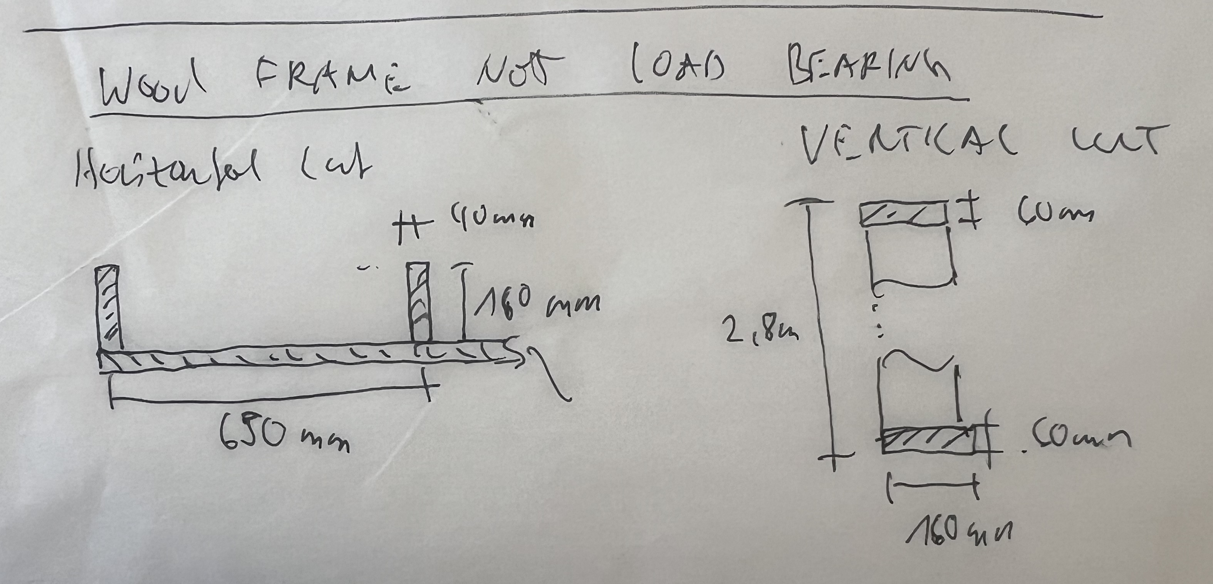
 |  |  | Material | ID_EPD | density | thickness | lamda_value | u-value | g-value | GWP_prod_kg | GWP_disp_kg | C_BIO_kg | CO2_Bio_kg | GWP_prod | GWP_disp | CO2_Bio_stored | GWP_Bio | RSL | Rotation_time | Cost | functional_unit | Literature | Note | Literature_Biogenic
 |  |  |  |  | Kg/m3 | m | W/mK | W/m2K |  | KgCO2eq/kg | KgCO2eq/kg | KgC/kg | KgCO/kg | KgCO2eq/fu | KgCO2eq/fu | KgCO2/fu | KgCO2eq/fu | years | years | CHF/ref | fu
 |  |  | Massive Woodframe 40x240mm, 650mm spacing: Massivholz Fichte / Tanne / Lärche, kammergetr., gehobelt | 07.011 | 465 | 0.025 |  | 1E+100 |  | 0.134 | 0.0390 | 0 | 1.65066 | 1.55775 | 0.453375 | 19.1889225 |  |  |  |  |  |  | No contirbution of the frame to the u value, the space is filled with insulation: simplification!
 |  |  | Dampfbremse Polyethylen (PE) | 09.002 | 920 | 0.00014 |  | 1E+100 |  | 2.75 | 2.67 | 0 | 0 | 0.3542 | 0.343896 | 0 |  |  |  |  |  |  | For some insulation types (e.g. straw) the vapor barrrier is not used in reality. Therefore it is a overstimation!
 |  |  | Base Panel inside OSB Platte 15mm | 07.013 | 605 | 0.015 | 0.12 | 8 |  | 0.483 | 0.080 | 0 | 1.62504 | 4.383225 | 0.724185 | 14.747238
wall_woodframe_24_non_loadbearing | wall_ag |  |  |  |  |  |  | 8 |  |  |  |  |  | 6.295175 | 1.521456 | 33.9361605 |  | RSP | 80 |  | m2 | KBOB, ANDREA DEPLAZES: CONSTRUCTING ARCHITECTURE MATERIALS PROCESSES STRUCTURES |  | Jürgen Zell et. al. 2020, SwissStandSim: ein klimasensitives, einzelbaum- basiertes Waldwachstumsmodell

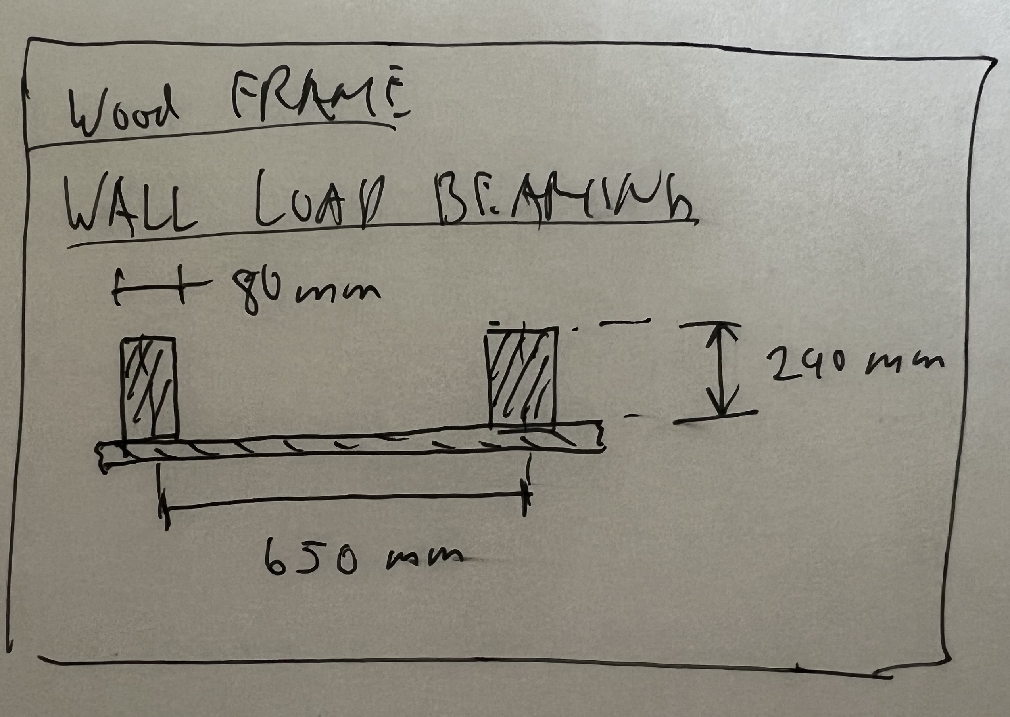
 |  |  | Material | ID_EPD | density | thickness | lamda_value | u-value | g-value | GWP_prod_kg | GWP_disp_kg | C_BIO_kg | CO2_Bio_kg | GWP_prod | GWP_disp | CO2_Bio_stored | GWP_Bio | RSL | Rotation_time | Cost | functional_unit | Literature | Note | Literature_Biogenic
 |  |  |  |  | Kg/m3 | m | W/mK | W/m2K |  | KgCO2eq/kg | KgCO2eq/kg | KgC/kg | KgCO/kg | KgCO2eq/fu | KgCO2eq/fu | KgCO2/fu | KgCO2eq/fu | years | years | CHF/ref | fu
 |  |  | Massive Woodframe 80x240mm, 650mm spacing: Massivholz Fichte / Tanne / Lärche, kammergetr., gehobelt | 07.011 | 465 | 0.0398 |  | 1E+100 |  | 0.134 | 0.0390 | 0 | 1.65066 | 2.479938 | 0.721773 | 30.54876462 |  |  |  |  |  |  | No contirbution of the frame to the u value, the space is filled with insulation: simplification!
 |  |  | Dampfbremse Polyethylen (PE) | 09.002 | 920 | 0.00014 |  | 1E+100 |  | 2.75 | 2.67 | 0 | 0 | 0.3542 | 0.343896 | 0 |  |  |  |  |  |  | For some insulation types (e.g. straw) the vapor barrrier is not used in reality. Therefore it is a overstimation!
 |  |  | Base Panel inside OSB Platte 15mm | 07.013 | 605 | 0.015 | 0.12 | 8 |  | 0.483 | 0.080 | 0 | 1.62504 | 4.383225 | 0.724185 | 14.747238
wall_woodframe_24_loadbearing | wall_ag |  |  |  |  |  |  | 8 |  |  |  |  |  | 7.217363 | 1.789854 | 45.29600262 |  | RSP | 80 |  | m2 | KBOB, ANDREA DEPLAZES: CONSTRUCTING ARCHITECTURE MATERIALS PROCESSES STRUCTURES |  | Jürgen Zell et. al. 2020, SwissStandSim: ein klimasensitives, einzelbaum- basiertes Waldwachstumsmodell

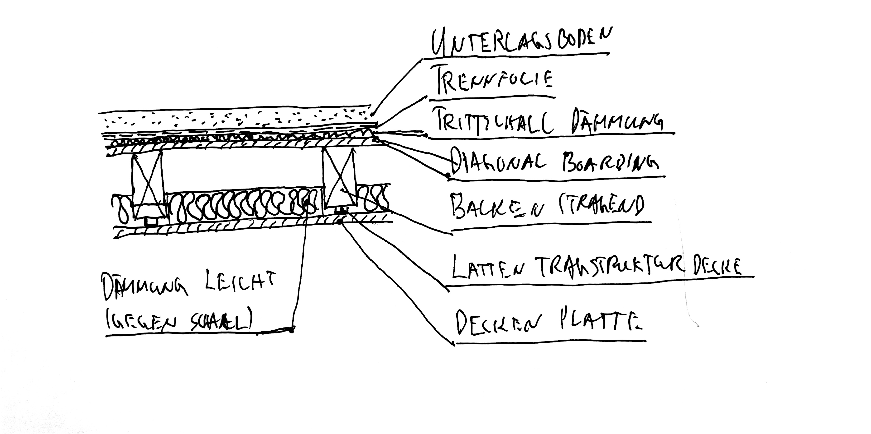
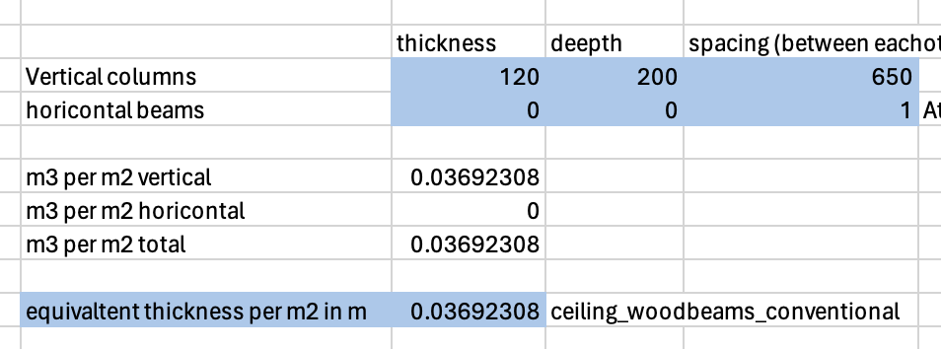
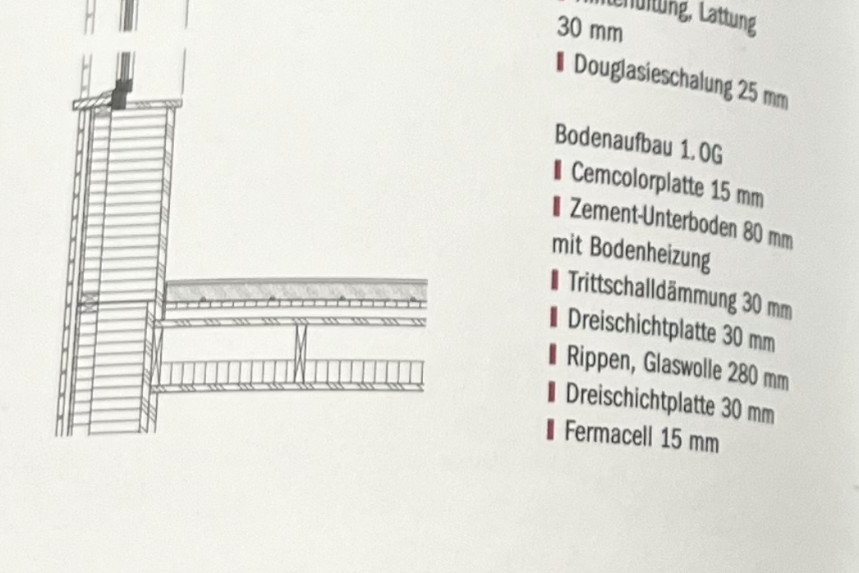
 |  |  | Material | ID_EPD | density | thickness | lamda_value | u-value | g-value | GWP_prod_kg | GWP_disp_kg | C_BIO_kg | CO2_Bio_kg | GWP_prod | GWP_disp | CO2_Bio_stored | GWP_Bio | RSL | Rotation_time | Cost | functional_unit | Literature | Note | Literature_Biogenic
 |  |  |  |  | Kg/m3 | m | W/mK | W/m2K |  | KgCO2eq/kg | KgCO2eq/kg | KgC/kg | KgCO/kg | KgCO2eq/fu | KgCO2eq/fu | KgCO2/fu | KgCO2eq/fu | years | years | CHF/ref | fu
 |  |  | Unterlagsboden Anhydrit, 60 mm | 04.005 | 2000 | 0.06 | 0.8 | 13.333333333 |  | 0.0784 | 0.0127 | 0 | 0 | 9.408 | 1.524 | 0
 |  |  | Polyethylenfolie (PE) | 09.007 | 920 | 0.0001 |  | 1E+100 |  | 2.75 | 2.67 | 0 | 0 | 0.253 | 0.24564 | 0
 |  |  | Glaswolle ϼ 100 [kg/m3] (Trittschalldämmung) | 10.001 | 100 | 0.02 | 0.04 | 2 |  | 1.04 | 0.0592 | 0.0000 | 0 | 2.08 | 0.1184 | 0
 |  |  | Diagonal Boarding: 3- und 5-Schicht Massivholzplatte | 07.001 | 453 | 0.021 | 0.15 | 7.1428571429 |  | 0.414 | 0.055 | 0 | 1.58478 | 3.938382 | 0.5260689 | 15.07601214
 |  |  | Balken 120x200mm, spacing 650mm, Brettschichtholz | 07.021 | 439 | 0.0369 |  | 1E+100 |  | 0.293 | 0.049 | 0 | 1.63236 | 4.7463363 | 0.79699572 | 26.442762876
 |  |  | Glaswolle ϼ 30 [kg/m3] (Schalldämmung zwischen balken) | 10.001 | 30 | 0.08 | 0.04 | 0.5 |  | 1.040 | 0.0592 | 0 | 0 | 2.496 | 0.14208 | 0
 |  |  | Lattung 30x60, spacing 650mm, Massivholz Fichte / Tanne / Lärche, kammergetr., gehobelt | 07.011 | 465 | 0.0027692307692 |  | 1E+100 |  | 0.134 | 0.0390 | 0 | 1.65066 | 0.17255076923 | 0.05022 | 2.1255421846 |  |  |  |  |  |  | Zur Akusitschen entkoppelung der Decke: Latten sind mit Metallspacern montiert (nicht mit einberechnet)
 |  |  | Gipsfaserplatte | 03.007 | 1200 | 0.015 | 0.32 | 21.333333333 |  | 0.533 | 0.0186 | 0 | 0 | 9.594 | 0.3348 | 0
ceiling_woodbeams_conventional | ceiling_ag |  |  |  |  |  |  | 0.36207286716 |  |  |  |  |  | 32.688269069 | 3.73820462 | 43.644317201 |  | RSP | 80 |  | m2 | KBOB, ANDREA DEPLAZES: Brunner, C. U., & Dietrich, H. (2012). Holzbau – mehrgeschossig : mit einem Essay von Helmut Dietrich. Faktor.,Kolb, J. (2011). Bois : systèmes constructifs (2e éd. actualisée). Presses polytechniques et universitaires romandes: cieling c171 |  | Jürgen Zell et. al. 2020, SwissStandSim: ein klimasensitives, einzelbaum- basiertes Waldwachstumsmodell

 |  |  | Material | ID_EPD | density | thickness | lamda_value | u-value | g-value | GWP_prod_kg | GWP_disp_kg | C_BIO_kg | CO2_Bio_kg | GWP_prod | GWP_disp | CO2_Bio_stored | GWP_Bio | RSL | Rotation_time | Cost | functional_unit | Literature | Note | Literature_Biogenic
 |  |  |  |  | Kg/m3 | m | W/mK | W/m2K |  | KgCO2eq/kg | KgCO2eq/kg | KgC/kg | KgCO/kg | KgCO2eq/fu | KgCO2eq/fu | KgCO2/fu | KgCO2eq/fu | years | years | CHF/ref | fu
 |  |  | Unterlagsboden Stampflehm, 60 mm | 03.020 | 2000 | 0.06 | 0.8 | 13.333333333 |  | 0.02 | 0.00115 | 0 | 0 | 2.196 | 0.138 | 0
 |  |  | Polyethylenfolie (PE) | 09.007 | 920 | 0.0001 |  | 1E+100 |  | 2.75 | 2.67 | 0 | 0 | 0.253 | 0.24564 | 0
 |  |  | Kork ϼ 120 [kg/m3] (Trittschalldämmung) | 10.002 | 120 | 0.02 | 0.04 | 2 |  | 1.07 | 0.039 | 0.496 | 1.81536 | 2.568 | 0.09288 | 4.356864
 |  |  | Diagonal Boarding: Massivholz Bretter Fichte / Tanne / Lärche, kammergetr., gehobelt | 07.011 | 465 | 0.02 | 0.15 | 7.5 |  | 0.134 | 0.0390 | 0 | 1.65066 | 1.2462 | 0.3627 | 15.351138
 |  |  | Balken Massiv 120x200mm, spacing 650mm, Massivholz Fichte / Tanne / Lärche, kammergetr., gehobelt | 07.011 | 465 | 0.0369 |  | 1E+100 |  | 0.134 | 0.0390 | 0 | 1.65066 | 2.299239 | 0.6691815 | 28.32284961
 |  |  | Stroh (Schalldämmung zwischen Balken) | 10.015 | 100 | 0.1 | 0.05 | 0.5 |  | 0.096 | 0.0000 | 0 | 1.34688 | 0.956 | 0 | 13.4688
 |  |  | Lattung 30x60, spacing 650mm, Massivholz Fichte / Tanne / Lärche, kammergetr., gehobelt | 07.011 | 465 | 0.0027692307692 |  | 1E+100 |  | 0.134 | 0.0390 | 0 | 1.65066 | 0.17255076923 | 0.05022 | 2.1255421846 |  |  |  |  |  |  | Zur Akusitschen entkoppelung der Decke: Latten sind mit Metallspacern montiert (nicht mit einberechnet)
 |  |  | 3- und 5-Schicht Massivholzplatte | 03.008 | 453 | 0.012 | 0.21 | 17.5 |  | 0.414 | 0.055 | 0 | 1.58478 | 2.250504 | 0.3006108 | 8.61486408
ceiling_woodbeams_low_co2 | ceiling_ag |  |  |  |  |  |  | 0.36160137753 |  |  |  |  |  | 11.941493769 | 1.8592323 | 72.240057875 |  | RSP | 80 |  | m2 | KBOB, Kolb, J. (2011). Bois : systèmes constructifs (2e éd. actualisée). Presses polytechniques et universitaires romandes: Ceiling C171 | Rotation time of wood (and not straw) is choosen, since wood dominant | Jürgen Zell et. al. 2020, SwissStandSim: ein klimasensitives, einzelbaum- basiertes Waldwachstumsmodell, minimla amounts of straw are conted like wood (= conservative)

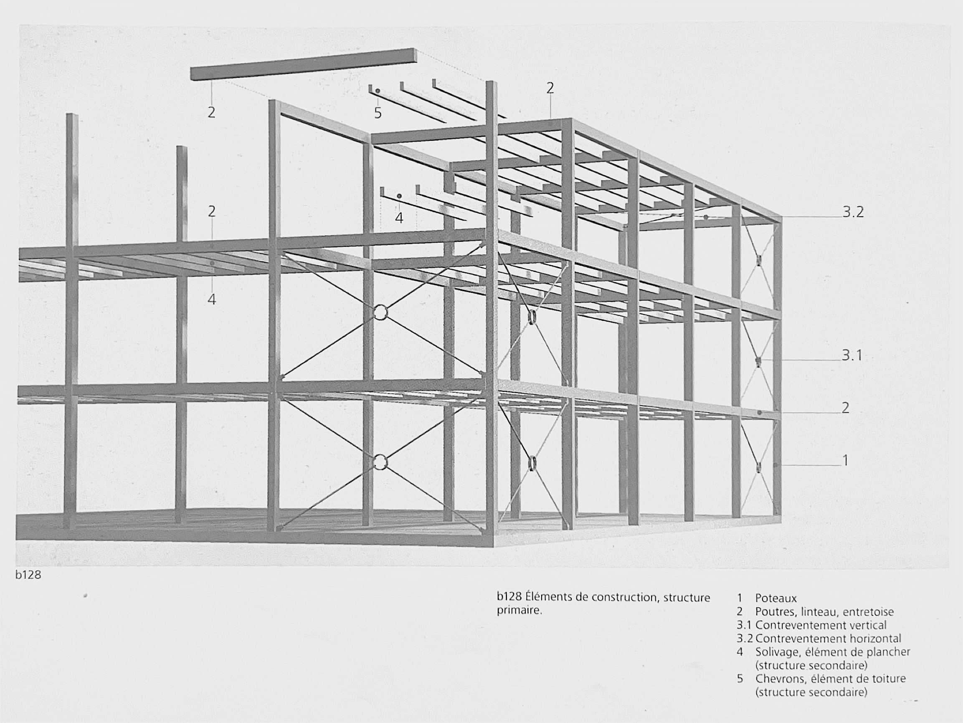
 | Armature Wood Constructions (self supporting including ceiling and columns, dimensions for 3 stories and more, materials of coluns are projecte on the ceiling)
 |  |  | Material | ID_EPD | density | thickness | lamda_value | u-value | g-value | GWP_prod_kg | GWP_disp_kg | C_BIO_kg | CO2_Bio_kg | GWP_prod | GWP_disp | CO2_Bio_stored | GWP_Bio | RSL | Rotation_time | Cost | functional_unit | Literature | Note | Literature_Biogenic
 |  |  |  |  | Kg/m3 | m | W/mK | W/m2K |  | KgCO2eq/kg | KgCO2eq/kg | KgC/kg | KgCO/kg | KgCO2eq/fu | KgCO2eq/fu | KgCO2/fu | KgCO2eq/fu | years | years | CHF/ref | fu
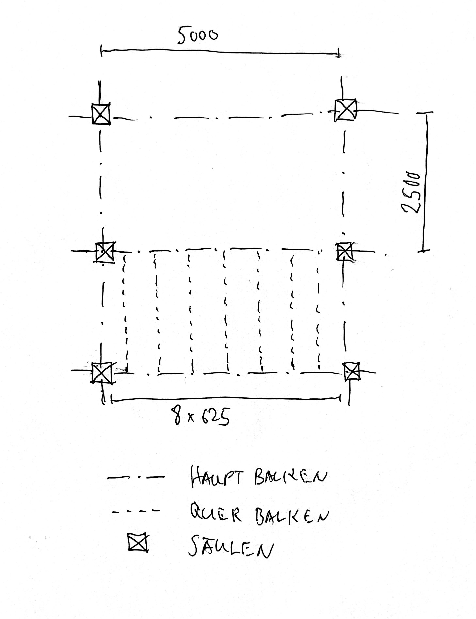
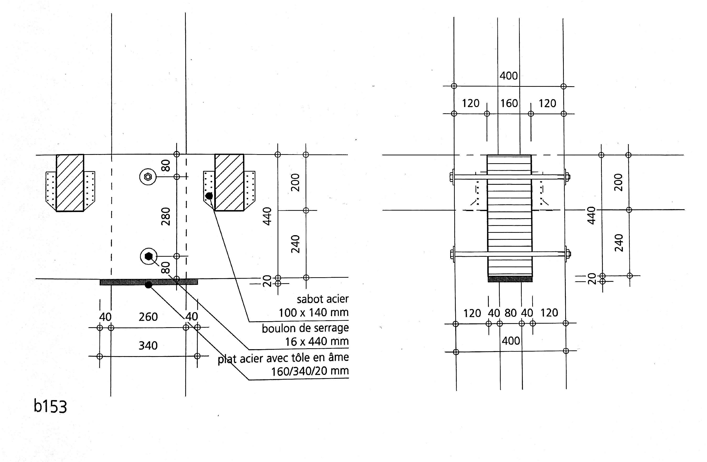
 |  |  | Unterlagsboden Anhydrit, 60 mm | 04.005 | 2000 | 0.06 | 0.8 | 13.333333333 |  | 0.0784 | 0.0127 | 0 | 0 | 9.408 | 1.524 | 0
 |  |  | Polyethylenfolie (PE) | 09.007 | 920 | 0.0001 |  | 1E+100 |  | 2.75 | 2.67 | 0 | 0 | 0.253 | 0.24564 | 0
 |  |  | Glaswolle ϼ 100 [kg/m3] (Trittschalldämmung) | 10.001 | 100 | 0.02 | 0.04 | 2 |  | 1.04 | 0.0592 | 0.0000 | 0 | 2.08 | 0.1184 | 0
 |  |  | Diagonal Boarding: 3- und 5-Schicht Massivholzplatte | 07.001 | 453 | 0.021 | 0.15 | 7.1428571429 |  | 0.414 | 0.055 | 0 | 1.58478 | 3.938382 | 0.5260689 | 15.07601214
 |  |  | Balken quer 80x140mm, spacing 625mm, Balkenschichtholz | 07.021 | 439 | 0.0179 |  | 1E+100 |  | 0.293 | 0.049 | 0 | 1.63236 | 2.3024233 | 0.38661852 | 12.827248116
 |  |  | Glaswolle ϼ 30 [kg/m3] (Schalldämmung zwischen balken) | 10.001 | 30 | 0.08 | 0.04 | 0.5 |  | 1.040 | 0.0592 | 0 | 0 | 2.496 | 0.14208 | 0
 |  |  | Lattung 30x60, spacing 625mm, Massivholz Fichte / Tanne / Lärche, kammergetr., gehobelt | 07.011 | 465 | 0.00288 |  | 1E+100 |  | 0.134 | 0.0390 | 0 | 1.65066 | 0.1794528 | 0.0522288 | 2.210563872 |  |  |  |  |  |  | Zur Akusitschen entkoppelung der Decke: Latten sind mit Metallspacern montiert (nicht mit einberechnet)
 |  |  | Gipsfaserplatte | 03.007 | 1200 | 0.015 | 0.32 | 21.333333333 |  | 0.533 | 0.0186 | 0 | 0 | 9.594 | 0.3348 | 0
 |  |  | Haupt Balken 160x440mm, spacing 2500/5000mm Balkenschichtholz | 07.021 | 439 | 0.03696 |  | 1E+100 |  | 0.293 | 0.049 | 0 | 1.63236 | 4.75405392 | 0.798291648 | 26.485759238
 |  |  | Columns 320x260mm, 3.5 per 5x5m, Height: 3.2m,Balkenschichtholz | 07.021 | 439 | 0.0372736 |  | 1E+100 |  | 0.293 | 0.049 | 0 | 1.63236 | 4.7943913472 | 0.80506503168 | 26.710486893
 |  |  | Reinfocement Steel (cable) 1m per m2, 20mm diameter | 06.012 | 7,850 | 0.00031415926536 |  | 1E+100 |  | 0.729 | 0.00693 | 0 | 0 | 1.7978235199 | 0.017090421115 | 0 |  |  |  |  |  | Kolb, J. (2011). Bois : systèmes constructifs (2e éd. actualisée). Presses polytechniques et universitaires romandes: b128, a overall averaging approach
wood_armature_construction_glulam_conventional | ceiling_ag |  |  |  |  |  |  | 0.36207286716 |  |  |  |  |  | 41.597526887 | 4.9502833208 | 83.310070259 |  | RSP | 80 |  | m2 | KBOB, Holzbau – mehrgeschossig : mit einem Essay von Helmut Dietrich. Faktor.,Kolb, J. (2011). Bois : systèmes constructifs (2e éd. actualisée). Presses polytechniques et universitaires romandes: b135, b153 | This construction contians all internal ceilings, the colums and structural reinforcement. (it is self supporting, no load via exterior walls) | Jürgen Zell et. al. 2020, SwissStandSim: ein klimasensitives, einzelbaum- basiertes Waldwachstumsmodell

 |  |  | Material | ID_EPD | density | thickness | lamda_value | u-value | g-value | GWP_prod_kg | GWP_disp_kg | C_BIO_kg | CO2_Bio_kg | GWP_prod | GWP_disp | CO2_Bio_stored | GWP_Bio | RSL | Rotation_time | Cost | functional_unit | Literature | Note | Literature_Biogenic
 |  |  |  |  | Kg/m3 | m | W/mK | W/m2K |  | KgCO2eq/kg | KgCO2eq/kg | KgC/kg | KgCO/kg | KgCO2eq/fu | KgCO2eq/fu | KgCO2/fu | KgCO2eq/fu | years | years | CHF/ref | fu
 |  |  | Unterlagsboden Stampflehm, 60 mm | 03.020 | 2000 | 0.06 | 0.8 | 13.333333333 |  | 0.02 | 0.00115 | 0 | 0 | 2.196 | 0.138 | 0
 |  |  | Polyethylenfolie (PE) | 09.007 | 920 | 0.0001 |  | 1E+100 |  | 2.75 | 2.67 | 0 | 0 | 0.253 | 0.24564 | 0
 |  |  | Kork ϼ 120 [kg/m3] (Trittschalldämmung) | 10.002 | 120 | 0.02 | 0.04 | 2 |  | 1.07 | 0.039 | 0.496 | 1.81536 | 2.568 | 0.09288 | 4.356864
 |  |  | Diagonal Boarding: Massivholz Bretter Fichte / Tanne / Lärche, kammergetr., gehobelt | 07.011 | 465 | 0.02 | 0.15 | 7.5 |  | 0.134 | 0.0390 | 0 | 1.65066 | 1.2462 | 0.3627 | 15.351138
 |  |  | Balken quer 80x140mm, spacing 625mm, Massivholz Bretter Fichte / Tanne / Lärche, kammergetr., gehobelt | 07.011 | 465 | 0.0179 |  | 1E+100 |  | 0.134 | 0.0390 | 0 | 1.65066 | 1.115349 | 0.3246165 | 13.73926851
 |  |  | Stroh (Schalldämmung zwischen Balken) | 10.015 | 100 | 0.1 | 0.05 | 0.5 |  | 0.096 | 0.0000 | 0 | 1.34688 | 0.956 | 0 | 13.4688
 |  |  | Lattung 30x60, spacing 625mm, Massivholz Fichte / Tanne / Lärche, kammergetr., gehobelt | 07.011 | 465 | 0.00288 |  | 1E+100 |  | 0.134 | 0.0390 | 0 | 1.65066 | 0.1794528 | 0.0522288 | 2.210563872 |  |  |  |  |  |  | Zur Akusitschen entkoppelung der Decke: Latten sind mit Metallspacern montiert (nicht mit einberechnet)
 |  |  | 3- und 5-Schicht Massivholzplatte | 03.008 | 453 | 0.012 | 0.21 | 17.5 |  | 0.414 | 0.055 | 0 | 1.58478 | 2.250504 | 0.3006108 | 8.61486408
 |  |  | Haupt Balken 160x440mm, spacing 2500/5000mm Balkenschichtholz | 07.021 | 439 | 0.03696 |  | 1E+100 |  | 0.293 | 0.049 | 0 | 1.63236 | 4.75405392 | 0.798291648 | 26.485759238
 |  |  | Columns 320x260mm, 3.5 per 5x5m, Height: 3.2m,Balkenschichtholz | 07.021 | 439 | 0.0372736 |  | 1E+100 |  | 0.293 | 0.049 | 0 | 1.63236 | 4.7943913472 | 0.80506503168 | 26.710486893
 |  |  | Reinfocement Steel (cable) 1m per m2, 20mm diameter | 06.012 | 7,850 | 0.00031415926536 |  | 1E+100 |  | 0.729 | 0.00693 | 0 | 0 | 1.7978235199 | 0.017090421115 | 0 |  |  |  |  |  | Kolb, J. (2011). Bois : systèmes constructifs (2e éd. actualisée). Presses polytechniques et universitaires romandes: b128, a overall averaging approach
wood_armature_construction_glulam_lowco2 | ceiling_ag |  |  |  |  |  |  | 0.36160137753 |  |  |  |  |  | 22.110774587 | 3.1371232008 | 110.93774459 |  | RSP | 80 |  | m2 | KBOB, Holzbau – mehrgeschossig : mit einem Essay von Helmut Dietrich. Faktor.,Kolb, J. (2011). Bois : systèmes constructifs (2e éd. actualisée). Presses polytechniques et universitaires romandes: b135, b153 | This construction contians all internal ceilings, the colums and structural reinforcement. (it is self supporting, no load via exterior walls) | Jürgen Zell et. al. 2020, SwissStandSim: ein klimasensitives, einzelbaum- basiertes Waldwachstumsmodell

INFORMATIONS
For Wood Frame constructions: There is a Vapour barrier included. in reality this is not used for some insulation materials, e.g. straw. -> conservative assumption
The Wood frame thickness is set to 240mm, independandant of the insultion type. So if <240mm insulation is used, some parts of the cavity are empty. If >240mm insulatino is used it is just toped up on the outside (simplification). In reality the frame geometry could also be changed. Therefore it is a simplification
For the u value calculation the wood frame is not considered (simplification!). This drawback is coverd with the "Thermal bridge factor" in the programm.
The tickness of the vapour barriers were checked with product datasheets:
Vapour barrier: SIGA Majpelle: 120g/m2 -> 0.14mm
https://d1c96hlcey6qkb.cloudfront.net/597ed2b7-7f57-4e37-808e-57742814b918/adcdbad9cc5e4776adc34f6aa7e8964e?response-content-disposition=inline%3B%20filename%2A%3DUTF-8%27%27SIGA_Majpell_25_Leistungserkl%25C3%25A4rung_DOP_de.pdf&response-content-type=application%2Fpdf&Expires=1719014400&Signature=dcgZE4jpgLuN~0e-OceEog4teHGfVvjv6WIcqmzZM2PVX~elfcFptYtCVW2beKTIuznJ0k7uFFiY6cowLTmrXvZQwlqgETCseMwElfDYP7iX6r2-A8gxrZnrpC4aa7rZTRNv8PkmquZ5wUs6d5UD6uD7Z6U9XmjBeGSsGdQf4VfTtWJZgiTYdSqjhoiE6eA7OO0J-3oXsfGL3YVQOxWKH0hTWAJtIG~yUAYwkBjhQw0BNzS0UopDzfAM-s3FSyPwXFeRILj-igpNfwwKdxbRm2DmZAjqULaWM8qI1B2lLUILhfyXADgu1R4SUsVHNdk5Rhhn4x2AGE-46sqaULs9zg__&Key-Pair-Id=APKAI33AGAEAYCXFBDTA

partitions
ID_Construction | Category | group | Material | ID_EPD | density | thickness | lamda_value | u_value | g_value | GWP_prod_kg | GWP_disp_kg | C_BIO_kg | CO2_Bio_kg | GWP_prod | GWP_disp | CO2_bio_stored | GWP_Bio | RSL | Rotation_time_bio | Cost | functional_unit | Literature | Note | Literature_Biogenic

 |  |  | Material | ID_EPD | density | thickness | lamda_value | u-value | g-value | GWP_prod_kg | GWP_disp_kg | C_BIO_kg | CO2_Bio_kg | GWP_prod | GWP_disp | CO2_Bio_stored | GWP_Bio | RSL | Rotation_time | Cost | functional_unit | Literature | Note | Literature_Biogenic
 |  |  |  |  | Kg/m3 | m | W/mK | W/m2K |  | KgCO2eq/kg | KgCO2eq/kg | KgC/kg | KgCO/kg | KgCO2eq/fu | KgCO2eq/fu | KgCO2/fu | KgCO2eq/fu | years | years | CHF/ref | fu
 |  |  | Backstein BN 15 | 02.001 | 900 | 0.15 | 0.44 | 2.9333333333 |  | 0.254 | 0.01270 | 0 | 0 | 34.29 | 1.7145 | 0
partition_masonry_BN15 | partitions_core |  |  |  |  |  |  |  |  |  |  |  |  | 34.29 | 1.7145 | 0 |  | RSP |  |  | m2 | KBOB,https://www.bauteilkatalog.ch/kataloge/bauteil.aspx/ubt-107/

 |  |  | Material | ID_EPD | density | thickness | lamda_value | u-value | g-value | GWP_prod_kg | GWP_disp_kg | C_BIO_kg | CO2_Bio_kg | GWP_prod | GWP_disp | CO2_Bio_stored | GWP_Bio | RSL | Rotation_time | Cost | functional_unit | Literature | Note | Literature_Biogenic
 |  |  |  |  | Kg/m3 | m | W/mK | W/m2K |  | KgCO2eq/kg | KgCO2eq/kg | KgC/kg | KgCO/kg | KgCO2eq/fu | KgCO2eq/fu | KgCO2/fu | KgCO2eq/fu | years | years | CHF/ref | fu
 |  |  | Earth Masonr: Stampflehm (assuption emissions similar for rammed earth bricks) | 03.020 | 2000 | 0.15 | 0.8 | 5.3333333333 |  | 0.02 | 0.00115 | 0 | 0 | 5.49 | 0.345 | 0
partition_earth_masonry_15 | partitions_core |  |  |  |  |  |  |  |  |  |  |  |  | 5.49 | 0.345 | 0 |  | RSP |  |  | m2 | KBOB, FAZ Architects (Primary School Riaz)

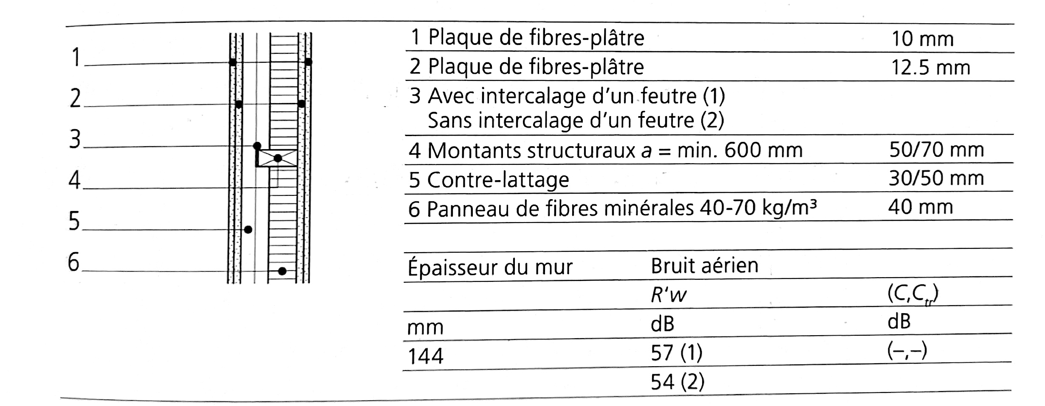
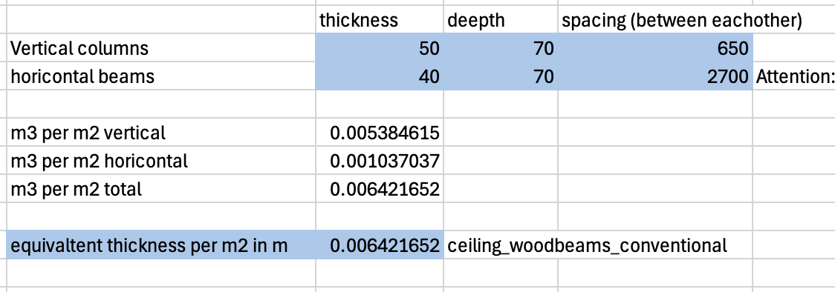
 |  |  | Material | ID_EPD | density | thickness | lamda_value | u-value | g-value | GWP_prod_kg | GWP_disp_kg | C_BIO_kg | CO2_Bio_kg | GWP_prod | GWP_disp | CO2_Bio_stored | GWP_Bio | RSL | Rotation_time | Cost | functional_unit | Literature | Note | Literature_Biogenic
 |  |  |  |  | Kg/m3 | m | W/mK | W/m2K |  | KgCO2eq/kg | KgCO2eq/kg | KgC/kg | KgCO/kg | KgCO2eq/fu | KgCO2eq/fu | KgCO2/fu | KgCO2eq/fu | years | years | CHF/ref | fu
 |  |  | Gipsfaserplatte | 03.007 | 1,200 | 0.01 | 0.32 | 32 |  | 0.533 | 0.0186 | 0 | 0.164334 | 6.396 | 0.2232 | 1.972008
 |  |  | Base Panel inside OSB Platte 12mm | 07.013 | 605 | 0.0125 | 0.12 | 9.6 |  | 0.483 | 0.080 | 0 | 1.62504 | 3.6526875 | 0.6034875 | 12.289365 |  |  |  |  |  |  | Instead of a second fibre plate a osb plate is choosen
 |  |  | Konterlattung 30x50, spacing 650mm, Massivholz Fichte / Tanne / Lärche, kammergetr., gehobelt | 07.011 | 465 | 0.0023076923077 |  | 1E+100 |  | 0.134 | 0.0390 | 0 | 1.65066 | 0.14379230769 | 0.04185 | 1.7712851538 |  |  |  |  |  |  | Zur Akusitschen entkoppelung der Wand: Latten sind auf Filz montiert (nicht mit einberechnet)
 |  |  | Balken Massiv 50x70, spacing 650mm, Massivholz Fichte / Tanne / Lärche, kammergetr., gehobelt | 07.011 | 465 | 0.00642 |  | 1E+100 |  | 0.134 | 0.0390 | 0 | 1.65066 | 0.4000302 | 0.1164267 | 4.927715298
 |  |  | Glaswolle ϼ 40 [kg/m3] (Schalldämmung zwischen balken) | 10.001 | 40 | 0.04 | 0.04 | 1 |  | 1.040 | 0.0592 | 0 | 0 | 1.664 | 0.09472 | 0
 |  |  | Base Panel inside OSB Platte 12mm | 07.013 | 605 | 0.0125 | 0.12 | 9.6 |  | 0.483 | 0.080 | 0 | 1.62504 | 3.6526875 | 0.6034875 | 12.289365 |  |  |  |  |  |  | Instead of a second fibre plate a osb plate is choosen
 |  |  | Gipsfaserplatte | 03.007 | 1,200 | 0.01 | 0.32 | 32 |  | 0.533 | 0.0186 | 0 | 0.164334 | 6.396 | 0.2232 | 1.972008
partition_wood_frame_15_conventional | partitions_core |  |  |  |  |  |  |  |  |  |  |  |  | 22.305197508 | 1.9063717 | 35.221746452 |  | RSP | 80 |  | m2 | KBOB, Kolb, J. (2011). Bois : systèmes constructifs (2e éd. actualisée). Presses polytechniques et universitaires romandes: c159 |  | Jürgen Zell et. al. 2020, SwissStandSim: ein klimasensitives, einzelbaum- basiertes Waldwachstumsmodell

roof
ID_Construction | Category | group | Material | ID_EPD | density | thickness | lamda_value | u_value | g_value | GWP_prod_kg | GWP_disp_kg | C_BIO_kg | CO2_Bio_kg | GWP_prod | GWP_disp | CO2_bio_stored | GWP_Bio | RSL | Rotation_time_bio | Cost | functional_unit | Literature | Note | Literature_Biogenic
 | Flat Roof Core
 |  |  | Material | ID_EPD | density | thickness | lamda_value | u-value | g-value | GWP_prod_kg | GWP_disp_kg | C_BIO_kg | CO2_Bio_kg | GWP_prod | GWP_disp | CO2_Bio_stored | GWP_Bio | RSL | Rotation_time | Cost | functional_unit | Literature | Note | Literature_Biogenic
 |  |  |  |  | Kg/m3 | m | W/mK | W/m2K |  | KgCO2eq/kg | KgCO2eq/kg | KgC/kg | KgCO/kg | KgCO2eq/fu | KgCO2eq/fu | KgCO2/fu | KgCO2eq/fu | years | years | CHF/ref | fu
 |  |  | Dampfbremse bituminös | 09.001 | 1100 | 0.003 |  | 1E+100 |  | 1.31 | 2.33 | 0 | 0 | 4.323 | 7.689 | 0
 |  |  | Hochbaubeton (ohne Bewehrung) | 01.002 | 2300 | 0.18 | 2.3 | 12.777777778 |  | 0.0887 | 0.0126 | 0 | 0 | 36.7218 | 5.2164 | 0
 |  |  | Armierungsstahl | 06.003 | 80 | 0.18 |  |  |  | 0.773 | 0.0122 | 0 | 0 | 11.1312 | 0.17568 | 0 |  |  |  |  |  |  | 80 Kg per m3 beton
roof_flat_core_concrete | flat_roof_core |  |  |  |  |  |  | 12.777777778 |  |  |  |  |  | 52.176 | 13.08108 | 0 |  | RSP |  |  | m2 | KBOB,https://www.bauteilkatalog.ch/kataloge/bauteil.aspx/ubt-78/ | Entspricht NPK C, CEM II B-CH Mix "KBOB Standart Hochbau Beton",

 |  |  | Material | ID_EPD | density | thickness | lamda_value | u-value | g-value | GWP_prod_kg | GWP_disp_kg | C_BIO_kg | CO2_Bio_kg | GWP_prod | GWP_disp | CO2_Bio_stored | GWP_Bio | RSL | Rotation_time | Cost | functional_unit | Literature | Note | Literature_Biogenic
 |  |  |  |  | Kg/m3 | m | W/mK | W/m2K |  | KgCO2eq/kg | KgCO2eq/kg | KgC/kg | KgCO/kg | KgCO2eq/fu | KgCO2eq/fu | KgCO2/fu | KgCO2eq/fu | years | years | CHF/ref | fu
 |  |  | Dampfbremse bituminös | 09.001 | 1100 | 0.003 |  | 1E+100 |  | 1.31 | 2.33 | 0 | 0 | 4.323 | 7.689 | 0
 |  |  | NPK B, CEMIII/B | treeze.ch | 2210 | 0.18 | 2.3 | 12.777777778 |  | 0.0470 | 0.0126 | 0 | 0 | 18.6966 | 5.01228 | 0
 |  |  | Armierungsstahl | 06.003 | 80 | 0.18 |  |  |  | 0.773 | 0.0122 | 0 | 0 | 11.1312 | 0.17568 | 0 |  |  |  |  |  |  | 80 Kg per m3 beton
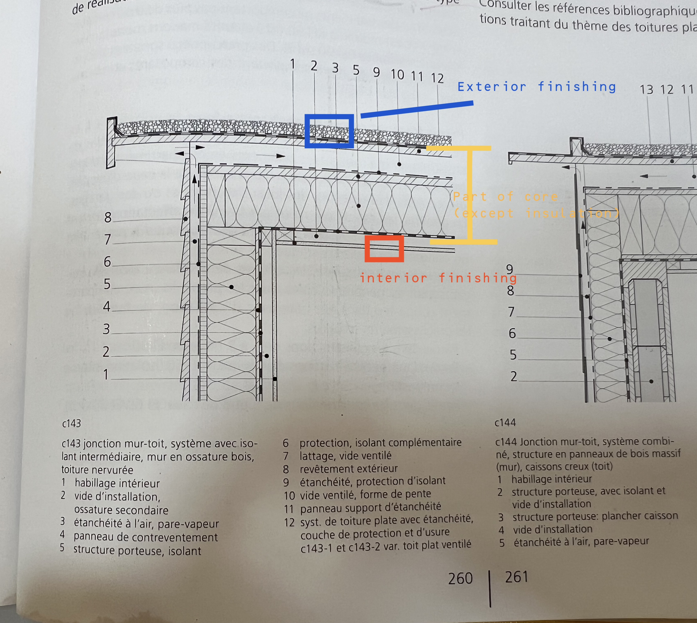
roof_flat_core_concrete_lowCO2 | flat_roof_core |  |  |  |  |  |  | 12.777777778 |  |  |  |  |  | 34.1508 | 12.87696 | 0 |  | RSP |  |  | m2 | KBOB,https://www.bauteilkatalog.ch/kataloge/bauteil.aspx/ubt-78/ | Entspricht NPK C, CEM II B-CH Mix "KBOB Standart Hochbau Beton",

 |  |  | Material | ID_EPD | density | thickness | lamda_value | u-value | g-value | GWP_prod_kg | GWP_disp_kg | C_BIO_kg | CO2_Bio_kg | GWP_prod | GWP_disp | CO2_Bio_stored | GWP_Bio | RSL | Rotation_time | Cost | functional_unit | Literature | Note | Literature_Biogenic
 |  |  |  |  | Kg/m3 | m | W/mK | W/m2K |  | KgCO2eq/kg | KgCO2eq/kg | KgC/kg | KgCO/kg | KgCO2eq/fu | KgCO2eq/fu | KgCO2/fu | KgCO2eq/fu | years | years | CHF/ref | fu
 |  |  | Querbretter, oberdachkonstruktion | 07.009 | 485 | 0.027 |  | 1E+100 |  | 0.0904 | 0.03900 | 0 | 1.51158 | 1.183788 | 0.510705 | 19.7941401 |  |  |  |  |  |  | Massivholz Fichte / Tanne / Lärche, luftgetrocknet, rau, assumtion no contributino to u value
 |  |  | 1x Holzlatte 80/60mm (Latte, spacing 685mm) | 07.009 | 485 | 0.0070072992701 |  | 1E+100 |  | 0.0904 | 0.03900 | 0 | 1.51158 | 0.3072280292 | 0.13254306569 | 5.1371653139 |  |  |  |  |  |  | Massivholz Fichte / Tanne / Lärche, luftgetrocknet, rau, assumtion no contributino to u value
 |  |  | Dichtungsbahn Polyolefin (FPO) | 09.005 | 1000 | 0.0032 |  | 1E+100 |  | 2.52 | 2.67 | 0 | 0 | 8.064 | 8.544 | 0 |  |  |  |  |  |  | sealing underroof
 |  |  | Weichfaserplatte | 10.009 | 148 | 0.012 | 0.15 | 12.5 |  | 0.633 | 0.0921 | 0.4360 | 1.59576 | 1.124208 | 0.1635696 | 2.83406976
 |  |  | Balken Massiv 120x300mm, spacing 685mm, Massivholz Fichte / Tanne / Lärche, kammergetr., gehobelt | 07.011 | 465 | 0.0525 |  | 1E+100 |  | 0.134 | 0.0390 | 0 | 1.65066 | 3.271275 | 0.9520875 | 40.29673725
 |  |  | Dampfbremse Polyethylen (PE) | 09.002 | 920 | 0.00014 |  | 1E+100 |  | 2.75 | 2.67 | 0 | 0 | 0.3542 | 0.343896 | 0
 |  |  | 3- und 5-Schicht Massivholzplatte | 03.008 | 453 | 0.021 | 0.21 | 10 |  | 0.414 | 0.055 | 0 | 1.58478 | 3.938382 | 0.5260689 | 15.07601214
roof_flat_core_wood | flat_roof_core |  |  |  |  |  |  | 5.5555555556 |  |  |  |  |  | 18.243081029 | 11.172870066 | 83.138124564 |  | RSP | 80 |  | m2 | KBOB, Kolb, J. (2011). Bois : systèmes constructifs (2e éd. actualisée). Presses polytechniques et universitaires romandes: Roof similar to c143 |  | Jürgen Zell et. al. 2020, SwissStandSim: ein klimasensitives, einzelbaum- basiertes Waldwachstumsmodell, minimla amounts of straw are conted like wood (= conservative)

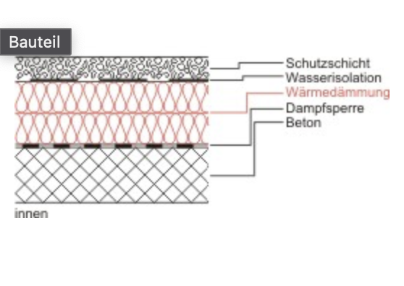
 | Flat Roof Ext. Surface
 |  |  | Material | ID_EPD | density | thickness | lamda_value | u-value | g-value | GWP_prod_kg | GWP_disp_kg | C_BIO_kg | CO2_Bio_kg | GWP_prod | GWP_disp | CO2_Bio_stored | GWP_Bio | RSL | Rotation_time | Cost | functional_unit | Literature | Note | Literature_Biogenic
 |  |  |  |  | Kg/m3 | m | W/mK | W/m2K |  | KgCO2eq/kg | KgCO2eq/kg | KgC/kg | KgCO/kg | KgCO2eq/fu | KgCO2eq/fu | KgCO2/fu | KgCO2eq/fu | years | years | CHF/ref | fu
 |  |  | Kies gebrochen | 03.011 | 2000 | 0.04 | 2 | 50 |  | 0.00500 | 0.01260 | 0 | 0 | 0.4 | 1.008 | 0
 |  |  | Rundkies (Sickerbett) | 03.012 | 2,000 | 0.04 | 2 | 50 |  | 0.00305 | 0.01260 | 0 | 0 | 0.244 | 1.008 | 0
 |  |  | Polyethylenvlies (PE) 2x 0.003 | 09.008 | 920 | 0.006 |  | 1E+100 |  | 2.96 | 2.67 | 0 | 0 | 16.3392 | 14.7384 | 0
 |  |  | Dichtungsbahn Polyolefin (FPO) | 09.005 | 1000 | 0.0032 |  | 1E+100 |  | 2.52 | 2.67 | 0 | 0 | 8.064 | 8.544 | 0
flat_roof_exterior_surface_green | flat_roof_ext_surface |  |  |  |  |  |  | 25 |  |  |  |  |  | 25.0472 | 25.2984 | 0 |  | 30 | 80 |  | m2 | KBOB, https://www.bauteilkatalog.ch/kataloge/bauteil.aspx/ubt-52/ | This assembly is used for all beam roof constructions (wood/steel) and load bearing insulation on slab roof constructions

 |  |  | Material | ID_EPD | density | thickness | lamda_value | u-value | g-value | GWP_prod_kg | GWP_disp_kg | C_BIO_kg | CO2_Bio_kg | GWP_prod | GWP_disp | CO2_Bio_stored | GWP_Bio | RSL | Rotation_time | Cost | functional_unit | Literature | Note | Literature_Biogenic
 |  |  |  |  | Kg/m3 | m | W/mK | W/m2K |  | KgCO2eq/kg | KgCO2eq/kg | KgC/kg | KgCO/kg | KgCO2eq/fu | KgCO2eq/fu | KgCO2/fu | KgCO2eq/fu | years | years | CHF/ref | fu
 |  |  | Kies gebrochen | 03.011 | 2000 | 0.04 | 2 | 50 |  | 0.00500 | 0.01260 | 0 | 0 | 0.4 | 1.008 | 0
 |  |  | Rundkies (Sickerbett) | 03.012 | 2,000 | 0.04 | 2 | 50 |  | 0.00305 | 0.01260 | 0 | 0 | 0.244 | 1.008 | 0
 |  |  | Polyethylenvlies (PE) 2x 0.003 | 09.008 | 920 | 0.006 |  | 1E+100 |  | 2.96 | 2.67 | 0 | 0 | 16.3392 | 14.7384 | 0
 |  |  | Dichtungsbahn Polyolefin (FPO) | 09.005 | 1000 | 0.0032 |  | 1E+100 |  | 2.52 | 2.67 | 0 | 0 | 8.064 | 8.544 | 0
 |  |  | 3- und 5-Schicht Massivholzplatte | 03.008 | 453 | 0.027 | 0.21 | 7.7777777778 |  | 0.414 | 0.055 | 0 | 1.58478 | 5.063634 | 0.6763743 | 19.38344418 |  |  |  |  |  |  | tragend konstruktion Dach
 |  |  | 1x Holzlatte 80/60mm (Latte, spacing 685mm) | 07.009 | 485 | 0.0070072992701 |  | 1E+100 |  | 0.0904 | 0.03900 | 0 | 1.51158 | 0.3072280292 | 0.13254306569 | 5.1371653139 |  |  |  |  |  |  | Air gap (ventilated)
 |  |  | Dichtungsbahn Polyolefin (FPO) | 09.005 | 1000 | 0.0032 |  | 1E+100 |  | 2.52 | 2.67 | 0 | 0 | 8.064 | 8.544 | 0 |  |  |  |  |  |  | sealing under roof
 |  |  | Weichfaserplatte | 10.009 | 148 | 0.012 | 0.15 | 12.5 |  | 0.633 | 0.0921 | 0.4360 | 1.59576 | 1.124208 | 0.1635696 | 2.83406976
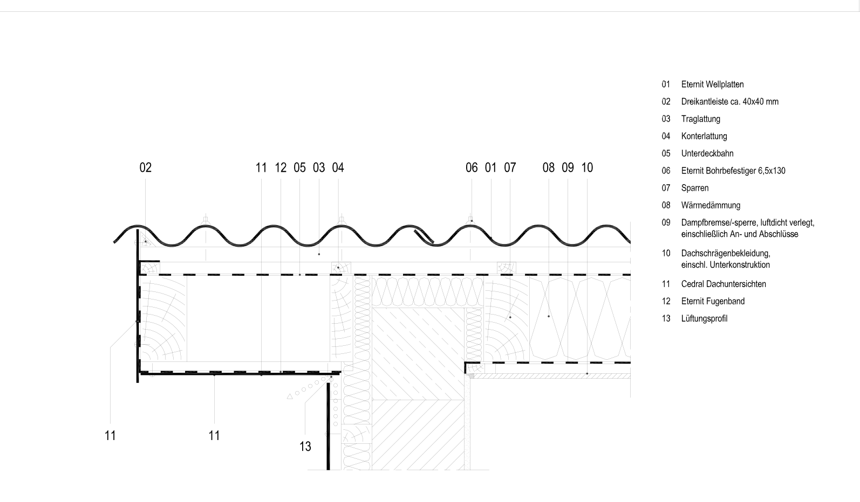
 |  |  | Balken Massiv 40x300mm, spacing 605mm, Massivholz Fichte / Tanne / Lärche, kammergetr., gehobelt | 07.011 | 465 | 0.0198 |  | 1E+100 |  | 0.134 | 0.0390 | 0 | 1.65066 | 1.233738 | 0.359073 | 15.19762662 |  |  |  |  |  |  | thin beams, since only load no compression (no moment)
flat_roof_exterior_surface_green_non_loadbearing_insualtion_on_slab | flat_roof_ext_surface |  |  |  |  |  |  | 4.0229885057 |  |  |  |  |  | 40.840008029 | 35.173959966 | 42.552305874 |  | 30 | 80 |  | m2 | KBOB, https://www.bauteilkatalog.ch/kataloge/bauteil.aspx/ubt-52/,Kolb, J. (2011). Bois : systèmes constructifs (2e éd. actualisée). Presses polytechniques et universitaires romandes: Roof similar to c143 | This assembley is used, if non load beraring insualtion materials (e.g. Rockwool / Straw) are mounrte on a slab

 |  |  | Material | ID_EPD | density | thickness | lamda_value | u-value | g-value | GWP_prod_kg | GWP_disp_kg | C_BIO_kg | CO2_Bio_kg | GWP_prod | GWP_disp | CO2_Bio_stored | GWP_Bio | RSL | Rotation_time | Cost | functional_unit | Literature | Note | Literature_Biogenic
 |  |  |  |  | Kg/m3 | m | W/mK | W/m2K |  | KgCO2eq/kg | KgCO2eq/kg | KgC/kg | KgCO/kg | KgCO2eq/fu | KgCO2eq/fu | KgCO2/fu | KgCO2eq/fu | years | years | CHF/ref | fu
 |  |  | Faserzement-Wellplatte | 03.004 | 1800 | 0.0088888888889 | 0.8 |  |  | 0.636 | 0.0132 | 0 | 0 | 10.176 | 0.2112 | 0 |  |  |  |  |  |  | Eternit Profil 5, 16 Kg/m2
flat_roof_exterior_surface_lowco2 | flat_roof_ext_surface |  |  |  |  |  |  |  |  |  |  |  |  | 10.176 | 0.2112 | 0 |  | 30 | 80 |  | m2 | KBOB, https://www.bauteilkatalog.ch/kataloge/bauteil.aspx/ubt-52/ | This assembly is used for all beam roof constructions (wood/steel) and load bearing insulation on slab roof constructions

 | Cold attic finishing (in case of new insulation)
 |  |  | Material | ID_EPD | density | thickness | lamda_value | u-value | g-value | GWP_prod_kg | GWP_disp_kg | C_BIO_kg | CO2_Bio_kg | GWP_prod | GWP_disp | CO2_Bio_stored | GWP_Bio | RSL | Rotation_time | Cost | functional_unit | Literature | Note | Literature_Biogenic
 |  |  |  |  | Kg/m3 | m | W/mK | W/m2K |  | KgCO2eq/kg | KgCO2eq/kg | KgC/kg | KgCO/kg | KgCO2eq/fu | KgCO2eq/fu | KgCO2/fu | KgCO2eq/fu | years | years | CHF/ref | fu
 |  |  | Holzbretter (Tanne) | 07.009 | 500 | 0.016 | 0.12 | 7.5 |  | 0.0904 | 0.03900 | 0 | 1.51158 | 0.7232 | 0.312 | 12.09264 |  |  |  | 0 |  | eRen/ KBOB
roof_ext_finishing_to_attic_cold_replacement | facade_ventilated |  |  |  |  |  |  | 7.5 |  |  |  |  |  | 0.7232 | 0.312 | 12.09264 |  | 30 | 80 |  | m2 | KBOB, eREN |  | Jürgen Zell et. al. 2020, SwissStandSim: ein klimasensitives, einzelbaum- basiertes Waldwachstumsmodell

INFORMATIONS
The tickness of the vapour barriers and sealing membranes were checked with product datasheets:
FPO sealing membrane: 3.2mm https://deu.sika.com/de/construction/abdichtung-ingenieurbauten/abdichtung-von-tunnel-undtrogbauwerken/dichtungsbahnen/sikaplan-wt-2200-32hl2.html
Vapour barrier: SIGA Majpelle: 120g/m2 -> 0.14mm
https://d1c96hlcey6qkb.cloudfront.net/597ed2b7-7f57-4e37-808e-57742814b918/adcdbad9cc5e4776adc34f6aa7e8964e?response-content-disposition=inline%3B%20filename%2A%3DUTF-8%27%27SIGA_Majpell_25_Leistungserkl%25C3%25A4rung_DOP_de.pdf&response-content-type=application%2Fpdf&Expires=1719014400&Signature=dcgZE4jpgLuN~0e-OceEog4teHGfVvjv6WIcqmzZM2PVX~elfcFptYtCVW2beKTIuznJ0k7uFFiY6cowLTmrXvZQwlqgETCseMwElfDYP7iX6r2-A8gxrZnrpC4aa7rZTRNv8PkmquZ5wUs6d5UD6uD7Z6U9XmjBeGSsGdQf4VfTtWJZgiTYdSqjhoiE6eA7OO0J-3oXsfGL3YVQOxWKH0hTWAJtIG~yUAYwkBjhQw0BNzS0UopDzfAM-s3FSyPwXFeRILj-igpNfwwKdxbRm2DmZAjqULaWM8qI1B2lLUILhfyXADgu1R4SUsVHNdk5Rhhn4x2AGE-46sqaULs9zg__&Key-Pair-Id=APKAI33AGAEAYCXFBDTA

tilted_roof
ID_Construction | Category | group | Material | ID_EPD | density | thickness | lamda_value | u_value | g_value | GWP_prod_kg | GWP_disp_kg | C_BIO_kg | CO2_Bio_kg | GWP_prod | GWP_disp | CO2_bio_stored | GWP_Bio | RSL | Rotation_time_bio | Cost | functional_unit | Literature | Note | Literature_Biogenic

INFORMATIONS
To fill the programm corectly:
If the roof is tilted and cold:
Roof = [int_finishing_ceiling, core_flat_roof_(without_seilings), insulation, flooring_attic]
Tilted_Roof = [empty_layer, load_bearing_construction_tilted_roof , empty_layer, roofing_finishing_(e.g._tiles) ]
If the roof is flat:
Roof = [int_finishing_ceiling, core_flat_roof, insulation, roof_ext_surface]
Tilted_Roof = None
-> Acutally no new design with a tilted roof

