Menu Order
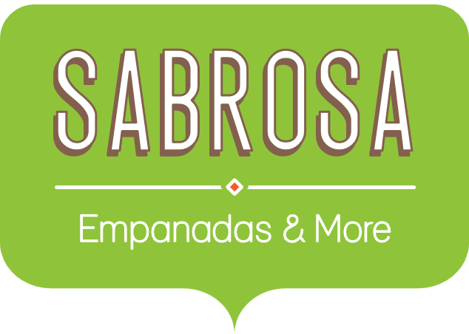 Menu Order
Sales Tax |  |  |  | 8.0%
Menu Item | Price | Quantity | Sales Tax | Total
Empanadas: Beef Picadillo | $2.99 | 15 | $3.59 | $48.44
Empanadas: Chipotle Shrimp | $3.99 | 10
Empanadas: Black Bean & Plantain | $2.49 | 20
Tamales: Chicken Tinga | $2.29 | 20
Tamales: Vegetable | $2.29 | 30
Arepas: Carnitas | $2.89 | 10
Arepas: Queso Blanco | $2.49 | 20
Empanadas: Apple Cinnamon | $3.19 | 40
Beverages: Horchata | $1.89 | 25
Beverages: Lemonade | $1.89 | 35
Beverages: Tamarindo | $1.89 | 10
Total |  |  |  | $48.44

