Sheet1
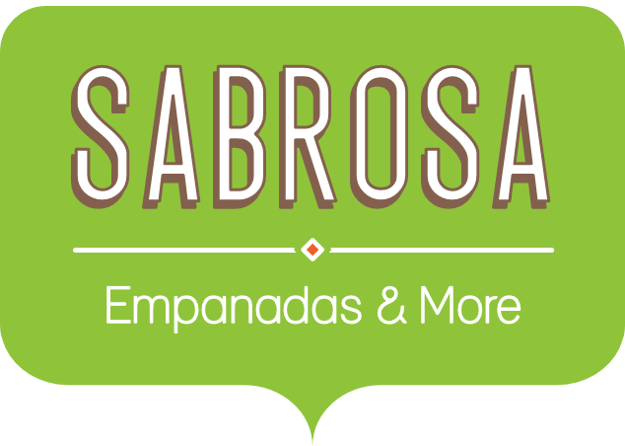 Food Supply Inventory Orders (Non-Perishable Items)
Item | Quantity | Price Per Unit | Total Cost | Date Ordered | Date Received | Delivery Time
Tomatoes (case of 12) | 3 | $17.44 | $52.32 | 12-Aug-13 | 15-Aug-13 | 4
Black Beans (case of 10) | 5 | $20.14 | $100.70 | 12-Aug-13 | 17-Aug-13 | 5
All Purpose Flour (50 lb.) | 5 | $14.05 | $70.25 | 12-Aug-13 | 14-Aug-13 | 3
Corn Meal/Maza (25 lb.) | 5 | $18.69 | $93.45 | 12-Aug-13 | 15-Aug-13 | 4
Brown Rice (25 lb.) | 5 | $10.99 | $54.95 | 12-Aug-13 | 15-Aug-13 | 4
Lime Juice (1 gallon) | 5 | $11.99 | $59.95 | 16-Aug-13 | 20-Aug-13 | 3
Tomato Juice (case of 10) | 3 | $19.49 | $58.47 | 16-Aug-13 | 19-Aug-13 | 2
Bottled Water (case of 24) | 15 | $2.49 | $37.35 | 16-Aug-13 | 22-Aug-13 | 5
Hot Sauce (1 gallon) | 8 | $7.35 | $58.80 | 16-Aug-13 | 19-Aug-13 | 2
Salsa, Medium (1 gallon) | 12 | $8.47 | $101.64 | 19-Aug-13 | 23-Aug-13 | 5
Salsa, Hot (1 gallon) | 6 | $9.59 | $57.54 | 19-Aug-13 | 22-Aug-13 | 4
Olive Oil (2.5 gallon) | 4 | $28.69 | $114.76 | 19-Aug-13 | 24-Aug-13 | 5
Vegetable Wash (1 gallon) | 2 | $8.99 | $17.98 | 19-Aug-13 | 21-Aug-13 | 3
Quantity of Items Ordered
Average Price Per Unit |  | $13.72
Total Cost |  |  | $878.16

Inventory Order Summary
Total Items Ordered | 13
Most Expensive Item
Average Shipping Time (Days)

