Hoja 2
Lessons
14 | 25
15 | 4
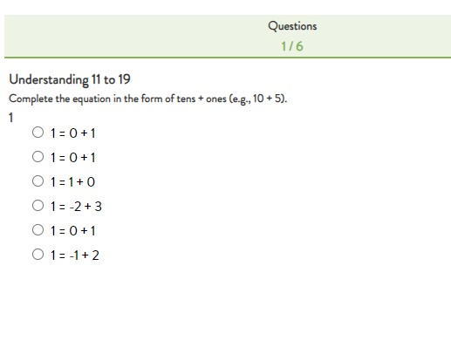
16 | 6
17 | 199
18 | 186 |  | 335
19 | 7 | Multiples Repuesta
20 | 51
21
22
23
24 | 264
25 | 344
33
35
36
37
38
39
40
41
45
46
47
48
49
50
51
52
53
54
55
56
57
58
59
60
61
67
68
70
71
72
73
74
75
76
77
78
79
80
81
82
83
84
85
86
87
88
89
90
91
92
93
94
95
96
97
98
99
100
101
102
104
105
106
109
110
111
112
113
114
115
116
117
118
119
120
121
122
124
125
126
127
128
129
130
131
132
133
134
135
136
137
138
139
140
141
142
144
145
146
147
148
149
150
151
152
153
154
155
156
157
158
159
161
162
163
164
165
166
167
168
169
170
171
172
173
174
176
177
179
181
182
183
184
185
187
188
189
190
191
192
193
194
196
197
198
199
200
202
203
204
205
206
207
208
209
210
211
212
213
215
216
217
219
220
221
222
223
224
225
226
227
228
229
230
231
232
233
234
236
237
238
239
240
241
242
243
244
245
246
248
249
250
251
252
253
254
255
256
257
258
259
260
261
262
263
264
265
266
267
268
269
270
271
272
279
280
281
282
283
284
288
289
290
291
293
294
295
296
297
298
300
301
302
303
304
305
306
307
308
309
310
311
312
313
314
315
316
317
318
319
320
321
322
323
324
325
326
327
328
329
330
331
334
335
336
337
338
339
340
342
343
345
350
352
353
354
355
356
357
358
359
360
361
362
363
364
365
368
370
371
378
379
380
381
383
384
385
398
405

