KPI's
KPI'S REQURIMENT |  |  |  | TOTAL SALES BY ITEM
 |  |  |  | KPI'S REQURIMENT
Sum of Sales | Average of Sales2 | Count of Item Type | Average of Rating
1201681.4928 | 140.99278339 | 8523 | 3.9209198639 | Item Type | Sum of Sales
 |  |  |  | Seafood | $9.1K
 |  |  |  | Breakfast | $15.6K
Total Sales | Avg Sales | No of Items | Avg Rating | Starchy Foods | $21.9K
$1.20M | $141 | 8523 | 3.9 | Others | $22.5K
 |  |  |  | Hard Drinks | $29.3K
TOTAL SALES BY FAT CONTENT |  |  |  | Breads | $35.4K
Row Labels | Sum of Sales |  |  | Soft Drinks | $58.5K
Low Fat | $776.3K |  |  | Meat | $59.4K
Regular | $425.4K |  |  | Health and Hygiene | $68.0K
 |  |  |  | Baking Goods | $81.9K
 |  |  |  | Canned | $90.7K
 |  |  |  | Dairy | $101.3K
 |  |  |  | Frozen Foods | $118.6K
 |  |  |  | Household | $136.0K
 |  |  |  | Snack Foods | $175.4K
 |  |  |  | Fruits and Vegetables | $178.1K

 |  |  |  | TOTAL SALES BY OUTLETS ESTABLISHMENT
TOTAL SALES BY ITEM TYPE |  |  |  | Row Labels | Sum of Sales
Sum of Sales | Column Labels |  |  | 2011 | $78.1K
Row Labels | Regular | Low Fat |  | 2012 | $130.5K
Tier 1 | $121.3K | $215.0K |  | 2014 | $131.8K
Tier 2 | $138.7K | $254.5K |  | 2015 | $130.9K
Tier 3 | $165.3K | $306.8K |  | 2016 | $132.1K
 |  |  |  | 2017 | $133.1K
 |  |  |  | 2018 | $204.5K
 |  |  |  | 2020 | $129.1K
 |  |  |  | 2022 | $131.5K

 | TOTAL SALES BY OUT LET SALES
 | Row Labels | Sum of Sales
 | High | $249.0K
 | Medium | $507.9K
 | Small | $444.8K

 |  |  |  | TOTAL SALES BY OUT LET SALES
 |  |  |  | Row Labels | Sum of Sales
 |  |  |  | Tier 3 | $472.1K
 |  |  |  | Tier 2 | $393.2K
 |  |  |  | Tier 1 | $336.4K

 |  |  |  | OUTLET LOCATION | SALES
 |  |  |  | Tier 3 | $472.1K
 |  |  |  | Tier 2 | $393.2K
 |  |  |  | Tier 1 | $336.4K

 | TOTAL SALES BY OUT LET TYPE
 |  | Sum of Sales
 | Grocery Store | $151.9K
 | Supermarket Type3 | $130.7K
 | Supermarket Type2 | $131.5K
 | Supermarket Type1 | $787.5K

 |  | AVG SALES BY ITEM TYPE
 |  | Row Labels | Average of Sales
 |  | Grocery Store | $140
 |  | Supermarket Type3 | $140
 |  | Supermarket Type2 | $142
 |  | Supermarket Type1 | $141

 |  | Row Labels | Count of Item Type
 |  | Grocery Store | 1083
 |  | Supermarket Type3 | 935
 |  | Supermarket Type2 | 928
 |  | Supermarket Type1 | 5577

dashboard
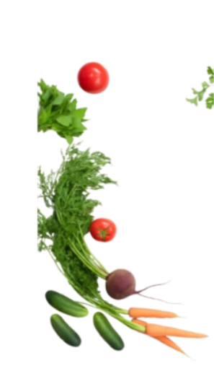
 | Total
2011 | $78.1K
2012 | $130.5K
2014 | $131.8K
2015 | $130.9K
2016 | $132.1K
2017 | $133.1K
2018 | $204.5K
2020 | $129.1K
2022 | $131.5K
OUTLET ESTABLISHMENT
blinkit
$1.20M
$141

TOTAL SALES
AVERAGE SALES
India's Last Minute App

FILTER PANEL
8523
3.9

NO OF ITEMS
RATING

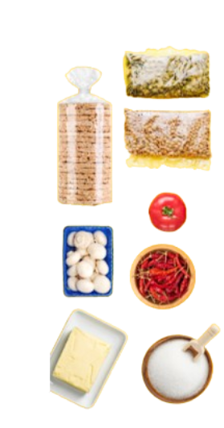
FAT CONTENT
ITEM TYPE
ITEM TYPE
OUTLET SIZE
OUTLET LOCATION
 | Total
Low Fat | $776.3K
Regular | $425.4K
 | Total
Seafood | $9.1K
Breakfast | $15.6K
Starchy Foods | $21.9K
Others | $22.5K
Hard Drinks | $29.3K
Breads | $35.4K
Soft Drinks | $58.5K
Meat | $59.4K
Health and Hygiene | $68.0K
Baking Goods | $81.9K
Canned | $90.7K
Dairy | $101.3K
Frozen Foods | $118.6K
Household | $136.0K
Snack Foods | $175.4K
Fruits and Vegetables | $178.1K
 | Total
High | $249.0K
Medium | $507.9K
Small | $444.8K

FAT BY OUTLET

 | Regular | Low Fat
Tier 1 | $121.3K | $215.0K
Tier 2 | $138.7K | $254.5K
Tier 3 | $165.3K | $306.8K
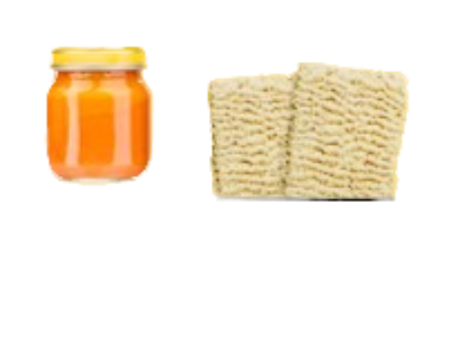
 | Total
Grocery Store | $151.9K
Supermarket Type3 | $130.7K
Supermarket Type2 | $131.5K
Supermarket Type1 | $787.5K
 | Total
Grocery Store | 1083
Supermarket Type3 | 935
Supermarket Type2 | 928
Supermarket Type1 | 5577
 | Total
Grocery Store | $140
Supermarket Type3 | $140
Supermarket Type2 | $142
Supermarket Type1 | $141

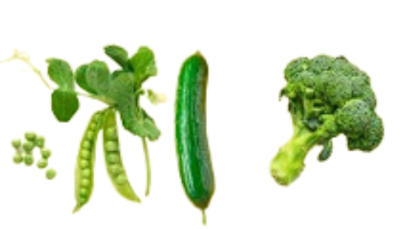



TOTAL SALES
AVG SALES
NO OF ITEMS

