hot water
appliance | Grid electricity kWh/year | Gas usage MJ/yr | gas usage kwh | total_energy_kwh | coeff
Electric storage 160L, continuous tariff^{2} | 3407 | 0 | 0 | 3407 | 1 | source: https://www.climatecouncil.org.au/wp-content/uploads/2022/10/Switch-and-save-methods.pdf
Gas storage 170L 5 or 6 Star^{3} | 0 | 16175 | 4496.65 | 4496.65 | 0.75767515817 | table 3
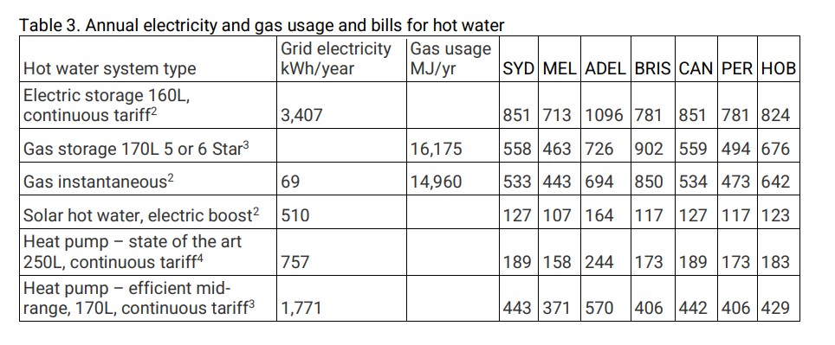
Gas instantaneous^{2} | 69 | 14960 | 4158.88 | 4227.88 | 0.80584122539
Solar hot water, electric boost^{2} | 510 | 0 | 0 | 510 | 6.6803921569
Heat pump – state of the art 250L, continuous tariff^{4} | 757 | 0 | 0 | 757 | 4.500660502
Heat pump – efficient mid-range, 170L, continuous tariff^{3} | 1771 | 0 | 0 | 1771 | 1.9237718803

cooking_archive
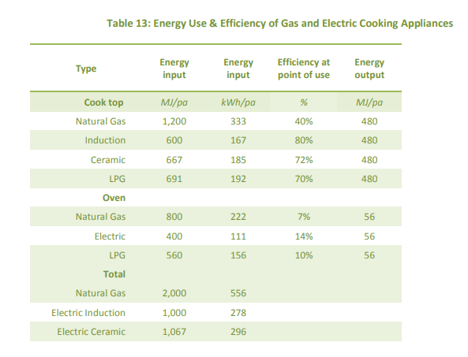
appliance | input | coeff | fuel | source | https://renew.org.au/wp-content/uploads/2018/08/Household_fuel_choice_in_the_NEM_Revised_June_2018.pdf
Natural gas | 2000 | 0.5 | gas | table 13
induction | 1000 | 1 | electric
ceramic | 1067 | 0.93720712277 | electric

