object
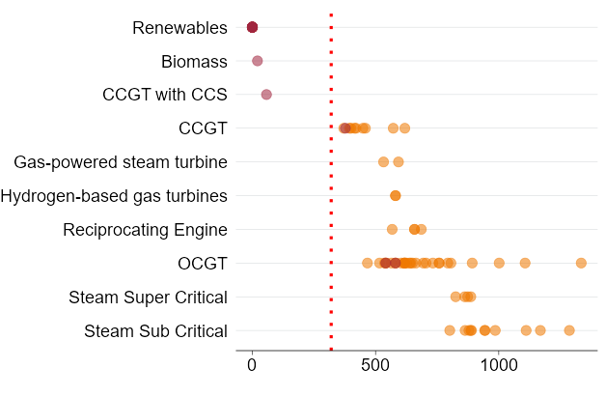
Generator | Technology | Scope_1_emissions_intensity_kg_m_wh_as_gen | Status
Bayswater | Steam Sub Critical | 889.20195571 | existing
Eraring | Steam Sub Critical | 878.93797993 | existing
Mt Piper | Steam Sub Critical | 801.16441153 | existing
Vales Point B | Steam Sub Critical | 944.70328066 | existing
Callide B | Steam Sub Critical | 942.84090578 | existing
Callide C | Steam Super Critical | 873.95273811 | existing
Gladstone | Steam Sub Critical | 985.80450366 | existing
Kogan Creek | Steam Super Critical | 861.93351942 | existing
Millmerran | Steam Super Critical | 825.24986181 | existing
Stanwell | Steam Sub Critical | 863.4612606 | existing
Tarong | Steam Sub Critical | 886.59979457 | existing
Tarong North | Steam Super Critical | 886.59979457 | existing
Loy Yang A Power Station | Steam Sub Critical | 1168.8606403 | existing
Loy Yang B | Steam Sub Critical | 1111.1527515 | existing
Yallourn W | Steam Sub Critical | 1286.6018671 | existing
Tallawarra | CCGT | 370.97123676 | existing
Condamine A | CCGT | 448.78002995 | existing
Darling Downs | CCGT | 420.66783129 | existing
Swanbank E GT | CCGT | 393.97667394 | existing
Townsville Power Station | CCGT | 571.80919158 | existing
Yarwun Cogen | CCGT | 458.80843169 | existing
Osborne | CCGT | 414.66923714 | existing
Pelican Point | CCGT | 400.249066 | existing
Tamar Valley Combined Cycle | CCGT | 618.76940249 | existing
Colongra | OCGT | 625.44892562 | existing
Smithfield Energy Facility | OCGT | 704.96928477 | existing
Uranquinty | OCGT | 564.21962993 | existing
Barcaldine Power Station | OCGT | 793.26287979 | existing
Braemar | OCGT | 616.52757512 | existing
Braemar 2 Power Station | OCGT | 616.52757512 | existing
Mt Stuart | OCGT | 1001.6305645 | existing
Oakey Power Station | OCGT | 663.68319863 | existing
Roma | OCGT | 649.89841966 | existing
Dry Creek GT | OCGT | 892.1893404 | existing
Hallett GT | OCGT | 642.65592342 | existing
Ladbroke Grove | OCGT | 516.23637136 | existing
Mintaro GT | OCGT | 693.54157873 | existing
Port Lincoln GT | OCGT | 1334.5888261 | existing
Quarantine | OCGT | 603.97669838 | existing
Snapper Point Power Station | OCGT | 541.60074568 | existing
Snuggery | OCGT | 1106.8763326 | existing
Bell Bay Three | OCGT | 618.76940249 | existing
Tamar Valley Peaking | OCGT | 618.76940249 | existing
Bairnsdale | OCGT | 537.04892136 | existing
Jeeralang A | OCGT | 757.95805387 | existing
Jeeralang B | OCGT | 757.95805387 | existing
Laverton North | OCGT | 638.18008485 | existing
Mortlake | OCGT | 467.11177052 | existing
Somerton | OCGT | 732.5947355 | existing
Valley Power | OCGT | 805.78374063 | existing
Torrens Island B | Gas-powered steam turbine | 593.04108523 | existing
Newport | Gas-powered steam turbine | 532.54289525 | existing
Angaston | Reciprocating Engine | 685.7579572 | existing
Barker Inlet Power Station | Reciprocating Engine | 567.50734392 | existing
Lonsdale | Reciprocating Engine | 657.98462852 | existing
Port Stanvac 1 | Reciprocating Engine | 657.98462852 | existing
Kurri Kurri OCGT | OCGT | 580.98467037 | existing
Tallawarra B | OCGT | 580.98467037 | existing
Bolivar Power Station | OCGT | 541.60074568 | existing
Kogan Gas | Hydrogen-based gas turbines | 580.98467037 | existing
SA Hydrogen Turbine | Hydrogen-based gas turbines | 580.98467037 | existing
All Pumped Hydro | Renewables | 0 | existing
All Large scale solar PV | Renewables | 0 | existing
All Wind | Renewables | 0 | existing
All Hydro | Renewables | 0 | existing
All Battery Storage | Renewables | 0 | existing
OCGT (small GT) | OCGT | 541.60074568 | new entrant
OCGT (large GT) | OCGT | 580.98467037 | new entrant
CCGT | CCGT | 377.67042462 | new entrant
CCGT with CCS | CCGT with CCS | 57.446960352 | new entrant
Biomass | Biomass | 20.84401294 | new entrant
Large scale Solar PV | Renewables | 0 | new entrant
Solar Thermal (15hrs storage) | Renewables | 0 | new entrant
Battery Storage (1hr storage) | Renewables | 0 | new entrant
Battery storage (2hrs storage) | Renewables | 0 | new entrant
Battery storage (4hrs storage) | Renewables | 0 | new entrant
Battery storage (8hrs storage) | Renewables | 0 | new entrant
Wind | Renewables | 0 | new entrant
Wind - offshore (fixed) | Renewables | 0 | new entrant
Wind - offshore (floating) | Renewables | 0 | new entrant
Pumped Hydro (8hrs storage) | Renewables | 0 | new entrant
Pumped Hydro (24hrs storage) | Renewables | 0 | new entrant
Pumped Hydro (48hrs storage) | Renewables | 0 | new entrant
BOTN - Cethana | Renewables | 0 | new entrant
Hydrogen reciprocating engines | Renewables | 0 | new entrant

