cooking
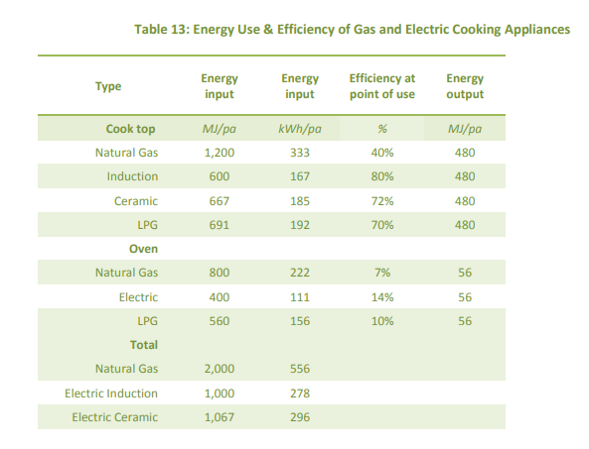
https://renew.org.au/wp-content/uploads/2018/08/Household_fuel_choice_in_the_NEM_Revised_June_2018.pdf

elec_consumption_MJ | gas_consumption_MJ | coefficient_efficiency
2000 | 1000 | 0.5

 |  |  | assume conversion between gas and induction

