Sheet1
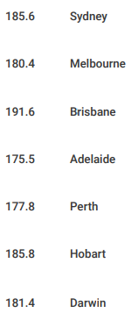
state | city | c_l
NSW and ACT | Sydney | 185.6 | source: | https://www.accc.gov.au/system/files/australian-petroleum-market-report-march-2025.pdf
Vic | Melbourne | 180.4
Qld | Brisbane | 191.6
SA | Adelaide | 175.5
WA | Perth | 177.8
Tas | Hobart | 185.8
NT | Darwin | 181.4

