Metadata
Agricultural Census data,
Source: https://www.ine.pt/xportal/xmain?xpid=INE&xpgid=ine_base_dados&contexto=bd&selTab=tab2,
Report: https://www.ine.pt/xportal/xmain?xpid=INE&xpgid=ine_publicacoes&PUBLICACOESpub_boui=437178558&PUBLICACOESmodo=2,
,
,
,
Column,Description | educação (nº de pessoas por nível de educação)
NutsID,"Code NUTS 2013, according to https://smi.ine.pt/Categoria/Parent/3503" | força laboral por tipo
DICOFRE,code DICOFRE of CAOP | produção (valor por área e valor total)
region_name,region name | efectivo animal por espécie
year,year | prados e pastagens (área e nº de explorações)
edu_none,Familiar agricultural population (No.) and Level of education - None | culturas temporárias (área e nº de explorações)
edu_basic,Familiar agricultural population (No.) and Level of education - Basic | culturas permanentes (área e nº de explorações)
edu_secondary,Familiar agricultural population (No.) and Level of education - Secondary / post-secondary
edu_superior,Familiar agricultural population (No.) and Level of education - Superior
labour_family,Volume of agricultural labour force (AWU) and Type of labour force - Family labour force
labour_holder,Volume of agricultural labour force (AWU) and Type of labour force - Holder
labour_spouse,Volume of agricultural labour force (AWU) and Type of labour force - Spouse
labour_other_family,Volume of agricultural labour force (AWU) and Type of labour force - Other family members
labour_non_family,Volume of agricultural labour force (AWU) and Type of labour force - Non-family labour force
labour_regular,Volume of agricultural labour force (AWU) and Type of labour force - Regular
labour_non_regular,Volume of agricultural labour force (AWU) and Type of labour force - Non-regular
labour_not_hired,Volume of agricultural labour force (AWU) and Type of labour force - Workers not hired by the holder
production_eur,Value of total standard production (â‚¬) of agricultural holdings
production_area,Average value of total standard output by hectare of utilised agricultural area (â‚¬/ ha)
livestock_cattle,Livestock (No.) of agricultural holdings - Cattle
livestock_pigs,Livestock (No.) of agricultural holdings - Pigs
livestock_sheep,Livestock (No.) of agricultural holdings - Sheep
livestock_goats,Livestock (No.) of agricultural holdings - Goats
livestock_equidae,Livestock (No.) of agricultural holdings - Equidae
livestock_poultry,Livestock (No.) of agricultural holdings - Poultry
livestock_rabbits,Livestock (No.) of agricultural holdings - Rabbits
livestock_hives,Livestock (No.) of agricultural holdings - Inhabited hives and traditional cork hives
grassland_area,Area of permanent grassland and meadow (ha)
grassland_holdings,Agricultural holdings with permanent grassland and meadow (No.)
cereals_area,Area of temporary crops (ha) - Cereals
dried_pulses_area,Area of temporary crops (ha) - Dried pulses
grasses_area,Area of temporary crops (ha) - Temporary grasses and grazings
fodder_area,Area of temporary crops (ha) - Fodder plants
potatoes_area,Area of temporary crops (ha) - Potatoes
sugarbeets_area,Area of temporary crops (ha) - Sugarbeets
industrial_crops_area,Area of temporary crops (ha) - Industrial crops
fresh_veg_area,Area of temporary crops (ha) - Fresh vegetables
flowers_area,Area of temporary crops (ha) - Flowers and ornamental plants
other_temp_crops_area,Area of temporary crops (ha) - Other temporary crops
cereals_area,Agricultural holdings with temporary crops (No.) - Cereals
dried_pulses_area,Agricultural holdings with temporary crops (No.) - Dried pulses
grasses_area,Agricultural holdings with temporary crops (No.) - Temporary grasses and grazings
fodder_area,Agricultural holdings with temporary crops (No.) - Fodder plants
potatoes_area,Agricultural holdings with temporary crops (No.) - Potatoes
sugarbeets_area,Agricultural holdings with temporary crops (No.) - Sugarbeets
industrial_crops_area,Agricultural holdings with temporary crops (No.) - Industrial crops
fresh_veg_area,Agricultural holdings with temporary crops (No.) - Fresh vegetables
flowers_area,Agricultural holdings with temporary crops (No.) - Flowers and ornamental plants
other_temp_crops_area,Agricultural holdings with temporary crops (No.) - Other temporary crops
fresh_fruit_area,Area of permanent crops (ha) - Fresh fruit plantations (excluding citrus plantations)
citrus_area,Area of permanent crops (ha) - Citrus plantations
fruit_area,Area of permanent crops (ha) - Fruit plantations (subtropical climate zones)
nuts_area,Area of permanent crops (ha) - Nuts plantations
olive_area,Area of permanent crops (ha) - Olive plantations
vineyards_area,Area of permanent crops (ha) - Vineyards
other_permanent_crop_area,Area of permanent crops (ha) - Other permanent crops
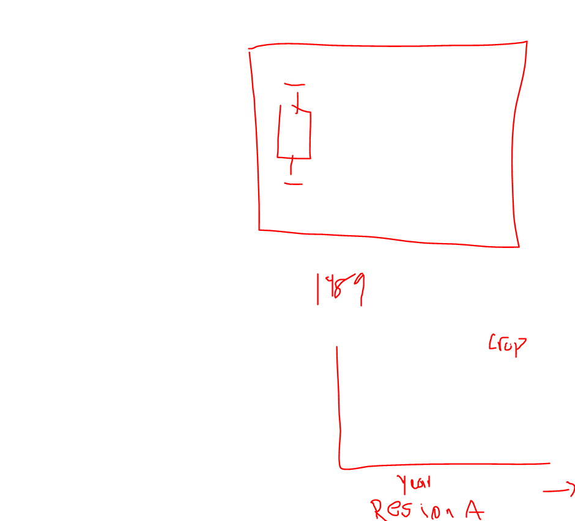
fresh_fruit_holdings,Agricultural holdings with permanent crops (No.) - Fresh fruit plantations (excluding citrus plantations)
citrus_holdings,Agricultural holdings with permanent crops (No.) - Citrus plantations
fruit_holdings,Agricultural holdings with permanent crops (No.) - Fruit plantations (subtropical climate zones)
nuts_holdings,Agricultural holdings with permanent crops (No.) - Nuts plantations
olive_holdings,Agricultural holdings with permanent crops (No.) - Olive plantations
vineyard_holdings,Agricultural holdings with permanent crops (No.) - Vineyards
other_permanent_crop_holdings,Agricultural holdings with permanent crops (No.) - Other permanent crops

