f_ONd
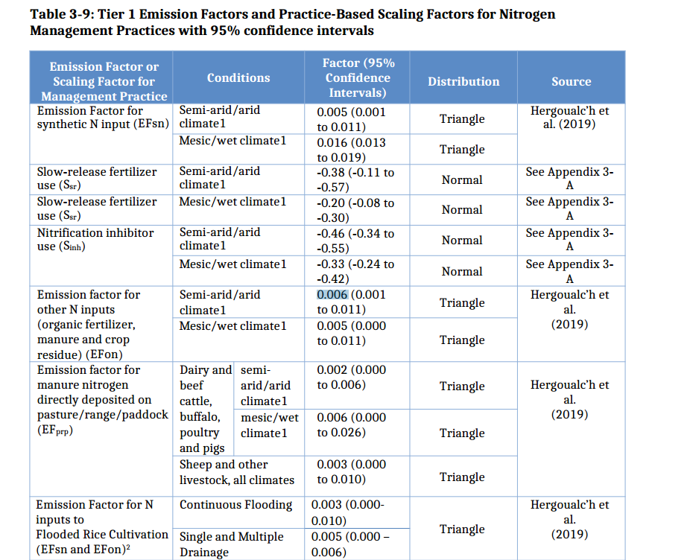
Direct, organic N2O |  |  |  | EF for N applied |  |  |  | Range |  |  |  |  | Dispersion
 |  | Gigaton units | IPCC units | IPCC units |  |  |  |  |  | IPCC units | IPCC units |  |  |  | IPCC units | IPCC units | IPCC units | IPCC units
 |  | Gigaton | Units | Mean | Distribution | Sign | Sample Size |  |  | CI low | CI high | logsd |  |  | Std Dev | Std Error |  |  | Source | Notes
 |  |  |  |  |  |  |  |  |  | Efdirect, org | Efdirect, org |  |  |  | Efdirect, org | Efdirect, org
 |  | kg-N2O/kgNlost |  | kg-N2O-N/kgNlost |  |  |  |  |  | kg-N2O-N/kgNlost | kg-N2O-N/kgNlost |  |  |  | kg-N2O-N/kgNlost | kg-N2O-N/kgNlost
 | Moisture | f_{ONd} |  | f_{ONd} |  |  |  |  |  | f_{ONd} | f_{ONd}
 | Dry | 0.0079 | kg-N2O-N/kgNlost | 0.005 | lognormal | non-negative | 163 |  |  | 0 | 0.011 | 0.00268 |  |  | 0.036 | 0.003 | IPCC 2019 |  | IPCC 2019 | Direct organic N2O emissions
 | Moist | 0.0094 | kg-N2O-N/kgNlost | 0.006 | lognormal | non-negative | 163 |  |  | 0.001 | 0.011 | 0.00255102 |  |  | 0.033 | 0.003 | IPCC 2019 |  | IPCC 2019

Indirect organic N2O |  |  |  |  |  |  |  |  | IPCC units | IPCC units | IPCC units |  |  | IPCC units | IPCC units | IPCC units
 |  | Gigaton | Units | Mean | Distribution | Sign | Sample Size | Distribution | Mean | CI low | CI high | Sample Size | Distribution | Mean | CI low | CI high
 |  | kg-N2O/kgNlost |  | kg-N2O-N/kgNlost |  |  |  |  | kg-N2O-N/kgNlost |  |  |  |  | kg-N2O-N/kgNlost
 | Moisture | f_{ONv} |  | f_{ONv} |  |  | FracGASM | FracGASM | FracGASM | FracGASM | FracGASM | EFvol | EFvol | EFvol | EFvol | EFvol |  |  |  | Organic Volatilization
 | Dry | 0 | kg-N2O-N/kgNlost | 0 | normal | non-negative | 254 | log-normal | 0.21 | 0 | 0.31 | 212 | normal | 0.005 | 0 | 0.011 |  |  | IPCC 2019 | Not applied in FAST-GHG
 | Moist | 0 | kg-N2O-N/kgNlost | 0 | normal | non-negative | 254 | log-normal | 0.21 | 0 | 0.31 | 212 | normal | 0.014 | 0.011 | 0.017 |  |  | IPCC 2019 | Included in equation so manure could be added in future.

 |  |  |  |  |  |  |  |  | IPCC units | IPCC units | IPCC units |  |  | IPCC units | IPCC units | IPCC units
 |  | Gigaton | Units | Mean | Distribution | Sign | Sample Size | Distribution | Mean | CI low | CI high | Sample Size | Distribution | Mean | CI low | CI high
 |  | kg-N2O/kgNlost |  | kg-N2O-N/kgNlost |  |  |  |  | kg-N2O-N/kgNlost |  |  |  |  | kg-N2O-N/kgNlost
 | Moisture | f_{ONl} |  | f_{ONl} |  |  | FracLeach | FracLeach | FracLeach | FracLeach | FracLeach | Efleach | Efleach | Efleach | Efleach | Efleach |  |  |  | Organic leaching indirect N2O
 | Dry | 0 | kg-N2O-N/kgNlost | 0 | normal | non-negative |  |  | 0 | 0 | 0 |  |  |  |  |  |  |  | IPCC 2019 | Assumed no leaching in dry systems
 | Moist | 0.00415 | kg-N2O-N/kgNlost | 0.00264 | log-normal | non-negative | 355 | log-normal | 0.24 | 0.01 | 0.73 | 648 | normal | 0.011 | 0 | 0.02 |  |  | IPCC 2019 | Moist systems has leaching

 |  | Suggest to replace F_Onv and F_Onl with a single aggregated factor for indirect emissions, based on USDA 2021 method
 | Moisture | f_{ONi} | log_sd | distribution
 | Dry | 0.006 | 0.31 | lognormal
 | Moist | 0.005 | 0.4 | lognormal

