_DSC3751-1-topaz-remove-
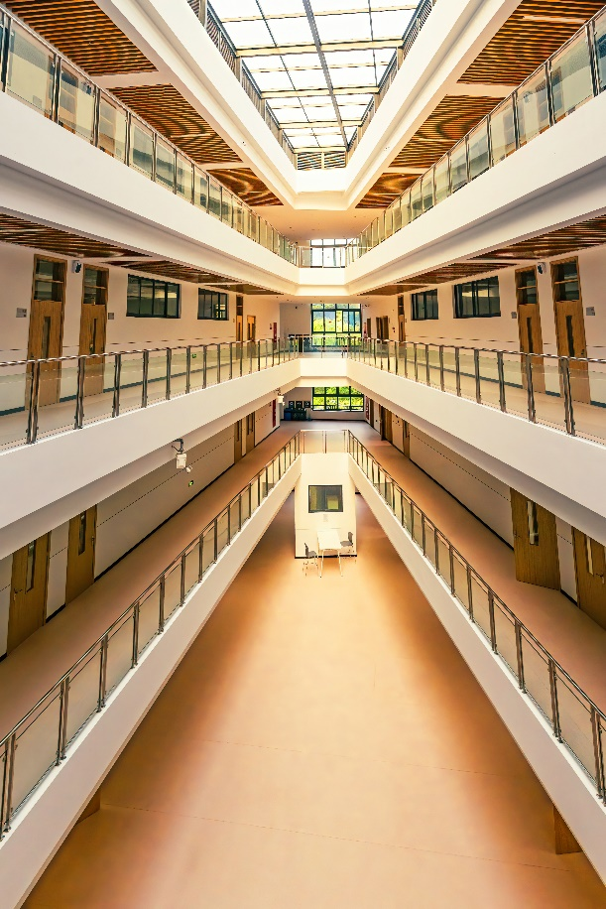
比例 | RGB色值 | 十六进制色值 | 颜色
24.00% | (227, 194, 151) | #E3C297
19.00% | (236, 225, 204) | #ECE1CC
16.00% | (193, 155, 117) | #C19B75
13.00% | (117, 72, 25) | #754819
11.00% | (142, 102, 61) | #8E663D
8.00% | (148, 130, 108) | #94826C
5.00% | (190, 121, 64) | #BE7940
4.00% | (61, 47, 23) | #3D2F17

_DSC3733-1
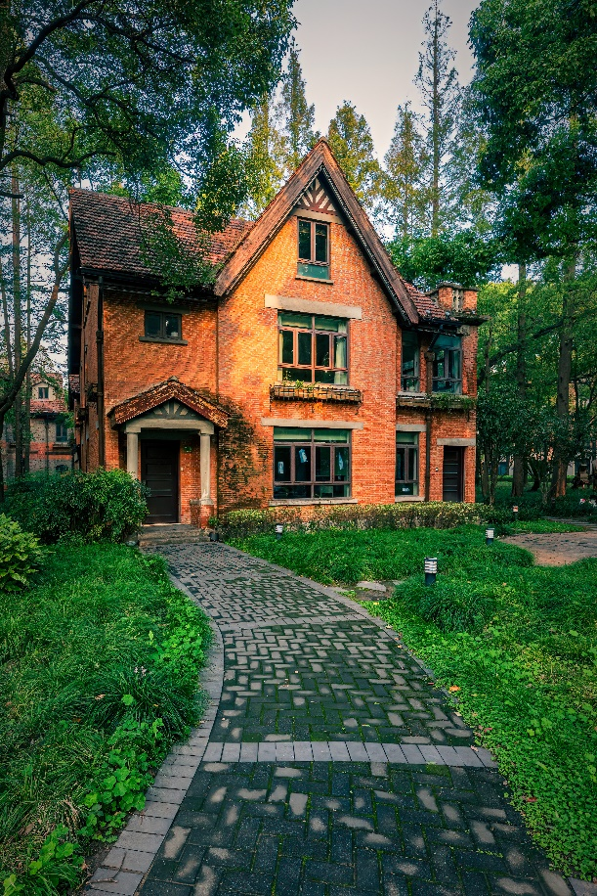
比例 | RGB色值 | 十六进制色值 | 颜色
49.00% | (26, 54, 36) | #1A3624
17.00% | (40, 101, 39) | #286527
13.00% | (117, 122, 117) | #757A75
5.00% | (204, 200, 198) | #CCC8C6
4.00% | (121, 105, 62) | #79693E
4.00% | (69, 98, 100) | #456264
4.00% | (213, 116, 64) | #D57440
3.00% | (113, 71, 46) | #71472E

_DSC3729-2
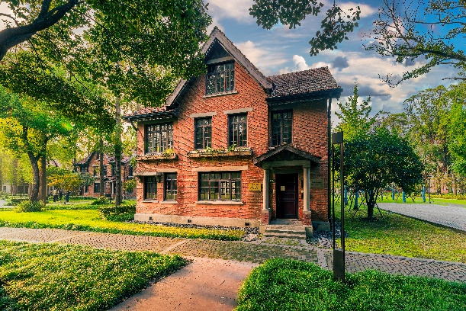
比例 | RGB色值 | 十六进制色值 | 颜色
31.00% | (32, 52, 30) | #20341E
22.00% | (121, 124, 45) | #797C2D
13.00% | (60, 99, 30) | #3C631E
13.00% | (128, 122, 109) | #807A6D
8.00% | (204, 141, 103) | #CC8D67
6.00% | (205, 196, 189) | #CDC4BD
4.00% | (214, 178, 130) | #D6B282
3.00% | (128, 153, 178) | #8099B2

_DSC3658-1
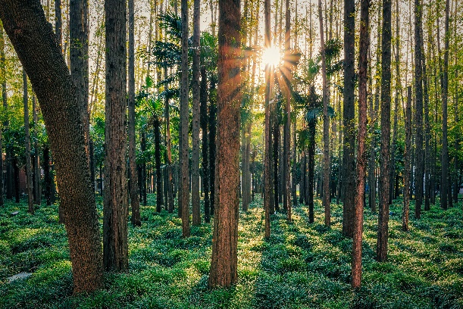
比例 | RGB色值 | 十六进制色值 | 颜色
54.00% | (38, 52, 41) | #263429
13.00% | (115, 116, 59) | #73743B
13.00% | (56, 98, 56) | #386238
7.00% | (136, 132, 99) | #888463
4.00% | (199, 179, 133) | #C7B385
4.00% | (219, 206, 188) | #DBCEBC
3.00% | (100, 74, 55) | #644A37
2.00% | (181, 157, 115) | #B59D73

