Sheet1
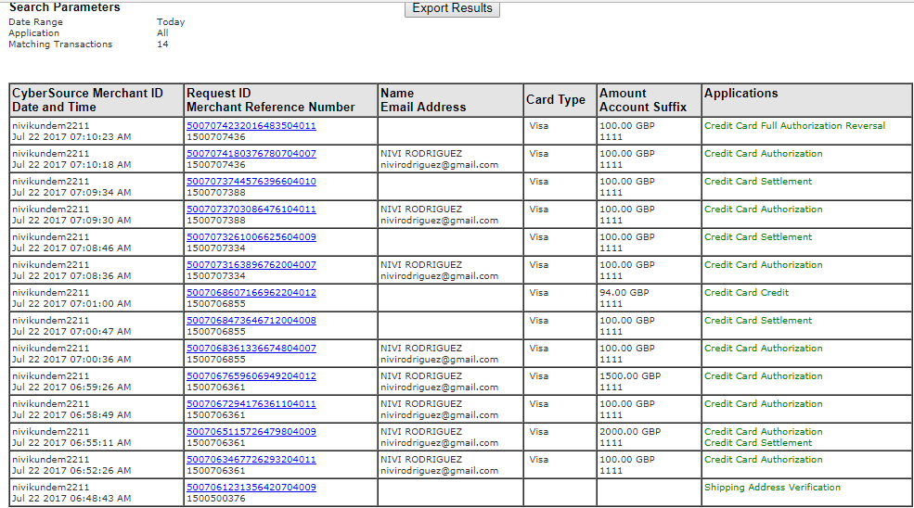
 | Cybersource requests list

1 | Shipping address verification | Address Verification (AV) is a CyberSource service that provides customers the ability to verify whether a address is valid . By using postal address files obtained from postal administrations around the world, this service validates and standardizes addresses for the United States, Canada, and over 200 countries and territories worldwide

2 | Credit card authorization | You request an authorization when a customer makes a purchase. An authorization, provided by the customer’s card issuing bank, confirms the cardholder’s ability to pay, ensuring that the customer's credit card account is in good standing with sufficient funds to complete the purchase.

3 | Credit card settlement | After providing a service/product to the customer, you ‘capture’ the relevant information from the authorization and submit it in a capture/settlement request that your processor uses to initiate a funds transfer between the customer's credit card account and your checking account.

4 | Credit card authorisation and settlement | Combines the authorization and capture process in one transaction. Credit card associations require that you submit a sale transaction request only when you fulfill an order immediately. For example, when selling an item over the counter in a retail store. Transactions that include physical shipments are not fulfilled until shipment, usually sometime after the customer ‘purchases’ the product, and so would not qualify as a sales transaction.

5 | Credit card authorisation reversal | An authorization is valid for 7-10 business days following the initial authorization. To reverse the authorization before it expires, you need to send the transaction's authorization code.

6 | Credit card capture | After providing a service/product to the customer, you ‘capture’ the relevant information from the authorization and submit it in a capture/settlement request that your processor uses to initiate a funds transfer between the customer's credit card account and your checking account.

7 | Credit card follow on [auth+capture+then follow on] | Follow-on credits allow you to credit your customers' credit card account in the case that you need to issue a refund. This credit functionality is available after the capture has been settled. A follow-on credit references a prior capture transaction in the CyberSource system, and may be requested within 60 days of the original authorization;

8 | Installment request with Visa | You must specify the number of payments, the amount and frequency of each payment, and the start date for processing the payments. CyberSource creates a schedule based on this information and automatically bills the customer according to the schedule.

9 | Fully approved request | When you use a debit card or prepaid card and only a partial amount was approved, the amount of the reversal must be the amount that was authorized, not the amount that was requested.

Sheet2
 | 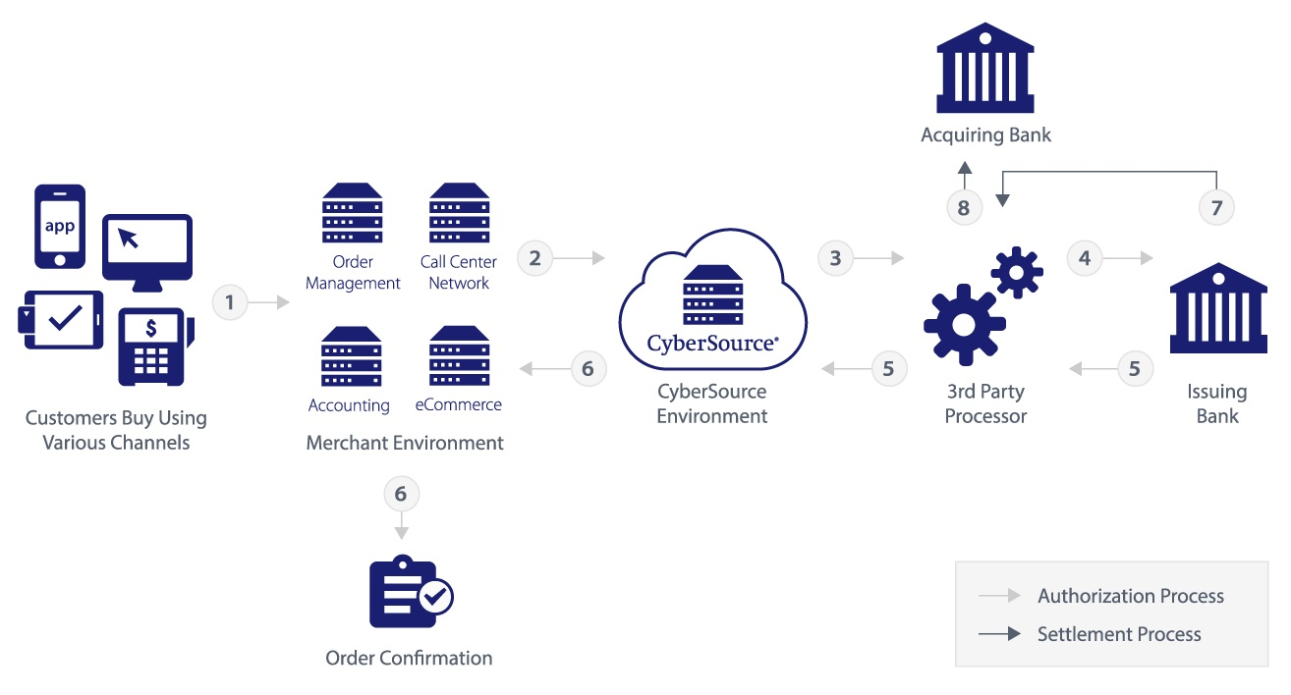

The following figure shows the steps that occur when you request an online credit card authorization.
1. The customer places an order and provides the credit card number, the card expiration date, and additional information about the card.
2. Merchant securely transfers order information to CyberSource (for example, using the CyberSource Payment API).
3. CyberSource formats the transaction details appropriately and securely routes the transaction authorization request through its payment gateway to the processor.
4. The transaction is then routed to the issuing bank (purchaser's bank) to request transaction authorization.
5. The transaction is authorized or declined by the issuing bank or card (Discover or American Express).
6. CyberSource returns the message to the merchant.
7. Merchant captures the authorization. Issuing bank approves transfer of money to the acquiring bank.
8. The acquiring bank credits the merchant's account.

