Sheet1
Network IP: 208.167.98.0/23 - 512 adrese => ultima adresa: 208.167.99.255
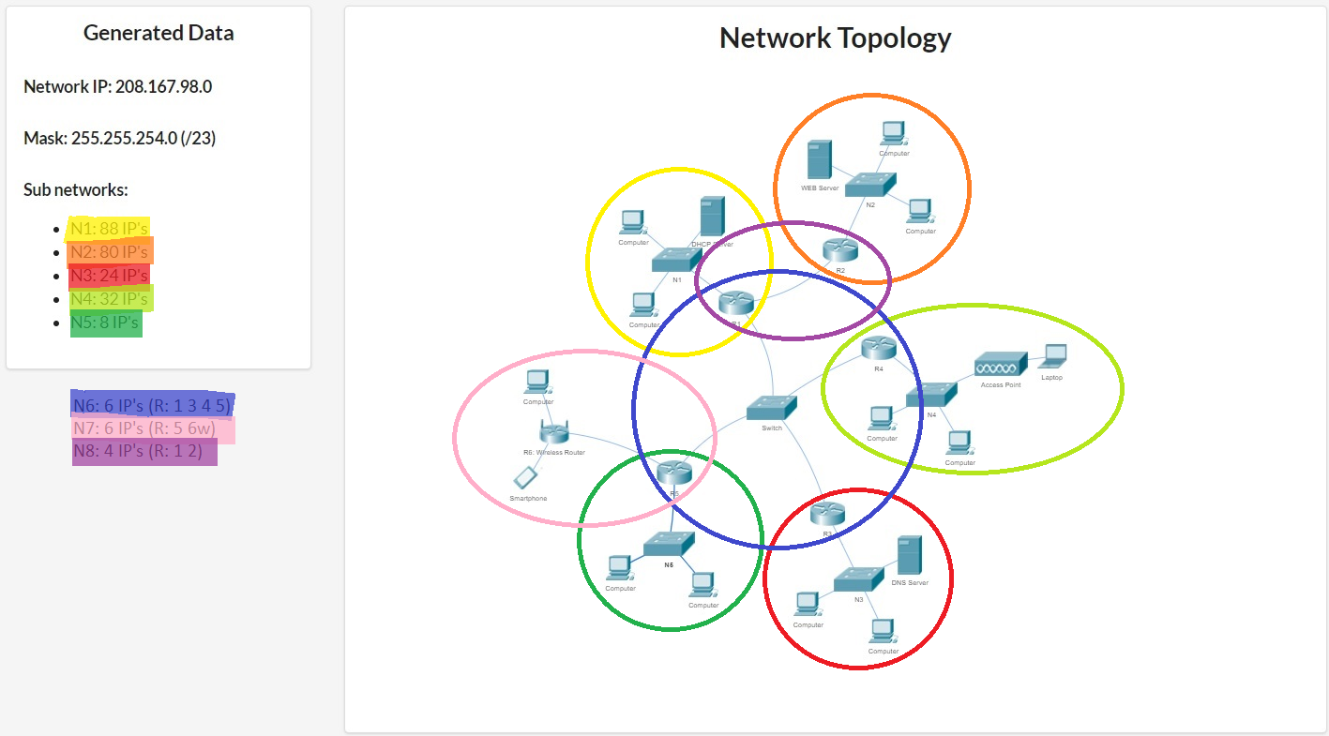
Network | Nr IP | Dim | Adr. retea | Adr. Broadcast
N1 | 88+3=91 | 128 | 208.167.98.0/25 | 208.167.98.127/25
N2 | 80+3=83 | 128 | 208.167.98.128/25 | 208.167.98.255/25
N4 | 32+3=35 | 64 | 208.167.99.0/26 | 208.167.99.63/26
N3 | 24+3=27 | 32 | 208.167.99.64/27 | 208.167.99.95/27
N5 | 8+3=11 | 16 | 208.167.99.96/28 | 208.167.99.111/28
N6 | 4+2=6 | 8 | 208.167.99.112/29 | 208.167.99.119/29
N7 | 3+3 | 8 | 208.167.99.120/29 | 208.167.99.127/29
N8 | 2+2=4 | 4 | 208.167.99.128/30 | 208.167.99.131/30

Network | Router | Adresa | Server | Adresa
N1 | R1 | …98.1 | S1 DHCP | …98.2
N2 | R2 | …98.129 | S2 WEB | …98.130
N4 | R4 | …99.1
N3 | R3 | …99.65 | S3 DNS | …99.66
N5 | R5 | …99.97
N6 | R1 | …99.113
 | R3 | …99.114
 | R4 | …99.115
 | R5 | …99.116
N7 | R5 | …99.121
 | R6w | …99.122
N8 | R1 | …99.129
 | R2 | …99.130

