California
MOU

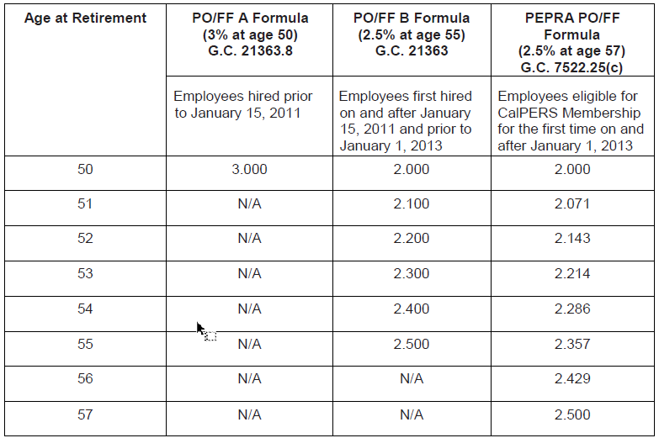
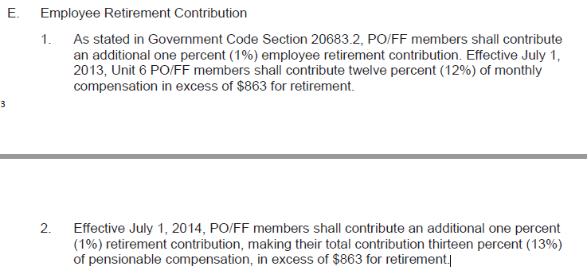

 | See ending 2022 mou section 10.04
eec
 | As stated in Government Code Section 20683.2, PO/FF members shall contribute an additional one percent (1%) employee retirement contribution
 | Effective July 1, 2014, PO/FF members shall contribute an additional one percent (1%) retirement contribution, making their total contribution thirteen percent (13%) of pensionable compensation, in excess of $863 for retirement.
 |  | 863
 |  | 10356

Massachusetts
https://www.mass.gov/service-details/how-to-calculate-your-estimated-pension-benefits-msrb | If you are a member of the State Police Department, a judge, a correction officer seeking a "20/50" retirement, or would like an estimate for a Section 10(2) (termination allowance) or disability retirement, please contact the retirement board for more information.
https://www.ncsl.org/documents/employ/pension-public-safety-table-8-6-12.pdf | NCSL doc suggests Cos are Group 4
http://www.mcofu.com/ | Union
http://www.massretirees.com/
https://malegislature.gov/Laws/GeneralLaws/PartI/TitleIV/Chapter32/Section1

Group classification | https://www.mass.gov/service-details/group-classification-overview-msrb | Group One Members are officials and general employees including clerical, administrative and technical workers, laborers, mechanics, and all others not otherwise classified. | Group Two Members in this group include probation officers, court officers, certain correctional positions whose major duties require them to have the care, custody, instruction or supervision of prisoners, and certain positions who provide direct care, custody, instruction or supervision of persons with mental illness or developmental disabilities. ...Those seeking Group 2 classification must be at least 55 years of age to be considered; | Group Three Members are exclusively State Police officers. Any member of the State Police who has at least 20 years of creditable service with the State Police may elect to retire at any age prior to age 55. State Police officers should contact the State Board of Retirement for more information with regard to their retirement benefits. | Group Four Members include certain public safety officers and officials, correction officers and certain other correction positions, and parole officers or parole supervisors. ...Those seeking Group 4 classification must be at least 45 years old to be considered.
Age for purposes of retirement |  |  | The classification of some or all your creditable service increases the age factor used to calculate a retirement allowance, which will increase your eventual benefit. For example, five years are added to one’s age for Group 2 and ten years for Group 4.
Employee contributions

 | new hire | prior | major
Tier notes | For members entering service on and after April 2, 2012: - All members must have a minimum of 10 years creditable service - Members in Group 1 must be a minimum of 60 years of age - Members in Group 2 must be a minimum of 55 years of age - Members in Group 4 must be a minimum of 50 years of age | For members entering service before April 2, 2012: To be eligible to retire, the member must meet one of the following two conditions on their projected date of retirement: - Member has 20 years of full-time creditable service at any age, or - Member has attained age 55 with 10 years creditable service

FAS notes | Members entering service on or after April 2, 2012 should enter the estimated average of your highest sixty (60) consecutive months of annual regular compensation. | Members entering service before April 2, 2012 should enter the estimated average of your highest thirty-six (36) consecutive months of annual regular compensation.
COLA | The COLA is a Cost-of-Living Adjustment for eligible retired state employees receiving a pension. A COLA is handled by the Legislature, which includes Senators, Representatives and the Governor. Each year, they may or may not recommend a COLA amount to include in the state's annual budget. For FY 2021, the recommendation by the Governor, the House, and the Senate was a 3% increase on the first $13,000 of a member's annual pension benefit. https://www.mass.gov/service-details/cola-cost-of-living-adjustment-updates-msrb |  | 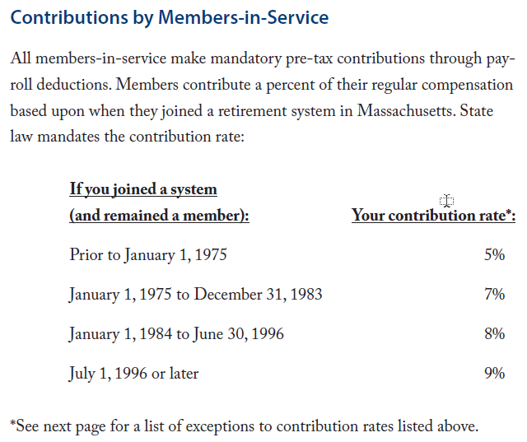 |  | 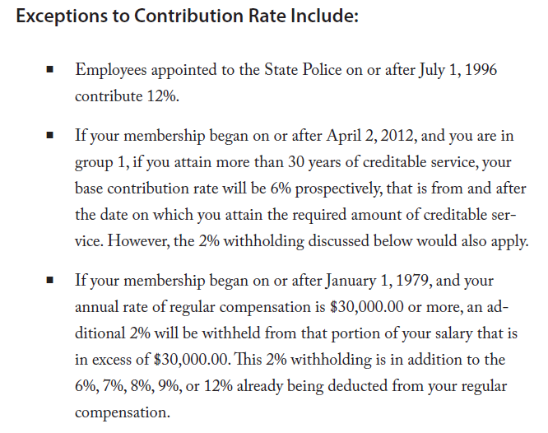
COLA | An FY22 COLA will represent the 23rd consecutive year in which a COLA has been paid to State and Teacher retirees. The current COLA base of $13,000 was established in 2011 and is the focus of ongoing efforts to incrementally increase the amount. ... With very few exceptions, nearly every local retirement board has also approved a 3% COLA in each of the past 23 years. http://www.massretirees.com/article/issues/cola/fy22-cola-marks-23-years-increases http://www.massretirees.com/article/issues/cola/cola-base-and-its-history
Social Security | http://www.massretirees.com/article/issues/social-security/breaking-news-wep-gpo

 | new hire | prior | major

ss_covered | FALSE

db_benfactor_min | 1.45%
db_benfactor_normal | 2.50%
db_aor_min | 50
db_aor_normal | 57
db_max_benpct | 80.00%
db_cola_type | legislative
db_cola_rate | 0.00%
db_cola_base | 13,000
db_cola_compound | FALSE
db_fasperiod | 5
db_eec_rate | 9.00%
db_eec_exclude | 0

MA_20_50
https://www.mcla.edu/Assets/MCLA-Files/Administrative-Offices/HR/GS-Perc-forms/MSERS_presentation.pdf

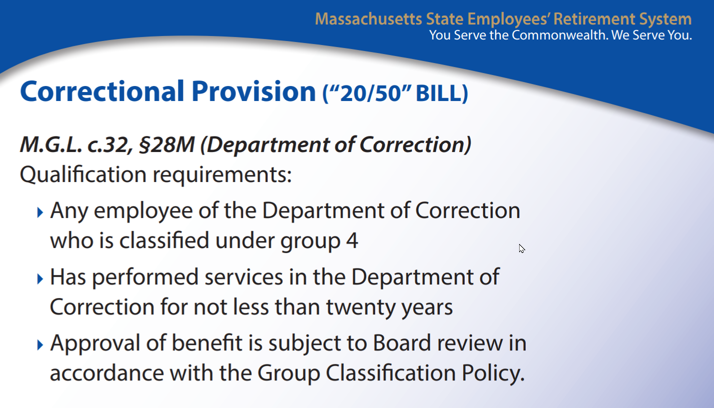

 | M.G.L. c.32 section 28M correction retirement
 | https://malegislature.gov/laws/generallaws/parti/titleiv/chapter32/section28m
 | massachusetts general laws chapter 32 section 28 department of correction employees retirement

 |  | Section 28M: Department of correction employees; retirement Section 28M. Notwithstanding the provisions of sections one to twenty-eight, inclusive, to the contrary, any employee of the department of correction, classified under Group 4, whose major responsibilities include the care and custody of prisoners, and any transportation officer working within the department of correction, who has performed services in the department of correction for not less than twenty years shall, at his own request, be retired by said retirement board. Upon retirement under the provisions of this section a member shall receive a retirement allowance to become effective on the date of his retirement. Payments under such allowance shall be made as provided for in section twelve and thirteen and the normal yearly amount thereof shall be equal to one-half of the annual average rate of his regular compensations during the twelve-month period of his creditable service immediately preceding the date his retirement allowance becomes effective; provided, however, that the total amount of the allowance shall be increased by one-twelfth of one percent for each full month of service in excess of twenty years' service and prior to the last day of the month in which such member will attain the age of retirement. Any member retired under the provisions of this section who is a veteran as defined in section one shall receive an additional yearly retirement allowance of fifteen dollars for each year of creditable service or fraction thereof; provided, however, that the total amount of said additional retirement allowance shall not exceed three hundred dollars in any case.

MA_examples
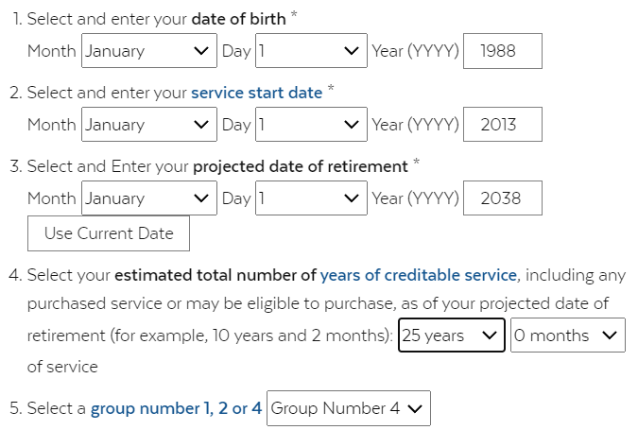
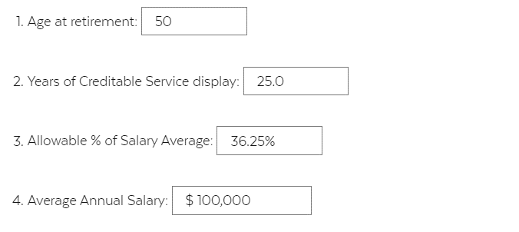
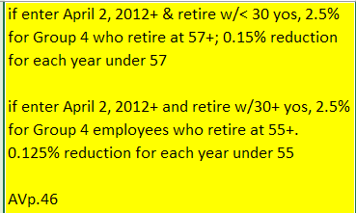
https://www.mass.gov/service-details/retirement-pension-estimator

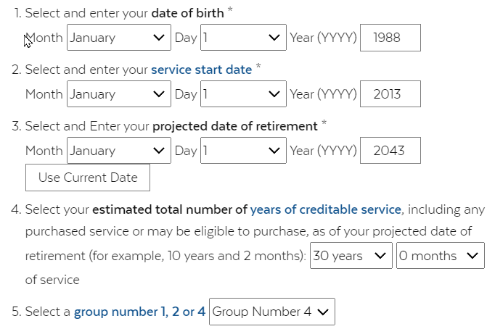
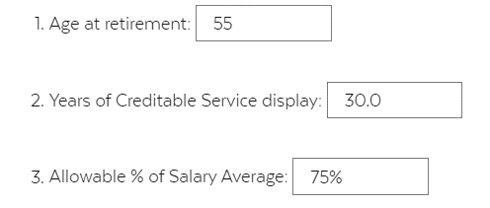
 | retage | yos | Base benfactor | reduc years | reduction | benfactor | pctfas
 | 55 | 30 | 0.025 |  | 0 | 0.025 | 75.00%

 |  |  |  |  | 0.0015
 | retage | yos | Base benfactor | reduc years | reduction | benfactor | pctfas
 | 50 | 25 | 0.025 | 7 | 0.0105 | 0.0145 | 36.25%

Texas
