pps_summary
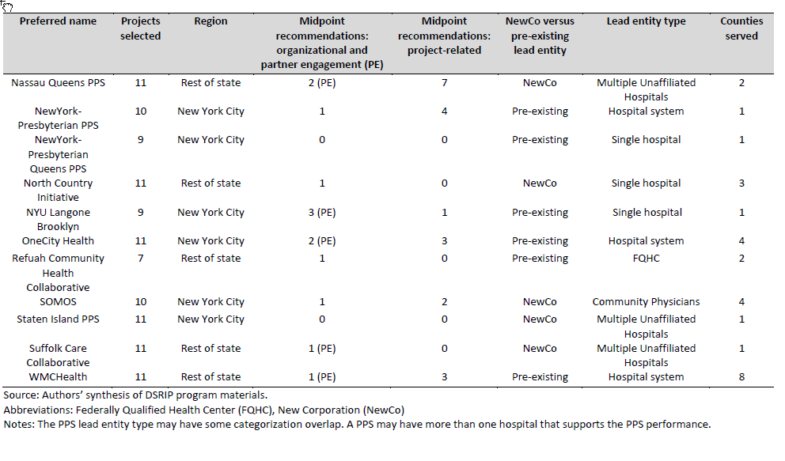
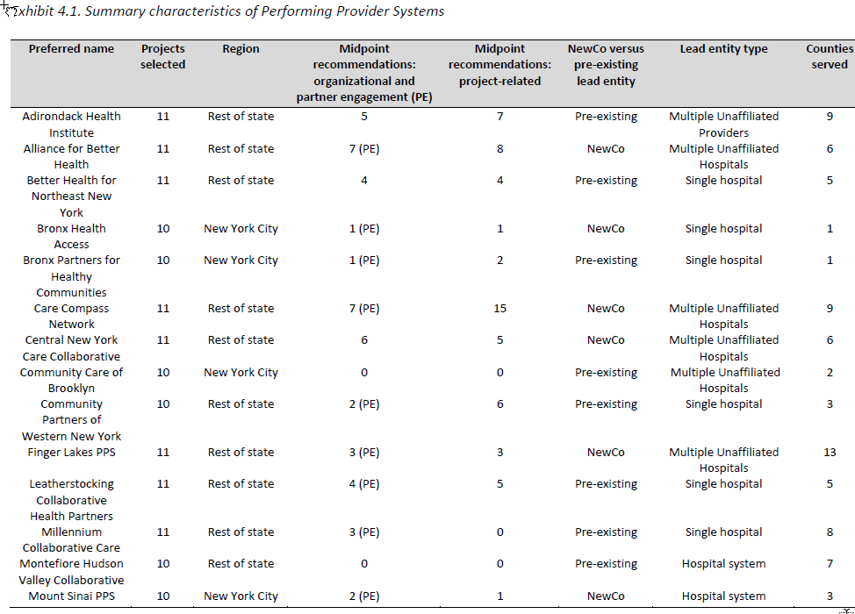
 | Source: NYS DSRIP Final Interim Evaluation 8-2-19.pdf

 | Exhibit 4.1. Summary characteristics of Performing Provider Systems
 | Preferred name | Projects selected | Region | Midpoint recommendations: organizational and partner engagement (PE) | Midpoint recommendations: project-related | NewCo versus pre-existing lead entity | Lead entity type | Counties served
PPS_ID | preferred_name | nprojects | region | oepe | projrelated | entity_type | lead_entity_type | ncounties
23 | Adirondack Health Institute | 11 | Rest of state | 5 | 7 | Pre-existing | Multiple Unaffiliated Providers | 9
3 | Alliance for Better Health | 11 | Rest of state | 7 (PE) | 8 | NewCo | Multiple Unaffiliated Hospitals | 6
1 | Better Health for Northeast New York | 11 | Rest of state | 4 | 4 | Pre-existing | Single hospital | 5
27 | Bronx Health Access | 10 | New York City | 1 (PE) | 1 | NewCo | Single hospital | 1
36 | Bronx Partners for Healthy Communities | 10 | New York City | 1 (PE) | 2 | Pre-existing | Single hospital | 1
44 | Care Compass Network | 11 | Rest of state | 7 (PE) | 15 | NewCo | Multiple Unaffiliated Hospitals | 9
8 | Central New York Care Collaborative | 11 | Rest of state | 6 | 5 | NewCo | Multiple Unaffiliated Hospitals | 6
33 | Community Care of Brooklyn | 10 | New York City | 0 | 0 | Pre-existing | Multiple Unaffiliated Hospitals | 2
46 | Community Partners of Western New York | 10 | Rest of state | 2 (PE) | 6 | Pre-existing | Single hospital | 3
9 | Finger Lakes PPS | 11 | Rest of state | 3 (PE) | 3 | NewCo | Multiple Unaffiliated Hospitals | 13
22 | Leatherstocking Collaborative Health Partners | 11 | Rest of state | 4 (PE) | 5 | Pre-existing | Single hospital | 5
48 | Millennium Collaborative Care | 11 | Rest of state | 3 (PE) | 0 | Pre-existing | Single hospital | 8
19 | Montefiore Hudson Valley Collaborative | 10 | Rest of state | 0 | 0 | Pre-existing | Hospital system | 7
34 | Mount Sinai PPS | 10 | New York City | 2 (PE) | 1 | NewCo | Hospital system | 3
14 | Nassau Queens PPS | 11 | Rest of state | 2 (PE) | 7 | NewCo | Multiple Unaffiliated Hospitals | 2
39 | New York-Presbyterian PPS | 10 | New York City | 1 | 4 | Pre-existing | Hospital system | 1
40 | New York-Presbyterian Queens PPS | 9 | New York City | 0 | 0 | Pre-existing | Single hospital | 1
45 | North Country Initiative | 11 | Rest of state | 1 | 0 | NewCo | Single hospital | 3
32 | NYU Langone Brooklyn | 9 | New York City | 3 (PE) | 1 | Pre-existing | Single hospital | 1
52 | OneCity Health | 11 | New York City | 2 (PE) | 3 | Pre-existing | Hospital system | 4
20 | Refuah Community Health Collaborative | 7 | Rest of state | 1 | 0 | Pre-existing | FQHC | 2
25 | SOMOS | 10 | New York City | 1 | 2 | NewCo | Community Physicians | 4
43 | Staten Island PPS | 11 | New York City | 0 | 0 | NewCo | Multiple Unaffiliated Hospitals | 1
16 | Suffolk Care Collaborative | 11 | Rest of state | 1 (PE) | 0 | NewCo | Multiple Unaffiliated Hospitals | 1
21 | WMCHealth | 11 | Rest of state | 1 (PE) | 3 | Pre-existing | Hospital system | 8
 | Source: Authors’ synthesis of DSRIP program materials. Abbreviations: Federally Qualified Health Center (FQHC), New Corporation (NewCo) Notes: The PPS lead entity type may have some categorization overlap. A PPS may have more than one hospital that supports the PPS performance.

