Sheet1
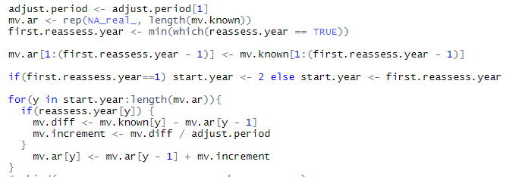
fullname | year | assess.cycle | initial.reassess.year | reassess.year | adjust.period | mv | mv.known | mv.ar | mv.diff | mv.increm | mv.ardjb | should be
basic-shock-medium | 1 | 2 | 0 | FALSE | 1 | 100,000 | 100,000 | 100,000 |  |  | 100,000.00
basic-shock-medium | 2 | 2 | 0 | TRUE | 1 | 92,500 | 100,000 | 100,000 | - | - | 100,000
basic-shock-medium | 3 | 2 | 0 | FALSE | 1 | 83,250 | 100,000 | 100,000 | - | - | 100,000
basic-shock-medium | 4 | 2 | 0 | TRUE | 1 | 79,088 | 83,250 | 83,250 | (16,750) | (16,750) | 83,250
basic-shock-medium | 5 | 2 | 0 | FALSE | 1 | 81,460 | 83,250 | 66,500 | (16,750) | (16,750) | 66,500
basic-shock-medium | 6 | 2 | 0 | TRUE | 1 | 83,904 | 81,460 | 81,460 | 14,960 | 14,960 | 81,460
basic-shock-medium | 7 | 2 | 0 | FALSE | 1 | 86,421 | 81,460 | 96,420 | 14,960 | 14,960 | 96,420
basic-shock-medium | 8 | 2 | 0 | TRUE | 1 | 90,742 | 86,421 | 86,421 | (9,999) | (9,999) | 86,421
basic-shock-medium | 9 | 2 | 0 | FALSE | 1 | 95,279 | 86,421 | 76,422 | (9,999) | (9,999) | 76,422
basic-shock-medium | 10 | 2 | 0 | TRUE | 1 | 100,043 | 95,279 | 95,279 | 18,857 | 18,857 | 95,279
basic-shock-medium | 11 | 2 | 0 | FALSE | 1 | 105,045 | 95,279 | 114,137 | 18,857 | 18,857 | 114,137
basic-shock-medium | 12 | 2 | 0 | TRUE | 1 | 110,298 | 105,045 | 105,045 | (9,091) | (9,091) | 105,045
basic-shock-medium | 13 | 2 | 0 | FALSE | 1 | 115,812 | 105,045 | 95,954 | (9,091) | (9,091) | 95,954
basic-shock-medium | 14 | 2 | 0 | TRUE | 1 | 121,603 | 115,812 | 115,812 | 19,858 | 19,858 | 115,812
basic-shock-medium | 15 | 2 | 0 | FALSE | 1 | 127,683 | 115,812 | 135,671 | 19,858 | 19,858 | 135,671

 |  | adjust.period |  | 1
 |  | first rar |  | 2
 |  | start year |  | 2

fullname | year | assess.cycle | initial.reassess.year | reassess.year | adjust.period | mv.true | mv.known | mv.on.ar
shock-medium-basic | 1 | 2 | 0 | FALSE | 1 | 100,000 | 100,000 | 100,000
shock-medium-basic | 2 | 2 | 0 | TRUE | 1 | 92,500 | 100,000 | 100,000
shock-medium-basic | 3 | 2 | 0 | FALSE | 1 | 83,250 | 100,000 | 100,000
shock-medium-basic | 4 | 2 | 0 | TRUE | 1 | 79,088 | 83,250 | 83,250
shock-medium-basic | 5 | 2 | 0 | FALSE | 1 | 81,460 | 83,250 | 83,250
shock-medium-basic | 6 | 2 | 0 | TRUE | 1 | 83,904 | 81,460 | 81,460
shock-medium-basic | 7 | 2 | 0 | FALSE | 1 | 86,421 | 81,460 | 81,460
shock-medium-basic | 8 | 2 | 0 | TRUE | 1 | 90,742 | 86,421 | 86,421
shock-medium-basic | 9 | 2 | 0 | FALSE | 1 | 95,279 | 86,421 | 86,421
shock-medium-basic | 10 | 2 | 0 | TRUE | 1 | 100,043 | 95,279 | 95,279
shock-medium-basic | 11 | 2 | 0 | FALSE | 1 | 105,045 | 95,279 | 95,279
shock-medium-basic | 12 | 2 | 0 | TRUE | 1 | 110,298 | 105,045 | 105,045
shock-medium-basic | 13 | 2 | 0 | FALSE | 1 | 115,812 | 105,045 | 105,045
shock-medium-basic | 14 | 2 | 0 | TRUE | 1 | 121,603 | 115,812 | 115,812
shock-medium-basic | 15 | 2 | 0 | FALSE | 1 | 127,683 | 115,812 | 115,812

