plans
 |  | local means non-exempt local |  |  | basis points
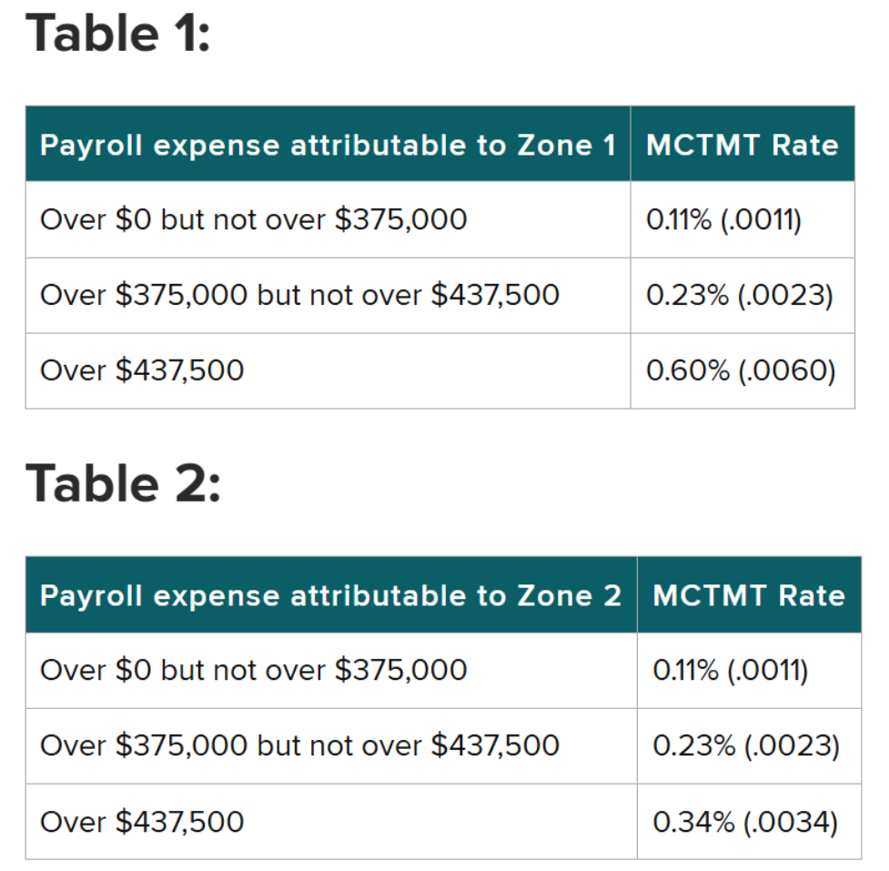
ownerf | owner_short | nyc | lower | upper | current | dob1

1 | private | TRUE | 0 | 1,250,000 | - | -
1 | private | TRUE | 1,250,000 | 1,500,000 | 11.0 | 5.5
1 | private | TRUE | 1,500,000 | 1,750,000 | 23.0 | 11.5
1 | private | TRUE | 1,750,000 | 10,000,000 | 60.0 | 60.0
1 | private | TRUE | 10,000,000 | 1.00E+99 | 60.0 | 89.5
1 | private | FALSE | 0 | 1,250,000 | - | -
1 | private | FALSE | 1,250,000 | 1,500,000 | 11.0 | 5.5
1 | private | FALSE | 1,500,000 | 1,750,000 | 23.0 | 23.0
1 | private | FALSE | 1,750,000 | 10,000,000 | 34.0 | 34.0
1 | private | FALSE | 10,000,000 | 1.00E+99 | 34.0 | 63.5

3 | state | TRUE | 0 | 1,250,000 | - | -
3 | state | TRUE | 1,250,000 | 1,500,000 | 11.0 | 5.5
3 | state | TRUE | 1,500,000 | 1,750,000 | 23.0 | 11.5
3 | state | TRUE | 1,750,000 | 10,000,000 | 60.0 | 60.0
3 | state | TRUE | 10,000,000 | 1.00E+99 | 60.0 | 89.5
3 | state | FALSE | 0 | 1,250,000 | - | -
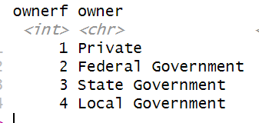
3 | state | FALSE | 1,250,000 | 1,500,000 | 11.0 | 5.5
3 | state | FALSE | 1,500,000 | 1,750,000 | 23.0 | 23.0
3 | state | FALSE | 1,750,000 | 10,000,000 | 34.0 | 34.0
3 | state | FALSE | 10,000,000 | 1.00E+99 | 34.0 | 63.5

4 | local | TRUE | 0 | 1,250,000 | - | -
4 | local | TRUE | 1,250,000 | 1,500,000 | 11.0 | 5.5
4 | local | TRUE | 1,500,000 | 1,750,000 | 23.0 | 11.5
4 | local | TRUE | 1,750,000 | 10,000,000 | 60.0 | 60.0
4 | local | TRUE | 10,000,000 | 1.00E+99 | 60.0 | 60.0
4 | local | FALSE | 0 | 1,250,000 | - | -
4 | local | FALSE | 1,250,000 | 1,500,000 | 11.0 | -
4 | local | FALSE | 1,500,000 | 1,750,000 | 23.0 | -
4 | local | FALSE | 1,750,000 | 10,000,000 | 34.0 | -
4 | local | FALSE | 10,000,000 | 1.00E+99 | 34.0 | -

2 | federal | TRUE | 0 | 1,250,000 | - | -
2 | federal | TRUE | 1,250,000 | 1,500,000 | - | -
2 | federal | TRUE | 1,500,000 | 1,750,000 | - | -
2 | federal | TRUE | 1,750,000 | 10,000,000 | - | -
2 | federal | TRUE | 10,000,000 | 1.00E+99 | - | -
2 | federal | FALSE | 0 | 1,250,000 | - | -
2 | federal | FALSE | 1,250,000 | 1,500,000 | - | -
2 | federal | FALSE | 1,500,000 | 1,750,000 | - | -
2 | federal | FALSE | 1,750,000 | 10,000,000 | - | -
2 | federal | FALSE | 10,000,000 | 1.00E+99 | - | -

