flipped_collapsed
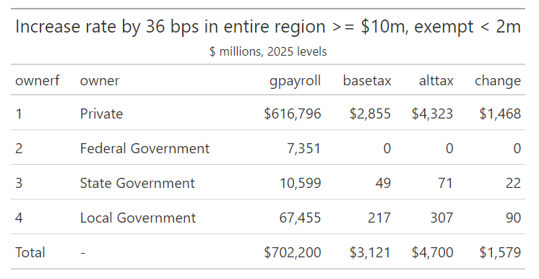
paygroup | paylabel | name | private_NYC | private_suburbs | private_mta | public_NYC | public_suburbs | public_mta | NYC | suburbs | mta | ex1 | ex2 | ex3 | ex4
2.00 | >= 1,250,000 - < 1,500,000 | tax1bp | 0.39 | 0.44 | 0.84 | 0.00 | 0.00 | 0.00 | 0.39 | 0.44 | 0.84
3.00 | >= 1,500,000 - < 1,750,000 | tax1bp | 0.23 | 0.19 | 0.41 | 0.00 | 0.00 | 0.00 | 0.23 | 0.19 | 0.41
4.00 | >= 1,750,000 - < 2,000,000 | tax1bp | 0.29 | 0.15 | 0.44 | 0.00 | 0.01 | 0.01 | 0.29 | 0.17 | 0.45
5.00 | >= 2,000,000 - < 5,000,000 | tax1bp | 3.92 | 1.72 | 5.64 | 0.05 | 0.19 | 0.25 | 3.97 | 1.92 | 5.89
6.00 | >= 5,000,000 - < 10,000,000 | tax1bp | 2.23 | 1.25 | 3.48 | 1.42 | 0.25 | 1.67 | 3.65 | 1.50 | 5.15
7.00 | >= 10,000,000 - < Inf | tax1bp | 35.32 | 6.61 | 41.93 | 2.18 | 0.92 | 3.10 | 37.50 | 7.53 | 45.03 | 1,531.08 | 1,509.49 | 1,621.14 | 1,593.35 | 1576.1115174
2.00 | >= 1,250,000 - < 1,500,000 | taxnow | 4.34 | 4.88 | 9.22 | 0.00 | 0.00 | 0.00 | 4.34 | 4.88 | 9.22 |  |  | (9.22) | (9.22) | (9.22)
3.00 | >= 1,500,000 - < 1,750,000 | taxnow | 5.21 | 4.29 | 9.50 | 0.00 | 0.00 | 0.00 | 5.22 | 4.29 | 9.51 |  |  | (9.51) | (9.51) | (9.51)
4.00 | >= 1,750,000 - < 2,000,000 | taxnow | 17.27 | 5.25 | 22.52 | 0.00 | 0.41 | 0.41 | 17.27 | 5.66 | 22.93 |  |  | (22.93) | (22.93) | (22.93)
5.00 | >= 2,000,000 - < 5,000,000 | taxnow | 235.09 | 58.61 | 293.71 | 3.11 | 6.59 | 9.71 | 238.21 | 65.20 | 303.41
6.00 | >= 5,000,000 - < 10,000,000 | taxnow | 133.76 | 42.54 | 176.29 | 85.15 | 8.45 | 93.61 | 218.91 | 50.99 | 269.90
7.00 | >= 10,000,000 - < Inf | taxnow | 2,119.16 | 224.77 | 2,343.93 | 130.72 | 31.37 | 162.10 | 2,249.88 | 256.15 | 2,506.03
2.00 | >= 1,250,000 - < 1,500,000 | bpnow | 11.00 | 11.00 |  | 0.00 | 0.00
3.00 | >= 1,500,000 - < 1,750,000 | bpnow | 23.00 | 23.00 |  | 23.00 | 0.00
4.00 | >= 1,750,000 - < 2,000,000 | bpnow | 60.00 | 34.00 |  | 0.00 | 34.00
5.00 | >= 2,000,000 - < 5,000,000 | bpnow | 60.00 | 34.00 |  | 60.00 | 34.00
6.00 | >= 5,000,000 - < 10,000,000 | bpnow | 60.00 | 34.00 |  | 60.00 | 34.00
7.00 | >= 10,000,000 - < Inf | bpnow | 60.00 | 34.00 |  | 60.00 | 34.00

 |  |  |  |  |  |  |  |  |  |  | sum | 1,531.08 | 1,509.49 | 1,579.49 | 1,551.69 | 1,534.46
 |  |  |  |  |  |  |  |  |  |  | Kevin (before MTA cost) | 1,531.08 | 1,509.49 | 1,539.50 | 1,511.71
 |  |  |  |  |  |  |  |  |  |  |  |  |  | 39.99 | 39.98

