RobNotes
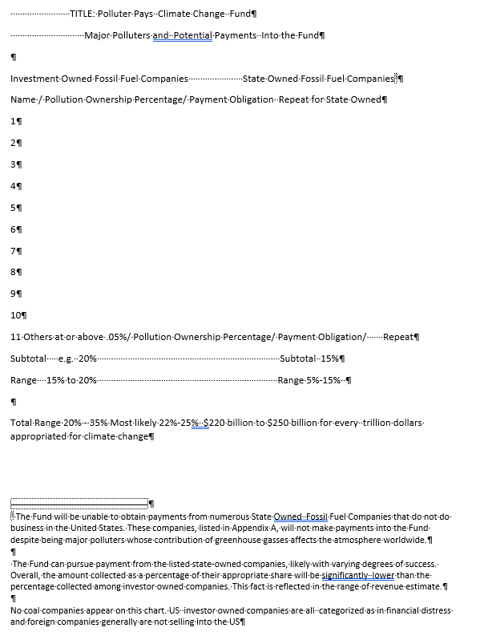

TITLE: Polluter Pays Climate Change Fund
Major Polluters and Potential Payments Into the Fund

Investment Owned Fossil Fuel Companies State Owned Fossil Fuel Companies[1]
Name / Pollution Ownership Percentage/ Payment Obligation Repeat for State Owned
1
2
3
4
5
6
7
8
9
10
11 Others at or above .05%/ Pollution Ownership Percentage/ Payment Obligation/ Repeat
Subtotal e.g. 20% Subtotal 15%
Range 15% to 20% Range 5%-15%

Total Range 20% - 35% Most likely 22%-25% $220 billion to $250 billion for every trillion dollars appropriated for climate change

[1] The Fund will be unable to obtain payments from numerous State Owned Fossil Fuel Companies that do not do business in the United States. These companies, listed in Appendix A, will not make payments into the Fund despite being major polluters whose contribution of greenhouse gasses affects the atmosphere worldwide.

The Fund can pursue payment from the listed state-owned companies, likely with varying degrees of success. Overall, the amount collected as a percentage of their appropriate share will be significantly lower than the percentage collected among investor owned companies. This fact is reflected in the range of revenue estimate.

No coal companies appear on this chart. US investor owned companies are all categorized as in financial distress and foreign companies generally are not selling into the US

[1] The Fund will be unable to obtain payments from numerous State Owned Fossil Fuel Companies that do not do business in the United States. These companies, listed in Appendix A, will not make payments into the Fund despite being major polluters whose contribution of greenhouse gasses affects the atmosphere worldwide.

The Fund can pursue payment from the listed state-owned companies, likely with varying degrees of success. Overall, the amount collected as a percentage of their appropriate share will be significantly lower than the percentage collected among investor owned companies. This fact is reflected in the range of revenue estimate.

No coal companies appear on this chart. US investor owned companies are all categorized as in financial distress and foreign companies generally are not selling into the US

