company_info_from_sipro_djb
ticker | company | exchg_desc | state | country | smg_desc | img_desc | sic | employees | web_addr | perend_y1 | perend_q1 | price | price_date | mktcap_q1 | mktcap_y1 | mktcap_y2 | mktcap_y3 | nit_y1 | nit_y2 | nit_y3 | nit_y4 | nit_y5 | nit_y6 | nit_y7 | snetinc_g1 | snetinc_g5 | inetinc_g1 | inetinc_g5 | uid | uniname | table_name | ptype | symbol | profits2021 | profits2020 | profits2019 | profits2018 | profits2017 | profits2016
BHP | BHP Group Ltd (ADR) | N - New York | VI | Australia | 51 - Basic Materials | 51201080 - Metals & Mining - Diversified | 1011 | 34478 | https://www.bhp.com/ | 2021-06-30 | 2021-06-30 | 53.55 | 2021-10-01 | 184,150.7 | 165,212.2 | 138,334.2 | 125,071.1 | 13,451.0 | 8,736.0 | 9,520.0 | 10,064.0 | 6,694.0 | -312.0 | 4,390.0 | 8.1 | 5.3 | -5.5 | 1.2
BP | BP plc (ADR) | N - New York |  | United Kingdom | 50 - Energy | 50102030 - Oil & Gas - Refining and Marketing | 2911 | 63600 | https://www.bp.com/ | 2020-12-31 | 2021-06-30 | 27.6 | 2021-10-01 | 89,264.9 | 69,170.9 | 127,591.8 | 126,211.8 | -20,729.0 | 4,190.0 | 9,457.0 | 4,327.0 | 172.0 | -6,400.0 | 4,003.0 | -47.3 | -9.0 | -87.9 | -18.7
CNQ | Canadian Natural Resources Ltd | N - New York | AB | Canada | 50 - Energy | 50102020 - Oil & Gas - Exploration and Production | 1311 | 9993 | https://www.cnrl.com/ | 2020-12-31 | 2021-06-30 | 36.8 | 2021-10-01 | 53,338.5 | 28,421.5 | 38,528.1 | 29,409.6 | -343.1 | 4,272.0 | 2,043.7 | 1,890.7 | -160.9 | -502.4 | 3,099.1 | -47.3 | -9.0 | -70.3 | 0.1
EQNR | Equinor ASA (ADR) | N - New York |  | Norway | 50 - Energy | 50102010 - Oil & Gas - Integrated | 1311 | 21245 | https://www.equinor.com/ | 2020-12-31 | 2021-06-30 | 26.31 | 2021-10-01 | 68,836.4 | 53,677.0 | 66,220.7 | 70,411.4 | -5,496.0 | 1,851.0 | 7,539.0 | 4,598.0 | -2,902.0 | -5,170.0 | 3,887.0 | -47.3 | -9.0 | -106.0 | -23.9
LUKOY | NK Lukoil PAO (ADR) | O - Over the counter |  | Russia | 50 - Energy | 50102010 - Oil & Gas - Integrated | 1311 | 102400 | http://www.lukoil.com | 2020-12-31 | 2021-06-30 | 95.92 | 2021-10-01 | 60,029.9 | 44,500.0 | 65,600.5 | 50,512.9 | 229.2 | 8,849.8 | 8,558.8 | 5,793.4 | 2,861.3 | 4,034.0 | 5,430.4 | -47.3 | -9.0 | -106.0 | -23.9
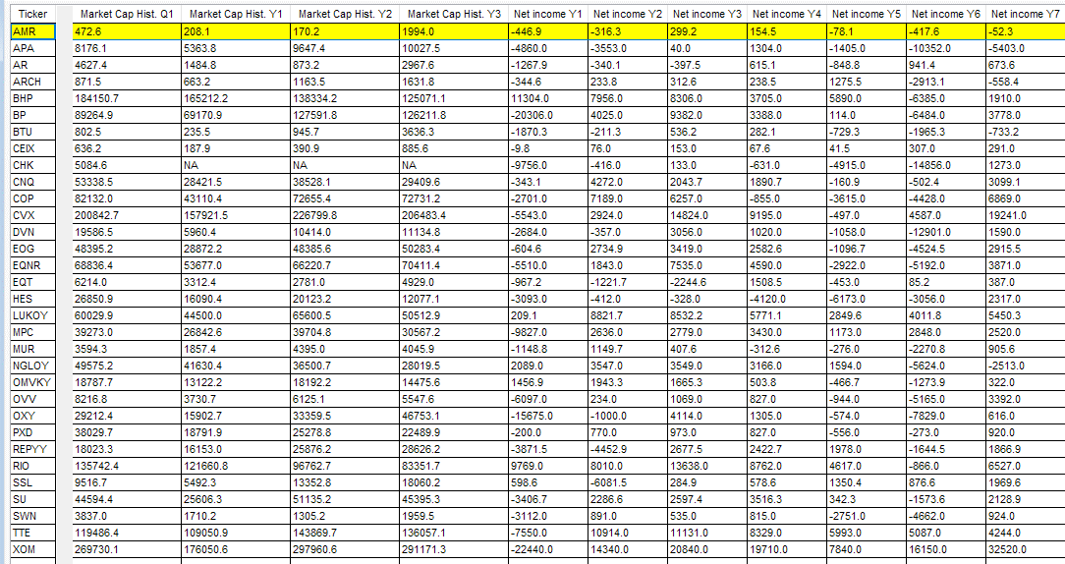
NGLOY | Anglo American plc (ADR) | O - Over the counter |  | United Kingdom | 51 - Basic Materials | 51201080 - Metals & Mining - Diversified | 1011 | 64000 | http://www.angloamerican.com/ | 2020-12-31 | 2021-06-30 | 18 | 2021-10-01 | 49,575.2 | 41,630.4 | 36,500.7 | 28,019.5 | 3,328.0 | 4,582.0 | 4,373.0 | 4,059.0 | 1,926.0 | -5,842.0 | -1,524.0 | 8.1 | 5.3 | -5.5 | 1.2
OMVKY | OMV AG (ADR) | O - Over the counter |  | Austria | 50 - Energy | 50102030 - Oil & Gas - Refining and Marketing | 2899 | 23530 | https://www.omv.com | 2020-12-31 | 2021-06-30 | 61.74 | 2021-10-01 | 18,787.7 | 13,122.2 | 18,192.2 | 14,475.6 | 1,711.7 | 2,486.4 | 2,308.1 | 986.7 | -211.9 | -1,453.4 | 610.3 | -47.3 | -9.0 | -87.9 | -18.7
REPYY | Repsol SA (ADR) | O - Over the counter | MA | Spain | 50 - Energy | 50102030 - Oil & Gas - Refining and Marketing | 2911 | 24542 | https://www.repsol.com/es/ | 2020-12-31 | 2021-06-30 | 13.287 | 2021-10-01 | 18,023.3 | 16,153.0 | 25,876.2 | 28,626.2 | -3,844.9 | -4,388.0 | 2,254.8 | 2,185.3 | 1,714.0 | -1,570.4 | 1,130.3 | -47.3 | -9.0 | -87.9 | -18.7
RIO | Rio Tinto plc (ADR) | N - New York |  | United Kingdom | 51 - Basic Materials | 51201080 - Metals & Mining - Diversified | 1011 | 47500 | http://www.riotinto.com/ | 2020-12-31 | 2021-06-30 | 66.81 | 2021-10-01 | 135,742.4 | 121,660.8 | 96,762.7 | 83,351.7 | 10,400.0 | 6,972.0 | 13,925.0 | 9,290.0 | 4,776.0 | -1,719.0 | 6,499.0 | 8.1 | 5.3 | -5.5 | 1.2
SSL | Sasol Limited (ADR) | N - New York |  | South Africa | 51 - Basic Materials | 51101090 - Chemicals - Diversified | 2869 | 28725 | http://www.sasol.com/ | 2021-06-30 | 2021-06-30 | 18.74 | 2021-10-01 | 9,516.7 | 5,492.3 | 13,352.8 | 18,060.2 | 698.1 | -6,092.3 | 402.6 | 672.5 | 1,425.9 | 996.0 | 2,065.4 | 8.1 | 5.3 | -55.5 | -12.6
SU | Suncor Energy Inc. (USA) | N - New York | AB | Canada | 50 - Energy | 50102030 - Oil & Gas - Refining and Marketing | 2911 | 12889 | http://www.suncor.com/ | 2020-12-31 | 2021-06-30 | 20.96 | 2021-10-01 | 44,594.4 | 25,606.3 | 51,135.2 | 45,395.3 | -3,406.7 | 2,286.6 | 2,597.4 | 3,516.3 | 351.0 | -1,573.6 | 2,128.9 | -47.3 | -9.0 | -87.9 | -18.7
TTE | TotalEnergies SE (ADR) | N - New York |  | France | 50 - Energy | 50102010 - Oil & Gas - Integrated | 2911 | 105476 | https://www.total.com/ | 2020-12-31 | 2021-06-30 | 48.05 | 2021-10-01 | 119,486.4 | 109,050.9 | 143,869.7 | 136,057.1 | -7,336.0 | 11,438.0 | 11,550.0 | 8,299.0 | 6,206.0 | 4,786.0 | 4,250.0 | -47.3 | -9.0 | -106.0 | -23.9
AMR | Alpha Metallurgical Resources | N - New York | TN | United States | 51 - Basic Materials | 51201020 - Metals & Mining - Iron & Steel | 1221 | 3300 | https://alphametresources.com/ | 2020-12-31 | 2021-06-30 | 55.62 | 2021-10-01 | 472.6 | 208.1 | 170.2 | 1,994.0 | -241.5 | -219.6 | 302.9 | 173.7 | -78.1 | -417.6 | -52.3 | 8.1 | 5.3 | -22.1 | 22.3 | 22 | Contura (AlphaNR, Massey), USA | Contura, USA | IOC | AMR |  | -244.0 | -273.0 | 137.0 | 106.0 | -114.0
APA | APA Corp (US) | M - Nasdaq | TX | United States | 50 - Energy | 50102020 - Oil & Gas - Exploration and Production | 1311 | 2272 | https://apacorp.com/ | 2020-12-31 | 2021-06-30 | 21.8 | 2021-10-01 | 8,176.1 | 5,363.8 | 9,647.4 | 10,027.5 | -4,904.0 | -3,682.0 | 550.0 | 1,616.0 | -1,240.0 | -11,159.0 | -3,472.0 | -47.3 | -9.0 | -70.3 | 0.1 | 6 | Apache, USA | Apache, USA | IOC | APA |  | -4,840.0 | -3,008.0 | 958.0 | 918.0 | -1,682.0
AR | Antero Resources Corp | N - New York | CO | United States | 50 - Energy | 50102020 - Oil & Gas - Exploration and Production | 1311 | 504 | http://www.anteroresources.com | 2020-12-31 | 2021-06-30 | 19.18 | 2021-10-01 | 4,627.4 | 1,484.8 | 873.2 | 2,967.6 | -1,260.4 | -293.1 | -45.7 | 1,213.1 | -749.4 | 980.0 | 673.6 | -47.3 | -9.0 | -70.3 | 0.1 | 5 | Antero, USA | Antero, USA | IOC | AR |  | -1,658.0 | -367.0 | -175.0 | 490.0 | -1,246.0
ARCH | Arch Resources Inc | N - New York | MO | United States | 50 - Energy | 50101010 - Coal | 1221 | 3700 | https://www.archrsc.com/ | 2020-12-31 | 2021-06-30 | 97.54 | 2021-10-01 | 871.5 | 663.2 | 1,163.5 | 1,631.8 | -344.6 | 233.8 | 312.6 | 570.9 | 1,275.5 | -2,913.1 | -558.4 | -47.3 | -9.0 | -87.0 | -3.3 | 7 | Arch Coal Company, USA | Arch Coal Company, USA | IOC | ARCH |  | -345.0 | 234.0 | 260.0 | 203.0 | 1,272.0
BTU | Peabody Energy Corporation | N - New York | MO | United States | 50 - Energy | 50101010 - Coal | 1221 | 4600 | https://www.peabodyenergy.com/ | 2020-12-31 | 2021-06-30 | 15.65 | 2021-10-01 | 802.5 | 235.5 | 945.7 | 3,636.3 | -1,859.8 | -188.3 | 655.2 | 991.1 | -663.8 | -1,783.2 | -695.3 | -47.3 | -9.0 | -87.0 | -3.3 | 63 | Peabody Energy, USA | Peabody Energy, USA | IOC | BTU |  | -1,852.0 | -142.0 | 664.0 | 93.0 | -758.0
CEIX | Consol Energy Inc | N - New York | PA | United States | 50 - Energy | 50101010 - Coal | 1221 | 1494 | http://www.consolenergy.com/ | 2020-12-31 | 2021-06-30 | 28.3 | 2021-10-01 | 636.2 | 187.9 | 390.9 | 885.6 | -13.2 | 93.6 | 181.6 | 141.1 | 50.5 | 317.4 | 291.0 | -47.3 | -9.0 | -87.0 | -3.3 | 21 | CONSOL Energy, USA | CONSOL Energy, USA | IOC | CEIX |  | -9.0 | 98.0 | 188.0 | 170.0 | 65.0
CHK | Chesapeake Energy Corp | M - Nasdaq | OK | United States | 50 - Energy | 50102020 - Oil & Gas - Exploration and Production | 1311 | 1300 | http://www.chk.com/ | 2020-12-31 | 2021-06-30 | 62.08 | 2021-10-01 | 5,084.6 |  |  |  | -9,750.0 | -308.0 | 228.0 | -502.0 | -4,399.0 | -14,635.0 | 2,056.0 | -47.3 | -9.0 | -70.3 | 0.1 | 14 | Chesapeake Energy, USA | Chesapeake Energy, USA | IOC | CHK |  | -9,769.0 | -639.0 | 218.0 | -500.0 | -4,589.0
COP | ConocoPhillips | N - New York | TX | United States | 50 - Energy | 50102020 - Oil & Gas - Exploration and Production | 1311 | 10100 | http://www.conocophillips.com/ | 2020-12-31 | 2021-06-30 | 70.1 | 2021-10-01 | 82,132.0 | 43,110.4 | 72,655.4 | 72,731.2 | -2,655.0 | 7,257.0 | 6,295.0 | -1,645.0 | -3,559.0 | -4,371.0 | 5,807.0 | -47.3 | -9.0 | -70.3 | 0.1 | 20 | ConocoPhillips, USA | ConocoPhillips, USA | IOC | COP |  | -3,140.0 | 9,524.0 | 9,973.0 | -2,615.0 | -5,530.0
CVX | Chevron Corporation | N - New York | CA | United States | 50 - Energy | 50102030 - Oil & Gas - Refining and Marketing | 2911 | 47736 | https://www.chevron.com/ | 2020-12-31 | 2021-06-30 | 104.33 | 2021-10-01 | 200,842.7 | 157,921.5 | 226,799.8 | 206,483.4 | -5,561.0 | 2,848.0 | 14,834.0 | 7,249.0 | -431.0 | 4,710.0 | 19,310.0 | -47.3 | -9.0 | -87.9 | -18.7 | 15 | Chevron, USA | Chevron, USA | IOC | CVX |  | -7,453.0 | 5,536.0 | 20,575.0 | 9,221.0 | -2,160.0
DVN | Devon Energy Corp | N - New York | OK | United States | 50 - Energy | 50102020 - Oil & Gas - Exploration and Production | 1311 | 1400 | http://www.devonenergy.com/ | 2020-12-31 | 2021-06-30 | 36.81 | 2021-10-01 | 19,586.5 | 5,960.4 | 10,414.0 | 11,134.8 | -2,543.0 | -79.0 | 714.0 | -5.0 | -1,458.0 | -13,645.0 | 1,691.0 | -47.3 | -9.0 | -70.3 | 0.1 | 26 | Devon Energy, USA | Devon Energy, USA | IOC | DVN |  | -3,090.0 | -109.0 | 944.0 | 40.0 | -1,317.0
EOG | EOG Resources Inc | N - New York | TX | United States | 50 - Energy | 50102020 - Oil & Gas - Exploration and Production | 1311 | 2900 | http://www.eogresources.com | 2020-12-31 | 2021-06-30 | 83.91 | 2021-10-01 | 48,395.2 | 28,872.2 | 48,385.6 | 50,283.4 | -604.6 | 2,734.9 | 3,367.0 | 382.6 | -1,096.7 | -4,524.5 | 2,915.5 | -47.3 | -9.0 | -70.3 | 0.1 | 31 | EOG Resources, USA | EOG Resources, USA | IOC | EOG |  | -739.0 | 3,545.0 | 4,241.0 | 661.0 | -1,558.0
EQT | EQT Corporation | N - New York | PA | United States | 50 - Energy | 50102020 - Oil & Gas - Exploration and Production | 1311 | 624 | https://www.eqt.com/ | 2020-12-31 | 2021-06-30 | 20.62 | 2021-10-01 | 6,214.0 | 3,312.4 | 2,781.0 | 4,929.0 | -967.2 | -1,221.7 | -2,375.6 | 181.9 | -531.5 | 321.9 | 509.6 | -47.3 | -9.0 | -70.3 | 0.1 | 32 | EQT Corporation, USA | EQT Corporation, USA | IOC | EQT |  | -1,266.0 | -1,597.0 | -3,077.0 | 199.0 | -894.0
HES | Hess Corp. | N - New York | NY | United States | 50 - Energy | 50102020 - Oil & Gas - Exploration and Production | 1311 | 1621 | https://www.hess.com/ | 2020-12-31 | 2021-06-30 | 81.14 | 2021-10-01 | 26,850.9 | 16,090.4 | 20,123.2 | 12,077.1 | -2,839.0 | -240.0 | -115.0 | -3,941.0 | -6,076.0 | -2,959.0 | 1,692.0 | -47.3 | -9.0 | -70.3 | 0.1 | 40 | Hess, USA | Hess, USA | IOC | HES |  | -2,850.0 | 221.0 | 220.0 | -5,778.0 | -3,854.0
MPC | Marathon Petroleum Corp | N - New York | OH | United States | 50 - Energy | 50102030 - Oil & Gas - Refining and Marketing | 2911 | 57900 | http://www.marathonpetroleum.com | 2020-12-31 | 2021-06-30 | 63.56 | 2021-10-01 | 39,273.0 | 26,842.6 | 39,704.8 | 30,567.2 | -11,182.0 | 2,449.0 | 2,933.0 | 2,304.0 | 1,213.0 | 2,868.0 | 2,555.0 | -47.3 | -9.0 | -87.9 | -18.7 | 50 | Marathon, USA | Marathon, USA | IOC | MPC |  | -13,612.0 | 3,233.0 | 3,697.0 | 3,344.0 | 1,822.0
MUR | Murphy Oil Corporation | N - New York | TX | United States | 50 - Energy | 50102020 - Oil & Gas - Exploration and Production | 1311 | 675 | http://www.murphyoilcorp.com/ | 2020-12-31 | 2021-06-30 | 26.36 | 2021-10-01 | 3,594.3 | 1,857.4 | 4,395.0 | 4,045.9 | -1,255.3 | 171.8 | 33.4 | -279.0 | -273.9 | -2,255.8 | 1,025.0 | -47.3 | -9.0 | -70.3 | 0.1 | 51 | Murphy Oil, USA | Murphy Oil, USA | IOC | MUR |  | -1,549.0 | 203.0 | 43.0 | -283.0 | -493.0
OVV | Ovintiv Inc | N - New York | CO | United States | 50 - Energy | 50102020 - Oil & Gas - Exploration and Production | 1311 | 1916 | https://www.ovintiv.com/ | 2020-12-31 | 2021-06-30 | 33.12 | 2021-10-01 | 8,216.8 | 3,730.7 | 6,125.1 | 5,547.6 | -6,097.0 | 234.0 | 1,069.0 | 1,154.0 | -944.0 | -5,165.0 | 3,426.0 | -47.3 | -9.0 | -70.3 | 0.1
OXY | Occidental Petroleum Corporati | N - New York | TX | United States | 50 - Energy | 50102020 - Oil & Gas - Exploration and Production | 1311 | 11800 | http://www.oxy.com | 2020-12-31 | 2021-06-30 | 31.15 | 2021-10-01 | 29,212.4 | 15,902.7 | 33,359.5 | 46,753.1 | -13,533.0 | -507.0 | 3,775.0 | 944.0 | -1,183.0 | -8,354.0 | -461.0 | -47.3 | -9.0 | -70.3 | 0.1 | 60 | Occidental, USA | Occidental, USA | IOC | OXY |  | -15,705.0 | 354.0 | 5,277.0 | 971.0 | -1,845.0
PXD | Pioneer Natural Resources Co | N - New York | TX | United States | 50 - Energy | 50102020 - Oil & Gas - Exploration and Production | 1311 | 1853 | http://www.pxd.com/ | 2020-12-31 | 2021-06-30 | 174.68 | 2021-10-01 | 38,029.7 | 18,791.9 | 25,278.8 | 22,489.9 | -200.0 | 773.0 | 975.0 | 208.0 | -556.0 | -266.0 | 1,041.0 | -47.3 | -9.0 | -70.3 | 0.1 | 73 | Pioneer, USA | Pioneer, USA | IOC | PXD |  | -261.0 | 1,008.0 | 1,251.0 | 309.0 | -959.0
SWN | Southwestern Energy Company | N - New York | TX | United States | 50 - Energy | 50102020 - Oil & Gas - Exploration and Production | 1311 | 900 | https://www.swn.com/ | 2020-12-31 | 2021-06-30 | 5.54 | 2021-10-01 | 3,837.0 | 1,710.2 | 1,305.2 | 1,959.5 | -3,112.0 | 891.0 | 537.0 | 1,046.0 | -2,643.0 | -4,556.0 | 924.0 | -47.3 | -9.0 | -70.3 | 0.1 | 92 | Southwestern, USA | Southwestern, USA | IOC | SWN |  | -2,705.0 | 480.0 | 538.0 | 953.0 | -2,672.0
XOM | Exxon Mobil Corporation | N - New York | TX | United States | 50 - Energy | 50102030 - Oil & Gas - Refining and Marketing | 2911 | 72000 | http://corporate.exxonmobil.com/ | 2020-12-31 | 2021-06-30 | 60.93 | 2021-10-01 | 269,730.1 | 176,050.6 | 297,960.6 | 291,171.3 | -23,276.0 | 14,034.0 | 21,130.0 | 13,906.0 | 8,375.0 | 16,551.0 | 33,615.0 | -47.3 | -9.0 | -87.9 | -18.7 | 35 | ExxonMobil, USA | ExxonMobil, USA | IOC | XOM |  | -28,883.0 | 20,056.0 | 30,953.0 | 18,674.0 | 7,969.0

 |  |  |  |  |  |  |  |  |  |  |  |  |  |  |  |  |  |  |  |  |  |  |  |  |  |  |  |  | 3 | Anadarko, USA | Anadarko, USA | IOC | acquired
 |  |  |  |  |  |  |  |  |  |  |  |  |  |  |  |  |  |  |  |  |  |  |  |  |  |  |  |  | 55 | Noble Energy, USA | Noble Energy, USA | IOC | acquired

cvx
yahoo | SI Pro | looks like NI for common stockholders -- an after-tax concept
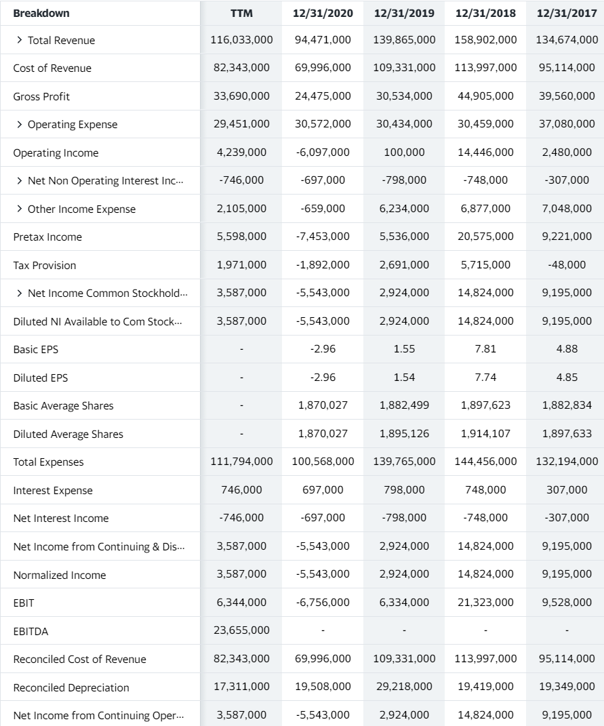

 | Schwab 10/4/2021 |  | Net income (after extra items)
 |  |  |  | 2020 | 2019 | 2018 | 2017 | 2016
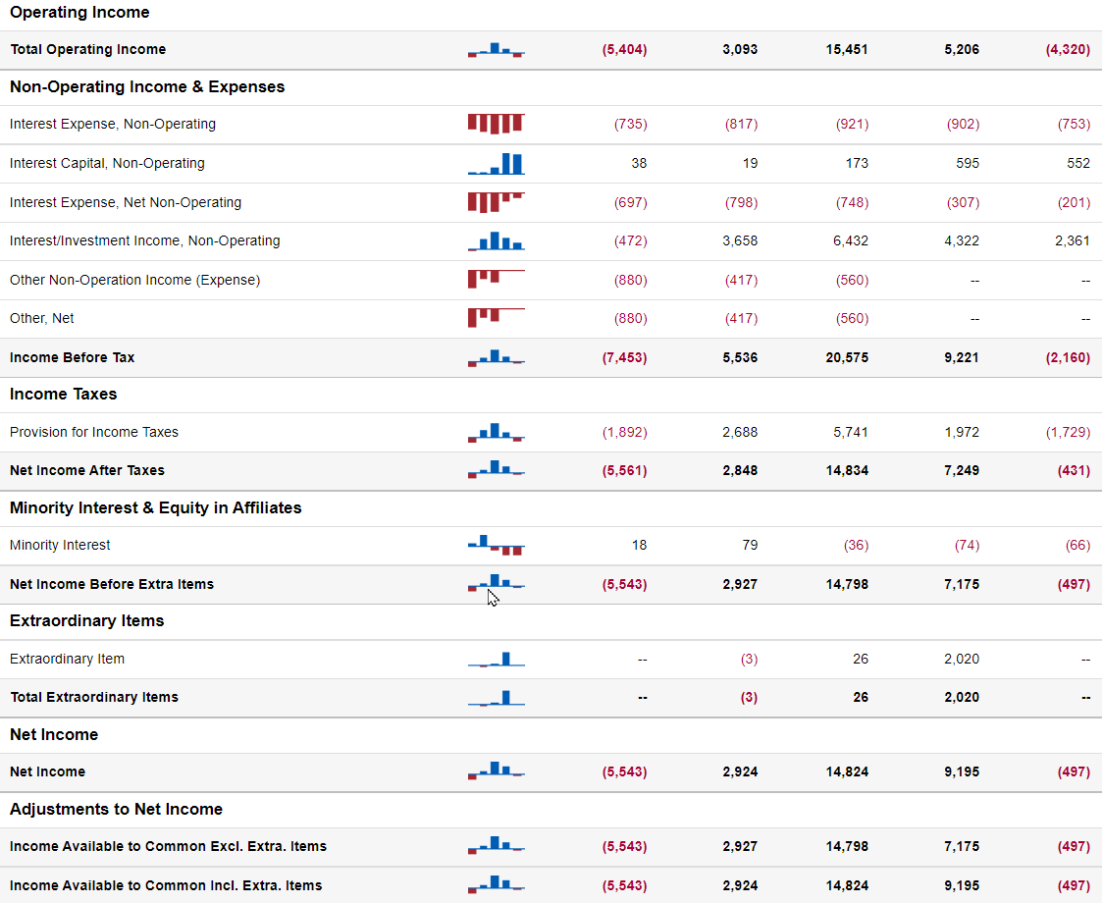

 |  |  |  | My old Schwab income before tax
 |  |  |  | 2020 | 2019 | 2018 | 2017 | 2016
 |  |  |  | -7,453 | 5,536 | 20,575 | 9,221 | -2,160

