revprofitss
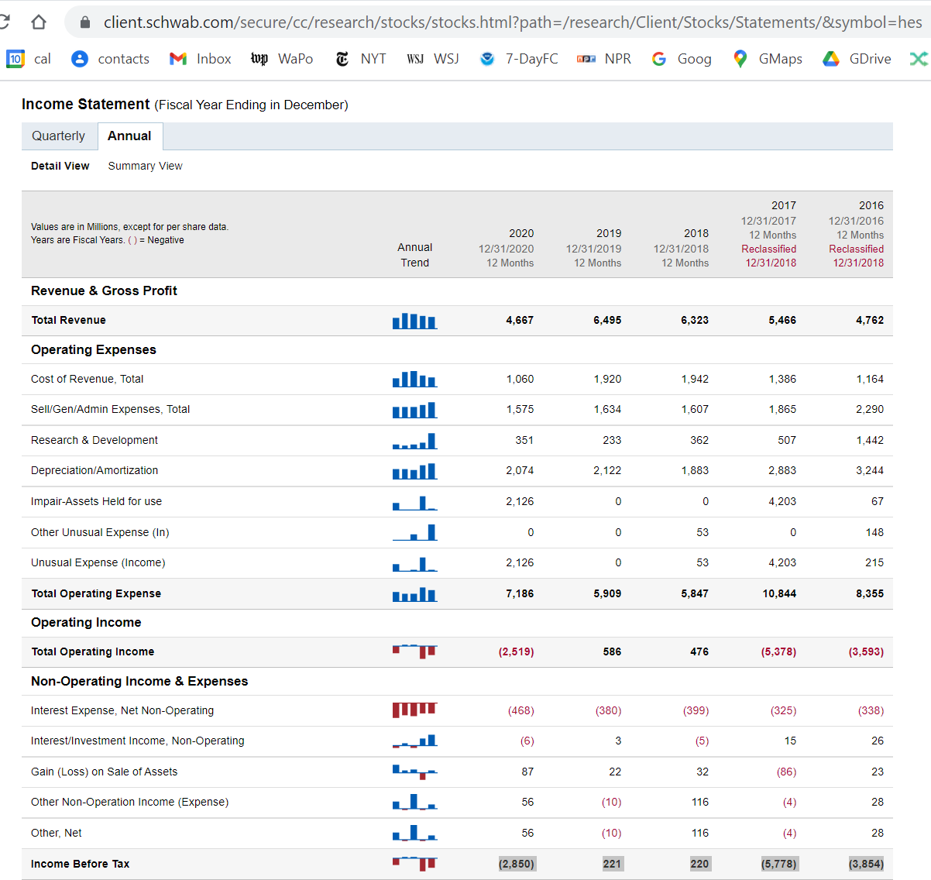

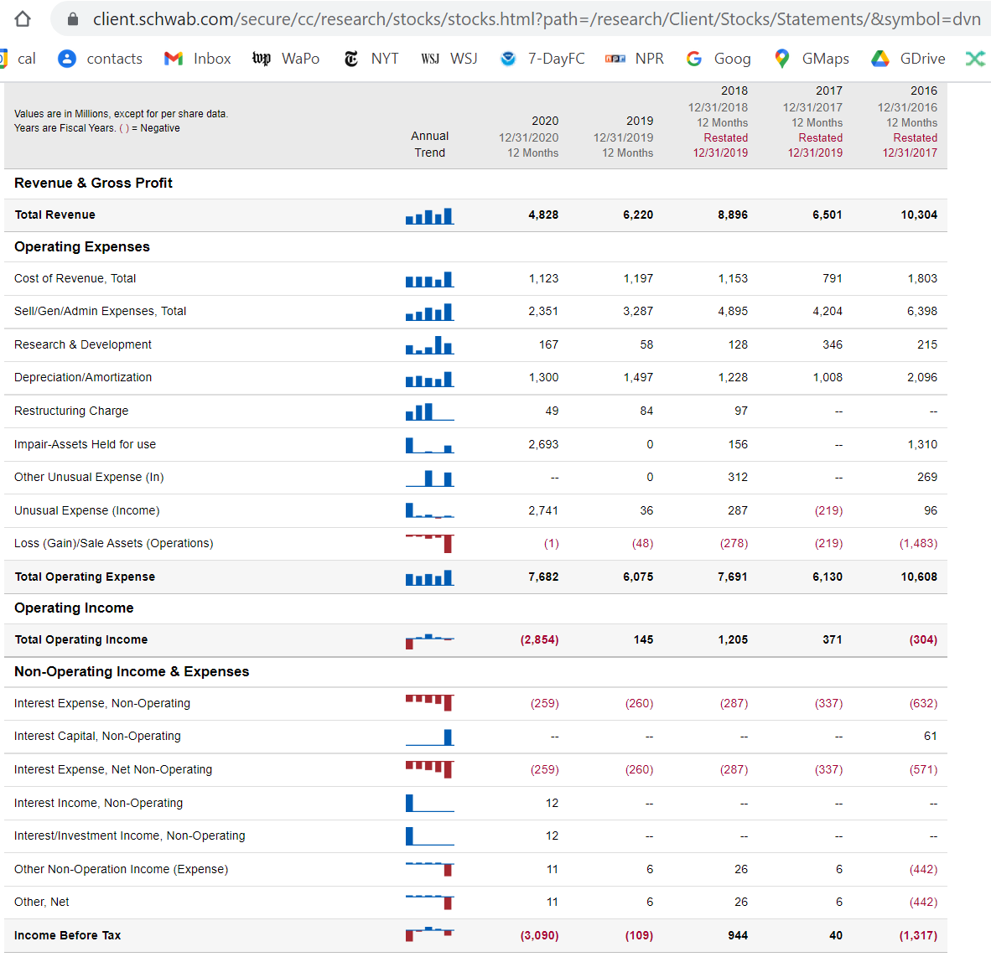

WestVirginia
TOC

 |  |  | Northeast Natural
 |  |  | Energy, LLC
 |  |  | 86666446
 |  |  | Diversified
 |  |  | Gas & Oil
 |  |  | 82322122
 |  |  | CNX
 |  |  | Gas Company,
 |  |  | LLC (plus Consol
 |  |  | Gas Co.)
 |  |  | 66143347
 | https://www.gowv.com/resources/gas-facts |  | Jay-Bee Oil
 |  |  | & Gas, Inc.
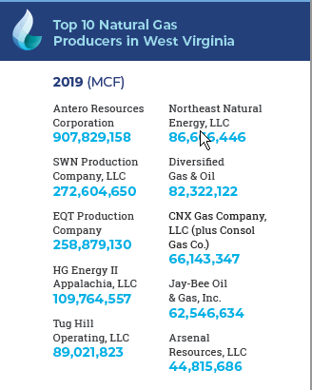
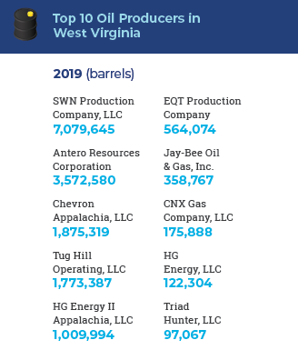
 |  |  | 62546634
 |  |  | Arsenal
 |  |  | Resources, LLC
 |  |  | 44815686

 |  | SWN is among the largest producer of natural gas and natural gas liquids in the United States. SWN is a growing independent energy company primarily engaged in natural gas and crude oil exploration, development and production.

screenshots
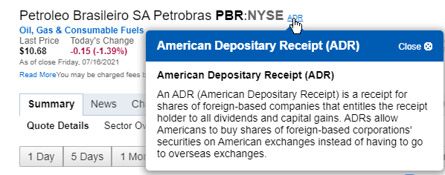
TOC

data sources
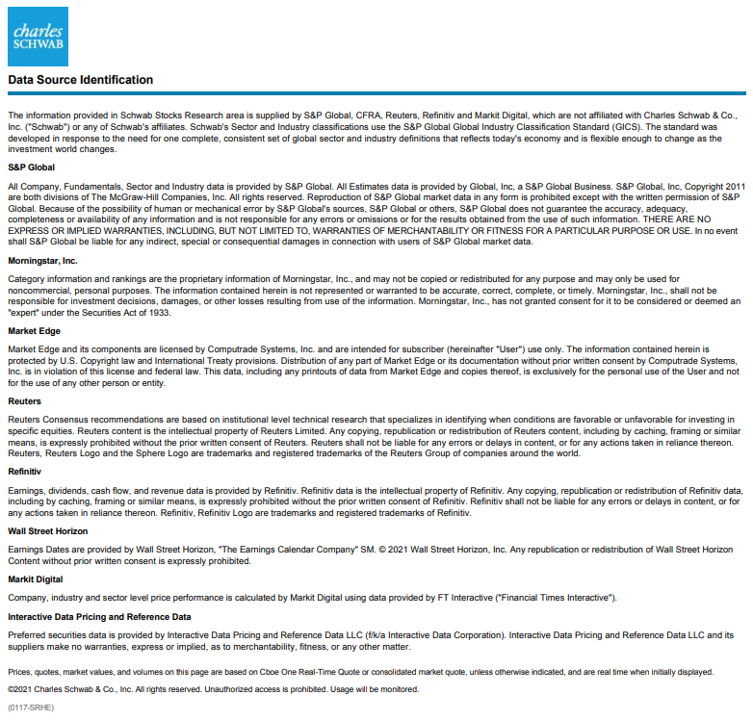
TOC

