departments
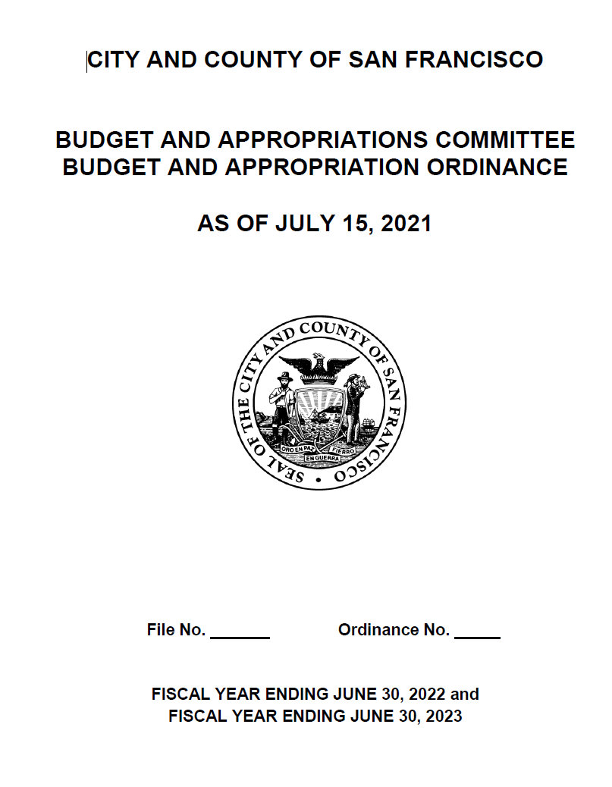
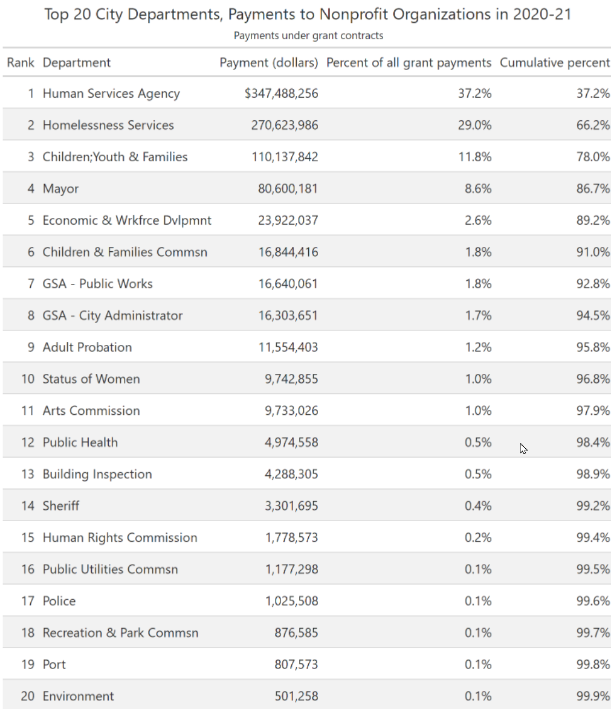
 |  |  |  |  |  | https://sfmayor.org/sites/default/files/FY22%20and%20FY23%20Budget%20Book%20Final%20for%20Web.pdf |  |  | https://openbook.sfgov.org/webreports/details3.aspx?id=2982
deptcode | deptname | longname | description | link | notes | orig_budget
HSA | Human Services Agency | Human Services Agency | San Francisco Human Services Agency supports individuals, families, and communities with food, health care, financial, employment, child care, and protective services. The Human Services Agency is made up of three departments. Each one manages different services, and clients often interact with more than one department at a time. Department of Benefits and Family Support (BFS) offers services that promote health, nutrition, safety, financial security, and more. Department of Disability and Aging Services (DAS) provides programs that serve and protect seniors and adults with disabilities. Early Care and Education (OECE) helps you find high-quality, free or affordable child care and education. (https://www.sfhsa.org and https://www.sfhsa.org/services) | https://www.sfhsa.org/ |  | 1,412,197,472
HOM | Homelessness Services | Department of Homelessness and Supportive Housing | The Department of Homelessness and Supportive Housing (HSH) launched on July 1, 2016. The department combines key homeless-serving programs and contracts from the Department of Public Health (DPH), the Human Services Agency (HSA), the Mayor’s Office of Housing and Community Development (MOHCD), and the Department of Children Youth and Their Families (DCYF). This consolidated department has a singular focus on preventing and ending homelessness for people in San Francisco. (https://hsh.sfgov.org/about/) | https://hsh.sfgov.org/ |  | 852,119,737
CHF | Children;Youth & Families | Department of Children, Youth and Their Families | The Department of Children, Youth and Their Families (DCYF) has administered San Francisco’s powerful investments in children, youth, transitional age youth, and their families through the Children and Youth Fund since 1991. With a deep commitment to advancing equity and healing trauma, we bring together government agencies, schools, and community-based organizations to strengthen our communities to lead full lives of opportunity and happiness. Together, we make San Francisco a great place to grow up. (https://www.dcyf.org/our-mission-our-vision-our-foundation) Note: There is also a Commission on Children and Familes, shown separately. | https://www.dcyf.org/ |  | 285,355,499
MYR | Mayor | Mayor's Office | There are several offices within the Mayor's Office (https://sfmayor.org/mayoral-offices). Three of these offices appear to be potential payors of grants to nonprofit entities. The Mayor’s Office of Housing and Community Development (MOHCD) coordinates the City’s housing policy; provides financing for the development, rehabilitation, and purchase of affordable housing in San Francisco; and strengthens the social, physical, and economic infrastructure of San Francisco’s low-income neighborhoods and communities in need. Among its many programs, MOHCD administers the HOPE SF Initiative and the Rental Assistance Demonstration (RAD) Program. MOHCD also manages funding available through the 2015 Affordable Housing General Obligation Bond and the Housing Trust Fund and serves as the Successor Housing Agency, responsible for former San Francisco Redevelopment Agency affordable housing assets. (https://onesanfrancisco.org/the-plan-2022/department/mayors-office-housing-and-community-development) The Mayor's Office on Disability is small, with only six full-time staff. (https://sfgov.org/mod) The Mayor's Office of Neighborhood Services also appears to be small, playing primarily a liaison role. (https://sfmayor.org/contact-mons) | https://sf.gov/departments/mayors-office-housing-and-community-development |  | 206,307,156 | 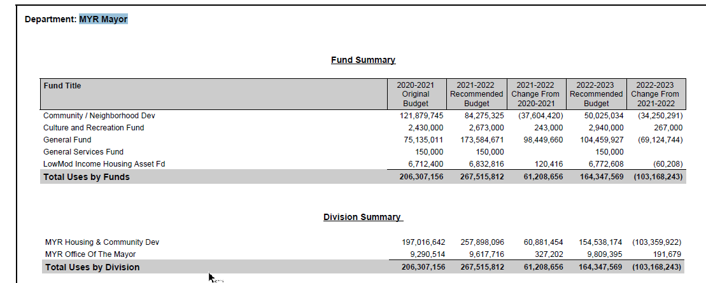
ECN | Economic & Wrkfrce Dvlpmnt | Office of Economic and Workforce Development | OEWD’s programs and initiatives are responsible for making our neighborhoods more diverse, healthy, and vibrant, and creating a climate where businesses of all sizes can grow and prosper. Our mission is to improve opportunities and the quality of life for all San Franciscans. We help business owners navigate regulations, entrepreneurs find resources, jobseekers get hired, organizations acquire sustainable space, and much more. (https://oewd.org/) San Francisco's Office of Economic and Workforce Development offers various employment programs and services in addition to those administered by HSA. By providing one point of contact for a variety of essential City programs and services, OEWD’s goal is to ensure that San Francisco will always be what it is today: one of the best places on the planet to live, work, and play. (https://www.sfhsa.org/partner/employer-resources/office-economic-and-workforce-development) | https://oewd.org/ |  | 96,149,625 | 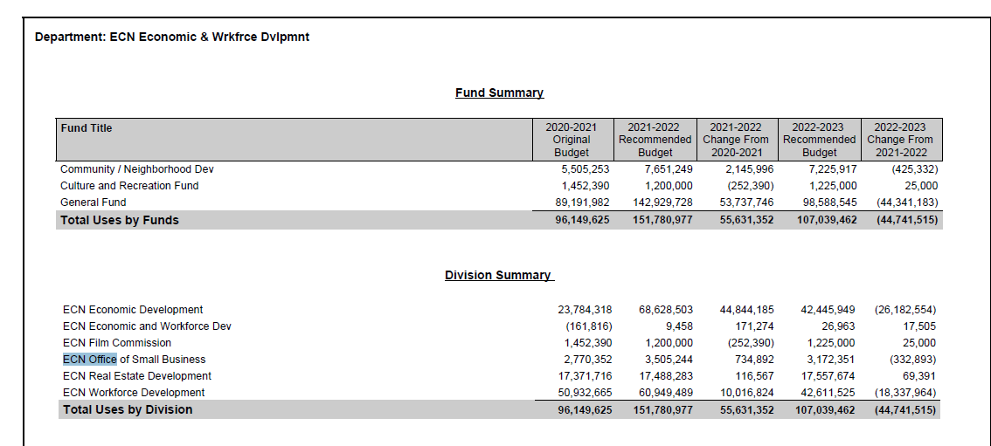
CFC | Children & Families Commsn | Children & Families Commission - First 5 San Francisco | First 5 San Francisco is a department of the City and County of San Francisco. It is guided by a nine-member commission and two standing committees. Four seats on the First 5 San Francisco Commission are reserved for representatives of City agencies: Director of Public Health; General Manager of the Human Services Agency; Member of the Board of Supervisors; Director of the Department of Children, Youth and Their Families. (Each may appoint a designee.) The Commission’s remaining five seats are appointed by San Francisco’s Board of Supervisors to four-year terms and represent community constituencies. (https://www.first5sf.org/commission-meetings/) Note: There is also a Department of Children, Youth and Their Families, shown separately. | https://www.first5sf.org | In 1998 CA voters passed Proposition 10, adding a 50-cent tax to each pack of cigarettes sold to create First 5 California, also known as the California Children and Families Commission. ...First 5 California distributes funds to local communities through the state’s 58 individual counties, all of which have created their own local First 5 county commissions. Eighty percent of the annual revenues are allocated to the 58 county commissions, while the remaining 20 percent fund the state’s overall guiding programs and administrative costs. The amount of funding provided to each First 5 county commission is based upon the area’s birth rate. Funds are used to address the local needs of communities statewide. (https://www.ccfc.ca.gov/about/about.html) | 31,194,003 |  | 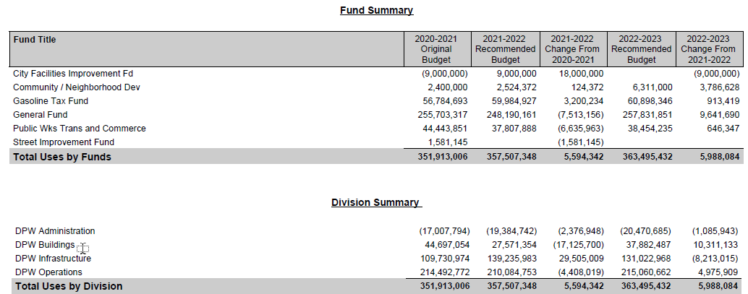
DPW | GSA - Public Works | General Services Agency - Public Works | San Francisco Public Works appears to fall under the San Francisco GSA City Administrator. It is one of the largest and most complex municipal operations in the City, with a 1,600-member workforce and a $384 million annual operating budget. The department's active capital project portfolio exceeds $3 billion. The staff designs and manages construction of civic buildings and streets, cleans and greens the right of way, maintains civic buildings; trains people for jobs, keeps the right of way free of hazards, paves the streets, repairs bridges and public stairways, expands accessibility and works at the forefront addressing some of San Francisco’s biggest challenges, including homelessness. (https://www.sfpublicworks.org/about) | https://www.sfpublicworks.org/ |  | 351,913,006
ADM | GSA - City Administrator | General Services Agency - City Administrator | The Office of the City Administrator is one of the largest departments in San Francisco, overseeing 27 agencies and nearly 3,000 dedicated staff. (https://sf.gov/departments/city-administrator) Many of these activities are listed here (https://sf.gov/departments/city-administrator/about) | https://sf.gov/departments/city-administrator |  | 471,084,939
ADP | Adult Probation | Adult Probation Department | The San Francisco Adult Probation Department is an integral partner in the City’s criminal justice system and contributes to public safety through its court services, supervision and treatment referral functions. The San Francisco Adult Probation Department supervises approximately 6,000 clients on court-ordered supervision, diversion programs and post release community supervision (PRCS). (https://sfgov.org/adultprobation/) | https://sfgov.org/adultprobation/ |  | 41,818,109
WOM | Status of Women | Department on the Status of Women | The San Francisco Commission and Department on the Status of Women promote equitable treatment and foster the advancement of women and girls throughout San Francisco through policies, legislation, and programs. (https://sfgov.org/dosw/about-us) The Department has identifed 3 core service areas: Heath and Safety, which includes a Violence Education Intervention and Prevention Program; Economic Security, which includes services that support financial stability around jobs and employment, housing, financial literacy, impact investing, and other avenues to economic success; and Civic Engagement & Political Empowerment, including trainings, educational workshops, and public service campaigns, with the goal of getting women, girls, and gender-nonconforming people organized, registered to vote, educated on critical issues, and actively participating in all levels of government. (https://dosw.org/wp-content/uploads/2021/11/WOM-EXEC-SUMMARY_Dec-2021.pdf) | https://sfgov.org/dosw/about-us | The dosw.org website is under development and asks visitors to use the existing site (https://sfgov.org/dosw). | 10,279,426
ART | Arts Commission | Arts Commission | We ensure that the arts are a part of daily life by investing in a vibrant arts community, enlivening the urban environment and shaping innovative cultural policy. Programs include civic design review; community investments that support San Francisco artists, arts organizations, and historically underserved communities through grants and other means; public art; galleries; and art vendor programs. (https://www.sfartscommission.org/our-role-impact/programs) | https://www.sfartscommission.org/ |  | 23,762,015
DPH | Public Health | Department of Public Health | We protect and promote the health of all San Franciscans. Provides services and information related to health care, mental health and substance use, homelessness, pregnancy and maternal health, environmental health, and vital records. (https://sf.gov/departments/department-public-health#services) The San Francisco Health Commission is the governing body of the San Francisco Department of Public Health. (https://sf.gov/public-body/san-francisco-health-commission) | https://sf.gov/departments/department-public-health |  | 2,775,782,429
DBI | Building Inspection | Department of Building Inspection | The Department of Building Inspection is the regulatory building safety agency responsible for overseeing the effective and efficient enforcement of building, electrical, plumbing, disability access and housing codes for the City and County of San Francisco’s more than 200,000 commercial and residential buildings. (https://sfdbi.org/) The San Francisco Building Inspection Commission and the Department of Building Inspection were created by voter referendum in 1994. The BIC was designed to provide representation for the various communities, which interact with the Building Department. The seven different commission slots are filled by a structural engineer, a licensed architect, a residential tenant, a residential builder, a residential landlord, a community based non-profit housing developer, and a member of the general public at large. The BIC appoints the Director of DBI, sets policy, hears various appeals on issues leading up to the issuance of building permits, sits as the Abatement Appeals Board to hear appeals of Director's Orders of Abatement, and provides a public forum through their monthly meetings. (https://sfdbi.org/about-bic#Purpose) | https://sfdbi.org/ |  | 89,501,462
SHF | Sheriff | Sheriff's Office | Led by elected Sheriff Paul Miyamoto, the San Francisco Sheriff’s Office (SFSO) protects public safety. More than 1,000 Sheriff’s employees across four divisions serve the people who live and work in, and visit San Francisco. SFSO divisions include: Custody Operations, Field Operations, Administration & Programs, and Planning and Projects. (https://www.sfsheriff.com/about) | https://www.sfsheriff.com/ |  | 245,012,613
HRC | Human Rights Commission | Human Rights Commission | The roots of HRC go back to 1964, when the modern day civil rights movement manifested in San Francisco through demonstrations against hotels, supermarkets, drive-in restaurants and automobile showrooms that discriminated against African Americans. We Advocate for human and civil rights; Investigate and mediate discrimination complaints; Resolve community disputes and issues involving individual or systemic illegal discrimination; and Provide technical assistance, information and referrals to individuals, community groups, businesses and government agencies related to human rights and social services. (https://sf-hrc.org/agency-overview) | https://sf-hrc.org/ |  | 11,205,068
PUC | Public Utilities Commsn | Public Utilities Commission | We provide quality drinking water and wastewater services to the city of San Francisco, wholesale water to three Bay Area counties, and green hydroelectric and solar power to our municipal departments. We strive to work in harmony with environmental and community interests, and we are dedicated to protecting and sustaining the resources entrusted to our care. (https://sfpuc.org/about-us) | https://sfpuc.org/ |  | 1,433,954,907
POL | Police | Police Department | Activities include patrol, response, investigations, crisis intervention, and community engagement, among others. (https://www.sanfranciscopolice.org/your-sfpd/explore-department) The mission of the Police Commission is to set policy for the Police Department and to conduct disciplinary hearings on charges of police misconduct filed by the Chief of Police or Director of the Department of Police Accountability, impose discipline in such cases as warranted, and hear police officers’ appeals from discipline imposed by the Chief of Police. Commissioners are appointed by the Mayor and the Board of Supervisors and they oversee the Police Department and the Department of Police Accountability. The Commission also appoints and regulates Patrol Special Officers and may suspend or dismiss Patrol Special Officers after a hearing on charges filed. (https://sfgov.org/policecommission/) | https://www.sanfranciscopolice.org/ |  | 667,891,102
REC | Recreation & Park Commsn | Recreation and Parks Commission | The San Francisco Recreation and Park Department currently manages more than 220 parks, playgrounds and open spaces throughout San Francisco, including two outside city limits—Sharp Park in Pacifica and Camp Mather in the High Sierras. The system includes full-complex recreation centers, swimming pools, golf courses, sports fields and numerous small-to-medium-sized clubhouses that offer a variety of sports- and arts-related recreation programs for people of all ages. Included in the Department’s responsibilities are Golden Gate Park, Coit Tower, the Marina Yacht Harbor, the San Francisco Zoo and Lake Merced. (https://sfrecpark.org/) The Recreation and Park Department is governed by a seven-member Commission appointed by the Mayor to four-year terms. In accordance with the Charter, the Recreation and Park Commission is primarily a policy-making body, establishing the policies by which the Recreation and Park Department operates. The Commission is responsible for the over 220 parks, playgrounds and open spaces throughout San Francisco and two outside the City limits. (https://sfrecpark.org/411/Commission) | https://sfrecpark.org/ |  | 231,586,029
PRT | Port | Port of San Francisco | The Port of San Francisco manages 7.5 miles of waterfront that is home to popular destinations and attractions, historic districts, small businesses and robust maritime opportunities. The Port works to advance environmentally and financially sustainable maritime, recreational, and economic opportunities for the City, Bay Area, and California. (https://sfport.com/about) The Port Commission is comprised of a five-member board, each of whom is appointed by the Mayor and subject to confirmation by the City's Board of Supervisors. Each commissioner is appointed to a four-year term. (https://sfport.com/about/port-commission) | https://sfport.com/ |  | 124,802,058
ENV | Environment | Environment Department | The San Francisco Department of the Environment advances climate protection and enhances quality of life for all San Franciscans. The website does not have a concise statement of activities, but the department appears to have a broad range of regulatory, education, and engagement activities related to Energy, Transportation, Zero Waste, Toxics & Health, Buildings & Environments, Climate Change, with an emphasis on diversity, equity, and inclusion. (https://sfenvironment.org/) The Commission on the Environment sets policy for SF Environment and advises the mayor and Board of Supervisors on environmental matters. Appointed by the mayor, the seven-member commission develops policies and programs in recycling, toxics reduction, environmental justice, energy efficiency, commute alternatives, climate change, and the city's urban forest. (https://sfenvironment.org/article/commission-on-the-environment-councils-committees-and-taskforces) | https://sfenvironment.org/ |  | 41,287,133

