ptlx calc
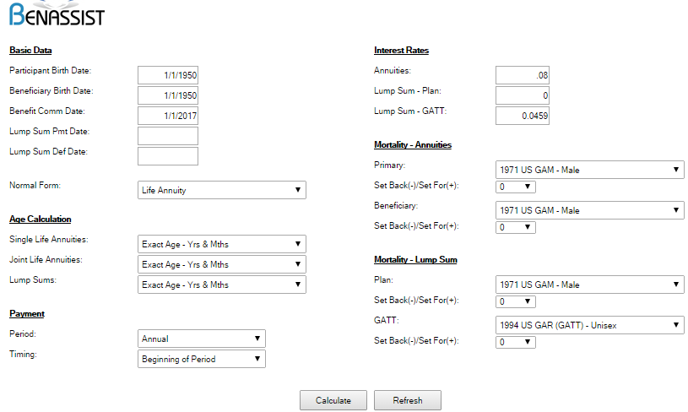
TOC
 |  |  | i |  | 0.08 |  |  | http://www.benassist.org/WebForm1.aspx |  |  |  | Input screen for age 67 is shown as last screenshot below
 |  |  | v |  | 0.92592592593 |  |  | good |  |  |  | good | 0.975162
x |  |  |  |  | a..x |  |  | 8.600773 |  |  |  | 8.387145 |  |  | 8.171311 | age 67 per benassist
 |  |  |  |  | x=65 | x=65 | x=65 | x=65 | x=66 | x=66 | x=66 | x=66
age | qxm | pxm | Br | a..x | t | v^t | t.pxm | mult | t | v^t | t.pxm | mult
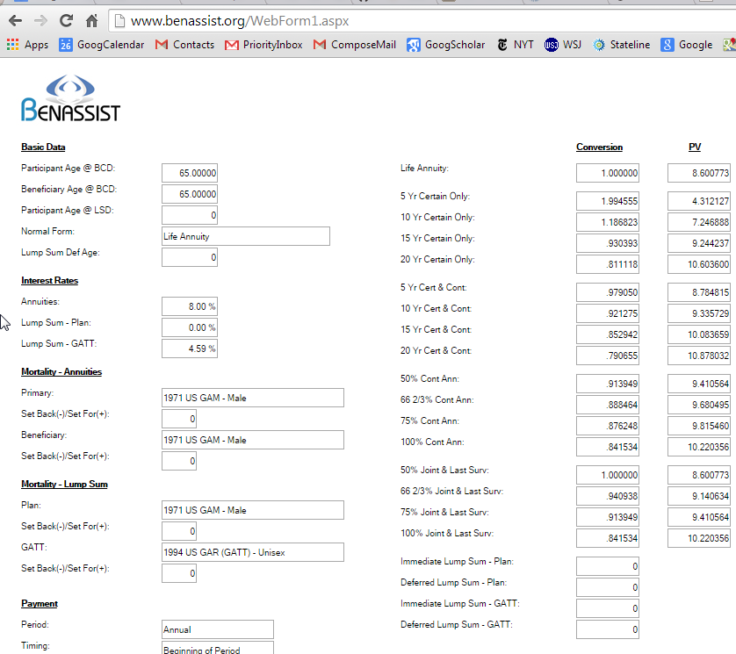
65 | 0.0213 | 0.97874 | 4.64 | 8.60 | 0 | 1.00000 | 1.00000 | 1.00000
66 | 0.0236 | 0.97636 | 4.64 | 8.39 | 1 | 0.92593 | 0.97874 | 0.90624 | 0 | 1.00000 | 1.00000 | 1.00000
67 | 0.0263 | 0.97368 | 4.64 |  | 2 | 0.85734 | 0.95560 | 0.81927 | 1 | 0.92593 | 0.97636 | 0.90403
68 | 0.0292 | 0.97081 | 4.64 |  | 3 | 0.79383 | 0.93045 | 0.73862 | 2 | 0.85734 | 0.95066 | 0.81504
69 | 0.0324 | 0.96757 | 4.64 |  | 4 | 0.73503 | 0.90329 | 0.66395 | 3 | 0.79383 | 0.92292 | 0.73264
70 | 0.0361 | 0.96389 | 4.64 |  | 5 | 0.68058 | 0.87400 | 0.59483 | 4 | 0.73503 | 0.89298 | 0.65637
71 | 0.0400 | 0.95999 | 4.64 |  | 6 | 0.63017 | 0.84244 | 0.53088 | 5 | 0.68058 | 0.86074 | 0.58580
72 | 0.0438 | 0.95617 | 4.64 |  | 7 | 0.58349 | 0.80873 | 0.47189 | 6 | 0.63017 | 0.82630 | 0.52071
73 | 0.0475 | 0.95251 | 4.64 |  | 8 | 0.54027 | 0.77329 | 0.41778 | 7 | 0.58349 | 0.79009 | 0.46101
74 | 0.0512 | 0.94878 | 4.64 |  | 9 | 0.50025 | 0.73657 | 0.36847 | 8 | 0.54027 | 0.75257 | 0.40659
75 | 0.0553 | 0.94471 | 4.64 |  | 10 | 0.46319 | 0.69884 | 0.32370 | 9 | 0.50025 | 0.71402 | 0.35719
76 | 0.0601 | 0.93993 | 4.64 |  | 11 | 0.42888 | 0.66020 | 0.28315 | 10 | 0.46319 | 0.67454 | 0.31244
77 | 0.0659 | 0.93408 | 4.64 |  | 12 | 0.39711 | 0.62054 | 0.24643 | 11 | 0.42888 | 0.63402 | 0.27192
78 | 0.0726 | 0.92741 | 4.64 |  | 13 | 0.36770 | 0.57963 | 0.21313 | 12 | 0.39711 | 0.59222 | 0.23518
79 | 0.0797 | 0.92031 | 4.64 |  | 14 | 0.34046 | 0.53756 | 0.18302 | 13 | 0.36770 | 0.54923 | 0.20195
80 | 0.0874 | 0.91257 | 4.64 |  | 15 | 0.31524 | 0.49472 | 0.15596 | 14 | 0.34046 | 0.50546 | 0.17209
81 | 0.0954 | 0.90456 | 4.64 |  | 16 | 0.29189 | 0.45146 | 0.13178 | 15 | 0.31524 | 0.46127 | 0.14541
82 | 0.1037 | 0.89631 | 4.64 |  | 17 | 0.27027 | 0.40837 | 0.11037 | 16 | 0.29189 | 0.41724 | 0.12179
83 | 0.1123 | 0.88770 | 4.64 |  | 18 | 0.25025 | 0.36603 | 0.09160 | 17 | 0.27027 | 0.37398 | 0.10107
84 | 0.1211 | 0.87888 | 4.64 |  | 19 | 0.23171 | 0.32492 | 0.07529 | 18 | 0.25025 | 0.33198 | 0.08308
85 | 0.1301 | 0.86990 | 4.64 |  | 20 | 0.21455 | 0.28557 | 0.06127 | 19 | 0.23171 | 0.29177 | 0.06761
86 | 0.1393 | 0.86069 | 4.64 |  | 21 | 0.19866 | 0.24842 | 0.04935 | 20 | 0.21455 | 0.25381 | 0.05445
87 | 0.1487 | 0.85129 | 4.64 |  | 22 | 0.18394 | 0.21381 | 0.03933 | 21 | 0.19866 | 0.21845 | 0.04340
88 | 0.1585 | 0.84151 | 4.64 |  | 23 | 0.17032 | 0.18201 | 0.03100 | 22 | 0.18394 | 0.18597 | 0.03421
89 | 0.1687 | 0.83129 | 4.64 |  | 24 | 0.15770 | 0.15317 | 0.02415 | 23 | 0.17032 | 0.15649 | 0.02665
90 | 0.1795 | 0.82055 | 4.64 |  | 25 | 0.14602 | 0.12732 | 0.01859 | 24 | 0.15770 | 0.13009 | 0.02052
91 | 0.1905 | 0.80951 | 4.64 |  | 26 | 0.13520 | 0.10448 | 0.01413 | 25 | 0.14602 | 0.10675 | 0.01559
92 | 0.2017 | 0.79832 | 4.64 |  | 27 | 0.12519 | 0.08457 | 0.01059 | 26 | 0.13520 | 0.08641 | 0.01168
93 | 0.2130 | 0.78701 | 4.64 |  | 28 | 0.11591 | 0.06752 | 0.00783 | 27 | 0.12519 | 0.06898 | 0.00864
94 | 0.2265 | 0.77347 | 4.64 |  | 29 | 0.10733 | 0.05314 | 0.00570 | 28 | 0.11591 | 0.05429 | 0.00629
95 | 0.2412 | 0.75884 | 4.64 |  | 30 | 0.09938 | 0.04110 | 0.00408 | 29 | 0.10733 | 0.04199 | 0.00451
96 | 0.2562 | 0.74380 | 4.64 |  | 31 | 0.09202 | 0.03119 | 0.00287 | 30 | 0.09938 | 0.03187 | 0.00317
97 | 0.2725 | 0.72752 | 4.64 |  | 32 | 0.08520 | 0.02320 | 0.00198 | 31 | 0.09202 | 0.02370 | 0.00218
98 | 0.2902 | 0.70984 | 4.64 |  | 33 | 0.07889 | 0.01688 | 0.00133 | 32 | 0.08520 | 0.01724 | 0.00147
99 | 0.3091 | 0.69088 | 4.64 |  | 34 | 0.07305 | 0.01198 | 0.00088 | 33 | 0.07889 | 0.01224 | 0.00097
100 | 0.3298 | 0.67018 | 4.64 |  | 35 | 0.06763 | 0.00828 | 0.00056 | 34 | 0.07305 | 0.00846 | 0.00062
101 | 0.3525 | 0.64755 | 4.64 |  | 36 | 0.06262 | 0.00555 | 0.00035 | 35 | 0.06763 | 0.00567 | 0.00038
102 | 0.3772 | 0.62278 | 4.64 |  | 37 | 0.05799 | 0.00359 | 0.00021 | 36 | 0.06262 | 0.00367 | 0.00023
103 | 0.4062 | 0.59380 | 4.64 |  | 38 | 0.05369 | 0.00224 | 0.00012 | 37 | 0.05799 | 0.00229 | 0.00013
104 | 0.4415 | 0.55850 | 4.64 |  | 39 | 0.04971 | 0.00133 | 0.00007 | 38 | 0.05369 | 0.00136 | 0.00007
105 | 0.4852 | 0.51482 | 4.64 |  | 40 | 0.04603 | 0.00074 | 0.00003 | 39 | 0.04971 | 0.00076 | 0.00004
106 | 0.5393 | 0.46066 | 4.64 |  | 41 | 0.04262 | 0.00038 | 0.00002 | 40 | 0.04603 | 0.00039 | 0.00002
107 | 0.6061 | 0.39393 | 4.64 |  | 42 | 0.03946 | 0.00018 | 0.00001 | 41 | 0.04262 | 0.00018 | 0.00001
108 | 0.6874 | 0.31256 | 4.64 |  | 43 | 0.03654 | 0.00007 | 0.00000 | 42 | 0.03946 | 0.00007 | 0.00000
109 | 0.7856 | 0.21445 | 4.64 |  | 44 | 0.03383 | 0.00002 | 0.00000 | 43 | 0.03654 | 0.00002 | 0.00000
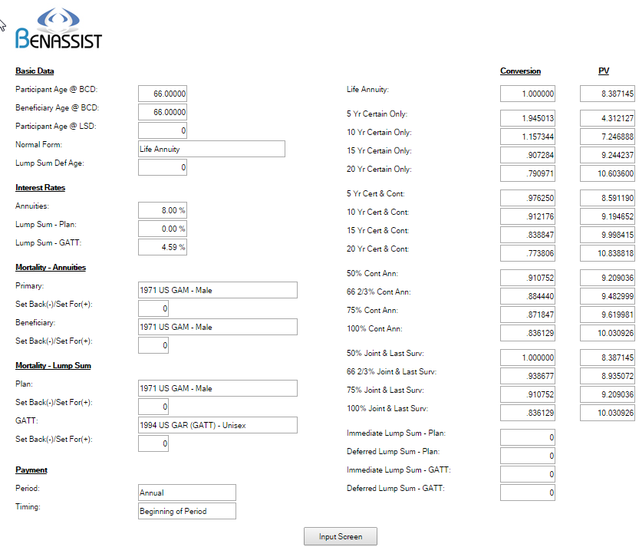
110 | 1.0000 | 0.00000 | 4.64 |  | 45 | 0.03133 | 0.00000 | 0.00000 | 44 | 0.03383 | 0.00000 | 0.00000

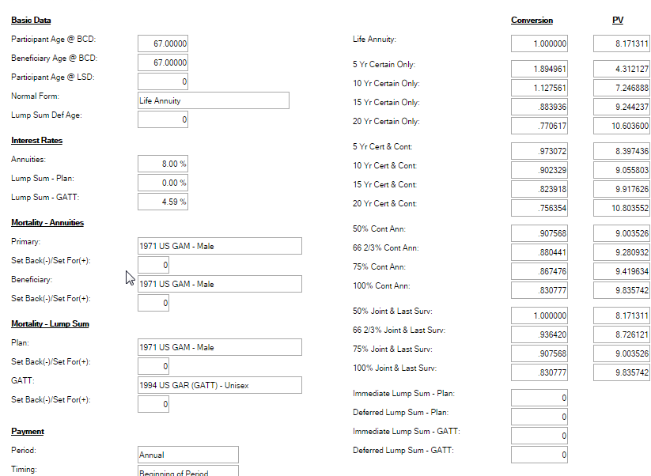

 |  |  |  |  |  |  |  |  |  |  |  |  |  | Input screen for age 67

