AZ-SRS.Term
TOC

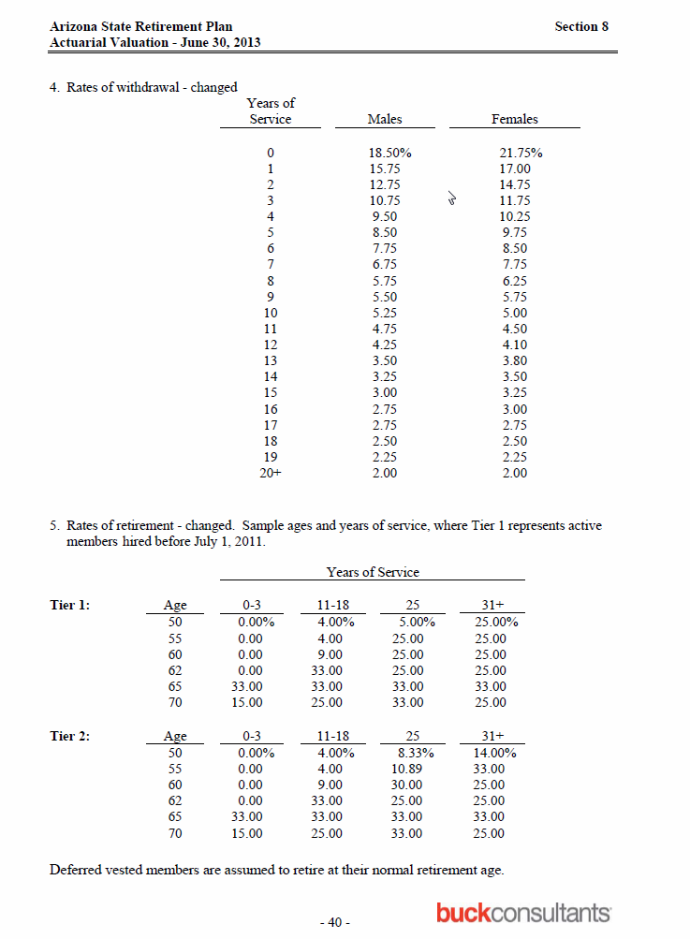
 | yos | male | female
 | 0 | 0.1850 | 0.2175
 | 1 | 0.1575 | 0.1700
 | 2 | 0.1275 | 0.1475
 | 3 | 0.1075 | 0.1175
 | 4 | 0.0950 | 0.1025
 | 5 | 0.0850 | 0.0975
 | 6 | 0.0775 | 0.0850
 | 7 | 0.0675 | 0.0775
 | 8 | 0.0575 | 0.0625
 | 9 | 0.0550 | 0.0575
 | 10 | 0.0525 | 0.0500
 | 11 | 0.0475 | 0.0450
 | 12 | 0.0425 | 0.0410
 | 13 | 0.0350 | 0.0380
 | 14 | 0.0325 | 0.0350
 | 15 | 0.0300 | 0.0325
 | 16 | 0.0275 | 0.0300
 | 17 | 0.0275 | 0.0275
 | 18 | 0.0250 | 0.0250
 | 19 | 0.0225 | 0.0225
20+ | 20 | 0.0200 | 0.0200

PA-PSERS.Term
TOC

 | I am combining nonvested withdrawal (nvw), vested withdrawal less than 10 (vwlt10), and vested withdrawal 10 plus (vw10p)
 |  | Question: Should we also include the vested withdrawal rates? The NVWR are much lower than the Winklevoss total term rates
sex | age | nvw | vwlt10 | vw10p
male | 25 | 12.50% | 5.50% | 2.00%
male | 30 | 10.50% | 3.20% | 2.00%
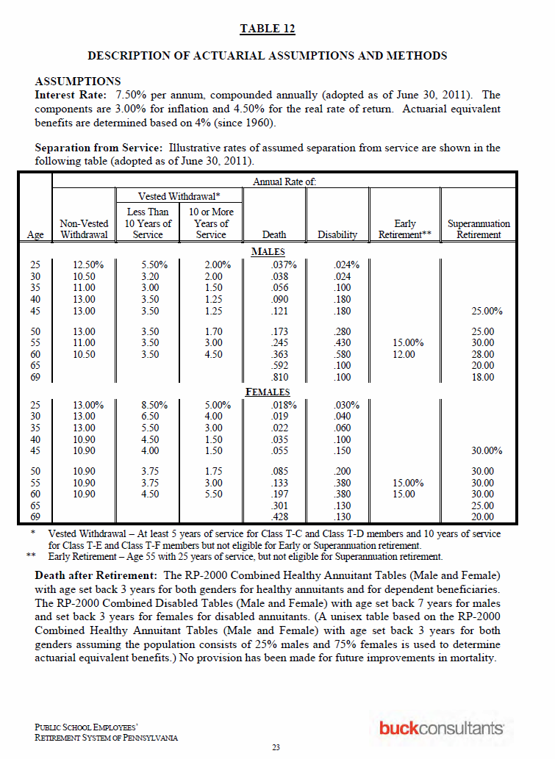
male | 35 | 11.00% | 3.00% | 1.50%
male | 40 | 13.00% | 3.50% | 1.25%
male | 45 | 13.00% | 3.50% | 1.25%
male | 50 | 13.00% | 3.50% | 1.70%
male | 55 | 11.00% | 3.50% | 3.00%
male | 60 | 10.50% | 3.50% | 4.50%
female | 25 | 13.00% | 8.50% | 5.00%
female | 30 | 13.00% | 6.50% | 4.00%
female | 35 | 13.00% | 5.50% | 3.00%
female | 40 | 10.90% | 4.50% | 1.50%
female | 45 | 10.90% | 4.00% | 1.50%
female | 50 | 10.90% | 3.75% | 1.75%
female | 55 | 10.90% | 3.75% | 3.00%
female | 60 | 10.90% | 4.50% | 5.50%

