Notes
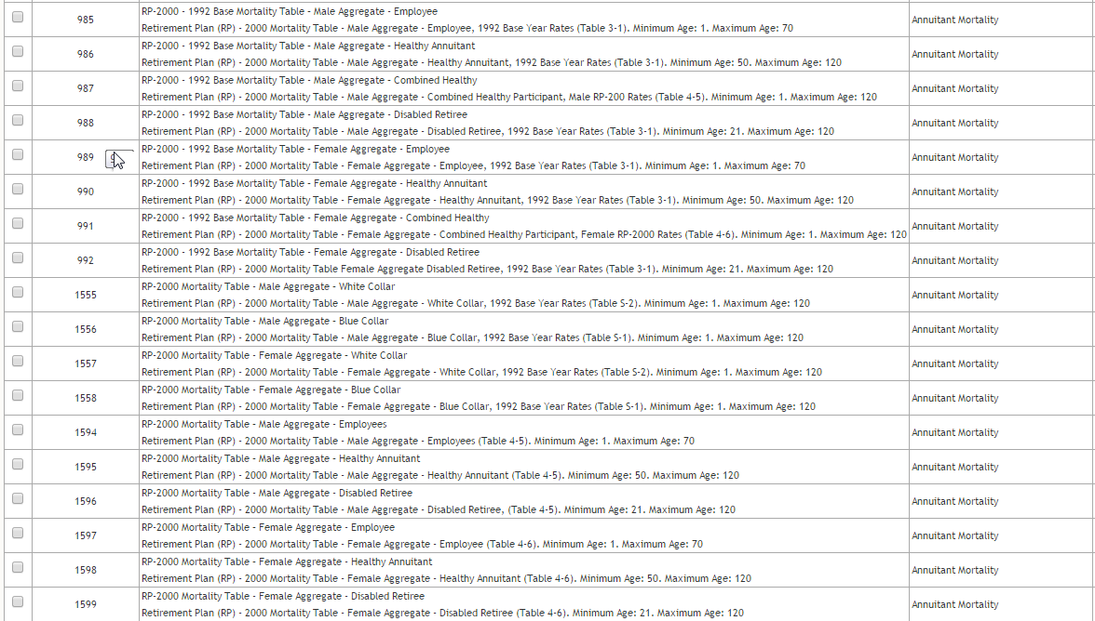
There are 18 RP-2000 tables on the SOA site. Looks to me like we're supposed to use 2000 projected tables, by emp, annuitant, or retiree; without collars, probably - ie., 1594-1599
18
 | 1992 base
4 |  | 4 male - employee, healthy annuitant, combined emp/annuitant, disabled retiree
4 |  | 4 female - employee, healthy annuitant, combined emp/annuitant, disabled retiree
 | 2000 projected
2 |  | 2 male white collar, blue collar
2 |  | 2 female, white collar, blue collar

3 |  | 3 male: emp, annuitant, disabled retiree (no combined)
3 |  | 3 female: emp, annuitant, disabled, retiree (no combined)

