tab11_map
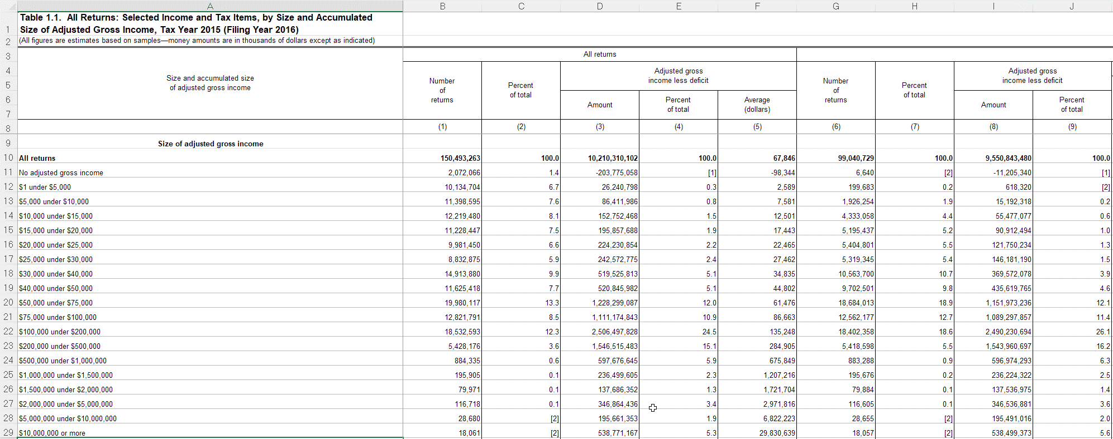
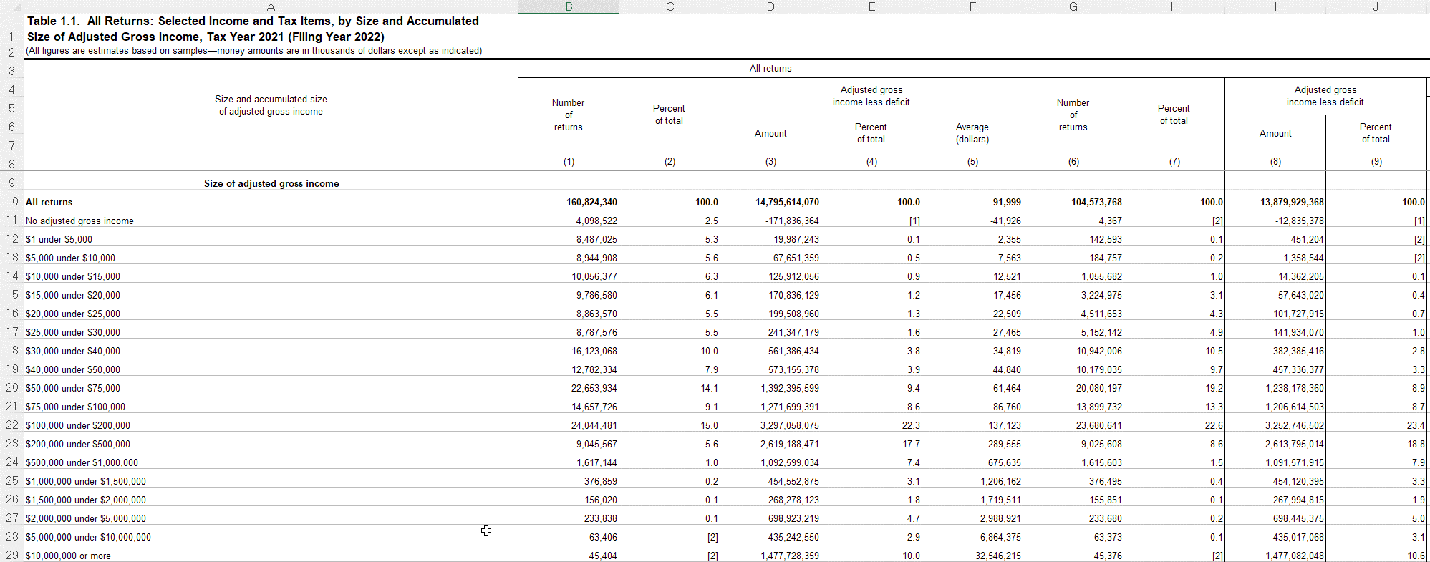
rowtype | filers_2015 | filers_2021 | taxable_2015 | taxable_2021
startrow | 10 | 10 | 10 | 10
endrow | 29 | 29 | 29 | 29

vname | description | units | filers_2015 | filers_2021 | taxable_2015 | taxable_2021 | notes
incrange | Size of adjusted gross income | 0 | A | A | A | A
nret_all | Number of returns | 1 | B | B | G | G
agi | Adjusted gross income less deficit | 1000 | D | D | I | I
nret_ti | Number of returns with taxable income | 1 |  |  | K | K
ti | Taxable income | 1000 |  |  | L | L
nret_taxac | Number of returns with income tax after credits | 1 |  |  | N | N
taxac | Income tax after credits | 1000 |  |  | O | O
nret_tottax | Number of returns with total income tax | 1 |  |  |  |  | Same as nret_all for taxable returns so don't read twice(?)
tottax | Total income tax | 1000 |  |  | Q | Q

tab12_map
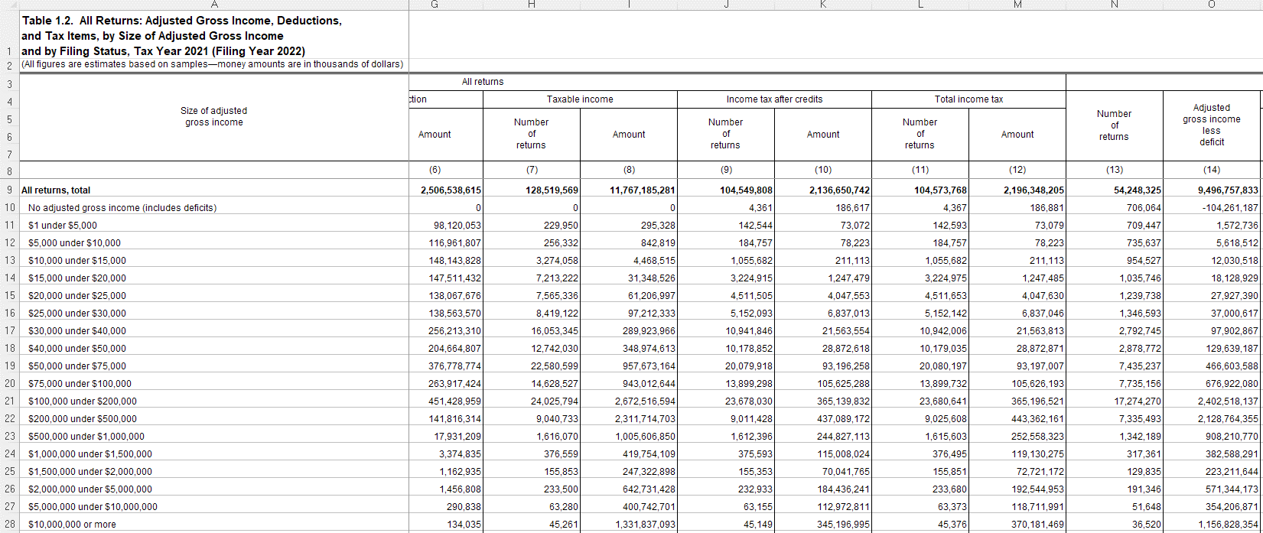
rowtype | filers_2015 | filers_2021 | taxable_2015 | taxable_2021
startrow | 9 | 9 | 29 | 29
endrow | 28 | 28 | 29 | 44

vname | description | units | filers_2015 | filers_2021 | taxable_2015 | taxable_2021 | notes
incrange | Size of adjusted gross income | 0 | A | A | A | A
nret_all | Number of returns | 1 | B | B | B | B
agi | Adjusted gross income less deficit | 1000 | C | C | C | C
exemption | Exemption amount | 1000 | D |  | D
nret_itemded | Number of returns with itemized deductions | 1 | E | D | E | D
itemded | Total itemized deductions | 1000 | F | E | F | E
nret_sd | Number of returns with standard deduction | 1 | G | F | G | F
sd | Standard deduction | 1000 | H | G | H | G
nret_ti | Number of returns with taxable income | 1 | I | H | I | H
ti | Taxable income | 1000 | J | I | J | I
nret_taxac | Number of returns with income tax after credits | 1 | K | J | K | J
taxac | Income tax after credits | 1000 | L | K | L | K
nret_tottax | Number of returns with total income tax | 1 | M | L | M | L
tottax | Total income tax | 1000 | N | M | N | M
nret_mfjss | Number of returns of married persons filing jointly and returns of surviving spouses | 1 | O | N | O | N
agi_mfjss | Adjusted gross income less deficit, married filing joint and surviving spouses | 1000 | P | O | P | O
nret_mfs | Number of returns of married persons filing separately | 1 | AB | Z | AB | Z
agi_mfs | Adjusted gross income less deficit, married filing separately | 1000 | AC | AA | AC | AA
nret_hoh | Number of returns of heads of households | 1 | AO | AL | AO | AL
agi_hoh | Adjusted gross income less deficit, heads of households | 1000 | AP | AM | AP | AM
nret_single | Number of returns of single persons | 1 | BB | AX | BB | AX
agi_single | Adjusted gross income less deficit, single | 1000 | BC | AY | BC | AY

tab14_map
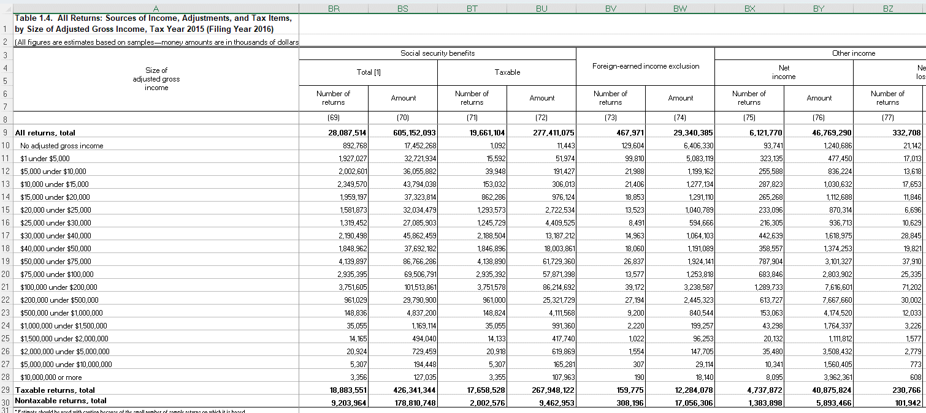
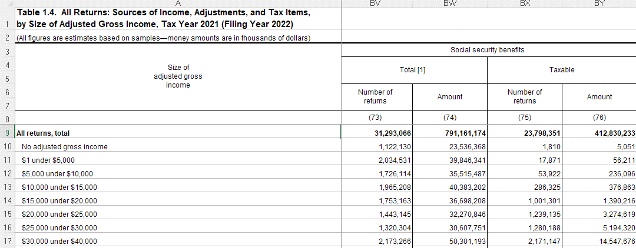
rowtype | filers_2015 | filers_2021 | taxable_2015 | taxable_2021
startrow | 9 | 9 | 29 | 29
endrow | 28 | 28 | 29 | 44

vname | description | units | filers_2015 | filers_2021 | taxable_2015 | taxable_2021 | notes
incrange | Size of adjusted gross income | 0 | A | A | A | A
nret_all | Number of returns | 1 | B | B | B | B
agi | Adjusted gross income less deficit | 1000 | C | C | C | C
nret_wages | Number of returns with salaries and wages | 1 | F | F | F | F
wages | Salaries and wages | 1000 | G | G | G | G
nret_taxint | Number of returns with taxable interest | 1 | H | H | H | H
taxint | Taxable interest | 1000 | I | I | I | I
nret_exemptint | Number of returns with tax-exempt interest | 1 | J | J | J | J
exemptint | Tax-exempt interest | 1000 | K | K | K | K
nret_orddiv | Number of returns with ordinary dividends | 1 | L | L | L | L
orddiv | Ordinary dividends | 1000 | M | M | M | M
nret_qualdiv | Number of returns with qualified dividends | 1 | N | N | N | N
qualdiv | Qualified dividends | 1000 | O | O | O | O
nret_busprofnetinc | Number of returns with business or professional net income | 1 | T | T | T | T
busprofnetinc | Business or professional net income | 1000 | U | U | U | U
nret_busprofnetloss | Number of returns with business or professional net loss | 1 | V | V | V | V
busprofnetloss | Business or professional net loss | 1000 | W | W | W | W
nret_cgdist | Number of returns with capital gain distributions | 1 | X | X | X | X
cgdist | Capital gains distributions | 1000 | Y | Y | Y | Y
nret_cggross | Number of returns with capital gains gross taxable | 1 | Z | Z | Z | Z
cggross | Capital gains gross taxable | 1000 | AA | AA | AA | AA
nret_cgloss | Number of returns with capital loss taxable | 1 | AB | AB | AB | AB
cgloss | Capital loss taxable | 1000 | AC | AC | AC | AC
nret_iradist | Number of returns with IRA distributions | 1 | AH | AH | AH | AH
iradist | Individual Retirement Arrangements (IRA) distributions | 1000 | AI | AI | AI | AI
nret_pensions | Number of returns with total pensions and annuities (including nontaxable) | 1 | AJ | AJ | AJ | AJ
pensions | Total pensions and annuities (including nontaxable) | 1000 | AK | AK | AK | AK
nret_pensions_taxable | Number of returns with taxable pensions and annuities | 1 | AL | AL | AL | AL
pensions_taxable | Taxable pensions and annuities | 1000 | AM | AM | AM | AM
nret_rentroyinc | Number of returns with total rental and royalty income | 1 | AZ | AZ | AZ | AZ
rentroyinc | Total rental and royalty income | 1000 | BA | BA | BA | BA
nret_rentroyloss | Number of returns with total rental and royalty loss | 1 | BB | BB | BB | BB
rentroyloss | Total rental and royalty income loss | 1000 | BC | BC | BC | BC
nret_partnerscorpinc | Number of returns with partnership or S corporation net income | 1 | BD |  | BD
partnerscorpinc | Partnership or S corporation net income | 1000 | BE |  | BE
nret_partnerscorploss | Number of returns with partnership or S corporation net loss | 1 | BF |  | BF
partnerscorploss | Partnership or S corporation net loss | 1000 | BG |  | BG
nret_partnerpinc | Number of returns with partnership net income | 1 |  | BD |  | BD
partnerinc | Partnership net income | 1000 |  | BE |  | BE
nret_partnerloss | Number of returns with partnership net loss | 1 |  | BF |  | BF
partnerloss | Partnership net loss | 1000 |  | BG |  | BG
nret_scorpinc | Number of returns with S corporation net income | 1 |  | BH |  | BH
scorpinc | S corporation net income | 1000 |  | BI |  | BI
nret_scorploss | Number of returns with S corporation net loss | 1 |  | BJ |  | BJ
scorploss | S corporation net loss | 1000 |  | BK |  | BK
nret_estateinc | Number of returns with estate and trust income | 1 | BH | BL | BH | BL
estateinc | Estate and trust income | 1000 | BI | BM | BI | BM
nret_estateloss | Number of returns with estate and trust loss | 1 | BJ | BN | BJ | BN
estateloss | Estate and trust loss | 1000 | BK | BO | BK | BO
nret_unempcomp | Number of returns with unemployment compensation | 1 | BP | BT | BP | BT
unempcomp | Unemployment compensation | 1000 | BQ | BU | BQ | BU
nret_socsectot | Number of returns with total Social Security benefits | 1 | BR | BV | BR | BV
socsectot | Total Social Security benefits | 1000 | BS | BW | BS | BW
nret_socsectaxable | Number of returns with taxable Social Security benefits | 1 | BT | BX | BT | BX
socsectaxable | Taxable Social Security benefits | 1000 | BU | BY | BU | BY
nret_itemded | Number of returns with itemized deductions | 1 | DV | DV | DV | DV
itemded | Total itemized deductions | 1000 | DW | DW | DW | DW
n_exemptions | Number of exemptions | 1 | DX |  | DX
exemption | Exemption amount | 1000 | DY |  | DY
nret_qbid | Number of returns with Qualified Business Income Deduction | 1 |  | DX |  | DX
qbid | Qualified Business Income Deduction | 1000 |  | DY |  | DY
nret_amt | Number of returns with alternative minimum tax | 1 | ED | ED | ED | ED
amt | Alternative minimum tax | 1000 | EE | EE | EE | EE
nret_taxbc | Number of returns with income tax before credits (IRS definition, not PUF definition) | 1 | EH | EH | EH | EH
taxbc | Income tax before credits (IRS definition, not PUF definition) | 1000 | EI | EI | EI | EI

tab21_map
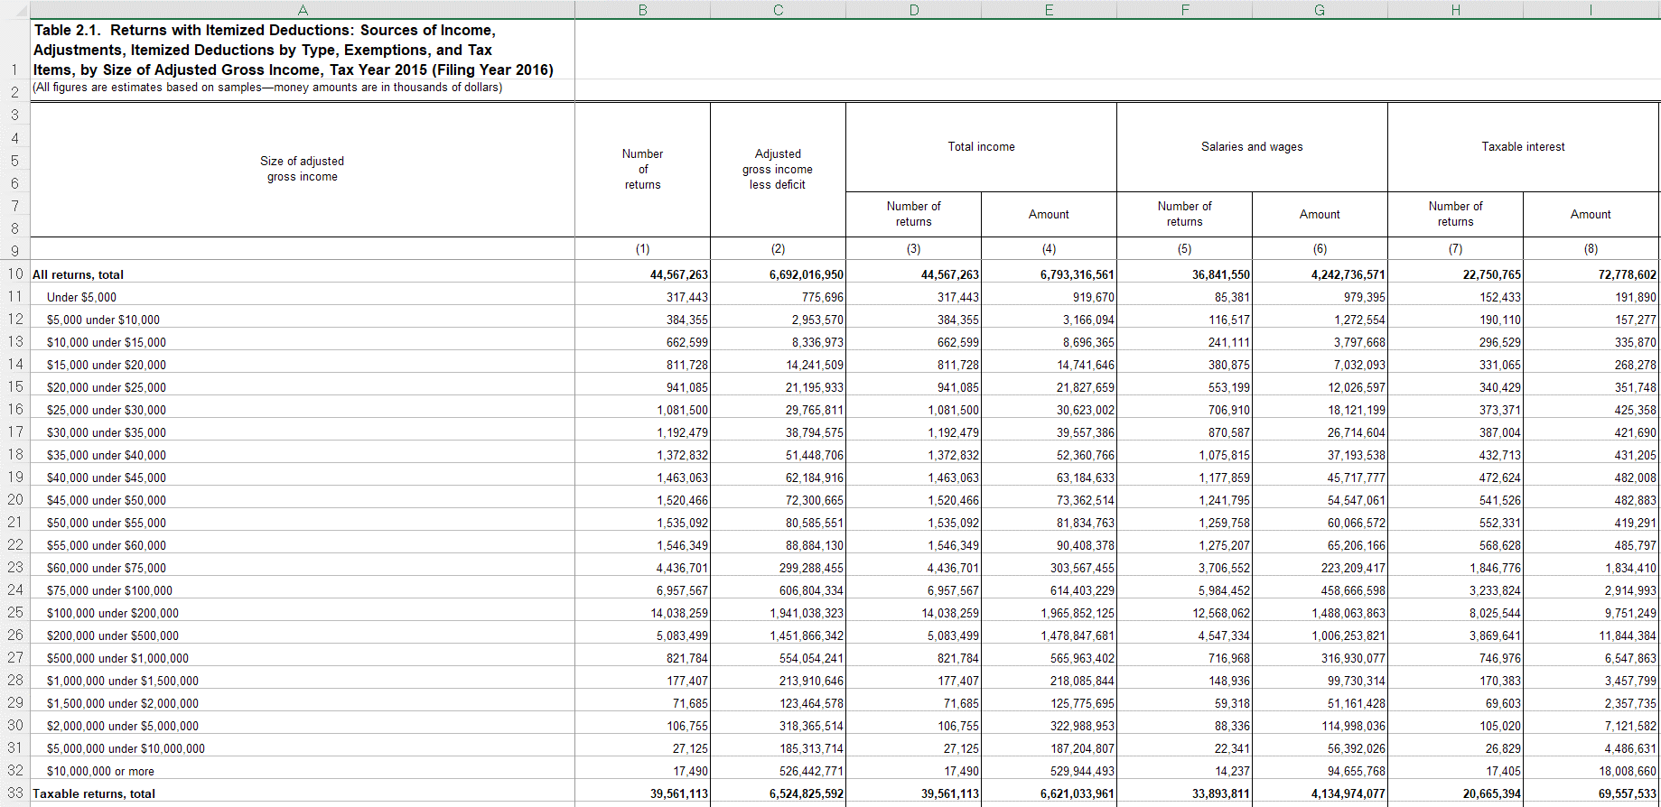
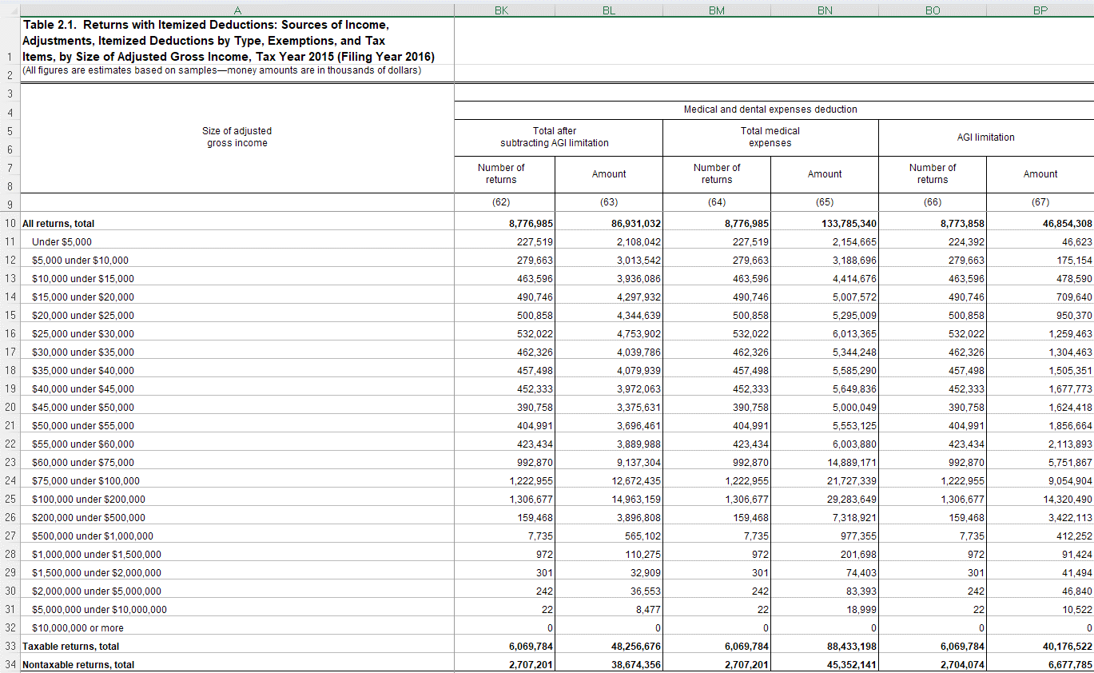
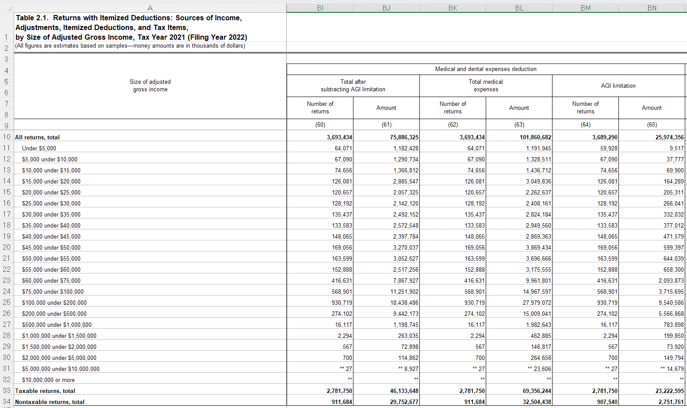
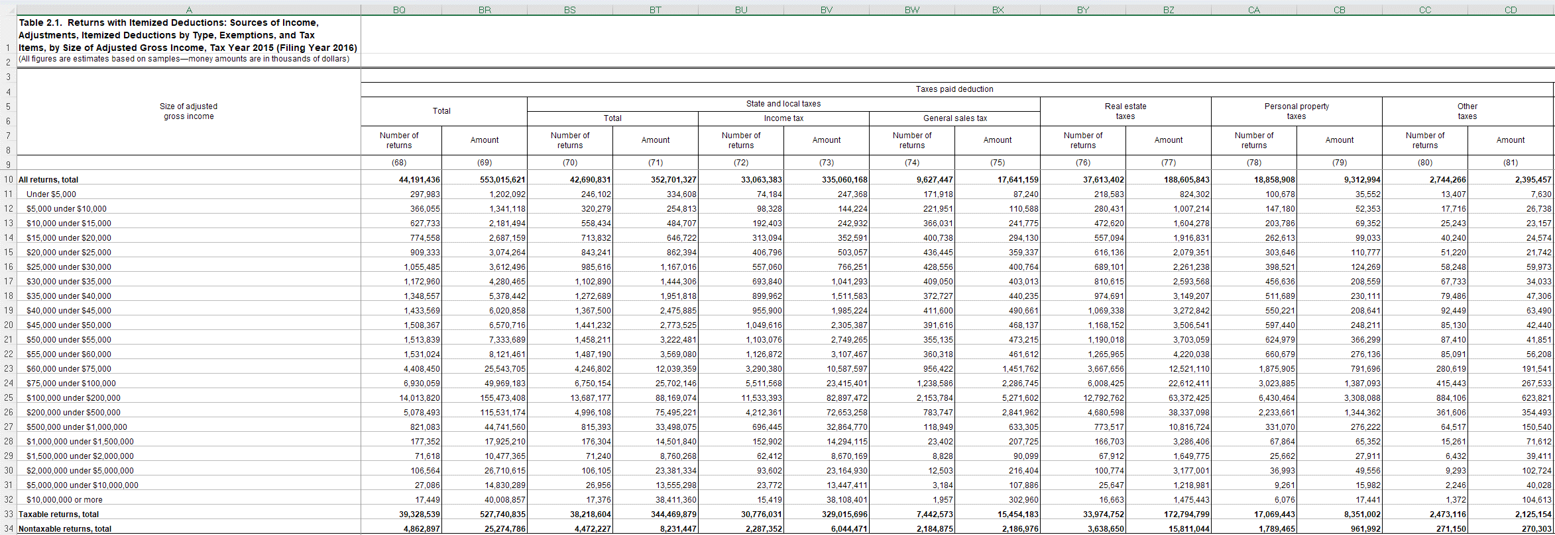
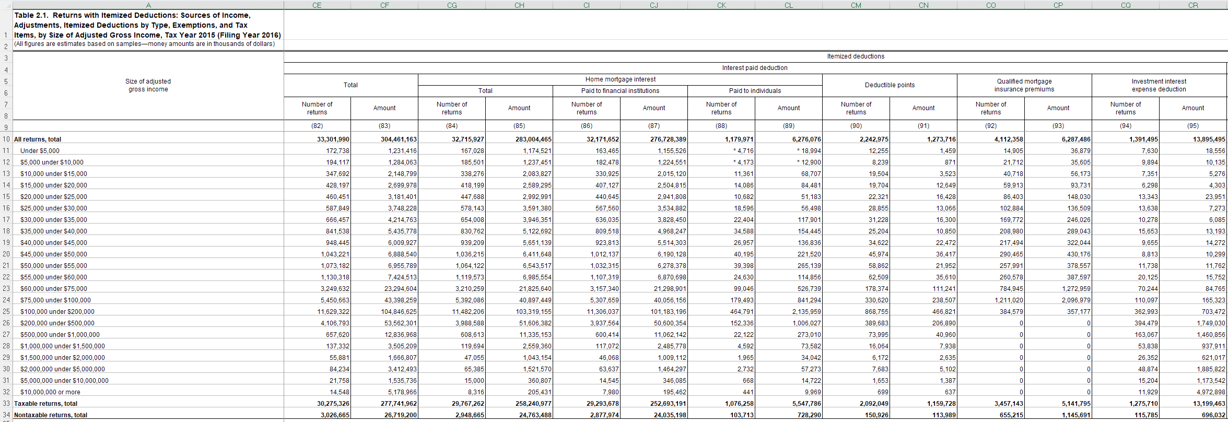
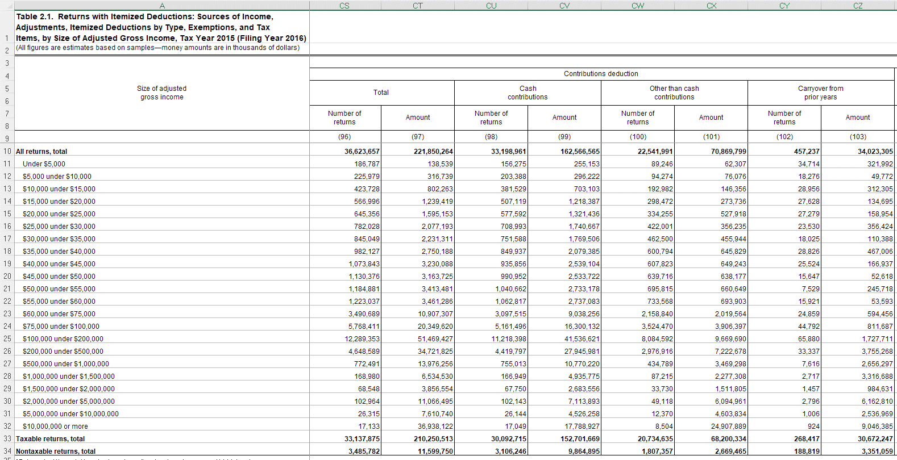
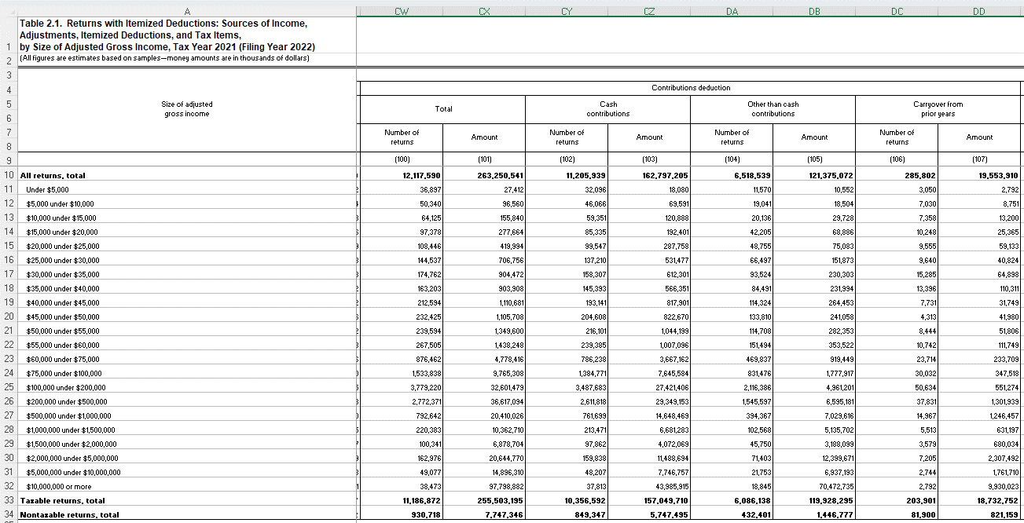
rowtype | filers_2015 | filers_2021 | taxable_2015 | taxable_2021
startrow | 10 | 10 | 33 | 33
endrow | 32 | 32 | 33 | 33

vname | description | units | filers_2015 | filers_2021 | taxable_2015 | taxable_2021 | notes
incrange | Size of adjusted gross income, Table 21 definition | 1000 | A | A | A | A
nret_itemded | Number of returns with itemized deductions | 1 | B | B | B | B
nret_id_medical_capped | Number of returns with total medical expenses, capped | 1 | BK | BI | BK | BI
id_medical_capped | Total medical expenses, capped | 1000 | BL | BJ | BL | BJ
nret_id_medical_uncapped | Number of returns with total medical expenses, uncapped | 1 | BM | BK | BM | BK
id_medical_uncapped | Total medical expenses, uncapped | 1000 | BN | BL | BN | BL
nret_id_taxpaid | Number of returns with taxes paid deduction | 1 | BQ | BO | BQ | BO
id_taxpaid | Taxes paid deduction | 1000 | BR | BP | BR | BP
nret_id_salt | Number of returns with state and local taxes deduction | 1 | BS | BQ | BS | BQ
id_salt | State and local taxes deduction | 1000 | BT | BR | BT | BR
nret_id_pitgst | Number of returns with state local income taxes or general sales taxes | 1 |  | BS |  | BS
id_pitgst | State local income taxes or general sales taxes | 1000 |  | BT |  | BT
nret_id_pit | Number of returns with income tax deduction | 1 | BU | BU | BU | BU
id_pit | Income tax deduction | 1000 | BV | BV | BV | BV
nret_id_gst | Number of returns with general sales tax deduction | 1 | BW | BW | BW | BW
id_gst | General sales tax deduction | 1000 | BX | BX | BX | BX
nret_id_retax | Number of returns with real estate tax deduction | 1 | BY | BY | BY | BY
id_retax | Real estate tax deduction | 1000 | BZ | BZ | BZ | BZ
nret_id_intpaid | Number of returns with interest paid deduction | 1 | CE | CG | CE | CG
id_intpaid | Interest paid deduction | 1000 | CF | CH | CF | CH
nret_id_mortgage | Number of returns with mortgage interest paid (any recipient) | 1 | CG | CI | CG | CI
id_mortgage | Mortgage interest paid (any recipient) | 1000 | CH | CJ | CH | CJ
nret_id_contributions | Number of returns with contributions deduction | 1 | CS | CW | CS | CW
id_contributions | Contributions deduction | 1000 | CT | CX | CT | CX

