stalebrink
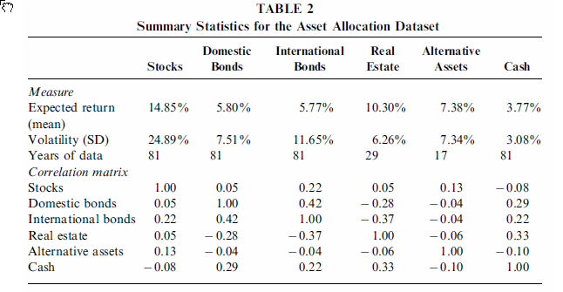
TOC
 | NOMINAL RETURNS. DO NOT INCLUDE SEPARATE LINE FOR INFLATION |  | NOTE: Only need to define the lower triangle of the correlation matrix
class | er | sd | class | stocks | bonds.dom | bonds.intl | re | alts | cash
stocks | 14.85% | 24.89% | stocks
bonds.dom | 5.80% | 7.51% | bonds.dom | 0.05
bonds.intl | 5.77% | 11.65% | bonds.intl | 0.22 | 0.42
re | 10.30% | 6.26% | re | 0.05 | -0.28 | -0.37
alts | 7.38% | 7.34% | alts | 0.13 | -0.04 | -0.04 | -0.06
cash | 3.77% | 3.08% | cash | -0.08 | 0.29 | 0.22 | 0.33 | -0.10

horizon10year2017
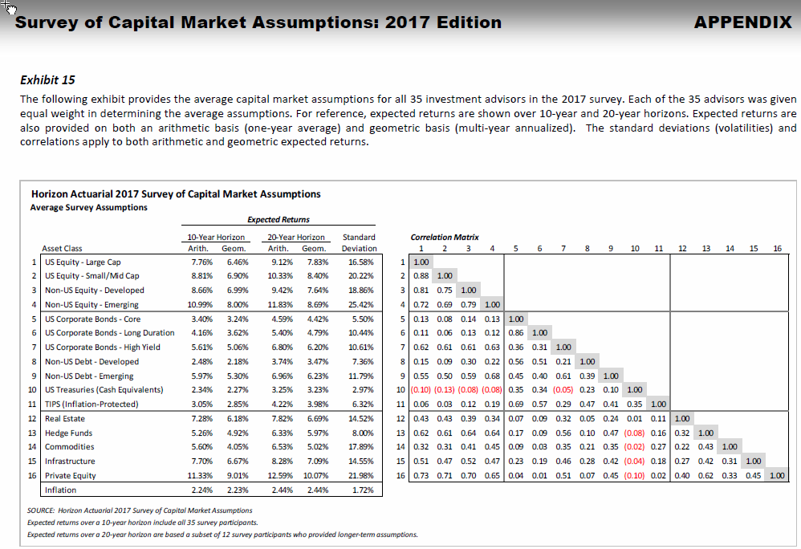
TOC
 | NOMINAL RETURNS. DO NOT INCLUDE SEPARATE LINE FOR INFLATION |  | NOTE: Only need to define the lower triangle of the correlation matrix
class | er | sd | class | equity.us.large | equity.us.smallmid | equity.nonus.dev | equity.nonus.emerge | bonds.uscorp.core | bonds.uscorp.long | bonds.uscorp.hy | bonds.nonus.dev | bonds.nonus.emerge | cash | bonds.tips | re | hedge | commodities | infrastructure | pe
equity.us.large | 7.76% | 16.58% | equity.us.large
equity.us.smallmid | 8.81% | 20.22% | equity.us.smallmid | 0.88
equity.nonus.dev | 8.66% | 18.86% | equity.nonus.dev | 0.81 | 0.75
equity.nonus.emerge | 10.99% | 25.42% | equity.nonus.emerge | 0.72 | 0.69 | 0.79
bonds.uscorp.core | 3.40% | 5.50% | bonds.uscorp.core | 0.13 | 0.08 | 0.14 | 0.13
bonds.uscorp.long | 4.16% | 10.44% | bonds.uscorp.long | 0.11 | 0.06 | 0.13 | 0.12 | 0.86
bonds.uscorp.hy | 5.61% | 10.61% | bonds.uscorp.hy | 0.62 | 0.61 | 0.61 | 0.63 | 0.36 | 0.31
bonds.nonus.dev | 2.48% | 7.36% | bonds.nonus.dev | 0.15 | 0.09 | 0.30 | 0.22 | 0.56 | 0.51 | 0.21
bonds.nonus.emerge | 5.97% | 11.79% | bonds.nonus.emerge | 0.55 | 0.50 | 0.59 | 0.68 | 0.45 | 0.40 | 0.61 | 0.39
cash | 2.34% | 2.97% | cash | (0.10) | (0.13) | (0.08) | (0.08) | 0.35 | 0.34 | (0.05) | 0.23 | 0.10
bonds.tips | 3.05% | 6.32% | bonds.tips | 0.06 | 0.03 | 0.12 | 0.19 | 0.69 | 0.57 | 0.29 | 0.47 | 0.41 | 0.35
re | 7.28% | 14.52% | re | 0.43 | 0.43 | 0.39 | 0.34 | 0.07 | 0.09 | 0.32 | 0.05 | 0.24 | 0.01 | 0.11
hedge | 5.26% | 8.00% | hedge | 0.62 | 0.61 | 0.64 | 0.64 | 0.17 | 0.09 | 0.56 | 0.10 | 0.47 | (0.08) | 0.16 | 0.32
commodities | 5.60% | 17.89% | commodities | 0.32 | 0.31 | 0.41 | 0.45 | 0.09 | 0.03 | 0.35 | 0.21 | 0.35 | (0.02) | 0.27 | 0.22 | 0.43
infrastructure | 7.70% | 14.55% | infrastructure | 0.51 | 0.47 | 0.52 | 0.47 | 0.23 | 0.19 | 0.46 | 0.28 | 0.42 | (0.04) | 0.18 | 0.27 | 0.42 | 0.31
pe | 11.33% | 21.98% | pe | 0.73 | 0.71 | 0.70 | 0.65 | 0.04 | 0.01 | 0.51 | 0.07 | 0.45 | (0.10) | 0.02 | 0.40 | 0.62 | 0.33 | 0.45

rvk.ersd
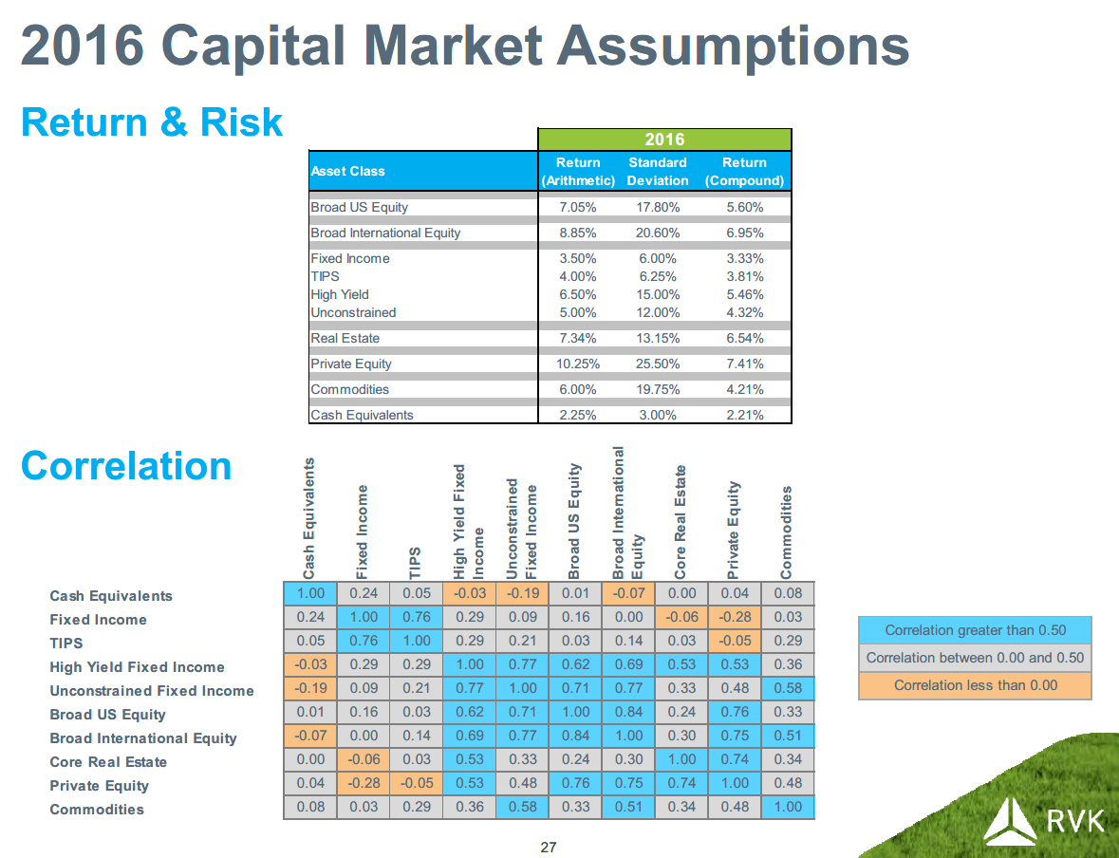
TOC
class | er | sd
stocks.us | 7.05% | 17.80%
stocks.intl | 8.85% | 20.60%
fixed | 3.50% | 6.00%
fi.tips | 4.00% | 6.25%
fi.yield | 6.50% | 15.00%
fi.unconstrained | 5.00% | 12.00%
re | 7.34% | 13.15%
pe | 10.25% | 25.50%
commodities | 6.00% | 19.75%
cash | 2.25% | 3.00%

